constantinou
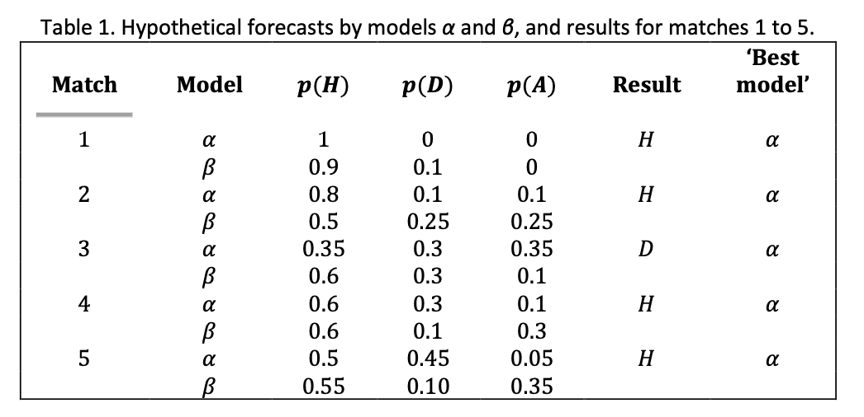
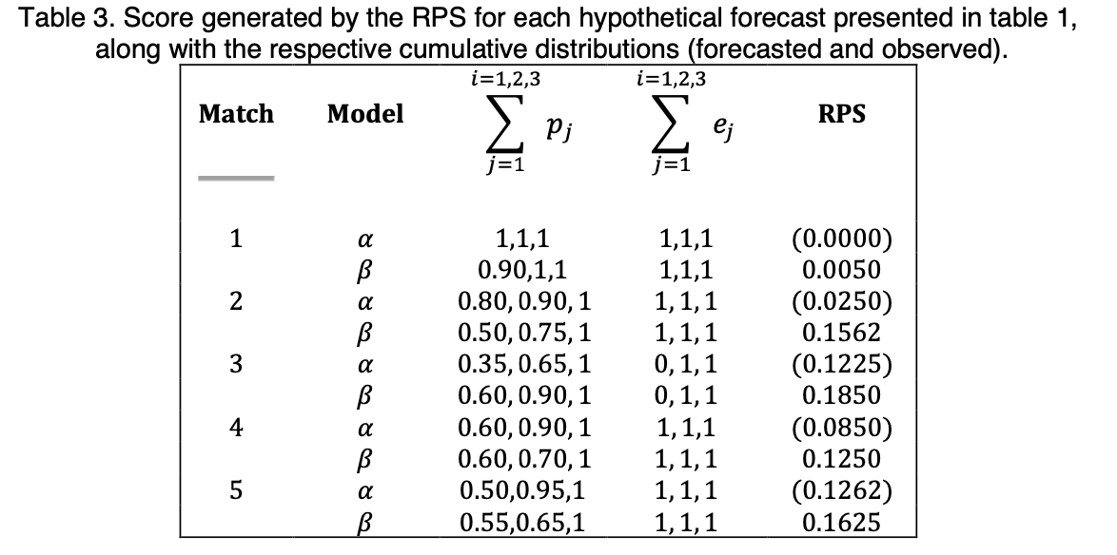
HomeWin | Draw | AwayWin | Hg | Ag | RPS
1 | 0 | 0 | 3 | 2 | 0 | 1 | 0 | 0 | 0 | 0 | 0
0.9 | 0.1 | 0 | 2 | 1 | 0.005 | 1 | 0 | 0 | 0.01 | 0.01 | 0.01
0.8 | 0.1 | 0.1 | 5 | 4 | 0.025 | 1 | 0 | 0 | 0.04 | 0.05 | 0.05
0.5 | 0.25 | 0.25 | 4 | 3 | 0.15625 | 1 | 0 | 0 | 0.25 | 0.3125 | 0.3125
0.35 | 0.3 | 0.35 | 2 | 2 | 0.1225 | 0 | 1 | 0 | 0.1225 | 0.245 | 0.245
0.6 | 0.3 | 0.1 | 6 | 6 | 0.185 | 0 | 1 | 0 | 0.36 | 0.37 | 0.37
0.6 | 0.3 | 0.1 | 3 | 2 | 0.085 | 1 | 0 | 0 | 0.16 | 0.17 | 0.17
0.6 | 0.2 | 0.3 | 2 | 1 | 0.105 | 1 | 0 | 0 | 0.16 | 0.2 | 0.21
0.5 | 0.45 | 0.05 | 5 | 4 | 0.12625 | 1 | 0 | 0 | 0.25 | 0.2525 | 0.2525
0.55 | 0.1 | 0.35 | 4 | 3 | 0.1625 | 1 | 0 | 0 | 0.2025 | 0.325 | 0.325

