Sheet1
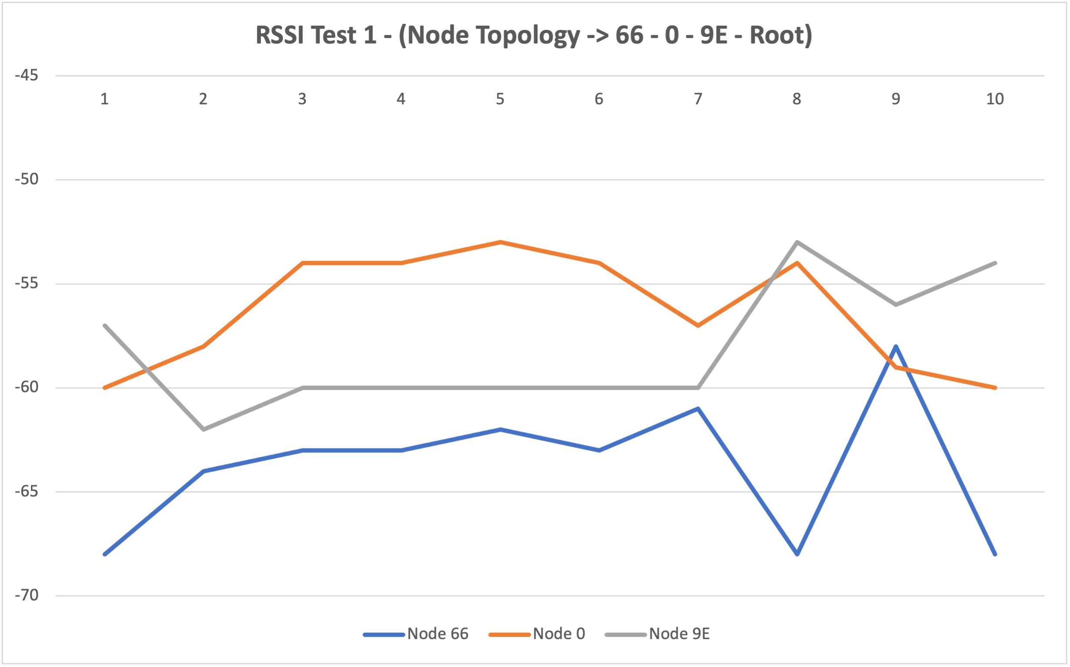
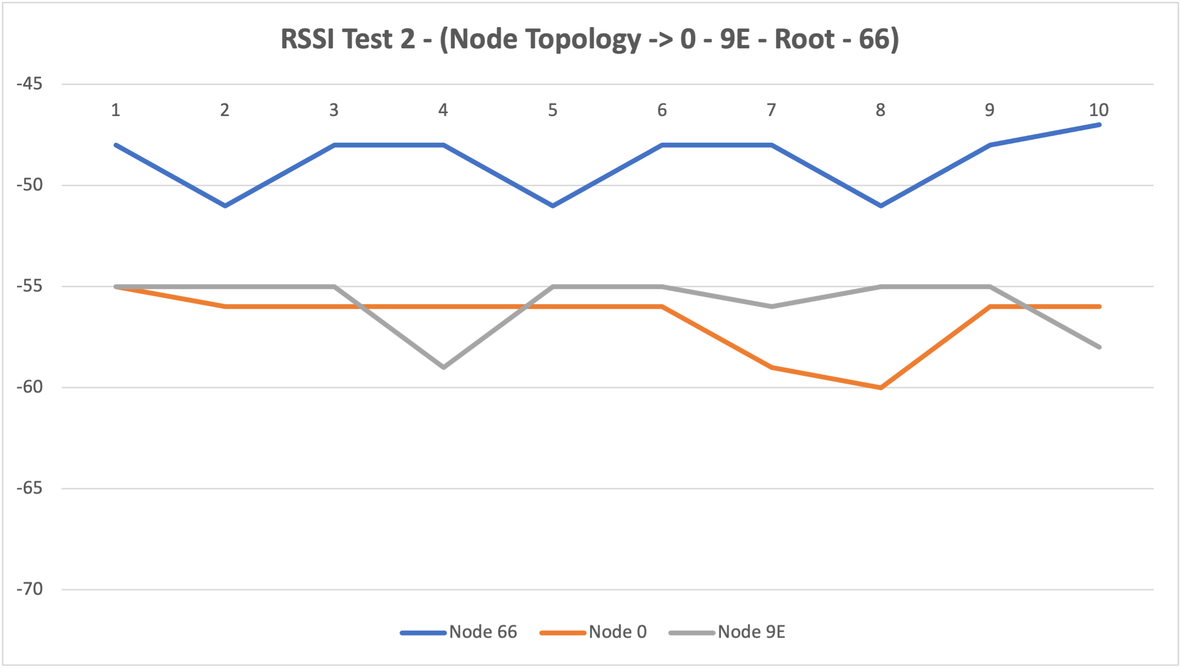
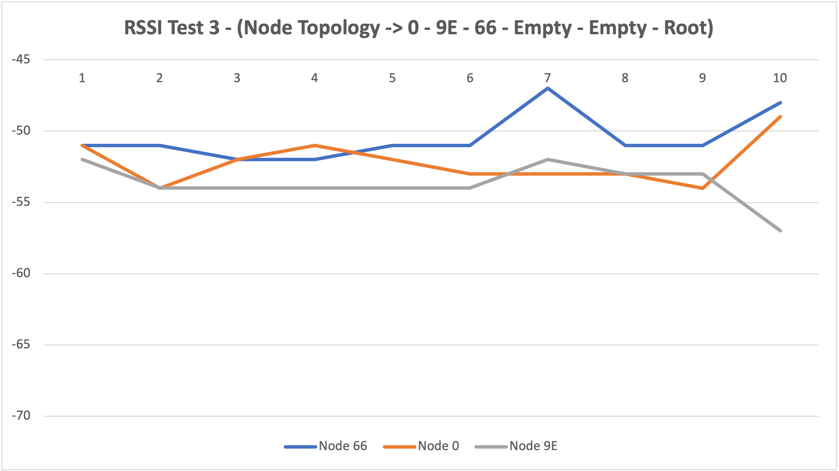
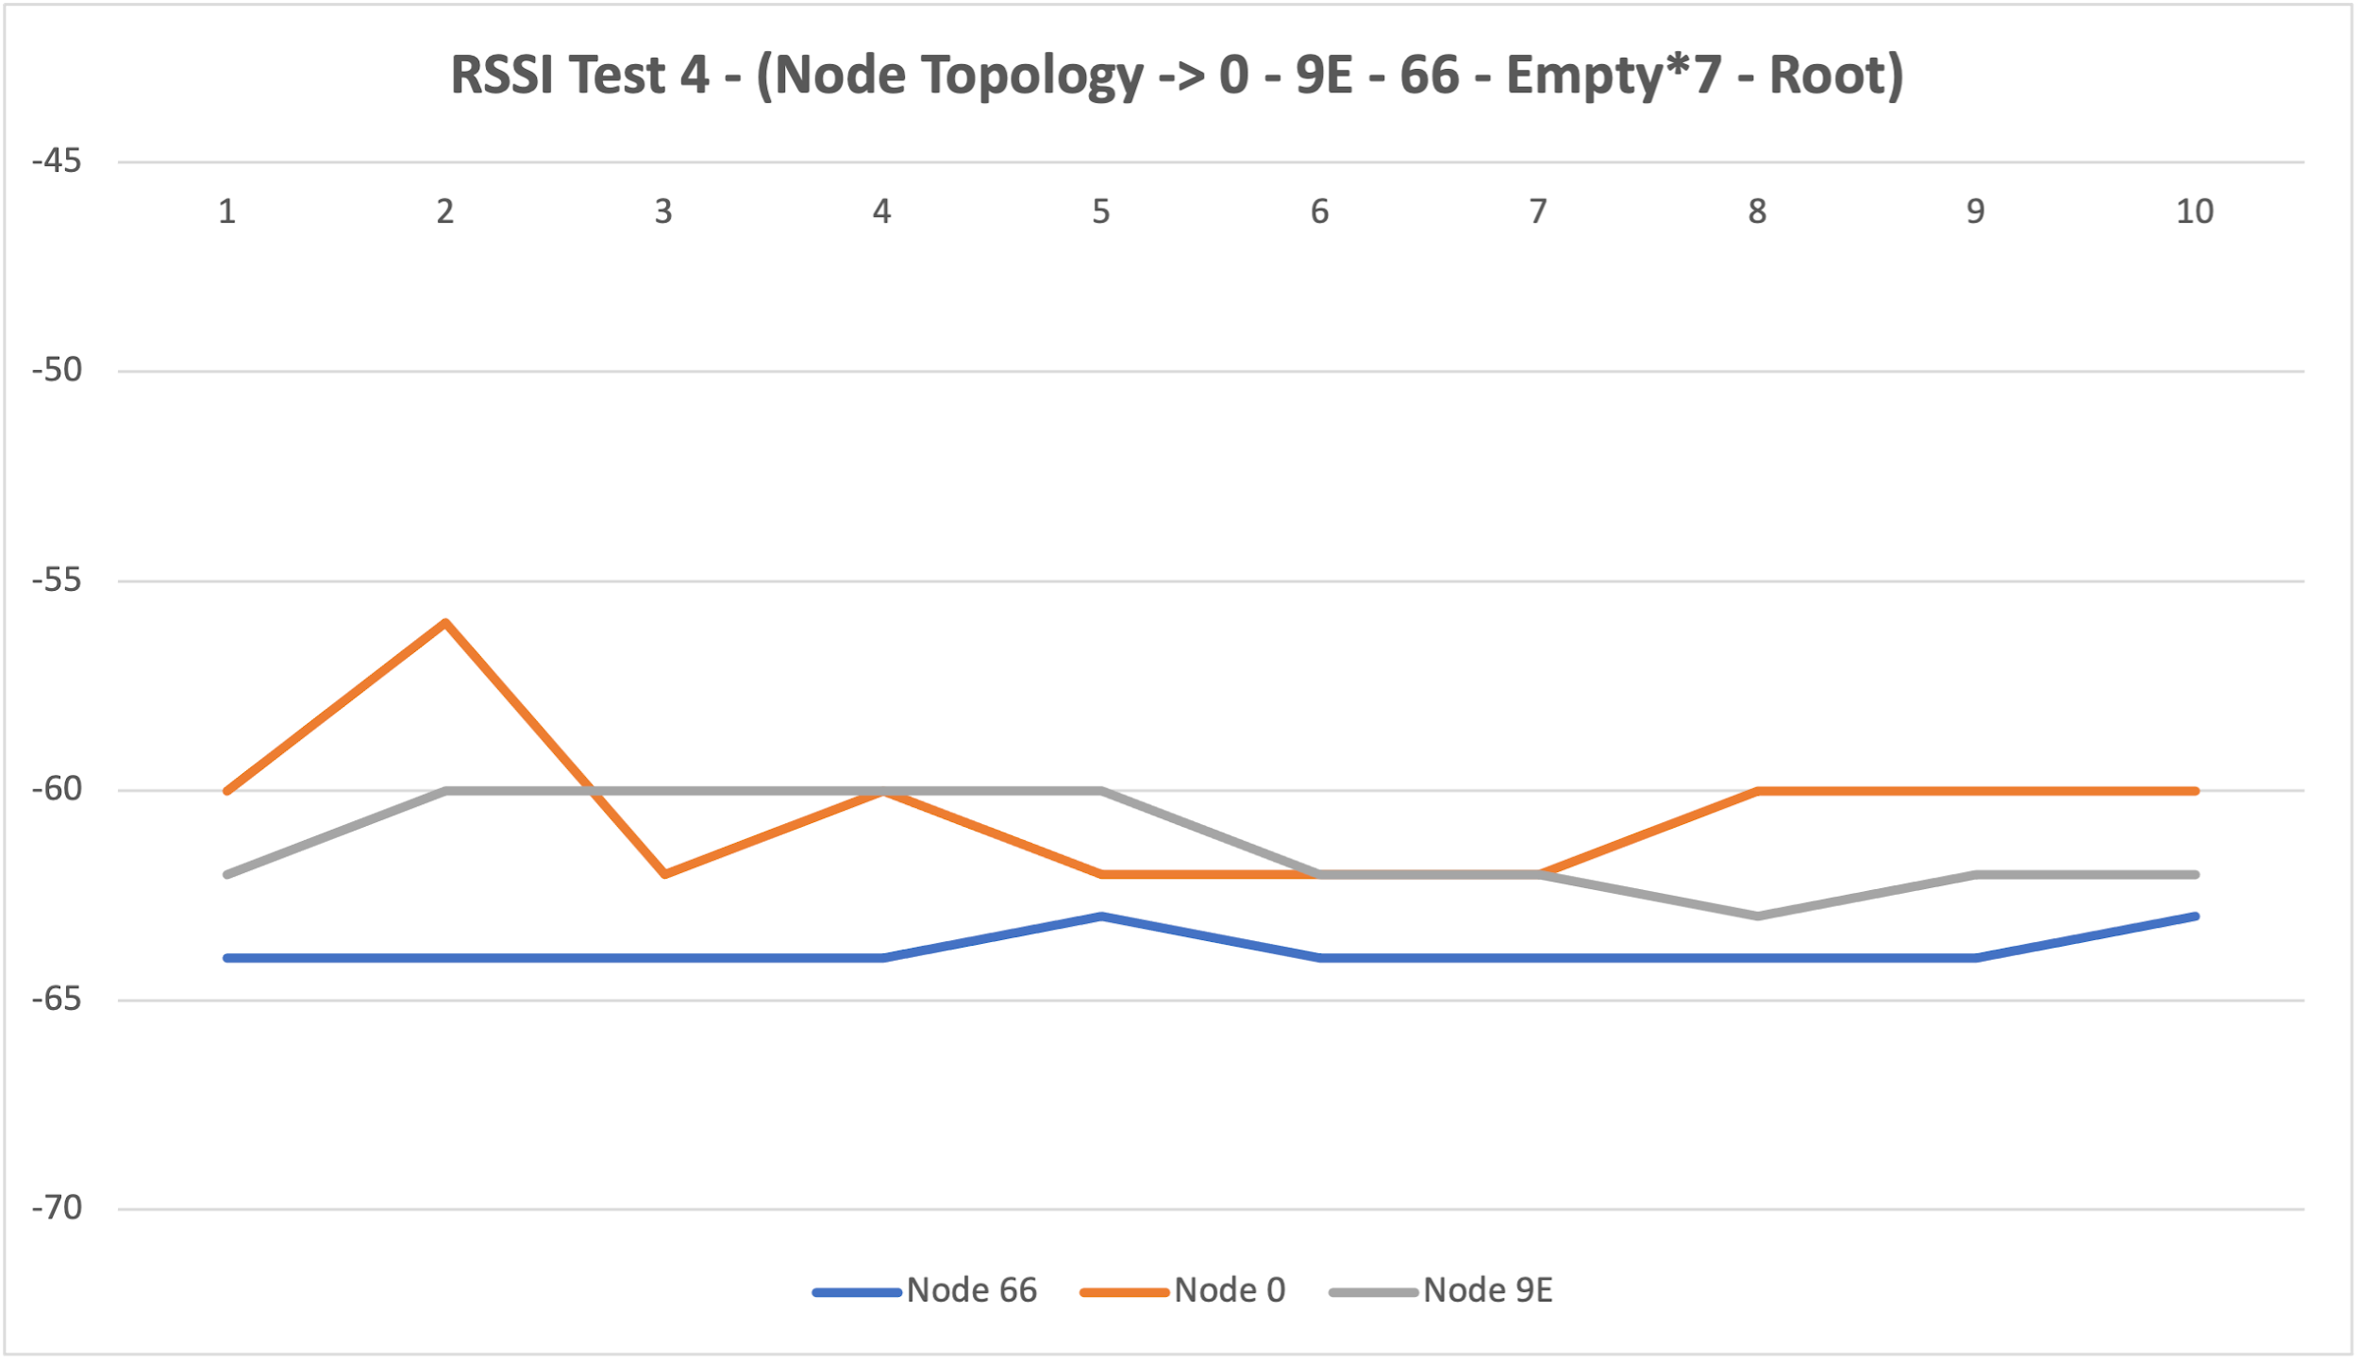
 | Test 1 - (node topology -> 66 - 0 - 9E - Root) |  |  |  | Test 2 - (node topology -> 0 - 9E - Root - 66) |  |  |  | Test 3 - (node topology -> 0 - 9E - 66 - empty - empty - Root) |  |  |  | Test 4 - (node topology -> 0 - 9E - 66 - empty - empty - empty - empty - empty - empty - empty - Root)

 | topology: -> node - node is 40cm |  |  |  | topology: -> node - node is 40cm |  |  |  | kkkkkkkkkk |  |  |  | topology: -> node - node is 40cm -> empty to root is 10cm

 | RSSI |  |  |  | RSSI |  |  |  | RSSI |  |  |  | RSSI
Sl no | Node 66 | Node 0 | Node 9E | Sl no | Node 66 | Node 0 | Node 9E | Sl no | Node 66 | Node 0 | Node 9E | Sl no | Node 66 | Node 0 | Node 9E
1 | -68 | -60 | -57 | 1 | -48 | -55 | -55 | 1 | -51 | -51 | -52 | 1 | -64 | -60 | -62
2 | -64 | -58 | -62 | 2 | -51 | -56 | -55 | 2 | -51 | -54 | -54 | 2 | -64 | -56 | -60
3 | -63 | -54 | -60 | 3 | -48 | -56 | -55 | 3 | -52 | -52 | -54 | 3 | -64 | -62 | -60
4 | -63 | -54 | -60 | 4 | -48 | -56 | -59 | 4 | -52 | -51 | -54 | 4 | -64 | -60 | -60
5 | -62 | -53 | -60 | 5 | -51 | -56 | -55 | 5 | -51 | -52 | -54 | 5 | -63 | -62 | -60
6 | -63 | -54 | -60 | 6 | -48 | -56 | -55 | 6 | -51 | -53 | -54 | 6 | -64 | -62 | -62
7 | -61 | -57 | -60 | 7 | -48 | -59 | -56 | 7 | -47 | -53 | -52 | 7 | -64 | -62 | -62
8 | -68 | -54 | -53 | 8 | -51 | -60 | -55 | 8 | -51 | -53 | -53 | 8 | -64 | -60 | -63
9 | - | -59 | -56 | 9 | -48 | -56 | -55 | 9 | -51 | -54 | -53 | 9 | -64 | -60 | -62
10 | -68 | -60 | -54 | 10 | -47 | -56 | -58 | 10 | -48 | -49 | -57 | 10 | -63 | -60 | -62

