부자재매입내역
▣ 08월 부자재매입내역
순서 | 자재코드 | 품명 및 규격 | 단위 | 구매처 | 1 | 2 | 3 | 4 | 5 | 6 | 7 | 8 | 9 | 10 | 11 | 12 | 13 | 14 | 15 | 16 | 17 | 18 | 19 | 20 | 21 | 22 | 23 | 24 | 25 | 26 | 27 | 28 | 29 | 30 | 31 | TOTAL
건 화 | 31000462 | QZ CORNER COVER LH | EA | 건화플라테크 |  |  |  |  |  |  |  |  |  |  |  |  |  |  |  |  |  |  |  |  |  |  |  |  |  |  |  |  |  |  |  | -
 | 30110463 | QZ CORNER COVER RH | EA | 건화플라테크 |  |  |  |  |  |  |  |  |  |  |  |  |  |  |  |  |  |  |  |  |  |  |  |  |  |  |  |  |  |  |  | -
화승R&A 부자재 | 31010181 | CAP 82210-4E000 | EA | 건화플라테크 |  |  |  |  |  |  |  |  |  |  |  |  |  |  |  |  |  |  |  |  |  |  |  |  |  |  | 2,000 |  |  |  |  | 2,000
 | 31010182 | CAP 82220-4E000 | EA | 건화플라테크 |  |  |  |  |  |  |  |  |  |  |  |  |  |  |  |  |  |  |  |  |  |  |  |  |  |  | 2,000 |  |  |  |  | 2,000
 | 31010183 | CLIP 82210-4E000(WHITE) | EA | 건화플라테크 |  |  |  |  |  |  |  |  |  |  |  |  |  |  |  |  |  |  |  | 20,000 |  |  |  |  |  |  | 20,000 |  |  |  |  | 40,000
 | 31010184 | CLIP 82220-4E000(YELLOW) | EA | 건화플라테크 |  |  |  |  |  |  |  |  |  |  |  |  |  |  |  |  |  |  |  | 20,000 |  |  |  |  |  |  | 20,000 |  |  |  |  | 40,000
 | 31010185 | PU D/C END CAP① | EA | 건화플라테크 |  |  |  |  |  |  |  |  |  |  |  |  |  |  |  |  |  |  |  | 1,000 |  |  |  |  |  |  |  |  |  |  |  | 1,000
 | 31010186 | PU D/C END CAP② | EA | 건화플라테크 |  |  |  |  |  |  |  |  |  |  |  |  |  |  |  |  |  |  |  | 1,000 |  |  |  |  |  |  |  |  |  |  |  | 1,000
 | 31010187 | PU D/C END CAP③ | EA | 건화플라테크 |  |  |  |  |  |  |  |  |  |  |  |  |  |  |  |  |  |  |  | 1,000 |  |  |  |  |  |  |  |  |  |  |  | 1,000
 | 31010188 | PU D/C END CAP④ | EA | 건화플라테크 |  |  |  |  |  |  |  |  |  |  |  |  |  |  |  |  |  |  |  | 1,000 |  |  |  |  |  |  |  |  |  |  |  | 1,000
 | 31010047 | GS-034 MOUNTING CLIP | EA | 건화플라테크 |  |  |  |  |  |  |  |  |  |  |  |  | 100,000 |  |  |  |  |  |  |  |  |  |  |  |  |  |  |  |  |  |  | 100,000
 | 31010350 | FS-CAR CTR SEAL CLIP | EA | 건화플라테크 |  |  |  |  |  |  |  |  |  |  |  |  |  |  |  |  |  |  |  |  |  |  |  |  |  |  |  |  |  |  |  | -
 | 31020296 | FS INSERT 수지 FRT LH(LHD) | EA | 건화플라테크 |  |  |  |  |  |  |  |  |  |  |  |  |  |  |  |  |  |  |  |  |  |  |  |  |  |  |  |  |  |  |  | -
 | 31020297 | FS INSERT 수지 FRT RH(LHD) | EA | 건화플라테크 |  |  |  |  |  |  |  |  |  |  |  |  |  |  |  |  |  |  |  |  |  |  |  |  |  |  |  |  |  |  |  | -
 | 31020298 | FS INSERT 수지 RR RH(LHD) | EA | 건화플라테크 |  |  |  |  |  |  |  |  |  |  |  |  |  |  |  |  |  |  |  |  |  |  |  |  |  |  |  |  |  |  |  | -
 | 31020299 | FS INSERT 수지 FRT LH(RHD) | EA | 건화플라테크 |  |  |  |  |  |  |  |  |  |  |  |  |  |  |  |  |  |  |  |  |  |  |  |  |  |  |  |  |  |  |  | -
 | 31020300 | FS INSERT 수지 FRT RH(RHD) | EA | 건화플라테크 |  |  |  |  |  |  |  |  |  |  |  |  |  |  |  |  |  |  |  |  |  |  |  |  |  |  |  |  |  |  |  | -
 | 31020301 | FS INSERT 수지 RR LH(RHD) | EA | 건화플라테크 |  |  |  |  |  |  |  |  |  |  |  |  |  |  |  |  |  |  |  |  |  |  |  |  |  |  |  |  |  |  |  | -
 | 31010077 | 특수 CLIP GS-038 82132-38000 | EA | 건화플라테크 |  |  |  |  |  |  |  |  |  |  |  |  |  |  |  |  |  |  |  |  |  |  |  |  |  |  |  |  |  |  |  | -
 | 31010076 | 일반 CLIP GS-073(WH) | EA | 건화플라테크 |  |  |  |  |  |  |  |  |  |  |  |  |  |  |  |  |  |  |  |  |  |  |  |  |  |  |  |  |  |  |  | -
 | 31010127 | 일반 CLIP GS-073(GR) | EA | 건화플라테크 |  |  |  |  |  |  |  |  |  |  |  |  |  |  |  |  |  |  |  |  |  |  |  |  |  |  |  |  |  |  |  | -
 | 31010358 | 일반 CLIP GS-073(BR) | EA | 건화플라테크 |  |  |  |  |  |  |  |  |  |  |  |  |  |  |  |  |  |  |  |  |  |  |  |  |  |  |  |  |  |  |  | -
 | 31010359 | 일반 CLIP GS-073(OR) | EA | 건화플라테크 |  |  |  |  |  |  |  |  |  |  |  |  |  |  |  |  |  |  |  |  |  |  |  |  |  |  |  |  |  |  |  | -
 | 31010272 | NF CLIP OR 86472-3K000 | EA | 건화플라테크 |  |  |  |  |  |  |  |  |  |  |  |  |  |  |  |  |  |  |  |  |  |  |  |  |  |  |  |  |  |  |  | -
 | 31010081 | 특수 CLIP GS-039 OR 82133-37000 | EA | 건화플라테크 |  |  |  |  |  |  |  |  |  |  |  |  |  |  |  |  |  |  |  |  |  |  |  |  |  |  |  |  |  |  |  | -
 | 31010037 | GS-024 MOUNTING CLIP | EA | 건화플라테크 |  |  |  |  |  |  |  |  |  |  |  |  |  |  |  |  |  |  |  |  |  |  |  |  |  |  |  |  |  |  |  | -
 | 31010280 | DCX DS ROOP CLIP(RE) | EA | 건화플라테크 |  |  |  |  |  |  |  |  |  |  |  |  |  |  |  |  |  |  |  |  |  |  |  |  |  |  |  |  |  |  |  | -
 | 31010281 | DCX DS ROOP CLIP(BL) | EA | 건화플라테크 |  |  |  |  |  |  |  |  |  |  |  |  |  |  |  |  |  |  |  |  |  |  |  |  |  |  |  |  |  |  |  | -
 | 31010278 | DCX DS ROOP CLIP(WH) | EA | 건화플라테크 |  |  |  |  |  |  |  |  |  |  |  |  | 50,000 |  |  |  |  |  |  |  |  |  |  |  |  |  |  |  |  |  |  | 50,000
 | 31010279 | DCX DS ROOP CLIP(YE) | EA | 건화플라테크 |  |  |  |  |  |  |  |  |  |  |  |  | 50,000 |  |  |  |  |  |  |  |  |  |  |  |  |  |  |  |  |  |  | 50,000
 | 31010282 | CLIP,D/S A-PLR MOLD(BLACK) | EA | 건화플라테크 |  |  |  |  |  |  |  |  |  |  |  |  |  |  |  |  |  |  |  |  |  |  |  |  |  |  |  |  |  |  |  | -
 | 31010283 | CLIP,D/S B-PLR MOLD(BLACK) | EA | 건화플라테크 |  |  |  |  |  |  |  |  |  |  |  |  |  |  |  |  |  |  |  |  |  |  |  |  |  |  |  |  |  |  |  | -
 | 31011111 | DS BODY MOUNT CLIP BK | EA | 건화플라테크 |  |  |  |  |  |  |  |  |  |  |  |  |  |  |  |  |  |  |  |  |  |  |  |  |  |  |  |  |  |  |  | -
 | 31010380 | DCX DS D/S CLIP(GR) | EA | 건화플라테크 |  |  |  |  |  |  |  |  |  |  |  |  |  |  |  |  |  |  |  | 50,000 |  |  |  |  |  |  |  |  |  |  |  | 50,000
 | 31010384 | M46-0595-02(국산 BLACK) | EA | 건화플라테크 |  |  |  |  |  |  |  |  |  |  |  |  | 80,000 |  |  |  |  |  |  |  |  |  |  |  |  |  |  |  |  |  |  | 80,000
 | 3101038401 | M46-0595-02 PF HOOD SEAL CILP(PA)BK | EA | 건화플라테크 |  |  |  |  |  |  |  |  |  |  |  |  | 40,000 |  |  |  |  |  |  |  |  |  |  |  |  |  |  |  |  |  |  | 40,000
 | 31010982 | M46-0595-02(Dark Gray)-도은 | EA | 건화플라테크 |  |  |  |  |  |  |  |  |  |  |  |  |  |  |  |  |  |  |  |  |  |  |  |  |  |  |  |  |  |  |  | -
 | 31010383 | M46-0580-02(ITW-보라색) PURPLE | EA | 건화플라테크 |  |  |  |  |  |  |  |  |  |  |  |  |  |  |  |  |  |  |  |  |  |  |  |  |  |  |  |  |  |  |  | -
 | 31010371 | M46-0580-02(ITW-빨간색) | EA | 건화플라테크 |  |  |  |  |  |  |  |  |  |  |  |  |  |  |  |  |  |  |  |  |  |  |  |  |  |  |  |  |  |  |  | -
 | 31010373 | M46-0580-02(ITW-노란색) | EA | 건화플라테크 |  |  |  |  |  |  |  |  |  |  |  |  |  |  |  |  |  |  |  |  |  |  |  |  |  |  |  |  |  |  |  | -
 | 31010374 | M46-0580-02(ITW-오렌지) | EA | 건화플라테크 |  |  |  |  |  |  |  |  |  |  |  |  | 150,000 |  |  |  |  |  |  | 350,000 |  |  |  |  |  |  | 100,000 |  |  |  |  | 600,000
 | 31010375 | M46-0580-02(ITW-파랑색) | EA | 건화플라테크 |  |  |  |  |  |  |  |  |  |  |  |  | 150,000 |  |  |  |  |  |  | 50,000 |  |  |  |  |  |  | 300,000 |  |  |  |  | 500,000
 | 31010379 | M46-0600-02 (BLACK) | EA | 건화플라테크 |  |  |  |  |  |  |  |  |  |  |  |  |  |  |  |  |  |  |  |  |  |  |  |  |  |  |  |  |  |  |  | -
 | 31010668 | GH501(RED) | EA | 건화플라테크 |  |  |  |  |  |  |  |  |  |  |  |  |  |  |  |  |  |  |  | 50,000 |  |  |  |  |  |  |  |  |  |  |  | 50,000
 | 31060459 | T300 JOINT CLIP BK | EA | 건화플라테크 |  |  |  |  |  |  |  |  |  |  |  |  |  |  |  |  |  |  |  |  |  |  |  |  |  |  |  |  |  |  |  | -
 | 31010669 | GH508(BLACK) | EA | 건화플라테크 |  |  |  |  |  |  |  |  |  |  |  |  |  |  |  |  |  |  |  |  |  |  |  |  |  |  |  |  |  |  |  | -
 | 31010440 | GH -105 BK 블랙(화살촉 모양) | EA | 건화플라테크 |  |  |  |  |  |  |  |  |  |  |  |  |  |  |  |  |  |  |  |  |  |  |  |  |  |  |  |  |  |  |  | -
 | 31010311 | M46-0580-01 (WHITE) | EA | 건화플라테크 |  |  |  |  |  |  |  |  |  |  |  |  | 150,000 |  |  |  |  |  |  | 50,000 |  |  |  |  |  |  |  |  |  |  |  | 200,000
...
 |  |  |  |  |  |  |  |  |  |  |  |  |  |  |  |  |  |  |  |  |  |  |  |  |  |  |  |  |  |  |  |  |  |  |  | -
 |  |  |  |  |  |  |  |  |  |  |  |  |  |  |  |  |  |  |  |  |  |  |  |  |  |  |  |  |  |  |  |  |  |  |  | -
 |  |  |  |  |  |  |  |  |  |  |  |  |  |  |  |  |  |  |  |  |  |  |  |  |  |  |  |  |  |  |  |  |  |  |  | - | - |  | - | 11,235 | - | - | -
 |  |  |  |  |  |  |  |  |  |  |  |  |  |  |  |  |  |  |  |  |  |  |  |  |  |  |  |  |  |  |  |  |  |  |  | 128 | 128 | 8 | 1,024 | 10,486 | 83,888 | 10,737,664 | 10,737,664
 |  |  |  |  |  |  |  |  |  |  |  |  |  |  |  |  |  |  |  |  |  |  |  |  |  |  |  |  |  |  |  |  |  |  |  | 42 | 42 | 1 | 42 | 33,393 | 33,393 | 1,402,506 | 1,402,506
 |  |  |  |  |  |  |  |  |  |  |  |  |  |  |  |  |  |  |  |  |  |  |  |  |  |  |  |  |  |  |  |  |  |  |  | 73 | 73 | 6 | 438 | 7,583 | 45,498 | 3,321,354 | 3,321,354
 |  |  |  |  |  |  |  |  |  |  |  |  |  |  |  |  |  |  |  |  |  |  |  |  |  |  |  |  |  |  |  |  |  |  |  | - | - | 8 | - | 26,010 | 208,080 | - | -
 |  |  |  |  |  |  |  |  |  |  |  |  |  |  |  |  |  |  |  |  |  |  |  |  |  |  |  |  |  |  |  |  |  |  |  | - | - | 8 | - | 51,360 | 384,000 | - | -
 |  |  |  |  |  |  |  |  |  |  |  |  |  |  |  |  |  |  |  |  |  |  |  |  |  |  |  |  |  |  |  |  |  |  |  | - |  |  |  |  |  | 19,673,355 | 19,673,355
 |  |  |  |  |  |  |  |  |  |  |  |  |  |  |  |  |  |  |  |  |  |  |  |  |  |  |  |  |  |  |  |  |  |  |  | -
 |  |  |  |  |  |  |  |  |  |  |  |  |  |  |  |  |  |  |  |  |  |  |  |  |  |  |  |  |  |  |  |  |  |  |  | -
 |  |  |  |  |  |  |  |  |  |  |  |  |  |  |  |  |  |  |  |  |  |  |  |  |  |  |  |  |  |  |  |  |  |  |  | -
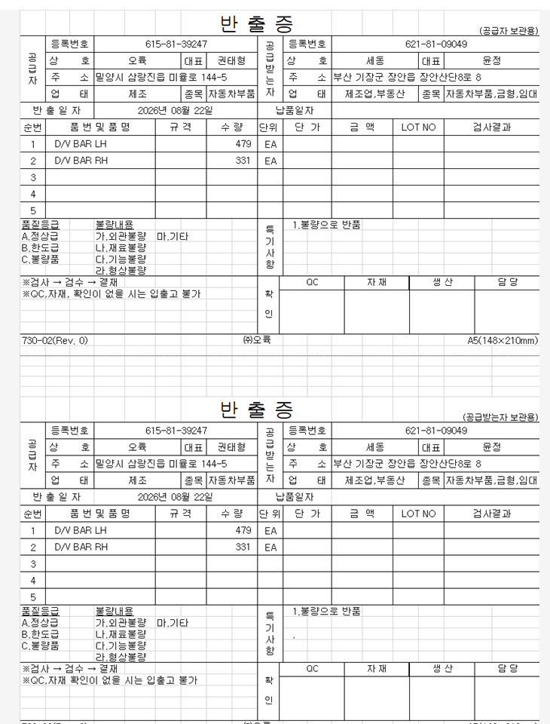
 |  |  |  |  |  |  |  |  |  |  |  |  |  |  |  |  |  |  |  |  |  |  |  |  |  |  |  |  |  |  |  |  |  |  |  | -
 |  |  |  |  |  |  |  |  |  |  |  |  |  |  |  |  |  |  |  |  |  |  |  |  |  |  |  |  |  |  |  |  |  |  |  | 14,101
 |  |  |  |  |  |  |  |  |  |  |  |  |  |  |  |  |  |  |  |  |  |  |  |  |  |  |  |  |  |  |  |  |  |  |  | 14,249 | 28,350
 |  |  |  |  |  |  |  |  |  |  |  |  |  |  |  |  |  |  |  |  |  |  |  |  |  |  |  |  |  |  |  |  |  |  |  | 64,000
 |  |  |  |  |  |  |  |  |  |  |  |  |  |  |  |  |  |  |  |  |  |  |  |  |  |  |  |  |  |  |  |  |  |  |  | 16,000
 |  |  |  |  |  |  |  |  |  |  |  |  |  |  |  |  |  |  |  |  |  |  |  |  |  |  |  |  |  |  |  |  |  |  |  | -
 |  |  |  |  |  |  |  |  |  |  |  |  |  |  |  |  |  |  |  |  |  |  |  |  |  |  |  |  |  |  |  |  |  |  |  | -
 |  |  |  |  |  |  |  |  |  |  |  |  |  |  |  |  |  |  |  |  |  |  |  |  |  |  |  |  |  |  |  |  |  |  |  | 3,360 | 6,400,800
 |  |  |  |  |  |  |  |  |  |  |  |  |  |  |  |  |  |  |  |  |  |  |  |  |  |  |  |  |  |  |  |  |  |  |  | 1,490 | 3,427,000
 |  |  |  |  |  |  |  |  |  |  |  |  |  |  |  |  |  |  |  |  |  |  |  |  |  |  |  |  |  |  |  |  |  |  |  | 1,600 | 1,200,000
 |  |  |  |  |  |  |  |  |  |  |  |  |  |  |  |  |  |  |  |  |  |  |  |  |  |  |  |  |  |  |  |  |  |  |  | 800 | 1,440,000
 |  |  |  |  |  |  |  |  |  |  |  |  |  |  |  |  |  |  |  |  |  |  |  |  |  |  |  |  |  |  |  |  |  |  |  | 350 | 2,107,000 | 조영결제
 |  |  |  |  |  |  |  |  |  |  |  |  |  |  |  |  |  |  |  |  |  |  |  |  |  |  |  |  |  |  |  |  |  |  |  | 600 | 423,000 | 14,997,800
 |  |  |  |  |  |  |  |  |  |  |  |  |  |  |  |  |  |  |  |  |  |  |  |  |  |  |  |  |  |  |  |  |  |  |  | - | -
 |  |  |  |  |  |  |  |  |  |  |  |  |  |  |  |  |  |  |  |  |  |  |  |  |  |  |  |  |  |  |  |  |  |  |  | - | -
 |  |  |  |  |  |  |  |  |  |  |  |  |  |  |  |  |  |  |  |  |  |  |  |  |  |  |  |  |  |  |  |  |  |  |  | - | -
...

