远程武器
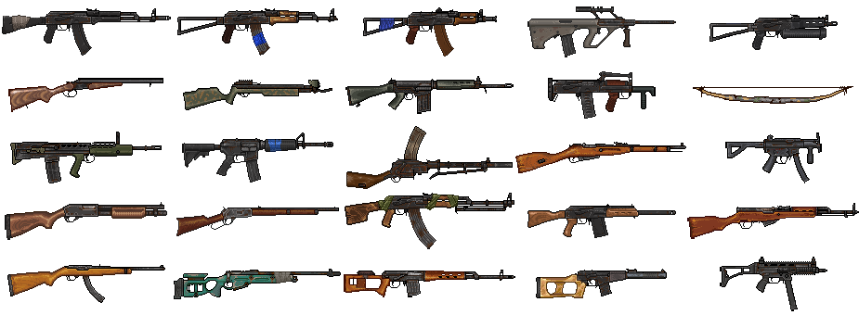
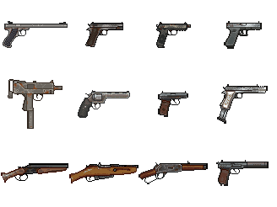
id | item_name | texture | wear_per_use | min_damage | max_damage | runPenalty | fire_rate | basic_spread | min_spread | max_spread | spread_per_shot | mag_size | ammo_type | aim_speed | reload_time
0 | AK-74 | res://asset/images/equipment/weapon/rifle/ak-74.png | 0.3 | 18 | 32 | 2 | 600 | 10 | 7 | 34 | 8 | 30 | [0] | 3 | 2.5
1 | AKM | res://asset/images/equipment/weapon/rifle/akm.png | 0.3 | 26 | 44 | 2 | 450 | 10 | 7 | 40 | 10 | 30 | [3] | 3 | 2.5
2 | AKS74U | res://asset/images/equipment/weapon/rifle/aks74u.png | 0.3 | 18 | 32 | 1.5 | 750 | 12 | 8.4 | 36 | 8 | 30 | [0] | 4 | 2.5
3 | AUG | res://asset/images/equipment/weapon/rifle/aug.png | 0.4 | 18 | 30 | 2.5 | 650 | 6 | 4.2 | 24 | 6 | 30 | [1] | 3.5 | 3
4 | Bizon | res://asset/images/equipment/weapon/rifle/bizon.png | 0.3 | 12 | 20 | 1 | 550 | 12 | 8.4 | 36 | 8 | 40 | [5] | 4 | 3.5
5 | IZH-43 | res://asset/images/equipment/weapon/rifle/izh-43.png | 1 | 15 | 25 | 2 |  | 26 | 18.2 | 146 | 40 | 2 | [7] | 2 | 3
6 | Crossbow | res://asset/images/equipment/weapon/rifle/crossbow.png | 0.8 | 37 | 63 | 3 | 2 | 6 | 4.2 | 126 | 40 | 1 | [11, 12] | 4 | 2
7 | FN CAL | res://asset/images/equipment/weapon/rifle/fn_cal.png | 0.3 | 22 | 38 | 2 | 550 | 6 | 4.2 | 24 | 6 | 20 | [1] | 3 | 2.5
8 | Groza | res://asset/images/equipment/weapon/rifle/groza.png | 0.4 | 30 | 50 | 2.5 | 450 | 10 | 7 | 31 | 7 | 30 | [6] | 3.5 | 3
9 | Improvised Bow | res://asset/images/equipment/weapon/rifle/improvised_bow.png | 1 | 37 | 63 | 3 | 2 | 12 | 8.4 | 132 | 40 | 1 | [11, 12] | 4 | 2
10 | L85 | res://asset/images/equipment/weapon/rifle/l85.png | 0.4 | 18 | 30 | 2 | 500 | 6 | 4.2 | 24 | 6 | 30 | [1] | 3 | 3
11 | M4 Carbine | res://asset/images/equipment/weapon/rifle/m4_carbine.png | 0.4 | 18 | 30 | 2 | 600 | 8 | 5.6 | 26 | 6 | 30 | [1] | 3 | 2.5
12 | Madsen | res://asset/images/equipment/weapon/rifle/madsen.png | 0.5 | 52 | 87 | 2 | 500 | 12 | 8.4 | 48 | 12 | 20 | [2] | 4 | 3
13 | Mosin | res://asset/images/equipment/weapon/rifle/mosin.png | 0.8 | 67 | 113 | 5 | 1 | 6 | 4.2 | 126 | 40 | 5 | [2] | 2 | 4
14 | MP5K | res://asset/images/equipment/weapon/rifle/mp5k.png | 0.3 | 13 | 23 | 1 | 850 | 12 | 8.4 | 36 | 8 | 30 | [4] | 4 | 2
15 | Remington 870 | res://asset/images/equipment/weapon/rifle/remington_870.png | 0.5 | 15 | 25 | 2 | 0.65 | 30 | 21 | 150 | 40 | 6 | [7] | 2 | 3
16 | Repeater | res://asset/images/equipment/weapon/rifle/repeater.png | 0.4 | 30 | 50 | 3 |  | 10 | 7 | 70 | 20 | 7 | [10] | 4 | 3
17 | RPK | res://asset/images/equipment/weapon/rifle/rpk.png | 0.3 | 26 | 44 | 2 | 600 | 10 | 7 | 46 | 12 | 40 | [3] | 4 | 3
18 | Saiga-12 | res://asset/images/equipment/weapon/rifle/saiga-12.png | 0.5 | 15 | 25 | 2 | 200 | 34 | 23.8 | 148 | 38 | 8 | [7] | 2 | 3
19 | SKS | res://asset/images/equipment/weapon/rifle/sks.png | 0.5 | 33 | 357 | 4 |  | 8 | 5.6 | 68 | 20 | 10 | [3] | 4 | 3
20 | Sporter 22 | res://asset/images/equipment/weapon/rifle/sporter_22.png | 0.4 | 15 | 25 | 3 |  | 8 | 5.6 | 56 | 16 | 30 | [8] | 4 | 2.5
21 | SV-98 | res://asset/images/equipment/weapon/rifle/sv-98.png | 0.6 | 64 | 106 | 5 | 0.9 | 6 | 4.2 | 60 | 18 | 10 | [2] | 1.5 | 3
22 | SVD | res://asset/images/equipment/weapon/rifle/svd.png | 0.8 | 60 | 100 | 5 | 0.4 | 6 | 4.2 | 84 | 26 | 10 | [2] | 1 | 3
23 | UMP-45 | res://asset/images/equipment/weapon/rifle/ump-45.png | 0.3 | 13 | 23 | 1 | 650 | 14 | 9.8 | 32 | 6 | 30 | [9] | 4 | 2
24 | VSS | res://asset/images/equipment/weapon/rifle/vss.png | 0.4 | 37 | 62 | 2 | 450 | 4 | 2.8 | 28 | 8 | 20 | [6] | 3 | 3
25 | Amphibia | res://asset/images/equipment/weapon/pistol/amphibia.png | 0.8 | 11 | 19 | 0 | 450 | 8 | 5.6 | 62 | 18 | 10 | [8] | 8 | 2
26 | Kolt 1911 | res://asset/images/equipment/weapon/pistol/kolt_1911.png | 0.8 | 18 | 32 | 0 | 450 | 12 | 8.4 | 72 | 20 | 7 | [9] | 8 | 2
27 | FNX-45 | res://asset/images/equipment/weapon/pistol/fnx-45.png | 0.8 | 15 | 25 | 0 | 450 | 14 | 9.8 | 68 | 18 | 15 | [9] | 8 | 2
28 | Glock | res://asset/images/equipment/weapon/pistol/glock.png | 0.8 | 14 | 24 | 0 | 450 | 10 | 7 | 70 | 20 | 18 | [4] | 8 | 2
29 | MAC-10 | res://asset/images/equipment/weapon/pistol/mac-10.png | 0.8 | 15 | 25 | 1 | 1000 | 20 | 14 | 50 | 10 | 30 | [4] | 5 | 2
30 | Magnum | res://asset/images/equipment/weapon/pistol/magnum.png | 0.8 | 33 | 57 | 0 | 257 | 12 | 8.4 | 102 | 30 | 6 | [10] | 4 | 2
31 | PB | res://asset/images/equipment/weapon/pistol/pb.png | 0.8 | 18 | 30 | 0 | 450 | 18 | 12.6 | 66 | 16 | 8 | [5] | 8 | 2
32 | PM | res://asset/images/equipment/weapon/pistol/pm.png | 0.8 | 18 | 30 | 0 | 450 | 16 | 11.2 | 76 | 20 | 8 | [5] | 8 | 2
33 | Rare Kolt 1911 | res://asset/images/equipment/weapon/pistol/rare_kolt_1911.png | 0.8 | 18 | 32 | 0 | 450 | 10 | 7 | 70 | 20 | 12 | [9] | 8 | 2
34 | Sawed IZH-43 | res://asset/images/equipment/weapon/pistol/sawed_izh-43.png | 0.8 | 15 | 25 | 1 |  | 26 | 18.2 | 146 | 40 | 2 | [7] | 6 | 3
35 | Sawed Repeater | res://asset/images/equipment/weapon/pistol/sawed_repeater.png | 0.4 | 33 | 57 | 1 |  | 22 | 15.4 | 124 | 34 | 7 | [10] | 6 | 3
36 | Sawed Mosin | res://asset/images/equipment/weapon/pistol/sawed_mosin.png | 0.8 | 67 | 113 | 1 | 1 | 24 | 16.8 | 174 | 50 | 5 | [2] | 4 | 4

