物品
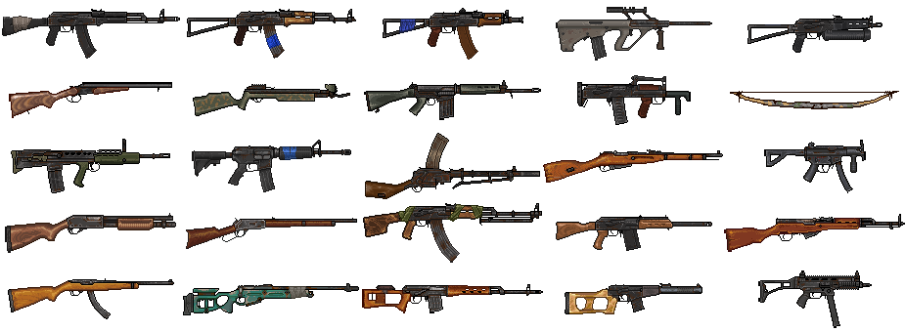
物品 | 背包物品 | 食物 | 工具 | 武器 | 枪械 | 穿戴
id | id | id | id | id | id | id
name | name | name | name | name | name | name
sprite | sprite | sprite | sprite | sprite | sprite | sprite
interaction | interaction | interaction | interaction | interaction | interaction | interaction

 | stackable | stackable | wearPerUse | wearPerUse | wearPerUse | slotNumber
 | stackLimit | stackLimit |  |  |  | interaction
 |  |  |  | damage | damage | type
 |  | health |  | runPenalty | runPenalty
 |  | Hunger
 |  | drink |  |  | basicSpread
 |  | heat |  |  | minSpread
 |  |  |  |  | maxSpread
 |  |  |  |  | SpreadPerShot
 |  |  |  |  | aimSpeed
 |  |  |  |  | magSize
 |  |  |  |  | ammoType
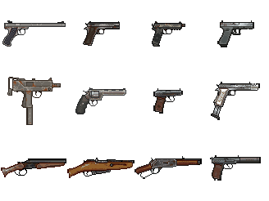
 |  |  |  |  | reloadTime
 |  |  |  |  | fireRate

 | number | number | durability | durability | durability | durability
 |  |  |  |  |  | heat
 |  |  |  |  | bulletNumber | armor
 |  |  |  |  | spread

