物品
物品 | 背包物品 | 食物 | 武器 | 枪械 | 穿戴
id | id | id | id | id | id
name | name | name | name | name | name
sprite | sprite | sprite | sprite | sprite | sprite
guiSprite | guiSprite | guiSprite | guiSprite | guiSprite | guiSprite

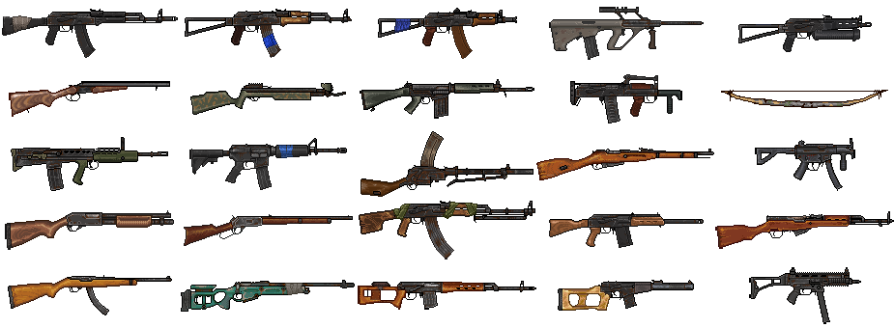
 | stackable | stackable | guiSpriteOffset | guiSpriteOffset | guiPortrait
 | interaction | interaction | damage | damage | slotNumber
 | stackLimit | stackLimit | wearPerUse | wearPerUse | interaction
 |  |  | runPenalty | runPenalty | type
 |  | health
 |  | Hunger |  | basicSpread
 |  | drink |  | minSpread
 |  | heat |  | maxSpread
 |  |  |  | SpreadPerShot
 |  |  |  | aimSpeed
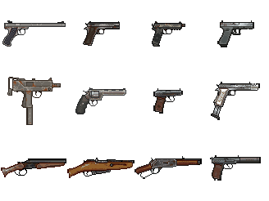
 |  |  |  | magSize
 |  |  |  | ammoType
 |  |  |  | reloadTime
 |  |  |  | fireRate
 | number | number | durability | durability | durability
 |  |  |  |  | heat
 |  |  |  | bulletNumber | armor
 |  |  |  | spread

