Seth's Budget
 |  |  |  |  |  |  |  |  |  |  |  |  |  |  |  |  | 2
FDMAT 108 - Budgeting Case Study Excel File |  |  |  |  |  |  |  |  |  |  |  |  |  |  |  |  |  | Cash | Financial Aid
Step 1. | Hover Mouse here to begin. |  |  |  |  | 2-Semester Estimated Total | #3 |  | Seth's Receipt Record |  |  |  |  |  | #1 | Seth's Background Story |  | Check | Other Income
 |  |  | Semesterly Income |  | January |  |  |  |  |  |  |  |  |  |  |  |  | Credit Card | Housing
Step 2. | Type in Seth's Remaining Receipts. |  |  | Financial Aid | 500.00 |  | Hint |  | Date | Store | Details | Amount | Expense Category | Payment Method | Seth has just finished the first month of his first semester of college. He has decided it is finally time to take the advice he heard in one of his classes and start his own personal budget! What he typed in already... Seth has collected the receipts from all his purchases since the start of the semester. Today he finally sat down and started typing his receipts into his budget. Your job is to help him finish. Seth arrived at school on January 3rd and did a lot of spending. As you can see in "Seth's Receipt Record," he bought groceries for $150.78, paid his housing contract for the semester at $975, paid his semester's tuition of $1,960, and bought his textbooks for $385.42. He received a $500 scholarship that he will get every semester. He also received a $50 cash birthday gift from his parents. He paid tithing of $55 for the gift and scholarship money he received. On January 5th, Seth took his friend Sarah out on a date for ice cream, which cost $4.88. He paid a $5.00 Fast Offering at church on January 6th. On the first day of school, January 7th, he forgot his lunch and bought lunch at the Crossroads Cafeteria, which cost $9.75. The next day he got his first paycheck for $67.50, which had his taxes of $15.52 taken out directly. He also put $20 worth of gas in his car and paid his tithing online that night for his paycheck ($6.75). The next day, January 9th, he purchased notebooks and pens from the Bookstore for $14.25. Later that day he returned to buy some ear muffs for $4.89. Rexburg was colder than he expected! He also paid for lunch at the Crossroads Cafeteria with Sarah for $19.38. Friday, the 10th, he played lazer tag for $32. Saturday, the 11th, he bought weekly groceries for $75.32. That night he went to dinner and bowling with Sarah and some friends for $28.50. On the 18th he bought groceries again for $148.22. He also decided to buy a gift for his friend Sarah for $58.39 since he was out shopping already. Later that night he reme |  |  | Payroll Deduction | Tuition
 |  |  |  | Other Income | 50.00 |  |  |  | 2018-01-03 | Gauss's Market | start of semester groceries | $150.78 | Groceries | Debit Card |  |  |  | Direct Deposit | Textbooks
Step 3. | Compute Seth's new Savings Balance by removing his Semesterly Expenses and adding his Semesterly Income. |  |  |  | Estimated Total Semesterly Income: | 0.00 |  |  | 2018-01-03 | The Housing Place | first semester housing contract | $975.00 | Housing | Check |  |  |  | Debit Card | School Supplies
 |  |  | Semesterly Expenses |  | January | Estimated Total |  |  | 2018-01-03 | BYU-Idaho Bursar's Office | tuition | $1,960.00 | Tuition | Debit Card |  |  |  |  | Tithing (Special Income)
 |  |  |  | Housing | 975.00 |  | Hint |  | 2018-01-03 | BYU-Idaho Bookstore | textbooks | $385.42 | Textbooks | Credit Card |  |  |  |  | Paycheck
Step 4. | Set a New Monthly Goal for Seth that will balance his budget and keep him from spending more than he has. |  |  | Tuition | 1,960.00 |  |  |  | 2018-01-03 | Financial Aid Office | scholarship money | $500.00 | Financial Aid | Direct Deposit |  |  |  |  | Savings Withdrawal
 |  |  |  | Textbooks | 385.42 |  |  |  | 2018-01-03 | Mom & Dad | birthday gift for me | $50.00 | Other Income | Cash |  |  |  |  | Tithing
 |  |  |  | School Supplies | 14.25 |  |  |  | 2018-01-03 | The Church of Jesus Christ of Latter-day Saints | scholarship and gift tithing | $55.00 | Tithing (Special Income) | Direct Deposit |  |  |  |  | Charitable Donations
Step 5. | Type a detailed description in the text box below of how you decided to set Seth's new "Monthly Goal." |  |  | Tithing (Special Income) | 55.00 |  |  |  | 2018-01-05 | Frozen Berry Shoppe | ice cream (date with Sarah) | $4.88 | Eating Out | Cash |  |  |  |  | Taxes
 |  |  |  |  | Estimated Total Semesterly Expenses: | 0.00 |  |  | 2018-01-06 | The Church of Jesus Christ of Latter-day Saints | fast offering | $5.00 | Charitable Donations | Cash |  |  |  |  | Groceries
Explain your Monthly budget Goal for Seth here...
 |  | #5 | Previous Savings Balance |  | New Savings Balance |  |  |  | 2018-01-07 | Crossroads Cafeteria | forgot my lunch | $9.75 | Eating Out | Debit Card |  |  |  |  | Eating Out
 |  |  |  | 8,615.00 |  |  | Hint |  | 2018-01-08 | My Boss | first paycheck | $67.50 | Paycheck | Direct Deposit |  |  |  |  | Cell Phone
 |  |  |  |  |  |  |  |  | 2018-01-08 | The Government | taxes paid directly from my paycheck | $15.52 | Taxes | Payroll Deduction |  |  |  |  | Travel
 |  |  |  |  |  |  |  |  | 2018-01-08 | Fuel Center | regular fill up for my car | $20.00 | Travel | Credit Card |  |  |  |  | Gifts
 |  |  |  |  |  | New Monthly Goal | #4 |  | 2018-01-08 | The Church of Jesus Christ of Latter-day Saints | blessings! | $6.75 | Tithing | Check |  |  |  |  | Entertainment
 |  |  | Monthly Income |  | January |  |  |  | 2018-01-09 | BYU-Idaho Bookstore | notebooks and pens | $14.25 | School Supplies | Cash |  |  |  |  | Miscellaneous
 |  |  |  | Paycheck | 135.00 |  | Hint |  | 2018-01-09 | BYU-Idaho Bookstore | ear muffs | $4.89 | Miscellaneous | Credit Card
 |  |  |  | Savings Withdrawal |  |  | Hint |  | 2018-01-09 | Crossroads Cafeteria | lunch date with Sarah | $19.38 | Eating Out | Debit Card
 |  |  |  | Total Monthly Income: | 135.00 | 0.00 |  |  | 2018-01-10 | The Fun Center | lazer tag with my roomates | $32.00 | Entertainment | Credit Card
 |  |  | Monthly Expenses |  | January | New Monthly Goal | Hint |  | 2018-01-11 | Gauss's Market | weekly groceries | $75.32 | Groceries | Debit Card
 |  |  |  | Tithing | 6.75 |  |  |  | 2018-01-11 | Local Bowling Place | bowling and pizza (with Sarah and friends) | $28.50 | Entertainment | Credit Card
 |  |  |  | Charitable Donations | 5.00 |  |  |  | 2018-01-18 | Gauss's Market | weekly groceries | $148.22 | Groceries | Debit Card
 |  |  |  | Taxes | 31.04 |  |  |  | 2018-01-18 | Bix Box Store | gift for Sarah | $58.39 | Gifts | Credit Card
 |  |  |  | Groceries | 374.32 |  |  |  | 2018-01-18 | The Cellphone Company | monthly cell phone bill | $99.98 | Cell Phone | Debit Card
 |  |  |  | Eating Out | 34.01 |  |  |  | 2018-01-23 | My Boss | second paycheck | $67.50 | Paycheck | Direct Deposit
 |  |  |  | Cell Phone | 99.98 |  |  |  | 2018-01-23 | The Government | taxes paid directly from my paycheck | $15.52 | Taxes | Payroll Deduction
 |  |  |  | Travel | 20.00 |  |  | #2
 |  |  |  | Gifts | 58.39
 |  |  |  | Entertainment | 60.50
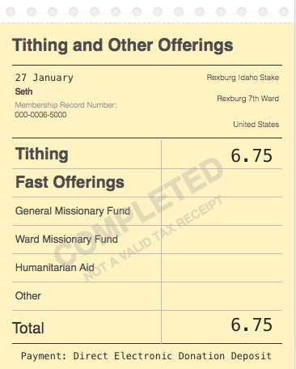
 |  |  |  | Miscellaneous | 4.89
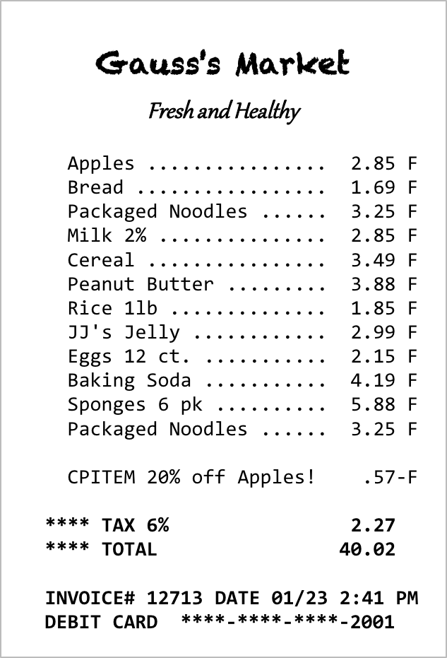
 |  |  |  | Total Monthly Expenses: | 694.88 | 0.00
 |  |  | Cash Flow Summary |  | January | New Monthly Goal
 |  |  |  | Total Cash Flow: | (559.88) | 0.00
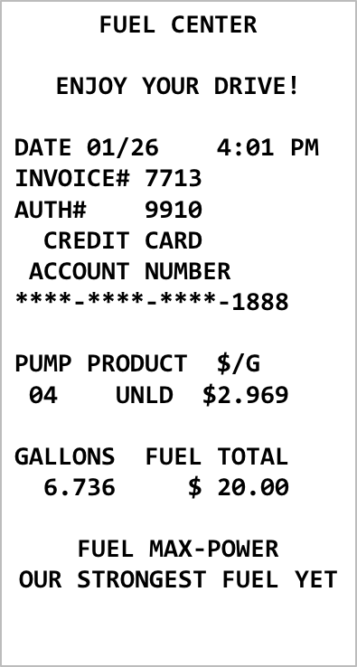
 |  |  |  |  | This should be zero. | This should be zero.
 |  |  | Seth's Final Savings Balance at the end of Two Semesters
 |  |  |  |  | New Savings Balance - Total of Savings Withdrawals: |  | Hint
 |  |  |  |  |  | This should be zero. Green means good. Red means bad.

 |  |  |  |  | Remember to document your changes.

