Student Work
 |  |  |  |  |  |  |  |  |  |  |  |  |  |  |  |  |  |  |  |  | 1
FDMAT 108 - Savings & Loans Project (Vehicle Option) |  |  |  |  | If you don't have a vehicle in mind already, you can use one of these links to find one:
 | Project Goal: To see how interest works against you when you take out a Loan and how it works for you when you Save.
#1 | Select a car to "consider for purchase." Enter the requested information about the vehicle (see Column M). |  |  |  |  |  |  | #1

 |  |  |  |  |  |  |  | Enter your Vehicle Information here.
#2 | Use your own bank, or a typical value of what banks usually offer for savings account interest rates and loan terms and rates. Enter the requested information about the bank rates (see Column M). |  |  | Loan Side |  |  |  | Make: | Jeep |  | Model: | Gladiator |  |  |  |  | Savings Side
 |  | #3 |  |  |  | Vehicle Sale Price | $62,995.00 | Year: | 2020 |  | Mileage: | 1712 |  |  | $62,995.00 | Vehicle Sale Price |  |  |  | #4
 |  |  |  |  |  | Sales Tax | $3,779.70 |  |  |  |  |  |  |  | $3,779.70 | Sales Tax
 |  |  |  | On this side you will compute the cost of taking out a loan to buy the car of your choice. |  | Down Payment | $1,000.00 | 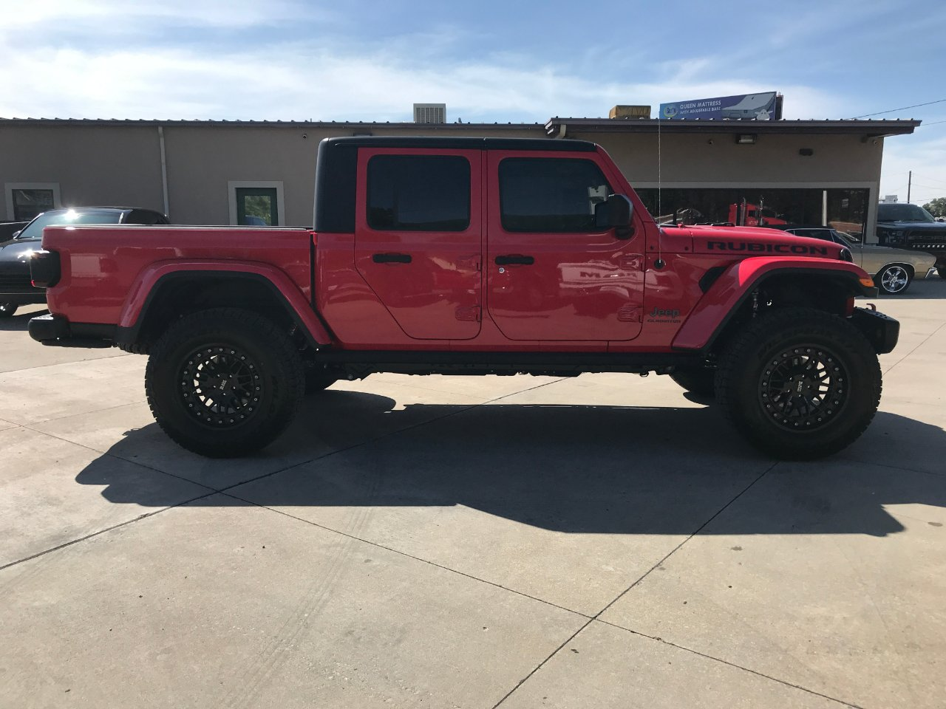 Paste a Picture of the Car Here (Use "Right Click" -> "Paste Special" -> "Picture") |  |  |  |  |  |  | $66,774.70 | Purchase Amount | On this side you will save first, then buy. Is the wait worth it? You decide.
#3 | Complete the "Loan Side" of this worksheet. |  |  |  |  | Loan Amount | $65,774.70 |  |  |  |  |  |  |  | $1,000.00 | Previous Saved
 |  |  |  |  |  | APR | 3.49% |  |  |  |  |  |  |  | 1.20% | APR
 |  |  |  |  |  | Loan Term (months) | 48 |  |  |  |  |  |  |  | 48 | Savings Term (months)
#4 | Complete the "Savings Side" of this worksheet. |  |  | You Paid | $71,568.00 | Monthly Payment | $1,470.17 |  |  |  |  |  |  |  | ($21.35) | Monthly Payment | $(24.69) | You Paid
 |  |  |  | Car Cost | $66,774.70 | Total Payments | $70,568.00 |  |  |  |  |  |  |  | $(1,024.69) | Total Payments | $66,774.70 | Car Cost
 |  |  |  | Wasted Money | $4,793.30 | Total Interest | $4,793.30 |  |  |  |  |  |  |  | $24.69 | Total Interest | $66,799.39 | Earned Money
#5 | Discuss this project with a friend. Show them the car you are considering for purchase. Explain how much you would end up paying if you (1) took out the loan and (2) if you saved for it first. Explain which option you think is better for you and why. Summarize your discussion below, including any insights your friend made. |  |  |  |  | Hover the mouse over the triangles for help. |  |  |  |  |  |  |  |  | Hover the mouse over the triangles for help.
 |  |  | Loan Amortization Schedule |  | Payment = | $1,470.17 |  |  |  |  |  |  |  | Savings Amortization Schedule
 |  |  | Month | Beginning Balance | To Interest | To Principal | Ending Balance |  |  |  |  |  |  | Month | Beginning Balance | Interest Earned | Payment | Ending Balance
 |  |  | 1 | $65,774.70 | $191.29 | $1,278.87 | $64,495.83 | #2 |  |  |  |  |  | 1 | $1,000.00 | $1.00 | ($21.35) | $979.65
 |  |  | 2 | $64,495.83 | $187.58 | $1,282.59 | $63,213.24 |  |  |  |  |  |  | 2 | $979.65 | $0.98 | ($21.35) | $959.28
 |  |  | 3 | $63,213.24 | $183.85 | $1,286.32 | $61,926.91 | Loan Details |  |  |  |  |  | 3 | $959.28 | $0.96 | ($21.35) | $938.90
If I took out the loan to buy the car I would be paying $71,568, which is $4,793.30 more than what the car is worth. If I wanted the car right now I would probably go with this option. If I saved for the car I would be paying what the car is actually worth. But I would be waiting longer for it. If I save for four years before buying the car, the value might go down a little. So it depends on when you want the car. If you want it soon, take out the loan but if you are willing to wait save your money.
 |  |  | 4 | $61,926.91 | $180.10 | $1,290.06 | $60,636.85 |  |  |  |  |  |  | 4 | $938.90 | $0.94 | ($21.35) | $918.49
 |  |  | 5 | $60,636.85 | $176.35 | $1,293.81 | $59,343.04 | Loan Term (years): |  |  |  | 4 |  | 5 | $918.49 | $0.92 | ($21.35) | $898.06
 |  | Hint | 6 | $59,343.04 | $172.59 | $1,297.58 | $58,045.46 | Loan Interest Rate: |  |  |  | 3.49% |  | 6 | $898.06 | $0.90 | ($21.35) | $877.61 | Hint
 |  |  | 7 | $58,045.46 | $168.82 | $1,301.35 | $56,744.11 |  |  |  |  |  |  | 7 | $877.61 | $0.88 | ($21.35) | $857.14
 |  |  | 8 | $56,744.11 | $165.03 | $1,305.14 | $55,438.97 |  |  |  |  |  |  | 8 | $857.14 | $0.86 | ($21.35) | $836.65
 |  |  | 9 | $55,438.97 | $161.24 | $1,308.93 | $54,130.04 | Savings Account Details |  |  |  |  |  | 9 | $836.65 | $0.84 | ($21.35) | $816.14
 |  |  | 10 | $54,130.04 | $157.43 | $1,312.74 | $52,817.30 |  |  |  |  |  |  | 10 | $816.14 | $0.82 | ($21.35) | $795.60
 |  |  | 11 | $52,817.30 | $153.61 | $1,316.56 | $51,500.75 | Savings Interest Rate: |  |  |  | 1.20% |  | 11 | $795.60 | $0.80 | ($21.35) | $775.05
 |  |  | 12 | $51,500.75 | $149.78 | $1,320.39 | $50,180.36 |  |  |  |  |  |  | 12 | $775.05 | $0.78 | ($21.35) | $754.48
 |  |  | 13 | $50,180.36 | $145.94 | $1,324.23 | $48,856.14 |  |  |  |  |  |  | 13 | $754.48 | $0.75 | ($21.35) | $733.89
 |  |  | 14 | $48,856.14 | $142.09 | $1,328.08 | $47,528.06 | Typical Loan Rates and Terms |  |  |  |  |  | 14 | $733.89 | $0.73 | ($21.35) | $713.27
 |  |  | 15 | $47,528.06 | $138.23 | $1,331.94 | $46,196.12 | New Car |  |  | Used Car |  |  | 15 | $713.27 | $0.71 | ($21.35) | $692.64
 |  |  | 16 | $46,196.12 | $134.35 | $1,335.81 | $44,860.31 | 3-Year Loan |  | 3.15% | 3-Year Loan |  | 2.89% | 16 | $692.64 | $0.69 | ($21.35) | $671.98
 |  |  | 17 | $44,860.31 | $130.47 | $1,339.70 | $43,520.61 | 4-Year Loan |  | 3.49% | 4-Year Loan |  | 3.05% | 17 | $671.98 | $0.67 | ($21.35) | $651.31
 |  |  | 18 | $43,520.61 | $126.57 | $1,343.59 | $42,177.01 | 5-Year Loan |  | 3.84% | 5-Year Loan |  | 3.52% | 18 | $651.31 | $0.65 | ($21.35) | $630.61
 |  |  | 19 | $42,177.01 | $122.66 | $1,347.50 | $40,829.51 | 6-Year Loan |  | 4.28% | 6-Year Loan |  | 3.68% | 19 | $630.61 | $0.63 | ($21.35) | $609.89
 |  |  | 20 | $40,829.51 | $118.75 | $1,351.42 | $39,478.09 |  |  |  |  |  |  | 20 | $609.89 | $0.61 | ($21.35) | $589.16
 |  |  | 21 | $39,478.09 | $114.82 | $1,355.35 | $38,122.74 |  |  |  |  |  |  | 21 | $589.16 | $0.59 | ($21.35) | $568.40
 |  |  | 22 | $38,122.74 | $110.87 | $1,359.29 | $36,763.45 | Typical Checking and Savings Account Rates |  |  |  |  |  | 22 | $568.40 | $0.57 | ($21.35) | $547.62
 |  |  | 23 | $36,763.45 | $106.92 | $1,363.25 | $35,400.20 | Checking 0.1% |  |  | Savings 1.2% |  |  | 23 | $547.62 | $0.55 | ($21.35) | $526.82
 |  |  | 24 | $35,400.20 | $102.96 | $1,367.21 | $34,032.99 |  |  |  |  |  |  | 24 | $526.82 | $0.53 | ($21.35) | $506.00
 |  |  | 25 | $34,032.99 | $98.98 | $1,371.19 | $32,661.80 |  |  |  |  |  |  | 25 | $506.00 | $0.51 | ($21.35) | $485.15
 |  |  | 26 | $32,661.80 | $94.99 | $1,375.18 | $31,286.63 |  |  |  |  |  |  | 26 | $485.15 | $0.49 | ($21.35) | $464.29
 |  |  | 27 | $31,286.63 | $90.99 | $1,379.17 | $29,907.45 |  |  |  |  |  |  | 27 | $464.29 | $0.46 | ($21.35) | $443.41
 |  |  | 28 | $29,907.45 | $86.98 | $1,383.19 | $28,524.27 |  |  |  |  |  |  | 28 | $443.41 | $0.44 | ($21.35) | $422.50
 |  |  | 29 | $28,524.27 | $82.96 | $1,387.21 | $27,137.06 |  |  |  |  |  |  | 29 | $422.50 | $0.42 | ($21.35) | $401.58
 |  |  | 30 | $27,137.06 | $78.92 | $1,391.24 | $25,745.81 |  |  |  |  |  |  | 30 | $401.58 | $0.40 | ($21.35) | $380.63
 |  |  | 31 | $25,745.81 | $74.88 | $1,395.29 | $24,350.52 |  |  |  |  |  |  | 31 | $380.63 | $0.38 | ($21.35) | $359.67
 |  |  | 32 | $24,350.52 | $70.82 | $1,399.35 | $22,951.18 |  |  |  |  |  |  | 32 | $359.67 | $0.36 | ($21.35) | $338.68
 |  |  | 33 | $22,951.18 | $66.75 | $1,403.42 | $21,547.76 |  |  |  |  |  |  | 33 | $338.68 | $0.34 | ($21.35) | $317.67
 |  |  | 34 | $21,547.76 | $62.67 | $1,407.50 | $20,140.26 |  |  |  |  |  |  | 34 | $317.67 | $0.32 | ($21.35) | $296.64
 |  |  | 35 | $20,140.26 | $58.57 | $1,411.59 | $18,728.67 |  |  |  |  |  |  | 35 | $296.64 | $0.30 | ($21.35) | $275.59
 |  |  | 36 | $18,728.67 | $54.47 | $1,415.70 | $17,312.97 |  |  |  |  |  |  | 36 | $275.59 | $0.28 | ($21.35) | $254.52
 |  |  | 37 | $17,312.97 | $50.35 | $1,419.81 | $15,893.16 |  |  |  |  |  |  | 37 | $254.52 | $0.25 | ($21.35) | $233.42
 |  |  | 38 | $15,893.16 | $46.22 | $1,423.94 | $14,469.21 |  |  |  |  |  |  | 38 | $233.42 | $0.23 | ($21.35) | $212.31
 |  |  | 39 | $14,469.21 | $42.08 | $1,428.09 | $13,041.13 |  |  |  |  |  |  | 39 | $212.31 | $0.21 | ($21.35) | $191.17
 |  |  | 40 | $13,041.13 | $37.93 | $1,432.24 | $11,608.89 |  |  |  |  |  |  | 40 | $191.17 | $0.19 | ($21.35) | $170.02
 |  |  | 41 | $11,608.89 | $33.76 | $1,436.40 | $10,172.48 |  |  |  |  |  |  | 41 | $170.02 | $0.17 | ($21.35) | $148.84
 |  |  | 42 | $10,172.48 | $29.58 | $1,440.58 | $8,731.90 |  |  |  |  |  |  | 42 | $148.84 | $0.15 | ($21.35) | $127.64
 |  |  | 43 | $8,731.90 | $25.40 | $1,444.77 | $7,287.13 |  |  |  |  |  |  | 43 | $127.64 | $0.13 | ($21.35) | $106.42
 |  |  | 44 | $7,287.13 | $21.19 | $1,448.97 | $5,838.16 |  |  |  |  |  |  | 44 | $106.42 | $0.11 | ($21.35) | $85.18
 |  |  | 45 | $5,838.16 | $16.98 | $1,453.19 | $4,384.97 |  |  |  |  |  |  | 45 | $85.18 | $0.09 | ($21.35) | $63.92
 |  |  | 46 | $4,384.97 | $12.75 | $1,457.41 | $2,927.56 |  |  |  |  |  |  | 46 | $63.92 | $0.06 | ($21.35) | $42.63
 |  |  | 47 | $2,927.56 | $8.51 | $1,461.65 | $1,465.90 |  |  |  |  |  |  | 47 | $42.63 | $0.04 | ($21.35) | $21.33
 |  |  | 48 | $1,465.90 | $4.26 | $1,465.90 | $0.00 |  |  |  |  |  |  | 48 | $21.33 | $0.02 | ($21.35) | $0.00

 |  |  |  |  |  |  |  |  |  |  |  |  |  |  |  |  |  |  |  |  | Spring 2018

