RSS Overview
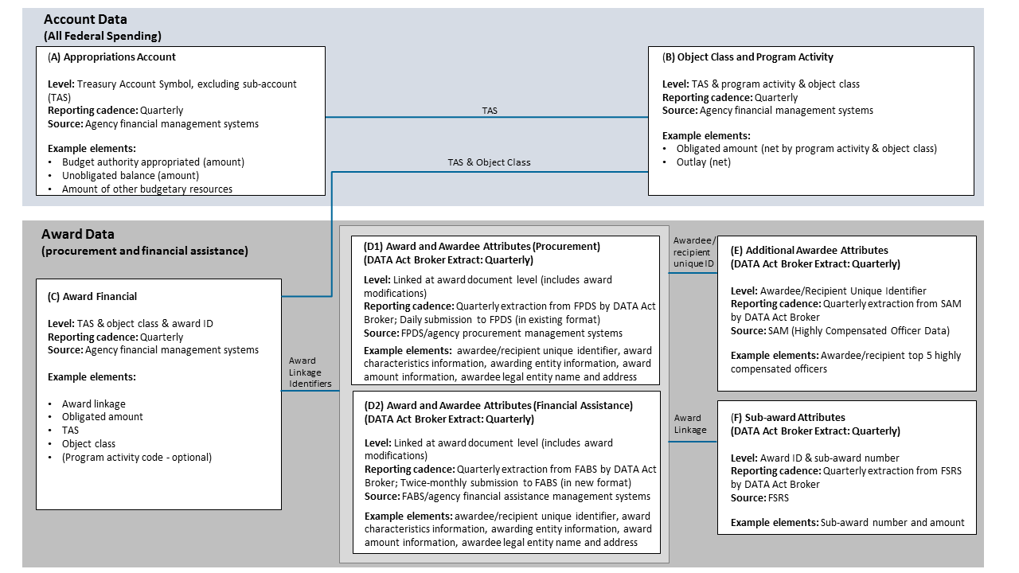
DATA Act Information Model Schema (DAIMS) Reporting Submission Specification (RSS) Overview

Purpose of the RSS
This document specifies how to prepare your agency's DATA Act quarterly submission in a Broker-ready format. For information on the validation rules applied by the DATA Act Broker, see the Rules (RSS) tab in the companion Practices and Procedures document.
Use the RSS to develop the processes through which you’ll gather data from your agency's reporting applications.

File Content: Structure and Format
File Overview
Data should be submitted in three separate CSV format files, one for each particular submission detail tab: 1) A-Appropriations Account; 2) B-Object Class Program Activity; and 3) C-Award Financial.
Consistent with the CSV format, each file should adhere to the following layout:
* All values are separated using a comma or pipe (|) symbol; each row of values are separated by a newline character.
* Header row – The first row of the file contains a comma-separated or pipe-separated list of the data element names for which values may be present in that file.
* Content rows – Each content row must contain an identical number of comma-separated or pipe-separated data element values as the Header Row. Data values must occur in the same order as their respective element name order in the Header Row. Absent or null values are permitted for optional elements.
Details of what should be contained in each file can be found in its respective submission detail tab.

Content Detail for Files A, B, & C
The Submission Detail tabs for Files A, B, and C specify how each file should be prepared for the DATA Act Broker.
File A includes the appropriations account detail information.
File B includes the object class and program activity detail information.
File C includes the award financial detail information.
Note: The specifications for File D1 (award and awardee detail for procurement), File D2 (award and awardee detail for financial assistance), File E (additional awardee attributes), and File F (sub-awardee attributes) are available in a complementary artifact called the Interface Definition Document (IDD).
The columns in each submission detail tab convey:
Element Order – an increasing integer value that indicates the default sequence of data elements in each tab. It is tab and release-specific (i.e., not necessarily the same across tabs and releases), and intended to allow users to easily return to the default element order after sorting.
Element Number – a unique identifier for each element. When an element is included in more than one tab, it retains the same element number. When referencing an element, use the element number as it will stay constant between releases.
Data Element Label – a unique label for each element. CSV headers should match these labels exactly (case sensitive). Labels with suffix "_FYB" and "_CPE" indicate the data values capturing balances at Fiscal Year Beginning and Current Period Ending dates, respectively.
Grouping – this column is used to indicate TAS component elements in Files A, B, and C.
Date Context – indicates whether the value expected should have a date context of (be measured at) the Effective Date, Submission Report Date, Fiscal Year Beginning, or Current Period Ending. The Effective Date is the date of the transaction. The Submission Report Date is the date the data is being submitted to the Broker. Fiscal Year Beginning should indicate the beginning balance in the agency financial system at the start of the fiscal year, October 1. Current Period Ending should indicate the cumulative ending balance reflecting all activity since the start of the fiscal year in the agency financial system for the period being reported. None of these dates will be submitted. This column is for information only.
Definition – contains the business definition of the data element.
Example Value – demonstrates an acceptable data entry value.
Required/Optional – indicates whether a data element is required, optional, or conditionally required per the validation rules.
Valid Data Type – integer, string, or numeric (may contain decimal).
Max Field Length – indicates the maximum length of the data element value.
Validation Rules – includes validation rules applied to the relevant field when data is submitted to the DATA Act broker. See the Rules (RSS) tab in the Practices & Procedures document for a description of each rule code.
Instructions – additional information for reporting the element.
Business Line – identifies the business line where the element applies. Values include budgeting / accounting, financial assistance, procurement, and a combination of procurement and financial assistance. This column mainly applies to and is present in File C only.

Data Flow Diagram
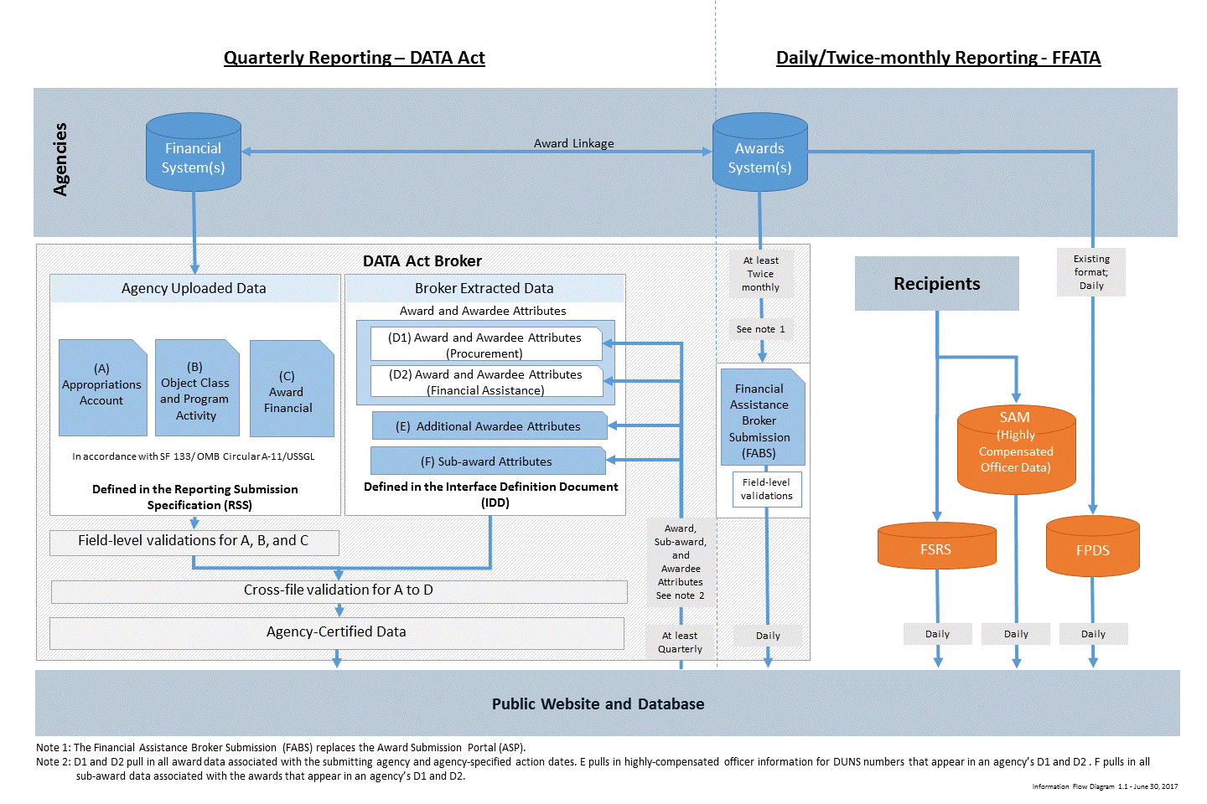

DATA Act Element Relationships

