1 Charting
There are 4 charts and 2 tables below that should be completed with data to reflect the correct visualization in the report. Please populate the blank fields with the data you will get from the Pivot - Reference sheet to complete the chart. Sample charts are provided to serve as your guide. Once you have provided the details needed in the tables on the left, the chart will automatically populate.

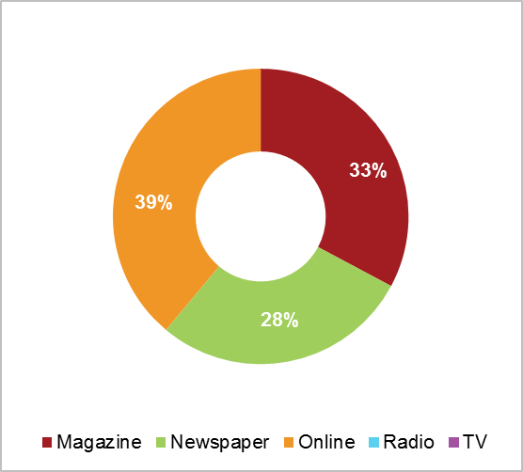
1 | Media Type Share of Voice - Q4 2015 |  |  |  |  |  |  |  | SAMPLE CHART
 | Media Type | News Volume
 | Magazine | 1908280
 | Newspaper | 435474
 | Online | 0
 | Radio | 953
 | TV | 0

Comparative News Volume Trend
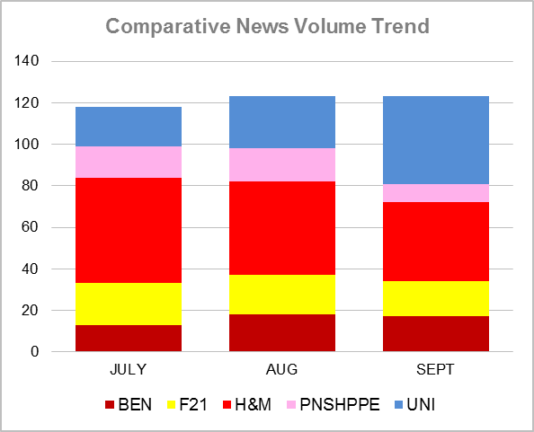
2 | Comparative NEWS VOLUME Trend - Q3 2015 |  |  |  |  |  |  |  | SAMPLE CHART

 | Company Name | JULY | AUG | SEPT
 | BEN | 44075 | 10,014.00 | 47611
 | F21 | 51436 | 50029 | 123321
 | H&M | 83646 | 87142 | 197574
 | PNSHPPE | 5558 | 3671 | 35050
 | UNI | 23588 | 20139 | 66915

BENCH News Type SOV
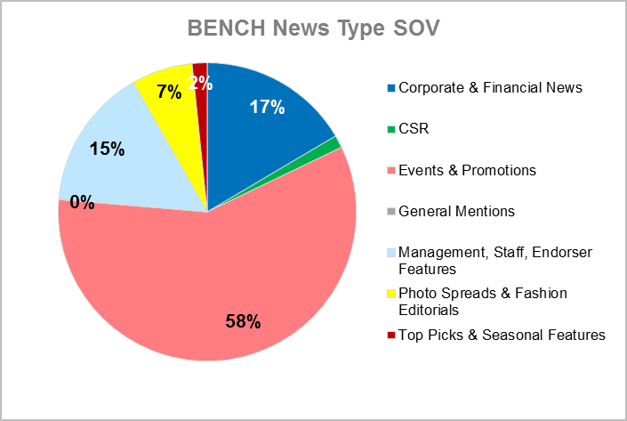
 |  |  |  |  |  |  |  |  | SAMPLE CHART
3 | FOR BENCH ONLY - Q3
 | Reported Category Media ROI - Share of Voice
 | Reported Category | Media ROI
 | Corporate & Financial News | 1,250,625
 | CSR | 297,275
 | Events & Promotions | 5,598,480
 | General Mentions | 28,779
 | Management, Staff, Endorser Features | 2,906,114
 | Photo Spreads & Fashion Editorials | 1,367,424
 | Top Picks & Seasonal Features | 343,783

4 | FOR BENCH ONLY - HISTORICAL PERFORMANCE |  |  |  |  |  |  |  | SAMPLE CHART
BENCH Historical Performance
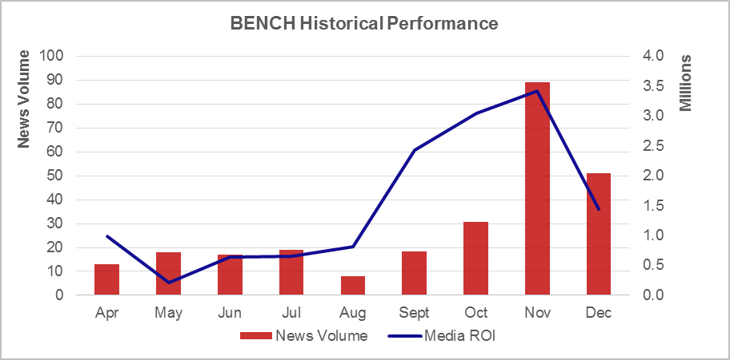
 | MONTHS | NEWS VOLUME | MEDIA ROI
 | JULY | 44075 | 655,189
 | AUG | 10014 | 808,366.28
 | SEPT | 47611 | 2,426,497
 | OCT | 82499 | 3,042,285
 | NOV | 84546 | 3,421,099
 | DEC | 49952 | 1,439,043

5 | FOR H&M ONLY
 |  |  |  |  | MEDIA TITLES |  | JOURNALISTS
 | INPUT THE CORRESPONDING INFORMATION IN THE TABLE |  |  |  | TOP NEWS VOLUME | TOP MEDIA ROI | TOP NEWS VOLUME | TOP MEDIA ROI
 | FOR JOURNALISTS - DO NOT INCLUDE "0" ENTRIES |  |  |  | Chalk | Metro | Angelo Ramirez De Cartagena | Angelo Ramirez De Cartagena
 |  |  |  |  | Meg | Mega Man | Chonx Tibajia | Chonx Tibajia
 |  |  |  |  | Garage | Style Weekend | Pauline Juan | Pauline Juan
 |  |  |  |  | Metro | Mega | Karen Bolilia | Karen Bolilia
 |  |  |  |  | Style Weekend | Preview | Karla Masamayor | Karla Masamayor
 |  |  |  |  | Mega | The Philippine Star | Liza Ilarde | Liza Ilarde
 |  |  |  |  | Real Living | L Officiel Manila | Joseph L. Garcia | Joseph L. Garcia
 |  |  |  |  | Preview | Meg | Pewee Reyes-Isidro | Pewee Reyes-Isidro
 |  |  |  |  | Cosmopolitan PH | Chalk | Nicole Go Thorp | Nicole Go Thorp
 |  |  |  |  | Metro Working Mom | Cosmopolitan PH | Patricia Herbolario | Patricia Herbolario

4 Design IQ
Indicate whether the chart on the LEFT or RIGHT corresponds to the given questions (9). Input your answers on the right side of each question set.

1 | WHICH OF THE GRAPHS IS EASIER TO READ?

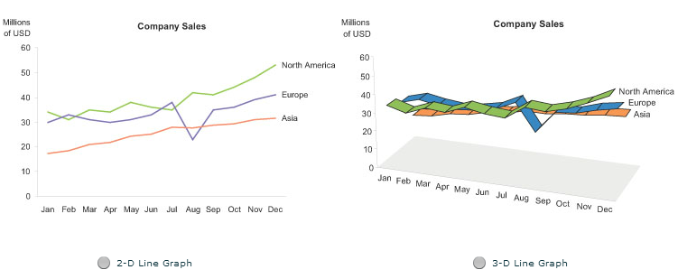
 |  | ANSWER:

 |  | 2-D Line Graph

2 | WHICH OF THE TABLES IS EASIER TO READ?

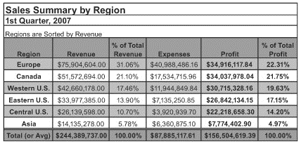
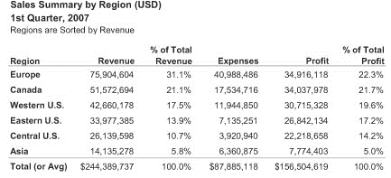
 |  | ANSWER:

 |  | RIGHT

3 | WHICH OF THE CHARTS IS BETTER AT PRESENTING PATTERN CHANGE THROUGH TIME?

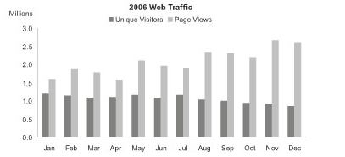
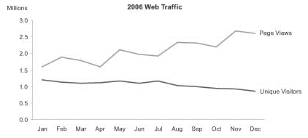
 |  | ANSWER:

 |  | RIGHT

4 | WHICH OF THE CHARTS ACCURATELY PRESENT THE FIGURES & DIFFERENCES IN VALUES?

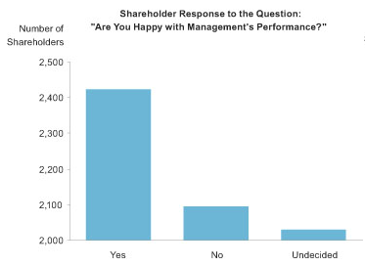
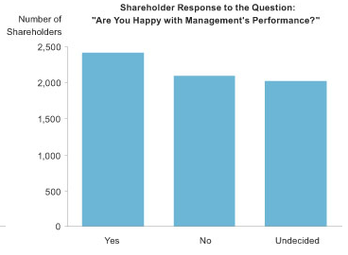
 |  | ANSWER:

 |  | LEFT

5 | WHICH OF THE CHARTS MAKES IT EASIER TO SPOT TRENDS?
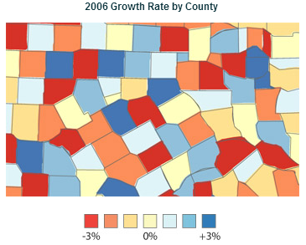
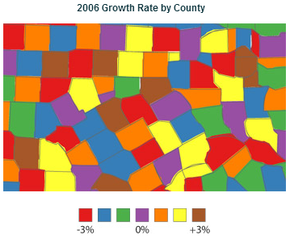
 |  | ANSWER:

 |  | LEFT

6 | WHICH OF THE CHARTS MAKES IT EASIER TO DETERMINE COMPARATIVE TRENDS ACROSS SILOS?

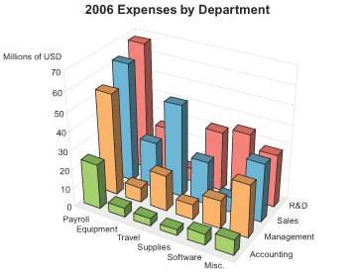
 |  | ANSWER:

 |  | RIGHT

7 | WHICH OF THE CHARTS DOES BETTER LABEL PRESENTATION?

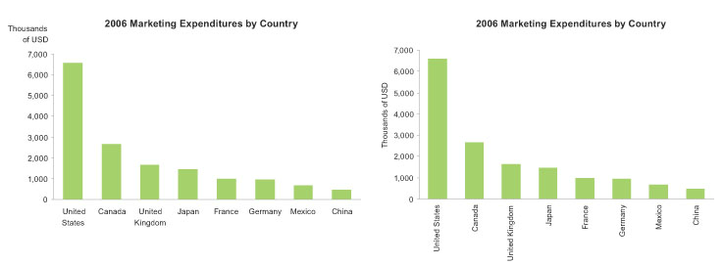
 |  | ANSWER:

 |  | LEFT

8 | WHICH OF THE CHARTS IS MORE PLEASING TO THE EYE?

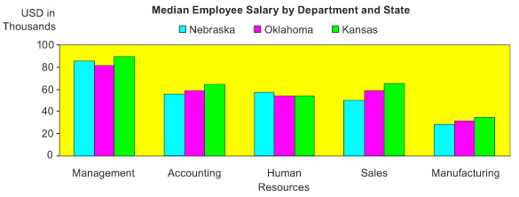
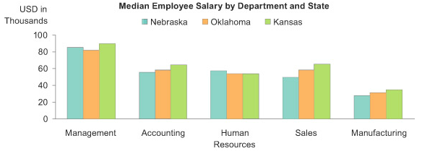
 |  | ANSWER:

 |  | RIGHT

9 | WHICH OF THE TABLES PRESENTS POOR PERFORMANCE FASTER?

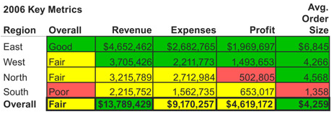
 |  | ANSWER:

 |  | RIGHT

5 Illustration
1 | ILLUSTRATE A GRAPH THAT WILL SHOW CAUSE & EFFECT? FEEL FREE TO CITE YOUR OWN DEFINITION OF CAUSE, AND THE POSSIBLE EFFECT.

Y vs. X
 |  |  |  | X | Y
 |  |  |  | 1 | 1
 |  |  |  | 2 | 2
 |  |  |  | 3 | 3
 |  |  |  | 4 | 4
 |  |  |  | 5 | 5

 | this is the simplest case of cauese and effect where one variable X perhaps the room temperature, hours of sleep etc. correspond directly to another variable a dependent varialbe Y which is the effect
 | this illustrates that as the independent variable X decreases or increases the magnitude of effect relative to this variable also decreases or increases. Conversely there is also called a negative correlation
 | where if the independnet variable X increases or decreases the magnitude of effect relative to this variable now decreases or increases

2 | ILLUSTRATE A GRAPH THAT WILL SHOW THE CHANGE IN SHARE OF VOICE ACROSS TIME. FEEL FREE TO CITE YOUR OWN DEFINITION OF WHAT TAKES UP SHARE OF VOICE.

3 | IF YOU WERE TO ILLUSTRATE YOUR STRENGTHS TO SHOWCASE YOUR CAPABILITIES, HOW WILL YOU PRESENT IT?

 |  |  | Traits | Level (1-10)
 |  |  | Consistency | 8
 |  |  | Collaboration | 7
 |  |  | Creativity | 10
 |  |  | Meticulousness | 9
 |  |  | Communication | 6
 |  |  | Leadership | 5

 |  | I am a consistent team member who shows up, and though I may sometimes fail to ask help from fellow teammates I make sure to make up with it through meticulousness and detail oriented
 |  | work, so that when it is shown to them I can ask for their feedback and there improve upon what needs to be improved, fostering collaboration between us members, and hopefully honing my
 |  | trait to be a leader as well by being able to share my own thought processes as a way for them to improve which I think primarily is about my ability to be a creative individual as well by being able
 |  | to think outside the box and do things in a unique manner
4 | IF YOU WERE TO ILLUSTRATE THE TREND OF YOUR LIFE'S MILESTONES, HOW WILL YOU DO IT?

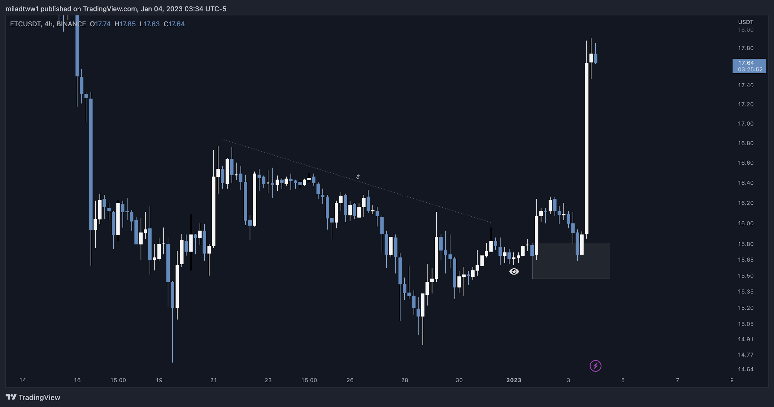

 | like a certain markets ability to trend upward (bull) or downward (bear) I think the milestones that were impactful and life altering were those that initially
 | started out imperfect or in a non ideal situation but as I continued to try and to show up everyday improving upon what I can improve upon in an iterative
 | manner I slowly climbed my way to a better situation and made opportunities for myself whether that'd be learning new skills and applying it in personal projects
 | trying a new hobby, reading a new book, writing an article, or simply interacting with new faces everyday, I realized if I try I could always improve and better at it if I just
 | stuck through it long enough with disicpline

