Burndown & Velocity
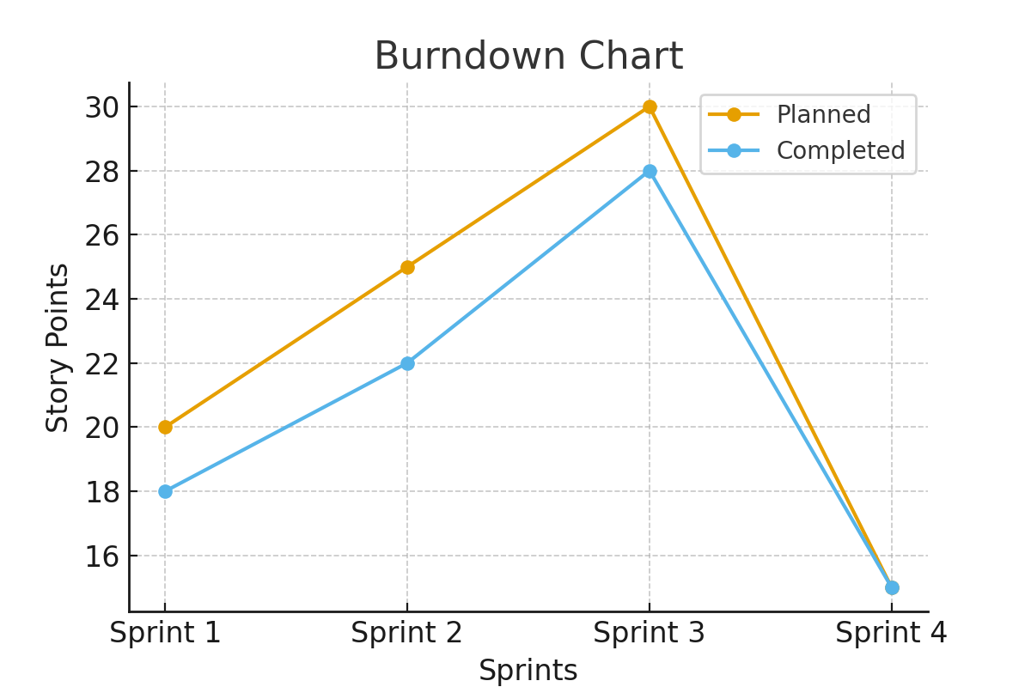
Sprint | Planned Story Points | Completed Story Points
Sprint 1 | 20 | 18
Sprint 2 | 25 | 22
Sprint 3 | 30 | 28
Sprint 4 | 15 | 15

