JAN 2025 (2)

Republic of the Philippines
National Police Commission
PHILIPPINE NATIONAL POLICE
Regional Finance Unit-5
Camp BGen Simeon A Ola, Legazpi City

List of NSU PNP Accountable Officers/Employees
Other Accountable Officers/Finance PNCOs
Period Covered: JANUARY 2025

NR | RANK | NAME | DESIGNATION | UNIT | MCA | FIDELITY BOND
 |  |  |  |  |  | AMOUNT | BOND | RISK NO. | EFFECTIVITY | DATE OF
 |  |  |  |  |  | OF BOND | PREMIUM |  | DATE | CANCELLATION
AVSEU5
1 | PSMS | Cherry Ann H Manga | Finance PNCO | AVSEU5 | 80,000.00 | 60,000.00 | 900.00 | 0505-2024-04582N | 2024-12-06 | 2025-12-05
2 | PMSG | Peter John R Delos Santos | Finance PNCO | Virac APS | 18,000.00 | 13,500.00 | 202.50 | 0520-2024-00891N | 05/29/2024 | 05/28/2025
3 | PMSG | Ruchie B Redoloza | Finance PNCO | Naga APS | 35,000.00 | 26,250.00 | 393.75 | 0517-2025-00275N | 01/30/2025 | 2026-01-29
4 | PSSG | Abelardo C Gonzales | Finance PNCO | Masbate APS | 21,000.00 | 16,750.00 | 251.25 | 0541-2024-01712R | 06/05/2024 | 06/04/2025
5 | PMSG | Dennis I Bocaling | Finance PNCO | Bicol Intl APS | 100,000.00 | 75,000.00 | 1,125.00 | 0505-2025-00478N | 2025-01-23 | 2026-01-22
6 | PCMS | Runnel V Tria | Finance PNCO | GEN APS | 12,000.00 | 11,250.00 | 150.00 | 0505-2024-04662N | 2024-12-10 | 2025-12-09
RIAS5
7 | PCMS | Marnelle P Intia | Finance PNCO | RIAS5 | 100,000.00 | 75,000.00 | 1,125.00 | 0505-2024-04150N | 11/13/2024 | 11/12/2025
8 | PCMS | Alline A Buenviaje | Finance PNCO | Albay ,PIAS5 | 100,000.00 | 75,000.00 | 1,125.00 | 0505-2024-04405N | 2024-11-27 | 2025-11-26
9 | NUP | Maria Caryl E Zamudio | Finance NUP | Cam. Sur, PIAS5 | 30,000.00 | 22,500.00 | 337.50 | 0517-2025-00268N | 2025-01-21 | 2026-01-20
10 | NUP | Michel T Torzar | Finance NUP | Catanduanes, PIAS5 | 21,000.00 | 16,750.00 | 251.25 | 35-2411-0053R | 11/30/2024 | 11/30/2025
11 | NUP | Erika L Mediana | Finance NUP | Masbate, PIAS5 | 21,000.00 | 64,150.00 | 500.00 | 0541-2023-01589N | 08/09/2024 | 08/08/2025
12 | PSSG | Joan T Labilles | Finance PNCO | Sorsogon ,PIAS5 | 30,000.00 | 22,500.00 | 337.50 | 0505-2025-00595N | 02/05/2025 | 02/4/2026
13 | PSSG | Victor A Ibarondo | Finance PNCO | Naga City, PIAS5 | 30,000.00 | 22,500.00 | 337.50 | 0517-2023-05349AN | 08/29/2024 | 08/28/2025
14 | NUP | Rosanne P Cabrador | Finance PNCO | Cam.Norte,PIAS5 | 21,000.00 | 16,750.00 | 251.25 | 0516-2024-01515N | 2024-10-30 | 2025-10-29
RHPU5
15 | PCPL | Lea C Palmes | Finance PNCO | RHPU5 | 30,000.00 | 22,500.00 | 337.50 | 0505-2025-00435R | 2025-01-08 | 2026-01-27
16 | Pat | Franciz M Delos Angeles | Finance PNCO | PHPT Cam.Norte | 60,000.00 | 45,000.00 | 675.00 | 0516-2024-00954N | 06/10/2024 | 06/09/2025
17 | PSSG | Girlie D Durante | Finance PNCO | PHPT Cam. Sur | 18,000.00 | 13,500.00 | 202.50 | 0517-2025-00024N | 2024-12-27 | 2025-12-26
18 | PAT | Joshua G Lozada | Finance PNCO | PHPT Albay | 15,000.00 | 11,250.00 | 168.75 | 0505-2024-02707R | 06/29/2024 | 06/28/2025
19 | PSSG | Eumir Alexander G Uy | Finance PNCO | PHPT Sorsogon | 100,000.00 | 75,000.00 | 1,125.00 | 0517-2024-02230AN | 03/22/2024 | 03/21/2025
20 | PSSG | Michael Y Monticod | Finance PNCO | PHPT Masbate | 12,000.00 | 9,000.00 | 150.00 | 0541-2024-01534R | 05/01/2024 | 04/30/2025
21 | PSSG | Joel B Ubalde | Finance PNCO | PHPT Catanduanes | 80,000.00 | 60,000.00 | 900.00 | 0520-2024-00692N | 2024-04-30 | 04/29/2025
RMU5
22 | PSSG | Mary Joy G Anunciado | Finance PNCO | RMU5 | 250,000.00 | 100,000.00 | 1,500.00 | 0505-2024-04663N | 2024-12-10 | 2025-12-09
23 | PAT | Dheward V Apuang | Finance PNCO | Albay MARPSTA | 21,000.00 | 16,750.00 | 251.25 | 0505-2024-03456N | 09/04/2024 | 09/03/2025
24 | PCPL | Fenalyn S Aregola | Finance PNCO | Masbate MARPSTA | 21,000.00 | 16,750.00 | 251.25 | 0505-2025-00181R | 2025-01-09 | 01/08/2026
25 | PAT | Christian Audrey G Cayajon | Finance PNCO | Cam Norte MARPSTA | 25,000.00 | 18,900.00 | 283.50 | 0516-2024-01011N | 07/11/2024 | 07/10/2025
26 | PSSG | Noemie C Villarino | Finance PNCO | Cam Sur MARPSTA | 35,000.00 | 18,900.00 | 283.50 | 0505-2024-03752N | 10/08/2024 | 10/07/2025
CIDG RFU5
27 | PCPL | Cherryl G Matociños | Finance PNCO | CIDG RFU5 | 21,000.00 | 16,750.00 | 251.25 | 0505-2024-00633N | 02/09/2024 | 02/07/2025
28 | PCPL | Geno Antonio L Bailen | Finance PNCO | PFU Cam.Norte | 18,000.00 | 13,500.00 | 202.50 | 0516-2023-00747N | 06/04/2024 | 06/06/2025
29 | PAT | Jhon S Guiawan | Finance PNCO | PFU Cam. Sur | 21,000.00 | 16,750.00 | 251.25 | 0505-2024-03593N | 2024-09-18 | 2025-09-18
30 | PAT | Christian T Layones | Finance PNCO | PFU Albay | 21,000.00 | 16,750.00 | 251.25 | 0505-2024-03515N | 09/11/2024 | 09/10/2025
31 | PAT | Kenny S Aya | Finance PNCO | PFU Sorsogon | 15,000.00 | 11,250.00 | 168.75 | 0562-2024-01339N | 06/25/2024 | 06/24/2025
32 | PSSG | Jequel C Peritos | Finance PNCO | PFU Masbate | 12,000.00 | 9,000.00 | 150.00 | 0541-2025-00291N | 2025-01-31 | 2026-01-30
33 | PAT | John Paul G Tanteo | Finance PNCO | PFU Catanduanes | 12,000.00 | 9,000.00 | 150.00 | 0520-2025-00148N | 2025-01-27 | 2026-01-26
RIU5
34 | PCPL | Kristy D Martinez | Finance PNCO | RIU 5 | 100,000.00 | 75,000.00 | 1,125.00 | 0505-2025-00110N | 2025-01-07 | 2026-01-06
35 | PAT | John Martin E Arguelles | Finance PNCO | PIT ALBAY | 18,000.00 | 13,500.00 | 202.50 | 0505-2024-04353R | 2024-11-27 | 2025-11-26
36 | PCPL | Edwin Ivan S Rodriguez | Finance PNCO | PIT CAM NORTE | 18,000.00 | 13,500.00 | 202.50 | 0505-2024-02733N | 06/20/2023 | 06/19/2025
37 | PAT | Joeme P Verdejo | Finance PNCO | PIT CAM SUR | 18,000.00 | 13,500.00 | 202.50 | 0505-2025-00414N | 01/24/2025 | 01/23/2026
38 | PAT | Joker U Reyes | Finance PNCO | PIT CATANDUANES | 18,000.00 | 13,500.00 | 202.50 | 0505-2024-02732N | 2024-06-20 | 06/19/2025
39 | PCPL | Joseph G Balacutan III | Finance PNCO | PIT MASBATE | 18,000.00 | 13,500.00 | 202.50 | 0505-2024-02714N | 06/19/2024 | 06/18/2025
40 | PAT | Ramel A Villareal | Finance PNCO | PIT SORSOGON | 100,000.00 | 75,000.00 | 1,125.00 | 0505-2025-00415N | 01/24/2025 | 01/23/2026
41 | PAT | Pat Janry M Macalintal | Finance PNCO | SCIT | 18,000.00 | 13,500.00 | 202.50 | 0505-2024-02716R | 06/22/2024 | 06/21/2025
RFU5
42 | PAT | Jan S Pineda | Finance PNCO | RFU5 | 60,000.00 | 45,000.00 | 675.00 | 32-24-00179N | 02/16/2024 | 02/14/2025
43 | PEMS | Cyrus Kent C Bilog | Finance PNCO | Cam. Sur, PFU | 18,000.00 | 13,500.00 | 202.50 | 0505-2024-02506N | 05/23/2024 | 05/22/2025
44 | PMSG | Geralyn A Dave | Finance PNCO | Sorsogon, PFU | 250,000.00 | 100,000.00 | 1,500.00 | 0562-2024-01265N | 06/06/2024 | 06/05/2025
45 | PSMS | Dennis B Campita | Finance PNCO | Cam.Norte, PFU | 12,000.00 | 9,000.00 | 150.00 | 0516-2025-00088N | 01/28/2025 | 01/27/2026
46 | Pat | Clyde B Celestial | Finance PNCO | Masbate, PFU | 12,000.00 | 9,000.00 | 150.00 | 0541-2024-01557N | 05/10/2024 | 05/09/2025
47 | PMSG | Quirico M Ortinero | Finance PNCO | Catanduanes, PFU | 12,000.00 | 9,000.00 | 150.00 | 0520-2024-00939N | 06/10/2024 | 06/09/2027
48 | PCpl | Ian Alexander P Diaz | Finance PNCO | Naga CFU | 12,000.00 | 9,000.00 | 150.00 | 0505-2024-03648N | 2024-09-27 | 2025-09-26
RACU5
49 | PAT | Kimberly C Pequiras | Finance PNCO | RACU 5 | 35,000.00 | 26,250.00 | 393.75 | 0505-2024-03937N | 10/29/2024 | 10/28/2025
50 | PSSG | Regie A Custodio | Finance PNCO | Masbate PCRT | 12,000.00 | 9,000.00 | 150.00 | 0505-2024-02805N | 06/27/2024 | 06/26/2025
51 | PSSG | Milanie R Diaz | Finance PNCO | Catanduanes PCRT | 12,000.00 | 9,000.00 | 150.00 | 0505-2024-02656N | 06/10/2024 | 06/09/2025
52 | PSSG | Flordeliza G Vito | Finance PNCO | Sorsogon PCRT | 80,000.00 | 60,000.00 | 900.00 | 0562-2024-01099R | 04/25/2024 | 04/24/2025
53 | PMSG | Joseph M Magdaraog | Finance PNCO | Camarines Sur PCRT | 18,000.00 | 13,500.00 | 202.50 | 0517-2024-03817N | 10/14/2024 | 10/13/2025
54 | PEMS | PCpl Elynie A Dumapias | Finance PNCO | Camarines Norte PCRT | 12,000.00 | 9,000.00 | 150.00 | 33-24-0001N | 2024-05-14 | 2025-05-13
SAF
55 | PCPL | Lorenzo Ruiz T Raña | Finance PNCO | 9th Spcl Action Bat | 100,000.00 | 75,000.00 | 1,125.00 | 0517-2024-02404R | 03/04/2024 | 03/03/2025
56 | PAT | Rizal D Dacasin | Finance PNCO | 91st Spcl Action Coy | 100,000.00 | 75,000.00 | 1,125.00 | 0516-2024-00841N | 2024-05-17 | 2025-05-16
57 | PAT | Eddie B Banua Jr | Finance PNCO | 92nd Spcl Action Coy | 100,000.00 | 75,000.00 | 1,125.00 | 0562-2024-01062N | 04/16/2024 | 04/15/2025
58 | PAT | Christian Don B Barte | Finance PNCO | 93rd Spcl Action Coy | 100,000.00 | 75,000.00 | 1,125.00 | 0505-2024-03169N | 2024-07-25 | 2025-07-24
59 | PAT | Steve Lawrence B Lacro | Finance PNCO | 94th Spcl Action Coy | 100,000.00 | 75,000.00 | 1,125.00 | 0541-2024-00404N | 02/06/2024 | 02/04/2025
60 | PAT | Angeles P Ronda | Finance PNCO | 95th Spcl Action Coy | 100,000.00 | 75,000.00 | 1,125.00 | 0517-2024-04749R | 06/21/2024 | 06/20/2025
REOD/K9/RECU5
61 | PCMS | Glenda B Marqueses | Finance PNCO | EOD/K9/RECU5 | 100,000.00 | 75,000.00 | 100,000.00 | 0505-2024-04304N | 11/22/2024 | 2025-11-21
62 | PMSG | Celeste A Cimanes | Finance PNCO | Albay PECU | 25,000.00 | 18,900.00 | 283.50 | 0505-2024-00287N | 02/09/2024 | 02/07/2025
63 | PSSG | Mark A Zantua | Finance PNCO | Camarines Norte PECU | 30,000.00 | 22,500.00 | 337.50 | 0516-2025-00029N | 01/18/2025 | 2026-01-17
64 | PSSG | Ariel M Uy | Finance PNCO | Camarines Sur PECU | 30,000.00 | 22,500.00 | 337.50 | 0517-2024-02230AN | 2024-03-22 | 03/21/2025
65 | PCPL | Jerieco B Bordeos | Finance PNCO | Catanduanes PECU | 25,000.00 | 18,900.00 | 283.50 | 0520-2024-00255R | 03/24/2024 | 03/23/2025
66 | PSSG | David D Espinosa | Finance PNCO | Masbate PECU | 18,000.00 | 13,500.00 | 202.50 | 0505-2024-001930N | 04/11/2024 | 04/10/2025
67 | PMSG | German E. Buenaobra | Finance PNCO | Sorsogon PECU | 250,000.00 | 100,000.00 | 1,500.00 | 0562-2024-01042N | 04/12/2023 | 04/11/2025
68 | PCPL | Jomar I Royales | Finance PNCO | Naga CECU | 21,000.00 | 16,750.00 | 251.25 | 0517-2024-00911MN | 02/19/2024 | 02/18/2025
RSTU5
69 | PSMS | Mariel C Esquiros | Finance PNCO | RSTU5 | 100,000.00 | 75,000.00 | 1,125.00 | 32-25-00107N | 2025-01-23 | 2026-01-22
RPSPU5
70 | PSSG | John Peter N Fortuna | Finance PNCO | RPSPU5 | 100,000.00 | 75,000.00 | 1,125.00 | 0505-2024-02473R | 05/21/2024 | 05/20/2025
RTC5
71 | PSSG | Myla Q Buella | Finance PNCO | RTC5 | 1,000,000.00 | 100,000.00 | 1,500.00 | 0505-2024-02456N | 05/25/2024 | 05/23/2025
RCSU5
72 | PSSG | Karen Kris R Pontejos | Finance PNCO | RCSU5 | 60,000.00 | 45,000.00 | 675.00 | 0505-2025-00431N | 01/23/2025 | 01/22/2026
RLO5
73 | PSMS | Rita A Bandoquillo | Finance PNCO | RLO5 | 30,000.00 | 22,500.00 | 337.50 | 0505-2024-04413N | 2024-11-28 | 2025-11-27
PRBU5
74 | PMSG | Angelica R Aringo | Finance PNCO | PRBU5 | 50,000.00 | 37,500.00 | 562.00 | 0505-2024-04456N | 2024-11-29 | 2025-11-28
RRSU5
75 | PCPL | Rhisyel M Loviña | Finance PNCO | RRSU | 30,000.00 | 22,500.00 | 337.50 | 0505-2025-00146N | 2025-01-10 | 2026-01-09
RPCADU5
76 | PAT | Jeradel D Loterte | Finance PNCO | RPCADU5 | 21,000.00 | 16,750.00 | 251.25 | 0505-2024-01124N | 02/21/2024 | 02/19/2025
RCEU5
77 | PCMS | Aldwin L Bucad | Finance PNCO | RCEU5 | 50,000.00 | 37,500.00 | 562.50 | 23-24-00209N | 04/11/2024 | 2025-04-10
RPO5
78 | PSMS | Jorlan B Quiped | Finance PNCO | RPO5 | 30,000.00 | 18,900.00 | 283.50 | 0505-2024-04016N | 11/04/2024 | 11/03/2025
REU5
79 | PAT | Robbie Ann B Del Castillo | Finance PNCO | REU5 | 30,000.00 | 22,500.00 | 337.50 | 0505-2025-00519N | 2025-02-03 | 2026-02-02
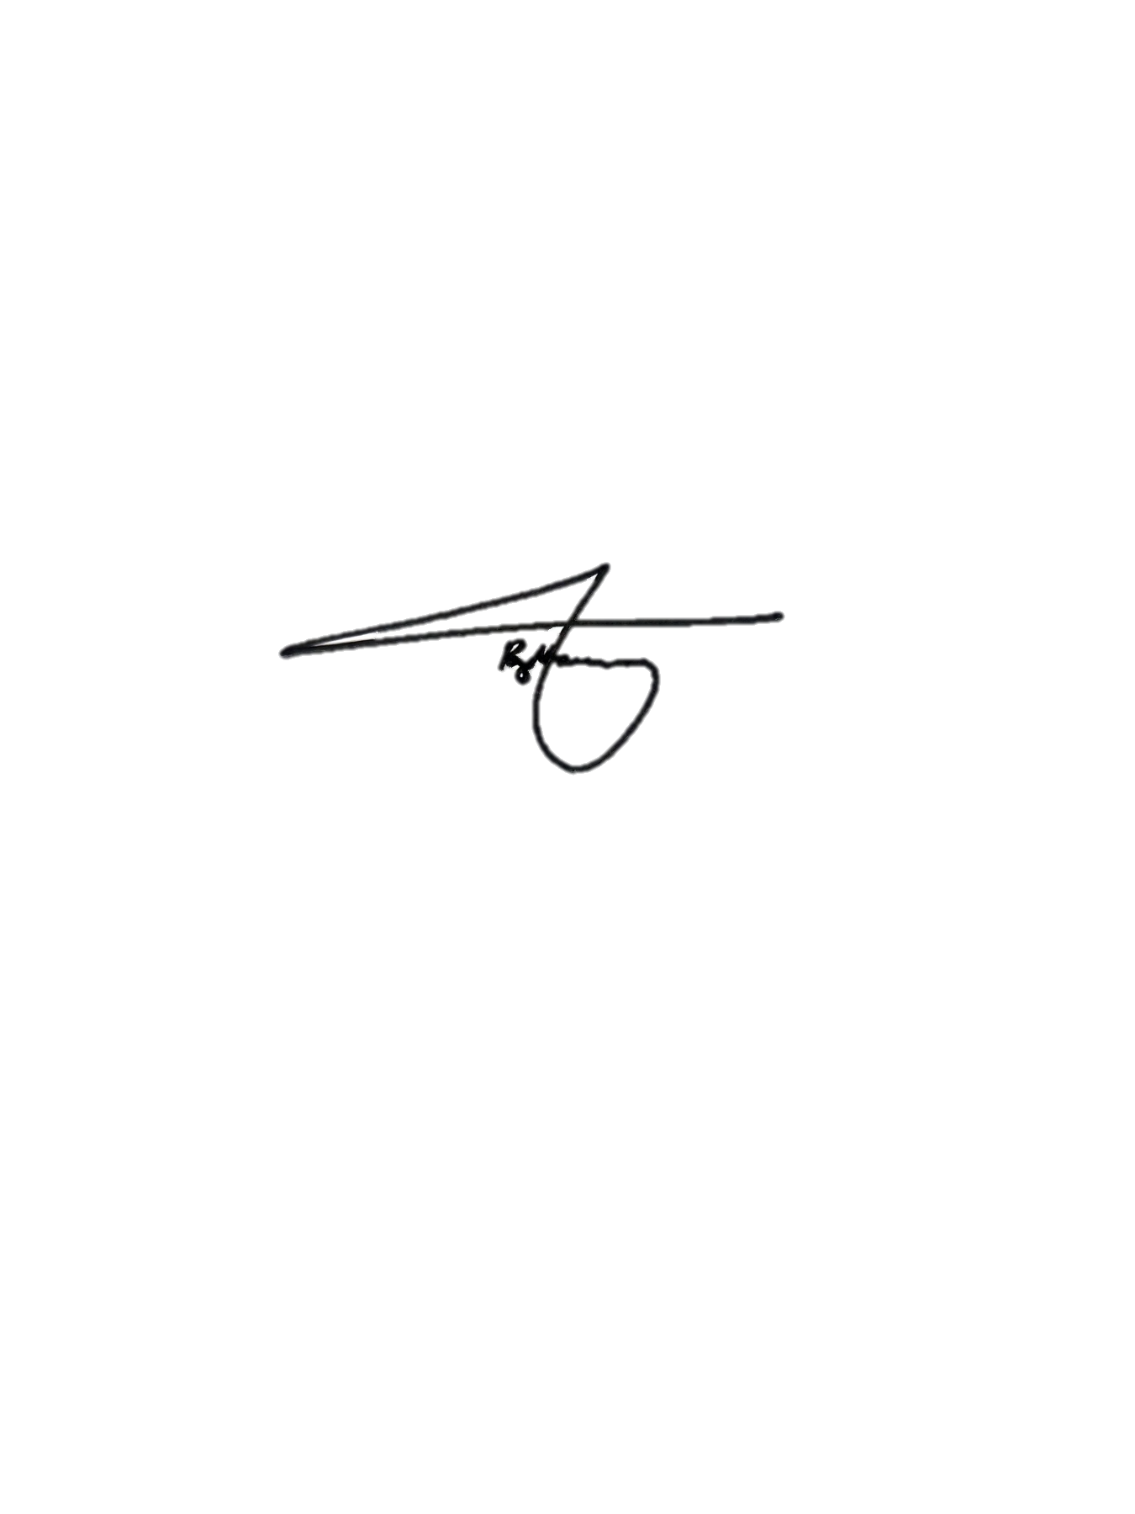
RFSO5
80 | PSSg | Ana Marie A Mandane | Finance PNCO | RFU-5 | 500,000.00 | 225,000.00 | 3,375.00 | 0505-2024-02428N | 05/14/2024 | 05/13/2025
RITO5
81 | PCPL | Christian C Deleña | Finance PNCO | RITO5 | 12,000.00 | 9,000.00 | 150.00 | 32-23-00833N | 2024-11-28 | 11/27/2025
RHRAO5
82 | PMSG | Paul Martine G Labini | Finance PNCO | HRAO | 40,000.00 | 30,000.00 | 450.00 | 0505-2024-01580N | 03/15/2024 | 03/14/2025
PNP DEG SOU

83 | PAT | Jocelyn T Moral | Finance PNCO | Special Operating Unit | 60,000.00 | 45,000.00 | 675.00 | 0505-202402913R | 07/27/2024 | 07/26/2025
RMDU5/ RHS5
84 | PSMS | Joseph C Cabanban | Finance PNCO | RMDU5/ RHS5 | 500,000.00 | 225,000.00 | 3,375.00 | 0505-2024-04468N | 2024-12-02 | 2025-12-01

 | Prepared By: |  |  | Certified Correct: |  |  |  | Noted by:

 | May Lannie B Espiritu |  |  | BRYAN JOHN D BACCAY |  |  |  | JENNIFER N BELMONTE
 | Non-Uniformed Personnel |  |  | Police Major |  |  |  | Police Colonel
 | MOOE Examiner, RFU-5 |  |  | Chief Disbursement Section, RFU-5 |  |  |  | Chief, RFU-5

