Sheet1
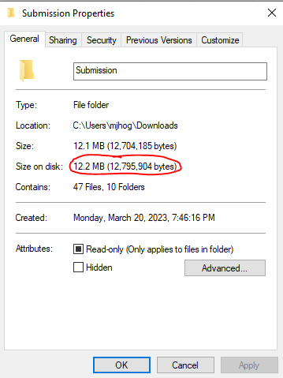
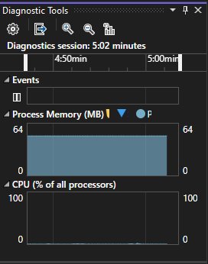
UR | Compliance
10 | The pilot's profile specifications are returned upon successful confirmation of authorization.
20 | Remote method of loading profile is SMS (as shown in figure 1).
30 | Profile loading is initiated via SMS (as shown in figure 1). | Figure 1: | Figure 2: |  | Figure 3:
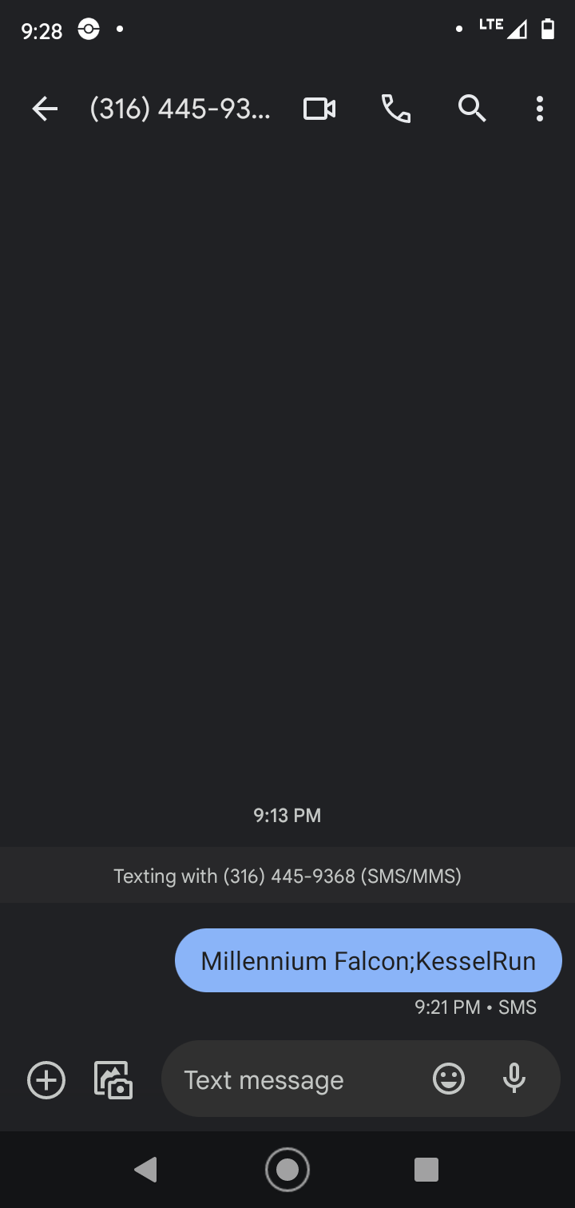
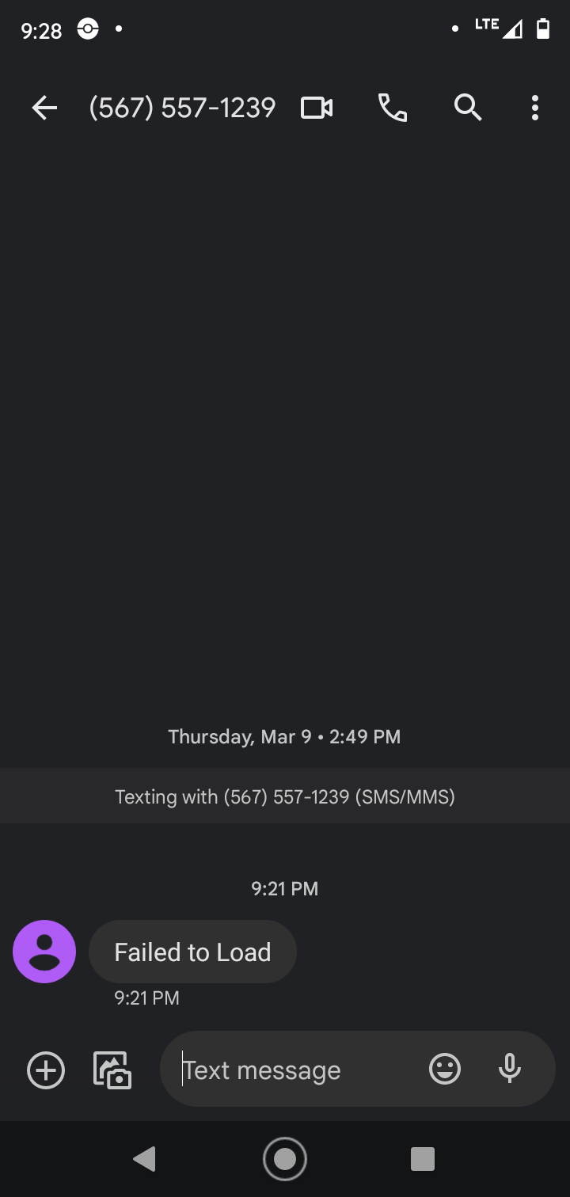
40
45
50
55 | Pilot is checked for authorization and notified of failure (as shown in figure X).
60 | Unauthorized pilots cannot receive confirmation of profile loading, as the profile is never loaded (per UR-55)
70 | Pilot initiates authorization and profile loading via SMS and receives a confirmation/rejection/failure message regarding the status of the profile loading process via SMS. No other interface is allowed for or described.
80 | See compliance for UR-70.
100 | In the case that profile loading cannot be completed, a failure message is sent to the pilot via SMS (as shown in figure 2).
110 | All observed SMS notifications from the system (Confirmation, rejection, and unavailability messages) were received in fewer than 4 seconds from the completion of the sending of the initial SMS message from the pilot's phone.
120 | See compliance for UR-70.
130 | See compliance for UR-70.
140 | The specified program has no capability to write to the External Drive.
150
160 | The app was built using the .NET 6.0 framework and compiled to a .exe file and is thus perfectly compatible with both Windows 10 and 11. Additionally, the program consumed a maximum observed value of around 60 MB of memory (leaving plenty of memory unallocated) and a hardly observable amount of CPU power (as shown in figure 5).
170 | The supplied system and all supporting files currently consume 12 MB of storage (shown in figure 4). There is no concern of reaching 2 GB of storage.
 |  | Figure 4: |  | Figure 5:

