details
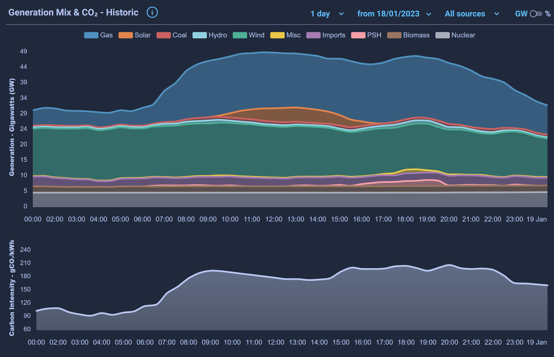

boalf
id | ts | va | ts (1) | ta | bmu_id | name | type_id
28822 | 2023-01-18 03:00:00+00 | 0 | 2023-01-18 01:30:46+00 | 2023-01-18 01:30:00+00 | T_PEHE-1 | Peterhead Block 1 | CCGT
28825 | 2023-01-18 03:00:00+00 | 219 | 2023-01-18 01:32:44+00 | 2023-01-18 01:32:00+00 | T_PEMB-21 | Pembroke Power Station - Unit 2 | CCGT
28827 | 2023-01-18 03:00:00+00 | 230 | 2023-01-18 01:33:16+00 | 2023-01-18 01:32:00+00 | T_RATS-2 | Ratcliffe on Soar | COAL
28828 | 2023-01-18 03:00:00+00 | 230 | 2023-01-18 01:33:23+00 | 2023-01-18 01:32:00+00 | T_RATS-4 | Ratcliffe on Soar | COAL
28875 | 2023-01-18 03:00:00+00 | 0 | 2023-01-18 02:35:54+00 | 2023-01-18 02:35:00+00 | T_PEHE-1 | Peterhead Block 1 | CCGT
28887 | 2023-01-18 03:00:00+00 | 0 | 2023-01-18 02:47:59+00 | 2023-01-18 02:47:00+00 | T_PINFB-2 | Capenhurst Battery 2 | BATT
 |  | 679

 |  |  |  |  |  | QUESTIONS:
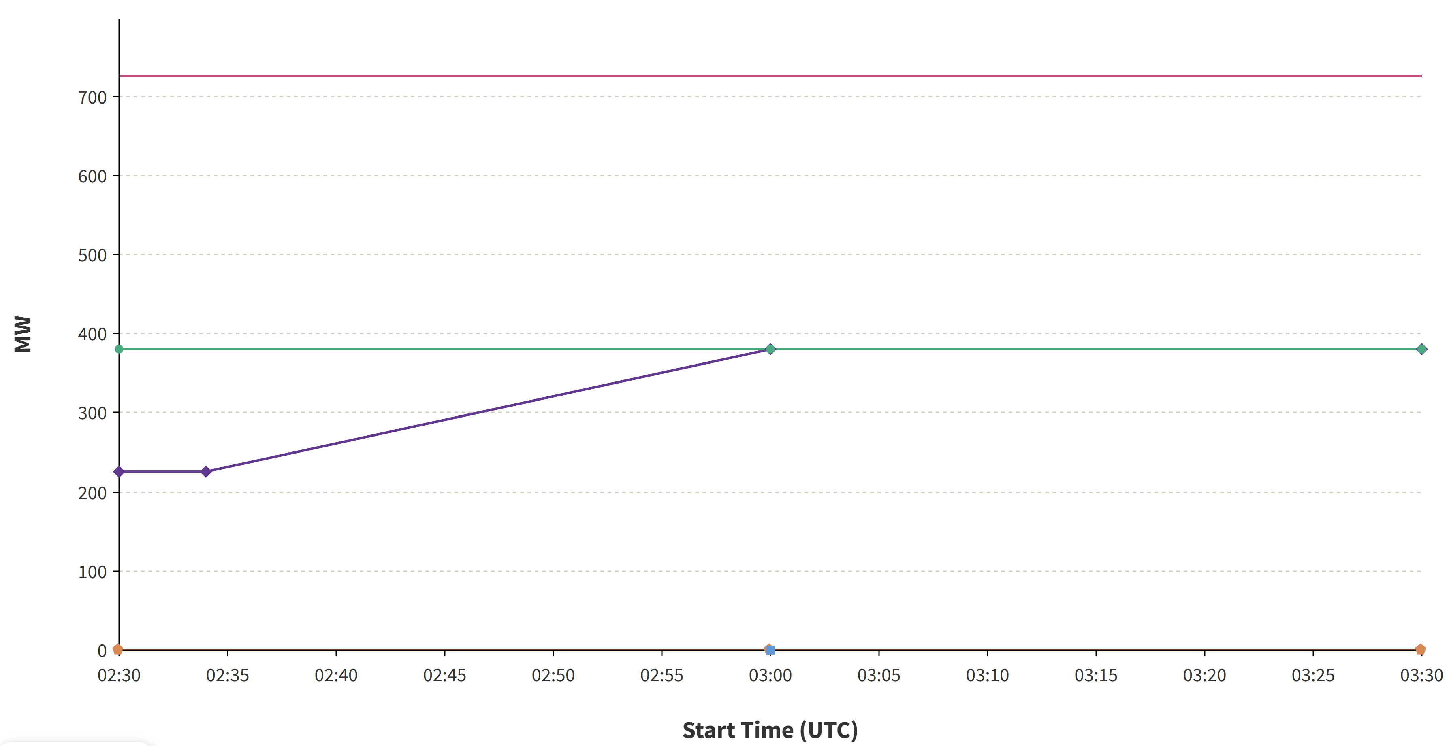

T_PEHE-1 |  |  |  |  |  | Why is the stable export limit so much higher than the max export limit?

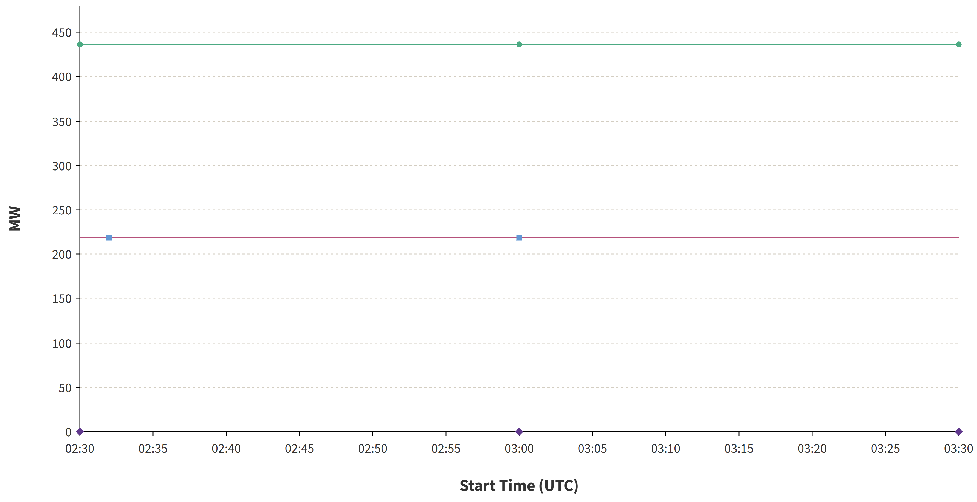

T_PEMB-21 |  |  |  |  |  | Only offered 219 in their BOD

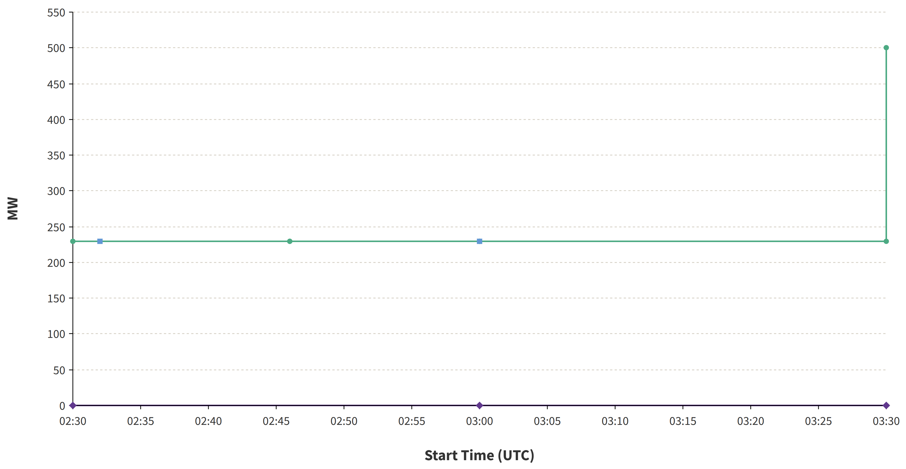

T_RATS-2 |  |  |  |  |  | Used to max export limit

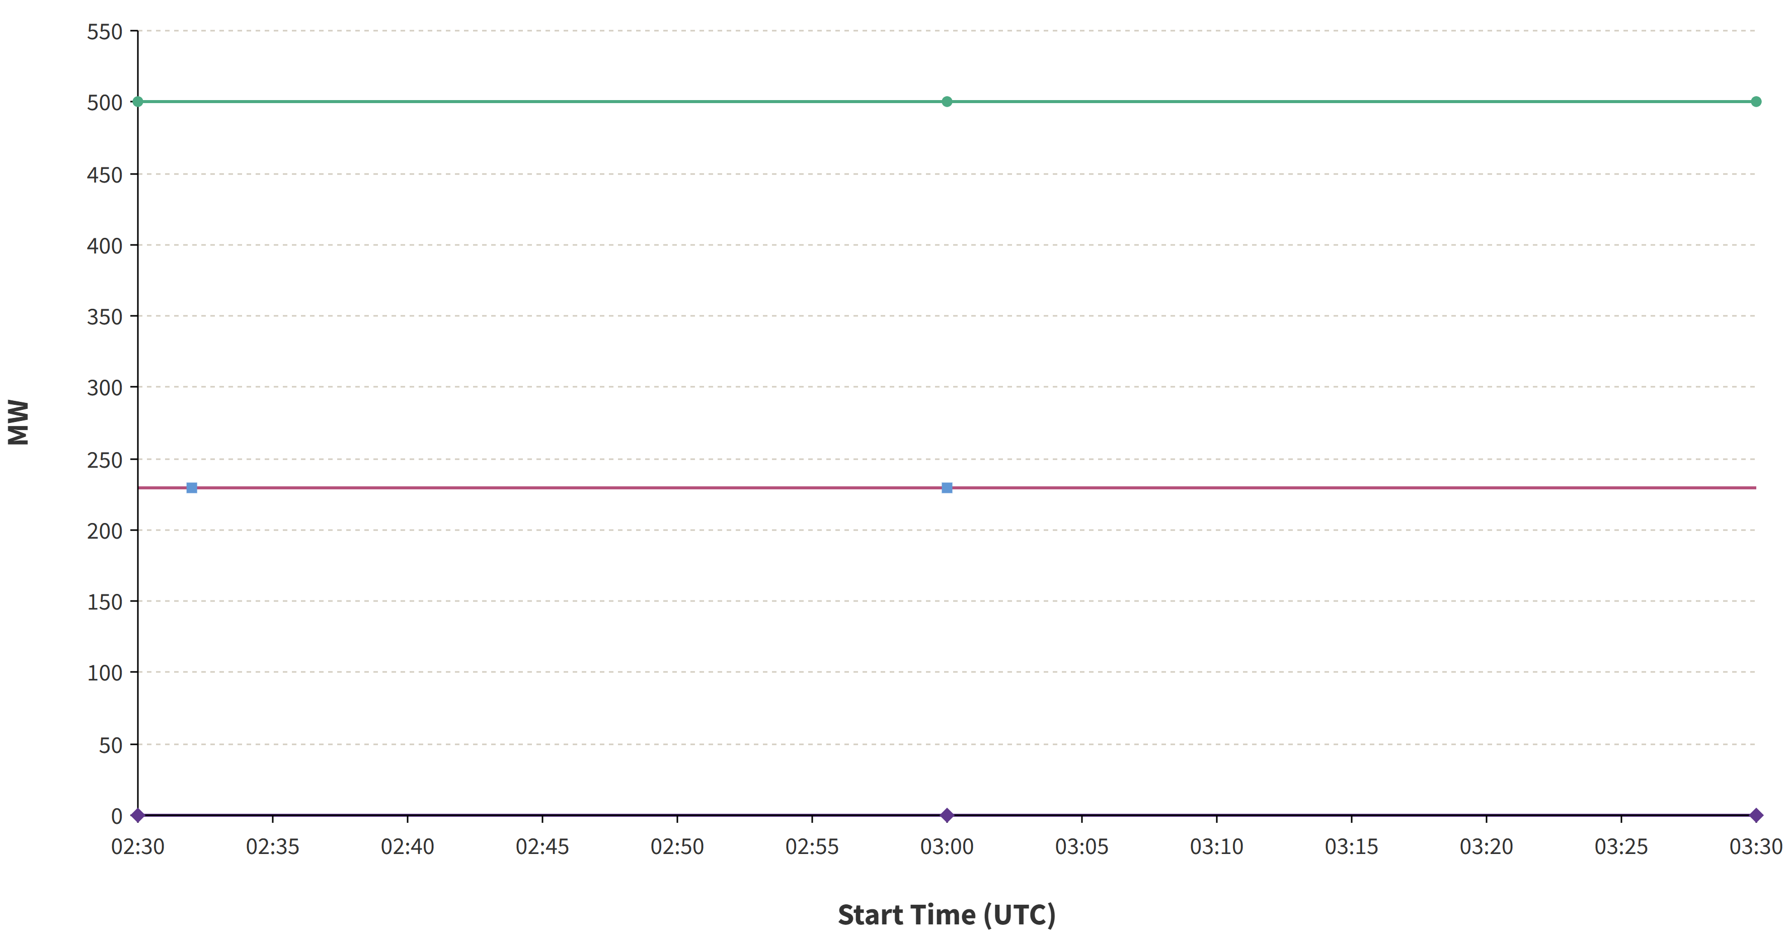

T_RATS-4 |  |  |  |  |  | Offered 500 in BOD but only using 230 and max export is way higher?

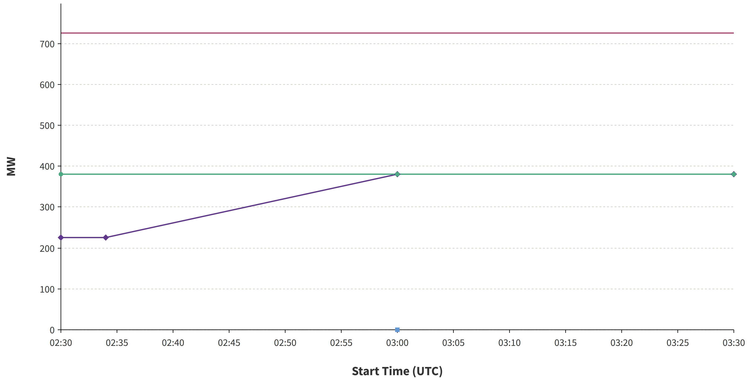

T_PEHE-1
 |  |  |  |  |  | Duplicates are very common?

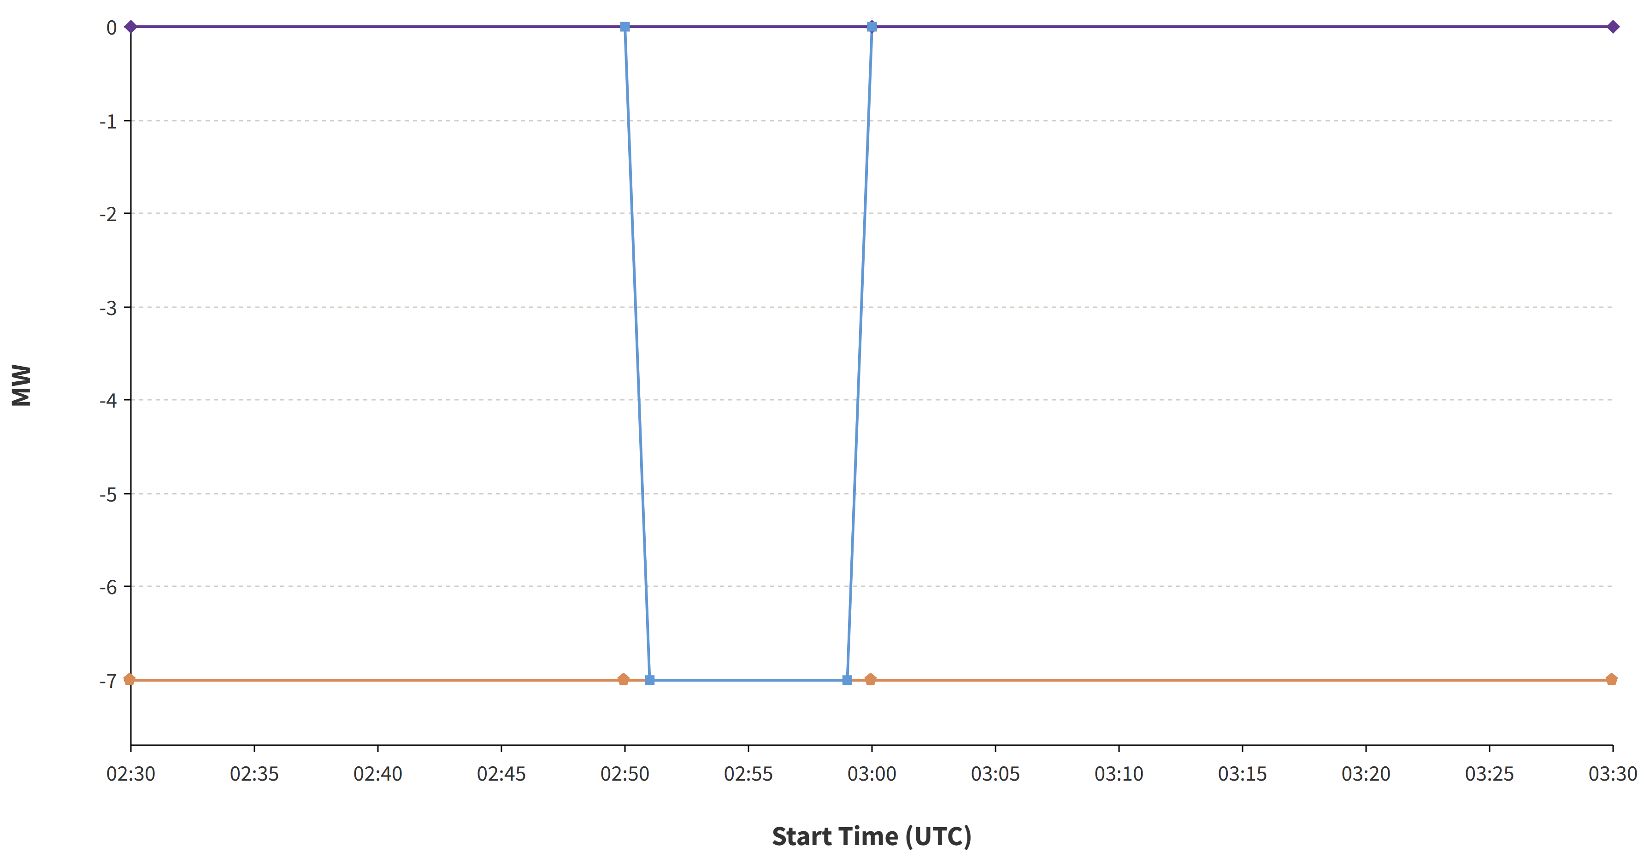

T_PINFB-2 |  |  |  |  |  | Reduction in demand but not using battery for balancing?

