CAZ
 | Walk | Cycle | LDV | Bus | Rail | Rail-HSR | AvDom | AvInt
2010 | 1.1 | 0.4 | 81.8 | 7.1 | 0 | 0 | 2.1 | 7.5
ETP15
2020 | 0 | 0 | 90.4 | 0.3 | 0 | 0 | 1.7 | 7.5
ETP25
2030 | 0 | 0 | 90.3 | 0.3 | 0 | 0 | 1.9 | 7.5
2040 | 0 | 0 | 90.3 | 0.3 | 0 | 0 | 1.95 | 7.5
2050 | 0 | 0 | 90.3 | 0.3 | 0 | 0 | 2 | 7.5
ETP50
2060 | 0 | 0 | 90.16 | 0.32 | 0 | 0 | 2.12 | 7.5
2070 | 0 | 0 | 90.02 | 0.34 | 0 | 0 | 2.24 | 7.5
2080 | 0 | 0 | 89.88 | 0.36 | 0 | 0 | 2.36 | 7.5
2090 | 0 | 0 | 89.74 | 0.38 | 0 | 0 | 2.48 | 7.5
2100 | 0 | 0 | 89.6 | 0.4 | 0 | 0 | 2.6 | 7.5
EDGE-T SA results
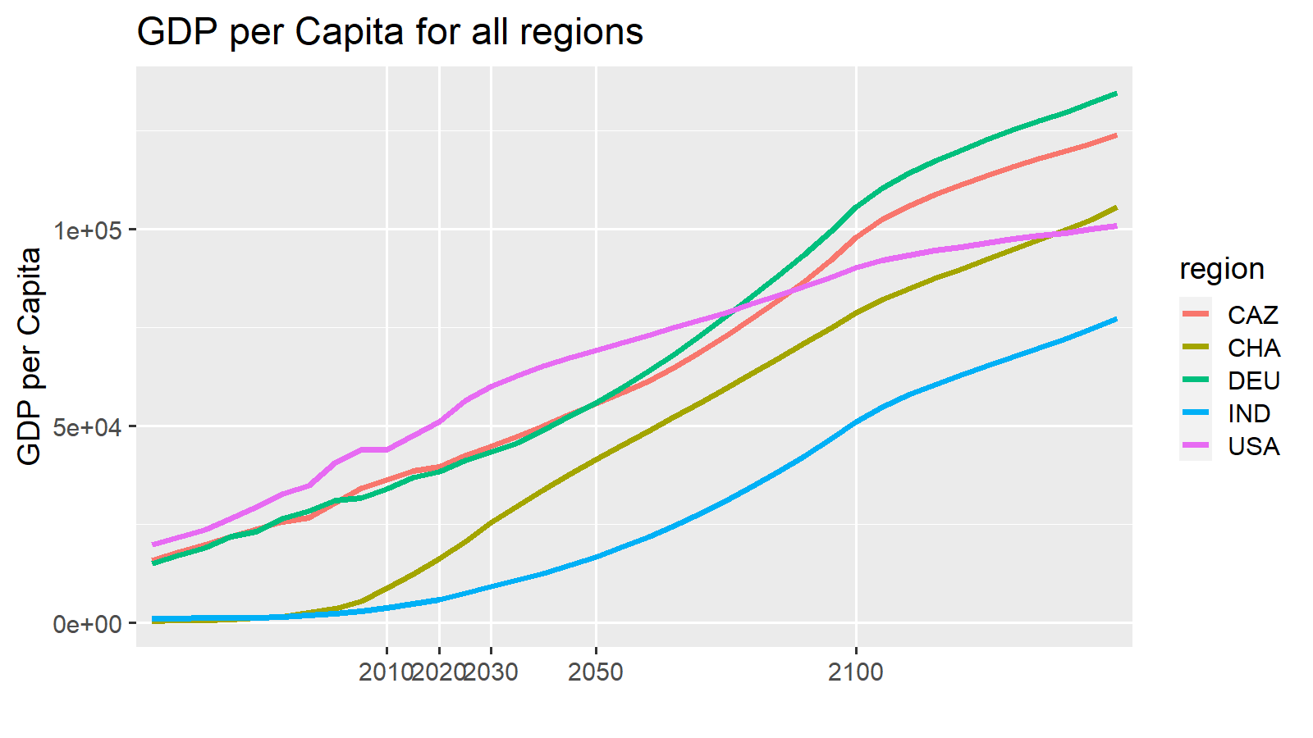
variable | unit | region | scenario | model | 2010 | 2020 | 2030 | 2050 | 2100 | 2150 |  |  |  |  |  |  |  |  |  |  |  |  |  |  |  |  |  |  | 2010 | ETP15 | 2020 | ETP25 | 2030 | 2040 | 2050 | ETP50 | 2060 | 2070 | 2080 | 2090 | 2100
ES|Transport|Pass|Aviation|International|Share | % | CAZ | Mix2 | EDGE-Transport | 7.5 | 7.5 | 7.5 | 7.5 | 7.5 | 7.5 |  |  |  |  |  |  |  |  |  |  |  |  |  |  |  |  |  | Walk | 1.1 |  | 0 |  | 0 | 0 | 0 |  | 0 | 0 | 0 | 0 | 0
ES|Transport|Pass|Road|LDV|Share | % | CAZ | Mix2 | EDGE-Transport | 81.8 | 90.4 | 90.3 | 90.3 | 89.6 | 91.9 |  |  |  |  |  |  |  |  |  |  |  |  |  |  |  |  |  | Cycle | 0.4 |  | 0 |  | 0 | 0 | 0 |  | 0 | 0 | 0 | 0 | 0
ES|Transport|Pass|Road|Bus|Share | % | CAZ | Mix2 | EDGE-Transport | 7.1 | 0.3 | 0.3 | 0.3 | 0.4 | 0.5 |  |  |  |  |  |  |  |  |  |  |  |  |  |  |  |  |  | LDV | 81.8 |  | 90.4 |  | 90.3 | 90.3 | 90.3 |  | 90.16 | 90.02 | 89.88 | 89.74 | 89.6
ES|Transport|Pass|Rail|non-HSR|Share | % | CAZ | Mix2 | EDGE-Transport | 0 | 0 | 0 | 0 | 0 | 0 |  |  |  |  |  |  |  |  |  |  |  |  |  |  |  |  |  | Bus | 7.1 |  | 0.3 |  | 0.3 | 0.3 | 0.3 |  | 0.32 | 0.34 | 0.36 | 0.38 | 0.4
ES|Transport|Pass|Aviation|Domestic|Share | % | CAZ | Mix2 | EDGE-Transport | 2.1 | 1.7 | 1.9 | 2 | 2.6 | 0.1 |  |  |  |  |  |  |  |  |  |  |  |  |  |  |  |  |  | Rail | 0 |  | 0 |  | 0 | 0 | 0 |  | 0 | 0 | 0 | 0 | 0
ES|Transport|Pass|Rail|HSR|Share | % | CAZ | Mix2 | EDGE-Transport | 0 | 0 | 0 | 0 | 0 | 0 |  |  |  |  |  |  |  |  |  |  |  |  |  |  |  |  |  | Rail-HSR | 0 |  | 0 |  | 0 | 0 | 0 |  | 0 | 0 | 0 | 0 | 0
ES|Transport|Pass|Road|Non-Motorized|Walking|Share | % | CAZ | Mix2 | EDGE-Transport | 1.1 | 0 | 0 | 0 | 0 | 0 |  |  |  |  |  |  |  |  |  |  |  |  |  |  |  |  |  | AvDom | 2.1 |  | 1.7 |  | 1.9 | 1.95 | 2 |  | 2.12 | 2.24 | 2.36 | 2.48 | 2.6
ES|Transport|Pass|Road|Non-Motorized|Cycling|Share | % | CAZ | Mix2 | EDGE-Transport | 0.4 | 0 | 0 | 0 | 0 | 0 |  |  |  |  |  |  |  |  |  |  |  |  |  |  |  |  |  | AvInt | 7.5 |  | 7.5 |  | 7.5 | 7.5 | 7.5 |  | 7.5 | 7.5 | 7.5 | 7.5 | 7.5
Total |  |  |  |  | 100 | 100 | 100 | 100 | 100 | 100

Expectation
 | Walk | Cycle | LDV | Bus | Rail | Rail-HSR | AvDom | AvInt
2010 | 1.1 | 0.4 | 82 | 7 | 0 | 0 | 2 | 7.5
ETP15 | 1.05 | 0.45 | 54 | 9 | 14 |  | 21
2020 | 1 | 0.5 | 90 | 0 | 0 | 0 | 2 | 7.5
ETP25 | 1 | 0.5 | 52 | 9 | 12 |  | 25
2030 | 1 | 0.5 | 91 | 0 | 0 | 0 | 2 | 7.5
2040 | 1 | 0.5 | 91 | 0 | 0 | 0 | 1 | 7.5
2050 | 1 | 0.5 | 91 | 0 | 0 | 0 | 1 | 7.5
ETP50 | 1.5 |  | 48 | 7 | 8 |  | 35
2060 | 1 | 0.5 | 91 | 0 | 0 | 0 | 1 | 7.5
2070 | 1 | 0.5 | 91 | 0 | 0 | 0 | 1 | 7.5
2080 | 1 | 0.5 | 91 | 0 | 0 | 0 | 1 | 7.5
2090 | 1 | 0.5 | 91 | 0 | 0 | 0 | 1 | 7.5
2100 | 1 | 0.5 | 91 | 0 | 0 | 0 | 1 | 7.5
variable | unit | region | scenario | model | 2010 | 2020 | 2030 | 2050 | 2100 | 2150 |  |  |  |  |  |  |  |  |  |  |  |  |  |  |  |  |  |  | 2010 | ETP15 | 2020 | ETP25 | 2030 | 2040 | 2050 | ETP50 | 2060 | 2070 | 2080 | 2090 | 2100
ES|Transport|Pass|Aviation|International|Share | % | CAZ | Mix2 | EDGE-Transport | 7.5 | 7.5 | 7.5 | 7.5 | 7.5 | 7.5 |  |  |  |  |  |  |  |  |  |  |  |  |  |  |  |  |  | Walk | 1.1 | 1.05 | 1 | 1 | 1 | 1 | 1 | 1.5 | 1 | 1 | 1 | 1 | 1
ES|Transport|Pass|Road|LDV|Share | % | CAZ | Mix2 | EDGE-Transport | 81.8 | 90.4 | 90.6 | 90.8 | 91.4 | 91.9 |  |  |  |  |  |  |  |  |  |  |  |  |  |  |  |  |  | Cycle | 0.4 | 0.45 | 0.5 | 0.5 | 0.5 | 0.5 | 0.5 |  | 0.5 | 0.5 | 0.5 | 0.5 | 0.5
ES|Transport|Pass|Road|Bus|Share | % | CAZ | Mix2 | EDGE-Transport | 7.1 | 0.3 | 0.4 | 0.4 | 0.4 | 0.5 |  |  |  |  |  |  |  |  |  |  |  |  |  |  |  |  |  | LDV | 81.8 | 54 | 90.4 | 52 | 90.6 | 90.7 | 90.8 | 48 | 90.92 | 91.04 | 91.16 | 91.28 | 91.4
ES|Transport|Pass|Rail|non-HSR|Share | % | CAZ | Mix2 | EDGE-Transport | 0 | 0 | 0 | 0 | 0 | 0 |  |  |  |  |  |  |  |  |  |  |  |  |  |  |  |  |  | Bus | 7.1 | 9 | 0.3 | 9 | 0.4 | 0.4 | 0.4 | 7 | 0.4 | 0.4 | 0.4 | 0.4 | 0.4
ES|Transport|Pass|Aviation|Domestic|Share | % | CAZ | Mix2 | EDGE-Transport | 2.1 | 1.7 | 1.6 | 1.3 | 0.7 | 0.1 |  |  |  |  |  |  |  |  |  |  |  |  |  |  |  |  |  | Rail | 0 | 14 | 0 | 12 | 0 | 0 | 0 | 8 | 0 | 0 | 0 | 0 | 0
ES|Transport|Pass|Rail|HSR|Share | % | CAZ | Mix2 | EDGE-Transport | 0 | 0 | 0 | 0 | 0 | 0 |  |  |  |  |  |  |  |  |  |  | Comments |  |  |  |  |  |  | Rail-HSR | 0 |  | 0 |  | 0 | 0 | 0 |  | 0 | 0 | 0 | 0 | 0
ES|Transport|Pass|Road|Non-Motorized|Walking|Share | % | CAZ | Mix2 | EDGE-Transport | 1.1 | 1 | 1 | 1 | 1 | 0 |  |  |  |  |  |  |  |  |  |  |  |  |  |  |  |  |  | AvDom | 2.1 | 21 | 1.7 | 25 | 1.6 | 1.45 | 1.3 | 35 | 1.18 | 1.06 | 0.94 | 0.82 | 0.7
ES|Transport|Pass|Road|Non-Motorized|Cycling|Share | % | CAZ | Mix2 | EDGE-Transport | 0.4 | 0.5 | 0.5 | 0.5 | 0.5 | 0 |  |  |  |  |  |  |  |  |  |  |  |  |  |  |  |  |  | AvInt | 7.5 |  | 7.5 |  | 7.5 | 7.5 | 7.5 |  | 7.5 | 7.5 | 7.5 | 7.5 | 7.5
Total |  |  |  |  | 100 | 101 | 102 | 102 | 102 | 100

Difference

variable | unit | region | scenario | model | 2010 | 2020 | 2030 | 2050 | 2100 | 2101
ES|Transport|Pass|Aviation|Domestic|Share | % | CAZ | SSP2-Mix2 | EDGE-Transport SA | 0 | 0 | -0.4 | -0.7 | -2 | 0
ES|Transport|Pass|Rail|HSR|Share | % | CAZ | SSP2-Mix2 | EDGE-Transport SA | 0 | 0 | 0 | 0 | 0 | 0
ES|Transport|Pass|Rail|non-HSR|Share | % | CAZ | SSP2-Mix2 | EDGE-Transport SA | 0 | 0 | 0 | 0 | 0 | 0
ES|Transport|Pass|Road|Bus|Share | % | CAZ | SSP2-Mix2 | EDGE-Transport SA | 0 | 0 | 0.1 | 0.1 | 0 | 0
ES|Transport|Pass|Road|LDV|Share | % | CAZ | SSP2-Mix2 | EDGE-Transport SA | 0 | 0 | 0.3 | 0.5 | 1.9 | 0
ES|Transport|Pass|Road|Non-Motorized|Walking|Share | % | CAZ | SSP2-Mix2 | EDGE-Transport SA | 0 | 1 | 1 | 1 | 1 | 0
ES|Transport|Pass|Road|Non-Motorized|Cycling|Share | % | CAZ | SSP2-Mix2 | EDGE-Transport SA | 0 | 0.5 | 0.5 | 0.5 | 0.5 | 0
Total |  |  |  |  | 0 | 1.5 | 1.5 | 1.4 | 1.4 | 0

ETP RTS data CAZ |  |  |  |  |  |  |  |  |  |  |  |  |  |  |  |  |  |  |  |  |  |  |  |  |  |  |  |  | 2015 |  | 2025 |  | 2040 |  |  | 2060 | 2070
 |  |  |  |  |  |  |  |  |  |  |  |  |  |  |  |  |  |  |  |  |  |  |  |  |  |  |  | ETP + nonmotorized from EDGE
variable | unit | region | scenario | model | 2014 | 2025 | 2030 | 2050 | 2060
ES|Transport|Pass|Aviation|Share | % | CAZ | historical | IEA ETP RTS | 21.7 | 25.4 | 27.3 | 35.5 | 39.7 |  |  |  |  |  |  |  |  |  |  |  |  |  |  |  |  |  |  | nonMotor | 1.5 |  | 1.5 |  |  |  | 1.5
ES|Transport|Pass|Rail|Share | % | CAZ | historical | IEA ETP RTS | 14.6 | 12.5 | 11.5 | 8.4 | 7.2 |  |  |  |  |  |  |  |  |  |  |  |  |  |  |  |  |  |  | LDV | 54 |  | 52 |  |  |  | 48
ES|Transport|Pass|Road|Bus|Share | % | CAZ | historical | IEA ETP RTS | 9.3 | 9.1 | 8.8 | 7.5 | 6.8 |  |  |  |  |  |  |  |  |  |  |  |  |  |  |  |  |  |  | Bus | 9 |  | 9 |  |  |  | 7
ES|Transport|Pass|Road|LDV|Share | % | CAZ | historical | IEA ETP RTS | 54.5 | 52.9 | 52.4 | 48.5 | 46.3 |  |  |  |  |  |  |  |  |  |  |  |  |  |  |  |  |  |  | Rail | 14 |  | 12 |  |  |  | 8
 |  |  |  |  |  |  |  |  |  |  |  |  |  |  |  |  |  |  |  |  |  |  |  |  |  |  |  | Aviation | 21 |  | 25 |  |  |  | 35

Shareweight support points based on Expectaion

 |  | Lambda road | -2
 |  | Lambda above | -3

This is inserted from an EDGE-T run | mode costs from EDGE-T (including value of time etc) | mode | 2010 | 2015 | 2020 | 2025 | 2030 | 2035 | 2040 | 2045 | 2050 | 2055 | 2060 | 2070 | 2080 | 2090 | 2100
 |  | trn_pass_road_LDV | 0.64050300458 | 0.6544892928 | 0.64565359452 | 0.65635078543 | 0.65803122352 | 0.66275493493 | 0.69098196879 | 0.71560680209 | 0.7387292094 | 0.76283194145 | 0.79146373415 | 0.86584823001 | 0.95103681056 | 1.0455384096 | 1.1583758003
 |  | Bus | 0.58582871037 | 0.61375829677 | 0.6284476392 | 0.66316666144 | 0.69048874651 | 0.72293139963 | 0.7580912073 | 0.79369825608 | 0.82711934649 | 0.86036995716 | 0.89840693131 | 0.99147181989 | 1.0959599222 | 1.2117030645 | 1.3518048621
 |  | Passenger Rail | 0.50519203017 | 0.52974163057 | 0.54406812986 | 0.57513412318 | 0.59737932899 | 0.61930204431 | 0.64291367869 | 0.6681015527 | 0.69157668133 | 0.71430740963 | 0.74173203059 | 0.80849579578 | 0.8798436165 | 0.95638202178 | 1.0499277857
 |  | Domestic Aviation | 0.28708323674 | 0.28300378678 | 0.27240036353 | 0.26900627498 | 0.26661034052 | 0.26867753661 | 0.27797759198 | 0.28731381569 | 0.29693584722 | 0.30921733867 | 0.32276639204 | 0.34901830581 | 0.37492104262 | 0.39737285073 | 0.42525616348
 |  | HSR | 0.41864612854 | 0.37340580429 | 0.32656381819 | 0.33652433141 | 0.34418760499 | 0.35201119277 | 0.36038891281 | 0.36927293642 | 0.37773575636 | 0.38611174051 | 0.39591688308 | 0.41965960115 | 0.44568233381 | 0.474229539 | 0.50876654326
 |  | Walk | 5.2099013801 | 5.5228967137 | 5.6794494935 | 6.0915621704 | 6.4233992207 | 6.8004224903 | 7.2010980928 | 7.6083017136 | 7.9914790013 | 8.3757260911 | 8.8136896896 | 9.8957778574 | 11.119491362 | 12.480658212 | 14.113384513
 |  | Cycle | 1.6671684416 | 1.7673269484 | 1.8174238379 | 1.9492998945 | 2.0554877506 | 2.1761351969 | 2.3043513897 | 2.4346565483 | 2.5572732804 | 2.6802323491 | 2.8203807007 | 3.1666489144 | 3.558237236 | 3.9938106278 | 4.5162830442
 |  | trn_pass_road | 0.63611942014 | 0.65270490681 | 0.64558862079 | 0.65635078543 | 0.65813674045 | 0.66320531514 | 0.6915013355 | 0.71604271391 | 0.73898169512 | 0.76291914007 | 0.79146373415 | 0.86584823001 | 0.95116415603 | 1.0459815157 | 1.1591526925

 |  |  |  |  |  |  |  |  |  |  |  |  |  |  |  |  |  |  |  |  | These shareweights are finally red by EDGE-Tas support points for the spline or linesr interpolation
 | SW | mode | 2010 | 2015 | 2020 | 2025 | 2030 | 2035 | 2040 | 2045 | 2050 | 2055 | 2060 | 2070 | 2080 | 2090 | 2100 | Normalized Shareweights |  |  | mode | region | 2020 | 2030 | 2050 | 2090 | 2150
This is inserted from an EDGE-T run |  | trn_pass_road_LDV | 1 | 1 | 1 | 1 | 1 | 1 | 1 | 1 | 1 | 1 | 1 | 1 | 1 | 1 | 1 |  |  |  | trn_pass_road_LDV | CAZ | 1 | 1 | 1 | 1 | 1
 |  | Bus | 0.072918978016 | 0.038792896304 | 0.004666814593 | 0.0037917868568 | 0.0029167591206 | 0.0025521642305 | 0.0021875693405 | 0.0018229744504 | 0.0014583795603 | 0.0013854605823 | 0.0013125416043 | 0.0011667036483 | 0.0010208656922 | 0.00087502773619 | 0.00072918978016 |  |  |  | Bus | CAZ | 0.004666814593 | 0.0029167591206 | 0.0014583795603 | 0.00087502773619 | 0.0030830049108
 |  | Passenger Rail | 2.8570115206E-05 | 1.4535046111E-05 | 4.999770161E-07 | 6.0711494812E-07 | 7.1425288015E-07 | 7.8567816816E-07 | 8.5710345617E-07 | 9.2852874419E-07 | 9.999540322E-07 | 9.5709885939E-07 | 9.1424368659E-07 | 8.2853334097E-07 | 7.4282299535E-07 | 6.5711264973E-07 | 5.7140230412E-07 |  |  |  | Passenger Rail | CAZ | 8.8884802863E-06 | 8.7908046787E-06 | 1.9999080644E-06 | 2.0407225147E-07 | 4.2183823281E-07
 |  | Domestic Aviation | 0.00030461034923 | 0.00015735028352 | 1.0090217818E-05 | 1.266036764E-05 | 1.5230517461E-05 | 1.9038146827E-05 | 2.2845776192E-05 | 2.6653405557E-05 | 3.0461034923E-05 | 2.9547203875E-05 | 2.8633372827E-05 | 2.6805710732E-05 | 2.4978048637E-05 | 2.3150386541E-05 | 2.1322724446E-05 |  |  |  | Domestic Aviation | CAZ | 0.0001793816501 | 0.0001874525226 | 6.0922069845E-05 | 7.1895610376E-06 | 0.0013397505345
 |  | HSR | 4.9989937347E-09 | 4.9989937347E-09 | 4.9989937347E-09 | 4.9989937347E-09 | 4.9989937347E-09 | 4.9989937347E-09 | 4.9989937347E-09 | 4.9989937347E-09 | 4.9989937347E-09 | 4.9490037974E-09 | 4.89901386E-09 | 4.7990339853E-09 | 4.6990541106E-09 | 4.5990742359E-09 | 4.4990943612E-09 |  |  |  | HSR | CAZ | 8.8870999728E-08 | 6.1526076735E-08 | 9.9979874694E-09 | 1.4282839242E-09 | 0.0022106660614
 |  | Walk | 1 | 0.528125 | 0.05625 | 0.06875 | 0.08125 | 0.1859375 | 0.290625 | 0.3953125 | 0.5 | 0.84 | 1.18 | 1.86 | 2.54 | 3.22 | 3.9 |  |  |  | Walk | CAZ | 1 | 1 | 1 | 1 | 1
 |  | Cycle | 0.010750681299 | 0.005459330347 | 0.00016797939529 | 0.00020493486226 | 0.00024189032922 | 0.00050393818588 | 0.00076598604254 | 0.0010280338992 | 0.0012900817559 | 0.0022361417101 | 0.0031822016644 | 0.005074321573 | 0.0069664414816 | 0.0088585613902 | 0.010750681299 |  |  |  | Cycle | CAZ | 0.0029863003608 | 0.0029771117443 | 0.0025801635117 | 0.0027511060218 | 0.032321096022
 |  | trn_pass_road | 0.14303118474 | 0.075985316894 | 0.0089394490464 | 0.01340917357 | 0.017878898093 | 0.024583484878 | 0.031288071662 | 0.037992658447 | 0.044697245232 | 0.044697245232 | 0.044697245232 | 0.044697245232 | 0.044697245232 | 0.044697245232 | 0.044697245232 |  |  |  | trn_pass_road | CAZ | 0.1589235386 | 0.22004797653 | 0.089394490464 | 0.01388113206 | 0.053810049807

 |  | subsum road | 2.7 | 2.4 | 2.4 | 2.3 | 2.3 | 2.3 | 2.1 | 2.0 | 1.8 | 1.7 | 1.6 | 1.3 | 1.1 | 0.9 | 0.7
 |  | subsum above | 0.6 | 0.3 | 0.0 | 0.0 | 0.1 | 0.1 | 0.1 | 0.1 | 0.1 | 0.1 | 0.1 | 0.1 | 0.1 | 0.0 | 0.0

 | target mode shares |  |  |  | 2020 |  |  |  | 2030 |  |  |  |  | 2050 |  |  |  | 2100
 |  |  |  |  | Target | results | difference |  | Target | results | difference |  |  | Target | results | difference |  | Target | results | difference
 |  | LDV in road |  |  | 100% | 100% | 0% |  | 100% | 100% | 0% |  |  | 100% | 100% | 0% |  | 100% | 100% | 0%
 |  | Bus in road |  |  | 0% | 0% | 0% |  | 0% | 0% | 0% |  |  | 0% | 0% | 0% |  | 0% | 0% | 0%
Enter the target values into the pink fields | Share in total | LDV |  |  | 96.27% | 97% | -1% |  | 96.28% | 98% | -2% |  |  | 96.60% | 98% | -1% |  | 97% | 94% | 3%
 |  | Bus |  |  | 0.32% | 0% | 0% |  | 0.43% | 0% | 0% |  |  | 0.43% | 0% | 0% |  | 0% | 0% | 0%
 |  | Rail |  |  | 0.00% | 0% | 0% |  | 0.00% | 0% | 0% |  |  | 0.00% | 0% | 0% |  | 0% | 0% | 0%
 |  | Dom Aviation |  |  | 1.81% | 1% | 0% |  | 1.70% | 1% | 0% |  |  | 1.38% | 1% | 0% |  | 1% | 1% | 0%
 |  | HSR |  |  | 0.00% | 0% | 0% |  | 0.00% | 0% | 0% |  |  | 0.00% | 0% | 0% |  | 0% | 0% | 0%
 |  | Walk |  |  | 1.06% | 1% | 0% |  | 1.06% | 0% | 1% |  |  | 1.06% | 1% | 0% |  | 1% | 5% | -3%
 |  | Cycle |  |  | 0.53% | 0% | 0% |  | 0.53% | 0% | 0% |  |  | 0.53% | 0% | 0% |  | 1% | 0% | 0%

 | total |  |  |  | 100% | 100% |  |  | 100% | 100% |  |  |  | 100% | 100% |  |  | 100% | 100%

 | SW multipliers |  |  |  |  | 2020 |  |  |  | 2030 |  |  |  |  | 2050 |  |  |  | 2100
Change by hand - first dark green, then light green, until the difference values below are small |  | LDV |  |  |  | 1 |  |  |  | 1 |  |  |  |  | 1 |  |  |  | 1
 |  | Bus |  |  |  | 0.064 |  |  |  | 0.04 |  |  |  |  | 0.02 |  |  |  | 0.01
 |  | Rail |  |  |  | 0.0175 |  |  |  | 0.025 |  |  |  |  | 0.035 |  |  |  | 0.02
 |  | Dom Aviation |  |  |  | 0.033125 |  |  |  | 0.05 |  |  |  |  | 0.1 |  |  |  | 0.07
 |  | HSR |  |  |  | 1 |  |  |  | 1 |  |  |  |  | 1 |  |  |  | 0.9
 |  | Walk |  |  |  | 0.05625 |  |  |  | 0.08125 |  |  |  |  | 0.5 |  |  |  | 3.9
 |  | Cycle |  |  |  | 0.015625 |  |  |  | 0.0225 |  |  |  |  | 0.12 |  |  |  | 1
 |  | Road |  |  |  | 0.0625 |  |  |  | 0.125 |  |  |  |  | 0.3125 |  |  |  | 0.3125

 | all resultig ES shares |  | 2010 | 2015 | 2020 | 2025 | 2030 | 2035 | 2040 | 2045 | 2050 | 2055 | 2060 | 2070 | 2080 | 2090 | 2100
 |  | LDV in road | 92.0% | 95.8% | 99.5% | 99.6% | 99.7% | 99.8% | 99.8% | 99.9% | 99.9% | 99.9% | 99.9% | 99.9% | 99.9% | 99.9% | 99.9%
 |  | Bus in road | 8.0% | 4.2% | 0.5% | 0.4% | 0.3% | 0.2% | 0.2% | 0.1% | 0.1% | 0.1% | 0.1% | 0.1% | 0.1% | 0.1% | 0.1%
 | Share in total | LDV | 88.4% | 92.0% | 97.1% | 97.6% | 98.0% | 97.9% | 97.8% | 97.9% | 97.9% | 97.4% | 97.0% | 96.1% | 95.4% | 94.7% | 94.1%
 |  | Bus | 7.7% | 4.1% | 0.5% | 0.4% | 0.3% | 0.2% | 0.2% | 0.1% | 0.1% | 0.1% | 0.1% | 0.1% | 0.1% | 0.1% | 0.1%
 |  | Rail | 0.0% | 0.0% | 0.0% | 0.0% | 0.0% | 0.0% | 0.0% | 0.0% | 0.0% | 0.0% | 0.0% | 0.0% | 0.0% | 0.0% | 0.0016%
 |  | Dom Aviation | 2.2% | 2.4% | 1.5% | 1.3% | 1.3% | 1.1% | 1.1% | 1.1% | 1.0% | 1.0% | 0.9% | 0.9% | 0.9% | 0.9% | 0.9096%
 |  | HSR | 0.0% | 0.0% | 0.0% | 0.0% | 0.0% | 0.0% | 0.0% | 0.0% | 0.0% | 0.0% | 0.0% | 0.0% | 0.0% | 0.0% | 0.0001%
 |  | Walk | 1.2% | 1.1% | 0.9% | 0.6% | 0.5% | 0.7% | 0.8% | 0.9% | 0.9% | 1.4% | 1.9% | 2.7% | 3.4% | 4.0% | 4.5515%
 |  | Cycle | 0.4% | 0.3% | 0.1% | 0.1% | 0.0% | 0.1% | 0.1% | 0.1% | 0.1% | 0.1% | 0.2% | 0.2% | 0.3% | 0.3% | 0.3829%
 |  | trn_pass_road | 96.1% | 96.1% | 97.5% | 98.0% | 98.2% | 98.1% | 98.0% | 98.0% | 98.0% | 97.5% | 97.1% | 96.2% | 95.4% | 94.7% | 94.1543%
 | total |  | 100% | 100% | 100% | 100% | 100% | 100% | 100% | 100% | 100% | 100% | 100% | 100% | 100% | 100% | 100%

CHA
 | Walk | Cycle | LDV | Bus | Rail | Rail-HSR | AvDom | AvInt
2010 | 2.4 | 9.1 | 22.5 | 61.9 | 0.2 | 0.6 | 1.4 | 1.9
ETP15
2020 | 2.3 | 2.4 | 57.5 | 16.7 | 10.7 | 5.2 | 3.3 | 1.9
ETP25
2030 | 1.2 | 2.3 | 58 | 17.3 | 11.8 | 4.2 | 3.3 | 1.9
2040 | 0.9 | 1.75 | 59.7 | 15.85 | 11.3 | 4.1 | 4.5 | 1.9
2050 | 0.6 | 1.2 | 61.4 | 14.4 | 10.8 | 4 | 5.7 | 1.9
ETP50
2060 | 1.14 | 1.4 | 58.66 | 13.84 | 12.68 | 5.82 | 4.56 | 1.9
2070 | 1.68 | 1.6 | 55.92 | 13.28 | 14.56 | 7.64 | 3.42 | 1.9
2080 | 2.22 | 1.8 | 53.18 | 12.72 | 16.44 | 9.46 | 2.28 | 1.9
2090 | 2.76 | 2 | 50.44 | 12.16 | 18.32 | 11.28 | 1.14 | 1.9
2100 | 3.3 | 2.2 | 47.7 | 11.6 | 20.2 | 13.1 | 0 | 1.9
EDGE-T SA results
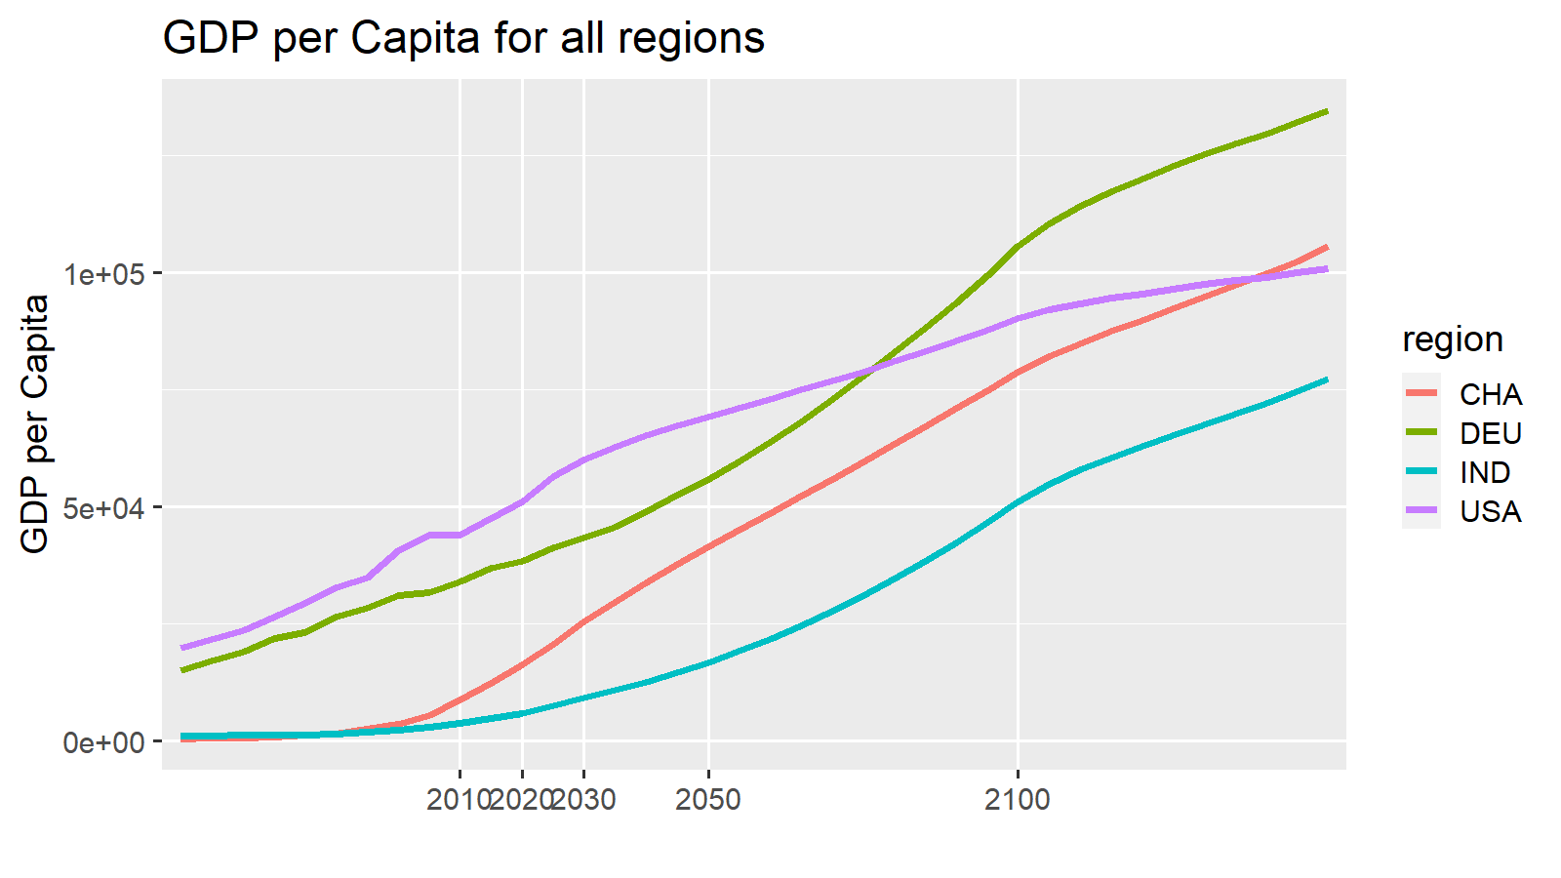
variable | unit | region | scenario | model | 2010 | 2020 | 2030 | 2050 | 2100 | 2150 |  |  |  |  |  |  |  |  |  |  |  |  |  |  |  |  |  |  | 2010 | ETP15 | 2020 | ETP25 | 2030 | 2040 | 2050 | ETP50 | 2060 | 2070 | 2080 | 2090 | 2100
ES|Transport|Pass|Aviation|International|Share | % | CHA | Mix2 | EDGE-Transport | 1.9 | 1.9 | 1.9 | 1.9 | 1.9 | 1.8 |  |  |  |  |  |  |  |  |  |  |  |  |  |  |  |  |  | Walk | 2.4 |  | 2.3 |  | 1.2 | 0.9 | 0.6 |  | 1.14 | 1.68 | 2.22 | 2.76 | 3.3
ES|Transport|Pass|Road|LDV|Share | % | CHA | Mix2 | EDGE-Transport | 22.5 | 57.5 | 58 | 61.4 | 47.7 | 12.4 |  |  |  |  |  |  |  |  |  |  |  |  |  |  |  |  |  | Cycle | 9.1 |  | 2.4 |  | 2.3 | 1.75 | 1.2 |  | 1.4 | 1.6 | 1.8 | 2 | 2.2
ES|Transport|Pass|Road|Bus|Share | % | CHA | Mix2 | EDGE-Transport | 61.9 | 16.7 | 17.3 | 14.4 | 11.6 | 4.9 |  |  |  |  |  |  |  |  |  |  |  |  |  |  |  |  |  | LDV | 22.5 |  | 57.5 |  | 58 | 59.7 | 61.4 |  | 58.66 | 55.92 | 53.18 | 50.44 | 47.7
ES|Transport|Pass|Rail|non-HSR|Share | % | CHA | Mix2 | EDGE-Transport | 0.2 | 10.7 | 11.8 | 10.8 | 20.2 | 75.4 |  |  |  |  |  |  |  |  |  |  |  |  |  |  |  |  |  | Bus | 61.9 |  | 16.7 |  | 17.3 | 15.85 | 14.4 |  | 13.84 | 13.28 | 12.72 | 12.16 | 11.6
ES|Transport|Pass|Aviation|Domestic|Share | % | CHA | Mix2 | EDGE-Transport | 1.4 | 3.3 | 3.3 | 5.7 | 0 | 0 |  |  |  |  |  |  |  |  |  |  |  |  |  |  |  |  |  | Rail | 0.2 |  | 10.7 |  | 11.8 | 11.3 | 10.8 |  | 12.68 | 14.56 | 16.44 | 18.32 | 20.2
ES|Transport|Pass|Rail|HSR|Share | % | CHA | Mix2 | EDGE-Transport | 0.6 | 5.2 | 4.2 | 4 | 13.1 | 0 |  |  |  |  |  |  |  |  |  |  |  |  |  |  |  |  |  | Rail-HSR | 0.6 |  | 5.2 |  | 4.2 | 4.1 | 4 |  | 5.82 | 7.64 | 9.46 | 11.28 | 13.1
ES|Transport|Pass|Road|Non-Motorized|Walking|Share | % | CHA | Mix2 | EDGE-Transport | 2.4 | 2.3 | 1.2 | 0.6 | 3.3 | 3.3 |  |  |  |  |  |  |  |  |  |  |  |  |  |  |  |  |  | AvDom | 1.4 |  | 3.3 |  | 3.3 | 4.5 | 5.7 |  | 4.56 | 3.42 | 2.28 | 1.14 | 0
ES|Transport|Pass|Road|Non-Motorized|Cycling|Share | % | CHA | Mix2 | EDGE-Transport | 9.1 | 2.4 | 2.3 | 1.2 | 2.2 | 2.2 |  |  |  |  |  |  |  |  |  |  |  |  |  |  |  |  |  | AvInt | 1.9 |  | 1.9 |  | 1.9 | 1.9 | 1.9 |  | 1.9 | 1.9 | 1.9 | 1.9 | 1.9
Total |  |  |  |  | 100 | 100 | 100 | 100 | 100 | 100

 | Walk | Cycle | LDV | Bus | Rail | Rail-HSR | AvDom | AvInt
2010 | 2.4 | 9.3 | 23 | 63 | 0 | 0.6 | 1 | 2
ETP15 | 1.7 | 6.65 | 61 | 15 | 11 |  | 6
2020 | 1 | 4 | 60 | 14 | 8 | 6 | 4 | 3.5
ETP25 | 1.55 | 3.15 | 68 | 10 | 9 |  | 9
2030 | 2.1 | 2.3 | 58 | 14 | 6 | 7 | 5 | 5.7692307692
2040 | 1.95 | 2.1 | 57 | 13 | 6 | 7.5 | 6 | 7.7389843167
2050 | 1.8 | 1.9 | 56 | 12 | 5 | 8 | 7 | 9.7087378641
ETP50 | 3.7 |  | 58 | 9 | 8 |  |  | 21.022179364
2060 | 1.62 | 1.7 | 56 | 11 | 5 | 8 | 7 | 10.119931468
2070 | 1.44 | 1.5 | 56 | 11 | 5 | 8 | 8 | 10.531125071
2080 | 1.26 | 1.3 | 55 | 11 | 5 | 8 | 8 | 10.942318675
2090 | 1.08 | 1.1 | 55 | 10 | 5 | 8 | 8 | 11.353512279
2100 | 0.9 | 0.9 | 55 | 10 | 5 | 8 | 9 | 11.764705882
Expectation

variable | unit | region | scenario | model | 2010 | 2020 | 2030 | 2050 | 2100 | 2150 |  |  |  |  |  |  |  |  |  |  |  |  |  |  |  |  |  |  | 2010 | ETP15 | 2020 | ETP25 | 2030 | 2040 | 2050 | ETP50 | 2060 | 2070 | 2080 | 2090 | 2100
ES|Transport|Pass|Aviation|International|Share | % | CHA | Mix2 | EDGE-Transport | 2.0 | 3.5 | 5.8 | 9.7 | 11.8 | 7.5 |  |  |  |  |  |  |  |  |  |  |  |  |  |  |  |  |  | Walk | 2.4 | 1.7 | 1 | 1.55 | 2.1 | 1.95 | 1.8 | 3.7 | 1.62 | 1.44 | 1.26 | 1.08 | 0.9
ES|Transport|Pass|Road|LDV|Share | % | CHA | Mix2 | EDGE-Transport | 23.0 | 60.0 | 57.7 | 56.3 | 54.9 | 91.9 |  |  |  |  |  |  |  |  |  |  |  |  |  |  |  |  |  | Cycle | 9.3 | 6.65 | 4 | 3.15 | 2.3 | 2.1 | 1.9 |  | 1.7 | 1.5 | 1.3 | 1.1 | 0.9
ES|Transport|Pass|Road|Bus|Share | % | CHA | Mix2 | EDGE-Transport | 63.2 | 14.2 | 14.4 | 11.7 | 9.8 | 0.5 |  |  |  |  |  |  |  |  |  |  |  |  |  |  |  |  |  | LDV | 23 | 61 | 60 | 68 | 57.692307692 | 57.001493652 | 56.310679612 | 58 | 56.028935846 | 55.747192081 | 55.465448315 | 55.18370455 | 54.901960784
ES|Transport|Pass|Rail|non-HSR|Share | % | CHA | Mix2 | EDGE-Transport | 0.2 | 8.0 | 6.0 | 5.0 | 5.0 | 0 |  |  |  |  |  |  |  |  |  |  |  |  |  |  |  |  |  | Bus | 63.2 | 15 | 14.150943396 | 10 | 14.423076923 | 13.03678118 | 11.650485437 | 9 | 11.281172663 | 10.91185989 | 10.542547116 | 10.173234342 | 9.8039215686
ES|Transport|Pass|Aviation|Domestic|Share | % | CHA | Mix2 | EDGE-Transport | 1.4 | 3.5 | 4.8 | 6.8 | 8.8 | 0.1 |  |  |  |  |  |  |  |  |  |  |  |  |  |  |  |  |  | Rail | 0.2 | 11 | 8 | 9 | 6 | 5.5 | 5 | 8 | 5 | 5 | 5 | 5 | 5
ES|Transport|Pass|Rail|HSR|Share | % | CHA | Mix2 | EDGE-Transport | 0.6 | 6.0 | 7.0 | 8.0 | 8.0 | 0 |  |  |  |  |  |  |  |  |  |  |  |  |  |  |  |  |  | Rail-HSR | 0.6 |  | 6 |  | 7 | 7.5 | 8 |  | 8 | 8 | 8 | 8 | 8
ES|Transport|Pass|Road|Non-Motorized|Walking|Share | % | CHA | Mix2 | EDGE-Transport | 2.4 | 1.0 | 2.1 | 1.8 | 0.9 | 0 |  |  |  |  |  |  |  |  |  |  |  |  |  |  |  |  |  | AvDom | 1.4 | 6 | 3.5 | 9 | 4.8076923077 | 5.8019044063 | 6.7961165049 |  | 7.2015990862 | 7.6070816676 | 8.012564249 | 8.4180468304 | 8.8235294118
ES|Transport|Pass|Road|Non-Motorized|Cycling|Share | % | CHA | Mix2 | EDGE-Transport | 9.3 | 4.0 | 2.3 | 1.9 | 0.9 | 0 |  |  |  |  |  |  |  |  |  |  | Comments |  |  |  |  |  |  | AvInt | 2 |  | 3.5 |  | 5.7692307692 | 7.7389843167 | 9.7087378641 | 21 | 10.119931468 | 10.531125071 | 10.942318675 | 11.353512279 | 11.764705882
Total |  |  |  |  | 102 | 100 | 100 | 101 | 100 | 100 |  |  |  |  |  |  |  |  |  |  | LDV strong short-term increase, but I hope ETP includes 2/3-wheelers (which don't seem fully included in the EDGE-T values, or are they?) so I reduced the increase to 61% instead of 72% as in ETP
 |  |  |  |  |  |  |  |  |  |  |  |  |  |  |  |  |  |  |  |  | also, Chinese cities are collapsing from
Difference |  |  |  |  |  |  |  |  |  |  |  |  |  |  |  |  |  |  |  |  | I think rail is more pushed than bus by the government (including high-speed), so I kept it a bit higher
 |  |  |  |  |  |  |  |  |  |  |  |  |  |  |  |  |  |  |  |  | The assumption was that HSR will make domestic aviation less attractive than eg in US and even EU
variable | unit | region | scenario | model | 2010 | 2020 | 2030 | 2050 | 2100 | 2101
ES|Transport|Pass|Aviation|Domestic|Share | bn pkm/year | CHA | SSP2-Mix2 | EDGE-Transport SA | 0.5 | 2.5 | -0.30769230769 | -5.0893203883 | 7.2019607843 | 79.5
ES|Transport|Pass|Rail|HSR|Share | bn pkm/year | CHA | SSP2-Mix2 | EDGE-Transport SA | 1.3 | -2.5490566038 | -2.8769230769 | -2.7495145631 | -1.7960784314 | -4.4
ES|Transport|Pass|Rail|non-HSR|Share | bn pkm/year | CHA | SSP2-Mix2 | EDGE-Transport SA | 0 | -2.7 | -5.8 | -5.8 | -15.2 | -75.4
ES|Transport|Pass|Road|Bus|Share | bn pkm/year | CHA | SSP2-Mix2 | EDGE-Transport SA | 0 | 0.2 | 1.5076923077 | 1.0961165049 | 8.8235294118 | 0.1
ES|Transport|Pass|Road|LDV|Share | bn pkm/year | CHA | SSP2-Mix2 | EDGE-Transport SA | 0 | 0.8 | 2.8 | 4 | -5.1 | 0
ES|Transport|Pass|Road|Non-Motorized|Walking|Share | bn pkm/year | CHA | SSP2-Mix2 | EDGE-Transport SA | 0 | -1.3 | 0.9 | 1.2 | -2.4 | -3.3
ES|Transport|Pass|Road|Non-Motorized|Cycling|Share | bn pkm/year | CHA | SSP2-Mix2 | EDGE-Transport SA | 0.2 | 1.6 | 0 | 0.7 | -1.3 | -2.2
Total |  |  |  |  | 2 | -1.4490566038 | -3.7769230769 | -6.6427184466 | -9.7705882353 | -5.7

ETP RTS data CHA |  |  |  |  |  |  |  |  |  |  |  |  |  |  |  |  |  |  |  |  |  |  |  |  |  |  |  |  | 2015 |  | 2025 |  | 2040 |  |  | 2060 | 2070
 |  |  |  |  |  |  |  |  |  |  |  |  |  |  |  |  |  |  |  |  |  |  |  |  |  |  |  | ETP + nonmotorized from EDGE
variable | unit | region | scenario | model | 2014 | 2025 | 2030 | 2050 | 2060
ES|Transport|Pass|Aviation|Share | % | CHA | historical | IEA ETP RTS | 6.8 | 9.8 | 12.1 | 21.8 | 25.3 |  |  |  |  |  |  |  |  |  |  |  |  |  |  |  |  |  |  | nonMotor | 8.35 |  | 4.7 |  |  |  | 3.7
ES|Transport|Pass|Rail|Share | % | CHA | historical | IEA ETP RTS | 11.6 | 9 | 8.4 | 8.3 | 8.6 |  |  |  |  |  |  |  |  |  |  |  |  |  |  |  |  |  |  | LDV | 61 |  | 68 |  |  |  | 58
ES|Transport|Pass|Road|Bus|Share | % | CHA | historical | IEA ETP RTS | 15.8 | 10.3 | 9.1 | 9.2 | 9.7 |  |  |  |  |  |  |  |  |  |  |  |  |  |  |  |  |  |  | Bus | 15 |  | 10 |  |  |  | 9
ES|Transport|Pass|Road|LDV|Share | % | CHA | historical | IEA ETP RTS | 65.7 | 70.8 | 70.3 | 60.6 | 56.4 |  |  |  |  |  |  |  |  |  |  |  |  |  |  |  |  |  |  | Rail | 11 |  | 9 |  |  |  | 8
 |  |  |  |  |  |  |  |  |  |  |  |  |  |  |  |  |  |  |  |  |  |  |  |  |  |  |  | Aviation | 6 |  | 9 |  |  |  | 21

Shareweight support points based on Expectaion

 |  | Lambda road | -2
 |  | Lambda above | -3

This is inserted from an EDGE-T run | mode costs from EDGE-T (including value of time etc) | mode | 2010 | 2015 | 2020 | 2025 | 2030 | 2035 | 2040 | 2045 | 2050 | 2055 | 2060 | 2070 | 2080 | 2090 | 2100
 |  | trn_pass_road_LDV | 0.08062025058 | 0.092342466484 | 0.11261902752 | 0.12715491275 | 0.1409240376 | 0.15315384702 | 0.16301319158 | 0.17301614853 | 0.18171916701 | 0.18865708982 | 0.19532004718 | 0.20952840314 | 0.22262631262 | 0.23458776811 | 0.24551512627
 |  | Bus | 0.084635185528 | 0.093375299723 | 0.10398989546 | 0.11644457759 | 0.12850253405 | 0.13825255602 | 0.14705662356 | 0.15515947296 | 0.16182986012 | 0.16730722011 | 0.17271510594 | 0.18451914061 | 0.19513428047 | 0.20430498156 | 0.2123574051
 |  | Passenger Rail | 0.034759434144 | 0.039562198695 | 0.045423875893 | 0.053695584039 | 0.062374823159 | 0.069675015236 | 0.07657753489 | 0.083421288041 | 0.089569601887 | 0.095210953831 | 0.10076677894 | 0.11264286516 | 0.12413496301 | 0.1346250634 | 0.1444883647
 |  | Domestic Aviation | 0.17213703654 | 0.16389474725 | 0.15362299712 | 0.1513253975 | 0.15283585581 | 0.14885734892 | 0.15079746257 | 0.15767747335 | 0.16416291406 | 0.1729801913 | 0.18001171375 | 0.1839067548 | 0.18348415129 | 0.17909202408 | 0.18020331152
 |  | HSR | 0.1053280059 | 0.13547830217 | 0.16707731084 | 0.17206996078 | 0.17821936238 | 0.18130283286 | 0.17756862881 | 0.1742780802 | 0.17091489512 | 0.17341562306 | 0.17517515875 | 0.17897982238 | 0.1837856842 | 0.18715787539 | 0.19017287387
 |  | Walk | 0.30220033149 | 0.36010630586 | 0.42966282013 | 0.53306438216 | 0.64192509625 | 0.74360885664 | 0.84478872979 | 0.94525327952 | 1.0398202737 | 1.1283644276 | 1.2209089987 | 1.4291224271 | 1.6420065358 | 1.8555727002 | 2.0675231241
 |  | Cycle | 0.096704106077 | 0.11523401787 | 0.13749210244 | 0.17058060229 | 0.2054160308 | 0.23795483413 | 0.27033239353 | 0.30248104945 | 0.33274248759 | 0.36107661683 | 0.39069087959 | 0.45731917667 | 0.52544209147 | 0.59378326406 | 0.66160739971
 |  | trn_pass_road | 0.083564096485 | 0.092854431362 | 0.11067325769 | 0.12553123232 | 0.13806828266 | 0.14901863766 | 0.15869248188 | 0.16881152652 | 0.1779378579 | 0.18538658205 | 0.19239792863 | 0.20662511883 | 0.21889827861 | 0.22950247655 | 0.23902710895

 |  |  |  |  |  |  |  |  |  |  |  |  |  |  |  |  |  |  |  |  | These shareweights are finally red by EDGE-Tas support points for the spline or linesr interpolation
 | SW | mode | 2010 | 2015 | 2020 | 2025 | 2030 | 2035 | 2040 | 2045 | 2050 | 2055 | 2060 | 2070 | 2080 | 2090 | 2100 | Normalized Shareweights |  |  | mode | region | 2020 | 2030 | 2050 | 2090 | 2150
This is inserted from an EDGE-T run |  | trn_pass_road_LDV | 0.33013904403 | 0.33013904403 | 0.33013904403 | 0.33013904403 | 0.33013904403 | 0.33013904403 | 0.33013904403 | 0.33013904403 | 0.33013904403 | 0.33013904403 | 0.33013904403 | 0.33013904403 | 0.33013904403 | 0.33013904403 | 0.33013904403 |  |  |  | trn_pass_road_LDV | CHA | 1 | 1 | 1 | 1 | 1
 |  | Bus | 1 | 0.532 | 0.064 | 0.052 | 0.04 | 0.035 | 0.03 | 0.025 | 0.02 | 0.019 | 0.018 | 0.016 | 0.014 | 0.012 | 0.01 |  |  |  | Bus | CHA | 0.19385771286 | 0.12116107054 | 0.060580535268 | 0.036348321161 | 0.0030830049108
 |  | Passenger Rail | 0.0001077360042 | 5.4810692138E-05 | 1.8853800736E-06 | 2.2893900893E-06 | 2.6934001051E-06 | 2.9627401156E-06 | 3.2320801261E-06 | 3.5014201366E-06 | 3.7707601471E-06 | 3.6091561408E-06 | 3.4475521345E-06 | 3.1243441219E-06 | 2.8011361093E-06 | 2.4779280967E-06 | 2.1547200841E-06 |  |  |  | Passenger Rail | CHA | 3.3517867974E-05 | 2.851335182E-05 | 7.5415202942E-06 | 7.6954288716E-07 | 4.2183823281E-07
 |  | Domestic Aviation | 0.11098717517 | 0.057331812676 | 0.0036764501776 | 0.0046129044682 | 0.0055493587587 | 0.0069366984483 | 0.008324038138 | 0.0097113778277 | 0.011098717517 | 0.010765755992 | 0.010432794466 | 0.0097668714153 | 0.0091009483642 | 0.0084350253132 | 0.0077691022622 |  |  |  | Domestic Aviation | CHA | 0.065359114269 | 0.058747609895 | 0.022197435035 | 0.0026195730786 | 0.0013397505345
 |  | HSR | 0.0099480289433 | 0.0099480289433 | 0.0099480289433 | 0.0099480289433 | 0.0099480289433 | 0.0099480289433 | 0.0099480289433 | 0.0099480289433 | 0.0099480289433 | 0.0098485486539 | 0.0097490683645 | 0.0095501077856 | 0.0093511472067 | 0.0091521866279 | 0.008953226049 |  |  |  | HSR | CHA | 0.17685384788 | 0.1053135955 | 0.019896057887 | 0.0028422939838 | 0.0022106660614
 |  | Walk | 1 | 0.528125 | 0.05625 | 0.06875 | 0.08125 | 0.1859375 | 0.290625 | 0.3953125 | 0.5 | 0.84 | 1.18 | 1.86 | 2.54 | 3.22 | 3.9 |  |  |  | Walk | CHA | 1 | 0.86014321862 | 1 | 1 | 1
 |  | Cycle | 0.12605227479 | 0.064010920793 | 0.0019695667936 | 0.0024028714882 | 0.0028361761828 | 0.0059087003809 | 0.008981224579 | 0.012053748777 | 0.015126272975 | 0.026218873157 | 0.037311473339 | 0.059496673702 | 0.081681874065 | 0.10386707443 | 0.12605227479 |  |  |  | Cycle | CHA | 0.035014520776 | 0.03002483336 | 0.03025254595 | 0.032256855413 | 0.032321096022
 |  | trn_pass_road | 0.75568810627 | 0.40145930646 | 0.047230506642 | 0.070845759963 | 0.094461013284 | 0.12988389326 | 0.16530677325 | 0.20072965323 | 0.23615253321 | 0.23615253321 | 0.23615253321 | 0.23615253321 | 0.23615253321 | 0.23615253321 | 0.23615253321 |  |  |  | trn_pass_road | CHA | 0.83965345141 | 1 | 0.47230506642 | 0.073339296028 | 0.053810049807

 |  | subsum road | 190.4 | 99.7 | 31.9 | 24.3 | 19.0 | 15.9 | 13.8 | 12.1 | 10.8 | 10.0 | 9.3 | 8.0 | 7.0 | 6.3 | 5.7
 |  | subsum above | 1503.5 | 572.5 | 39.5 | 40.1 | 39.8 | 43.9 | 46.5 | 47.0 | 47.3 | 42.2 | 38.0 | 31.3 | 26.6 | 23.4 | 20.8

 | target mode shares |  |  |  | 2020 |  |  |  | 2030 |  |  |  |  | 2050 |  |  |  | 2100
 |  |  |  |  | Target | results | difference |  | Target | results | difference |  |  | Target | results | difference |  | Target | results | difference
 |  | LDV in road |  |  | 81% | 81% | -1% |  | 80% | 87% | -7% |  |  | 83% | 93% | -10% |  | 85% | 96% | -11%
 |  | Bus in road |  |  | 19% | 19% | 1% |  | 20% | 13% | 7% |  |  | 17% | 7% | 10% |  | 15% | 4% | 11%
Enter the target values into the pink fields | Share in total | LDV |  |  | 62.08% | 72% | -10% |  | 61.16% | 79% | -17% |  |  | 61.57% | 82% | -21% |  | 62% | 80% | -18%
 |  | Bus |  |  | 14.64% | 16% | -2% |  | 15.29% | 11% | 4% |  |  | 12.74% | 6% | 6% |  | 11% | 3% | 8%
 |  | Rail |  |  | 8.28% | 0% | 8% |  | 6.36% | 0% | 6% |  |  | 5.47% | 0% | 5% |  | 6% | 0% | 6%
 |  | Dom Aviation |  |  | 3.62% | 3% | 1% |  | 5.10% | 4% | 1% |  |  | 7.43% | 5% | 2% |  | 10% | 6% | 4%
 |  | HSR |  |  | 6.21% | 5% | 1% |  | 7.42% | 4% | 3% |  |  | 8.75% | 4% | 5% |  | 9% | 6% | 3%
 |  | Walk |  |  | 1.03% | 2% | -1% |  | 2.23% | 1% | 1% |  |  | 1.97% | 1% | 1% |  | 1% | 2% | -1%
 |  | Cycle |  |  | 4.14% | 2% | 2% |  | 2.44% | 1% | 2% |  |  | 2.08% | 1% | 1% |  | 1% | 2% | -1%

 | total |  |  |  | 100% | 100% |  |  | 100% | 100% |  |  |  | 100% | 100% |  |  | 100% | 100%

 | SW multipliers |  |  |  |  | 2020 |  |  |  | 2030 |  |  |  |  | 2050 |  |  |  | 2100
Change by hand - first dark green, then light green, until the difference values below are small |  | LDV |  |  |  | 1 |  |  |  | 1 |  |  |  |  | 1 |  |  |  | 1
 |  | Bus |  |  |  | 0.064 |  |  |  | 0.04 |  |  |  |  | 0.02 |  |  |  | 0.01
 |  | Rail |  |  |  | 0.0175 |  |  |  | 0.025 |  |  |  |  | 0.035 |  |  |  | 0.02
 |  | Dom Aviation |  |  |  | 0.033125 |  |  |  | 0.05 |  |  |  |  | 0.1 |  |  |  | 0.07
 |  | HSR |  |  |  | 1 |  |  |  | 1 |  |  |  |  | 1 |  |  |  | 0.9
 |  | Walk |  |  |  | 0.05625 |  |  |  | 0.08125 |  |  |  |  | 0.5 |  |  |  | 3.9
 |  | Cycle |  |  |  | 0.015625 |  |  |  | 0.0225 |  |  |  |  | 0.12 |  |  |  | 1
 |  | Road |  |  |  | 0.0625 |  |  |  | 0.125 |  |  |  |  | 0.3125 |  |  |  | 0.3125

 | all resultig ES shares |  | 2010 | 2015 | 2020 | 2025 | 2030 | 2035 | 2040 | 2045 | 2050 | 2055 | 2060 | 2070 | 2080 | 2090 | 2100
 |  | LDV in road | 26.7% | 38.8% | 81.5% | 84.2% | 87.3% | 88.5% | 90.0% | 91.4% | 92.9% | 93.2% | 93.5% | 94.1% | 94.8% | 95.4% | 96.1%
 |  | Bus in road | 73.3% | 61.2% | 18.5% | 15.8% | 12.7% | 11.5% | 10.0% | 8.6% | 7.1% | 6.8% | 6.5% | 5.9% | 5.2% | 4.6% | 3.9%
 | Share in total | LDV | 23.0% | 34.0% | 71.9% | 75.3% | 78.6% | 79.1% | 80.0% | 81.2% | 82.4% | 81.9% | 81.5% | 80.6% | 80.1% | 79.7% | 79.9%
 |  | Bus | 63.2% | 53.6% | 16.4% | 14.1% | 11.5% | 10.3% | 8.9% | 7.6% | 6.3% | 6.0% | 5.7% | 5.0% | 4.4% | 3.8% | 3.2%
 |  | Rail | 0.2% | 0.2% | 0.1% | 0.0% | 0.0% | 0.0% | 0.0% | 0.0% | 0.0% | 0.0% | 0.0% | 0.0% | 0.0% | 0.0% | 0.0034%
 |  | Dom Aviation | 1.4% | 2.3% | 2.6% | 3.3% | 3.9% | 4.8% | 5.2% | 5.3% | 5.3% | 4.9% | 4.7% | 5.0% | 5.5% | 6.3% | 6.3833%
 |  | HSR | 0.6% | 0.7% | 5.4% | 4.9% | 4.4% | 3.8% | 3.8% | 4.0% | 4.2% | 4.5% | 4.8% | 5.3% | 5.7% | 6.0% | 6.2588%
 |  | Walk | 2.4% | 2.0% | 1.8% | 1.1% | 0.8% | 1.0% | 1.0% | 1.0% | 0.9% | 1.4% | 1.7% | 2.0% | 2.2% | 2.2% | 2.1216%
 |  | Cycle | 9.3% | 7.3% | 1.9% | 1.2% | 0.8% | 1.0% | 1.0% | 0.9% | 0.9% | 1.3% | 1.6% | 2.0% | 2.1% | 2.1% | 2.0927%
 |  | trn_pass_road | 86.1% | 87.6% | 88.3% | 89.4% | 90.1% | 89.4% | 88.9% | 88.8% | 88.7% | 87.9% | 87.2% | 85.6% | 84.5% | 83.5% | 83.1401%
 | total |  | 100% | 100% | 100% | 100% | 100% | 100% | 100% | 100% | 100% | 100% | 100% | 100% | 100% | 100% | 100%

DEU
 | Walk | Cycle | LDV | Bus | Rail | Rail-HSR | AvDom | AvInt
2010 | 2.5 | 0.8 | 74.9 | 6.7 | 0.6 | 0.2 | 0.4 | 14
ETP15
2020 | 2.4 | 0.8 | 82.7 | 0.1 | 0.1 | 0 | 0.4 | 13.4
ETP25
2030 | 2.1 | 0.7 | 83.7 | 0.1 | 0.1 | 0 | 0.4 | 12.9
2040 | 1.85 | 0.6 | 84.55 | 0.05 | 0.1 | 0.05 | 0.45 | 12.35
2050 | 1.6 | 0.5 | 85.4 | 0 | 0.1 | 0.1 | 0.5 | 11.8
ETP50
2060 | 1.44 | 0.46 | 85.82 | 0.04 | 0.1 | 0.1 | 0.54 | 11.5
2070 | 1.28 | 0.42 | 86.24 | 0.08 | 0.1 | 0.1 | 0.58 | 11.2
2080 | 1.12 | 0.38 | 86.66 | 0.12 | 0.1 | 0.1 | 0.62 | 10.9
2090 | 0.96 | 0.34 | 87.08 | 0.16 | 0.1 | 0.1 | 0.66 | 10.6
2100 | 0.8 | 0.3 | 87.5 | 0.2 | 0.1 | 0.1 | 0.7 | 10.3
EDGE-T SA results

variable | unit | region | scenario | model | 2010 | 2020 | 2030 | 2050 | 2100 | 2150 |  |  |  |  |  |  |  |  |  |  |  |  |  |  |  |  |  |  | 2010 | ETP15 | 2020 | ETP25 | 2030 | 2040 | 2050 | ETP50 | 2060 | 2070 | 2080 | 2090 | 2100
ES|Transport|Pass|Aviation|International|Share | % | DEU | Mix2 | EDGE-Transport | 14 | 13.4 | 12.9 | 11.8 | 10.3 | 9.9 |  |  |  |  |  |  |  |  |  |  |  |  |  |  |  |  |  | Walk | 2.5 |  | 2.4 |  | 2.1 | 1.85 | 1.6 |  | 1.44 | 1.28 | 1.12 | 0.96 | 0.8
ES|Transport|Pass|Road|LDV|Share | % | DEU | Mix2 | EDGE-Transport | 74.9 | 82.7 | 83.7 | 85.4 | 87.5 | 88.5 |  |  |  |  |  |  |  |  |  |  |  |  |  |  |  |  |  | Cycle | 0.8 |  | 0.8 |  | 0.7 | 0.6 | 0.5 |  | 0.46 | 0.42 | 0.38 | 0.34 | 0.3
ES|Transport|Pass|Road|Bus|Share | % | DEU | Mix2 | EDGE-Transport | 6.7 | 0.1 | 0.1 | 0 | 0.2 | 0.4 |  |  |  |  |  |  |  |  |  |  |  |  |  |  |  |  |  | LDV | 74.9 |  | 82.7 |  | 83.7 | 84.55 | 85.4 |  | 85.82 | 86.24 | 86.66 | 87.08 | 87.5
ES|Transport|Pass|Rail|non-HSR|Share | % | DEU | Mix2 | EDGE-Transport | 0.6 | 0.1 | 0.1 | 0.1 | 0.1 | 0 |  |  |  |  |  |  |  |  |  |  |  |  |  |  |  |  |  | Bus | 6.7 |  | 0.1 |  | 0.1 | 0.05 | 0 |  | 0.04 | 0.08 | 0.12 | 0.16 | 0.2
ES|Transport|Pass|Aviation|Domestic|Share | % | DEU | Mix2 | EDGE-Transport | 0.4 | 0.4 | 0.4 | 0.5 | 0.7 | 0 |  |  |  |  |  |  |  |  |  |  |  |  |  |  |  |  |  | Rail | 0.6 |  | 0.1 |  | 0.1 | 0.1 | 0.1 |  | 0.1 | 0.1 | 0.1 | 0.1 | 0.1
ES|Transport|Pass|Rail|HSR|Share | % | DEU | Mix2 | EDGE-Transport | 0.2 | 0 | 0 | 0.1 | 0.1 | 0 |  |  |  |  |  |  |  |  |  |  |  |  |  |  |  |  |  | Rail-HSR | 0.2 |  | 0 |  | 0 | 0.05 | 0.1 |  | 0.1 | 0.1 | 0.1 | 0.1 | 0.1
ES|Transport|Pass|Road|Non-Motorized|Walking|Share | % | DEU | Mix2 | EDGE-Transport | 2.5 | 2.4 | 2.1 | 1.6 | 0.8 | 0.8 |  |  |  |  |  |  |  |  |  |  |  |  |  |  |  |  |  | AvDom | 0.4 |  | 0.4 |  | 0.4 | 0.45 | 0.5 |  | 0.54 | 0.58 | 0.62 | 0.66 | 0.7
ES|Transport|Pass|Road|Non-Motorized|Cycling|Share | % | DEU | Mix2 | EDGE-Transport | 0.8 | 0.8 | 0.7 | 0.5 | 0.3 | 0.3 |  |  |  |  |  |  |  |  |  |  |  |  |  |  |  |  |  | AvInt | 14 |  | 13.4 |  | 12.9 | 12.35 | 11.8 |  | 11.5 | 11.2 | 10.9 | 10.6 | 10.3
Total |  |  |  |  | 100 | 100 | 100 | 100 | 100 | 100

Expectation
 | Walk | Cycle | LDV | Bus | Rail | Rail-HSR | AvDom | AvInt
2010 | 2.5 | 0.8 | 75 | 7 | 1 | 0.2 | 0 | 14
ETP15 | 2.45 | 0.8 | 62 | 7 | 9 |  | 20
2020 | 2.4 | 0.8 | 83 | 0 | 0 | 0 | 0 | 13.4
ETP25 | 2.35 | 0.8 | 58 | 6 | 9 |  | 24
2030 | 2.3 | 0.8 | 82 | 0 | 0 | 0 | 0 | 13.9
2040 | 2.2 | 0.75 | 82 | 0 | 0 | 0 | 0 | 14.35
2050 | 2.1 | 0.7 | 82 | 0 | 0 | 0 | 0 | 14.8
ETP50 | 2.8 |  | 53 | 5 | 8 |  | 32
2060 | 1.98 | 0.66 | 82 | 0 | 0 | 0 | 0 | 15.26
2070 | 1.86 | 0.62 | 81 | 0 | 0 | 0 | 0 | 15.72
2080 | 1.74 | 0.58 | 81 | 0 | 0 | 0 | 0 | 16.18
2090 | 1.62 | 0.54 | 81 | 0 | 0 | 0 | 0 | 16.64
2100 | 1.5 | 0.5 | 80 | 0 | 0 | 0 | 0 | 17.1
variable | unit | region | scenario | model | 2010 | 2020 | 2030 | 2050 | 2100 | 2150 |  |  |  |  |  |  |  |  |  |  |  |  |  |  |  |  |  |  | 2010 | ETP15 | 2020 | ETP25 | 2030 | 2040 | 2050 | ETP50 | 2060 | 2070 | 2080 | 2090 | 2100
ES|Transport|Pass|Aviation|International|Share | % | DEU | Mix2 | EDGE-Transport | 14 | 13.4 | 13.9 | 14.8 | 17.1 | 19.4 |  |  |  |  |  |  |  |  |  |  |  |  |  |  |  |  |  | Walk | 2.5 | 2.45 | 2.4 | 2.35 | 2.3 | 2.2 | 2.1 | 2.8 | 1.98 | 1.86 | 1.74 | 1.62 | 1.5
ES|Transport|Pass|Road|LDV|Share | % | DEU | Mix2 | EDGE-Transport | 74.9 | 82.7 | 82.4 | 81.8 | 80.3 | 78.8 |  |  |  |  |  |  |  |  |  |  |  |  |  |  |  |  |  | Cycle | 0.8 | 0.8 | 0.8 | 0.8 | 0.8 | 0.75 | 0.7 |  | 0.66 | 0.62 | 0.58 | 0.54 | 0.5
ES|Transport|Pass|Road|Bus|Share | % | DEU | Mix2 | EDGE-Transport | 6.7 | 0.1 | 0.1 | 0.2 | 0.4 | 0.6 |  |  |  |  |  |  |  |  |  |  |  |  |  |  |  |  |  | LDV | 74.9 | 62 | 82.7 | 58 | 82.4 | 82.1 | 81.8 | 53 | 81.5 | 81.2 | 80.9 | 80.6 | 80.3
ES|Transport|Pass|Rail|non-HSR|Share | % | DEU | Mix2 | EDGE-Transport | 0.6 | 0.1 | 0.1 | 0.1 | 0.1 | 0 |  |  |  |  |  |  |  |  |  |  |  |  |  |  |  |  |  | Bus | 6.7 | 7 | 0.1 | 6 | 0.1 | 0.15 | 0.2 | 5 | 0.24 | 0.28 | 0.32 | 0.36 | 0.4
ES|Transport|Pass|Aviation|Domestic|Share | % | DEU | Mix2 | EDGE-Transport | 0.4 | 0.4 | 0.3 | 0.3 | 0.1 | 0 |  |  |  |  |  |  |  |  |  |  |  |  |  |  |  |  |  | Rail | 0.6 | 9 | 0.1 | 9 | 0.1 | 0.1 | 0.1 | 8 | 0.1 | 0.1 | 0.1 | 0.1 | 0.1
ES|Transport|Pass|Rail|HSR|Share | % | DEU | Mix2 | EDGE-Transport | 0.2 | 0 | 0 | 0 | 0 | 0 |  |  |  |  |  |  |  |  |  |  | Comments |  |  |  |  |  |  | Rail-HSR | 0.2 |  | 0 |  | 0 | 0 | 0 |  | 0 | 0 | 0 | 0 | 0
ES|Transport|Pass|Road|Non-Motorized|Walking|Share | % | DEU | Mix2 | EDGE-Transport | 2.5 | 2.4 | 2.3 | 2.1 | 1.5 | 0.9 |  |  |  |  |  |  |  |  |  |  |  |  |  |  |  |  |  | AvDom | 0.4 | 20 | 0.4 | 24 | 0.3 | 0.3 | 0.3 | 32 | 0.26 | 0.22 | 0.18 | 0.14 | 0.1
ES|Transport|Pass|Road|Non-Motorized|Cycling|Share | % | DEU | Mix2 | EDGE-Transport | 0.8 | 0.8 | 0.8 | 0.7 | 0.5 | 0.3 |  |  |  |  |  |  |  |  |  |  |  |  |  |  |  |  |  | AvInt | 14 |  | 13.4 |  | 13.9 | 14.35 | 14.8 |  | 15.26 | 15.72 | 16.18 | 16.64 | 17.1
Total |  |  |  |  | 100 | 100 | 100 | 100 | 100 | 100

Difference

variable | unit | region | scenario | model | 2010 | 2020 | 2030 | 2050 | 2100 | 2101
ES|Transport|Pass|Aviation|Domestic|Share | bn pkm/year | DEU | SSP2-Mix2 | EDGE-Transport SA | 1.8 | 0 | -0.1 | -0.3 | -0.6 | 0
ES|Transport|Pass|Rail|HSR|Share | bn pkm/year | DEU | SSP2-Mix2 | EDGE-Transport SA | 0 | 0 | 0 | -0.1 | -0.1 | 0
ES|Transport|Pass|Rail|non-HSR|Share | bn pkm/year | DEU | SSP2-Mix2 | EDGE-Transport SA | 0 | 0 | 0 | 0 | 0 | -0.1
ES|Transport|Pass|Road|Bus|Share | bn pkm/year | DEU | SSP2-Mix2 | EDGE-Transport SA | 0 | 0 | 0 | 0.2 | 0.3 | 0.3
ES|Transport|Pass|Road|LDV|Share | bn pkm/year | DEU | SSP2-Mix2 | EDGE-Transport SA | 0 | 0 | -0.3 | -0.7 | -0.6 | -0.5
ES|Transport|Pass|Road|Non-Motorized|Walking|Share | bn pkm/year | DEU | SSP2-Mix2 | EDGE-Transport SA | 0 | 0 | 0.1 | 0.2 | 0.3 | 0.1
ES|Transport|Pass|Road|Non-Motorized|Cycling|Share | bn pkm/year | DEU | SSP2-Mix2 | EDGE-Transport SA | 0 | 0 | 0.3 | 0.6 | 0.8 | 0.2
Total |  |  |  |  | 1.8 | 0 | 3.108624469E-15 | -0.1 | 0.1 | 0

ETP RTS data DEU |  |  |  |  |  |  |  |  |  |  |  |  |  |  |  |  |  |  |  |  |  |  |  |  |  |  |  |  | 2015 |  | 2025 |  | 2040 |  |  | 2060 | 2070
 |  |  |  |  |  |  |  |  |  |  |  |  |  |  |  |  |  |  |  |  |  |  |  |  |  |  |  | ETP + nonmotorized from EDGE
variable | unit | region | scenario | model | 2014 | 2025 | 2030 | 2050 | 2060
ES|Transport|Pass|Aviation|Share | % | DEU | historical | IEA ETP RTS | 20.4 | 24.6 | 25.9 | 33.2 | 37.3 |  |  |  |  |  |  |  |  |  |  |  |  |  |  |  |  |  |  | nonMotor | 3.25 |  | 3.15 |  |  |  | 2.8
ES|Transport|Pass|Rail|Share | % | DEU | historical | IEA ETP RTS | 9 | 8.9 | 8.6 | 7.8 | 7.4 |  |  |  |  |  |  |  |  |  |  |  |  |  |  |  |  |  |  | LDV | 62 |  | 58 |  |  |  | 53
ES|Transport|Pass|Road|Bus|Share | % | DEU | historical | IEA ETP RTS | 7 | 6.4 | 5.9 | 5 | 4.6 |  |  |  |  |  |  |  |  |  |  |  |  |  |  |  |  |  |  | Bus | 7 |  | 6 |  |  |  | 5
ES|Transport|Pass|Road|LDV|Share | % | DEU | historical | IEA ETP RTS | 63.6 | 60.2 | 59.5 | 54 | 50.7 |  |  |  |  |  |  |  |  |  |  |  |  |  |  |  |  |  |  | Rail | 9 |  | 9 |  |  |  | 8
 |  |  |  |  |  |  |  |  |  |  |  |  |  |  |  |  |  |  |  |  |  |  |  |  |  |  |  | Aviation | 20 |  | 24 |  |  |  | 32

Shareweight support points based on Expectaion

 |  | Lambda road | -2
 |  | Lambda above | -3

This is inserted from an EDGE-T run | mode costs from EDGE-T (including value of time etc) | mode | 2010 | 2015 | 2020 | 2025 | 2030 | 2035 | 2040 | 2045 | 2050 | 2055 | 2060 | 2070 | 2080 | 2090 | 2100
 |  | trn_pass_road_LDV | 0.65926903763 | 0.6859186911 | 0.69429725773 | 0.72337855363 | 0.74293410865 | 0.76461384657 | 0.7969578144 | 0.83097888349 | 0.86477886752 | 0.89994343382 | 0.93974926318 | 1.0263910568 | 1.1187538778 | 1.2154302381 | 1.321277892
 |  | Bus | 0.53800763611 | 0.57941165859 | 0.59790242263 | 0.63438168096 | 0.65509118703 | 0.67998197118 | 0.71581989376 | 0.75332767763 | 0.79048946725 | 0.82926634257 | 0.87338577611 | 0.97035960383 | 1.0743599402 | 1.18355726 | 1.3037286441
 |  | Passenger Rail | 0.53328584041 | 0.5627632928 | 0.57536561941 | 0.61110559974 | 0.63118021865 | 0.64998274718 | 0.67807870919 | 0.70816663351 | 0.7383299928 | 0.76945620932 | 0.80495128599 | 0.88397888675 | 0.9686098885 | 1.0580268435 | 1.1564941263
 |  | Domestic Aviation | 0.31462024705 | 0.30703022008 | 0.29597045183 | 0.30465665591 | 0.2997446257 | 0.29497141349 | 0.30377046807 | 0.31238471663 | 0.32388013029 | 0.33934152779 | 0.35317071709 | 0.37910510705 | 0.40629866519 | 0.43316243079 | 0.46263062655
 |  | HSR | 0.36654624863 | 0.37521424002 | 0.37906932997 | 0.39778056954 | 0.40603342729 | 0.41052929496 | 0.41924228566 | 0.42892117512 | 0.43862254916 | 0.44837898259 | 0.45981826446 | 0.4866645307 | 0.51546474758 | 0.546241759 | 0.58007126452
 |  | Walk | 4.6315933873 | 5.0415509693 | 5.2243746975 | 5.6197777851 | 5.9042876124 | 6.2368687197 | 6.6789061709 | 7.1501488638 | 7.6258833023 | 8.125571496 | 8.6919884575 | 9.9402359058 | 11.299770128 | 12.757635866 | 14.386731918
 |  | Cycle | 1.4821098839 | 1.6132963102 | 1.6717999032 | 1.7983288912 | 1.889372036 | 1.9957979903 | 2.1372499747 | 2.2880476364 | 2.4402826567 | 2.6001828787 | 2.7814363064 | 3.1808754899 | 3.6159264408 | 4.0824434772 | 4.6037542137
 |  | trn_pass_road | 0.64936428686 | 0.68130811265 | 0.69420586322 | 0.72337855363 | 0.74287054221 | 0.76406550951 | 0.79641065235 | 0.83066789069 | 0.86474134216 | 0.89994343382 | 0.93974926318 | 1.0263910568 | 1.1187538778 | 1.2154160504 | 1.3212403639

 |  |  |  |  |  |  |  |  |  |  |  |  |  |  |  |  |  |  |  |  | These shareweights are finally red by EDGE-Tas support points for the spline or linesr interpolation
 | SW | mode | 2010 | 2015 | 2020 | 2025 | 2030 | 2035 | 2040 | 2045 | 2050 | 2055 | 2060 | 2070 | 2080 | 2090 | 2100 | Normalized Shareweights |  |  | mode | region | 2020 | 2030 | 2050 | 2090 | 2150
This is inserted from an EDGE-T run |  | trn_pass_road_LDV | 1 | 1 | 1 | 1 | 1 | 1 | 1 | 1 | 1 | 1 | 1 | 1 | 1 | 1 | 1 |  |  |  | trn_pass_road_LDV | DEU | 1 | 1 | 1 | 1 | 1
 |  | Bus | 0.05923507074 | 0.031513057634 | 0.0037910445273 | 0.0030802236785 | 0.0023694028296 | 0.0020732274759 | 0.0017770521222 | 0.0014808767685 | 0.0011847014148 | 0.0011254663441 | 0.0010662312733 | 0.00094776113183 | 0.00082929099036 | 0.00071082084888 | 0.0005923507074 |  |  |  | Bus | DEU | 0.0037910445273 | 0.0023694028296 | 0.0011847014148 | 0.00071082084888 | 0.0030830049108
 |  | Passenger Rail | 0.00033938969724 | 0.00017266450847 | 5.9393197017E-06 | 7.2120310664E-06 | 8.4847424311E-06 | 9.3332166742E-06 | 1.0181690917E-05 | 1.103016516E-05 | 1.1878639403E-05 | 1.1369554858E-05 | 1.0860470312E-05 | 9.84230122E-06 | 8.8241321283E-06 | 7.8059630366E-06 | 6.7877939449E-06 |  |  |  | Passenger Rail | DEU | 0.00010558790581 | 0.00010442759915 | 2.3757278807E-05 | 2.4242121232E-06 | 4.2183823281E-07
 |  | Domestic Aviation | 4.5385607878E-05 | 2.3444503069E-05 | 1.503398261E-06 | 1.8863393274E-06 | 2.2692803939E-06 | 2.8366004924E-06 | 3.4039205909E-06 | 3.9712406893E-06 | 4.5385607878E-06 | 4.4024039642E-06 | 4.2662471405E-06 | 3.9939334933E-06 | 3.721619846E-06 | 3.4493061987E-06 | 3.1769925515E-06 |  |  |  | Domestic Aviation | DEU | 2.6727080195E-05 | 2.7929604848E-05 | 9.0771215756E-06 | 1.0712131052E-06 | 0.0013397505345
 |  | HSR | 3.5634414714E-05 | 3.5634414714E-05 | 3.5634414714E-05 | 3.5634414714E-05 | 3.5634414714E-05 | 3.5634414714E-05 | 3.5634414714E-05 | 3.5634414714E-05 | 3.5634414714E-05 | 3.5278070567E-05 | 3.492172642E-05 | 3.4209038126E-05 | 3.3496349832E-05 | 3.2783661537E-05 | 3.2070973243E-05 |  |  |  | HSR | DEU | 0.00063350070603 | 0.00043857741187 | 7.1268829429E-05 | 1.0181261347E-05 | 0.0022106660614
 |  | Walk | 1 | 0.528125 | 0.05625 | 0.06875 | 0.08125 | 0.1859375 | 0.290625 | 0.3953125 | 0.5 | 0.84 | 1.18 | 1.86 | 2.54 | 3.22 | 3.9 |  |  |  | Walk | DEU | 1 | 1 | 1 | 1 | 1
 |  | Cycle | 0.010922383993 | 0.0055465231215 | 0.00017066224989 | 0.00020820794487 | 0.00024575363985 | 0.00051198674968 | 0.00077821985951 | 0.0010444529693 | 0.0013106860792 | 0.0022718558706 | 0.003233025662 | 0.0051553652448 | 0.0070777048276 | 0.0090000444103 | 0.010922383993 |  |  |  | Cycle | DEU | 0.0030339955536 | 0.0030246601827 | 0.0026213721584 | 0.0027950448479 | 0.032321096022
 |  | trn_pass_road | 0.089962622254 | 0.047792643072 | 0.0056226638909 | 0.0084339958363 | 0.011245327782 | 0.0154623257 | 0.019679323618 | 0.023896321536 | 0.028113319454 | 0.028113319454 | 0.028113319454 | 0.028113319454 | 0.028113319454 | 0.028113319454 | 0.028113319454 |  |  |  | trn_pass_road | DEU | 0.099958469171 | 0.13840403424 | 0.056226638909 | 0.008730844551 | 0.053810049807

 |  | subsum road | 2.5 | 2.2 | 2.1 | 1.9 | 1.8 | 1.7 | 1.6 | 1.5 | 1.3 | 1.2 | 1.1 | 1.0 | 0.8 | 0.7 | 0.6
 |  | subsum above | 0.3 | 0.2 | 0.0 | 0.0 | 0.0 | 0.0 | 0.0 | 0.0 | 0.0 | 0.0 | 0.0 | 0.0 | 0.0 | 0.0 | 0.0

 | target mode shares |  |  |  | 2020 |  |  |  | 2030 |  |  |  |  | 2050 |  |  |  | 2100
 |  |  |  |  | Target | results | difference |  | Target | results | difference |  |  | Target | results | difference |  | Target | results | difference
 |  | LDV in road |  |  | 100% | 99% | 0% |  | 100% | 100% | 0% |  |  | 100% | 100% | 0% |  | 100% | 100% | 0%
 |  | Bus in road |  |  | 0% | 1% | 0% |  | 0% | 0% | 0% |  |  | 0% | 0% | 0% |  | 0% | 0% | 0%
Enter the target values into the pink fields | Share in total | LDV |  |  | 95.61% | 93% | 3% |  | 95.81% | 96% | 0% |  |  | 96.01% | 96% | 0% |  | 97% | 88% | 9%
 |  | Bus |  |  | 0.12% | 0% | 0% |  | 0.12% | 0% | 0% |  |  | 0.23% | 0% | 0% |  | 0% | 0% | 0%
 |  | Rail |  |  | 0.12% | 0% | 0% |  | 0.12% | 0% | 0% |  |  | 0.12% | 0% | 0% |  | 0% | 0% | 0%
 |  | Dom Aviation |  |  | 0.46% | 0% | 0% |  | 0.35% | 0% | 0% |  |  | 0.35% | 0% | 0% |  | 0% | 0% | 0%
 |  | HSR |  |  | 0.00% | 4% | -4% |  | 0.00% | 2% | -2% |  |  | 0.00% | 1% | -1% |  | 0% | 1% | -1%
 |  | Walk |  |  | 2.77% | 2% | 1% |  | 2.67% | 1% | 1% |  |  | 2.46% | 2% | 0% |  | 2% | 9% | -8%
 |  | Cycle |  |  | 0.92% | 0% | 1% |  | 0.93% | 0% | 1% |  |  | 0.82% | 0% | 1% |  | 1% | 1% | 0%

 | total |  |  |  | 100% | 100% |  |  | 100% | 100% |  |  |  | 100% | 100% |  |  | 100% | 100%

 | SW multipliers |  |  |  |  | 2020 |  |  |  | 2030 |  |  |  |  | 2050 |  |  |  | 2100
Change by hand - first dark green, then light green, until the difference values below are small |  | LDV |  |  |  | 1 |  |  |  | 1 |  |  |  |  | 1 |  |  |  | 1
 |  | Bus |  |  |  | 0.064 |  |  |  | 0.04 |  |  |  |  | 0.02 |  |  |  | 0.01
 |  | Rail |  |  |  | 0.0175 |  |  |  | 0.025 |  |  |  |  | 0.035 |  |  |  | 0.02
 |  | Dom Aviation |  |  |  | 0.033125 |  |  |  | 0.05 |  |  |  |  | 0.1 |  |  |  | 0.07
 |  | HSR |  |  |  | 1 |  |  |  | 1 |  |  |  |  | 1 |  |  |  | 0.9
 |  | Walk |  |  |  | 0.05625 |  |  |  | 0.08125 |  |  |  |  | 0.5 |  |  |  | 3.9
 |  | Cycle |  |  |  | 0.015625 |  |  |  | 0.0225 |  |  |  |  | 0.12 |  |  |  | 1
 |  | Road |  |  |  | 0.0625 |  |  |  | 0.125 |  |  |  |  | 0.3125 |  |  |  | 0.3125

 | all resultig ES shares |  | 2010 | 2015 | 2020 | 2025 | 2030 | 2035 | 2040 | 2045 | 2050 | 2055 | 2060 | 2070 | 2080 | 2090 | 2100
 |  | LDV in road | 91.8% | 95.8% | 99.5% | 99.6% | 99.7% | 99.7% | 99.8% | 99.8% | 99.9% | 99.9% | 99.9% | 99.9% | 99.9% | 99.9% | 99.9%
 |  | Bus in road | 8.2% | 4.2% | 0.5% | 0.4% | 0.3% | 0.3% | 0.2% | 0.2% | 0.1% | 0.1% | 0.1% | 0.1% | 0.1% | 0.1% | 0.1%
 | Share in total | LDV | 87.1% | 91.0% | 93.0% | 95.0% | 95.9% | 95.6% | 95.6% | 95.7% | 95.9% | 94.4% | 93.2% | 91.3% | 90.0% | 88.9% | 88.2%
 |  | Bus | 7.7% | 4.0% | 0.5% | 0.4% | 0.3% | 0.3% | 0.2% | 0.2% | 0.1% | 0.1% | 0.1% | 0.1% | 0.1% | 0.1% | 0.1%
 |  | Rail | 0.6% | 0.6% | 0.2% | 0.1% | 0.1% | 0.1% | 0.1% | 0.1% | 0.1% | 0.1% | 0.1% | 0.1% | 0.0% | 0.0% | 0.0318%
 |  | Dom Aviation | 0.4% | 0.5% | 0.3% | 0.3% | 0.3% | 0.3% | 0.3% | 0.3% | 0.3% | 0.3% | 0.3% | 0.3% | 0.2% | 0.2% | 0.2323%
 |  | HSR | 0.2% | 0.4% | 3.6% | 2.4% | 1.9% | 1.4% | 1.2% | 1.0% | 0.9% | 1.0% | 1.0% | 1.0% | 1.1% | 1.1% | 1.1897%
 |  | Walk | 2.9% | 2.6% | 2.2% | 1.7% | 1.4% | 2.1% | 2.4% | 2.5% | 2.5% | 3.8% | 5.0% | 6.7% | 7.9% | 8.8% | 9.4829%
 |  | Cycle | 1.0% | 0.8% | 0.2% | 0.2% | 0.1% | 0.2% | 0.2% | 0.2% | 0.2% | 0.3% | 0.4% | 0.6% | 0.7% | 0.8% | 0.8105%
 |  | trn_pass_road | 94.9% | 95.0% | 93.5% | 95.3% | 96.2% | 95.9% | 95.8% | 95.9% | 96.0% | 94.5% | 93.3% | 91.4% | 90.0% | 89.0% | 88.2529%
 | total |  | 100% | 100% | 100% | 100% | 100% | 100% | 100% | 100% | 100% | 100% | 100% | 100% | 100% | 100% | 100%

ECE
 | Walk | Cycle | LDV | Bus | Rail | Rail-HSR | AvDom | AvInt
2010 | 5 | 1.7 | 70.8 | 18.4 | 0.7 | 0 | 0.1 | 3.4
ETP15
2020 | 3.6 | 1.2 | 87.4 | 3.7 | 0.6 | 0 | 0 | 3.4
ETP25
2030 | 2.2 | 0.7 | 90.2 | 3 | 0.5 | 0 | 0 | 3.4
2040 | 1.65 | 0.55 | 91.25 | 2.75 | 0.4 | 0 | 0 | 3.4
2050 | 1.1 | 0.4 | 92.3 | 2.5 | 0.3 | 0 | 0 | 3.4
ETP50
2060 | 0.94 | 0.34 | 92.4 | 2.68 | 0.24 | 0 | 0 | 3.4
2070 | 0.78 | 0.28 | 92.5 | 2.86 | 0.18 | 0 | 0 | 3.4
2080 | 0.62 | 0.22 | 92.6 | 3.04 | 0.12 | 0 | 0 | 3.4
2090 | 0.46 | 0.16 | 92.7 | 3.22 | 0.06 | 0 | 0 | 3.4
2100 | 0.3 | 0.1 | 92.8 | 3.4 | 0 | 0 | 0 | 3.4
EDGE-T SA results
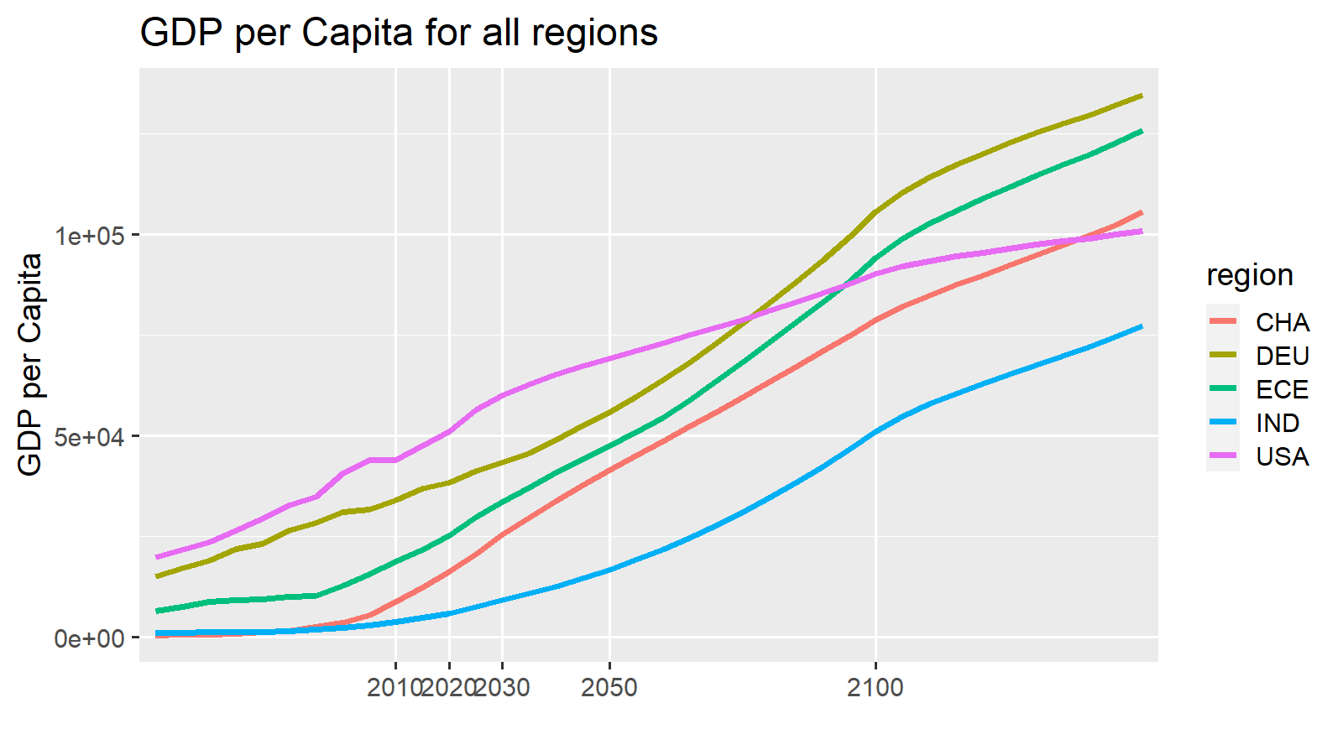
variable | unit | region | scenario | model | 2010 | 2020 | 2030 | 2050 | 2100 | 2150 |  |  |  |  |  |  |  |  |  |  |  |  |  |  |  |  |  |  | 2010 | ETP15 | 2020 | ETP25 | 2030 | 2040 | 2050 | ETP50 | 2060 | 2070 | 2080 | 2090 | 2100
ES|Transport|Pass|Aviation|International|Share | % | ECE | Mix2 | EDGE-Transport | 3.4 | 3.4 | 3.4 | 3.4 | 3.4 | 3.4 |  |  |  |  |  |  |  |  |  |  |  |  |  |  |  |  |  | Walk | 5 |  | 3.6 |  | 2.2 | 1.65 | 1.1 |  | 0.94 | 0.78 | 0.62 | 0.46 | 0.3
ES|Transport|Pass|Road|LDV|Share | % | ECE | Mix2 | EDGE-Transport | 70.8 | 87.4 | 90.2 | 92.3 | 92.8 | 94.7 |  |  |  |  |  |  |  |  |  |  |  |  |  |  |  |  |  | Cycle | 1.7 |  | 1.2 |  | 0.7 | 0.55 | 0.4 |  | 0.34 | 0.28 | 0.22 | 0.16 | 0.1
ES|Transport|Pass|Road|Bus|Share | % | ECE | Mix2 | EDGE-Transport | 18.4 | 3.7 | 3 | 2.5 | 3.4 | 1.5 |  |  |  |  |  |  |  |  |  |  |  |  |  |  |  |  |  | LDV | 70.8 |  | 87.4 |  | 90.2 | 91.25 | 92.3 |  | 92.4 | 92.5 | 92.6 | 92.7 | 92.8
ES|Transport|Pass|Rail|non-HSR|Share | % | ECE | Mix2 | EDGE-Transport | 0.7 | 0.6 | 0.5 | 0.3 | 0 | 0 |  |  |  |  |  |  |  |  |  |  |  |  |  |  |  |  |  | Bus | 18.4 |  | 3.7 |  | 3 | 2.75 | 2.5 |  | 2.68 | 2.86 | 3.04 | 3.22 | 3.4
ES|Transport|Pass|Aviation|Domestic|Share | % | ECE | Mix2 | EDGE-Transport | 0.1 | 0 | 0 | 0 | 0 | 0 |  |  |  |  |  |  |  |  |  |  |  |  |  |  |  |  |  | Rail | 0.7 |  | 0.6 |  | 0.5 | 0.4 | 0.3 |  | 0.24 | 0.18 | 0.12 | 0.06 | 0
ES|Transport|Pass|Rail|HSR|Share | % | ECE | Mix2 | EDGE-Transport | 0 | 0 | 0 | 0 | 0 | 0 |  |  |  |  |  |  |  |  |  |  |  |  |  |  |  |  |  | Rail-HSR | 0 |  | 0 |  | 0 | 0 | 0 |  | 0 | 0 | 0 | 0 | 0
ES|Transport|Pass|Road|Non-Motorized|Walking|Share | % | ECE | Mix2 | EDGE-Transport | 5 | 3.6 | 2.2 | 1.1 | 0.3 | 0.3 |  |  |  |  |  |  |  |  |  |  |  |  |  |  |  |  |  | AvDom | 0.1 |  | 0 |  | 0 | 0 | 0 |  | 0 | 0 | 0 | 0 | 0
ES|Transport|Pass|Road|Non-Motorized|Cycling|Share | % | ECE | Mix2 | EDGE-Transport | 1.7 | 1.2 | 0.7 | 0.4 | 0.1 | 0.1 |  |  |  |  |  |  |  |  |  |  |  |  |  |  |  |  |  | AvInt | 3.4 |  | 3.4 |  | 3.4 | 3.4 | 3.4 |  | 3.4 | 3.4 | 3.4 | 3.4 | 3.4
Total |  |  |  |  | 100 | 100 | 100 | 100 | 100 | 100

Expectation
 | Walk | Cycle | LDV | Bus | Rail | Rail-HSR | AvDom | AvInt
2010 | 5 | 1.7 | 71 | 18 | 1 | 0 | 0 | 3.4
ETP15 | 4.3 | 1.45 | 60 | 7 | 9 |  | 19
2020 | 3.6 | 1.2 | 87 | 4 | 1 | 0 | 0 | 3.4
ETP25 | 3.5 | 1.15 | 58 | 6 | 9 |  | 24
2030 | 3.4 | 1.1 | 88 | 3 | 1 | 0 | 0 | 3.9
2040 | 3.2 | 1.05 | 88 | 3 | 1 | 0 | 0 | 4.4
2050 | 3 | 1 | 88 | 3 | 1 | 0 | 0 | 4.9
ETP50 | 4 |  | 52 | 5 | 8 |  | 32
2060 | 2.8 | 0.94 | 88 | 3 | 0 | 0 | 0 | 5.38
2070 | 2.6 | 0.88 | 88 | 2 | 0 | 0 | 0 | 5.86
2080 | 2.4 | 0.82 | 88 | 2 | 0 | 0 | 0 | 6.34
2090 | 2.2 | 0.76 | 88 | 2 | 0 | 0 | 0 | 6.82
2100 | 2 | 0.7 | 88 | 2 | 0 | 0 | 0 | 7.3
variable | unit | region | scenario | model | 2010 | 2020 | 2030 | 2050 | 2100 | 2150 |  |  |  |  |  |  |  |  |  |  |  |  |  |  |  |  |  |  | 2010 | ETP15 | 2020 | ETP25 | 2030 | 2040 | 2050 | ETP50 | 2060 | 2070 | 2080 | 2090 | 2100
ES|Transport|Pass|Aviation|International|Share | % | ECE | Mix2 | EDGE-Transport | 3.4 | 3.4 | 3.9 | 4.9 | 7.3 | 9.8 |  |  |  |  |  |  |  |  |  |  |  |  |  |  |  |  |  | Walk | 5 | 4.3 | 3.6 | 3.5 | 3.4 | 3.2 | 3 | 4 | 2.8 | 2.6 | 2.4 | 2.2 | 2
ES|Transport|Pass|Road|LDV|Share | % | ECE | Mix2 | EDGE-Transport | 70.8 | 87.4 | 87.5 | 87.7 | 88.1 | 88.5 |  |  |  |  |  |  |  |  |  |  |  |  |  |  |  |  |  | Cycle | 1.7 | 1.45 | 1.2 | 1.15 | 1.1 | 1.05 | 1 |  | 0.94 | 0.88 | 0.82 | 0.76 | 0.7
ES|Transport|Pass|Road|Bus|Share | % | ECE | Mix2 | EDGE-Transport | 18.4 | 3.7 | 3.4 | 2.9 | 1.7 | 0.4 |  |  |  |  |  |  |  |  |  |  |  |  |  |  |  |  |  | LDV | 70.8 | 60 | 87.4 | 58 | 87.5 | 87.6 | 87.7 | 52 | 87.78 | 87.86 | 87.94 | 88.02 | 88.1
ES|Transport|Pass|Rail|non-HSR|Share | % | ECE | Mix2 | EDGE-Transport | 0.7 | 0.6 | 0.6 | 0.5 | 0.3 | 0 |  |  |  |  |  |  |  |  |  |  |  |  |  |  |  |  |  | Bus | 18.4 | 7 | 3.7 | 6 | 3.4 | 3.15 | 2.9 | 5 | 2.66 | 2.42 | 2.18 | 1.94 | 1.7
ES|Transport|Pass|Aviation|Domestic|Share | % | ECE | Mix2 | EDGE-Transport | 0.1 | 0 | 0 | 0 | 0 | 0 |  |  |  |  |  |  |  |  |  |  |  |  |  |  |  |  |  | Rail | 0.7 | 9 | 0.6 | 9 | 0.6 | 0.55 | 0.5 | 8 | 0.46 | 0.42 | 0.38 | 0.34 | 0.3
ES|Transport|Pass|Rail|HSR|Share | % | ECE | Mix2 | EDGE-Transport | 0 | 0 | 0 | 0 | 0 | 0 |  |  |  |  |  |  |  |  |  |  | Comments |  |  |  |  |  |  | Rail-HSR | 0 |  | 0 |  | 0 | 0 | 0 |  | 0 | 0 | 0 | 0 | 0
ES|Transport|Pass|Road|Non-Motorized|Walking|Share | % | ECE | Mix2 | EDGE-Transport | 5 | 3.6 | 3.4 | 3 | 2 | 1 |  |  |  |  |  |  |  |  |  |  |  |  |  |  |  |  |  | AvDom | 0.1 | 19 | 0 | 24 | 0 | 0 | 0 | 32 | 0 | 0 | 0 | 0 | 0
ES|Transport|Pass|Road|Non-Motorized|Cycling|Share | % | ECE | Mix2 | EDGE-Transport | 1.7 | 1.2 | 1.1 | 1 | 0.7 | 0.3 |  |  |  |  |  |  |  |  |  |  |  |  |  |  |  |  |  | AvInt | 3.4 |  | 3.4 |  | 3.9 | 4.4 | 4.9 |  | 5.38 | 5.86 | 6.34 | 6.82 | 7.3
Total |  |  |  |  | 100 | 100 | 100 | 100 | 100 | 100

Difference

variable | unit | region | scenario | model | 2010 | 2020 | 2030 | 2050 | 2100 | 2101
ES|Transport|Pass|Aviation|Domestic|Share | bn pkm/year | ECE | SSP2-Mix2 | EDGE-Transport SA | 2.1 | 0 | 0 | 0 | 0 | 0
ES|Transport|Pass|Rail|HSR|Share | bn pkm/year | ECE | SSP2-Mix2 | EDGE-Transport SA | 0 | 0 | 0 | 0 | 0 | 0
ES|Transport|Pass|Rail|non-HSR|Share | bn pkm/year | ECE | SSP2-Mix2 | EDGE-Transport SA | 0 | 0 | 0.1 | 0.2 | 0.3 | 0
ES|Transport|Pass|Road|Bus|Share | bn pkm/year | ECE | SSP2-Mix2 | EDGE-Transport SA | 0 | 0 | 0.5 | 0.5 | -1.8 | -1.1
ES|Transport|Pass|Road|LDV|Share | bn pkm/year | ECE | SSP2-Mix2 | EDGE-Transport SA | 0 | 0 | -2.3 | -3.3 | -0.9 | 0.1
ES|Transport|Pass|Road|Non-Motorized|Walking|Share | bn pkm/year | ECE | SSP2-Mix2 | EDGE-Transport SA | 0 | 0 | 0.5 | 0.6 | 0.6 | 0.3
ES|Transport|Pass|Road|Non-Motorized|Cycling|Share | bn pkm/year | ECE | SSP2-Mix2 | EDGE-Transport SA | 0 | 0 | 1.3 | 1.9 | 1.8 | 0.8
Total |  |  |  |  | 2.1 | 0 | 0.1 | -0.1 | 8.6597395921E-15 | 0.1

ETP RTS data ECE |  |  |  |  |  |  |  |  |  |  |  |  |  |  |  |  |  |  |  |  |  |  |  |  |  |  |  |  | 2015 |  | 2025 |  | 2040 |  |  | 2060 | 2070
 |  |  |  |  |  |  |  |  |  |  |  |  |  |  |  |  |  |  |  |  |  |  |  |  |  |  |  | ETP + nonmotorized from EDGE
variable | unit | region | scenario | model | 2014 | 2025 | 2030 | 2050 | 2060
ES|Transport|Pass|Aviation|Share | % | ECE | historical | IEA ETP RTS | 20.4 | 24.6 | 25.9 | 33.2 | 37.3 |  |  |  |  |  |  |  |  |  |  |  |  |  |  |  |  |  |  | nonMotor | 5.75 |  | 4.65 |  |  |  | 4
ES|Transport|Pass|Rail|Share | % | ECE | historical | IEA ETP RTS | 9 | 8.9 | 8.6 | 7.8 | 7.4 |  |  |  |  |  |  |  |  |  |  |  |  |  |  |  |  |  |  | LDV | 60 |  | 58 |  |  |  | 52
ES|Transport|Pass|Road|Bus|Share | % | ECE | historical | IEA ETP RTS | 7 | 6.4 | 5.9 | 5 | 4.6 |  |  |  |  |  |  |  |  |  |  |  |  |  |  |  |  |  |  | Bus | 7 |  | 6 |  |  |  | 5
ES|Transport|Pass|Road|LDV|Share | % | ECE | historical | IEA ETP RTS | 63.6 | 60.2 | 59.5 | 54 | 50.7 |  |  |  |  |  |  |  |  |  |  |  |  |  |  |  |  |  |  | Rail | 9 |  | 9 |  |  |  | 8
 |  |  |  |  |  |  |  |  |  |  |  |  |  |  |  |  |  |  |  |  |  |  |  |  |  |  |  | Aviation | 19 |  | 24 |  |  |  | 32

Shareweight support points based on Expectaion

 |  | Lambda road | -2
 |  | Lambda above | -3

This is inserted from an EDGE-T run | mode costs from EDGE-T (including value of time etc) | mode | 2010 | 2015 | 2020 | 2025 | 2030 | 2035 | 2040 | 2045 | 2050 | 2055 | 2060 | 2070 | 2080 | 2090 | 2100
 |  | trn_pass_road_LDV | 0.31204374878 | 0.32615782283 | 0.34336504823 | 0.3624808932 | 0.37890956977 | 0.39470931402 | 0.41064682049 | 0.42523981717 | 0.43649254014 | 0.44753759406 | 0.45982560815 | 0.49042390167 | 0.52089494505 | 0.54988048391 | 0.58098762119
 |  | Bus | 0.27604219346 | 0.2935056389 | 0.31802891856 | 0.33996202595 | 0.35511928011 | 0.36800280158 | 0.37872940955 | 0.38749760215 | 0.39508941065 | 0.4022993332 | 0.41104411175 | 0.43489643573 | 0.45762506531 | 0.47848884751 | 0.50269441771
 |  | Passenger Rail | 0.15196078052 | 0.16232343921 | 0.17567311006 | 0.19267481532 | 0.20452876515 | 0.21462848203 | 0.22516109742 | 0.23505498072 | 0.24423052822 | 0.25320255144 | 0.26420585692 | 0.29082060832 | 0.31573520552 | 0.34083929302 | 0.36974330461
 |  | Domestic Aviation | 0.23065194415 | 0.22037509333 | 0.21159302622 | 0.21110126344 | 0.2137808308 | 0.21071333501 | 0.2087029101 | 0.21081639419 | 0.21609227411 | 0.22356993928 | 0.23115059912 | 0.2413369386 | 0.24638709067 | 0.24840796721 | 0.25356009965
 |  | HSR | 0.12708683369 | 0.11658114864 | 0.10626043975 | 0.11347499665 | 0.11648235608 | 0.11781295581 | 0.12052496611 | 0.12364795656 | 0.12640682195 | 0.12915254419 | 0.13355986687 | 0.14378589219 | 0.15229526447 | 0.16254516824 | 0.17581361931
 |  | Walk | 0.86933699234 | 0.98639415454 | 1.1426122273 | 1.3388040755 | 1.5090953711 | 1.6831780237 | 1.8577297323 | 2.0191778974 | 2.1758569643 | 2.3352839289 | 2.5133804105 | 2.9566610854 | 3.4278795805 | 3.9108070737 | 4.4521695621
 |  | Cycle | 0.27818783755 | 0.31564612945 | 0.36563591274 | 0.42841730417 | 0.48291051875 | 0.53861696759 | 0.59447351434 | 0.64613692716 | 0.69627422858 | 0.74729085724 | 0.80428173135 | 0.94613154733 | 1.0969214657 | 1.2514582636 | 1.4246942599
 |  | trn_pass_road | 0.3046216106 | 0.32183110428 | 0.34233674797 | 0.36213021815 | 0.37814839447 | 0.39357564107 | 0.40930079167 | 0.42390928443 | 0.43542064942 | 0.44668746442 | 0.45911300961 | 0.48966794169 | 0.519663418 | 0.54788488292 | 0.57823640227

 |  |  |  |  |  |  |  |  |  |  |  |  |  |  |  |  |  |  |  |  | These shareweights are finally red by EDGE-Tas support points for the spline or linesr interpolation
 | SW | mode | 2010 | 2015 | 2020 | 2025 | 2030 | 2035 | 2040 | 2045 | 2050 | 2055 | 2060 | 2070 | 2080 | 2090 | 2100 | Normalized Shareweights |  |  | mode | region | 2020 | 2030 | 2050 | 2090 | 2150
This is inserted from an EDGE-T run |  | trn_pass_road_LDV | 1 | 1 | 1 | 1 | 1 | 1 | 1 | 1 | 1 | 1 | 1 | 1 | 1 | 1 | 1 |  |  |  | trn_pass_road_LDV | ECE | 1 | 1 | 1 | 1 | 1
 |  | Bus | 0.20323365778 | 0.10812030594 | 0.013006954098 | 0.010568150205 | 0.0081293463112 | 0.0071131780223 | 0.0060970097334 | 0.0050808414445 | 0.0040646731556 | 0.0038614394978 | 0.00365820584 | 0.0032517385245 | 0.0028452712089 | 0.0024388038933 | 0.0020323365778 |  |  |  | Bus | ECE | 0.013006954098 | 0.0081293463112 | 0.0040646731556 | 0.0024388038933 | 0.0030830049108
 |  | Passenger Rail | 0.00076882240115 | 0.00039113839659 | 1.345439202E-05 | 1.6337476024E-05 | 1.9220560029E-05 | 2.1142616032E-05 | 2.3064672035E-05 | 2.4986728037E-05 | 2.690878404E-05 | 2.5755550439E-05 | 2.4602316837E-05 | 2.2295849633E-05 | 1.998938243E-05 | 1.7682915226E-05 | 1.5376448023E-05 |  |  |  | Passenger Rail | ECE | 0.00023918919147 | 0.00019897100297 | 5.3817568081E-05 | 5.4915885796E-06 | 4.2183823281E-07
 |  | Domestic Aviation | 0.00021723284902 | 0.00011221434357 | 7.1958381239E-06 | 9.0287402875E-06 | 1.0861642451E-05 | 1.3577053064E-05 | 1.6292463677E-05 | 1.9007874289E-05 | 2.1723284902E-05 | 2.1071586355E-05 | 2.0419887808E-05 | 1.9116490714E-05 | 1.781309362E-05 | 1.6509696526E-05 | 1.5206299432E-05 |  |  |  | Domestic Aviation | ECE | 0.00012792601109 | 0.00011243959017 | 4.3446569805E-05 | 5.1272349459E-06 | 0.0013397505345
 |  | HSR | 7.5963766497E-06 | 7.5963766497E-06 | 7.5963766497E-06 | 7.5963766497E-06 | 7.5963766497E-06 | 7.5963766497E-06 | 7.5963766497E-06 | 7.5963766497E-06 | 7.5963766497E-06 | 7.5204128832E-06 | 7.4444491167E-06 | 7.2925215837E-06 | 7.1405940507E-06 | 6.9886665177E-06 | 6.8367389847E-06 |  |  |  | HSR | ECE | 0.00013504669599 | 7.863759842E-05 | 1.5192753299E-05 | 2.1703933285E-06 | 0.0022106660614
 |  | Walk | 1 | 0.528125 | 0.05625 | 0.06875 | 0.08125 | 0.1859375 | 0.290625 | 0.3953125 | 0.5 | 0.84 | 1.18 | 1.86 | 2.54 | 3.22 | 3.9 |  |  |  | Walk | ECE | 1 | 0.84109900894 | 1 | 1 | 1
 |  | Cycle | 0.010922666667 | 0.0055466666667 | 0.00017066666667 | 0.00020821333333 | 0.00024576 | 0.000512 | 0.00077824 | 0.00104448 | 0.00131072 | 0.0022719146667 | 0.0032331093333 | 0.0051554986667 | 0.007077888 | 0.0090002773333 | 0.010922666667 |  |  |  | Cycle | ECE | 0.0030340740741 | 0.0025441045223 | 0.00262144 | 0.0027951171843 | 0.032321096022
 |  | trn_pass_road | 0.77279843762 | 0.41054916999 | 0.048299902352 | 0.072449853527 | 0.096599804703 | 0.13282473147 | 0.16904965823 | 0.20527458499 | 0.24149951176 | 0.24149951176 | 0.24149951176 | 0.24149951176 | 0.24149951176 | 0.24149951176 | 0.24149951176 |  |  |  | trn_pass_road | ECE | 0.85866493069 | 1 | 0.48299902352 | 0.074999848372 | 0.053810049807

 |  | subsum road | 12.9 | 10.7 | 8.6 | 7.7 | 7.0 | 6.5 | 6.0 | 5.6 | 5.3 | 5.0 | 4.8 | 4.2 | 3.7 | 3.3 | 3.0
 |  | subsum above | 29.6 | 13.1 | 1.3 | 1.6 | 1.8 | 2.2 | 2.5 | 2.8 | 3.0 | 2.8 | 2.6 | 2.1 | 1.8 | 1.5 | 1.3

 | target mode shares |  |  |  | 2020 |  |  |  | 2030 |  |  |  |  | 2050 |  |  |  | 2100
 |  |  |  |  | Target | results | difference |  | Target | results | difference |  |  | Target | results | difference |  | Target | results | difference
 |  | LDV in road |  |  | 96% | 99% | -3% |  | 96% | 99% | -3% |  |  | 97% | 100% | -3% |  | 98% | 100% | -2%
 |  | Bus in road |  |  | 4% | 1% | 3% |  | 4% | 1% | 3% |  |  | 3% | 0% | 3% |  | 2% | 0% | 2%
Enter the target values into the pink fields | Share in total | LDV |  |  | 90.57% | 95% | -4% |  | 91.15% | 97% | -6% |  |  | 92.22% | 98% | -5% |  | 95% | 96% | -1%
 |  | Bus |  |  | 3.83% | 1% | 2% |  | 3.54% | 1% | 3% |  |  | 3.05% | 0% | 3% |  | 2% | 0% | 2%
 |  | Rail |  |  | 0.62% | 0% | 0% |  | 0.62% | 0% | 1% |  |  | 0.53% | 0% | 0% |  | 0% | 0% | 0%
 |  | Dom Aviation |  |  | 0.00% | 0% | 0% |  | 0.00% | 0% | 0% |  |  | 0.00% | 0% | 0% |  | 0% | 0% | 0%
 |  | HSR |  |  | 0.00% | 1% | -1% |  | 0.00% | 0% | 0% |  |  | 0.00% | 0% | 0% |  | 0% | 0% | 0%
 |  | Walk |  |  | 3.73% | 3% | 1% |  | 3.54% | 1% | 2% |  |  | 3.15% | 2% | 2% |  | 2% | 3% | -1%
 |  | Cycle |  |  | 1.24% | 0% | 1% |  | 1.15% | 0% | 1% |  |  | 1.05% | 0% | 1% |  | 1% | 0% | 0%

 | total |  |  |  | 100% | 100% |  |  | 100% | 100% |  |  |  | 100% | 100% |  |  | 100% | 100%

 | SW multipliers |  |  |  |  | 2020 |  |  |  | 2030 |  |  |  |  | 2050 |  |  |  | 2100
Change by hand - first dark green, then light green, until the difference values below are small |  | LDV |  |  |  | 1 |  |  |  | 1 |  |  |  |  | 1 |  |  |  | 1
 |  | Bus |  |  |  | 0.064 |  |  |  | 0.04 |  |  |  |  | 0.02 |  |  |  | 0.01
 |  | Rail |  |  |  | 0.0175 |  |  |  | 0.025 |  |  |  |  | 0.035 |  |  |  | 0.02
 |  | Dom Aviation |  |  |  | 0.033125 |  |  |  | 0.05 |  |  |  |  | 0.1 |  |  |  | 0.07
 |  | HSR |  |  |  | 1 |  |  |  | 1 |  |  |  |  | 1 |  |  |  | 0.9
 |  | Walk |  |  |  | 0.05625 |  |  |  | 0.08125 |  |  |  |  | 0.5 |  |  |  | 3.9
 |  | Cycle |  |  |  | 0.015625 |  |  |  | 0.0225 |  |  |  |  | 0.12 |  |  |  | 1
 |  | Road |  |  |  | 0.0625 |  |  |  | 0.125 |  |  |  |  | 0.3125 |  |  |  | 0.3125

 | all resultig ES shares |  | 2010 | 2015 | 2020 | 2025 | 2030 | 2035 | 2040 | 2045 | 2050 | 2055 | 2060 | 2070 | 2080 | 2090 | 2100
 |  | LDV in road | 79.4% | 88.2% | 98.5% | 98.8% | 99.1% | 99.2% | 99.3% | 99.4% | 99.5% | 99.5% | 99.5% | 99.6% | 99.6% | 99.7% | 99.7%
 |  | Bus in road | 20.6% | 11.8% | 1.5% | 1.2% | 0.9% | 0.8% | 0.7% | 0.6% | 0.5% | 0.5% | 0.5% | 0.4% | 0.4% | 0.3% | 0.3%
 | Share in total | LDV | 73.3% | 82.6% | 94.5% | 96.3% | 97.2% | 96.9% | 97.0% | 97.2% | 97.5% | 96.7% | 96.2% | 95.7% | 95.6% | 95.7% | 95.9%
 |  | Bus | 19.0% | 11.0% | 1.4% | 1.2% | 0.9% | 0.8% | 0.7% | 0.6% | 0.5% | 0.5% | 0.4% | 0.4% | 0.4% | 0.3% | 0.3%
 |  | Rail | 0.7% | 0.7% | 0.2% | 0.1% | 0.1% | 0.1% | 0.1% | 0.1% | 0.1% | 0.1% | 0.1% | 0.0% | 0.0% | 0.0% | 0.0234%
 |  | Dom Aviation | 0.1% | 0.1% | 0.1% | 0.1% | 0.1% | 0.1% | 0.1% | 0.1% | 0.1% | 0.1% | 0.1% | 0.1% | 0.1% | 0.1% | 0.0718%
 |  | HSR | 0.0% | 0.0% | 0.5% | 0.3% | 0.3% | 0.2% | 0.2% | 0.1% | 0.1% | 0.1% | 0.1% | 0.1% | 0.1% | 0.1% | 0.0968%
 |  | Walk | 5.1% | 4.2% | 3.0% | 1.8% | 1.3% | 1.7% | 1.8% | 1.7% | 1.6% | 2.4% | 2.9% | 3.4% | 3.5% | 3.5% | 3.4005%
 |  | Cycle | 1.7% | 1.3% | 0.3% | 0.2% | 0.1% | 0.1% | 0.1% | 0.1% | 0.1% | 0.2% | 0.2% | 0.3% | 0.3% | 0.3% | 0.2906%
 |  | trn_pass_road | 92.3% | 93.7% | 96.0% | 97.5% | 98.1% | 97.7% | 97.7% | 97.8% | 98.0% | 97.2% | 96.6% | 96.1% | 96.0% | 96.0% | 96.1168%
 | total |  | 100% | 100% | 100% | 100% | 100% | 100% | 100% | 100% | 100% | 100% | 100% | 100% | 100% | 100% | 100%

ECS
EDGE-T SA results
 | Walk | Cycle | LDV | Bus | Rail | Rail-HSR | AvDom | AvInt
2010 | 4.8 | 1.6 | 70.4 | 17.5 | 1.3 | 0 | 0.4 | 3.9
ETP15
2020 | 4.5 | 1.5 | 86 | 2.7 | 1.3 | 0 | 0 | 3.9
ETP25
2030 | 2.6 | 0.9 | 89.5 | 2.1 | 1 | 0 | 0 | 3.9
2040 | 1.95 | 0.65 | 90.7 | 1.9 | 0.8 | 0 | 0.05 | 3.9
2050 | 1.3 | 0.4 | 91.9 | 1.7 | 0.6 | 0 | 0.1 | 3.9
ETP50
2060 | 1.1 | 0.34 | 92.18 | 1.78 | 0.48 | 0 | 0.12 | 3.9
2070 | 0.9 | 0.28 | 92.46 | 1.86 | 0.36 | 0 | 0.14 | 3.9
2080 | 0.7 | 0.22 | 92.74 | 1.94 | 0.24 | 0 | 0.16 | 3.9
2090 | 0.5 | 0.16 | 93.02 | 2.02 | 0.12 | 0 | 0.18 | 3.9
2100 | 0.3 | 0.1 | 93.3 | 2.1 | 0 | 0 | 0.2 | 3.9
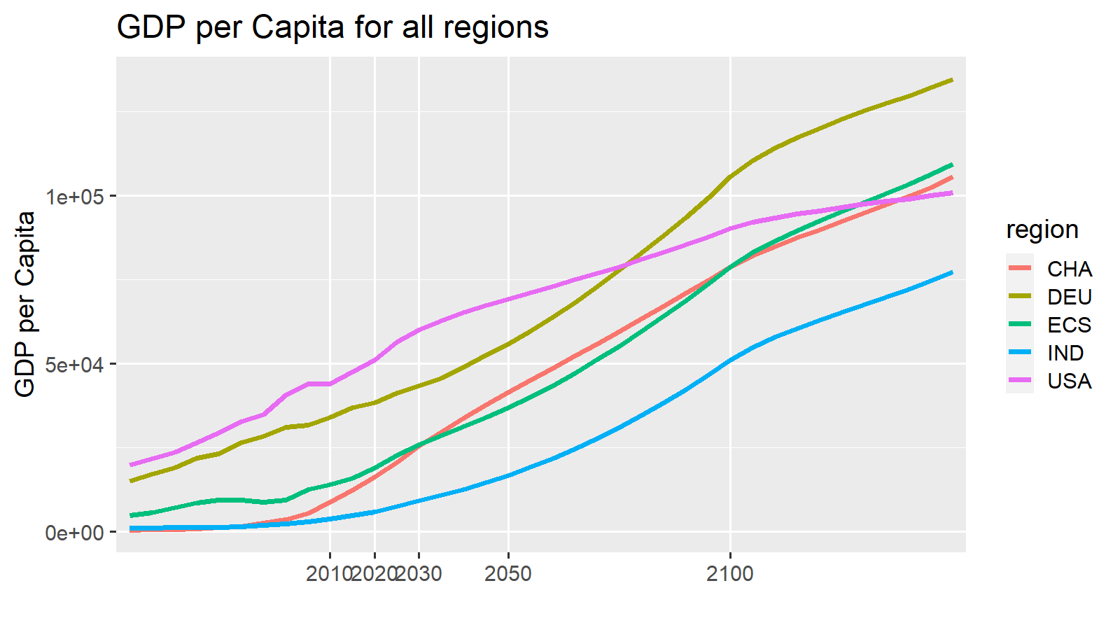
variable | unit | region | scenario | model | 2010 | 2020 | 2030 | 2050 | 2100 | 2150 |  |  |  |  |  |  |  |  |  |  |  |  |  |  |  |  |  |  | 2010 | ETP15 | 2020 | ETP25 | 2030 | 2040 | 2050 | ETP50 | 2060 | 2070 | 2080 | 2090 | 2100
ES|Transport|Pass|Aviation|International|Share | % | ECS | Mix2 | EDGE-Transport | 3.9 | 3.9 | 3.9 | 3.9 | 3.9 | 3.9 |  |  |  |  |  |  |  |  |  |  |  |  |  |  |  |  |  | Walk | 4.8 |  | 4.5 |  | 2.6 | 1.95 | 1.3 |  | 1.1 | 0.9 | 0.7 | 0.5 | 0.3
ES|Transport|Pass|Road|LDV|Share | % | ECS | Mix2 | EDGE-Transport | 70.4 | 86 | 89.5 | 91.9 | 93.3 | 94 |  |  |  |  |  |  |  |  |  |  |  |  |  |  |  |  |  | Cycle | 1.6 |  | 1.5 |  | 0.9 | 0.65 | 0.4 |  | 0.34 | 0.28 | 0.22 | 0.16 | 0.1
ES|Transport|Pass|Road|Bus|Share | % | ECS | Mix2 | EDGE-Transport | 17.5 | 2.7 | 2.1 | 1.7 | 2.1 | 1.7 |  |  |  |  |  |  |  |  |  |  |  |  |  |  |  |  |  | LDV | 70.4 |  | 86 |  | 89.5 | 90.7 | 91.9 |  | 92.18 | 92.46 | 92.74 | 93.02 | 93.3
ES|Transport|Pass|Rail|non-HSR|Share | % | ECS | Mix2 | EDGE-Transport | 1.3 | 1.3 | 1 | 0.6 | 0 | 0 |  |  |  |  |  |  |  |  |  |  |  |  |  |  |  |  |  | Bus | 17.5 |  | 2.7 |  | 2.1 | 1.9 | 1.7 |  | 1.78 | 1.86 | 1.94 | 2.02 | 2.1
ES|Transport|Pass|Aviation|Domestic|Share | % | ECS | Mix2 | EDGE-Transport | 0.4 | 0 | 0 | 0.1 | 0.2 | 0 |  |  |  |  |  |  |  |  |  |  |  |  |  |  |  |  |  | Rail | 1.3 |  | 1.3 |  | 1 | 0.8 | 0.6 |  | 0.48 | 0.36 | 0.24 | 0.12 | 0
ES|Transport|Pass|Rail|HSR|Share | % | ECS | Mix2 | EDGE-Transport | 0 | 0 | 0 | 0 | 0 | 0 |  |  |  |  |  |  |  |  |  |  |  |  |  |  |  |  |  | Rail-HSR | 0 |  | 0 |  | 0 | 0 | 0 |  | 0 | 0 | 0 | 0 | 0
ES|Transport|Pass|Road|Non-Motorized|Walking|Share | % | ECS | Mix2 | EDGE-Transport | 4.8 | 4.5 | 2.6 | 1.3 | 0.3 | 0.3 |  |  |  |  |  |  |  |  |  |  |  |  |  |  |  |  |  | AvDom | 0.4 |  | 0 |  | 0 | 0.05 | 0.1 |  | 0.12 | 0.14 | 0.16 | 0.18 | 0.2
ES|Transport|Pass|Road|Non-Motorized|Cycling|Share | % | ECS | Mix2 | EDGE-Transport | 1.6 | 1.5 | 0.9 | 0.4 | 0.1 | 0.1 |  |  |  |  |  |  |  |  |  |  |  |  |  |  |  |  |  | AvInt | 3.9 |  | 3.9 |  | 3.9 | 3.9 | 3.9 |  | 3.9 | 3.9 | 3.9 | 3.9 | 3.9
Total |  |  |  |  | 22 | 100 | 100 | 100 | 100 | 100

Expectation
 | Walk | Cycle | LDV | Bus | Rail | Rail-HSR | AvDom | AvInt
2010 | 4.8 | 1.6 | 70 | 18 | 1 | 0 | 0 | 3.9
ETP15 | 4.65 | 1.55 | 60 | 7 | 8 |  | 19
2020 | 4.5 | 1.5 | 86 | 3 | 1 | 0 | 0 | 3.9
ETP25 | 4.4 | 1.45 | 57 | 6 | 8 |  | 23
2030 | 4.3 | 1.4 | 86 | 3 | 1 | 0 | 0 | 4.4
2040 | 4 | 1.3 | 86 | 2 | 1 | 0 | 0 | 4.85
2050 | 3.7 | 1.2 | 87 | 2 | 1 | 0 | 0 | 5.3
ETP50 | 4.9 |  | 51 | 5 | 7 |  | 32
2060 | 3.42 | 1.12 | 87 | 2 | 1 | 0 | 0 | 5.74
2070 | 3.14 | 1.04 | 87 | 2 | 1 | 0 | 0 | 6.18
2080 | 2.86 | 0.96 | 87 | 2 | 1 | 0 | 0 | 6.62
2090 | 2.58 | 0.88 | 87 | 1 | 1 | 0 | 0 | 7.06
2100 | 2.3 | 0.8 | 88 | 1 | 1 | 0 | 0 | 7.5
variable | unit | region | scenario | model | 2010 | 2020 | 2030 | 2050 | 2100 | 2150 |  |  |  |  |  |  |  |  |  |  |  |  |  |  |  |  |  |  | 2010 | ETP15 | 2020 | ETP25 | 2030 | 2040 | 2050 | ETP50 | 2060 | 2070 | 2080 | 2090 | 2100
ES|Transport|Pass|Aviation|International|Share | % | ECS | Mix2 | EDGE-Transport | 3.9 | 3.9 | 4.4 | 5.3 | 7.5 | 9.8 |  |  |  |  |  |  |  |  |  |  |  |  |  |  |  |  |  | Walk | 4.8 | 4.65 | 4.5 | 4.4 | 4.3 | 4 | 3.7 | 4.9 | 3.42 | 3.14 | 2.86 | 2.58 | 2.3
ES|Transport|Pass|Road|LDV|Share | % | ECS | Mix2 | EDGE-Transport | 70.4 | 86 | 86.2 | 86.5 | 87.5 | 88.5 |  |  |  |  |  |  |  |  |  |  |  |  |  |  |  |  |  | Cycle | 1.6 | 1.55 | 1.5 | 1.45 | 1.4 | 1.3 | 1.2 |  | 1.12 | 1.04 | 0.96 | 0.88 | 0.8
ES|Transport|Pass|Road|Bus|Share | % | ECS | Mix2 | EDGE-Transport | 17.5 | 2.7 | 2.5 | 2.2 | 1.3 | 0.4 |  |  |  |  |  |  |  |  |  |  |  |  |  |  |  |  |  | LDV | 70.4 | 60 | 86 | 57 | 86.2 | 86.35 | 86.5 | 51 | 86.7 | 86.9 | 87.1 | 87.3 | 87.5
ES|Transport|Pass|Rail|non-HSR|Share | % | ECS | Mix2 | EDGE-Transport | 1.3 | 1.3 | 1.2 | 1 | 0.5 | 0 |  |  |  |  |  |  |  |  |  |  |  |  |  |  |  |  |  | Bus | 17.5 | 7 | 2.7 | 6 | 2.5 | 2.35 | 2.2 | 5 | 2.02 | 1.84 | 1.66 | 1.48 | 1.3
ES|Transport|Pass|Aviation|Domestic|Share | % | ECS | Mix2 | EDGE-Transport | 0.4 | 0 | 0 | 0 | 0 | 0 |  |  |  |  |  |  |  |  |  |  |  |  |  |  |  |  |  | Rail | 1.3 | 8 | 1.3 | 8 | 1.2 | 1.1 | 1 | 7 | 0.9 | 0.8 | 0.7 | 0.6 | 0.5
ES|Transport|Pass|Rail|HSR|Share | % | ECS | Mix2 | EDGE-Transport | 0 | 0 | 0 | 0 | 0 | 0 |  |  |  |  |  |  |  |  |  |  | Comments |  |  |  |  |  |  | Rail-HSR | 0 |  | 0 |  | 0 | 0 | 0 |  | 0 | 0 | 0 | 0 | 0
ES|Transport|Pass|Road|Non-Motorized|Walking|Share | % | ECS | Mix2 | EDGE-Transport | 4.8 | 4.5 | 4.3 | 3.7 | 2.3 | 1 |  |  |  |  |  |  |  |  |  |  |  |  |  |  |  |  |  | AvDom | 0.4 | 19 | 0 | 23 | 0 | 0 | 0 | 32 | 0 | 0 | 0 | 0 | 0
ES|Transport|Pass|Road|Non-Motorized|Cycling|Share | % | ECS | Mix2 | EDGE-Transport | 1.6 | 1.5 | 1.4 | 1.2 | 0.8 | 0.3 |  |  |  |  |  |  |  |  |  |  |  |  |  |  |  |  |  | AvInt | 3.9 |  | 3.9 |  | 4.4 | 4.85 | 5.3 |  | 5.74 | 6.18 | 6.62 | 7.06 | 7.5
Total |  |  |  |  | 100 | 100 | 100 | 100 | 100 | 100

Difference

variable | unit | region | scenario | model | 2010 | 2020 | 2030 | 2050 | 2100 | 2101
ES|Transport|Pass|Aviation|Domestic|Share | bn pkm/year | ECS | SSP2-Mix2 | EDGE-Transport SA | 69.4 | 0 | 0 | -0.1 | -0.2 | 0
ES|Transport|Pass|Rail|HSR|Share | bn pkm/year | ECS | SSP2-Mix2 | EDGE-Transport SA | 16.5 | 0 | 0 | 0 | 0 | 0
ES|Transport|Pass|Rail|non-HSR|Share | bn pkm/year | ECS | SSP2-Mix2 | EDGE-Transport SA | 0 | 0 | 0.3 | 0.4 | 0.6 | 0
ES|Transport|Pass|Road|Bus|Share | bn pkm/year | ECS | SSP2-Mix2 | EDGE-Transport SA | 0 | 0 | 0.4 | 0.6 | -0.9 | -1.3
ES|Transport|Pass|Road|LDV|Share | bn pkm/year | ECS | SSP2-Mix2 | EDGE-Transport SA | -0.4 | 0 | -3.1 | -4.2 | -2.3 | 0.3
ES|Transport|Pass|Road|Non-Motorized|Walking|Share | bn pkm/year | ECS | SSP2-Mix2 | EDGE-Transport SA | 4.4 | 0 | 0.6 | 0.8 | 0.7 | 0.3
ES|Transport|Pass|Road|Non-Motorized|Cycling|Share | bn pkm/year | ECS | SSP2-Mix2 | EDGE-Transport SA | 1.2 | 0 | 1.7 | 2.5 | 2.2 | 0.8
Total |  |  |  |  | 91.1 | 0 | -0.1 | 0 | 0.1 | 0.1

ETP RTS data ECS |  |  |  |  |  |  |  |  |  |  |  |  |  |  |  |  |  |  |  |  |  |  |  |  |  |  |  |  | 2015 |  | 2025 |  | 2040 |  |  | 2060 | 2070
 |  |  |  |  |  |  |  |  |  |  |  |  |  |  |  |  |  |  |  |  |  |  |  |  |  |  |  | ETP + nonmotorized from EDGE
variable | unit | region | scenario | model | 2014 | 2025 | 2030 | 2050 | 2060
ES|Transport|Pass|Aviation|Share | % | ECS | historical | IEA ETP RTS | 20.4 | 24.6 | 25.9 | 33.2 | 37.3 |  |  |  |  |  |  |  |  |  |  |  |  |  |  |  |  |  |  | nonMotor | 6.2 |  | 5.85 |  |  |  | 4.9
ES|Transport|Pass|Rail|Share | % | ECS | historical | IEA ETP RTS | 9 | 8.9 | 8.6 | 7.8 | 7.4 |  |  |  |  |  |  |  |  |  |  |  |  |  |  |  |  |  |  | LDV | 60 |  | 57 |  |  |  | 51
ES|Transport|Pass|Road|Bus|Share | % | ECS | historical | IEA ETP RTS | 7 | 6.4 | 5.9 | 5 | 4.6 |  |  |  |  |  |  |  |  |  |  |  |  |  |  |  |  |  |  | Bus | 7 |  | 6 |  |  |  | 5
ES|Transport|Pass|Road|LDV|Share | % | ECS | historical | IEA ETP RTS | 63.6 | 60.2 | 59.5 | 54 | 50.7 |  |  |  |  |  |  |  |  |  |  |  |  |  |  |  |  |  |  | Rail | 8 |  | 8 |  |  |  | 7
 |  |  |  |  |  |  |  |  |  |  |  |  |  |  |  |  |  |  |  |  |  |  |  |  |  |  |  | Aviation | 19 |  | 23 |  |  |  | 32

Shareweight support points based on Expectaion

 |  | Lambda road | -2
 |  | Lambda above | -3

This is inserted from an EDGE-T run | mode costs from EDGE-T (including value of time etc) | mode | 2010 | 2015 | 2020 | 2025 | 2030 | 2035 | 2040 | 2045 | 2050 | 2055 | 2060 | 2070 | 2080 | 2090 | 2100
 |  | trn_pass_road_LDV | 0.27997384431 | 0.29000361383 | 0.30670399826 | 0.32246313504 | 0.33482706094 | 0.34618406101 | 0.35745583268 | 0.36662947557 | 0.37620529385 | 0.38626043034 | 0.39761754334 | 0.42335782049 | 0.45066478118 | 0.47952721516 | 0.51017815993
 |  | Bus | 0.20056376741 | 0.20770100436 | 0.22766363219 | 0.24783624514 | 0.2581379299 | 0.26585671977 | 0.2719193442 | 0.27752456564 | 0.28419619308 | 0.29177451178 | 0.30062305097 | 0.32100574276 | 0.34260667123 | 0.36535133965 | 0.39029289269
 |  | Passenger Rail | 0.12506409622 | 0.12996653782 | 0.14185853296 | 0.15857053773 | 0.16837303422 | 0.17465496206 | 0.18087340987 | 0.18737284528 | 0.19570798255 | 0.20472253525 | 0.21448919046 | 0.23665969762 | 0.25917226348 | 0.28253970273 | 0.30824610419
 |  | Domestic Aviation | 0.22232692433 | 0.21105557754 | 0.20202747942 | 0.21004807033 | 0.21162290784 | 0.20972194322 | 0.20807407249 | 0.20597980312 | 0.2083591463 | 0.2165257498 | 0.22612851126 | 0.23917024298 | 0.24670860533 | 0.24235151514 | 0.24647500408
 |  | HSR | 0.10933001905 | 0.10070732801 | 0.093770676553 | 0.10253625464 | 0.10643618482 | 0.10657519506 | 0.10737468772 | 0.10868551569 | 0.11170818375 | 0.11493336614 | 0.11797763632 | 0.12598344572 | 0.13382034264 | 0.14296015261 | 0.15289117239
 |  | Walk | 0.66283927247 | 0.7205618192 | 0.85548132875 | 1.0148302231 | 1.1351216537 | 1.2483167776 | 1.3639804993 | 1.4832250817 | 1.6106487723 | 1.7471778049 | 1.9021183827 | 2.2610912859 | 2.661039058 | 3.1052055961 | 3.6001266837
 |  | Cycle | 0.21210856719 | 0.23057978214 | 0.2737540252 | 0.32474567138 | 0.36323892919 | 0.39946136884 | 0.43647375976 | 0.47463202614 | 0.51540760713 | 0.55909689756 | 0.60867788246 | 0.72354921148 | 0.85153249855 | 0.99366579074 | 1.1520405388
 |  | trn_pass_road | 0.2641503418 | 0.28008986145 | 0.30430459353 | 0.32191025707 | 0.3330869207 | 0.3435788468 | 0.35468602526 | 0.3643095634 | 0.37456628871 | 0.38516476569 | 0.39684451823 | 0.42264521 | 0.44943940961 | 0.47752713886 | 0.50748039707

 |  |  |  |  |  |  |  |  |  |  |  |  |  |  |  |  |  |  |  |  | These shareweights are finally red by EDGE-Tas support points for the spline or linesr interpolation
 | SW | mode | 2010 | 2015 | 2020 | 2025 | 2030 | 2035 | 2040 | 2045 | 2050 | 2055 | 2060 | 2070 | 2080 | 2090 | 2100 | Normalized Shareweights |  |  | mode | region | 2020 | 2030 | 2050 | 2090 | 2150
This is inserted from an EDGE-T run |  | trn_pass_road_LDV | 1 | 1 | 1 | 1 | 1 | 1 | 1 | 1 | 1 | 1 | 1 | 1 | 1 | 1 | 1 |  |  |  | trn_pass_road_LDV | ECS | 1 | 1 | 1 | 1 | 1
 |  | Bus | 0.12770480197 | 0.067938954647 | 0.0081731073259 | 0.0066406497023 | 0.0051081920787 | 0.0044696680689 | 0.003831144059 | 0.0031926200492 | 0.0025540960394 | 0.0024263912374 | 0.0022986864354 | 0.0020432768315 | 0.0017878672275 | 0.0015324576236 | 0.0012770480197 |  |  |  | Bus | ECS | 0.0081731073259 | 0.0051081920787 | 0.0025540960394 | 0.0015324576236 | 0.0030830049108
 |  | Passenger Rail | 0.0015812129293 | 0.0008044420778 | 2.7671226263E-05 | 3.3600774748E-05 | 3.9530323233E-05 | 4.3483355557E-05 | 4.743638788E-05 | 5.1389420203E-05 | 5.5342452527E-05 | 5.2970633133E-05 | 5.0598813739E-05 | 4.5855174951E-05 | 4.1111536163E-05 | 3.6367897375E-05 | 3.1624258587E-05 |  |  |  | Passenger Rail | ECS | 0.00044273962021 | 0.00031624258587 | 0.00012806851724 | 1.3068216045E-05 | 4.2183823281E-07
 |  | Domestic Aviation | 0.0029166477232 | 0.0015066308395 | 9.6613955831E-05 | 0.000121223171 | 0.00014583238616 | 0.0001822904827 | 0.00021874857924 | 0.00025520667578 | 0.00029166477232 | 0.00028291482915 | 0.00027416488598 | 0.00025666499964 | 0.0002391651133 | 0.00022166522696 | 0.00020416534062 |  |  |  | Domestic Aviation | ECS | 0.0015458232933 | 0.0011666590893 | 0.0006749443369 | 7.9651816156E-05 | 0.0013397505345
 |  | HSR | 1.0280164631E-05 | 1.0280164631E-05 | 1.0280164631E-05 | 1.0280164631E-05 | 1.0280164631E-05 | 1.0280164631E-05 | 1.0280164631E-05 | 1.0280164631E-05 | 1.0280164631E-05 | 1.0177362985E-05 | 1.0074561339E-05 | 9.8689580462E-06 | 9.6633547536E-06 | 9.4577514609E-06 | 9.2521481683E-06 |  |  |  | HSR | ECS | 0.0001644826341 | 8.2241317052E-05 | 2.378943074E-05 | 3.3984901057E-06 | 0.0022106660614
 |  | Walk | 0.86426318846 | 0.4564389964 | 0.048614804351 | 0.059418094206 | 0.070221384062 | 0.1606989366 | 0.25117648914 | 0.34165404169 | 0.43213159423 | 0.7259810783 | 1.0198305624 | 1.6075295305 | 2.1952284987 | 2.7829274668 | 3.370626435 |  |  |  | Walk | ECS | 0.77783686961 | 0.5617710725 | 1 | 1 | 1
 |  | Cycle | 0.0094400301305 | 0.0047937653006 | 0.00014750047079 | 0.00017995057436 | 0.00021240067794 | 0.00044250141237 | 0.0006726021468 | 0.00090270288123 | 0.0011328036157 | 0.0019635262671 | 0.0027942489186 | 0.0044556942216 | 0.0061171395246 | 0.0077785848275 | 0.0094400301305 |  |  |  | Cycle | ECS | 0.0023600075326 | 0.0016992054235 | 0.002621432061 | 0.0027951087192 | 0.032321096022
 |  | trn_pass_road | 1 | 0.53125 | 0.0625 | 0.09375 | 0.125 | 0.171875 | 0.21875 | 0.265625 | 0.3125 | 0.3125 | 0.3125 | 0.3125 | 0.3125 | 0.3125 | 0.3125 |  |  |  | trn_pass_road | ECS | 1 | 1 | 0.72315934353 | 0.11229182353 | 0.053810049807

 |  | subsum road | 15.9 | 13.5 | 10.8 | 9.7 | 9.0 | 8.4 | 7.9 | 7.5 | 7.1 | 6.7 | 6.4 | 5.6 | 4.9 | 4.4 | 3.9
 |  | subsum above | 59.3 | 26.3 | 2.3 | 2.9 | 3.5 | 4.4 | 5.1 | 5.7 | 6.1 | 5.7 | 5.2 | 4.3 | 3.6 | 3.0 | 2.5

 | target mode shares |  |  |  | 2020 |  |  |  | 2030 |  |  |  |  | 2050 |  |  |  | 2100
 |  |  |  |  | Target | results | difference |  | Target | results | difference |  |  | Target | results | difference |  | Target | results | difference
 |  | LDV in road |  |  | 96.96% | 99% | -2% |  | 97% | 99% | -2% |  |  | 98% | 100% | -2% |  | 99% | 100% | -1%
 |  | Bus in road |  |  | 3% | 1% | 2% |  | 3% | 1% | 2% |  |  | 2% | 0% | 2% |  | 1% | 0% | 1%
Enter the target values into the pink fields | Share in total | LDV |  |  | 89.58% | 94% | -4% |  | 90.17% | 97% | -7% |  |  | 91.44% | 97% | -6% |  | 95% | 96% | -1%
 |  | Bus |  |  | 2.81% | 1% | 1% |  | 2.62% | 1% | 2% |  |  | 2.33% | 0% | 2% |  | 1% | 0% | 1%
 |  | Rail |  |  | 1.35% | 0% | 1% |  | 1.26% | 0% | 1% |  |  | 1.06% | 0% | 1% |  | 1% | 0% | 0%
 |  | Dom Aviation |  |  | 0.00% | 1% | -1% |  | 0.00% | 0% | 0% |  |  | 0.00% | 1% | -1% |  | 0% | 1% | -1%
 |  | HSR |  |  | 0.00% | 1% | -1% |  | 0.00% | 0% | 0% |  |  | 0.00% | 0% | 0% |  | 0% | 0% | 0%
 |  | Walk |  |  | 4.69% | 3% | 1% |  | 4.50% | 1% | 3% |  |  | 3.91% | 2% | 2% |  | 2% | 3% | 0%
 |  | Cycle |  |  | 1.56% | 0% | 1% |  | 1.46% | 0% | 1% |  |  | 1.27% | 0% | 1% |  | 1% | 0% | 1%

 | total |  |  |  | 100% | 100% |  |  | 100% | 100% |  |  |  | 100% | 100% |  |  | 100% | 100%

 | SW multipliers |  |  |  |  | 2020 |  |  |  | 2030 |  |  |  |  | 2050 |  |  |  | 2100
Change by hand - first dark green, then light green, until the difference values below are small |  | LDV |  |  |  | 1 |  |  |  | 1 |  |  |  |  | 1 |  |  |  | 1
 |  | Bus |  |  |  | 0.064 |  |  |  | 0.04 |  |  |  |  | 0.02 |  |  |  | 0.01
 |  | Rail |  |  |  | 0.0175 |  |  |  | 0.025 |  |  |  |  | 0.035 |  |  |  | 0.02
 |  | Dom Aviation |  |  |  | 0.033125 |  |  |  | 0.05 |  |  |  |  | 0.1 |  |  |  | 0.07
 |  | HSR |  |  |  | 1 |  |  |  | 1 |  |  |  |  | 1 |  |  |  | 0.9
 |  | Walk |  |  |  | 0.05625 |  |  |  | 0.08125 |  |  |  |  | 0.5 |  |  |  | 3.9
 |  | Cycle |  |  |  | 0.015625 |  |  |  | 0.0225 |  |  |  |  | 0.12 |  |  |  | 1
 |  | Road |  |  |  | 0.0625 |  |  |  | 0.125 |  |  |  |  | 0.3125 |  |  |  | 0.3125

 | all resultig ES shares |  | 2010 | 2015 | 2020 | 2025 | 2030 | 2035 | 2040 | 2045 | 2050 | 2055 | 2060 | 2070 | 2080 | 2090 | 2100
 |  | LDV in road | 80.1% | 88.3% | 98.5% | 98.9% | 99.1% | 99.2% | 99.3% | 99.4% | 99.6% | 99.6% | 99.6% | 99.6% | 99.7% | 99.7% | 99.8%
 |  | Bus in road | 19.9% | 11.7% | 1.5% | 1.1% | 0.9% | 0.8% | 0.7% | 0.6% | 0.4% | 0.4% | 0.4% | 0.4% | 0.3% | 0.3% | 0.2%
 | Share in total | LDV | 73.3% | 81.1% | 93.5% | 95.7% | 96.7% | 96.4% | 96.4% | 96.7% | 97.0% | 96.3% | 95.9% | 95.5% | 95.6% | 95.7% | 95.9%
 |  | Bus | 18.2% | 10.7% | 1.4% | 1.1% | 0.8% | 0.7% | 0.6% | 0.5% | 0.4% | 0.4% | 0.4% | 0.3% | 0.3% | 0.3% | 0.2%
 |  | Rail | 1.4% | 1.4% | 0.4% | 0.3% | 0.2% | 0.2% | 0.2% | 0.1% | 0.1% | 0.1% | 0.1% | 0.1% | 0.1% | 0.1% | 0.0434%
 |  | Dom Aviation | 0.4% | 0.6% | 0.5% | 0.5% | 0.4% | 0.5% | 0.5% | 0.5% | 0.5% | 0.5% | 0.5% | 0.4% | 0.4% | 0.5% | 0.5483%
 |  | HSR | 0.0% | 0.0% | 0.5% | 0.3% | 0.2% | 0.2% | 0.2% | 0.1% | 0.1% | 0.1% | 0.1% | 0.1% | 0.1% | 0.1% | 0.1041%
 |  | Walk | 5.0% | 4.6% | 3.3% | 2.0% | 1.4% | 1.9% | 2.0% | 1.9% | 1.7% | 2.4% | 2.9% | 3.2% | 3.2% | 3.1% | 2.9048%
 |  | Cycle | 1.7% | 1.5% | 0.3% | 0.2% | 0.1% | 0.2% | 0.2% | 0.1% | 0.1% | 0.2% | 0.2% | 0.3% | 0.3% | 0.3% | 0.2483%
 |  | trn_pass_road | 91.5% | 91.8% | 94.9% | 96.8% | 97.6% | 97.1% | 97.1% | 97.2% | 97.4% | 96.7% | 96.2% | 95.9% | 95.9% | 95.9% | 96.1511%
 | total |  | 100% | 100% | 100% | 100% | 100% | 100% | 100% | 100% | 100% | 100% | 100% | 100% | 100% | 100% | 100%

ENC
 | Walk | Cycle | LDV | Bus | Rail | Rail-HSR | AvDom | AvInt
2010 | 2.3 | 0.8 | 64.9 | 17.9 | 0.2 | 0.1 | 0.4 | 13.4
ETP15
2020 | 2.2 | 0.7 | 82.5 | 0.4 | 0.2 | 0.2 | 0.3 | 13.4
ETP25
2030 | 2 | 0.7 | 83 | 0.3 | 0.2 | 0.2 | 0.3 | 13.4
2040 | 1.75 | 0.6 | 83.3 | 0.25 | 0.2 | 0.2 | 0.35 | 13.4
2050 | 1.5 | 0.5 | 83.6 | 0.2 | 0.2 | 0.2 | 0.4 | 13.4
ETP50
2060 | 1.38 | 0.46 | 83.66 | 0.3 | 0.16 | 0.22 | 0.42 | 13.4
2070 | 1.26 | 0.42 | 83.72 | 0.4 | 0.12 | 0.24 | 0.44 | 13.4
2080 | 1.14 | 0.38 | 83.78 | 0.5 | 0.08 | 0.26 | 0.46 | 13.4
2090 | 1.02 | 0.34 | 83.84 | 0.6 | 0.04 | 0.28 | 0.48 | 13.4
2100 | 0.9 | 0.3 | 83.9 | 0.7 | 0 | 0.3 | 0.5 | 13.4
EDGE-T SA results
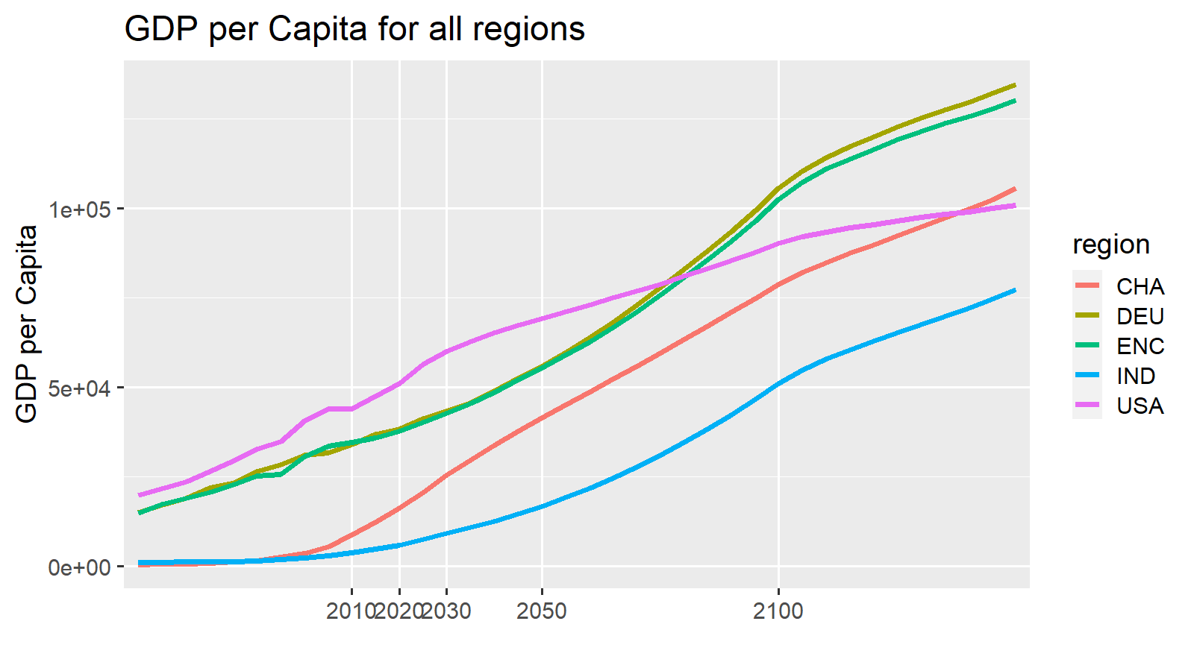
variable | unit | region | scenario | model | 2010 | 2020 | 2030 | 2050 | 2100 | 2150 |  |  |  |  |  |  |  |  |  |  |  |  |  |  |  |  |  |  | 2010 | ETP15 | 2020 | ETP25 | 2030 | 2040 | 2050 | ETP50 | 2060 | 2070 | 2080 | 2090 | 2100
ES|Transport|Pass|Aviation|International|Share | % | ENC | Mix2 | EDGE-Transport | 13.4 | 13.4 | 13.4 | 13.4 | 13.4 | 13.2 |  |  |  |  |  |  |  |  |  |  |  |  |  |  |  |  |  | Walk | 2.3 |  | 2.2 |  | 2 | 1.75 | 1.5 |  | 1.38 | 1.26 | 1.14 | 1.02 | 0.9
ES|Transport|Pass|Road|LDV|Share | % | ENC | Mix2 | EDGE-Transport | 64.9 | 82.5 | 83 | 83.6 | 83.9 | 84.9 |  |  |  |  |  |  |  |  |  |  |  |  |  |  |  |  |  | Cycle | 0.8 |  | 0.7 |  | 0.7 | 0.6 | 0.5 |  | 0.46 | 0.42 | 0.38 | 0.34 | 0.3
ES|Transport|Pass|Road|Bus|Share | % | ENC | Mix2 | EDGE-Transport | 17.9 | 0.4 | 0.3 | 0.2 | 0.7 | 0.7 |  |  |  |  |  |  |  |  |  |  |  |  |  |  |  |  |  | LDV | 64.9 |  | 82.5 |  | 83 | 83.3 | 83.6 |  | 83.66 | 83.72 | 83.78 | 83.84 | 83.9
ES|Transport|Pass|Rail|non-HSR|Share | % | ENC | Mix2 | EDGE-Transport | 0.2 | 0.2 | 0.2 | 0.2 | 0 | 0 |  |  |  |  |  |  |  |  |  |  |  |  |  |  |  |  |  | Bus | 17.9 |  | 0.4 |  | 0.3 | 0.25 | 0.2 |  | 0.3 | 0.4 | 0.5 | 0.6 | 0.7
ES|Transport|Pass|Aviation|Domestic|Share | % | ENC | Mix2 | EDGE-Transport | 0.4 | 0.3 | 0.3 | 0.4 | 0.5 | 0 |  |  |  |  |  |  |  |  |  |  |  |  |  |  |  |  |  | Rail | 0.2 |  | 0.2 |  | 0.2 | 0.2 | 0.2 |  | 0.16 | 0.12 | 0.08 | 0.04 | 0
ES|Transport|Pass|Rail|HSR|Share | % | ENC | Mix2 | EDGE-Transport | 0.1 | 0.2 | 0.2 | 0.2 | 0.3 | 0 |  |  |  |  |  |  |  |  |  |  |  |  |  |  |  |  |  | Rail-HSR | 0.1 |  | 0.2 |  | 0.2 | 0.2 | 0.2 |  | 0.22 | 0.24 | 0.26 | 0.28 | 0.3
ES|Transport|Pass|Road|Non-Motorized|Walking|Share | % | ENC | Mix2 | EDGE-Transport | 2.3 | 2.2 | 2 | 1.5 | 0.9 | 0.8 |  |  |  |  |  |  |  |  |  |  |  |  |  |  |  |  |  | AvDom | 0.4 |  | 0.3 |  | 0.3 | 0.35 | 0.4 |  | 0.42 | 0.44 | 0.46 | 0.48 | 0.5
ES|Transport|Pass|Road|Non-Motorized|Cycling|Share | % | ENC | Mix2 | EDGE-Transport | 0.8 | 0.7 | 0.7 | 0.5 | 0.3 | 0.3 |  |  |  |  |  |  |  |  |  |  |  |  |  |  |  |  |  | AvInt | 13.4 |  | 13.4 |  | 13.4 | 13.4 | 13.4 |  | 13.4 | 13.4 | 13.4 | 13.4 | 13.4
Total |  |  |  |  | 100 | 100 | 100 | 100 | 100 | 100

Expectation
 | Walk | Cycle | LDV | Bus | Rail | Rail-HSR | AvDom | AvInt
2010 | 2.3 | 0.8 | 65 | 18 | 0 | 0.1 | 0 | 13.4
ETP15 | 2.25 | 0.75 | 62 | 7 | 9 |  | 20
2020 | 2.2 | 0.7 | 83 | 0 | 0 | 0.2 | 0 | 13.4
ETP25 | 2.15 | 0.7 | 59 | 6 | 9 |  | 24
2030 | 2.1 | 0.7 | 83 | 0 | 0 | 0.1 | 0 | 13.1
2040 | 2 | 0.65 | 83 | 0 | 0 | 0.1 | 0 | 12.85
2050 | 1.9 | 0.6 | 84 | 0 | 0 | 0.1 | 0 | 12.6
ETP50 | 2.5 |  | 53 | 5 | 8 |  | 32
2060 | 1.82 | 0.58 | 84 | 0 | 0 | 0.1 | 0 | 12.32
2070 | 1.74 | 0.56 | 85 | 0 | 0 | 0.1 | 0 | 12.04
2080 | 1.66 | 0.54 | 85 | 0 | 0 | 0.1 | 0 | 11.76
2090 | 1.58 | 0.52 | 86 | 0 | 0 | 0.1 | 0 | 11.48
2100 | 1.5 | 0.5 | 86 | 0 | 0 | 0.1 | 0 | 11.2
variable | unit | region | scenario | model | 2010 | 2020 | 2030 | 2050 | 2100 | 2150 |  |  |  |  |  |  |  |  |  |  |  |  |  |  |  |  |  |  | 2010 | ETP15 | 2020 | ETP25 | 2030 | 2040 | 2050 | ETP50 | 2060 | 2070 | 2080 | 2090 | 2100
ES|Transport|Pass|Aviation|International|Share | % | ENC | Mix2 | EDGE-Transport | 13.4 | 13.4 | 13.1 | 12.6 | 11.2 | 9.8 |  |  |  |  |  |  |  |  |  |  |  |  |  |  |  |  |  | Walk | 2.3 | 2.25 | 2.2 | 2.15 | 2.1 | 2 | 1.9 | 2.5 | 1.82 | 1.74 | 1.66 | 1.58 | 1.5
ES|Transport|Pass|Road|LDV|Share | % | ENC | Mix2 | EDGE-Transport | 64.9 | 82.5 | 83 | 83.9 | 86.2 | 88.5 |  |  |  |  |  |  |  |  |  |  |  |  |  |  |  |  |  | Cycle | 0.8 | 0.75 | 0.7 | 0.7 | 0.7 | 0.65 | 0.6 |  | 0.58 | 0.56 | 0.54 | 0.52 | 0.5
ES|Transport|Pass|Road|Bus|Share | % | ENC | Mix2 | EDGE-Transport | 17.9 | 0.4 | 0.4 | 0.4 | 0.4 | 0.4 |  |  |  |  |  |  |  |  |  |  |  |  |  |  |  |  |  | LDV | 64.9 | 62 | 82.5 | 59 | 83 | 83.45 | 83.9 | 53 | 84.36 | 84.82 | 85.28 | 85.74 | 86.2
ES|Transport|Pass|Rail|non-HSR|Share | % | ENC | Mix2 | EDGE-Transport | 0.2 | 0.2 | 0.2 | 0.2 | 0.1 | 0 |  |  |  |  |  |  |  |  |  |  |  |  |  |  |  |  |  | Bus | 17.9 | 7 | 0.4 | 6 | 0.4 | 0.4 | 0.4 | 5 | 0.4 | 0.4 | 0.4 | 0.4 | 0.4
ES|Transport|Pass|Aviation|Domestic|Share | % | ENC | Mix2 | EDGE-Transport | 0.4 | 0.3 | 0.3 | 0.2 | 0.1 | 0 |  |  |  |  |  |  |  |  |  |  |  |  |  |  |  |  |  | Rail | 0.2 | 9 | 0.2 | 9 | 0.2 | 0.2 | 0.2 | 8 | 0.18 | 0.16 | 0.14 | 0.12 | 0.1
ES|Transport|Pass|Rail|HSR|Share | % | ENC | Mix2 | EDGE-Transport | 0.1 | 0.2 | 0.1 | 0.1 | 0.1 | 0 |  |  |  |  |  |  |  |  |  |  | Comments |  |  |  |  |  |  | Rail-HSR | 0.1 |  | 0.2 |  | 0.1 | 0.1 | 0.1 |  | 0.1 | 0.1 | 0.1 | 0.1 | 0.1
ES|Transport|Pass|Road|Non-Motorized|Walking|Share | % | ENC | Mix2 | EDGE-Transport | 2.3 | 2.2 | 2.1 | 1.9 | 1.5 | 1 |  |  |  |  |  |  |  |  |  |  |  |  |  |  |  |  |  | AvDom | 0.4 | 20 | 0.3 | 24 | 0.3 | 0.25 | 0.2 | 32 | 0.18 | 0.16 | 0.14 | 0.12 | 0.1
ES|Transport|Pass|Road|Non-Motorized|Cycling|Share | % | ENC | Mix2 | EDGE-Transport | 0.8 | 0.7 | 0.7 | 0.6 | 0.5 | 0.3 |  |  |  |  |  |  |  |  |  |  |  |  |  |  |  |  |  | AvInt | 13.4 |  | 13.4 |  | 13.1 | 12.85 | 12.6 |  | 12.32 | 12.04 | 11.76 | 11.48 | 11.2
Total |  |  |  |  | 100 | 100 | 100 | 100 | 100 | 100

Difference

variable | unit | region | scenario | model | 2010 | 2020 | 2030 | 2050 | 2100 | 2101
ES|Transport|Pass|Aviation|Domestic|Share | bn pkm/year | ENC | SSP2-Mix2 | EDGE-Transport SA | 1.8 | 0 | -0.1 | -0.2 | -0.5 | 0
ES|Transport|Pass|Rail|HSR|Share | bn pkm/year | ENC | SSP2-Mix2 | EDGE-Transport SA | 0 | 0 | 0 | -0.1 | -0.3 | 0
ES|Transport|Pass|Rail|non-HSR|Share | bn pkm/year | ENC | SSP2-Mix2 | EDGE-Transport SA | 0 | 0 | 0.1 | 0 | 0 | 0
ES|Transport|Pass|Road|Bus|Share | bn pkm/year | ENC | SSP2-Mix2 | EDGE-Transport SA | 0 | 0 | 0.1 | 0.2 | -0.3 | -0.4
ES|Transport|Pass|Road|LDV|Share | bn pkm/year | ENC | SSP2-Mix2 | EDGE-Transport SA | 0 | 0 | -0.3 | -0.6 | 0.1 | 0.2
ES|Transport|Pass|Road|Non-Motorized|Walking|Share | bn pkm/year | ENC | SSP2-Mix2 | EDGE-Transport SA | 0 | 0 | 0 | 0.1 | 0.2 | 0.1
ES|Transport|Pass|Road|Non-Motorized|Cycling|Share | bn pkm/year | ENC | SSP2-Mix2 | EDGE-Transport SA | 0 | 0 | 0.2 | 0.5 | 0.6 | 0.2
Total |  |  |  |  | 1.8 | 0 | 2.9420910153E-15 | -0.1 | -0.2 | 0.1

ETP RTS data ENC |  |  |  |  |  |  |  |  |  |  |  |  |  |  |  |  |  |  |  |  |  |  |  |  |  |  |  |  | 2015 |  | 2025 |  | 2040 |  |  | 2060 | 2070
 |  |  |  |  |  |  |  |  |  |  |  |  |  |  |  |  |  |  |  |  |  |  |  |  |  |  |  | ETP + nonmotorized from EDGE
variable | unit | region | scenario | model | 2014 | 2025 | 2030 | 2050 | 2060
ES|Transport|Pass|Aviation|Share | % | ENC | historical | IEA ETP RTS | 20.4 | 24.6 | 25.9 | 33.2 | 37.3 |  |  |  |  |  |  |  |  |  |  |  |  |  |  |  |  |  |  | nonMotor | 3 |  | 2.85 |  |  |  | 2.5
ES|Transport|Pass|Rail|Share | % | ENC | historical | IEA ETP RTS | 9 | 8.9 | 8.6 | 7.8 | 7.4 |  |  |  |  |  |  |  |  |  |  |  |  |  |  |  |  |  |  | LDV | 62 |  | 59 |  |  |  | 53
ES|Transport|Pass|Road|Bus|Share | % | ENC | historical | IEA ETP RTS | 7 | 6.4 | 5.9 | 5 | 4.6 |  |  |  |  |  |  |  |  |  |  |  |  |  |  |  |  |  |  | Bus | 7 |  | 6 |  |  |  | 5
ES|Transport|Pass|Road|LDV|Share | % | ENC | historical | IEA ETP RTS | 63.6 | 60.2 | 59.5 | 54 | 50.7 |  |  |  |  |  |  |  |  |  |  |  |  |  |  |  |  |  |  | Rail | 9 |  | 9 |  |  |  | 8
 |  |  |  |  |  |  |  |  |  |  |  |  |  |  |  |  |  |  |  |  |  |  |  |  |  |  |  | Aviation | 20 |  | 24 |  |  |  | 32

Shareweight support points based on Expectaion

 |  | Lambda road | -2
 |  | Lambda above | -3

This is inserted from an EDGE-T run | mode costs from EDGE-T (including value of time etc) | mode | 2010 | 2015 | 2020 | 2025 | 2030 | 2035 | 2040 | 2045 | 2050 | 2055 | 2060 | 2070 | 2080 | 2090 | 2100
 |  | trn_pass_road_LDV | 0.73183419074 | 0.74525519166 | 0.7632812658 | 0.79604952422 | 0.82679865861 | 0.86048615426 | 0.89764895421 | 0.93745506477 | 0.97740710489 | 1.0157950618 | 1.056295654 | 1.154120785 | 1.2589760815 | 1.3694944692 | 1.4948360552
 |  | Bus | 0.67753834358 | 0.70253347991 | 0.73223093397 | 0.77183868667 | 0.80500836879 | 0.84043767714 | 0.88212020013 | 0.92698214735 | 0.97166712143 | 1.0146224266 | 1.0601101974 | 1.1700513816 | 1.2878184073 | 1.4123272179 | 1.5551835591
 |  | Passenger Rail | 0.59931422686 | 0.61668063909 | 0.63770044482 | 0.66911069676 | 0.69564789236 | 0.72309849297 | 0.75579472156 | 0.79145768063 | 0.82757305228 | 0.86268287707 | 0.89968115583 | 0.98812905461 | 1.0830900712 | 1.1843651515 | 1.3010784911
 |  | Domestic Aviation | 0.31386518289 | 0.30458285488 | 0.29692873441 | 0.30855917162 | 0.31287314136 | 0.31357333493 | 0.3227433122 | 0.33275145395 | 0.34270552852 | 0.35670048939 | 0.37355588945 | 0.40177431246 | 0.42391967064 | 0.44791251892 | 0.48271195423
 |  | HSR | 0.38860453293 | 0.39372436232 | 0.39995188093 | 0.41183207572 | 0.42096797254 | 0.42950440412 | 0.44012116712 | 0.45196117119 | 0.46406957599 | 0.47594313592 | 0.48813797663 | 0.51761125875 | 0.54985949574 | 0.58470394459 | 0.62489035033
 |  | Walk | 5.6392727401 | 5.8818245684 | 6.1766512513 | 6.6068393728 | 7.0038801263 | 7.4394084578 | 7.9451358279 | 8.4945499226 | 9.0553141358 | 9.6042420884 | 10.187956215 | 11.599971173 | 13.146739641 | 14.816899951 | 16.742750767
 |  | Cycle | 1.8045672768 | 1.8821838619 | 1.9765284004 | 2.1141885993 | 2.2412416404 | 2.3806107065 | 2.5424434649 | 2.7182559752 | 2.8977005235 | 3.0733574683 | 3.2601459888 | 3.7119907755 | 4.2069566851 | 4.7414079844 | 5.3576802453
 |  | trn_pass_road | 0.7200766121 | 0.74015923421 | 0.76312490997 | 0.79604952422 | 0.8267133456 | 0.86007562725 | 0.89731904808 | 0.93731628987 | 0.97739091967 | 1.0157950618 | 1.056295654 | 1.154120785 | 1.2589760815 | 1.3696067239 | 1.4953225234

 |  |  |  |  |  |  |  |  |  |  |  |  |  |  |  |  |  |  |  |  | These shareweights are finally red by EDGE-Tas support points for the spline or linesr interpolation
 | SW | mode | 2010 | 2015 | 2020 | 2025 | 2030 | 2035 | 2040 | 2045 | 2050 | 2055 | 2060 | 2070 | 2080 | 2090 | 2100 | Normalized Shareweights |  |  | mode | region | 2020 | 2030 | 2050 | 2090 | 2150
This is inserted from an EDGE-T run |  | trn_pass_road_LDV | 1 | 1 | 1 | 1 | 1 | 1 | 1 | 1 | 1 | 1 | 1 | 1 | 1 | 1 | 1 |  |  |  | trn_pass_road_LDV | ENC | 1 | 1 | 1 | 1 | 1
 |  | Bus | 0.2369083941 | 0.12603526566 | 0.015162137222 | 0.012319236493 | 0.009476335764 | 0.0082917937935 | 0.007107251823 | 0.0059227098525 | 0.004738167882 | 0.0045012594879 | 0.0042643510938 | 0.0037905343056 | 0.0033167175174 | 0.0028429007292 | 0.002369083941 |  |  |  | Bus | ENC | 0.015162137222 | 0.009476335764 | 0.004738167882 | 0.0028429007292 | 0.0030830049108
 |  | Passenger Rail | 0.00013187919855 | 6.7093542262E-05 | 2.3078859746E-06 | 2.8024329692E-06 | 3.2969799637E-06 | 3.6266779601E-06 | 3.9563759565E-06 | 4.2860739528E-06 | 4.6157719492E-06 | 4.4179531514E-06 | 4.2201343536E-06 | 3.8244967579E-06 | 3.4288591623E-06 | 3.0332215666E-06 | 2.637583971E-06 |  |  |  | Passenger Rail | ENC | 4.1029083993E-05 | 4.0578214938E-05 | 9.2315438984E-06 | 9.4199427535E-07 | 4.2183823281E-07
 |  | Domestic Aviation | 2.8681575728E-05 | 1.4815826462E-05 | 9.5007719599E-07 | 1.1920779912E-06 | 1.4340787864E-06 | 1.792598483E-06 | 2.1511181796E-06 | 2.5096378762E-06 | 2.8681575728E-06 | 2.7821128456E-06 | 2.6960681184E-06 | 2.5239786641E-06 | 2.3518892097E-06 | 2.1797997553E-06 | 2.007710301E-06 |  |  |  | Domestic Aviation | ENC | 1.6890261262E-05 | 1.7650200448E-05 | 5.7363151456E-06 | 6.7695644575E-07 | 0.0013397505345
 |  | HSR | 1.9898183043E-05 | 1.9898183043E-05 | 1.9898183043E-05 | 1.9898183043E-05 | 1.9898183043E-05 | 1.9898183043E-05 | 1.9898183043E-05 | 1.9898183043E-05 | 1.9898183043E-05 | 1.9699201213E-05 | 1.9500219382E-05 | 1.9102255721E-05 | 1.8704292061E-05 | 1.83063284E-05 | 1.7908364739E-05 |  |  |  | HSR | ENC | 0.00035374547632 | 0.00024490071438 | 3.9796366086E-05 | 5.6851951552E-06 | 0.0022106660614
 |  | Walk | 1 | 0.528125 | 0.05625 | 0.06875 | 0.08125 | 0.1859375 | 0.290625 | 0.3953125 | 0.5 | 0.84 | 1.18 | 1.86 | 2.54 | 3.22 | 3.9 |  |  |  | Walk | ENC | 1 | 1 | 1 | 1 | 1
 |  | Cycle | 0.010922383993 | 0.0055465231215 | 0.00017066224989 | 0.00020820794487 | 0.00024575363985 | 0.00051198674968 | 0.00077821985951 | 0.0010444529693 | 0.0013106860792 | 0.0022718558706 | 0.003233025662 | 0.0051553652448 | 0.0070777048276 | 0.0090000444103 | 0.010922383993 |  |  |  | Cycle | ENC | 0.0030339955536 | 0.0030246601827 | 0.0026213721584 | 0.0027950448479 | 0.032321096022
 |  | trn_pass_road | 0.075944289825 | 0.040345403969 | 0.004746518114 | 0.007119777171 | 0.0094930362281 | 0.013052924814 | 0.016612813399 | 0.020172701985 | 0.02373259057 | 0.02373259057 | 0.02373259057 | 0.02373259057 | 0.02373259057 | 0.02373259057 | 0.02373259057 |  |  |  | trn_pass_road | ENC | 0.084382544249 | 0.11683736896 | 0.04746518114 | 0.0073703697423 | 0.053810049807

 |  | subsum road | 2.4 | 2.1 | 1.7 | 1.6 | 1.5 | 1.4 | 1.3 | 1.1 | 1.1 | 1.0 | 0.9 | 0.8 | 0.6 | 0.5 | 0.4
 |  | subsum above | 0.2 | 0.1 | 0.0 | 0.0 | 0.0 | 0.0 | 0.0 | 0.0 | 0.0 | 0.0 | 0.0 | 0.0 | 0.0 | 0.0 | 0.0

 | target mode shares |  |  |  | 2020 |  |  |  | 2030 |  |  |  |  | 2050 |  |  |  | 2100
 |  |  |  |  | Target | results | difference |  | Target | results | difference |  |  | Target | results | difference |  | Target | results | difference
 |  | LDV in road |  |  | 100% | 98% | 1% |  | 100% | 99% | 1% |  |  | 100% | 100% | 0% |  | 100% | 100% | 0%
 |  | Bus in road |  |  | 0% | 2% | -1% |  | 0% | 1% | -1% |  |  | 0% | 0% | 0% |  | 0% | 0% | 0%
Enter the target values into the pink fields | Share in total | LDV |  |  | 95.38% | 93% | 2% |  | 95.62% | 96% | 0% |  |  | 96.11% | 96% | 0% |  | 97% | 88% | 9%
 |  | Bus |  |  | 0.46% | 2% | -1% |  | 0.46% | 1% | 0% |  |  | 0.46% | 0% | 0% |  | 0% | 0% | 0%
 |  | Rail |  |  | 0.23% | 0% | 0% |  | 0.23% | 0% | 0% |  |  | 0.23% | 0% | 0% |  | 0% | 0% | 0%
 |  | Dom Aviation |  |  | 0.35% | 0% | 0% |  | 0.35% | 0% | 0% |  |  | 0.23% | 0% | 0% |  | 0% | 0% | 0%
 |  | HSR |  |  | 0.23% | 3% | -3% |  | 0.12% | 2% | -1% |  |  | 0.11% | 1% | -1% |  | 0% | 1% | -1%
 |  | Walk |  |  | 2.54% | 2% | 0% |  | 2.42% | 1% | 1% |  |  | 2.18% | 3% | 0% |  | 2% | 10% | -9%
 |  | Cycle |  |  | 0.81% | 0% | 1% |  | 0.81% | 0% | 1% |  |  | 0.69% | 0% | 0% |  | 1% | 1% | 0%

 | total |  |  |  | 100% | 100% |  |  | 100% | 100% |  |  |  | 100% | 100% |  |  | 100% | 100%

 | SW multipliers |  |  |  |  | 2020 |  |  |  | 2030 |  |  |  |  | 2050 |  |  |  | 2100
Change by hand - first dark green, then light green, until the difference values below are small |  | LDV |  |  |  | 1 |  |  |  | 1 |  |  |  |  | 1 |  |  |  | 1
 |  | Bus |  |  |  | 0.064 |  |  |  | 0.04 |  |  |  |  | 0.02 |  |  |  | 0.01
 |  | Rail |  |  |  | 0.0175 |  |  |  | 0.025 |  |  |  |  | 0.035 |  |  |  | 0.02
 |  | Dom Aviation |  |  |  | 0.033125 |  |  |  | 0.05 |  |  |  |  | 0.1 |  |  |  | 0.07
 |  | HSR |  |  |  | 1 |  |  |  | 1 |  |  |  |  | 1 |  |  |  | 0.9
 |  | Walk |  |  |  | 0.05625 |  |  |  | 0.08125 |  |  |  |  | 0.5 |  |  |  | 3.9
 |  | Cycle |  |  |  | 0.015625 |  |  |  | 0.0225 |  |  |  |  | 0.12 |  |  |  | 1
 |  | Road |  |  |  | 0.0625 |  |  |  | 0.125 |  |  |  |  | 0.3125 |  |  |  | 0.3125

 | all resultig ES shares |  | 2010 | 2015 | 2020 | 2025 | 2030 | 2035 | 2040 | 2045 | 2050 | 2055 | 2060 | 2070 | 2080 | 2090 | 2100
 |  | LDV in road | 78.3% | 87.6% | 98.4% | 98.7% | 99.0% | 99.1% | 99.3% | 99.4% | 99.5% | 99.6% | 99.6% | 99.6% | 99.7% | 99.7% | 99.8%
 |  | Bus in road | 21.7% | 12.4% | 1.6% | 1.3% | 1.0% | 0.9% | 0.7% | 0.6% | 0.5% | 0.4% | 0.4% | 0.4% | 0.3% | 0.3% | 0.2%
 | Share in total | LDV | 74.9% | 83.7% | 93.0% | 94.7% | 95.7% | 95.4% | 95.4% | 95.5% | 95.7% | 94.2% | 93.0% | 91.0% | 89.5% | 88.3% | 87.5%
 |  | Bus | 20.7% | 11.9% | 1.5% | 1.2% | 1.0% | 0.8% | 0.7% | 0.6% | 0.5% | 0.4% | 0.4% | 0.3% | 0.3% | 0.2% | 0.2%
 |  | Rail | 0.3% | 0.3% | 0.1% | 0.1% | 0.1% | 0.0% | 0.0% | 0.0% | 0.0% | 0.0% | 0.0% | 0.0% | 0.0% | 0.0% | 0.0148%
 |  | Dom Aviation | 0.4% | 0.5% | 0.3% | 0.3% | 0.3% | 0.3% | 0.3% | 0.3% | 0.3% | 0.3% | 0.2% | 0.2% | 0.2% | 0.2% | 0.2206%
 |  | HSR | 0.2% | 0.3% | 2.8% | 1.9% | 1.5% | 1.2% | 1.0% | 0.8% | 0.8% | 0.8% | 0.8% | 0.8% | 0.8% | 0.9% | 0.9069%
 |  | Walk | 2.6% | 2.5% | 2.1% | 1.6% | 1.4% | 2.1% | 2.4% | 2.5% | 2.5% | 4.0% | 5.2% | 7.0% | 8.4% | 9.5% | 10.2684%
 |  | Cycle | 0.9% | 0.8% | 0.2% | 0.1% | 0.1% | 0.2% | 0.2% | 0.2% | 0.2% | 0.3% | 0.4% | 0.6% | 0.7% | 0.8% | 0.8776%
 |  | trn_pass_road | 95.6% | 95.6% | 94.5% | 96.0% | 96.7% | 96.2% | 96.1% | 96.1% | 96.2% | 94.7% | 93.4% | 91.3% | 89.7% | 88.6% | 87.7117%
 | total |  | 100% | 100% | 100% | 100% | 100% | 100% | 100% | 100% | 100% | 100% | 100% | 100% | 100% | 100% | 100%

ESC
 | Walk | Cycle | LDV | Bus | Rail | Rail-HSR | AvDom | AvInt
2010 | 2 | 0.7 | 76.4 | 11.4 | 0.3 | 0.2 | 0.6 | 8.5
ETP15
2020 | 2.4 | 0.8 | 87.5 | 0.3 | 0.3 | 0.2 | 0 | 8.5
ETP25
2030 | 2 | 0.7 | 88.1 | 0.2 | 0.2 | 0.2 | 0.1 | 8.5
2040 | 1.7 | 0.6 | 88.55 | 0.15 | 0.2 | 0.2 | 0.1 | 8.5
2050 | 1.4 | 0.5 | 89 | 0.1 | 0.2 | 0.2 | 0.1 | 8.5
ETP50
2060 | 1.24 | 0.44 | 89.14 | 0.14 | 0.18 | 0.24 | 0.1 | 8.5
2070 | 1.08 | 0.38 | 89.28 | 0.18 | 0.16 | 0.28 | 0.1 | 8.5
2080 | 0.92 | 0.32 | 89.42 | 0.22 | 0.14 | 0.32 | 0.1 | 8.5
2090 | 0.76 | 0.26 | 89.56 | 0.26 | 0.12 | 0.36 | 0.1 | 8.5
2100 | 0.6 | 0.2 | 89.7 | 0.3 | 0.1 | 0.4 | 0.1 | 8.5
EDGE-T SA results
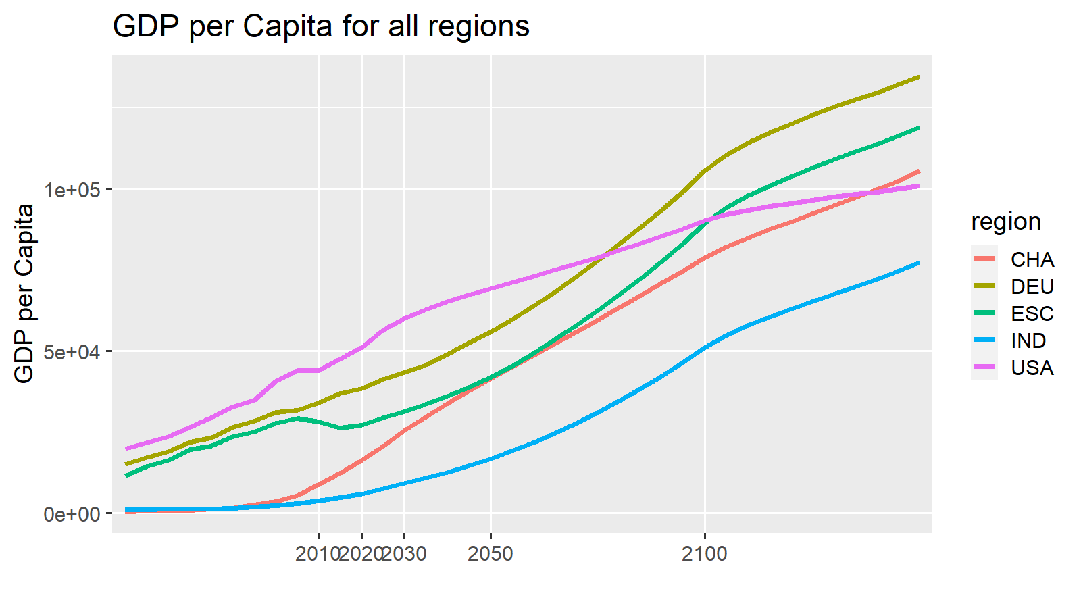
variable | unit | region | scenario | model | 2010 | 2020 | 2030 | 2050 | 2100 | 2150 |  |  |  |  |  |  |  |  |  |  |  |  |  |  |  |  | 2010 | ETP15 | 2020 | ETP25 | 2030 | 2040 | 2050 | ETP50 | 2060 | 2070 | 2080 | 2090 | 2100
ES|Transport|Pass|Aviation|International|Share | % | ESC | Mix2 | EDGE-Transport | 8.5 | 8.5 | 8.5 | 8.5 | 8.5 | 8.4 |  |  |  |  |  |  |  |  |  |  |  |  |  |  |  | Walk | 2 |  | 2.4 |  | 2 | 1.7 | 1.4 |  | 1.24 | 1.08 | 0.92 | 0.76 | 0.6
ES|Transport|Pass|Road|LDV|Share | % | ESC | Mix2 | EDGE-Transport | 76.4 | 87.5 | 88.1 | 89 | 89.7 | 90.3 |  |  |  |  |  |  |  |  |  |  |  |  |  |  |  | Cycle | 0.7 |  | 0.8 |  | 0.7 | 0.6 | 0.5 |  | 0.44 | 0.38 | 0.32 | 0.26 | 0.2
ES|Transport|Pass|Road|Bus|Share | % | ESC | Mix2 | EDGE-Transport | 11.4 | 0.3 | 0.2 | 0.1 | 0.3 | 0.5 |  |  |  |  |  |  |  |  |  |  |  |  |  |  |  | LDV | 76.4 |  | 87.5 |  | 88.1 | 88.55 | 89 |  | 89.14 | 89.28 | 89.42 | 89.56 | 89.7
ES|Transport|Pass|Rail|non-HSR|Share | % | ESC | Mix2 | EDGE-Transport | 0.3 | 0.3 | 0.2 | 0.2 | 0.1 | 0 |  |  |  |  |  |  |  |  |  |  |  |  |  |  |  | Bus | 11.4 |  | 0.3 |  | 0.2 | 0.15 | 0.1 |  | 0.14 | 0.18 | 0.22 | 0.26 | 0.3
ES|Transport|Pass|Aviation|Domestic|Share | % | ESC | Mix2 | EDGE-Transport | 0.6 | 0 | 0.1 | 0.1 | 0.1 | 0 |  |  |  |  |  |  |  |  |  |  |  |  |  |  |  | Rail | 0.3 |  | 0.3 |  | 0.2 | 0.2 | 0.2 |  | 0.18 | 0.16 | 0.14 | 0.12 | 0.1
ES|Transport|Pass|Rail|HSR|Share | % | ESC | Mix2 | EDGE-Transport | 0.2 | 0.2 | 0.2 | 0.2 | 0.4 | 0 |  |  |  |  |  |  |  |  |  |  |  |  |  |  |  | Rail-HSR | 0.2 |  | 0.2 |  | 0.2 | 0.2 | 0.2 |  | 0.24 | 0.28 | 0.32 | 0.36 | 0.4
ES|Transport|Pass|Road|Non-Motorized|Walking|Share | % | ESC | Mix2 | EDGE-Transport | 2 | 2.4 | 2 | 1.4 | 0.6 | 0.6 |  |  |  |  |  |  |  |  |  |  |  |  |  |  |  | AvDom | 0.6 |  | 0 |  | 0.1 | 0.1 | 0.1 |  | 0.1 | 0.1 | 0.1 | 0.1 | 0.1
ES|Transport|Pass|Road|Non-Motorized|Cycling|Share | % | ESC | Mix2 | EDGE-Transport | 0.7 | 0.8 | 0.7 | 0.5 | 0.2 | 0.2 |  |  |  |  |  |  |  |  |  |  |  |  |  |  |  | AvInt | 8.5 |  | 8.5 |  | 8.5 | 8.5 | 8.5 |  | 8.5 | 8.5 | 8.5 | 8.5 | 8.5
Total |  |  |  |  | 100 | 100 | 100 | 100 | 100 | 100

Expectation
 | Walk | Cycle | LDV | Bus | Rail | Rail-HSR | AvDom | AvInt
2010 | 2 | 0.7 | 76 | 11 | 0 | 0.2 | 1 | 8.5
ETP15 | 2.2 | 0.75 | 62 | 7 | 9 |  | 20
2020 | 2.4 | 0.8 | 88 | 0 | 0 | 0.2 | 0 | 8.5
ETP25 | 2.35 | 0.8 | 58 | 6 | 9 |  | 24
2030 | 2.3 | 0.8 | 87 | 0 | 0 | 0.2 | 0 | 9.3
2040 | 2.15 | 0.75 | 86 | 1 | 0 | 0.15 | 0 | 10.1
2050 | 2 | 0.7 | 85 | 1 | 0 | 0.1 | 0 | 10.9
ETP50 | 2.7 |  | 53 | 5 | 8 |  | 32
2060 | 1.86 | 0.64 | 84 | 1 | 0 | 0.1 | 0 | 11.72
2070 | 1.72 | 0.58 | 84 | 1 | 0 | 0.1 | 0 | 12.54
2080 | 1.58 | 0.52 | 83 | 1 | 0 | 0.1 | 0 | 13.36
2090 | 1.44 | 0.46 | 82 | 1 | 0 | 0.1 | 0 | 14.18
2100 | 1.3 | 0.4 | 82 | 2 | 0 | 0.1 | 0 | 15
variable | unit | region | scenario | model | 2010 | 2020 | 2030 | 2050 | 2100 | 2150 |  |  |  |  |  |  |  |  |  |  |  |  |  |  |  |  | 2010 | ETP15 | 2020 | ETP25 | 2030 | 2040 | 2050 | ETP50 | 2060 | 2070 | 2080 | 2090 | 2100
ES|Transport|Pass|Aviation|International|Share | % | ESC | Mix2 | EDGE-Transport | 8.5 | 8.5 | 9.3 | 10.9 | 15 | 19.1 |  |  |  |  |  |  |  |  |  |  |  |  |  |  |  | Walk | 2 | 2.2 | 2.4 | 2.35 | 2.3 | 2.15 | 2 | 2.7 | 1.86 | 1.72 | 1.58 | 1.44 | 1.3
ES|Transport|Pass|Road|LDV|Share | % | ESC | Mix2 | EDGE-Transport | 76.4 | 87.5 | 86.7 | 85.2 | 81.5 | 77.7 |  |  |  |  |  |  |  |  |  |  |  |  |  |  |  | Cycle | 0.7 | 0.75 | 0.8 | 0.8 | 0.8 | 0.75 | 0.7 |  | 0.64 | 0.58 | 0.52 | 0.46 | 0.4
ES|Transport|Pass|Road|Bus|Share | % | ESC | Mix2 | EDGE-Transport | 11.4 | 0.3 | 0.4 | 0.7 | 1.5 | 2.3 |  |  |  |  |  |  |  |  |  |  |  |  |  |  |  | LDV | 76.4 | 62 | 87.5 | 58 | 86.7 | 85.95 | 85.2 | 53 | 84.46 | 83.72 | 82.98 | 82.24 | 81.5
ES|Transport|Pass|Rail|non-HSR|Share | % | ESC | Mix2 | EDGE-Transport | 0.3 | 0.3 | 0.3 | 0.2 | 0.1 | 0 |  |  |  |  |  |  |  |  |  |  |  |  |  |  |  | Bus | 11.4 | 7 | 0.3 | 6 | 0.4 | 0.55 | 0.7 | 5 | 0.86 | 1.02 | 1.18 | 1.34 | 1.5
ES|Transport|Pass|Aviation|Domestic|Share | % | ESC | Mix2 | EDGE-Transport | 0.6 | 0 | 0 | 0 | 0 | 0 |  |  |  |  |  |  |  |  |  |  |  |  |  |  |  | Rail | 0.3 | 9 | 0.3 | 9 | 0.3 | 0.25 | 0.2 | 8 | 0.18 | 0.16 | 0.14 | 0.12 | 0.1
ES|Transport|Pass|Rail|HSR|Share | % | ESC | Mix2 | EDGE-Transport | 0.2 | 0.2 | 0.2 | 0.1 | 0.1 | 0 |  |  |  |  |  |  |  |  | Comments |  |  |  |  |  |  | Rail-HSR | 0.2 |  | 0.2 |  | 0.2 | 0.15 | 0.1 |  | 0.1 | 0.1 | 0.1 | 0.1 | 0.1
ES|Transport|Pass|Road|Non-Motorized|Walking|Share | % | ESC | Mix2 | EDGE-Transport | 2 | 2.4 | 2.3 | 2 | 1.3 | 0.6 |  |  |  |  |  |  |  |  |  |  |  |  |  |  |  | AvDom | 0.6 | 20 | 0 | 24 | 0 | 0 | 0 | 32 | 0 | 0 | 0 | 0 | 0
ES|Transport|Pass|Road|Non-Motorized|Cycling|Share | % | ESC | Mix2 | EDGE-Transport | 0.7 | 0.8 | 0.8 | 0.7 | 0.4 | 0.2 |  |  |  |  |  |  |  |  |  |  |  |  |  |  |  | AvInt | 8.5 |  | 8.5 |  | 9.3 | 10.1 | 10.9 |  | 11.72 | 12.54 | 13.36 | 14.18 | 15
Total |  |  |  |  | 100 | 100 | 100 | 100 | 100 | 100

Difference

variable | unit | region | scenario | model | 2010 | 2020 | 2030 | 2050 | 2100 | 2101
ES|Transport|Pass|Aviation|Domestic|Share | bn pkm/year | ESC | SSP2-Mix2 | EDGE-Transport SA | 1.6 | 0 | 0 | 0 | -0.2 | 0
ES|Transport|Pass|Rail|HSR|Share | bn pkm/year | ESC | SSP2-Mix2 | EDGE-Transport SA | 0 | 0 | 0 | -0.2 | -0.4 | 0
ES|Transport|Pass|Rail|non-HSR|Share | bn pkm/year | ESC | SSP2-Mix2 | EDGE-Transport SA | 0 | 0 | 0 | 0.1 | 0 | 0
ES|Transport|Pass|Road|Bus|Share | bn pkm/year | ESC | SSP2-Mix2 | EDGE-Transport SA | 0 | 0 | 0.3 | 0.8 | 1.4 | 2.2
ES|Transport|Pass|Road|LDV|Share | bn pkm/year | ESC | SSP2-Mix2 | EDGE-Transport SA | 0 | 0 | -0.7 | -1.6 | -2.2 | -2.6
ES|Transport|Pass|Road|Non-Motorized|Walking|Share | bn pkm/year | ESC | SSP2-Mix2 | EDGE-Transport SA | 0 | 0 | 0.1 | 0.2 | 0.3 | 0.1
ES|Transport|Pass|Road|Non-Motorized|Cycling|Share | bn pkm/year | ESC | SSP2-Mix2 | EDGE-Transport SA | 0 | 0 | 0.3 | 0.7 | 0.8 | 0.2
Total |  |  |  |  | 1.6 | 0 | -2.9420910153E-15 | 5.8841820305E-15 | -0.3 | -0.1

ETP RTS data ESC |  |  |  |  |  |  |  |  |  |  |  |  |  |  |  |  |  |  |  |  |  |  |  |  |  |  | 2015 |  | 2025 |  | 2040 |  |  | 2060 | 2070
 |  |  |  |  |  |  |  |  |  |  |  |  |  |  |  |  |  |  |  |  |  |  |  |  |  | ETP + nonmotorized from EDGE
variable | unit | region | scenario | model | 2014 | 2025 | 2030 | 2050 | 2060
ES|Transport|Pass|Aviation|Share | % | ESC | historical | IEA ETP RTS | 20.4 | 24.6 | 25.9 | 33.2 | 37.3 |  |  |  |  |  |  |  |  |  |  |  |  |  |  |  |  | nonMotor | 2.95 |  | 3.15 |  |  |  | 2.7
ES|Transport|Pass|Rail|Share | % | ESC | historical | IEA ETP RTS | 9 | 8.9 | 8.6 | 7.8 | 7.4 |  |  |  |  |  |  |  |  |  |  |  |  |  |  |  |  | LDV | 62 |  | 58 |  |  |  | 53
ES|Transport|Pass|Road|Bus|Share | % | ESC | historical | IEA ETP RTS | 7 | 6.4 | 5.9 | 5 | 4.6 |  |  |  |  |  |  |  |  |  |  |  |  |  |  |  |  | Bus | 7 |  | 6 |  |  |  | 5
ES|Transport|Pass|Road|LDV|Share | % | ESC | historical | IEA ETP RTS | 63.6 | 60.2 | 59.5 | 54 | 50.7 |  |  |  |  |  |  |  |  |  |  |  |  |  |  |  |  | Rail | 9 |  | 9 |  |  |  | 8
 |  |  |  |  |  |  |  |  |  |  |  |  |  |  |  |  |  |  |  |  |  |  |  |  |  | Aviation | 20 |  | 24 |  |  |  | 32

Shareweight support points based on Expectaion

 |  | Lambda road | -2
 |  | Lambda above | -3

This is inserted from an EDGE-T run | mode costs from EDGE-T (including value of time etc) | mode | 2010 | 2015 | 2020 | 2025 | 2030 | 2035 | 2040 | 2045 | 2050 | 2055 | 2060 | 2070 | 2080 | 2090 | 2100
 |  | trn_pass_road_LDV | 0.60044403403 | 0.57335220902 | 0.57487389523 | 0.59462199795 | 0.61456602823 | 0.636744593 | 0.65972544346 | 0.68502604351 | 0.71367871373 | 0.74659881672 | 0.7838032868 | 0.86565138016 | 0.95177905654 | 1.046518282 | 1.1511466187
 |  | Bus | 0.44803335791 | 0.42566063956 | 0.43805590346 | 0.46365309622 | 0.48368856083 | 0.50459751819 | 0.52778738241 | 0.55472939195 | 0.58544428889 | 0.62082818482 | 0.66076642161 | 0.74906109845 | 0.84191825963 | 0.94413790616 | 1.0574227488
 |  | Passenger Rail | 0.4632993198 | 0.44820847699 | 0.45631244898 | 0.48242125472 | 0.50177444592 | 0.51754788744 | 0.5352704385 | 0.55720406096 | 0.5828611769 | 0.61173758192 | 0.64384485087 | 0.71517444521 | 0.79040416169 | 0.87320660057 | 0.96481608493
 |  | Domestic Aviation | 0.293371916 | 0.27434041671 | 0.26239041963 | 0.26955575485 | 0.27358357772 | 0.26848176543 | 0.27242126224 | 0.28125339667 | 0.29119938558 | 0.30367347904 | 0.31509091735 | 0.33868088039 | 0.36331023158 | 0.38855218298 | 0.41558306701
 |  | HSR | 0.34326500874 | 0.33845352484 | 0.34086928826 | 0.35559685418 | 0.36434831299 | 0.36789663837 | 0.37223713291 | 0.37913763751 | 0.38776737147 | 0.39724169168 | 0.40761044115 | 0.43148239008 | 0.45697337516 | 0.48504519031 | 0.51584955792
 |  | Walk | 3.6822469032 | 3.4574651725 | 3.5754465329 | 3.8426619468 | 4.082505008 | 4.3577426019 | 4.6605061444 | 5.0022295598 | 5.3919921877 | 5.838231648 | 6.3414759964 | 7.4556988047 | 8.6484902897 | 9.9842853471 | 11.490551515
 |  | Cycle | 1.178319009 | 1.1063888552 | 1.1441428905 | 1.229651823 | 1.3064016026 | 1.3944776326 | 1.4913619662 | 1.6007134591 | 1.7254375001 | 1.8682341274 | 2.0292723188 | 2.3858236175 | 2.7675168927 | 3.1949713111 | 3.6769764849
 |  | trn_pass_road | 0.58065583797 | 0.56223812239 | 0.57447983387 | 0.59462199795 | 0.61428314466 | 0.63517989897 | 0.65811298185 | 0.68405182681 | 0.7134872316 | 0.74659881672 | 0.7838032868 | 0.86565138016 | 0.95177905654 | 1.0463918546 | 1.1507827253

 |  |  |  |  |  |  |  |  |  |  |  |  |  |  |  |  |  |  | These shareweights are finally red by EDGE-Tas support points for the spline or linesr interpolation
 | SW | mode | 2010 | 2015 | 2020 | 2025 | 2030 | 2035 | 2040 | 2045 | 2050 | 2055 | 2060 | 2070 | 2080 | 2090 | 2100 | Normalized Shareweights | mode | region | 2020 | 2030 | 2050 | 2090 | 2150
This is inserted from an EDGE-T run |  | trn_pass_road_LDV | 1 | 1 | 1 | 1 | 1 | 1 | 1 | 1 | 1 | 1 | 1 | 1 | 1 | 1 | 1 |  | trn_pass_road_LDV | ESC | 1 | 1 | 1 | 1 | 1
 |  | Bus | 0.083073917674 | 0.044195324202 | 0.0053167307311 | 0.004319843719 | 0.0033229567069 | 0.0029075871186 | 0.0024922175302 | 0.0020768479418 | 0.0016614783535 | 0.0015784044358 | 0.0014953305181 | 0.0013291826828 | 0.0011630348474 | 0.00099688701208 | 0.00083073917674 |  | Bus | ESC | 0.0053167307311 | 0.0033229567069 | 0.0016614783535 | 0.00099688701208 | 0.0030830049108
 |  | Passenger Rail | 0.0002778412989 | 0.00014135176081 | 4.8622227307E-06 | 5.9041276015E-06 | 6.9460324724E-06 | 7.6406357196E-06 | 8.3352389669E-06 | 9.0298422141E-06 | 9.7244454613E-06 | 9.307683513E-06 | 8.8909215646E-06 | 8.057397668E-06 | 7.2238737713E-06 | 6.3903498746E-06 | 5.5568259779E-06 |  | Passenger Rail | ESC | 8.6439515212E-05 | 8.5489630429E-05 | 1.9448890923E-05 | 1.9845807064E-06 | 4.2183823281E-07
 |  | Domestic Aviation | 0.0001387992927 | 7.1698509638E-05 | 4.5977265709E-06 | 5.768845603E-06 | 6.9399646352E-06 | 8.6749557941E-06 | 1.0409946953E-05 | 1.2144938112E-05 | 1.387992927E-05 | 1.3463531392E-05 | 1.3047133514E-05 | 1.2214337758E-05 | 1.1381542002E-05 | 1.0548746246E-05 | 9.7159504893E-06 |  | Domestic Aviation | ESC | 8.173736126E-05 | 8.5414949357E-05 | 2.7759858541E-05 | 3.2760081508E-06 | 0.0013397505345
 |  | HSR | 6.5652258519E-05 | 6.5652258519E-05 | 6.5652258519E-05 | 6.5652258519E-05 | 6.5652258519E-05 | 6.5652258519E-05 | 6.5652258519E-05 | 6.5652258519E-05 | 6.5652258519E-05 | 6.4995735934E-05 | 6.4339213348E-05 | 6.3026168178E-05 | 6.1713123008E-05 | 6.0400077837E-05 | 5.9087032667E-05 |  | HSR | ESC | 0.0011671512626 | 0.00080802779715 | 0.00013130451704 | 1.8757788148E-05 | 0.0022106660614
 |  | Walk | 1 | 0.528125 | 0.05625 | 0.06875 | 0.08125 | 0.1859375 | 0.290625 | 0.3953125 | 0.5 | 0.84 | 1.18 | 1.86 | 2.54 | 3.22 | 3.9 |  | Walk | ESC | 1 | 1 | 1 | 1 | 1
 |  | Cycle | 0.01092239573 | 0.0055465290818 | 0.00017066243329 | 0.00020820816861 | 0.00024575390393 | 0.00051198729986 | 0.00077822069579 | 0.0010444540917 | 0.0013106874876 | 0.0022718583119 | 0.0032330291362 | 0.0051553707847 | 0.0070777124332 | 0.0090000540818 | 0.01092239573 |  | Cycle | ESC | 0.003033998814 | 0.003024663433 | 0.0026213749753 | 0.0027950478515 | 0.032321096022
...

ESW
 | Walk | Cycle | LDV | Bus | Rail | Rail-HSR | AvDom | AvInt
2010 | 2 | 0.7 | 73.9 | 9.8 | 0.3 | 0.2 | 2.2 | 10.9
ETP15
2020 | 2.2 | 0.7 | 84.5 | 0.2 | 0.3 | 0.2 | 0.8 | 10.9
ETP25
2030 | 1.8 | 0.6 | 85 | 0.1 | 0.3 | 0.2 | 1 | 10.9
2040 | 1.6 | 0.55 | 85.25 | 0.1 | 0.25 | 0.25 | 1.1 | 10.9
2050 | 1.4 | 0.5 | 85.5 | 0.1 | 0.2 | 0.3 | 1.2 | 10.9
ETP50
2060 | 1.24 | 0.44 | 85.52 | 0.14 | 0.18 | 0.34 | 1.32 | 10.9
2070 | 1.08 | 0.38 | 85.54 | 0.18 | 0.16 | 0.38 | 1.44 | 10.9
2080 | 0.92 | 0.32 | 85.56 | 0.22 | 0.14 | 0.42 | 1.56 | 10.9
2090 | 0.76 | 0.26 | 85.58 | 0.26 | 0.12 | 0.46 | 1.68 | 10.9
2100 | 0.6 | 0.2 | 85.6 | 0.3 | 0.1 | 0.5 | 1.8 | 10.9
...
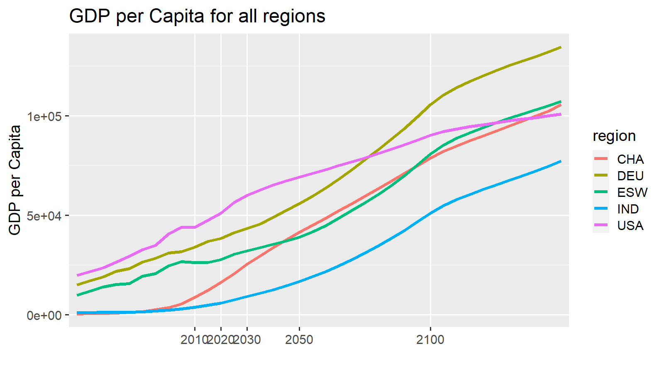
2010 | 2020 | 2030 | 2050 | 2100 | 2150 |  |  | 2010 | ETP15
10.9 | 10.9 | 10.9 | 10.9 | 10.9 | 10.9 |  | Walk | 2
73.9 | 84.5 | 85 | 85.5 | 85.6 | 87.6 |  | Cycle | 0.7
9.8 | 0.2 | 0.1 | 0.1 | 0.3 | 0.7 |  | LDV | 73.9
0.3 | 0.3 | 0.3 | 0.2 | 0.1 | 0 |  | Bus | 9.8
2.2 | 0.8 | 1 | 1.2 | 1.8 | 0 |  | Rail | 0.3
0.2 | 0.2 | 0.2 | 0.3 | 0.5 | 0 |  | Rail-HSR | 0.2
2 | 2.2 | 1.8 | 1.4 | 0.6 | 0.6 |  | AvDom | 2.2
0.7 | 0.7 | 0.6 | 0.5 | 0.2 | 0.2 |  | AvInt | 10.9
100 | 100 | 100 | 100 | 100 | 100
...
 | Walk | Cycle | LDV | Bus | Rail | Rail-HSR | AvDom | AvInt
2010 | 2 | 0.7 | 74 | 10 | 0 | 0.2 | 2 | 10.9
ETP15 | 2.1 | 0.7 | 62 | 7 | 9 |  | 20
2020 | 2.2 | 0.7 | 85 | 0 | 0 | 0.2 | 1 | 10.9
ETP25 | 2.1 | 0.7 | 59 | 6 | 9 |  | 24
2030 | 2 | 0.7 | 85 | 0 | 0 | 0.2 | 1 | 10.7
2040 | 1.85 | 0.65 | 86 | 0 | 0 | 0.2 | 1 | 10.4
2050 | 1.7 | 0.6 | 86 | 0 | 0 | 0.2 | 1 | 10.1
ETP50 | 2.3 |  | 53 | 5 | 8 |  | 32
2060 | 1.52 | 0.54 | 87 | 0 | 0 | 0.18 | 1 | 9.84
2070 | 1.34 | 0.48 | 87 | 0 | 0 | 0.16 | 1 | 9.58
2080 | 1.16 | 0.42 | 88 | 0 | 0 | 0.14 | 1 | 9.32
2090 | 0.98 | 0.36 | 89 | 0 | 0 | 0.12 | 0 | 9.06
2100 | 0.8 | 0.3 | 89 | 0 | 0 | 0.1 | 0 | 8.8
2010 | 2020 | 2030 | 2050 | 2100 | 2150 |  |  | 2010 | ETP15
10.9 | 10.9 | 10.7 | 10.1 | 8.8 | 7.5 |  | Walk | 2 | 2.1
73.9 | 84.5 | 85.1 | 86.3 | 89.1 | 91.9 |  | Cycle | 0.7 | 0.7
9.8 | 0.2 | 0.2 | 0.2 | 0.3 | 0.5 |  | LDV | 73.9 | 62
0.3 | 0.3 | 0.3 | 0.3 | 0.1 | 0 |  | Bus | 9.8 | 7
2.2 | 0.8 | 0.8 | 0.7 | 0.4 | 0.1 |  | Rail | 0.3 | 9
0.2 | 0.2 | 0.2 | 0.2 | 0.1 | 0 | Comments | Rail-HSR | 0.2
2 | 2.2 | 2 | 1.7 | 0.8 | 0 |  | AvDom | 2.2 | 20
0.7 | 0.7 | 0.7 | 0.6 | 0.3 | 0 |  | AvInt | 10.9
100 | 100 | 100 | 100 | 100 | 100
...
2010 | 2020 | 2030 | 2050 | 2100 | 2101
-0.3 | 0 | -0.2 | -0.5 | -1.6 | 0
0 | 0 | -0.1 | -0.1 | -0.5 | 0
0 | 0 | 0 | 0.1 | 0.1 | 0
0 | 0 | 0 | 0.2 | 0.1 | -0.3
0 | 0 | -0.1 | 0 | 1.5 | 1.1
0 | 0 | 0.1 | 0.1 | 0.1 | -0.2
0 | 0 | 0.3 | 0.4 | 0.3 | -0.6
-0.3 | 0 | -8.6597395921E-15 | 0.2 | 0 | 8.5487172896E-15
...

EUR
 | Walk | Cycle | LDV | Bus | Rail | Rail-HSR | AvDom | AvInt
2010 | 0.7 | 0.7 | 48.6 | 21.1 | 7.3 | 2.1 | 7.7 | 0
ETP15
2020 | 0.7 | 0.7 | 48.6 | 21.1 | 7.3 | 2.1 | 7.7 | 0
ETP25
2030 | 0.7 | 0.7 | 48.6 | 21.1 | 7.3 | 2.1 | 7.7 | 0
2040 | 0.7 | 0.7 | 48.6 | 21.1 | 7.3 | 2.1 | 7.7 | 0
2050 | 0.7 | 0.7 | 48.6 | 21.1 | 7.3 | 2.1 | 7.7 | 0
ETP50
2060 | 0.7 | 0.7 | 48.6 | 21.1 | 7.3 | 2.1 | 7.7 | 0
2070 | 0.7 | 0.7 | 48.6 | 21.1 | 7.3 | 2.1 | 7.7 | 0
2080 | 0.7 | 0.7 | 48.6 | 21.1 | 7.3 | 2.1 | 7.7 | 0
2090 | 0.7 | 0.7 | 48.6 | 21.1 | 7.3 | 2.1 | 7.7 | 0
2100 | 0.7 | 0.7 | 48.6 | 21.1 | 7.3 | 2.1 | 7.7 | 0
...
2010 | 2020 | 2030 | 2050 | 2100
...
48.6 | 48.6 | 48.6 | 48.6 | 48.6
21.1 | 21.1 | 21.1 | 21.1 | 21.1
7.3 | 7.3 | 7.3 | 7.3 | 7.3
7.7 | 7.7 | 7.7 | 7.7 | 7.7
2.1 | 2.1 | 2.1 | 2.1 | 2.1
0.7 | 0.7 | 0.7 | 0.7 | 0.7
0.7 | 0.7 | 0.7 | 0.7 | 0.7
88 | 88 | 88 | 88 | 88 | 0
...
 | Walk | Cycle | LDV | Bus | Rail | Rail-HSR | AvDom | AvInt
2010 | 0.7 | 0.7 | 2 | 21 | 7 | 2.1 | 8 | 0
ETP15 | 0.7 | 0.7 | 0 | 0 | 0 |  | 0
2020 | 0.7 | 0.7 | 49 | 21 | 7 | 2.1 | 8 | 0
ETP25 | 0.7 | 0.7 | 0 | 0 | 0 |  | 0
2030 | 0.7 | 0.7 | 49 | 21 | 7 | 2.1 | 8 | 0
2040 | 0.7 | 0.7 | 49 | 21 | 7 | 2.1 | 8 | 0
2050 | 0.7 | 0.7 | 49 | 21 | 7 | 2.1 | 8 | 0
ETP50 | 1.4 |  | 0 | 0 | 0 |  | 0
2060 | 0.7 | 0.7 | 49 | 21 | 7 | 2.1 | 8 | 0
2070 | 0.7 | 0.7 | 49 | 21 | 7 | 2.1 | 8 | 0
2080 | 0.7 | 0.7 | 49 | 21 | 7 | 2.1 | 8 | 0
2090 | 0.7 | 0.7 | 49 | 21 | 7 | 2.1 | 8 | 0
2100 | 0.7 | 0.7 | 49 | 21 | 7 | 2.1 | 8 | 0
2010 | 2020 | 2030 | 2050 | 2100
...
2.2 | 48.6 | 48.6 | 48.6 | 48.6
21.1 | 21.1 | 21.1 | 21.1 | 21.1
7.3 | 7.3 | 7.3 | 7.3 | 7.3
7.7 | 7.7 | 7.7 | 7.7 | 7.7
2.1 | 2.1 | 2.1 | 2.1 | 2.1 |  | Comments
0.7 | 0.7 | 0.7 | 0.7 | 0.7
0.7 | 0.7 | 0.7 | 0.7 | 0.7
42 | 88 | 88 | 88 | 88 | 0
...
2010 | 2020 | 2030 | 2050 | 2100 | 2101
-46.4 | 0 | 0 | 0 | 0 | 0
0 | 0 | 0 | 0 | 0 | 0
0 | 0 | 0 | 0 | 0 | 0
0 | 0 | 0 | 0 | 0 | 0
0 | 0 | 0 | 0 | 0 | 0
0 | 0 | 0 | 0 | 0 | 0
0 | 0 | 0 | 0 | 0 | 0
-46.4 | 0 | 0 | 0 | 0 | 0
...

EWN
 | Walk | Cycle | LDV | Bus | Rail | Rail-HSR | AvDom | AvInt
2010 | 2.3 | 0.8 | 66.8 | 10.1 | 0.3 | 0.1 | 0 | 19.6
ETP15
2020 | 2.3 | 0.8 | 76.7 | 0.1 | 0.3 | 0.2 | 0 | 19.6
ETP25
2030 | 2 | 0.7 | 77.2 | 0 | 0.2 | 0.2 | 0 | 19.6
2040 | 1.8 | 0.6 | 77.5 | 0 | 0.2 | 0.2 | 0 | 19.6
2050 | 1.6 | 0.5 | 77.8 | 0 | 0.2 | 0.2 | 0 | 19.6
ETP50
2060 | 1.46 | 0.46 | 77.94 | 0.06 | 0.18 | 0.22 | 0 | 19.6
2070 | 1.32 | 0.42 | 78.08 | 0.12 | 0.16 | 0.24 | 0 | 19.6
2080 | 1.18 | 0.38 | 78.22 | 0.18 | 0.14 | 0.26 | 0 | 19.6
2090 | 1.04 | 0.34 | 78.36 | 0.24 | 0.12 | 0.28 | 0 | 19.6
2100 | 0.9 | 0.3 | 78.5 | 0.3 | 0.1 | 0.3 | 0 | 19.6
...
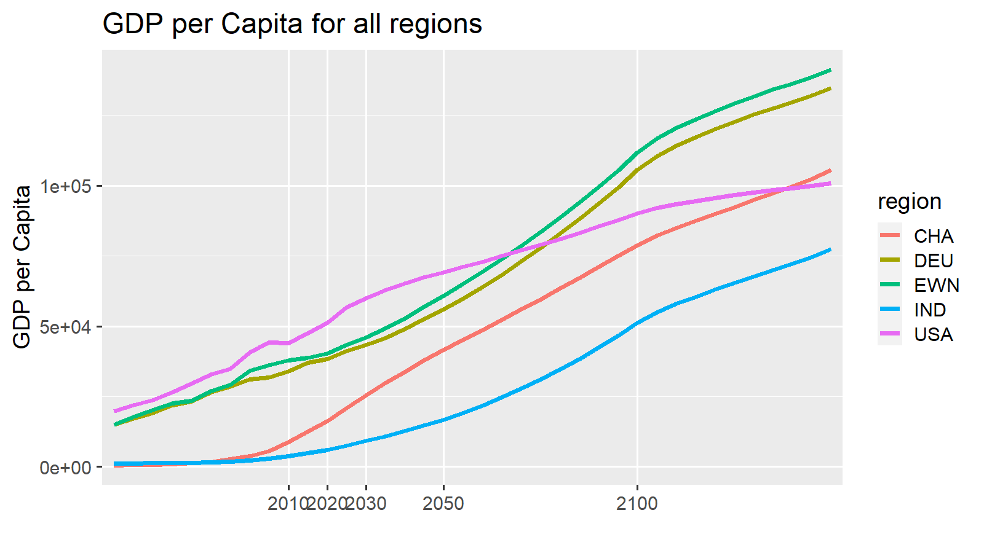
2010 | 2020 | 2030 | 2050 | 2100 | 2150 |  |  | 2010 | ETP15
19.6 | 19.6 | 19.6 | 19.6 | 19.6 | 19.4 |  | Walk | 2.3
66.8 | 76.7 | 77.2 | 77.8 | 78.5 | 78.8 |  | Cycle | 0.8
10.1 | 0.1 | 0 | 0 | 0.3 | 0.6 |  | LDV | 66.8
0.3 | 0.3 | 0.2 | 0.2 | 0.1 | 0 |  | Bus | 10.1
0 | 0 | 0 | 0 | 0 | 0 |  | Rail | 0.3
0.1 | 0.2 | 0.2 | 0.2 | 0.3 | 0 |  | Rail-HSR | 0.1
2.3 | 2.3 | 2 | 1.6 | 0.9 | 0.9 |  | AvDom | 0
0.8 | 0.8 | 0.7 | 0.5 | 0.3 | 0.3 |  | AvInt | 19.6
100 | 100 | 100 | 100 | 100 | 100
...
 | Walk | Cycle | LDV | Bus | Rail | Rail-HSR | AvDom | AvInt
2010 | 2.3 | 0.8 | 67 | 10 | 0 | 0.1 | 0 | 19.6
ETP15 | 2.3 | 0.8 | 62 | 7 | 9 |  | 20
2020 | 2.3 | 0.8 | 77 | 0 | 0 | 0.2 | 0 | 19.6
ETP25 | 2.25 | 0.75 | 58 | 6 | 9 |  | 24
2030 | 2.2 | 0.7 | 77 | 0 | 0 | 0.1 | 0 | 19.6
2040 | 2.1 | 0.7 | 77 | 0 | 0 | 0.1 | 0 | 19.6
2050 | 2 | 0.7 | 77 | 0 | 0 | 0.1 | 0 | 19.6
ETP50 | 2.7 |  | 53 | 5 | 8 |  | 32
2060 | 1.88 | 0.66 | 77 | 0 | 0 | 0.1 | 0 | 19.58
2070 | 1.76 | 0.62 | 78 | 0 | 0 | 0.1 | 0 | 19.56
2080 | 1.64 | 0.58 | 78 | 0 | 0 | 0.1 | 0 | 19.54
2090 | 1.52 | 0.54 | 78 | 0 | 0 | 0.1 | 0 | 19.52
2100 | 1.4 | 0.5 | 78 | 0 | 0 | 0.1 | 0 | 19.5
2010 | 2020 | 2030 | 2050 | 2100 | 2150 |  |  | 2010 | ETP15
19.6 | 19.6 | 19.6 | 19.6 | 19.5 | 19.4 |  | Walk | 2.3 | 2.3
66.8 | 76.7 | 76.9 | 77.2 | 78 | 78.8 |  | Cycle | 0.8 | 0.8
10.1 | 0.1 | 0.1 | 0.2 | 0.4 | 0.6 |  | LDV | 66.8 | 62
0.3 | 0.3 | 0.3 | 0.2 | 0.1 | 0 |  | Bus | 10.1 | 7
0 | 0 | 0 | 0 | 0 | 0 |  | Rail | 0.3 | 9
0.1 | 0.2 | 0.1 | 0.1 | 0.1 | 0 | Comments | Rail-HSR | 0.1
2.3 | 2.3 | 2.2 | 2 | 1.4 | 0.9 |  | AvDom | 0 | 20
0.8 | 0.8 | 0.7 | 0.7 | 0.5 | 0.3 |  | AvInt | 19.6
100 | 100 | 100 | 100 | 100 | 100
...
2010 | 2020 | 2030 | 2050 | 2100 | 2101
2.2 | 0 | 0 | 0 | 0 | 0
0 | 0 | 0 | -0.1 | -0.3 | 0
0 | 0 | 0 | 0.1 | 0.1 | 0
0 | 0 | 0 | 0.2 | 0.2 | 0
0 | 0 | -0.3 | -0.8 | -0.8 | 0
0 | 0 | 0.1 | 0.2 | 0.2 | 0
0 | 0 | 0.3 | 0.6 | 0.7 | 0
2.2 | 0 | 0.1 | 0.2 | 0.1 | 0
...

FRA
 | Walk | Cycle | LDV | Bus | Rail | Rail-HSR | AvDom | AvInt
2010 | 2 | 0.7 | 78.2 | 7.1 | 0.3 | 0.1 | 0.4 | 11.2
ETP15
2020 | 2 | 0.7 | 85.5 | 0.1 | 0.3 | 0.2 | 0 | 11.2
ETP25
2030 | 1.7 | 0.6 | 85.9 | 0.1 | 0.3 | 0.2 | 0 | 11.2
2040 | 1.5 | 0.5 | 86.2 | 0.1 | 0.25 | 0.2 | 0.05 | 11.2
2050 | 1.3 | 0.4 | 86.5 | 0.1 | 0.2 | 0.2 | 0.1 | 11.2
ETP50
2060 | 1.2 | 0.38 | 86.58 | 0.12 | 0.18 | 0.24 | 0.1 | 11.2
2070 | 1.1 | 0.36 | 86.66 | 0.14 | 0.16 | 0.28 | 0.1 | 11.2
2080 | 1 | 0.34 | 86.74 | 0.16 | 0.14 | 0.32 | 0.1 | 11.2
2090 | 0.9 | 0.32 | 86.82 | 0.18 | 0.12 | 0.36 | 0.1 | 11.2
2100 | 0.8 | 0.3 | 86.9 | 0.2 | 0.1 | 0.4 | 0.1 | 11.2
...
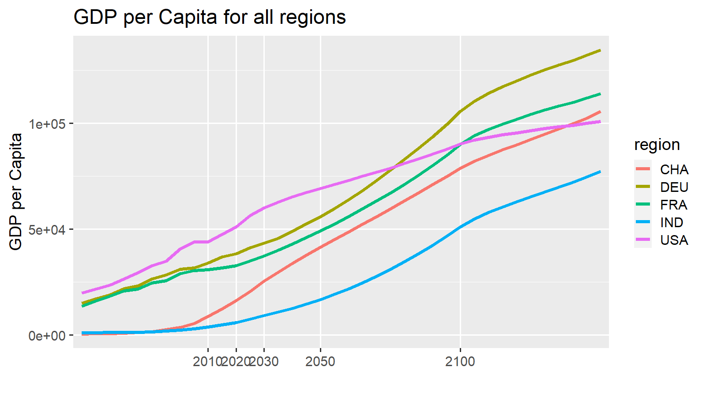
2010 | 2020 | 2030 | 2050 | 2100 | 2150 |  |  | 2010 | ETP15
11.2 | 11.2 | 11.2 | 11.2 | 11.2 | 11.1 |  | Walk | 2
78.2 | 85.5 | 85.9 | 86.5 | 86.9 | 87.6 |  | Cycle | 0.7
7.1 | 0.1 | 0.1 | 0.1 | 0.2 | 0.3 |  | LDV | 78.2
0.3 | 0.3 | 0.3 | 0.2 | 0.1 | 0 |  | Bus | 7.1
0.4 | 0 | 0 | 0.1 | 0.1 | 0 |  | Rail | 0.3
0.1 | 0.2 | 0.2 | 0.2 | 0.4 | 0 |  | Rail-HSR | 0.1
2 | 2 | 1.7 | 1.3 | 0.8 | 0.7 |  | AvDom | 0.4
0.7 | 0.7 | 0.6 | 0.4 | 0.3 | 0.2 |  | AvInt | 11.2
100 | 100 | 100 | 100 | 100 | 100
...
 | Walk | Cycle | LDV | Bus | Rail | Rail-HSR | AvDom | AvInt
2010 | 2 | 0.7 | 78 | 7 | 0 | 0.1 | 0 | 11.2
ETP15 | 2 | 0.7 | 62 | 7 | 9 |  | 20
2020 | 2 | 0.7 | 86 | 0 | 0 | 0.2 | 0 | 11.2
ETP25 | 1.95 | 0.65 | 59 | 6 | 9 |  | 24
2030 | 1.9 | 0.6 | 85 | 0 | 0 | 0.1 | 0 | 11.9
2040 | 1.8 | 0.6 | 85 | 0 | 0 | 0.1 | 0 | 12.5
2050 | 1.7 | 0.6 | 84 | 0 | 0 | 0.1 | 0 | 13.1
ETP50 | 2.3 |  | 53 | 5 | 8 |  | 32
2060 | 1.62 | 0.56 | 83 | 0 | 0 | 0.1 | 0 | 13.74
2070 | 1.54 | 0.52 | 83 | 0 | 0 | 0.1 | 0 | 14.38
2080 | 1.46 | 0.48 | 82 | 0 | 0 | 0.1 | 0 | 15.02
2090 | 1.38 | 0.44 | 82 | 0 | 0 | 0.1 | 0 | 15.66
2100 | 1.3 | 0.4 | 81 | 0 | 0 | 0.1 | 0 | 16.3
2010 | 2020 | 2030 | 2050 | 2100 | 2150 |  |  | 2010 | ETP15
11.2 | 11.2 | 11.9 | 13.1 | 16.3 | 19.4 |  | Walk | 2 | 2
78.2 | 85.5 | 85 | 84 | 81.4 | 78.8 |  | Cycle | 0.7 | 0.7
7.1 | 0.1 | 0.1 | 0.2 | 0.4 | 0.6 |  | LDV | 78.2 | 62
0.3 | 0.3 | 0.3 | 0.2 | 0.1 | 0 |  | Bus | 7.1 | 7
0.4 | 0 | 0 | 0 | 0 | 0 |  | Rail | 0.3 | 9
0.1 | 0.2 | 0.1 | 0.1 | 0.1 | 0 | Comments | Rail-HSR | 0.1
2 | 2 | 1.9 | 1.7 | 1.3 | 0.9 |  | AvDom | 0.4 | 20
0.7 | 0.7 | 0.6 | 0.6 | 0.4 | 0.3 |  | AvInt | 11.2
100 | 100 | 100 | 100 | 100 | 100
...
2010 | 2020 | 2030 | 2050 | 2100 | 2101
1.7 | 0 | 0 | -0.1 | -0.1 | 0
0 | 0 | 0 | -0.2 | -0.3 | 0
0 | 0 | 0 | 0.1 | 0 | 0
0 | 0 | 0.1 | 0.2 | 0.2 | 0.4
0 | 0 | -0.3 | -0.7 | -0.7 | -0.7
0 | 0 | 0.1 | 0.2 | 0.2 | 0.1
0 | 0 | 0.3 | 0.5 | 0.6 | 0.3
1.7 | 0 | 0.2 | -2.886579864E-15 | -0.1 | 0.1
...

IND
 | Walk | Cycle | LDV | Bus | Rail | Rail-HSR | AvDom | AvInt
2010 | 17.9 | 9.5 | 19.4 | 47.2 | 4.2 | 0 | 0.8 | 1.1
ETP15
2020 | 0 | 0 | 71.8 | 25.7 | 0.7 | 0 | 0.7 | 1.1
ETP25
2030 | 0 | 0 | 74.5 | 23.7 | 0.3 | 0 | 0.4 | 1.1
2040 | 0 | 0 | 75.15 | 23.25 | 0.2 | 0 | 0.3 | 1.1
2050 | 0 | 0 | 75.8 | 22.8 | 0.1 | 0 | 0.2 | 1.1
ETP50
2060 | 0 | 0 | 74.32 | 24.22 | 0.1 | 0 | 0.26 | 1.1
2070 | 0 | 0 | 72.84 | 25.64 | 0.1 | 0 | 0.32 | 1.1
2080 | 0 | 0 | 71.36 | 27.06 | 0.1 | 0 | 0.38 | 1.1
2090 | 0 | 0 | 69.88 | 28.48 | 0.1 | 0 | 0.44 | 1.1
2100 | 0 | 0 | 68.4 | 29.9 | 0.1 | 0 | 0.5 | 1.1
...
2010 | 2020 | 2030 | 2050 | 2100 | 2150
1.1 | 1.1 | 1.1 | 1.1 | 1.1 | 1.1
19.4 | 71.8 | 74.5 | 75.8 | 68.4 | 8.7
47.2 | 25.7 | 23.7 | 22.8 | 29.9 | 80.3
4.2 | 0.7 | 0.3 | 0.1 | 0.1 | 9.9
0.8 | 0.7 | 0.4 | 0.2 | 0.5 | 0
0 | 0 | 0 | 0 | 0 | 0
17.9 | 0 | 0 | 0 | 0 | 0
9.5 | 0 | 0 | 0 | 0 | 0
100 | 100 | 100 | 100 | 100 | 100
...
 | Walk | Cycle | LDV | Bus | Rail | Rail-HSR | AvDom | AvInt
2010 | 17.9 | 9.5 | 19 | 47 | 4 | 0 | 1 | 1.1
ETP15 | 8.95 | 4.75 | 40 | 21 | 24 |  | 3
2020 | 0 | 0 | 72 | 26 | 1 | 0 | 1 | 1.1
ETP25 | 0.05 | 0 | 56 | 16 | 23 |  | 4
2030 | 0.1 | 0 | 72 | 24 | 1 | 0 | 1 | 2.5
2040 | 0.15 | 0.05 | 73 | 22 | 1 | 0 | 1 | 3.9
2050 | 0.2 | 0.1 | 73 | 20 | 1 | 0 | 1 | 5.3
ETP50 | 0.3 |  | 66 | 9 | 15 |  | 10
2060 | 0.26 | 0.12 | 74 | 18 | 0 | 0 | 0 | 6.72
2070 | 0.32 | 0.14 | 74 | 16 | 0 | 0 | 0 | 8.14
2080 | 0.38 | 0.16 | 75 | 14 | 0 | 0 | 0 | 9.56
2090 | 0.44 | 0.18 | 76 | 12 | 0 | 0 | 0 | 10.98
2100 | 0.5 | 0.2 | 76 | 10 | 0 | 0 | 0 | 12.4
2010 | 2020 | 2030 | 2050 | 2100 | 2150
1.1 | 1.1 | 2.5 | 5.3 | 12.4 | 19.4
19.4 | 71.8 | 72.4 | 73.4 | 76.1 | 78.8
47.2 | 25.7 | 23.8 | 19.9 | 10.3 | 0.6
4.2 | 0.7 | 0.6 | 0.5 | 0.3 | 0
0.8 | 0.7 | 0.6 | 0.5 | 0.3 | 0
0 | 0 | 0 | 0 | 0 | 0 | Comments
17.9 | 0 | 0.1 | 0.2 | 0.5 | 0.9
9.5 | 0 | 0 | 0.1 | 0.2 | 0.3
100 | 100 | 100 | 100 | 100 | 100
...
2010 | 2020 | 2030 | 2050 | 2100 | 2101
1.4 | 0 | -19.4 | 0.3 | -0.3 | 0
0 | 0 | -10 | 0 | 0 | 0
0 | 0 | -9.4 | 0.4 | 0.2 | -10
0 | 0 | 0.2 | -2.9 | -19.7 | -80.3
0 | 0 | -0.7 | 1.8 | 18.9 | 89
0 | 0 | 0 | 0.1 | 0.2 | 0.4
0 | 0 | 0.1 | 0.2 | 0.7 | 1.1
1.4 | 0 | -39.2 | -0.1 | -9.3258734069E-15 | 0.2
...

LAM
 | Walk | Cycle | LDV | Bus | Rail | Rail-HSR | AvDom | AvInt
2010 | 8.6 | 2.9 | 54.1 | 29.1 | 0.3 | 0 | 1.1 | 4
ETP15
2020 | 0 | 0 | 86 | 7.6 | 0.9 | 0 | 1.6 | 4
ETP25
2030 | 0 | 0 | 87 | 6.5 | 0.9 | 0 | 1.7 | 4
2040 | 0 | 0 | 87.85 | 5.25 | 1.1 | 0 | 1.95 | 4
2050 | 0 | 0 | 88.7 | 4 | 1.3 | 0 | 2.2 | 4
ETP50
2060 | 0 | 0 | 88.22 | 4.08 | 1.4 | 0 | 2.46 | 4
2070 | 0 | 0 | 87.74 | 4.16 | 1.5 | 0 | 2.72 | 4
2080 | 0 | 0 | 87.26 | 4.24 | 1.6 | 0 | 2.98 | 4
2090 | 0 | 0 | 86.78 | 4.32 | 1.7 | 0 | 3.24 | 4
2100 | 0 | 0 | 86.3 | 4.4 | 1.8 | 0 | 3.5 | 4
...
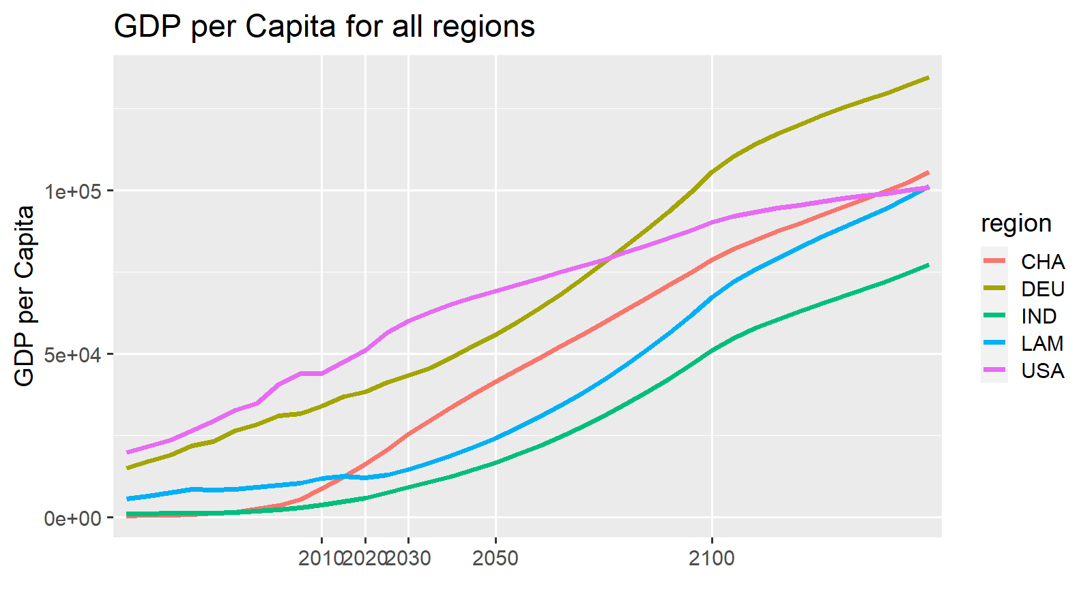
2010 | 2020 | 2030 | 2050 | 2100 | 2150 |  |  | 2010 | ETP15
4 | 4 | 4 | 4 | 4 | 4 |  | Walk | 8.6
54.1 | 86 | 87 | 88.7 | 86.3 | 81 |  | Cycle | 2.9
29.1 | 7.6 | 6.5 | 4 | 4.4 | 14.6 |  | LDV | 54.1
0.3 | 0.9 | 0.9 | 1.3 | 1.8 | 0.2 |  | Bus | 29.1
1.1 | 1.6 | 1.7 | 2.2 | 3.5 | 0.2 |  | Rail | 0.3
0 | 0 | 0 | 0 | 0 | 0 |  | Rail-HSR | 0
8.6 | 0 | 0 | 0 | 0 | 0 |  | AvDom | 1.1
2.9 | 0 | 0 | 0 | 0 | 0 |  | AvInt | 4
100 | 100 | 100 | 100 | 100 | 100
...
 | Walk | Cycle | LDV | Bus | Rail | Rail-HSR | AvDom | AvInt
2010 | 8.6 | 2.9 | 54 | 29 | 0 | 0 | 1 | 4
ETP15 | 4.3 | 1.45 | 67 | 17 | 3 |  | 8
2020 | 0 | 0 | 86 | 8 | 1 | 0 | 2 | 4
ETP25 | 0 | 0 | 69 | 19 | 3 |  | 10
2030 | 0 | 0 | 86 | 7 | 1 | 0 | 2 | 4.2
2040 | 0 | 0 | 87 | 7 | 1 | 0 | 1 | 4.5
2050 | 0 | 0 | 87 | 6 | 1 | 0 | 1 | 4.8
ETP50 | 0 |  | 67 | 16 | 3 |  | 15
2060 | 0 | 0 | 88 | 5 | 1 | 0 | 1 | 5.06
2070 | 0 | 0 | 88 | 5 | 1 | 0 | 1 | 5.32
2080 | 0 | 0 | 89 | 4 | 1 | 0 | 1 | 5.58
2090 | 0 | 0 | 89 | 4 | 0 | 0 | 1 | 5.84
2100 | 0 | 0 | 90 | 3 | 0 | 0 | 1 | 6.1
2010 | 2020 | 2030 | 2050 | 2100 | 2150 |  |  | 2010 | ETP15
4 | 4 | 4.2 | 4.8 | 6.1 | 7.5 |  | Walk | 8.6 | 4.3
54.1 | 86 | 86.4 | 87.3 | 89.6 | 91.9 |  | Cycle | 2.9 | 1.45
29.1 | 7.6 | 7.1 | 6 | 3.2 | 0.5 |  | LDV | 54.1 | 67
0.3 | 0.9 | 0.8 | 0.7 | 0.4 | 0 |  | Bus | 29.1 | 17
1.1 | 1.6 | 1.5 | 1.2 | 0.7 | 0.1 |  | Rail | 0.3 | 3
0 | 0 | 0 | 0 | 0 | 0 | Comments | Rail-HSR | 0
8.6 | 0 | 0 | 0 | 0 | 0 |  | AvDom | 1.1 | 8
2.9 | 0 | 0 | 0 | 0 | 0 |  | AvInt | 4
100 | 100 | 100 | 100 | 100 | 100
...
2010 | 2020 | 2030 | 2050 | 2100 | 2101
1.1 | 0 | -0.2 | -1 | -3 | -0.2
0 | 0 | 0 | 0 | 0 | 0
0 | 0 | -0.1 | -0.6 | -1.5 | -0.2
0 | 0 | 0.7 | 2.1 | -1.2 | -14.7
0 | 0 | -0.3 | -0.5 | 5.7 | 15.1
0 | 0 | 0 | 0 | 0 | 0
0 | 0 | 0 | 0 | 0 | 0
1.1 | 0 | 0.1 | 6.6613381478E-16 | -1.0658141036E-14 | 8.881784197E-15
...

JPN
 | Walk | Cycle | LDV | Bus | Rail | Rail-HSR | AvDom | AvInt
2010 | 4.1 | 1.2 | 76.4 | 7.6 | 0.2 | 1.6 | 1.5 | 7.4
ETP15
2020 | 0 | 0 | 88.7 | 0.3 | 0.2 | 2 | 1.5 | 7.4
ETP25
2030 | 0 | 0 | 86.6 | 0.3 | 0.2 | 2.2 | 3.4 | 7.4
2040 | 0 | 0 | 86.2 | 0.3 | 0.15 | 2.35 | 3.65 | 7.4
2050 | 0 | 0 | 85.8 | 0.3 | 0.1 | 2.5 | 3.9 | 7.4
ETP50
2060 | 0 | 0 | 85.52 | 0.34 | 0.08 | 2.58 | 4.08 | 7.4
2070 | 0 | 0 | 85.24 | 0.38 | 0.06 | 2.66 | 4.26 | 7.4
2080 | 0 | 0 | 84.96 | 0.42 | 0.04 | 2.74 | 4.44 | 7.4
2090 | 0 | 0 | 84.68 | 0.46 | 0.02 | 2.82 | 4.62 | 7.4
2100 | 0 | 0 | 84.4 | 0.5 | 0 | 2.9 | 4.8 | 7.4
...
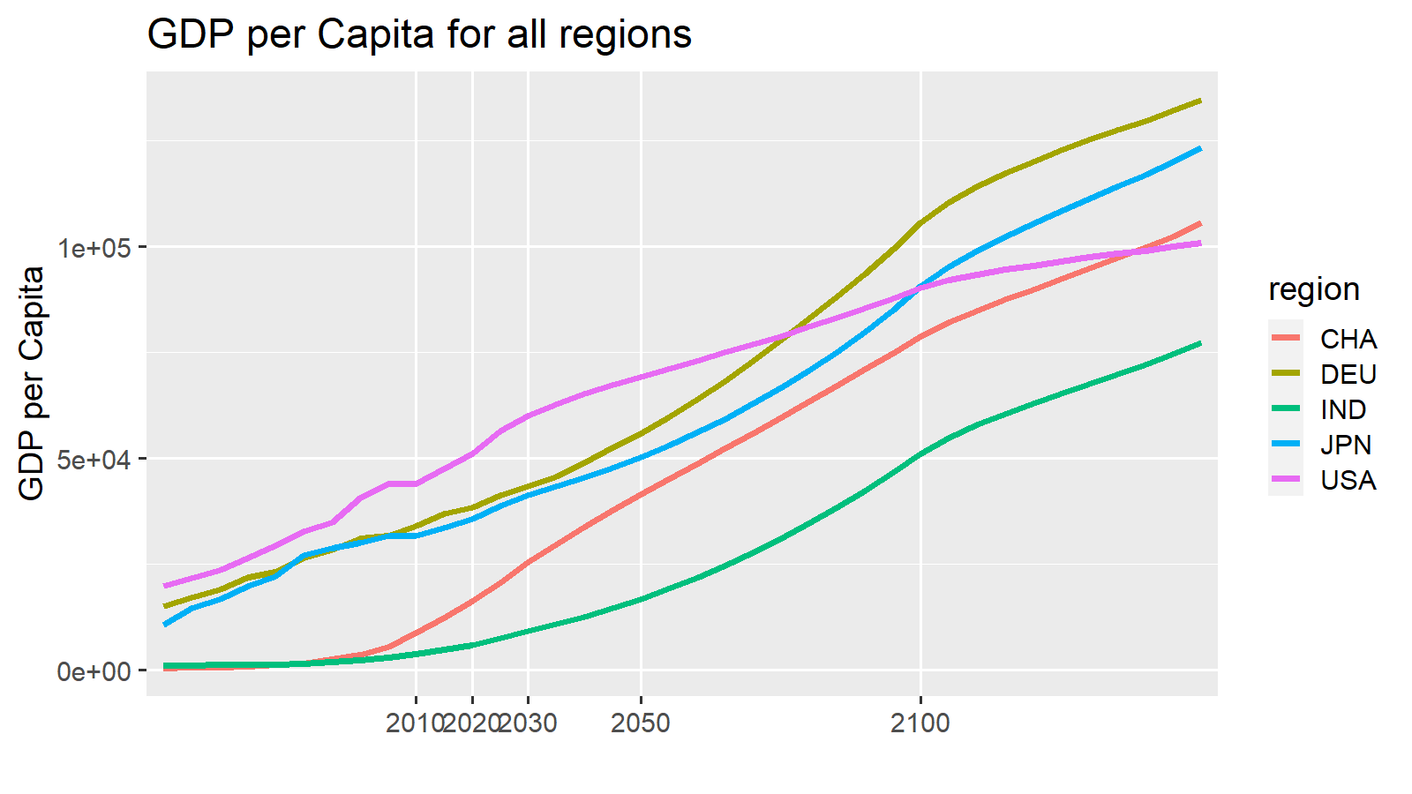
2010 | 2020 | 2030 | 2050 | 2100 | 2150 |  |  | 2010 | ETP15
7.4 | 7.4 | 7.4 | 7.4 | 7.4 | 7.4 |  | Walk | 4.1
76.4 | 88.7 | 86.6 | 85.8 | 84.4 | 91.4 |  | Cycle | 1.2
7.6 | 0.3 | 0.3 | 0.3 | 0.5 | 0.9 |  | LDV | 76.4
0.2 | 0.2 | 0.2 | 0.1 | 0 | 0.1 |  | Bus | 7.6
1.5 | 1.5 | 3.4 | 3.9 | 4.8 | 0.2 |  | Rail | 0.2
1.6 | 2 | 2.2 | 2.5 | 2.9 | 0.1 |  | Rail-HSR | 1.6
4.1 | 0 | 0 | 0 | 0 | 0 |  | AvDom | 1.5
1.2 | 0 | 0 | 0 | 0 | 0 |  | AvInt | 7.4
100 | 100 | 100 | 100 | 100 | 100
...
 | Walk | Cycle | LDV | Bus | Rail | Rail-HSR | AvDom | AvInt
2010 | 4.1 | 1.2 | 76 | 8 | 0 | 1.6 | 2 | 7.4
ETP15 | 2.05 | 0.6 | 53 | 9 | 14 |  | 21
2020 | 0 | 0 | 89 | 0 | 0 | 2 | 2 | 7.4
ETP25 | 0 | 0 | 53 | 9 | 13 |  | 25
2030 | 0 | 0 | 88 | 0 | 0 | 1.9 | 1 | 8.3
2040 | 0.05 | 0 | 87 | 1 | 0 | 1.75 | 1 | 9.2
2050 | 0.1 | 0 | 86 | 1 | 0 | 1.6 | 1 | 10.1
ETP50 | 0.1 |  | 48 | 7 | 8 |  | 35
2060 | 0.16 | 0.02 | 85 | 1 | 0 | 1.44 | 1 | 11
2070 | 0.22 | 0.04 | 84 | 1 | 0 | 1.28 | 1 | 11.9
2080 | 0.28 | 0.06 | 84 | 1 | 0 | 1.12 | 1 | 12.8
2090 | 0.34 | 0.08 | 83 | 1 | 0 | 0.96 | 1 | 13.7
2100 | 0.4 | 0.1 | 82 | 2 | 0 | 0.8 | 1 | 14.6
2010 | 2020 | 2030 | 2050 | 2100 | 2150 |  |  | 2010 | ETP15
7.4 | 7.4 | 8.3 | 10.1 | 14.6 | 19.1 |  | Walk | 4.1 | 2.05
76.4 | 88.7 | 87.8 | 86.1 | 81.9 | 77.7 |  | Cycle | 1.2 | 0.6
7.6 | 0.3 | 0.4 | 0.7 | 1.5 | 2.3 |  | LDV | 76.4 | 53
0.2 | 0.2 | 0.2 | 0.1 | 0.1 | 0 |  | Bus | 7.6 | 9
1.5 | 1.5 | 1.4 | 1.1 | 0.6 | 0 |  | Rail | 0.2 | 14
1.6 | 2 | 1.9 | 1.6 | 0.8 | 0 | Comments | Rail-HSR | 1.6
4.1 | 0 | 0 | 0.1 | 0.4 | 0.6 |  | AvDom | 1.5 | 21
1.2 | 0 | 0 | 0 | 0.1 | 0.2 |  | AvInt | 7.4
100 | 100 | 100 | 100 | 100 | 100
...
2010 | 2020 | 2030 | 2050 | 2100 | 2101
0.6 | 0 | -2.2 | -3.1 | -4.6 | -0.2
0 | 0 | -0.4 | -1 | -2.3 | -0.1
0 | 0 | 0 | 0 | 0.1 | -0.1
0 | 0 | 0.2 | 0.6 | 1.4 | 1.9
0 | 0 | 2.3 | 3.2 | 4.8 | -2.7
0 | 0 | 0 | 0.1 | 0.2 | 0.3
0 | 0 | 0.1 | 0.2 | 0.5 | 0.8
0.6 | 0 | -2.7478019859E-15 | 3.3029134983E-15 | 0.1 | -0.1
...

NEN
 | Walk | Cycle | LDV | Bus | Rail | Rail-HSR | AvDom | AvInt
2010 | 2.1 | 0.7 | 72.5 | 13.6 | 0.1 | 0.1 | 1 | 9.9
ETP15
2020 | 2 | 0.7 | 86.5 | 0 | 0.1 | 0.1 | 0.7 | 9.9
ETP25
2030 | 1.8 | 0.6 | 86.6 | 0 | 0.1 | 0.1 | 0.8 | 9.9
2040 | 1.7 | 0.55 | 86.75 | 0 | 0.1 | 0.1 | 0.8 | 9.9
2050 | 1.6 | 0.5 | 86.9 | 0 | 0.1 | 0.1 | 0.8 | 9.9
ETP50
2060 | 1.48 | 0.46 | 86.94 | 0.08 | 0.1 | 0.1 | 0.82 | 9.9
2070 | 1.36 | 0.42 | 86.98 | 0.16 | 0.1 | 0.1 | 0.84 | 9.9
2080 | 1.24 | 0.38 | 87.02 | 0.24 | 0.1 | 0.1 | 0.86 | 9.9
2090 | 1.12 | 0.34 | 87.06 | 0.32 | 0.1 | 0.1 | 0.88 | 9.9
2100 | 1 | 0.3 | 87.1 | 0.4 | 0.1 | 0.1 | 0.9 | 9.9
...
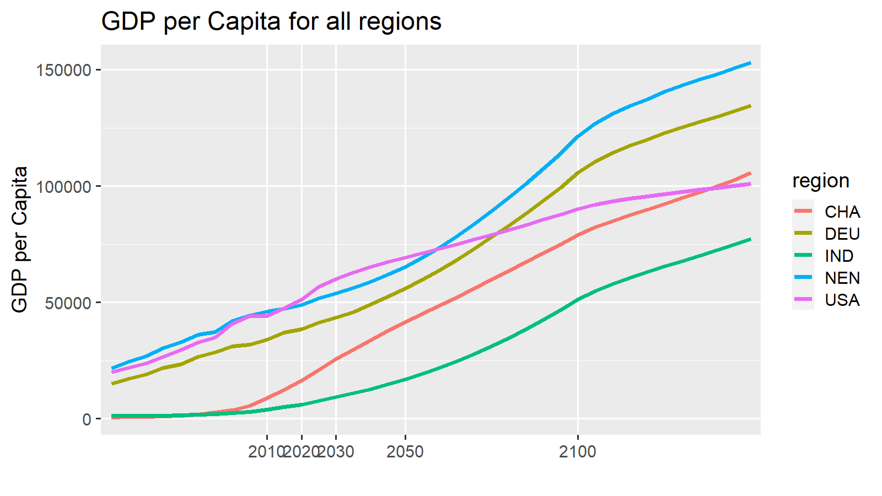
2010 | 2020 | 2030 | 2050 | 2100 | 2150 |  |  | 2010 | ETP15
9.9 | 9.9 | 9.9 | 9.9 | 9.9 | 9.8 |  | Walk | 2.1
72.5 | 86.5 | 86.6 | 86.9 | 87.1 | 88.5 |  | Cycle | 0.7
13.6 | 0 | 0 | 0 | 0.4 | 0.4 |  | LDV | 72.5
0.1 | 0.1 | 0.1 | 0.1 | 0.1 | 0 |  | Bus | 13.6
1 | 0.7 | 0.8 | 0.8 | 0.9 | 0 |  | Rail | 0.1
0.1 | 0.1 | 0.1 | 0.1 | 0.1 | 0 |  | Rail-HSR | 0.1
2.1 | 2 | 1.8 | 1.6 | 1 | 1 |  | AvDom | 1
0.7 | 0.7 | 0.6 | 0.5 | 0.3 | 0.3 |  | AvInt | 9.9
100 | 100 | 100 | 100 | 100 | 100
...
 | Walk | Cycle | LDV | Bus | Rail | Rail-HSR | AvDom | AvInt
2010 | 2.1 | 0.7 | 73 | 14 | 0 | 0.1 | 1 | 9.9
ETP15 | 2.05 | 0.7 | 53 | 9 | 14 |  | 21
2020 | 2 | 0.7 | 87 | 0 | 0 | 0.1 | 1 | 9.9
ETP25 | 1.95 | 0.65 | 52 | 9 | 12 |  | 25
2030 | 1.9 | 0.6 | 87 | 0 | 0 | 0.1 | 1 | 9.9
2040 | 1.85 | 0.6 | 87 | 0 | 0 | 0.1 | 1 | 9.9
2050 | 1.8 | 0.6 | 87 | 0 | 0 | 0.1 | 1 | 9.9
ETP50 | 2.4 |  | 47 | 7 | 8 |  | 35
2060 | 1.72 | 0.58 | 87 | 0 | 0 | 0.08 | 1 | 9.88
2070 | 1.64 | 0.56 | 87 | 0 | 0 | 0.06 | 0 | 9.86
2080 | 1.56 | 0.54 | 87 | 0 | 0 | 0.04 | 0 | 9.84
2090 | 1.48 | 0.52 | 88 | 0 | 0 | 0.02 | 0 | 9.82
2100 | 1.4 | 0.5 | 88 | 0 | 0 | 0 | 0 | 9.8
2010 | 2020 | 2030 | 2050 | 2100 | 2150 |  |  | 2010 | ETP15
9.9 | 9.9 | 9.9 | 9.9 | 9.8 | 9.8 |  | Walk | 2.1 | 2.05
72.5 | 86.5 | 86.6 | 86.9 | 87.7 | 88.5 |  | Cycle | 0.7 | 0.7
13.6 | 0 | 0.1 | 0.1 | 0.3 | 0.4 |  | LDV | 72.5 | 53
0.1 | 0.1 | 0.1 | 0.1 | 0.1 | 0 |  | Bus | 13.6 | 9
1 | 0.7 | 0.7 | 0.6 | 0.3 | 0 |  | Rail | 0.1 | 14
0.1 | 0.1 | 0.1 | 0.1 | 0 | 0 | Comments | Rail-HSR | 0.1
2.1 | 2 | 1.9 | 1.8 | 1.4 | 1 |  | AvDom | 1 | 21
0.7 | 0.7 | 0.6 | 0.6 | 0.5 | 0.3 |  | AvInt | 9.9
100 | 100 | 100 | 100 | 100 | 100
...
2010 | 2020 | 2030 | 2050 | 2100 | 2101
1.1 | 0 | -0.1 | -0.3 | -0.7 | 0
0 | 0 | 0 | 0 | -0.2 | 0
0 | 0 | 0 | 0 | 0 | 0
0 | 0 | 0.1 | 0.1 | -0.2 | 0
0 | 0 | 0 | -0.1 | 0.6 | 0
0 | 0 | 0 | 0.1 | 0.1 | 0
0 | 0 | 0.1 | 0.3 | 0.4 | 0
1.1 | 0 | 0.1 | 0.1 | -5.6621374256E-15 | 0
...

MEA
 | Walk | Cycle | LDV | Bus | Rail | Rail-HSR | AvDom | AvInt
2010 | 4.9 | 1.9 | 46.2 | 40.7 | 0 | 0 | 0.3 | 6
ETP15
2020 | 0 | 0 | 87.3 | 6.2 | 0 | 0 | 0.5 | 6
ETP25
2030 | 0 | 0 | 86.9 | 5.7 | 0 | 0 | 1.4 | 6
2040 | 0 | 0 | 87.95 | 4.9 | 0 | 0 | 1.2 | 6
2050 | 0 | 0 | 89 | 4.1 | 0 | 0 | 1 | 6
ETP50
2060 | 0 | 0 | 88.42 | 4.68 | 0 | 0 | 0.98 | 6
2070 | 0 | 0 | 87.84 | 5.26 | 0 | 0 | 0.96 | 6
2080 | 0 | 0 | 87.26 | 5.84 | 0 | 0 | 0.94 | 6
2090 | 0 | 0 | 86.68 | 6.42 | 0 | 0 | 0.92 | 6
2100 | 0 | 0 | 86.1 | 7 | 0 | 0 | 0.9 | 6
...
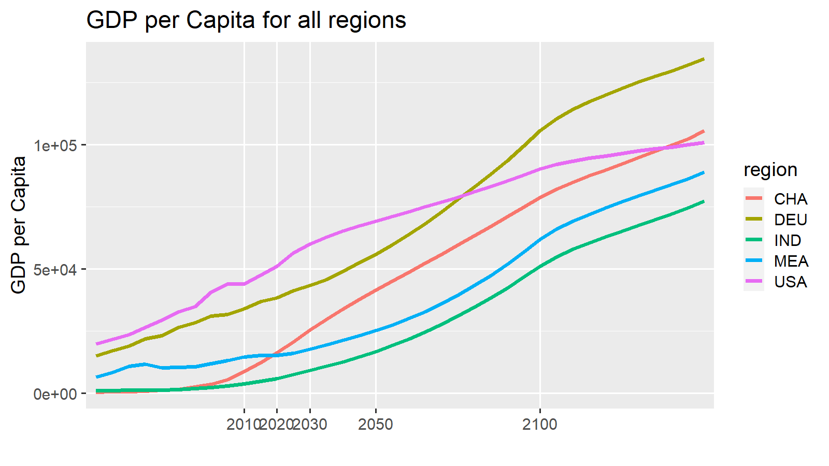
2010 | 2020 | 2030 | 2050 | 2100 | 2150 |  |  | 2010 | ETP15
6 | 6 | 6 | 6 | 6 | 6 |  | Walk | 4.9
46.2 | 87.3 | 86.9 | 89 | 86.1 | 79.7 |  | Cycle | 1.9
40.7 | 6.2 | 5.7 | 4.1 | 7 | 14.3 |  | LDV | 46.2
0 | 0 | 0 | 0 | 0 | 0 |  | Bus | 40.7
0.3 | 0.5 | 1.4 | 1 | 0.9 | 0 |  | Rail | 0
0 | 0 | 0 | 0 | 0 | 0 |  | Rail-HSR | 0
4.9 | 0 | 0 | 0 | 0 | 0 |  | AvDom | 0.3
1.9 | 0 | 0 | 0 | 0 | 0 |  | AvInt | 6
100 | 100 | 100 | 100 | 100 | 100
...
 | Walk | Cycle | LDV | Bus | Rail | Rail-HSR | AvDom | AvInt
2010 | 4.9 | 1.9 | 46 | 41 | 0 | 0 | 0 | 6
ETP15 | 2.45 | 0.95 | 64 | 21 | 3 |  | 10
2020 | 0 | 0 | 87 | 6 | 0 | 0 | 1 | 6
ETP25 | 0.05 | 0 | 64 | 22 | 3 |  | 11
2030 | 0.1 | 0 | 87 | 6 | 0 | 0 | 0 | 7
2040 | 0.15 | 0.05 | 86 | 5 | 0 | 0 | 0 | 8.05
2050 | 0.2 | 0.1 | 85 | 5 | 0 | 0 | 0 | 9.1
ETP50 | 0.3 |  | 62 | 19 | 3 |  | 15
2060 | 0.26 | 0.12 | 85 | 4 | 0 | 0 | 0 | 10.12
2070 | 0.32 | 0.14 | 84 | 4 | 0 | 0 | 0 | 11.14
2080 | 0.38 | 0.16 | 83 | 4 | 0 | 0 | 0 | 12.16
2090 | 0.44 | 0.18 | 83 | 3 | 0 | 0 | 0 | 13.18
2100 | 0.5 | 0.2 | 82 | 3 | 0 | 0 | 0 | 14.2
2010 | 2020 | 2030 | 2050 | 2100 | 2150 |  |  | 2010 | ETP15
6 | 6 | 7 | 9.1 | 14.2 | 19.4 |  | Walk | 4.9 | 2.45
46.2 | 87.3 | 86.7 | 85.4 | 82.1 | 78.8 |  | Cycle | 1.9 | 0.95
40.7 | 6.2 | 5.8 | 4.9 | 2.8 | 0.6 |  | LDV | 46.2 | 64
0 | 0 | 0 | 0 | 0 | 0 |  | Bus | 40.7 | 21
0.3 | 0.5 | 0.4 | 0.4 | 0.2 | 0 |  | Rail | 0 | 3
0 | 0 | 0 | 0 | 0 | 0 | Comments | Rail-HSR | 0
4.9 | 0 | 0.1 | 0.2 | 0.5 | 0.9 |  | AvDom | 0.3 | 10
1.9 | 0 | 0 | 0.1 | 0.2 | 0.3 |  | AvInt | 6
100 | 100 | 100 | 100 | 100 | 100
...
2010 | 2020 | 2030 | 2050 | 2100 | 2101
1.9 | 0 | -1 | -0.6 | -0.8 | 0
0 | 0 | 0 | 0 | 0 | 0
0 | 0 | 0 | 0 | 0 | 0
0 | 0 | 0.1 | 1 | -4.4 | -14.4
0 | 0 | 0.9 | -0.6 | 4.3 | 13
0 | 0 | 0 | 0.1 | 0.2 | 0.4
0 | 0 | 0.1 | 0.2 | 0.7 | 1.1
1.9 | 0 | 0.1 | 0.1 | 1.1102230246E-14 | 0.1
...

NES
 | Walk | Cycle | LDV | Bus | Rail | Rail-HSR | AvDom | AvInt
2010 | 7.5 | 2.5 | 31.2 | 51.4 | 0.6 | 0 | 2.2 | 4.6
ETP15
2020 | 12.7 | 4.2 | 59.8 | 7.2 | 1.8 | 0.2 | 9.4 | 4.6
ETP25
2030 | 9.5 | 3.2 | 65.6 | 5.4 | 1.9 | 0.2 | 9.5 | 4.6
2040 | 7.25 | 2.45 | 68.05 | 4.2 | 1.9 | 0.2 | 11.3 | 4.6
2050 | 5 | 1.7 | 70.5 | 3 | 1.9 | 0.2 | 13.1 | 4.6
ETP50
2060 | 4.2 | 1.42 | 71.44 | 2.94 | 1.78 | 0.22 | 13.4 | 4.6
2070 | 3.4 | 1.14 | 72.38 | 2.88 | 1.66 | 0.24 | 13.7 | 4.6
2080 | 2.6 | 0.86 | 73.32 | 2.82 | 1.54 | 0.26 | 14 | 4.6
2090 | 1.8 | 0.58 | 74.26 | 2.76 | 1.42 | 0.28 | 14.3 | 4.6
2100 | 1 | 0.3 | 75.2 | 2.7 | 1.3 | 0.3 | 14.6 | 4.6
...
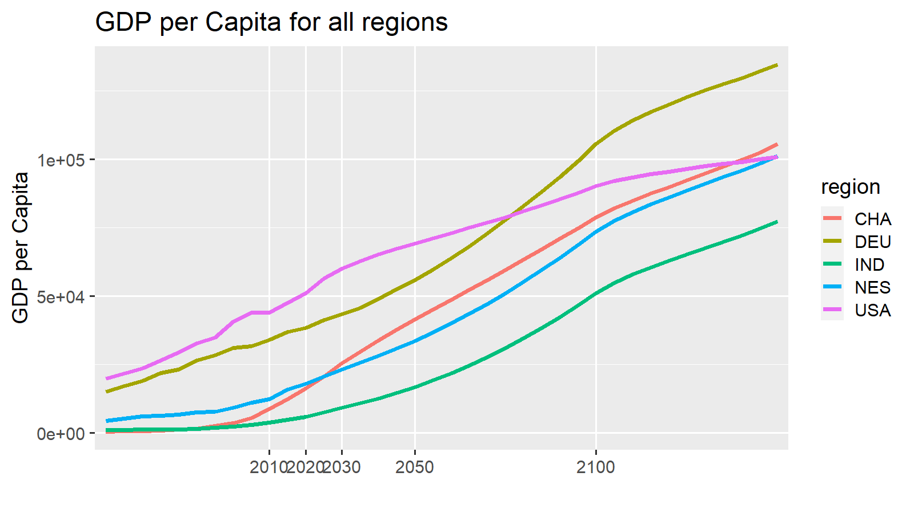
2010 | 2020 | 2030 | 2050 | 2100 | 2150 |  |  | 2010 | ETP15
4.6 | 4.6 | 4.6 | 4.6 | 4.6 | 4.6 |  | Walk | 7.5
31.2 | 59.8 | 65.6 | 70.5 | 75.2 | 38.7 |  | Cycle | 2.5
51.4 | 7.2 | 5.4 | 3 | 2.7 | 54.5 |  | LDV | 31.2
0.6 | 1.8 | 1.9 | 1.9 | 1.3 | 0.2 |  | Bus | 51.4
2.2 | 9.4 | 9.5 | 13.1 | 14.6 | 0.7 |  | Rail | 0.6
0 | 0.2 | 0.2 | 0.2 | 0.3 | 0 |  | Rail-HSR | 0
7.5 | 12.7 | 9.5 | 5 | 1 | 1 |  | AvDom | 2.2
2.5 | 4.2 | 3.2 | 1.7 | 0.3 | 0.3 |  | AvInt | 4.6
100 | 100 | 100 | 100 | 100 | 100
...
 | Walk | Cycle | LDV | Bus | Rail | Rail-HSR | AvDom | AvInt
2010 | 7.5 | 2.5 | 31 | 51 | 1 | 0 | 2 | 4.6
ETP15 | 10.1 | 3.35 | 52 | 13 | 8 |  | 15
2020 | 12.7 | 4.2 | 60 | 7 | 2 | 0.2 | 9 | 4.6
ETP25 | 12.25 | 4.05 | 50 | 13 | 7 |  | 16
2030 | 11.8 | 3.9 | 62 | 7 | 2 | 0.1 | 9 | 4.8
2040 | 10.8 | 3.6 | 65 | 6 | 2 | 0.1 | 8 | 5.05
2050 | 9.8 | 3.3 | 67 | 6 | 1 | 0.1 | 7 | 5.3
ETP50 | 13.1 |  | 50 | 13 | 5 |  | 21
2060 | 8.82 | 2.96 | 70 | 5 | 1 | 0.1 | 7 | 5.52
2070 | 7.84 | 2.62 | 72 | 5 | 1 | 0.1 | 6 | 5.74
2080 | 6.86 | 2.28 | 75 | 4 | 1 | 0.1 | 5 | 5.96
2090 | 5.88 | 1.94 | 77 | 4 | 1 | 0.1 | 4 | 6.18
2100 | 4.9 | 1.6 | 80 | 3 | 1 | 0.1 | 4 | 6.4
2010 | 2020 | 2030 | 2050 | 2100 | 2150 |  |  | 2010 | ETP15
4.6 | 4.6 | 4.8 | 5.3 | 6.4 | 7.5 |  | Walk | 7.5 | 10.1
31.2 | 59.8 | 62.3 | 67.2 | 79.6 | 91.9 |  | Cycle | 2.5 | 3.35
51.4 | 7.2 | 6.7 | 5.6 | 3 | 0.5 |  | LDV | 31.2 | 52
0.6 | 1.8 | 1.7 | 1.4 | 0.7 | 0 |  | Bus | 51.4 | 13
2.2 | 9.4 | 8.7 | 7.3 | 3.7 | 0.1 |  | Rail | 0.6 | 8
0 | 0.2 | 0.1 | 0.1 | 0.1 | 0 | Comments | Rail-HSR | 0
7.5 | 12.7 | 11.8 | 9.8 | 4.9 | 0 |  | AvDom | 2.2 | 15
2.5 | 4.2 | 3.9 | 3.3 | 1.6 | 0 |  | AvInt | 4.6
100 | 100 | 100 | 100 | 100 | 100
...
2010 | 2020 | 2030 | 2050 | 2100 | 2101
-0.1 | 0 | -0.9 | -6.1 | -11.4 | -0.6
0 | 0 | -0.1 | -0.1 | -0.2 | 0
0 | 0 | -0.2 | -0.5 | -0.6 | -0.2
0 | 0 | 1.3 | 2.7 | 0.3 | -56.6
0 | 0 | -3.3 | -2.7 | 6.5 | 58.9
0 | 0 | 0.8 | 1.7 | 1.4 | -0.3
0 | 0 | 2.3 | 5.1 | 4.1 | -1
-0.1 | 0 | -0.1 | 0.1 | 0.1 | 0.2
...

SSA
 | Walk | Cycle | LDV | Bus | Rail | Rail-HSR | AvDom | AvInt
2010 | 23 | 7.7 | 17.5 | 48.7 | 0 | 0 | 1 | 2.2
ETP15
2020 | 0 | 0 | 65 | 31.2 | 0 | 0 | 1.6 | 2.2
ETP25
2030 | 0 | 0 | 66.6 | 29.9 | 0 | 0 | 1.3 | 2.2
2040 | 0 | 0 | 70.6 | 25.5 | 0 | 0 | 1.7 | 2.2
2050 | 0 | 0 | 74.6 | 21.1 | 0 | 0 | 2.1 | 2.2
ETP50
2060 | 0 | 0 | 74.36 | 20.56 | 0 | 0 | 2.88 | 2.2
2070 | 0 | 0 | 74.12 | 20.02 | 0 | 0 | 3.66 | 2.2
2080 | 0 | 0 | 73.88 | 19.48 | 0 | 0 | 4.44 | 2.2
2090 | 0 | 0 | 73.64 | 18.94 | 0 | 0 | 5.22 | 2.2
2100 | 0 | 0 | 73.4 | 18.4 | 0 | 0 | 6 | 2.2
...
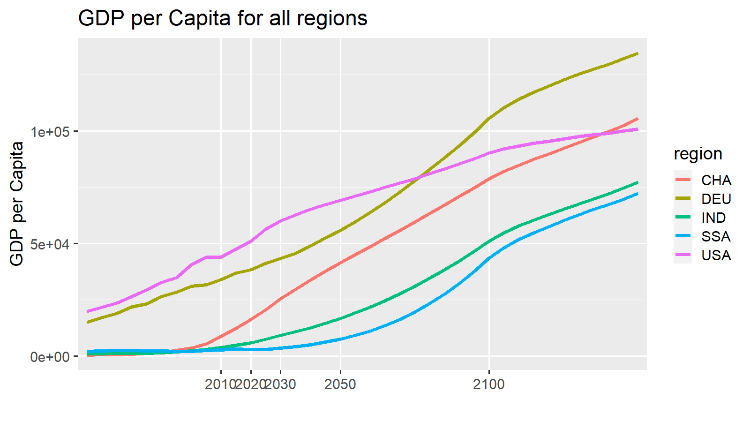
2010 | 2020 | 2030 | 2050 | 2100 | 2150 |  |  | 2010 | ETP15
2.2 | 2.2 | 2.2 | 2.2 | 2.2 | 2.2 |  | Walk | 23
17.5 | 65 | 66.6 | 74.6 | 73.4 | 48.7 |  | Cycle | 7.7
48.7 | 31.2 | 29.9 | 21.1 | 18.4 | 48.9 |  | LDV | 17.5
0 | 0 | 0 | 0 | 0 | 0.1 |  | Bus | 48.7
1 | 1.6 | 1.3 | 2.1 | 6 | 0.2 |  | Rail | 0
0 | 0 | 0 | 0 | 0 | 0 |  | Rail-HSR | 0
23 | 0 | 0 | 0 | 0 | 0 |  | AvDom | 1
7.7 | 0 | 0 | 0 | 0 | 0 |  | AvInt | 2.2
100.1 | 100 | 100 | 100 | 100 | 100.1
...
 | Walk | Cycle | LDV | Bus | Rail | Rail-HSR | AvDom | AvInt
2010 | 23 | 7.7 | 18 | 49 | 0 | 0 | 1 | 2.2
ETP15 | 11.5 | 3.85 | 60 | 16 | 3 |  | 8
2020 | 0 | 0 | 65 | 31 | 0 | 0 | 2 | 2.2
ETP25 | 0.05 | 0 | 67 | 19 | 4 |  | 10
2030 | 0.1 | 0 | 67 | 29 | 0 | 0 | 1 | 2.7
2040 | 0.15 | 0.05 | 69 | 27 | 0 | 0 | 1 | 3.3
2050 | 0.2 | 0.1 | 70 | 24 | 0 | 0 | 1 | 3.9
ETP50 | 0.3 |  | 65 | 17 | 4 |  | 15
2060 | 0.28 | 0.12 | 72 | 22 | 0 | 0 | 1 | 4.48
2070 | 0.36 | 0.14 | 74 | 19 | 0 | 0 | 1 | 5.06
2080 | 0.44 | 0.16 | 76 | 17 | 0 | 0 | 1 | 5.64
2090 | 0.52 | 0.18 | 78 | 15 | 0 | 0 | 1 | 6.22
2100 | 0.6 | 0.2 | 80 | 12 | 0 | 0 | 1 | 6.8
2010 | 2020 | 2030 | 2050 | 2100 | 2150 |  |  | 2010 | ETP15
2.2 | 2.2 | 2.7 | 3.9 | 6.8 | 9.8 |  | Walk | 23 | 11.5
17.5 | 65 | 66.8 | 70.4 | 79.5 | 88.5 |  | Cycle | 7.7 | 3.85
48.7 | 31.2 | 28.9 | 24.1 | 12.3 | 0.4 |  | LDV | 17.5 | 60
0 | 0 | 0 | 0 | 0 | 0 |  | Bus | 48.7 | 16
1 | 1.6 | 1.4 | 1.2 | 0.6 | 0 |  | Rail | 0 | 3
0 | 0 | 0 | 0 | 0 | 0 | Comments | Rail-HSR | 0
23 | 0 | 0.1 | 0.2 | 0.6 | 1 |  | AvDom | 1 | 8
7.7 | 0 | 0 | 0.1 | 0.2 | 0.3 |  | AvInt | 2.2
100.1 | 100 | 99.9 | 99.9 | 100 | 100
...
2010 | 2020 | 2030 | 2050 | 2100 | 2101
1.2 | 0 | 0.2 | -1 | -5.6 | -0.2
0 | 0 | 0 | 0 | 0 | 0
0 | 0 | 0 | 0 | 0 | -0.1
0 | 0 | -1.1 | 3.2 | -6.3 | -49.6
0 | 0 | 0.8 | -2.4 | 10.9 | 48.3
0 | 0 | 0 | 0.1 | 0.2 | 0.4
0 | 0 | 0.1 | 0.2 | 0.7 | 1.1
1.2 | 0 | 9.9087404948E-15 | 0.1 | -0.1 | -0.1
...

OAS
 | Walk | Cycle | LDV | Bus | Rail | Rail-HSR | AvDom | AvInt
2010 | 3.5 | 2.6 | 30.1 | 59.9 | 0.1 | 0 | 0.6 | 3.2
ETP15
2020 | 0 | 0 | 77.2 | 17.8 | 0.2 | 0.1 | 1.5 | 3.2
ETP25
2030 | 0 | 0 | 81.9 | 11.3 | 0.2 | 0.1 | 3.2 | 3.2
2040 | 0 | 0 | 84.7 | 8.3 | 0.2 | 0.1 | 3.4 | 3.2
2050 | 0 | 0 | 87.5 | 5.3 | 0.2 | 0.1 | 3.6 | 3.2
ETP50
2060 | 0 | 0 | 86.4 | 6.62 | 0.18 | 0.12 | 3.38 | 3.2
2070 | 0 | 0 | 85.3 | 7.94 | 0.16 | 0.14 | 3.16 | 3.2
2080 | 0 | 0 | 84.2 | 9.26 | 0.14 | 0.16 | 2.94 | 3.2
2090 | 0 | 0 | 83.1 | 10.58 | 0.12 | 0.18 | 2.72 | 3.2
2100 | 0 | 0 | 82 | 11.9 | 0.1 | 0.2 | 2.5 | 3.2
...
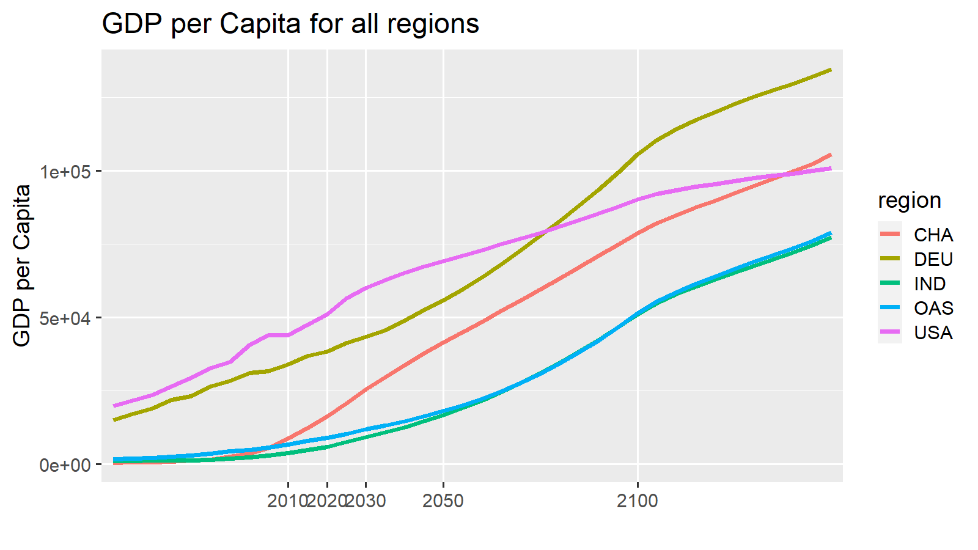
2010 | 2020 | 2030 | 2050 | 2100 | 2150 |  |  | 2010 | ETP15
3.2 | 3.2 | 3.2 | 3.2 | 3.2 | 3.2 |  | Walk | 3.5
30.1 | 77.2 | 81.9 | 87.5 | 82 | 15.3 |  | Cycle | 2.6
59.9 | 17.8 | 11.3 | 5.3 | 11.9 | 80.9 |  | LDV | 30.1
0.1 | 0.2 | 0.2 | 0.2 | 0.1 | 0.4 |  | Bus | 59.9
0.6 | 1.5 | 3.2 | 3.6 | 2.5 | 0.1 |  | Rail | 0.1
0 | 0.1 | 0.1 | 0.1 | 0.2 | 0 |  | Rail-HSR | 0
3.5 | 0 | 0 | 0 | 0 | 0 |  | AvDom | 0.6
2.6 | 0 | 0 | 0 | 0 | 0 |  | AvInt | 3.2
100 | 100 | 99.9 | 99.9 | 99.9 | 99.9
...
 | Walk | Cycle | LDV | Bus | Rail | Rail-HSR | AvDom | AvInt
2010 | 3.5 | 2.6 | 30 | 60 | 0 | 0 | 1 | 3.2
ETP15 | 1.75 | 1.3 | 71 | 11 | 3 |  | 13
2020 | 0 | 0 | 77 | 18 | 0 | 0.1 | 2 | 3.2
ETP25 | 0.05 | 0 | 68 | 13 | 3 |  | 16
2030 | 0.1 | 0 | 77 | 17 | 0 | 0.1 | 1 | 4.5
2040 | 0.15 | 0.05 | 77 | 15 | 0 | 0.1 | 1 | 5.75
2050 | 0.2 | 0.1 | 78 | 14 | 0 | 0.1 | 1 | 7
ETP50 | 0.3 |  | 61 | 10 | 2 |  | 26
2060 | 0.26 | 0.12 | 78 | 13 | 0 | 0.08 | 1 | 8.24
2070 | 0.32 | 0.14 | 78 | 11 | 0 | 0.06 | 1 | 9.48
2080 | 0.38 | 0.16 | 78 | 10 | 0 | 0.04 | 1 | 10.72
2090 | 0.44 | 0.18 | 78 | 9 | 0 | 0.02 | 1 | 11.96
2100 | 0.5 | 0.2 | 78 | 7 | 0 | 0 | 1 | 13.2
2010 | 2020 | 2030 | 2050 | 2100 | 2150 |  |  | 2010 | ETP15
3.2 | 3.2 | 4.5 | 7 | 13.2 | 19.4 |  | Walk | 3.5 | 1.75
30.1 | 77.2 | 77.3 | 77.5 | 78.2 | 78.8 |  | Cycle | 2.6 | 1.3
59.9 | 17.8 | 16.5 | 13.9 | 7.2 | 0.6 |  | LDV | 30.1 | 71
0.1 | 0.2 | 0.2 | 0.1 | 0.1 | 0 |  | Bus | 59.9 | 11
0.6 | 1.5 | 1.4 | 1.2 | 0.6 | 0 |  | Rail | 0.1 | 3
0 | 0.1 | 0.1 | 0.1 | 0 | 0 | Comments | Rail-HSR | 0
3.5 | 0 | 0.1 | 0.2 | 0.5 | 0.9 |  | AvDom | 0.6 | 13
2.6 | 0 | 0 | 0.1 | 0.2 | 0.3 |  | AvInt | 3.2
100 | 100 | 100.1 | 100.1 | 100 | 100
...
2010 | 2020 | 2030 | 2050 | 2100 | 2101
1.6 | 0 | -1.9 | -2.6 | -2 | -0.1
0 | 0 | 0 | 0 | -0.2 | 0
0 | 0 | 0 | 0 | 0 | -0.4
0 | 0 | 5.5 | 8.9 | -4.7 | -82.8
0 | 0 | -3.6 | -6.5 | 6 | 82
0 | 0 | 0 | 0.1 | 0.2 | 0.4
0 | 0 | 0.1 | 0.2 | 0.7 | 1.1
1.6 | 0 | 0.1 | 0.1 | -1.3322676296E-15 | 0.2
...

USA
 | Walk | Cycle | LDV | Bus | Rail | Rail-HSR | AvDom | AvInt
2010 | 0.6 | 0.2 | 85 | 6.9 | 0 | 0 | 3 | 4.3
ETP15
2020 | 0 | 0 | 92.6 | 0.2 | 0 | 0 | 2.9 | 4.3
ETP25
2030 | 0 | 0 | 91.9 | 0.2 | 0 | 0 | 3.6 | 4.3
2040 | 0 | 0 | 91.9 | 0.2 | 0 | 0 | 3.6 | 4.3
2050 | 0 | 0 | 91.9 | 0.2 | 0 | 0 | 3.6 | 4.3
ETP50
2060 | 0 | 0 | 91.78 | 0.22 | 0 | 0 | 3.7 | 4.3
2070 | 0 | 0 | 91.66 | 0.24 | 0 | 0 | 3.8 | 4.3
2080 | 0 | 0 | 91.54 | 0.26 | 0 | 0 | 3.9 | 4.3
2090 | 0 | 0 | 91.42 | 0.28 | 0 | 0 | 4 | 4.3
2100 | 0 | 0 | 91.3 | 0.3 | 0 | 0 | 4.1 | 4.3
...
2010 | 2020 | 2030 | 2050 | 2100 | 2150
4.3 | 4.3 | 4.3 | 4.3 | 4.3 | 4.3
85 | 92.6 | 91.9 | 91.9 | 91.3 | 94.8
6.9 | 0.2 | 0.2 | 0.2 | 0.3 | 0.6
0 | 0 | 0 | 0 | 0 | 0
3 | 2.9 | 3.6 | 3.6 | 4.1 | 0.2
0 | 0 | 0 | 0 | 0 | 0
0.6 | 0 | 0 | 0 | 0 | 0
0.2 | 0 | 0 | 0 | 0 | 0
100 | 100 | 100 | 100 | 100 | 99.9
...
 | Walk | Cycle | LDV | Bus | Rail | Rail-HSR | AvDom | AvInt
2010 | 0.6 | 0.2 | 85 | 7 | 0 | 0 | 3 | 4.3
ETP15 | 0.3 | 0.1 | 69 | 9 | 1 |  | 21
2020 | 0 | 0 | 93 | 0 | 0 | 0 | 3 | 4.3
ETP25 | 0.05 | 0 | 65 | 9 | 1 |  | 26
2030 | 0.1 | 0 | 92 | 0 | 0 | 0 | 3 | 5.5
2040 | 0.15 | 0.05 | 90 | 0 | 0 | 0 | 2 | 6.65
2050 | 0.2 | 0.1 | 89 | 0 | 0 | 0 | 2 | 7.8
ETP50 | 0.3 |  | 55 | 7 | 1 |  | 36
2060 | 0.26 | 0.12 | 88 | 0 | 0 | 0 | 2 | 8.96
2070 | 0.32 | 0.14 | 87 | 0 | 0 | 0 | 2 | 10.12
2080 | 0.38 | 0.16 | 86 | 0 | 0 | 0 | 2 | 11.28
2090 | 0.44 | 0.18 | 85 | 0 | 0 | 0 | 1 | 12.44
2100 | 0.5 | 0.2 | 84 | 1 | 0 | 0 | 1 | 13.6
2010 | 2020 | 2030 | 2050 | 2100 | 2150
4.3 | 4.3 | 5.5 | 7.8 | 13.6 | 19.4
85 | 92.6 | 91.5 | 89.4 | 84.1 | 78.8
6.9 | 0.2 | 0.3 | 0.3 | 0.5 | 0.6
0 | 0 | 0 | 0 | 0 | 0
3 | 2.9 | 2.6 | 2.2 | 1.1 | 0
0 | 0 | 0 | 0 | 0 | 0 | Comments
0.6 | 0 | 0.1 | 0.2 | 0.5 | 0.9
0.2 | 0 | 0 | 0.1 | 0.2 | 0.3
100 | 100 | 100 | 100 | 100 | 100
...
2010 | 2020 | 2030 | 2050 | 2100 | 2101
-1 | 0 | -0.9 | -1.4 | -3 | -0.3
0 | 0 | 0 | 0 | 0 | 0
0 | 0 | 0 | 0 | 0 | 0
0 | 0 | 0.1 | 0.2 | 0.3 | 0.2
0 | 0 | 0.7 | 0.9 | 2 | -1.3
0 | 0 | 0 | 0.1 | 0.2 | 0.4
0 | 0 | 0.1 | 0.2 | 0.7 | 1.1
-1 | 0 | 2.4702462298E-15 | 5.3013149426E-15 | 0.2 | 0.1
...

REF
 | Walk | Cycle | LDV | Bus | Rail | Rail-HSR | AvDom | AvInt
2010 | 11 | 3.7 | 54.3 | 19.2 | 2.7 | 0 | 4.8 | 4.3
ETP15
2020 | 0 | 0 | 74.2 | 10.1 | 3.4 | 0 | 8 | 4.3
ETP25
2030 | 0 | 0 | 70.4 | 9.8 | 1.9 | 0 | 13.5 | 4.3
2040 | 0 | 0 | 70.55 | 9.45 | 1.7 | 0 | 13.9 | 4.3
2050 | 0 | 0 | 70.7 | 9.1 | 1.5 | 0 | 14.3 | 4.3
ETP50
2060 | 0 | 0 | 70.24 | 9.12 | 1.38 | 0 | 14.88 | 4.3
2070 | 0 | 0 | 69.78 | 9.14 | 1.26 | 0 | 15.46 | 4.3
2080 | 0 | 0 | 69.32 | 9.16 | 1.14 | 0 | 16.04 | 4.3
2090 | 0 | 0 | 68.86 | 9.18 | 1.02 | 0 | 16.62 | 4.3
2100 | 0 | 0 | 68.4 | 9.2 | 0.9 | 0 | 17.2 | 4.3
...
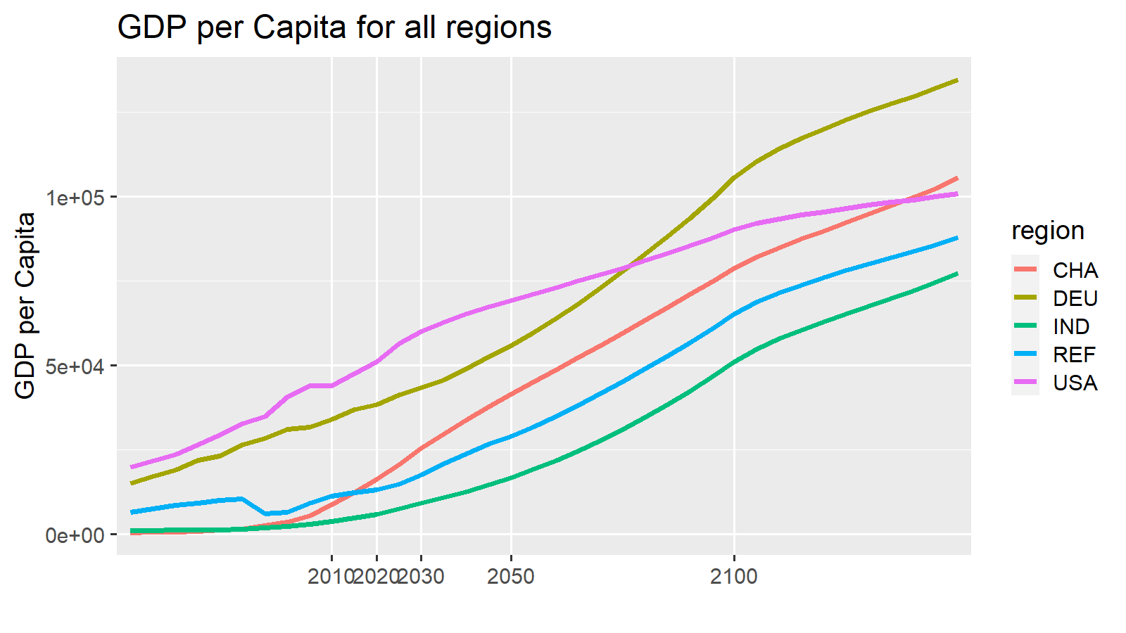
2010 | 2020 | 2030 | 2050 | 2100 | 2150 |  | 2010 | ETP15
4.3 | 4.3 | 4.3 | 4.3 | 4.3 | 4.3 | Walk | 11
54.3 | 74.2 | 70.4 | 70.7 | 68.4 | 68.5 | Cycle | 3.7
19.2 | 10.1 | 9.8 | 9.1 | 9.2 | 18.3 | LDV | 54.3
2.7 | 3.4 | 1.9 | 1.5 | 0.9 | 4.9 | Bus | 19.2
4.8 | 8 | 13.5 | 14.3 | 17.2 | 4 | Rail | 2.7
0 | 0 | 0 | 0 | 0 | 0 | Rail-HSR | 0
11 | 0 | 0 | 0 | 0 | 0 | AvDom | 4.8
3.7 | 0 | 0 | 0 | 0 | 0 | AvInt | 4.3
100 | 100 | 99.9 | 99.9 | 100 | 100
...
 | Walk | Cycle | LDV | Bus | Rail | Rail-HSR | AvDom | AvInt
2010 | 11 | 3.7 | 54 | 19 | 3 | 0 | 5 | 4.3
ETP15 | 5.5 | 1.85 | 59 | 16 | 8 |  | 11
2020 | 0 | 0 | 74 | 10 | 3 | 0 | 8 | 4.3
ETP25 | 0.05 | 0 | 63 | 17 | 7 |  | 13
2030 | 0.1 | 0 | 75 | 9 | 3 | 0 | 7 | 4.7
2040 | 0.15 | 0.05 | 76 | 9 | 3 | 0 | 7 | 5.15
2050 | 0.2 | 0.1 | 78 | 8 | 3 | 0 | 6 | 5.6
ETP50 | 0.3 |  | 59 | 15 | 5 |  | 21
2060 | 0.28 | 0.12 | 79 | 7 | 2 | 0 | 6 | 6.02
2070 | 0.36 | 0.14 | 80 | 6 | 2 | 0 | 5 | 6.44
2080 | 0.44 | 0.16 | 81 | 6 | 2 | 0 | 4 | 6.86
2090 | 0.52 | 0.18 | 82 | 5 | 2 | 0 | 4 | 7.28
2100 | 0.6 | 0.2 | 83 | 4 | 1 | 0 | 3 | 7.7
2010 | 2020 | 2030 | 2050 | 2100 | 2150 |  | 2010 | ETP15
4.3 | 4.3 | 4.7 | 5.6 | 7.7 | 9.8 | Walk | 11 | 5.5
54.3 | 74.2 | 75.3 | 77.5 | 83 | 88.5 | Cycle | 3.7 | 1.85
19.2 | 10.1 | 9.3 | 7.9 | 4.1 | 0.4 | LDV | 54.3 | 59
2.7 | 3.4 | 3.1 | 2.6 | 1.3 | 0 | Bus | 19.2 | 16
4.8 | 8 | 7.4 | 6.2 | 3.1 | 0 | Rail | 2.7 | 8
0 | 0 | 0 | 0 | 0 | 0 | Rail-HSR | 0
11 | 0 | 0.1 | 0.2 | 0.6 | 1 | AvDom | 4.8 | 11
3.7 | 0 | 0 | 0.1 | 0.2 | 0.3 | AvInt | 4.3
100 | 100 | 99.9 | 100.1 | 100 | 100
...
2010 | 2020 | 2030 | 2050 | 2100 | 2101
-2.8 | 0 | -6.4 | -8.5 | -14.7 | -4.2
0 | 0 | 0 | 0 | 0 | 0
0 | 0 | 1.3 | 1.1 | 0.4 | -5.2
0 | 0 | -0.4 | -1.3 | -5.3 | -18.7
0 | 0 | 5.5 | 8.4 | 18.7 | 26.6
0 | 0 | 0 | 0.1 | 0.2 | 0.4
0 | 0 | 0.1 | 0.2 | 0.7 | 1.1
-2.8 | 0 | 0.1 | -9.5756735874E-15 | 4.8849813084E-15 | -7.1054273576E-15
...

UKI
 | Walk | Cycle | LDV | Bus | Rail | Rail-HSR | AvDom | AvInt
2010 | 1.7 | 0.6 | 55.1 | 22.8 | 0.2 | 0.1 | 0.3 | 19.2
ETP15
2020 | 1.7 | 0.6 | 77.5 | 0.4 | 0.2 | 0.1 | 0.3 | 19.2
ETP25
2030 | 1.4 | 0.5 | 77.9 | 0.3 | 0.1 | 0.2 | 0.4 | 19.2
2040 | 1.25 | 0.45 | 78.05 | 0.25 | 0.1 | 0.2 | 0.45 | 19.2
2050 | 1.1 | 0.4 | 78.2 | 0.2 | 0.1 | 0.2 | 0.5 | 19.2
ETP50
2060 | 1.02 | 0.36 | 78.18 | 0.32 | 0.08 | 0.22 | 0.54 | 19.2
2070 | 0.94 | 0.32 | 78.16 | 0.44 | 0.06 | 0.24 | 0.58 | 19.2
2080 | 0.86 | 0.28 | 78.14 | 0.56 | 0.04 | 0.26 | 0.62 | 19.2
2090 | 0.78 | 0.24 | 78.12 | 0.68 | 0.02 | 0.28 | 0.66 | 19.2
2100 | 0.7 | 0.2 | 78.1 | 0.8 | 0 | 0.3 | 0.7 | 19.2
...
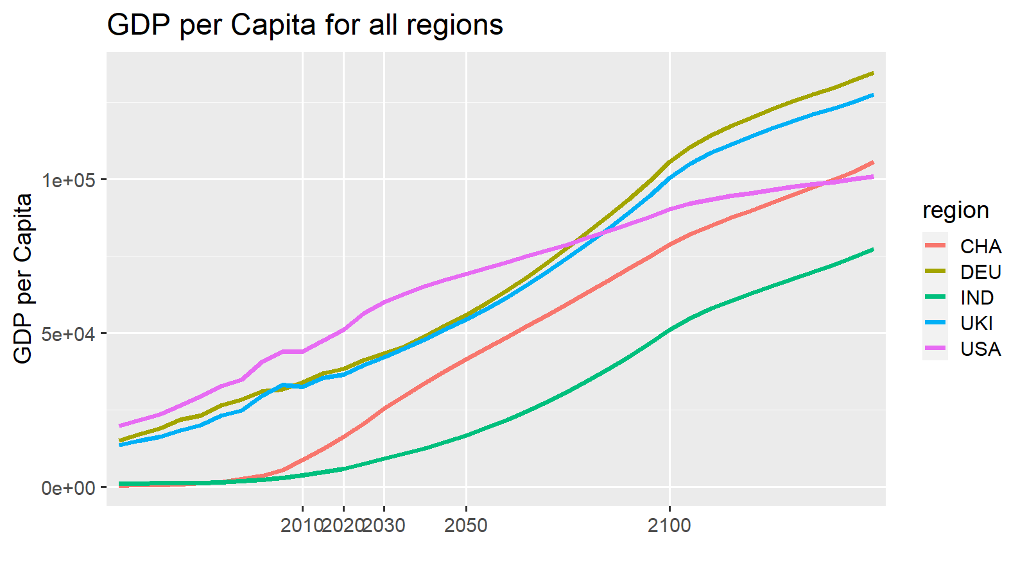
2010 | 2020 | 2030 | 2050 | 2100 | 2150 |  |  | 2010 | ETP15
19.2 | 19.2 | 19.2 | 19.2 | 19.2 | 19.1 |  | Walk | 1.7
55.1 | 77.5 | 77.9 | 78.2 | 78.1 | 77.7 |  | Cycle | 0.6
22.8 | 0.4 | 0.3 | 0.2 | 0.8 | 2.3 |  | LDV | 55.1
0.2 | 0.2 | 0.1 | 0.1 | 0 | 0 |  | Bus | 22.8
0.3 | 0.3 | 0.4 | 0.5 | 0.7 | 0 |  | Rail | 0.2
0.1 | 0.1 | 0.2 | 0.2 | 0.3 | 0 |  | Rail-HSR | 0.1
1.7 | 1.7 | 1.4 | 1.1 | 0.7 | 0.6 |  | AvDom | 0.3
0.6 | 0.6 | 0.5 | 0.4 | 0.2 | 0.2 |  | AvInt | 19.2
100 | 100 | 100 | 99.9 | 100 | 99.9
...
 | Walk | Cycle | LDV | Bus | Rail | Rail-HSR | AvDom | AvInt
2010 | 1.7 | 0.6 | 55 | 23 | 0 | 0.1 | 0 | 19.2
ETP15 | 1.7 | 0.6 | 62 | 7 | 9 |  | 20
2020 | 1.7 | 0.6 | 78 | 0 | 0 | 0.1 | 0 | 19.2
ETP25 | 1.65 | 0.55 | 59 | 6 | 9 |  | 24
2030 | 1.6 | 0.5 | 78 | 1 | 0 | 0.1 | 0 | 19.2
2040 | 1.5 | 0.5 | 78 | 1 | 0 | 0.1 | 0 | 19.2
2050 | 1.4 | 0.5 | 78 | 1 | 0 | 0.1 | 0 | 19.2
ETP50 | 1.9 |  | 53 | 5 | 8 |  | 33
2060 | 1.32 | 0.46 | 78 | 1 | 0 | 0.1 | 0 | 19.18
2070 | 1.24 | 0.42 | 78 | 1 | 0 | 0.1 | 0 | 19.16
2080 | 1.16 | 0.38 | 78 | 1 | 0 | 0.1 | 0 | 19.14
2090 | 1.08 | 0.34 | 78 | 1 | 0 | 0.1 | 0 | 19.12
2100 | 1 | 0.3 | 78 | 2 | 0 | 0.1 | 0 | 19.1
2010 | 2020 | 2030 | 2050 | 2100 | 2150 |  |  | 2010 | ETP15
19.2 | 19.2 | 19.2 | 19.2 | 19.1 | 19.1 |  | Walk | 1.7 | 1.7
55.1 | 77.5 | 77.6 | 77.6 | 77.7 | 77.7 |  | Cycle | 0.6 | 0.6
22.8 | 0.4 | 0.5 | 0.8 | 1.5 | 2.3 |  | LDV | 55.1 | 62
0.2 | 0.2 | 0.1 | 0.1 | 0.1 | 0 |  | Bus | 22.8 | 7
0.3 | 0.3 | 0.3 | 0.3 | 0.1 | 0 |  | Rail | 0.2 | 9
0.1 | 0.1 | 0.1 | 0.1 | 0.1 | 0 | Comments | Rail-HSR | 0.1
1.7 | 1.7 | 1.6 | 1.4 | 1 | 0.6 |  | AvDom | 0.3 | 20
0.6 | 0.6 | 0.5 | 0.5 | 0.3 | 0.2 |  | AvInt | 19.2
100 | 100 | 99.9 | 100 | 99.9 | 99.9
...
2010 | 2020 | 2030 | 2050 | 2100 | 2101
1.8 | 0 | -0.1 | -0.4 | -0.6 | 0
0 | 0 | 0 | -0.1 | -0.2 | 0
0 | 0 | 0 | 0 | 0.1 | 0
0 | 0 | 0.2 | 0.7 | 0.9 | 0
0 | 0 | -0.4 | -0.9 | -0.6 | 0
0 | 0 | 0.1 | 0.1 | 0.1 | 0
0 | 0 | 0.2 | 0.4 | 0.5 | 0
 |  |  |  |  | 0
...

