Sheet1
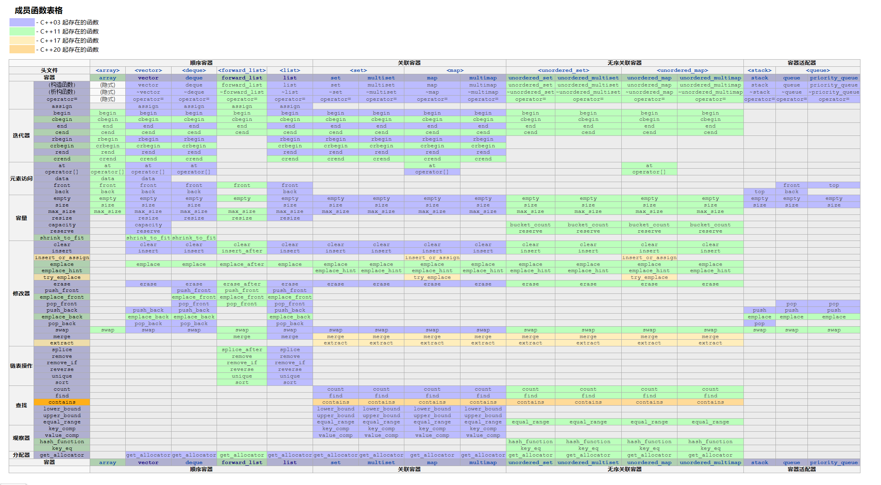
顺序容器 |  |  |  |  | 关联容器 |  |  |  | 无序关联容器 |  |  |  | 容器适配器
头文件 |  | <array> | <vector> | <deque> | <forward_list> | <list> | <set> |  | <map> |  | <unordered_set> |  | <unordered_map> |  | <stack> | <queue>
容器 |  | array | vector | deque | forward_list | list | set | multiset | map | multimap | unordered_set | unordered_multiset | unordered_map | unordered_multimap | stack | queue | priority_queue
 | (构造函数) | (隐式) | vector | deque | forward_list | list | set | multiset | map | multimap | unordered_set | unordered_multiset | unordered_map | unordered_multimap | stack | queue | priority_queue
 | (析构函数) | (隐式) | ~vector | ~deque | ~forward_list | ~list | ~set | ~multiset | ~map | ~multimap | ~unordered_set | ~unordered_multiset | ~unordered_map | ~unordered_multimap | ~stack | ~queue | ~priority_queue
 | operator= | (隐式) | operator= | operator= | operator= | operator= | operator= | operator= | operator= | operator= | operator= | operator= | operator= | operator= | operator= | operator= | operator=
 | assign |  | assign | assign | assign | assign
迭代器 | begin | begin | begin | begin | begin | begin | begin | begin | begin | begin | begin | begin | begin | begin
 | cbegin | cbegin | cbegin | cbegin | cbegin | cbegin | cbegin | cbegin | cbegin | cbegin | cbegin | cbegin | cbegin | cbegin
 | end | end | end | end | end | end | end | end | end | end | end | end | end | end
 | cend | cend | cend | cend | cend | cend | cend | cend | cend | cend | cend | cend | cend | cend
 | rbegin | rbegin | rbegin | rbegin |  | rbegin | rbegin | rbegin | rbegin | rbegin
 | crbegin | crbegin | crbegin | crbegin |  | crbegin | crbegin | crbegin | crbegin | crbegin
 | rend | rend | rend | rend |  | rend | rend | rend | rend | rend
 | crend | crend | crend | crend |  | crend | crend | crend | crend | crend
元素访问 | at | at | at | at |  |  |  |  | at |  |  |  | at
 | operator[] | operator[] | operator[] | operator[] |  |  |  |  | operator[] |  |  |  | operator[]
 | data | data | data
 | front | front | front | front | front | front |  |  |  |  |  |  |  |  |  | front | top
 | back | back | back | back |  | back |  |  |  |  |  |  |  |  | top | back
容量 | empty | empty | empty | empty | empty | empty | empty | empty | empty | empty | empty | empty | empty | empty | empty | empty | empty
 | size | size | size | size |  | size | size | size | size | size | size | size | size | size | size | size | size
 | max_size | max_size | max_size | max_size | max_size | max_size | max_size | max_size | max_size | max_size | max_size | max_size | max_size | max_size
 | resize |  | resize | resize | resize | resize
 | capacity |  | capacity |  |  |  |  |  |  |  | bucket_count | bucket_count | bucket_count | bucket_count
 | reserve |  | reserve |  |  |  |  |  |  |  | reserve | reserve | reserve | reserve
 | shrink_to_fit |  | shrink_to_fit | shrink_to_fit
修改器 | clear |  | clear | clear | clear | clear | clear | clear | clear | clear | clear | clear | clear | clear
 | insert |  | insert | insert | insert_after | insert | insert | insert | insert | insert | insert | insert | insert | insert
 | insert_or_assign |  |  |  |  |  |  |  | insert_or_assign |  |  |  | insert_or_assign
 | emplace |  | emplace | emplace | emplace_after | emplace | emplace | emplace | emplace | emplace | emplace | emplace | emplace | emplace
 | emplace_hint |  |  |  |  |  | emplace_hint | emplace_hint | emplace_hint | emplace_hint | emplace_hint | emplace_hint | emplace_hint | emplace_hint
 | try_emplace |  |  |  |  |  |  |  | try_emplace |  |  |  | try_emplace
 | erase |  | erase | erase | erase_after | erase | erase | erase | erase | erase | erase | erase | erase | erase
 | push_front |  |  | push_front | push_front | push_front
 | emplace_front |  |  | emplace_front | emplace_front | emplace_front
 | pop_front |  |  | pop_front | pop_front | pop_front |  |  |  |  |  |  |  |  |  | pop | pop
 | push_back |  | push_back | push_back |  | push_back |  |  |  |  |  |  |  |  | push | push | push
 | emplace_back |  | emplace_back | emplace_back |  | emplace_back |  |  |  |  |  |  |  |  | emplace | emplace | emplace
 | pop_back |  | pop_back | pop_back |  | pop_back |  |  |  |  |  |  |  |  | pop
 | swap | swap | swap | swap | swap | swap | swap | swap | swap | swap | swap | swap | swap | swap | swap | swap | swap
 | merge |  |  |  | merge | merge | merge | merge | merge | merge | merge | merge | merge | merge
 | extract |  |  |  |  |  | extract | extract | extract | extract | extract | extract | extract | extract
链表操作 | splice |  |  |  | splice_after | splice
 | remove |  |  |  | remove | remove
 | remove_if |  |  |  | remove_if | remove_if
 | reverse |  |  |  | reverse | reverse
 | unique |  |  |  | unique | unique
 | sort |  |  |  | sort | sort
查找 | count |  |  |  |  |  | count | count | count | count | count | count | count | count
 | find |  |  |  |  |  | find | find | find | find | find | find | find | find
 | contains |  |  |  |  |  | contains | contains | contains | contains | contains | contains | contains | contains
 | lower_bound |  |  |  |  |  | lower_bound | lower_bound | lower_bound | lower_bound
 | upper_bound |  |  |  |  |  | upper_bound | upper_bound | upper_bound | upper_bound
 | equal_range |  |  |  |  |  | equal_range | equal_range | equal_range | equal_range | equal_range | equal_range | equal_range | equal_range
观察器 | key_comp |  |  |  |  |  | key_comp | key_comp | key_comp | key_comp
 | value_comp |  |  |  |  |  | value_comp | value_comp | value_comp | value_comp
 | hash_function |  |  |  |  |  |  |  |  |  | hash_function | hash_function | hash_function | hash_function
 | key_eq |  |  |  |  |  |  |  |  |  | key_eq | key_eq | key_eq | key_eq
分配器 | get_allocator |  | get_allocator | get_allocator | get_allocator | get_allocator | get_allocator | get_allocator | get_allocator | get_allocator | get_allocator | get_allocator | get_allocator | get_allocator
容器 |  | array | vector | deque | forward_list | list | set | multiset | map | multimap | unordered_set | unordered_multiset | unordered_map | unordered_multimap | stack | queue | priority_queue
 |  | 顺序容器 |  |  |  |  | 关联容器 |  |  |  | 无序关联容器 |  |  |  | 容器适配器

