Network Diagram
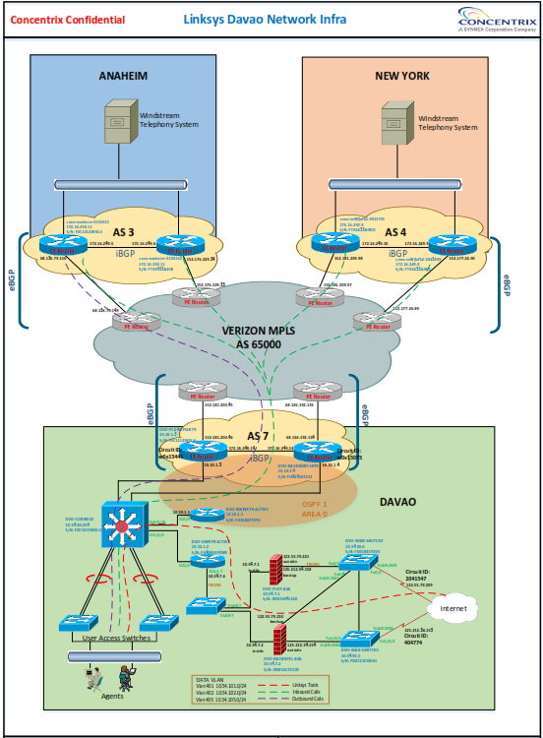
Control Information
Designed | Jayme Sanico
Approved
Creation Date | 2015-05-28
Revision Date
Version | 1.00
Notes

Voice Diagram
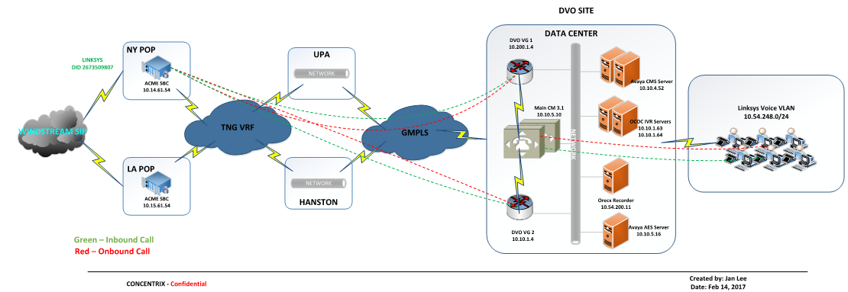
Control Information
Designed | Jan Lee
Approved
Creation Date | 2017-02-14
Revision Date
Version | 1.00

