Q5,Q6
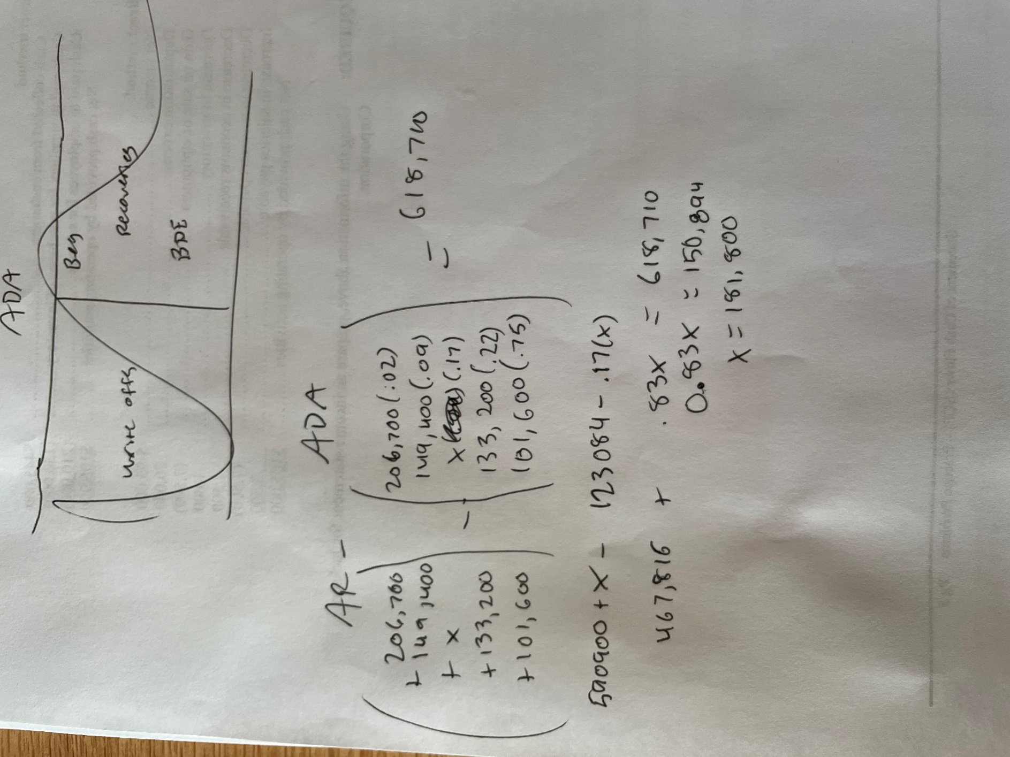
 | units sold | unit cost | revenue
 | 1900 | 41 | 77900 | 206700 | 0.02 | 4134
 | 2400 | 41 | 98400 | 149400 | 0.09 | 13446
 | 1200 | 41 | 49200 |  | 0.17 | 0
total | 5500 |  | 225500 | 133200 | 0.22 | 29304
 |  |  |  | 101600 | 0.75 | 76200
 | units | cost | total
 | 2800 | 11.4 | 31920
 | 2300 | 24.3 | 55890
 | 400 | 12.8 | 5120

 |  | sum: | 92930

 |  | gross profit | 132570
 |  | profit-exp | 69570
 |  | taxes | 20871
 | Q5 | net income | 48699

 |  |  |  | Q6 | 181800

q9
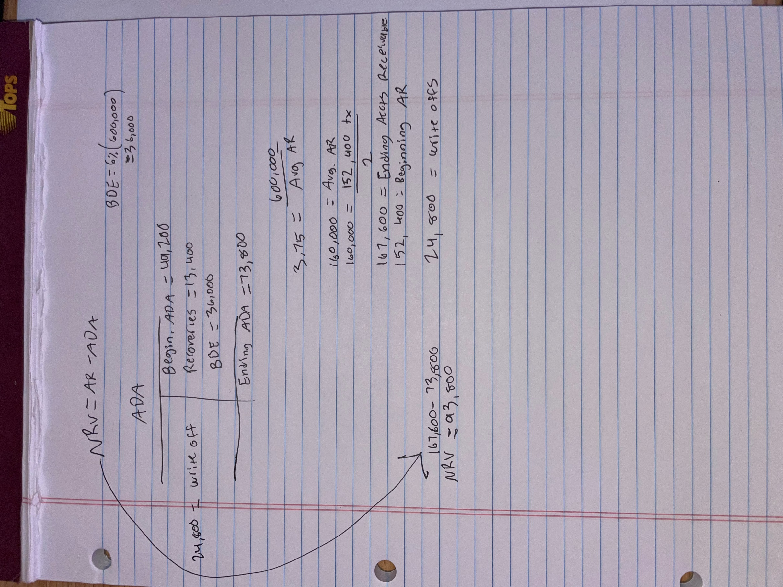

Beginning AR | 152400
Beginning ADA | 49200
net sales revenue | 600000
write off
cash collections | 560000
AR turnover ratio | 3.75
recoveries | 13400

Ending ADA | = | Beginning ADA | + | Recoveries | + | BDE | - | Write offs
 | = | 49200 |  | 13400 |  | 36000

93800

