Diagram
Collections and references
→ = reference · [ ] = embedded array · colours: blue master, green transactional, grey short-lived/history, purple configuration

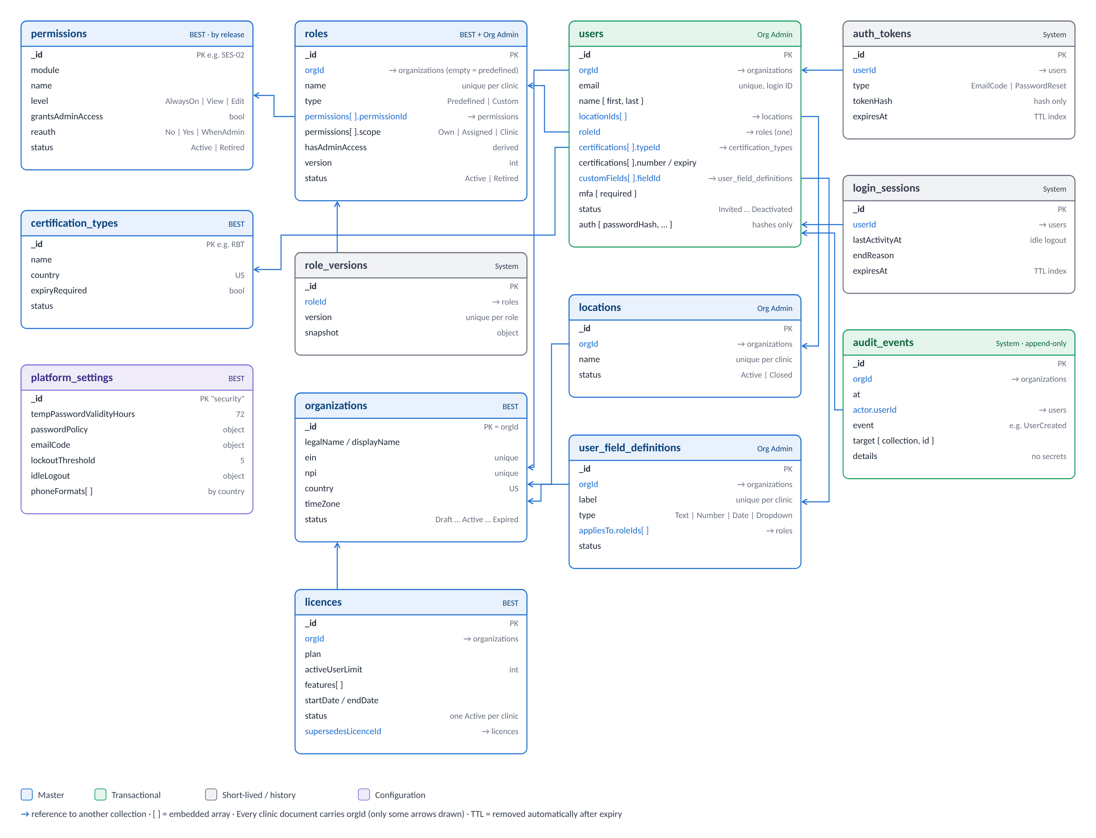
1. User creation and login

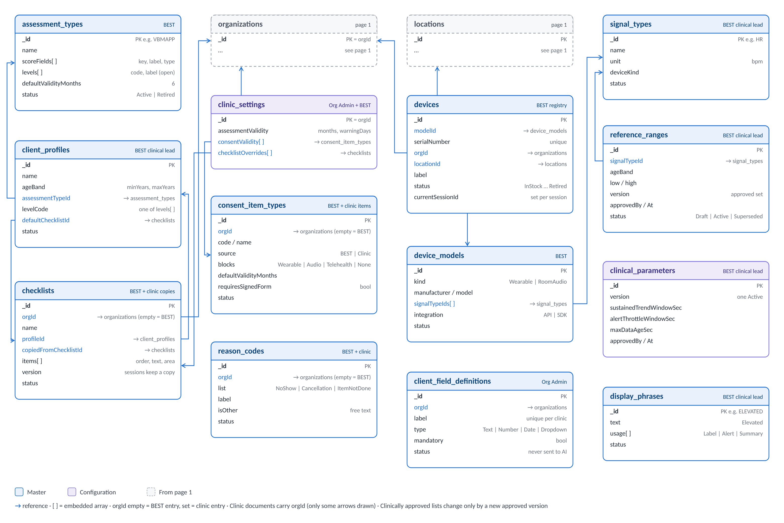
2. Platform master data (D-022)

