esp32
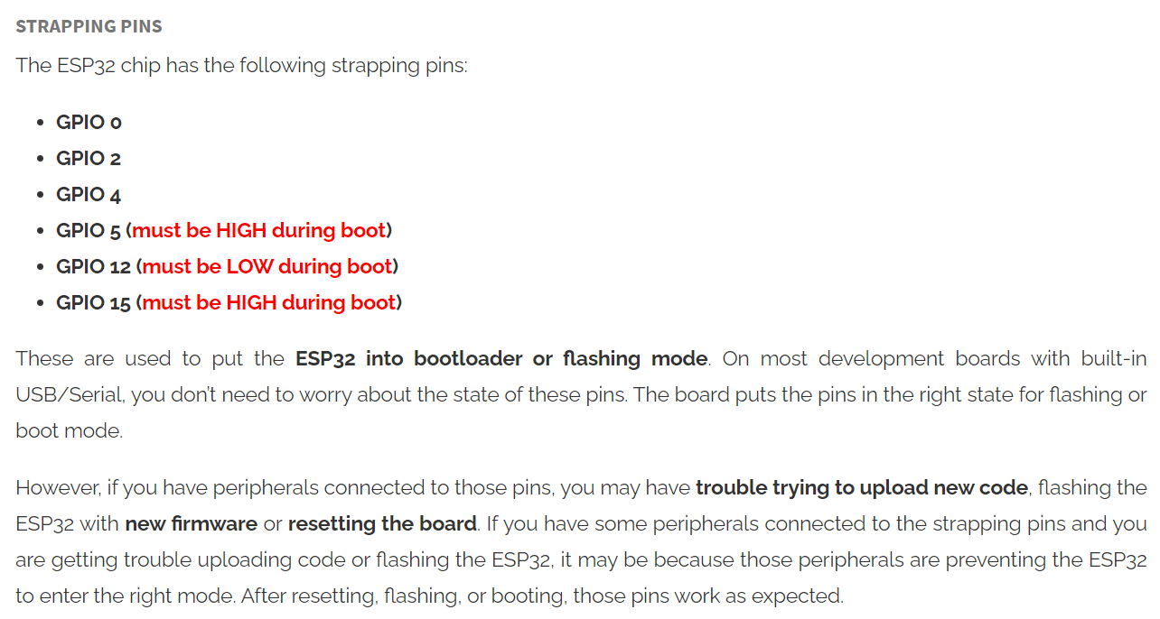
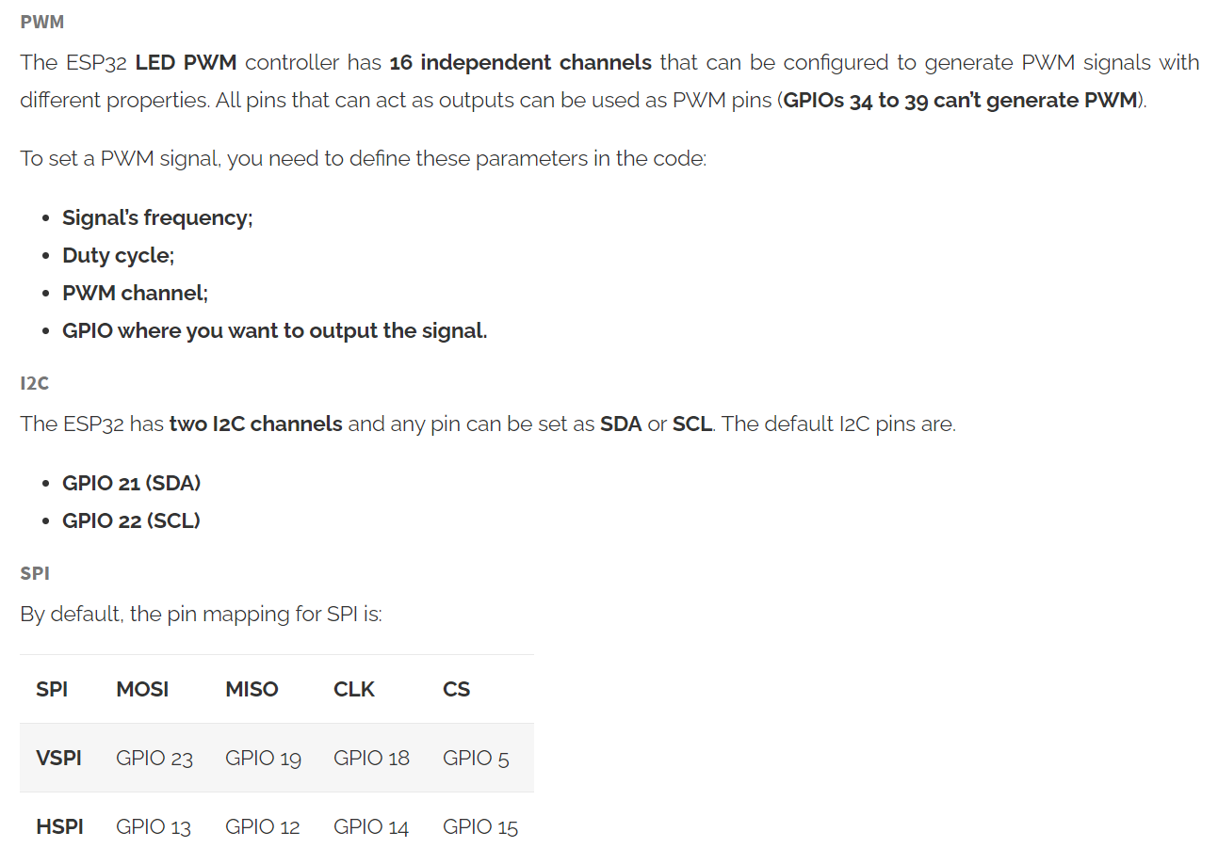
GPIO | Input | Output | TYPE | SPC | Notes
0 | pulled up | OK | RTC_GPIO11 |  | outputs PWM signal at boot
1 | TX Pin | OK |  |  | debug output at boot
2 | OK | OK | RTC_GPIO12 |  | connected to on-board LED
3 | OK | RX Pin |  |  | HIGH at boot
4 | OK | OK | RTC_GPIO10
5 | OK | OK |  | VSPI-CS | outputs PWM signal at boot
6 | X | X |  |  | connected to the integrated SPI flash
7 | X | X |  |  | connected to the integrated SPI flash
8 | X | X |  |  | connected to the integrated SPI flash
9 | X | X |  |  | connected to the integrated SPI flash
10 | X | X |  |  | connected to the integrated SPI flash
11 | X | X |  |  | connected to the integrated SPI flash
12 | OK | OK | RTC_GPIO15 | HSPI-MISO
13 | OK | OK | RTC_GPIO14 | HSPI-MOSI | outputs PWM signal at boot
14 | OK | OK | RTC_GPIO16 | HSPI-CLK | outputs PWM signal at boot
15 | OK | OK | RTC_GPIO13 | HSPI-CS
16 | OK | OK
17 | OK | OK
18 | OK | OK |  | VSPI-CLK
19 | OK | OK |  | VSPI-MISO
20 | OK | OK
21 | OK | OK |  | SDA
22 | OK | OK |  | SCL
23 | OK | OK |  | VSPI-MOSI
24 | OK | OK
25 | OK | OK | RTC_GPIO6
26 | OK | OK | RTC_GPIO7
27 | OK | OK | RTC_GPIO17
28 | OK | OK
29 | OK | OK
30 | OK | OK
31 | OK | OK
32 | OK | OK | RTC_GPIO9
33 | OK | OK | RTC_GPIO8
34 | OK |  | RTC_GPIO4
35 | OK |  | RTC_GPIO5
36 | OK |  | RTC_GPIO0 |  | input only
37 | OK |  |  |  | input only
38 | OK |  |  |  | input only
39 | OK |  | RTC_GPIO3 |  | input only

spotmicro
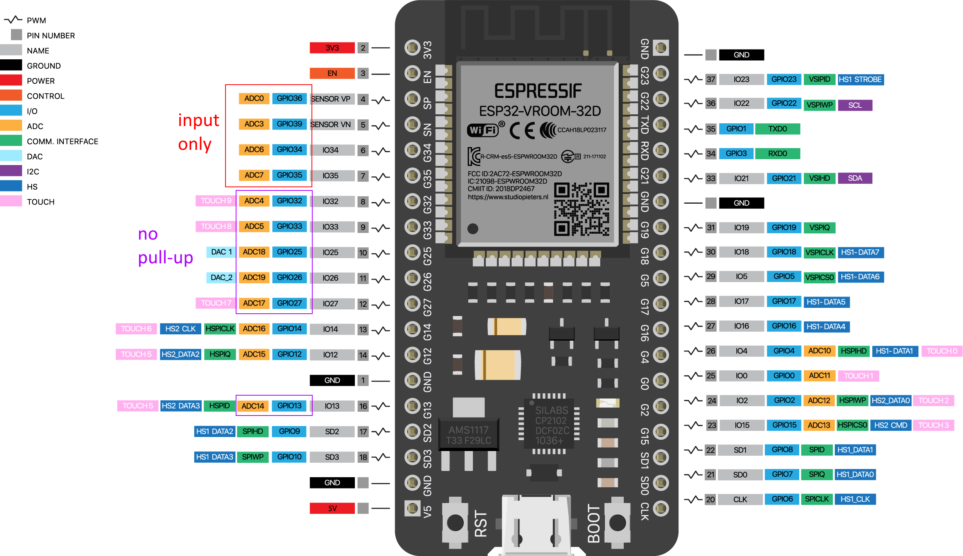
 | NOTE | ASSIGNMENT | MODE | PIN |  | MODE | ASSIGNMENT | NOTE
 |  |  |  | 3.3V | GND
 |  |  |  | EN | G23
 | INPUT ONLY (NOPULL-UP) | d | A | G36/A00 | SCL/G22 |  | PCA9685 | I2C
 |  |  | A | G39/A03 | TXD0/G01
 |  |  | A | G34/A06 | RXD0/G03
 |  |  | A | G35/A07 | SDA/G21 |  | PCA9685 | I2C
 | NO PULL-UP |  | A | G32/A04 | GND
 |  |  | A | G33/A05 | G19 | O
ADC2 |  |  |  | G25/A18/DAC1 | G18 | O
 |  |  | O | G26/A19/DAC2 | G05 | O
 |  |  | O | G27/A17 | TXD2/G17 | O
 |  | LED_STRIP | O | G14/A16 | RXD2/G16 | O
 |  | CAL_SW | O | G12/A15 | A10/G04 | O |  | ADC2
 |  |  |  | GND | A11/G00 | O
ADC2 | NO PULL-UP | PWR_LED | O | G13/A14 | A12/G02 | O
 | SPI-FLASH |  |  | G09/RXD1/SHD/SD2 | A13/G15 | O
 |  |  |  | G10/TXD1/SWP/SD3 | SDI/SD1/G08 |  |  | SPI-FLASH
 |  |  |  | G11/CSC/CMD | SDO/SD0/G07
 |  |  |  | 5V | SCK/CLK/G06

 | ADC2 pins cannot be used when Wi-Fi is used
 | GPIO 6, 7, 8, 9, 10, 11 (the integrated SPI flash)

 | HardwareSerial mySerial(1); // 장치명 선언(시리얼 번호)
 | mySerial.begin(115200,SERIAL_8N1, 4, 2); // (통신속도, UART모드, RX핀번호, TX핀번호) - 핀번호 지정가능
 | 꼭 필요한 경우가 아니면 하드웨어 시리얼 1번을 사용하지 않는다.
 |  |  |  |  |  |  |  |  | Battery ADC | R1 | 22000 | leackage | 0.095454545455 | mA
 | HardwareSerial dfSerial(2); // 장치명 선언(시리얼 번호) |  |  |  |  |  |  |  |  | R2 | 22000
 | dfSerial.begin(115200, SERIAL_8N1, 16, 17); // 핀번호는 기본으로 할당된 번호도 사용할 수 있다. |  |  |  |  |  |  |  |  | Vbatt | 4.2 | Vadc | 2.1
 | 출처: https://postpop.tistory.com/35 [postpop] |  |  |  |  |  |  |  |  |  | 4 |  | 2
 |  |  |  |  |  |  |  |  |  |  | 3.8 |  | 1.9
 |  |  |  |  |  |  |  |  |  |  | 3.6 |  | 1.8
 |  |  |  |  |  |  |  |  |  |  | 3.4 |  | 1.7
 |  |  |  |  |  |  |  |  |  |  | 3.2 |  | 1.6
 |  |  |  |  |  |  |  |  |  |  | 3 |  | 1.5

kangal
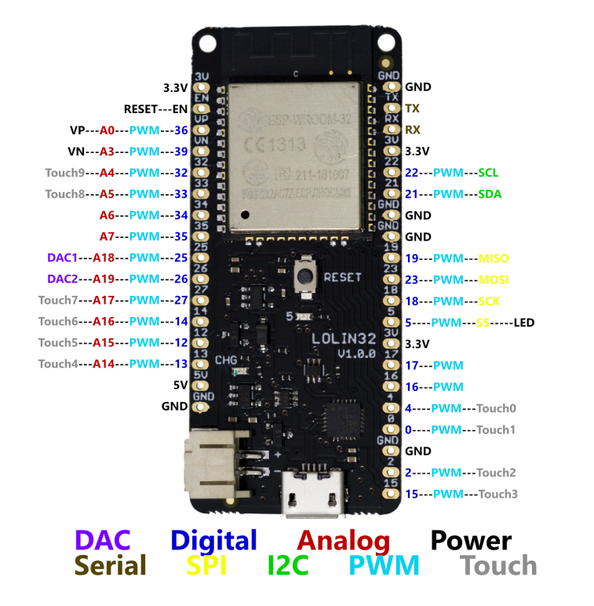
 | NOTE | ASSIGNMENT | MODE | PIN |  | MODE | ASSIGNMENT | NOTE |  | WS2812 |  |  | 5V PWR |  |  | SERVO CONTROLLER
 |  |  |  | 3.3V | GND |  |  |  |  | DOUT | 5V | GND | PWR_LED | 5V | GND | BATT | 3.3V | SCL | SDA | GND
 |  |  |  | RESET | TXD0/G01
 | INPUT ONLY (NOPULL-UP) | BATT_SENSE | A | G36/A00 / VP | RXD0/G03
 |  |  | A | G39/A03 / VN | 3.3V
 |  | PWR_LED |  | G32/A04 | SCL/G22 |  | SCL - MPU / PCA
 |  | LED_STRIP |  | G33/A05 | SDA/G21 |  | SDA - MPU / PCA
 | INPUT ONLY (NOPULL-UP) |  | A | G34/A06 | GND
 |  |  | A | G35/A07 | GND
ADC2 |  |  |  | G25/A18/DAC1 | G19
 |  |  |  | G26/A19/DAC2 | G23
 |  |  |  | G27/A17 | G18
 |  |  |  | G14/A16 | G05 |  |  | LED: on(low)
 |  | UART2_TXD |  | G12/A15 | 3.3V
 |  | UART2_RXD |  | G13/A14 | G17
 |  |  |  | 5V | G16
 |  |  |  | GND | A10/G04 |  |  |  | ADC2
 |  |  |  |  | A11/G00 |  |  | BOOT_SW
 |  |  |  |  | GND
 |  |  |  |  | A12/G02 |  |  | CAL_SW | ADC2
 |  |  |  |  | A13/G15 |  |  | BROWSER_SW

rpi
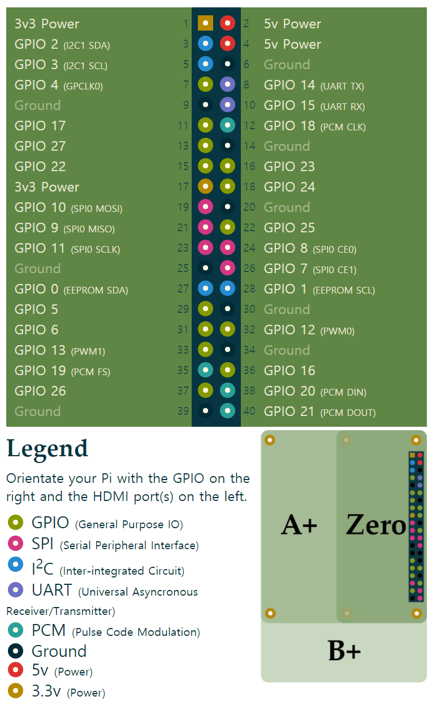
ASSIGNMENT | PIN |  |  |  | ASSIGNMENT | WS2812 |  |  | 5V PWR |  |  | SERVO CONTROLLER
 | 3.3V | 1 | 2 | 5V |  | LED_STRIP | 5V | GND | PWR_LED | 5V | GND | BATT | 3.3V | SCL | SDA | GND
SDA - MPU/PCA/RTC | GPIO2 / I2C1 SDA | 3 | 4 | 5V
SCL - MPU/PCA/RTC | GPIO3 / I2C1 SCL | 5 | 6 | GND
PWR_LED | GPIO4 / GPCLK0 | 7 | 8 | UART TX / GPIO14
 | GND | 9 | 10 | UART RX / GPIO15
 | GPIO17 | 11 | 12 | PCM CLK / GPIO18
 | GPIO27 | 13 | 14 | GND
 | GPIO22 | 15 | 16 | GPIO23
 | 3.3V | 17 | 18 | GPIO24
LED_STRIP | GPIO10 / SPI0 MOSI | 19 | 20 | GND
 | GPIO9 / SPI0 MISO | 21 | 22 | GPIO25
 | GPIO11 / SPI0 SCLK | 23 | 24 | SPI0 CE0 / GPIO8
 | GND | 25 | 26 | SPI0 CE1 / GPIO7
 | GPIO0 / EEPROM SDA | 27 | 28 | EEPROM SCL / GPIO1
 | GPIO5 | 29 | 30 | GND
 | GPIO6 | 31 | 32 | PWM0 / GPIO12
 | GPIO13 / PWM1 | 33 | 34 | GND
 | GPIO19 / PCMFS | 35 | 36 | GPIO16
 | GPIO26 | 37 | 38 | PCM DIN / GPIO20
 | GND | 39 | 40 | PCM DOUT / GPIO21

