Writing System
SYSTEM 0: latin
all latin letters become fricatives, preserving location.
"ipa (latin) [letter]" means that latin sound (p) becomes ipa sound ɸ and is written as [letter]. no (latin) means no change, no [letter] means it's written with the latin letter.
consonants | bilabial | labiodental | dental | postalvoelar | alvoelar | alvoelar-lateral | velar | uvular
fricatives | ɸβ (p,b/m) | fv | θð (t/th*,n) | ʃʒ (sh [5],ch [2]) | sz (s, z/d) | ɮ (l) | xɣ (k,g) | χ (h)
approximant |  |  |  | j (y*) | ɻ (r)

vowels | front | central | back
high | i |  | u
mid |  | ʌ (a,e,o)

* rules for special sounds
latin th/ipa θ: θx
latin y: ipa ji

SYSTEM 1: monstrous syllabary
words are represented by monsters
each monster's body is divided into segments
each segment represents a vowel
each segment's limbs represent its consonants
reading dir left-right, top-bottom

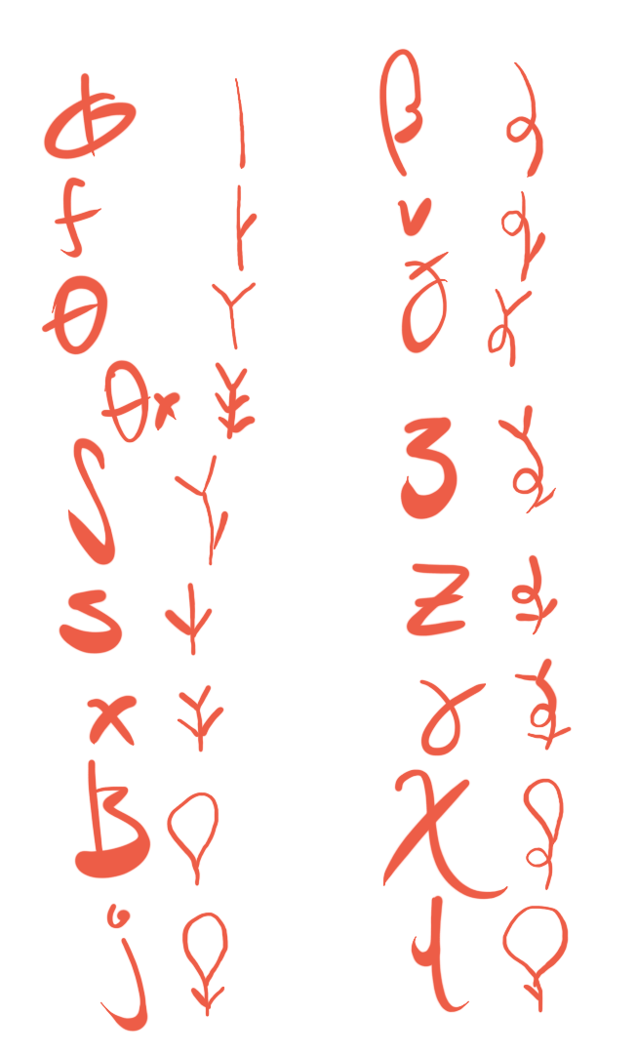
SYSTEM 2: tentacular abjad
inverse of normal abjad - vowels are main body of writing; consonants are diacritics.
1: a plain tentacle branching off the vowel.
2: a tentacle that splits into two tentacles.
L: a tentacle terminating in a loop (no trailing tip).
X': a self-looping tentacle.
XY: a tentacle composed of an X followed by a Y.
ipa | latin | tentaculary
ɸ | p | 1
β | b | 1'
f | f | 11
v | v | 1'1
θ | t | 2
ð | d | 2'
ʃ | 5 | 12
ʒ | 3 | 1'2
s | s | 21
z | z | 2'1
x | k | 22
ɣ | g | 2'2
ɮ | l | L
χ | h | L'
ɻ | r | 1L
j | y | 2L
n | n | 1L'
i | i | up-leg
u | u | down-leg
ʌ | a, e, o | no-leg (flat)

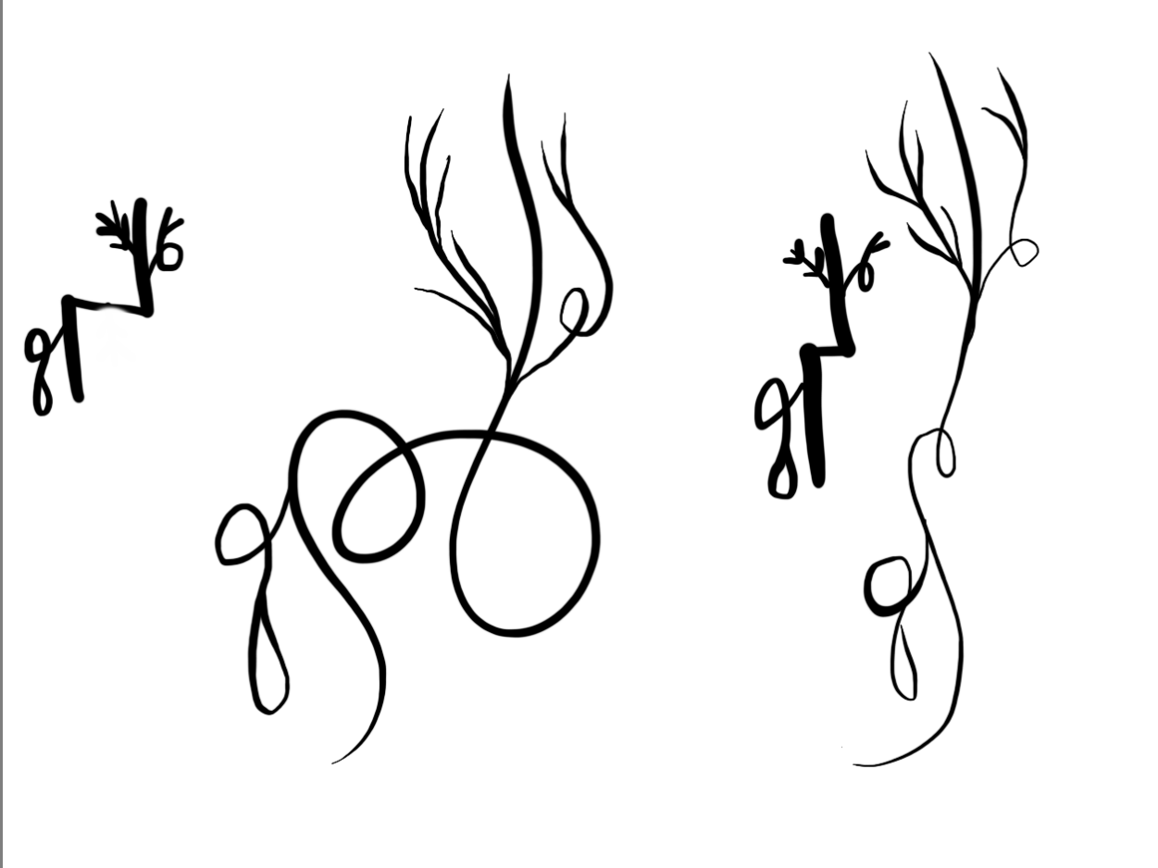
loops
sometimes lone "o" appears in words, example the name "huoxin" hu+o+xin.
to disambiguate the bare "o", use two loops in the vowel line. below: huoxin vs. huxin

