Summary
SUMMARY — Blocking Statistics by ISP
ISP / Label | Domains Tested | Blocked (IP sig) | Blocked (NXDOM) | Blocked (SERVFAIL) | Total Blocked | Block Rate % | Accessible | Changed IP | Timeout | ISP Avg Latency ms | ISP Median ms | Control Avg ms | ISP | Total Blocked | Accessible
Airtel | 43,083 | 30,437 | 3 | 84 | 30,524 | 70.85% | 9,338 | 2,433 | 788 | 312.12 | 93.79 | 484.32 | Airtel | 30524 | 9338
stpi | 43,083 | 0 | 1 | 189 | 190 | 0.44% | 28,792 | 7,154 | 6,947 | 1054.87 | 280.65 | 408.85 | stpi | 190 | 28792

Blocked vs Accessible Domains by ISP

Airtel — Detail
ISP DETAIL — Airtel

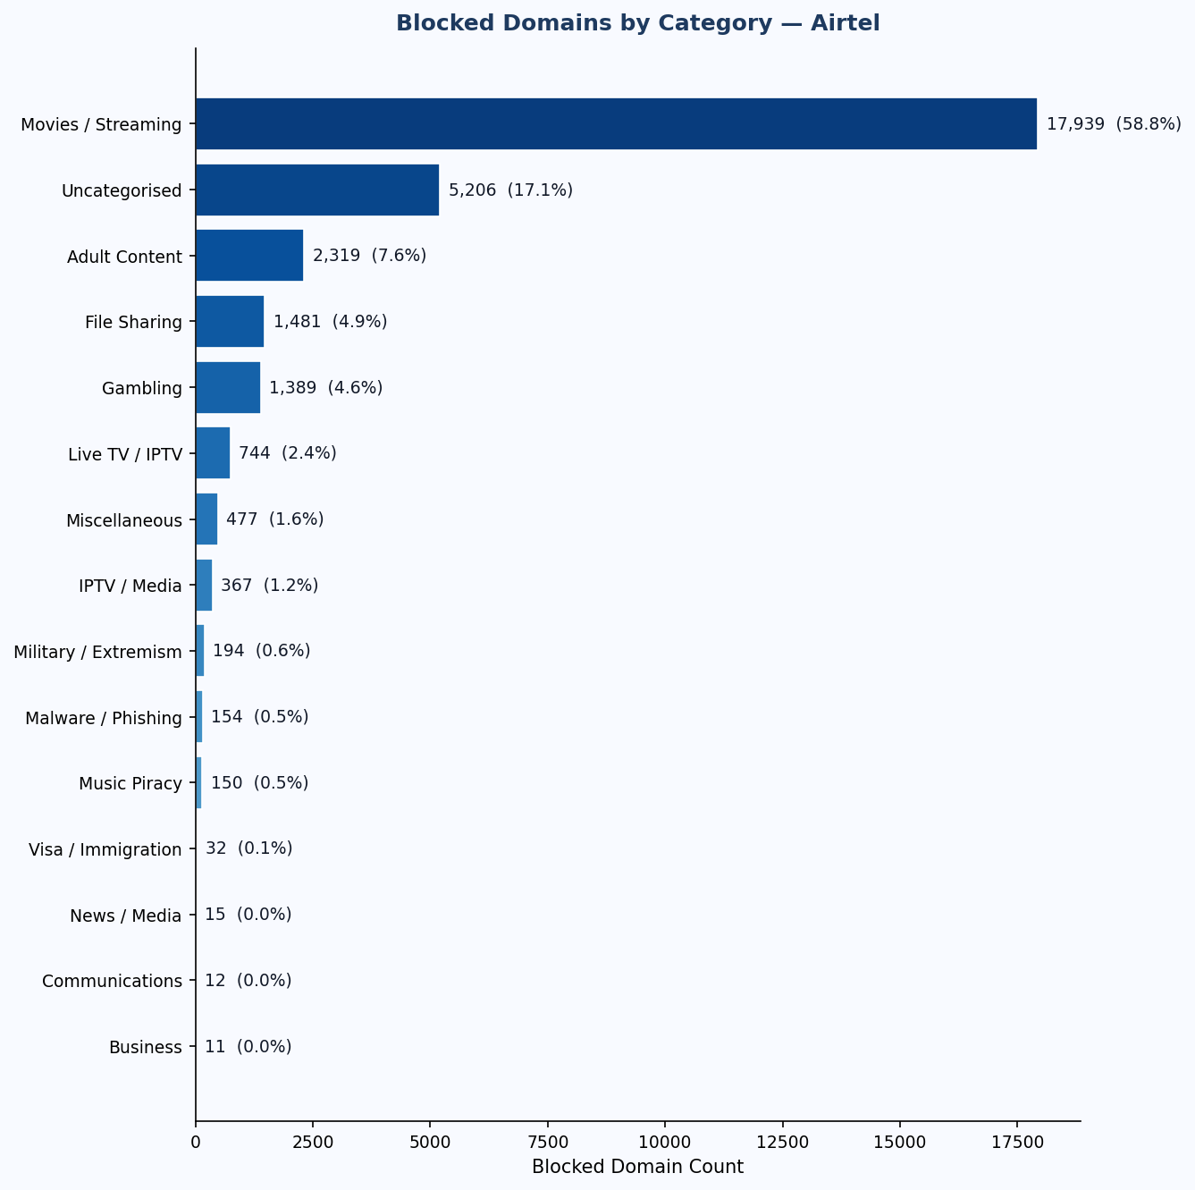
📋 Run Metadata
ISP Label | Airtel
Resolver IP | 172.20.10.1
Block Signature IP | 13.127.247.216
ASN | AS45609 Bharti Airtel Ltd. AS for GPRS Service
Country | IN
Public IP | 223.191.50.59
Started At | 2026-03-09 12:40:07
Completed At | 2026-03-09 14:21:38
Total Domains | 43,083

🚦 Blocking Status Breakdown
Status | Count
Blocked — IP Redirect (70.6%) | 30,437
Blocked — NXDOMAIN (0.0%) | 3
Blocked — SERVFAIL (0.2%) | 84
Accessible (21.7%) | 9,338
Changed IP (5.6%) | 2,433
Timeout / Error (1.8%) | 788

⏱ DNS Response Timing
Resolver | Avg ms / Median ms
ISP (172.20.10.1) | 312.12 ms / 93.79 ms
Control (1.1.1.1) | 484.32 ms / 250.42 ms

🗂 Blocked Domains by Category
Category | Blocked Count (% of blocked)
Movies / Streaming [MOV] | 17,939 (58.8%)
Uncategorised [UNCAT] | 5,206 (17.1%)
Adult Content [PORN] | 2,319 (7.6%)
File Sharing [FILE] | 1,481 (4.9%)
Gambling [GMB] | 1,389 (4.6%)
Live TV / IPTV [LIVE] | 744 (2.4%)
Miscellaneous [MISC] | 477 (1.6%)
IPTV / Media [IPTM] | 367 (1.2%)
Military / Extremism [MILX] | 194 (0.6%)
Malware / Phishing [MAL] | 154 (0.5%)
Music Piracy [MUS] | 150 (0.5%)
Visa / Immigration [VISA] | 32 (0.1%)
News / Media [NEWS] | 15 (0.0%)
Communications [COMM] | 12 (0.0%)
Business [BIZ] | 11 (0.0%)
Escort / Adult Services [ESC] | 9 (0.0%)
Groups / Forums [GRP] | 5 (0.0%)
Political [POLR] | 4 (0.0%)
Hosting / VPN [HOST] | 3 (0.0%)
Government [GOVT] | 3 (0.0%)
Community [COMT] | 3 (0.0%)
Culture / Arts [CULTR] | 2 (0.0%)
Cryptocurrency [COIN] | 2 (0.0%)
Religion [REL] | 1 (0.0%)
Hacking / Security [HACK] | 1 (0.0%)
Anonymizers [ANON] | 1 (0.0%)

stpi — Detail
ISP DETAIL — stpi

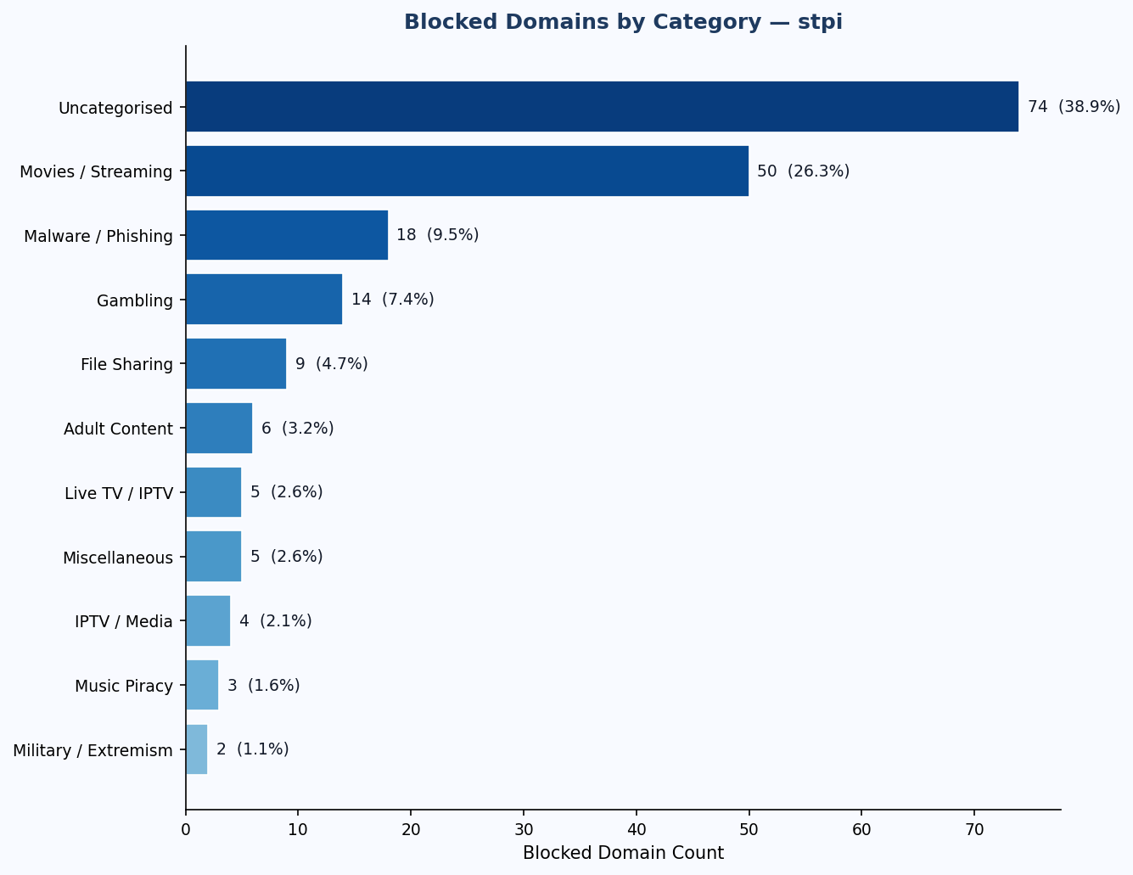
📋 Run Metadata
ISP Label | stpi
Resolver IP | 192.168.10.1
Block Signature IP | Not detected
ASN | AS7633 Software Technology Parks of India - Bangalore
Country | IN
Public IP | 203.193.130.70
Started At | 2026-03-10 13:22:31
Completed At | 2026-03-10 16:06:52
Total Domains | 43,083

🚦 Blocking Status Breakdown
Status | Count
Blocked — IP Redirect (0.0%) | 0
Blocked — NXDOMAIN (0.0%) | 1
Blocked — SERVFAIL (0.4%) | 189
Accessible (66.8%) | 28,792
Changed IP (16.6%) | 7,154
Timeout / Error (16.1%) | 6,947

⏱ DNS Response Timing
Resolver | Avg ms / Median ms
ISP (192.168.10.1) | 1054.87 ms / 280.65 ms
Control (1.1.1.1) | 408.85 ms / 196.17 ms

🗂 Blocked Domains by Category
Category | Blocked Count (% of blocked)
Uncategorised [UNCAT] | 74 (38.9%)
Movies / Streaming [MOV] | 50 (26.3%)
Malware / Phishing [MAL] | 18 (9.5%)
Gambling [GMB] | 14 (7.4%)
File Sharing [FILE] | 9 (4.7%)
Adult Content [PORN] | 6 (3.2%)
Live TV / IPTV [LIVE] | 5 (2.6%)
Miscellaneous [MISC] | 5 (2.6%)
IPTV / Media [IPTM] | 4 (2.1%)
Music Piracy [MUS] | 3 (1.6%)
Military / Extremism [MILX] | 2 (1.1%)

Cross-ISP Overlap
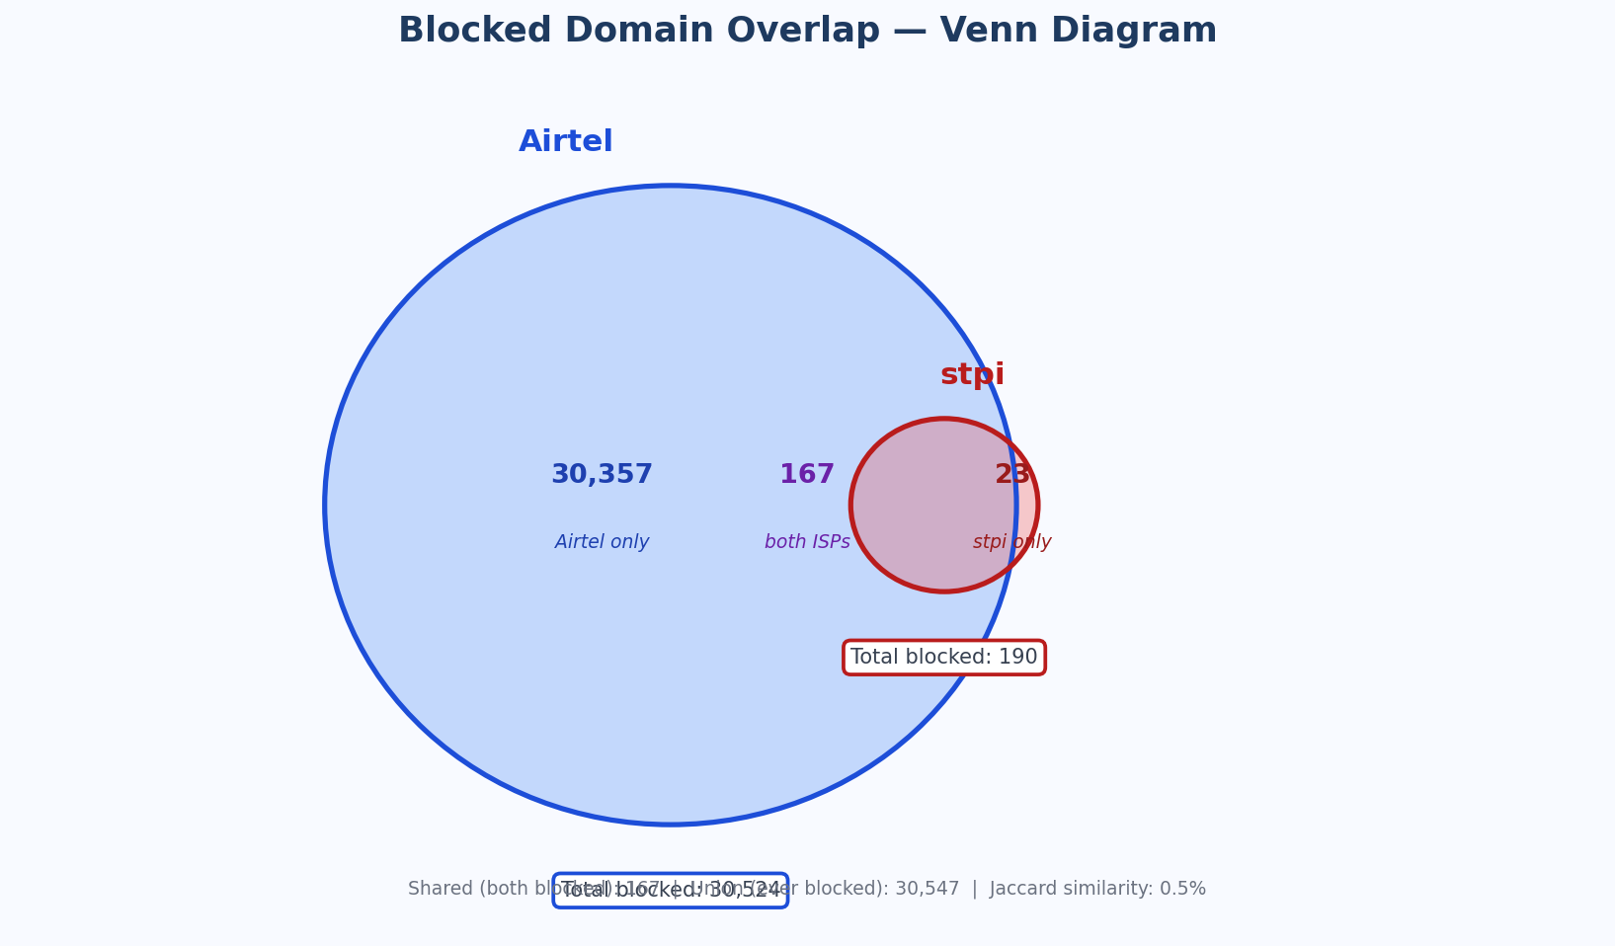
CROSS-ISP OVERLAP — Shared Blocked Domains
ISP ↓ / ISP → | Airtel | stpi
Airtel | 30,524 | 167 (0.5%)
stpi | 167 (0.5%) | 190

Diagonal = total blocked by that ISP. Off-diagonal = shared blocked count (% Jaccard index). Warmer colour = higher overlap.

Venn Diagram

