Inf. A
Influenza A [Source] (Strain) {notes}

Size

Structural proteins | Isoelectric point | Net charge (total charge) |  |  |  | Total mass |  | Each mass

Hemagglutinin |  |  |  |  |  |  | [Oxford 1981] (avg)
Neuraminidase (NA) |  |  |  |  |  |  | [Oxford 1981]
 |  |  |  |  |  |  | [Oxford 1981]

Modelling notes

AFM nanoindentation

Fit CryoEM

CG modelling instructions

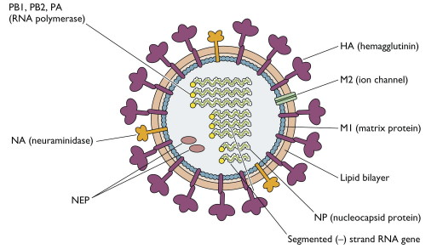

Total virus mass (kDa) - [1]Ruigrok R, Andree P, Van Huysduynen RH, Mellema J. Characterization of three highly purified influenza virus strains by electron microscopy. Journal of General Virology 1984;65:799–802. https://doi.org/10.1099/0022-1317-65-4-799.
174000

H5N1, from primary structure |  |  | (biology/data/charge) |  |  | [1]Oxford JS, Corcoran T, Hugentobler AL. Quantitative analysis of the protein composition of influenza A and B viruses using high resolution SDS polyacrylamide gels. Journal of Biological Standardization 1981;9:483–91. https://doi.org/10.1016/S0092-1157(81)80041-8. | a
 |  |  | Expected from pri. struct. | Empirical net charge |  | Varies by +- 20 % per species! Average values used.
 |  | Core/shell | Net charge each @ ph 7.0 | Net charge each @ ph 7.0 | (sources) | fraction of virus MW | MW each (kDa) | # per virion | total charge per virion
Nuclear export | PB1 | Core | 9.9592816998
 | PA |  | 4.5110127389
Non-structural protein 1 | NS | Shell? | -0.32594139776 |  |  |  | 26
Nuclear export |  |  | -3.7761619198
Matrix protein 1 |  |  | 8.1184328256 | 8 | [1]Penhoet EE. The Structure and Synthesis of Influenza Virus Phosphoproteins n.d.:9: >13 | 1? [1]Shtykova E, Dadinova L, Fedorova N, Golanikov A, Bogacheva E, Ksenofontov A, et al. Influenza virus Matrix Protein M1 preserves its conformation with pH, changing multimerization state at the priming stage due to electrostatics. Scientific Reports 2017;7. https://doi.org/10.1038/s41598-017-16986-y. | 0.367 | 27.81 | 2296 | 18639.92177
Matrix protein 2 |  |  | -5.600256261
Hemagglutinin (spike protein) |  |  | -2.8401641846 |  |  | 0.298 | 63.4 | 818 | -2323.254303 | \cite{Influenza2006} sez 350 spikes - mass must be too low
Neuraminidase |  |  | -4.1674196199 |  |  | 0.04 | 50.1 | 139 | -579.2713272
Nucleoprotein | NP |  | 13.294516478 |  |  | 0.234 | 56 | 727 | 9665.113479
Polymerase Acidic |  |  | -14.338806778 |  |  | 0.02 | 82
RNA polymerase |  |  | 21.113106976
PB2 |  |  | 19.285047678 |  |  | 0.02 | 86

Lipid membrane

 |  |  |  |  |  | 0.979
RNA genome |  |  | phosphate group, 2e- per base |  |  |  |  | 13.5 kbp | -13500
 |  |  | WRONG! t
 |  |  | inf is an ssRNA virus.
1.16 *10^7 e from Yang 2015. |  |  |  |  |  | M assumed M1 protein

Rules out any of the major structural proteins |  |  |  |  |  |  |  | Total: | 11902.50962
 |  |  |  |  |  |  |  | Core: | -3834.886521
 |  |  |  |  |  |  |  | Shell: | 16316.66746
Best case scenario, the entire virion mass / smallest protein listed * highest protein charge
3.50E+05
It is not necessarily impossible that light, highly-charged amino acids or other matter makes up the balance; that the secondary structure charge differs substantially from the predicted primary structure charge (as has occurred in the past), or that the composition of the lipid membrane
The concentration of viral particles in the sample tested by Yang could have been off by an order of magnitude,
I bet the durrant lab know

The same best-case numerology in the case of T4:
-2.53E+06
For instance, the H1N1 M1 and M2 protein primary structure predicts a charge of +8.11e+ and -5.6e- at a pH of 7, but \cite{Influenza2017a} seem to find a net charge of +1e+ for M1, and yet Privalsky and Penhoet \cite{Influenza1978} and Penhoet \cite{Structurea} find that the total M has such an extravagant charge that it runs off the end of the 2D-PAGE gel.
Aha! They only consider one M protein in that paper; whereas M1 and M2 are separate. Perhaps this is the reason for the charge
The membrane currents referred to by Adair may also contribute significantly. No data on membrane currents in viruses were found.

The whole virion is approximately zwitterionic, having roughly equal core and shell , as expected by the whole-virion isoelectric points previously obtained.

This could be a clue that something more tricky is going on than just the cracking of the
Of course, the virus is constantly subject to extreme forces due to thermal (due to brownian motion, bacteria are constantly pummeled with a force equal to their mass!)[1]Force scales at the biological level n.d. http://www.picotwist.com/index.php?content=smb&option=odg (accessed April 20, 2020).

If the entire 174 MDa was filled with Arginine, 174 Da and +1e+ charge (one free electron for every 14 carbon atoms), that would still only contribute
1.00E+06

(1e7 * electronCharge) / ((4.5e-14 m^2 * electricConstant * 60 / 30 nanometers)) -> V = 2010.57 V

Sheet2
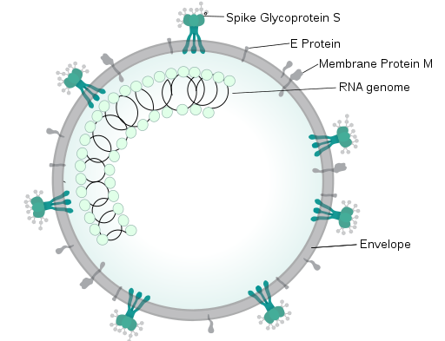
SARS-(N)CoV [Source] (Strain) {notes}

Size

Structural proteins | Location | Isoelectric point | Net charge (total charge) | Total mass | Each mass

Modelling notes

AFM nanoindentation

Fit CryoEM

CG modelling instructions

