Sheet1
BRAND | PHUNKS | LAST | AIR FORCE 1
STYLE NAME | PHUNKY PHORCE 1 | CONSTRUCTION (SOLE ) | AIR FORCE 1 - SEE REFERENCE
PROGRESS TYPE | PROTOTYPE
DATE NEEDED | ASAP |  |  | 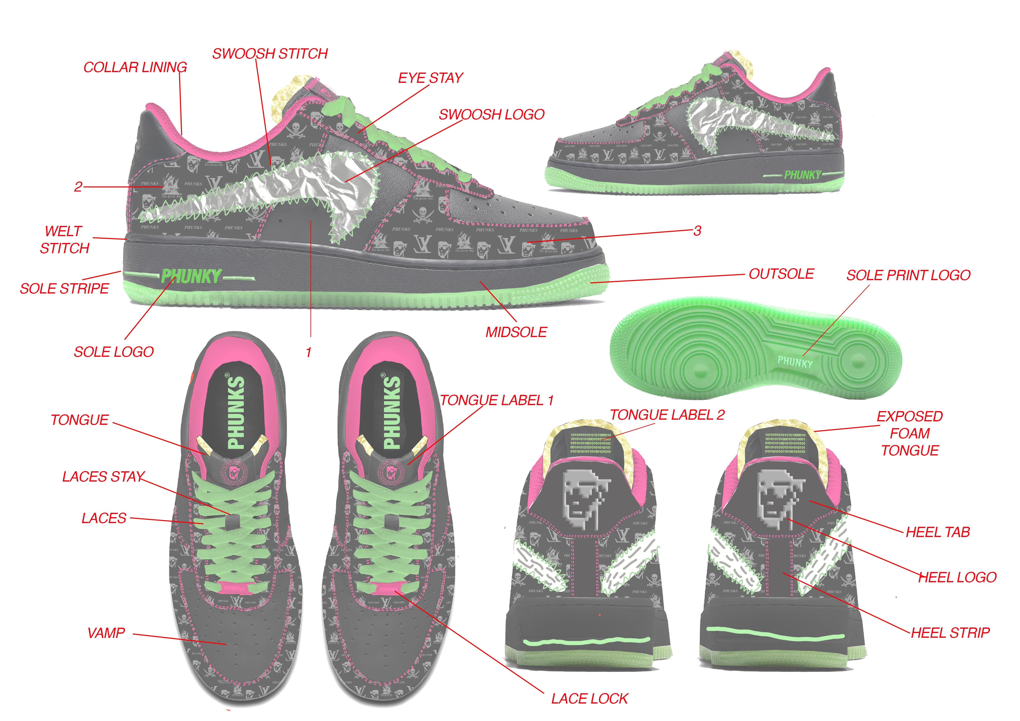
SIZE | SAMPLE SIZE

 | MATERIAL | COLOUR 1 | PRINT
1 | SPOT SUPPLIES - 53.0002 - 1.2 MM | BLACK 1
2 | SPOT SUPPLIES - 53.0002 - 1.2 MM | BLACK 1 | MONOGRAM PRINT - COOL GREY 9 C
3 | SPOT SUPPLIES - 53.0002 - 1.2 MM | BLACK 1 | MONOGRAM PRINT - COOL GREY 9 C
TONGUE | SOFT NYLON | BLACK TO MATCH
TONGUE LABEL 1 | COTTON FABRIC - EMBROIDERED LOGO | BLACK TO MATCH | 213 C LOGO EMBROIDERY
TONGUE LABEL 2 | COTTON FABRIC - EMBROIDERED LOGO | BLACK TO MATCH | 802 C BINARY LOGO EMBROIDERY
EXPOSED TONGUE | 10MM NATURAL FOAM | NATURAL
SWOOSH LOGO | SILVER LEATHER PU MATERIAL - CREASED GRAIN | SILVER METALLIC
SWOOSH STITCHING | ZIG ZAG STITCH | 802 C GREEN
EYESTAY | SPOT SUPPLIES - 53.0002 - 1.2 MM | BLACK 1 | MONOGRAM PRINT - COOL GREY 9 C
HEEL TAB | SPOT SUPPLIES - 53.0002 - 1.2 MM | BLACK 1
HEEL LOGO | DEBOSSED - PHUNK PIRATE LOGO | COOL GREY 9C
HEEL STRIP | SPOT SUPPLIES - 53.0002 - 1.2 MM | BLACK 1
LACE LOCK | PAINTED METAL - LAZER LOGO | 213 C PINK
VAMP | SPOT SUPPLIES - 53.0002 - 1.2 MM | BLACK 1
LACES | 6MM FLAT | 802 C GREEN
OUTSOLE | RB - RUBBER | 802 C GREEN
MIDSOLE | EVA - RUBBER | 433 C BLACK TO MATCH UPPER
COLLAR LINING | XINBAOTAI NEW MATERIAL CO - SZ-850 MESH | 213 C PINK
LINING | JAI JE BU | BLACK
TONGUE LINING | JAI JE BU | BLACK
SOCK | FABRIC | BLACK
SOCK LOGO | SCREEN PRINTED | 802 C GREEN
STITCHING | DOUBLE STITCH 30 GUAGE | 213 C PINK
SIZE | 1 FOOT TO INVINCIBLE, 1 FOOT STAY IN CHINA | SAMPLE SIZE MENS

NOTES:

