Sheet1
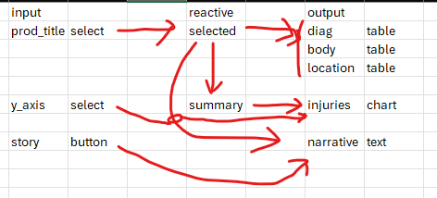
prod_title |  | y_axis |  | input |  | reactive | output
xxx |  | option 1 |  | prod_title | select | selected | diag | table
 |  |  |  |  |  |  | body | table
diag |  | body | location |  |  |  | location | table
… |  | … | …
 |  |  |  | y_axis | select | summary | injuries | chart
injuries
… |  |  |  | story | button |  | narrative | text

story | narrative
… | …

