blarcamesine
Main
 | Brand | ANAVEX2-73
 | Generic | blarcamesine
 | Indication | Alzheimer's Disease
 | MOA | SIGMAR1 agonist
 | Clinical Trials
 |  | Phase IIB/III "AVANEX2-73-AD-004" n=509 AD - NCT03790709
 |  | Initiated August 2018
 |  | Co-primary endpoint changed from ADAS-Cog+ADCS-ADL to ADAS-Cog+CDR-SB
 |  | 30mg, 50mg, placebo
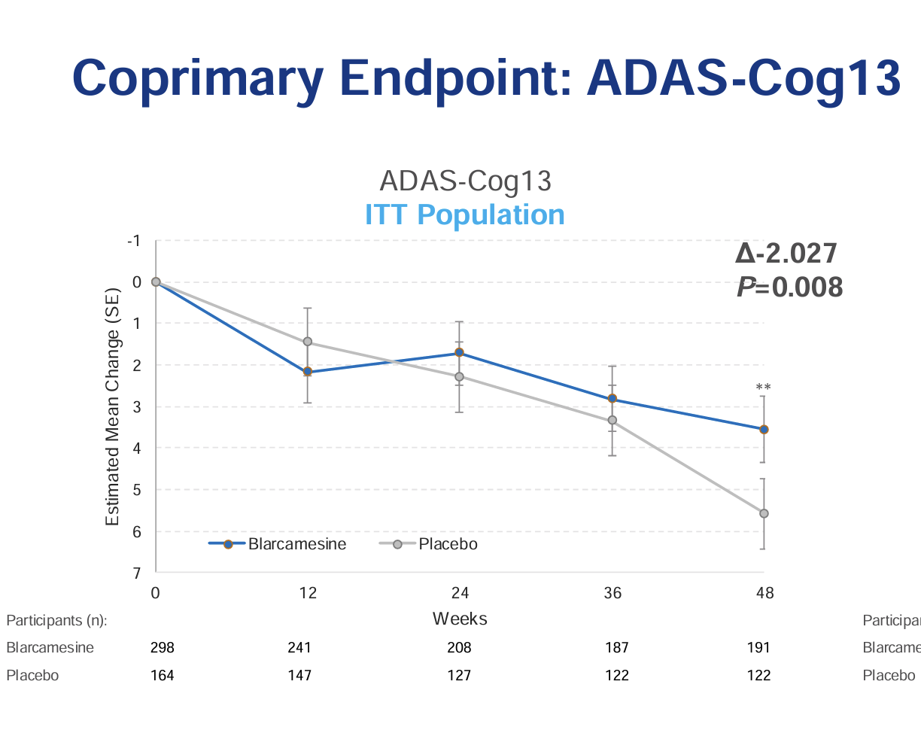
 |  | 2.027 ADAS-Cog difference

 |  | n=168, 170, 170

 |  | 298 to 191

 |  | 0.64

 |  | December 1 2022: first disclosure of data
 |  | 1.85 point change in ADAS-Cog, p=0.033, repeated by 2023 10-K
 |  | September 14 2023: second disclosure of data
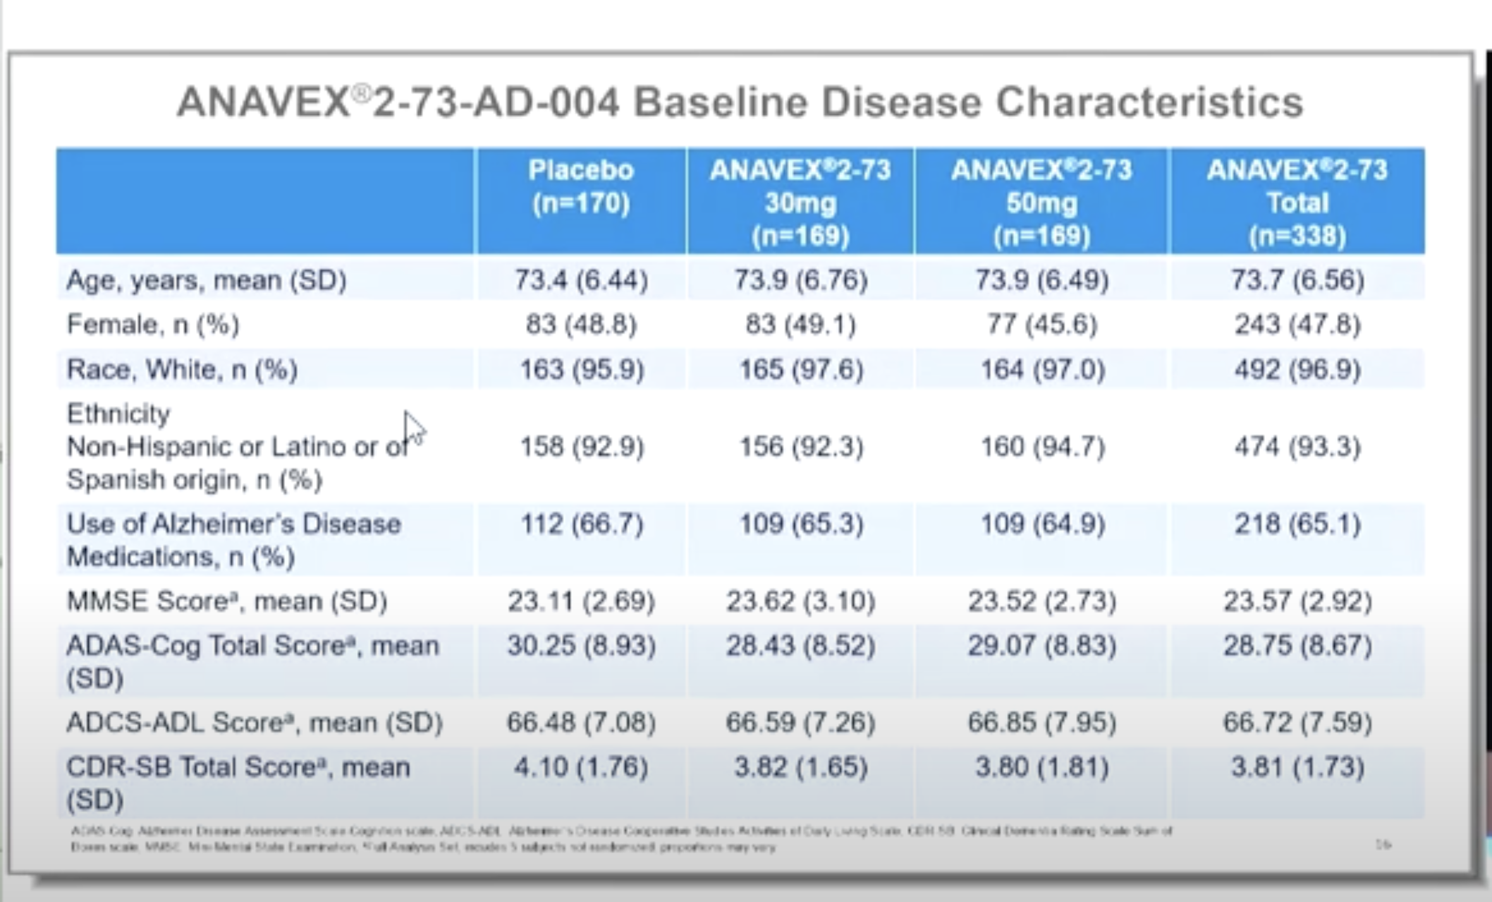

 |  | ADAS-COG | Baseline | SE | 48 weeks | SE
 | 30.25 | Placebo | 29.18 | 0.61 | 33.26 | 0.86 | 4% | 4.08
 | 28.75 | ANAVEX2-73 | 27.62 | 0.83 | 30.36 | 0.51 | 4% | 2.74
 |  | p=0.033
 |  |  |  |  |  |  |  | 1.34

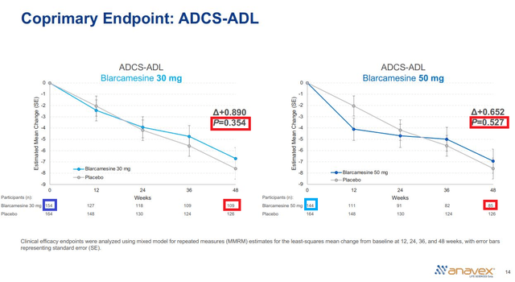
 | Phase IIa "002" n=32 AD - NCT02244541
 | 57 week study at 3 Australian sites
 | NCT02756858 extensioin study
 | 7 discontinuations

 | ANAVEX1-41 | Tetrahydro-N, N-dimethyl-5, 5-diphenyl-3-furanmethanamine
 | ANAVEX2-73 | Tetrahydro-N, N-dimethyl-2, 2-diphenyl-3-furanmethanamine
 | MK-7622 | failed at 12 weeks, M1 agonist
 | GSK1034702
 | talsaclidine
 | Lu 25-109
 | xanomeline

