belapectin
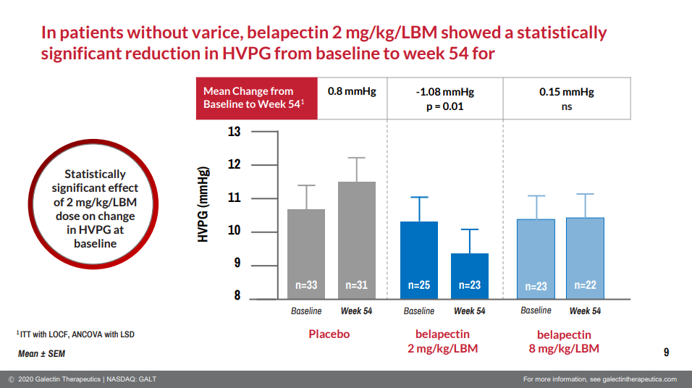
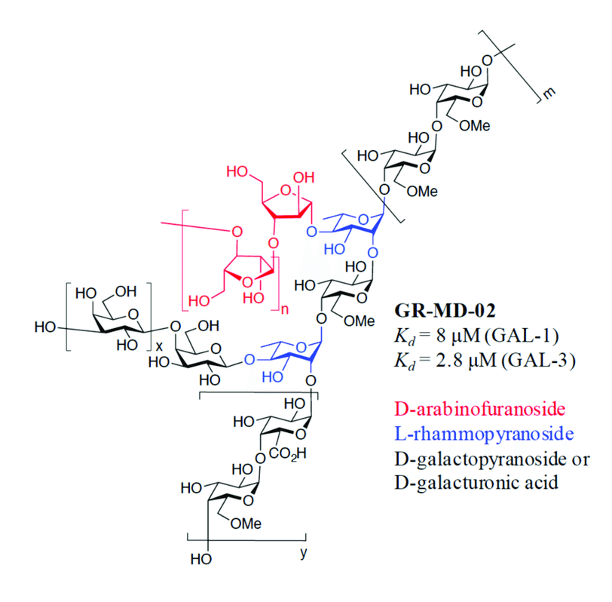
Main
 | Brand | GR-MD-02 (galactoarabino-rhamnogalacturonate)
 | Generic | belapectin
 | Indication | NASH
 | Clinical Trials
 |  | Phase II "NAVIGATE" n=357 MASH varices - NCT04365868
 |  | RESULTS DECEMBER 2024
 |  | PE: prevention of esophageal varices
 |  | 2mg/kg, 4mg/kg, placebo
 |  | LPLV+18 months

 |  | Phase II "NASH-FX" n=30

 |  | Phase II "NASH-CX" n=162 MASH+PH - Gastroenterology 2020
 |  | 2mg/kg, 8mg/kg, placebo by IV q2w
 |  | HVPG at 52 weeks primary endpoint (ANOVA), required >=6mmHg
 |  | change for placebo: 0.3mm, 2mg: -0.37, 8mg: -0.42
 |  | 0% and 4% in the 2 mg/kg LBM and the 8 mg/kg LBM, respectively) vs placebo (18%).

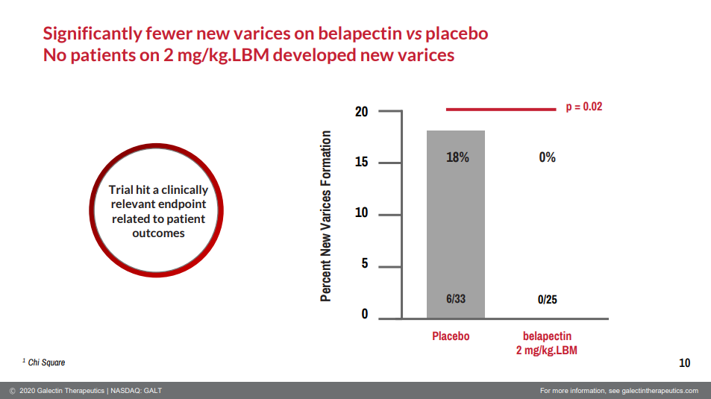
 |  | n=54 2mg/kg | -0.28 (0.49)
 |  | n=54 8mg/kg | -0.25 (0.50)
 |  | n=54 placebo | +0.10 (0.48)

