Winrevair
Main
 | Brand | Winrevair, fka MK-7962, A-011
 | Generic | sotatercept
 | Indication | PAH
 | MOA | Activin receptor IIA-Fc. Activin-A is the natural ligand for this receptor.
 |  | sotatercept binds activin A, activin B, GDF11, BMP10 in pm range
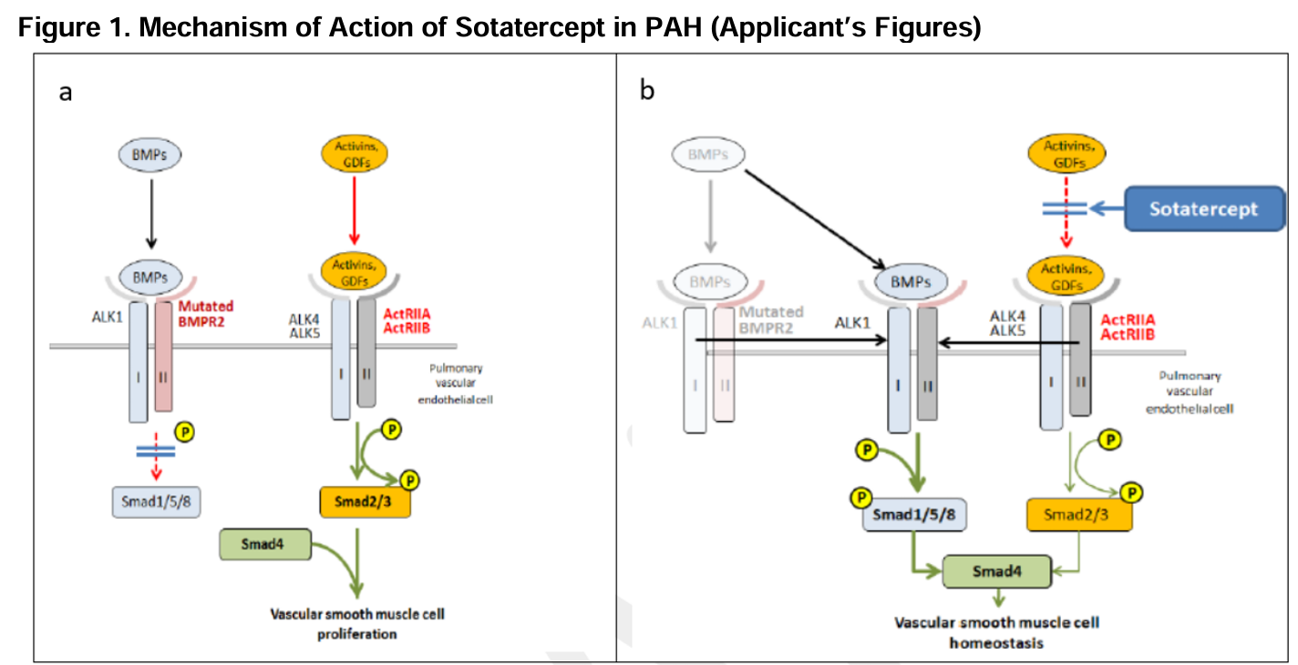
 | Regulatory | IND 1/5/2018
 |  | BLA 761363 approved 3/26/2024
 | Safety | hemoglobin increases
 | Competition | Opsumit 2.2B, Uptravi 1.8B
 | Clinical Trials
 |  | Phase III "STELLAR" n=323
 |  | 40.1 6MW vs. -1.4 for placebo

 |  | Phase II "PULSAR" n=106
 |  | 0.3mg, 0.7mg/kg
 |  | PVR: -151 and -269
 |  | 6MW: 24.6 and 22.3
 |  | Hgb: 1.2 and 1.5g/dL

 |  | Phase III "SOTERIA" n=403

 |  | Phase II "SPECTRA" n=21

Lynparza
Main
 | Brand | Lynparza, fka AZD2281
 | Generic | olaparib
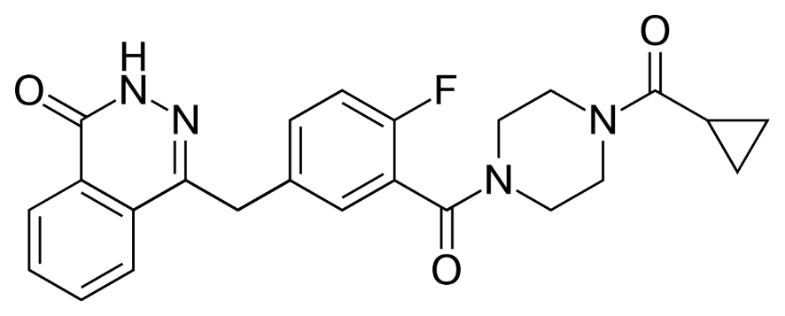
 | MOA | PARP1 inhibitor. Also inhibits PARP2, PARP3
 | Indication | aOC, mCRPC, pancreatic, mBC
 | Economics | AZN. Originally from KuDOS, acquired by AZN in 2006
 | PK | LogP=1.9, MW=434, HBD=1, HBA=5, RB=4, TPSA=82. Capsule discontinued, Tablet replaced
 | IP | 7151102 first patent doesn't correspond to structure, expired
 |  | 7449464 expires 2024
 |  | 8071579 expires 2027, MOU patent
 |  | 8143241 expires 2027, MOU patent
 |  | 8475842 expires 2029, formulation patent
 |  | 8859562 expires 2031, ridiculous claim
 |  | 11633396
 |  | Sandoz, Natco, Cipla generics
 |  | Natco filed ANDA 218044 12/28/2022 (23-796 NJ district), 3:24-cv-10624-RK-TJB, consolidated under 3:23796
 |  | Docket active as of 1/22/2025.
 | Clinical Trials
 |  | Phase III SOLO-2 - NCT01874353

 |  | Phase III POLO

 |  | Phase III "SOLO-1" n=391 1L aOC BRCA+ in PR/CR - NEJM 2018, NCT01844986
 |  | HR=0.30 TTP/OS

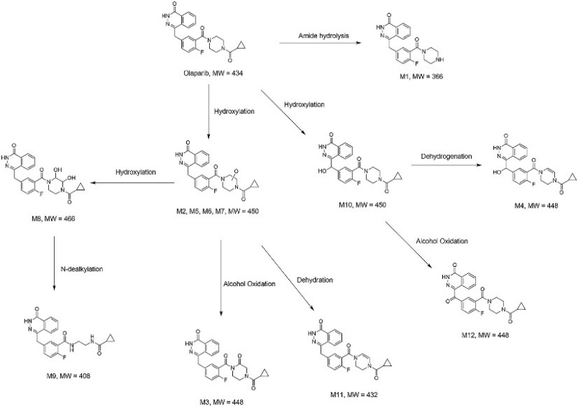
 |  | Phase III "PROpel" 1L CRPC abiraterone+-olaparib - NEJM 2022, NCT03732820
 |  | mibPFS HR=0.66, OS=0.86 (p=0.29 immature)
 |  | 24.8 months vs. 16.6 months mibPFS

