AlloNK
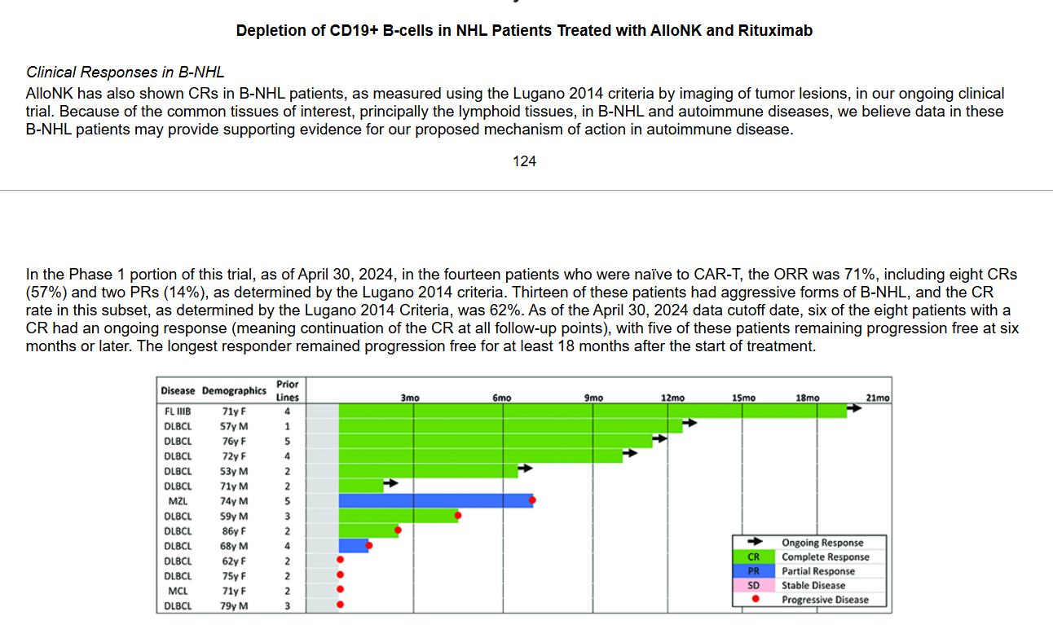
Main
 | Brand | AlloNK
 | Clinical Trials

