Carvykti
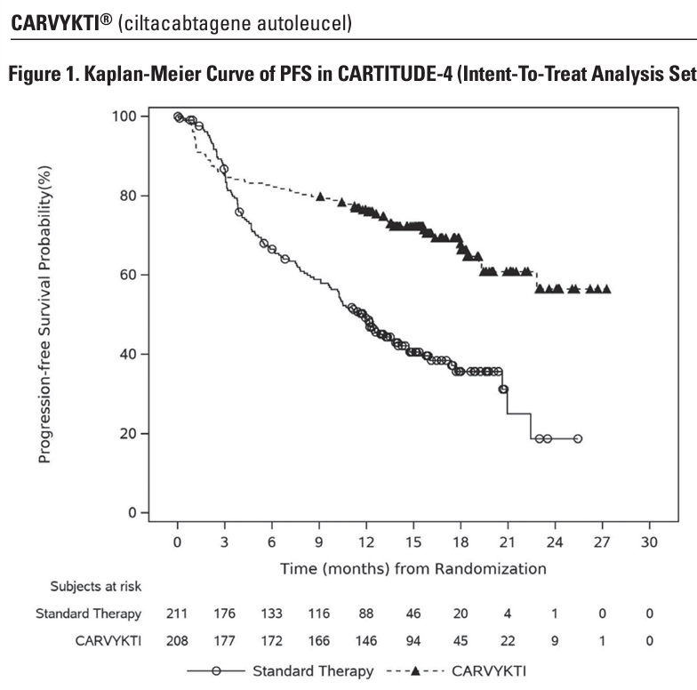
Main
 | Brand | Carvykti
 | Generic
 | Indication | 2L+ Multiple Myeloma
 |  | MM has a 32,258 incidence in US (13,067 mortality)
 | Competition | Abecma
 | MOA | BCMA CART
 | Regulatory | FDA approval 2022
 | Administration | Lymphodepletion with cyclophosphamide + fludaribine.
 | Economics | 50-50 in US, 50-50 in Europe, 70-30 in China, 50-50 Japan
 | Pricing | $465,000, but realized price $279,000
 | Clinical Trials

 |  | CARTITUDE-1 - NCT03548207
 |  | CARTITUDE-2 - NCT04133636
 |  | CARTIFAN-1

 |  | CARTITUDE-4 n=409 - NCT04181827
 |  | PFS HR=0.41, p<0.0001 (>28 months vs. 12 months for standard therapy)
 |  | CR 74% vs. 22.3%
 |  | OS HR=0.55, p<0.0009 (76% vs. 64% at 30 months)

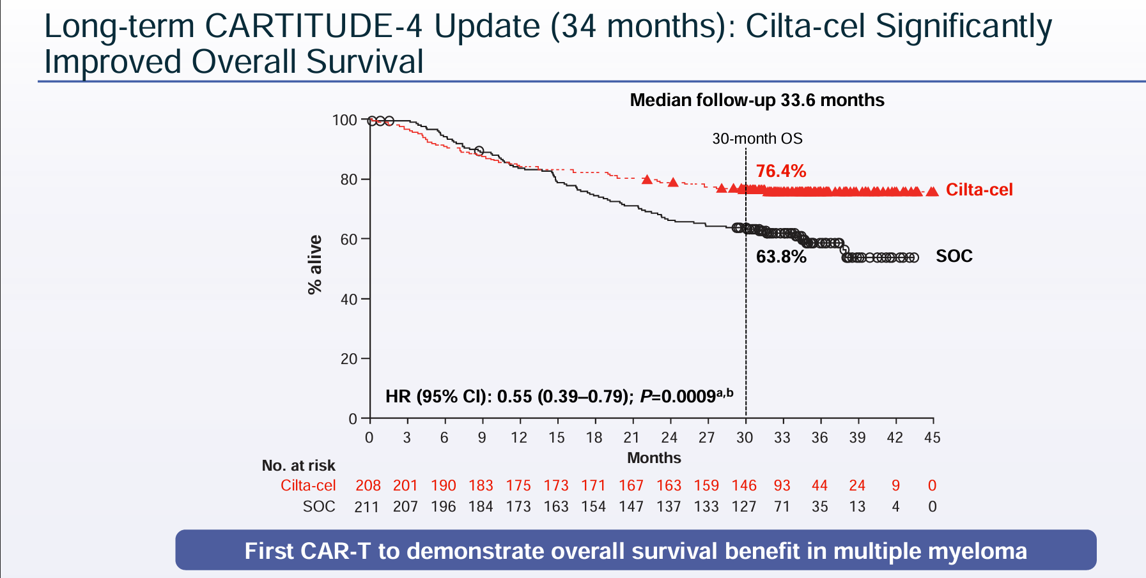
 |  | CARTITUDE-5 - NCT04923893

 |  | CARTITUDE-6 - NCT05257083

 |  | LEGEND-2 - NCT03090659

