Model
Main
 | Brand | NMRA-140, BTRX-335140, CYM-53093
 | Generic | navacaprant
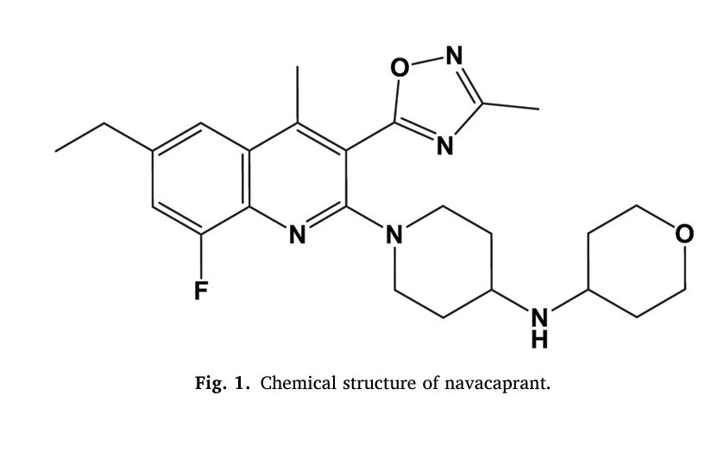
 | Indication | MDD
 | MOA | Kappa antagonist
 | Origin | TSRI
 | Competition | aticaprant (LY2456302, CERC-501) - J&J
 | Clinical Trials
 |  | Phase III "KOASTAL-1"

