galinpepimut-S
Main
 | Brand | galinpepimut-S
 | Indication | ML
 | Clinical Trials
 |  | Phase III open-label "REGAL" Galinpepimut-S vs. BAT for Maintenance n=127 AML CR2/​CRp2 - NCT04229979
 |  | 60 events for interim analysis, 80 for final
 |  | enrollment complete as of March 26 2024 - 1/8/2020 enrollment began
 |  | PE: OS
 |  | March 1 2024: 66 patients dead, 123 enrolled

 |  | Interim Analysis of Phase 3 REGAL Study of Galinpepimut-S in Patients with Acute Myeloid Leukemia Expected in First Quarter 2024
 |  | Our independent data monitoring committee will meet again in Q3, and we currently expect the interim analysis for our Phase 3 REGAL study by the end of this year or early 2024.
 |  | Approximately 125 -140 patients will enroll, in a 1:1 ratio, to provide at least 90% power under an assumed hazard ratio of 0.636, based on median OS of 8.0 m (BAT) and 12.6m (GPS)
 |  | Background: Patients with relapse/refractory (r/r) AML have poor outcomes. Allogeneic stem cell transplantation (allo-SCT) can potentially cure some patients with r/r AML who achieve second CR (CR2). However, barriers to transplantation such as advanced age, poor functional status/comorbidities or lack of donor exist and not all patients are able to proceed to allo-SCT. Therefore, novel strategies to decrease relapse risk in these patients are urgently needed. A National Cancer Institute consensus study on prioritization of cancer antigens ranked the Wilms tumor 1 (WT1) protein as the top immunotherapy target in cancer. WT1 has emerged as an encouraging vaccine target in AML due to its overexpression in leukemic blasts. Maintenance therapy with Galinpepimut-S (GPS), a multivalent heteroclitic WT1 peptide vaccine, has shown promising activity in patients with AML by inducing a strong innate immune response (CD4+/CD8+) against the WT1 antigen and across a broad range of HLA types. Methods: This is an open-label, multicenter, randomized, phase III study of GPS vs. BAT in patients with AML in CR2/CRp2 (CR2 with incomplete platelet recovery). BAT may include observation, low dose cytarabine and hypomethylating agents +/- venetoclax. The primary endpoint of the study is overall survival (OS). Secondary endpoints include safety and tolerability of GPS and leukemia-free survival. Exploratory endpoints include WT1-specific immune response dynamics in blood and bone marrow. Approximately 125 - 140 patients will enroll, in a 1:1 ratio, to provide at least 90% power under an assumed hazard ratio of 0.52, based on median OS of 8.0 m (BAT) and 15.4m (GPS). Randomization will be stratified by duration of CR1 ( < 12m vs. ≥12m), Cytogenetics (poor-risk vs. all other), CR2 vs. CRp2 and measurable residual disease (MRD) after CR2 (MRD- vs. MRD+). Inclusion criteria consists of willing subjects ≥18y with AML within 6m of achieving CR2/CRp2, ineligible for allo-SCT due to any reason,

 | Abstract | Approximately 125 - 140 patients will enroll, in a 1:1 ratio, to provide at least 90% power under an assumed hazard ratio of 0.52, based on median OS of 8.0 m (BAT) and 15.4m (GPS).
 | ASCO | Approximately 125 -140 patients will enroll, in a 1:1 ratio, to provide at least 90% power under an assumed hazard ratio of 0.636, based on median OS of 8.0 m (BAT) and 12.6m (GPS). |  |  | MOSAIC THEORY
 |  |  | Drug | Control | Drug | Control
 |  | Omer Hassan Jamy (1. University of Alabama at Birmingham, Birmingham, AL) 205-801-9034 call the bama girl fly her to NYC - she thicc (African American)
 |  | Sharif S. Khan (Bon Secours St Francis Health System, Greenville, SC) 864-603-6300
 |  | Panagiotis Tsirigotis3 (University General Hospital Attikon, Chaidari, Greece)
 |  | Benjamin Kent Tomlinson4, ; 4. University Hospitals Seidman Cancer Center, Cleveland, OH
 |  | Mathilde Hunault-Berger5 (5. CHU Angers, Angers, France)
 |  | Uwe Platzbecker6 (6. University HospitalLeipzig, Leipzig, Germany) | 10 | 11 | 15 | 10
 |  | IoannaSakellari7 (7. General Hospital of Thessaloniki “G. Papanikolaou, Pilea Chortiatis, Greece)
 |  | Ana Vidovic8 (8. University Clinical Center of Serbia, Belgrade, Serbia)
 |  | Pau Montesinos9 (9. Hospital Universitario y PolitecnicoLa Fe, Valencia, Spain;) | 3 | 2 | 15 | 10
 |  | Teresa Bernal del Castillo10 (10. Hospital Universitario Central de Asturias, Asturias, Spain)
 |  | Daniel Egan11 (11. University of Washington MedicalCenter, Seattle, WA)
 |  | Hana Safah12 (12. Tulane Cancer Center, New Orleans, LA)
 |  | Gary J. Schiller13 (13. Department of Microbiology, Immunology and Molecular Genetics, David Geffen School of Medicine at UCLA, Los Angeles, CA)
 |  | Mathias Haenel14 (14. KlinikumChemnitz gGmbH, Chemnitz, Germany)
 |  | Agata Obara15 (15. SwietokrzyskieCentrum Onkologii, Kielce, Poland)
 |  | Tsung-ChihChen16 (16. Taichung Veterans General Hospital, Taichung City, Taiwan)
 |  | Marcello Rotta17 (17. Colorado Blood Cancer Institute, Denver,CO)
 |  | StavroulaGiannouli18 (18. HippokrationGeneral Hospital, Athina, Greece)
 |  | Aleksandar Savic19 (19. Clinical Centre of Vojvodina, Novi Sad, Serbia)

 |  | Phase 3 REGAL Study of Galinpepimut-S in Patients with Acute Myeloid Leukemia on Track for Interim Analysis by Late 2023/Early 2024
 |  | SELLAS expects an interim analysis for safety and futility in the fourth quarter of 2021.
 |  | Phase 3 REGAL study in acute myeloid leukemia (AML): Enrollment continued in the global Phase 3 REGAL registrational clinical trial in patients with AML who have achieved complete remission following second-line salvage therapy (CR2 patients). SELLAS announced in November that the REGAL clinical trial protocol and statistical analysis plan were revised to adjust for higher-than-expected overall survival observed in blinded pooled patient data

 |  | SAP modified 11/14/22

 |  | https://ir.sellaslifesciences.com/news/News-Details/2014/SELLAS-Life-Sciences-Group-Signs-Exclusive-License-Agreement-for-Global-Rights-on-Development-and-Commercialization-of-WT1-Cancer-Vaccine-with-Memorial-Sloan-Kettering-Cancer-Center/default.aspx

 |  | https://www.tesble.com/10.1038/sj.leu.2403186
 |  | monotherapy CR

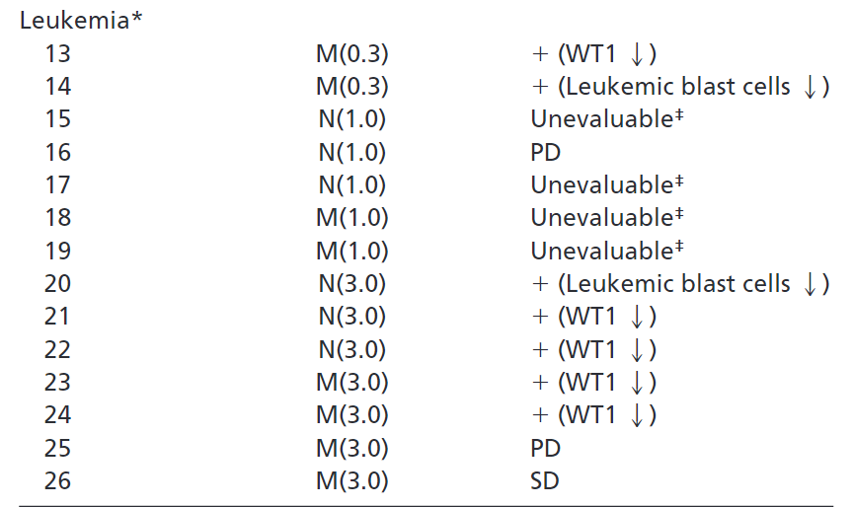
 |  | Phase I Osaka protocol
 |  | mixed results

 |  | German group - low efficacy

 |  | Phase I FIH
 |  | https://watermark.silverchair.com/zh802810000171.pdf

 |  | n=10 AML good results
 |  | https://pubmed.ncbi.nlm.nih.gov/20631300/

 |  | British Group
 |  | https://www.ncbi.nlm.nih.gov/pmc/articles/PMC4253125/pdf/bjh0164-0366.pdf

 |  | Phase I random underwhelming study
 |  | https://pubmed.ncbi.nlm.nih.gov/25802083/

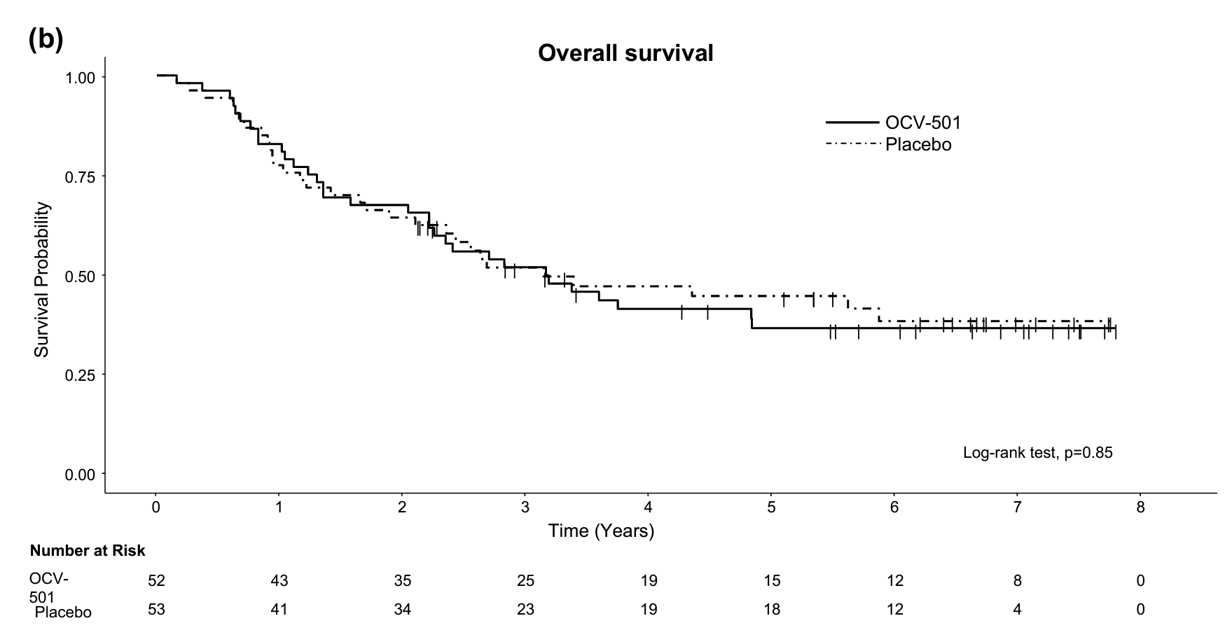
 |  | OCV-501 n=9 AML - OCV-501, a tumor vaccine, is an HLA class II-binding polypeptide consisting of 16 amino acid residues derived from WT1 protein
 |  | Phase II n=100 https://www.ncbi.nlm.nih.gov/pmc/articles/PMC10123586/pdf/262_2023_Article_3432.pdf
 |  | 36% DFS vs. 34% for placebo p=0.74 Median DFS was 12.1 and 8.4 months in the OCV-501 and placebo groups, respectively, without a significant difference.
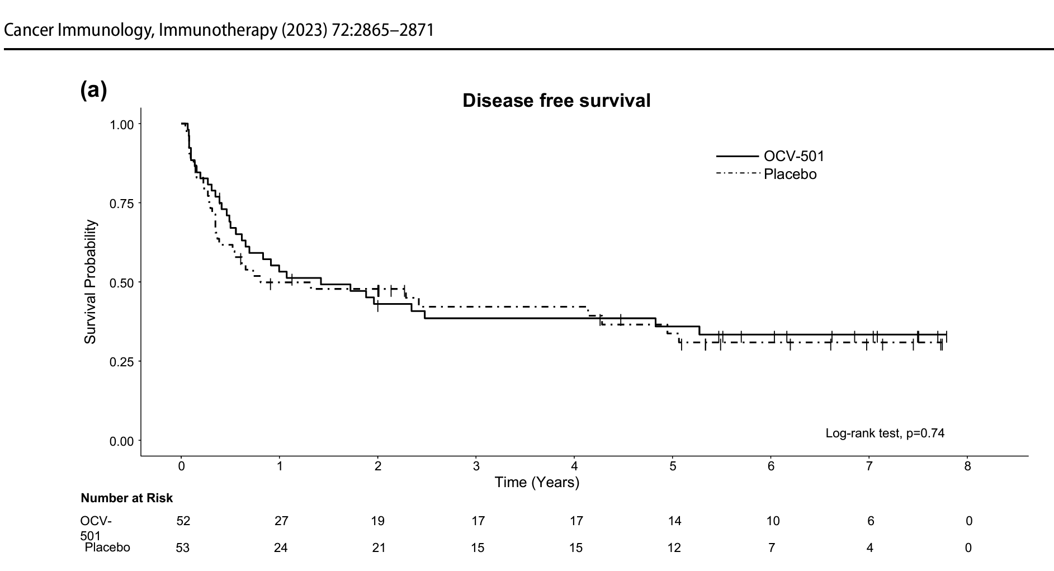
 |  | CR1

 |  | Phase II german DC vaccine n=30 AML
 |  | https://www.ncbi.nlm.nih.gov/pmc/articles/PMC5649080/
 |  | CR1 either 56.1mo OS or 41.8mo OS

 |  | WT4869 - Sumitomo WT vaccine JapicCTI-101374. MDS

 |  | Phase II MPM https://pubmed.ncbi.nlm.nih.gov/28972039/ - NCT01266083
 |  | 7.4mo PFS vs. 10.1mo for drug
 |  | CR1 68 month OS
 |  | https://watermark.silverchair.com/advances014175.pdf

 |  | Phase II London
 |  | https://onlinelibrary.wiley.com/doi/full/10.1111/bjh.14768?sid=nlm%3Apubmed
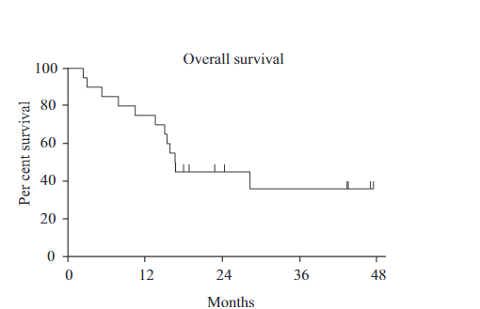

 |  | WT1 TCR gene therapy - https://pubmed.ncbi.nlm.nih.gov/31235963/
 |  | RFS 100% at median 44 months

 |  | DSP-7888 - ombipepmut-S
 |  | Phase I NCT02498665
 |  | Phase I/II MDS - https://pubmed.ncbi.nlm.nih.gov/34932235/

 |  | WT2725 - Phase I https://pubmed.ncbi.nlm.nih.gov/34785698/ - Sumitomo

 |  | Phase I - https://www.ncbi.nlm.nih.gov/pmc/articles/PMC4617516/pdf/nihms725317.pdf
 |  | n=14, mOS 608days - 20 months
 |  | CR2 subset mOS 495 days - 16.5 months
 |  | Very low baseline blasts, possibly positive prognosis bias, not sure if this is clinical material
 |  | Patients screened for WT1 immune response?

Literature
Main
 | WT-1 is Required for Early Kidney Development. Kreidberg et al. Cell 1993.
 | Tumor suppressor gene was known by 1993.
 | Expressed in mesenchymal cells of the metanephros
 | Germline WT1 mutations are associated with Wilms' tumor, and urogenital malformations.
 |  | Heterozygous people have cryptorchidism, hypospadias (misplaced urethra)
 | ZFD, four alternative splicing transcripts

 | Alternative splicing and genomic structure of the Wilms tumorgene WT1. Haber et al. PNAS 1991
 | 11p13 locus, highly expressed in developing kidney. Suggested protein structure is 45-49kDa TF.

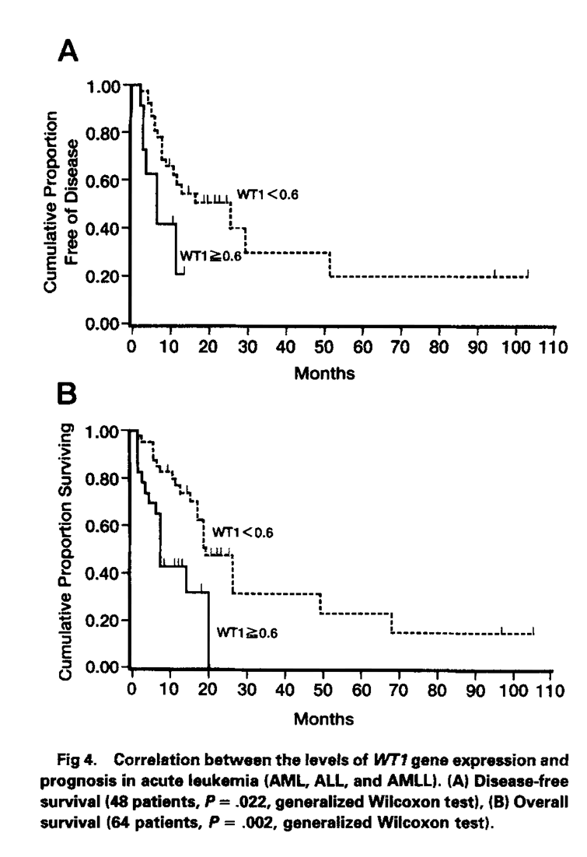
 | WT1 as a new Prognostic Factor and a New Marker for the Detection of MRD in Acute Leukemia. Inoue et al. Blood 1994.
 | Wilms Tumor requires inactivation of both alleles of WT1
 | Transcription represser when bound to EGR-1 site, represses IGF2 gene
 | Osaka group n=45 AML showing <0.6 copies fared better than >0.6

