Model
Main
 | Brand | NMRA-140, BTRX-335140, CYM-53093
 | Generic | navacaprant
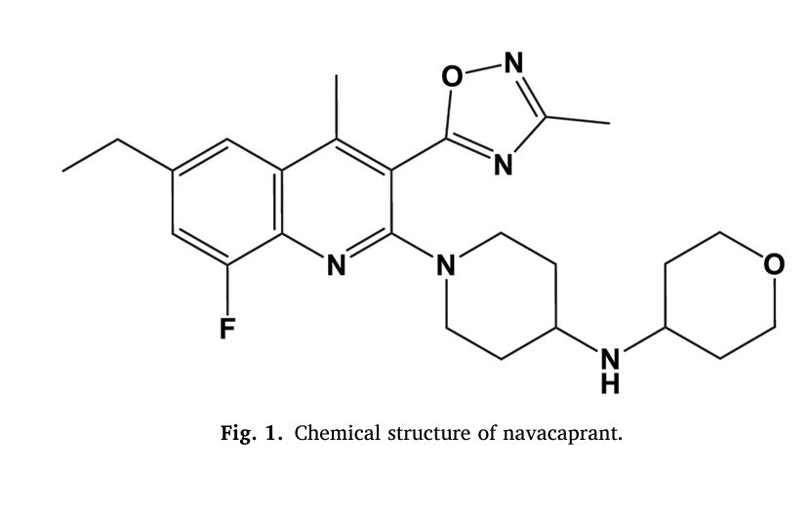
 | Indication | MDD
 | MOA | Kappa antagonist
 | Origin | TSRI
 | Competition | aticaprant (LY2456302, CERC-501) - J&J
 | Clinical Trials
 |  | Phase III "KOASTAL-1"

navacaprant
Main
 | Brand | BTRX-335140, NMRA-335140, CYM-53093
 | Generic | navacaprant
 | MOA | KOR antagonist
 | ADME | LogP ~ 4
 | SMILES | CCC1=CC2=C(C(=C(N=C2C(=C1)F)N3CCC(CC3)NC4CCOCC4)C5=NC(=NO5)C)C.Cl
 | IUPAC | 1-[6-ethyl-8-fluoro-4-methyl-3-(3-methyl-1,2,4-oxadiazol-5-yl)quinolin-2-yl]-N-(oxan-4-yl)piperidin-4-amine;hydrochloride
 | MW | 490
 | Competition | aticaprant (JNJ)
 | Clinical Trials
 |  | Phase II n=171 MDD NCT04221230
 |  | n=100 moderate-to-severe subgroup
 |  |  | HAMD-17 -3.0 vs placebo at week 4, -2.8 at week 8 (LSMD, p=0.015, p=0.037)
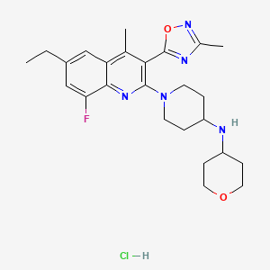
 |  | n=171 ITT?
 |  |  | HAMD-17 2.7 vs. placebo at week 4, 1.7 at week 8 (0.121)

