Phase 2
Main
 |  | Placebo | 50mg | 100mg
 | Day 28 (BURNS' VERSION) | -1.5 | -5.7 | -4.5
 | Day 28 (REAL DATA) | -3.4 | -2.8 | -0.1

simufilam
Main
 | Brand | PTI-125
 | Generic | simufilam
 | Molecule | logP = 1.1
 | Indication | Alzheimer's
 | PK | T1/2=4 hours, Cmax 1100ng/mL, 0.6 CSF ratio
 |  | 10.31 | 100mL | 1031.25
 | IP | EP2488177A1, WO2010051476, US73231187 |  |  |  |  |  |  |  |  |  | 50 | mg
 | Clinical Trials |  |  |  |  |  |  | Mild |  | Moderate |  | 50000 | ug
 |  | Phase IIb n=60 mild-to-moderate |  |  |  |  |  | Placebo | Simufilam | Placebo | Simufilam | 50000000 | ng
 |  | 50mg bid, 100mg bid, placebo |  |  |  |  | CWS | 36 | 39 | 41 | 39 | 35% | plasma
 |  |  |  |  |  |  | ADAS-Cog11 Mean | 11 | 11.2 | 31.5 | 27.9 | 17500000 | unbound/free concentration
 |  |  |  |  |  |  | Range | 3-24 | 1-28 | 12-64 | 14-56 | 50% | brain concentration
 |  | Phase III "RETHINK-ALZ" - n=804 Alzheimer's 52 weeks - NCT04994483 |  |  |  |  | MMSE Mean | 25.1 | 25.3 | 14.4 | 15.2 | 8750000 | ng
 |  | 100mg BID vs placebo. data by YE24 |  |  |  |  | Range | 21-30 | 21-30 | 5-20 | 4-20 | 8750 | ug
 |  |  |  |  |  |  |  |  |  |  |  | 1250 | ml - volume of brain
 |  |  |  |  |  |  |  |  |  |  |  | 300 | ml - volume of brain vasculature
 |  | Phase III "REFOCUS-ALZ" n=1100 Alzheimer's 76 weeks - NCT05026177 |  |  |  |  |  |  |  |  |  | 0.01 | affinity nM
 |  | 50mg bid, 100mg bid, placebo |  |  |  |  |  |  |  |  |  | 259.35 | g/mol
 |  |  |  |  |  |  |  |  |  |  |  | 259350 | mg/mol
 |  |  |  |  |  |  | Pre-CWS | Mild | Moderate |  |  | 259350000 | ug/mol
 |  | Phase II n=220 - NCT04388254 |  |  |  |  | n | 133 | 83 |  |  | 0.000034 | umol simufilam
 |  | First posted: 5/11/2020 |  |  |  |  | ADAS-Cog11 Mean | 15 | 25.7 |  |  | 0.0000000337 | nmol simufilam
 |  | n=157? |  |  |  |  | ADAS-Cog11 Range | 3-33 | 5-52 |  |  | 33.74
 |  |  |  |  |  |  | MMSE Mean | 23.8 | 17.8 |  |  | 25.00 | T 1/2 = 4 hours
 |  | 6 month change ADAS-Cog |  |  |  |  | MMSE Range | 21-30 | 10-20
 |  | 100mg (n=78) -0.9 - NOT STATISTICALLY SIGNIFICANT |  |  |  | 0.6
 |  | placebo (n=77) -1.5 |  |  |  |  | Randomized | 157
 |  | Simufilam | 19.3 | 18.4 | -4.7% | 0.9 | Full Analysis Set | 155
 |  | Placebo | 21.9 | 20.4 | -6.8% | 1.5 | Completers | 133
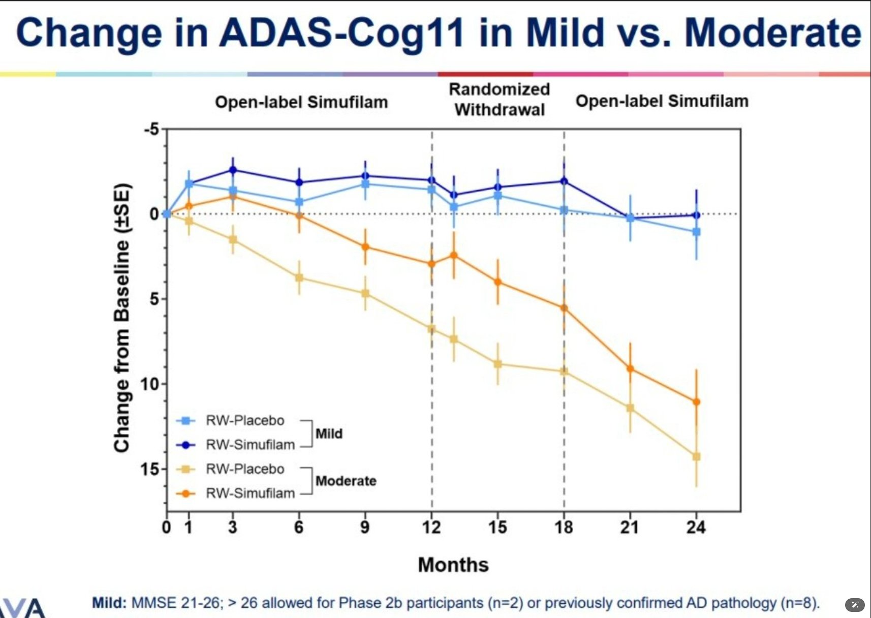
 |  | https://cdn.clinicaltrials.gov/large-docs/03/NCT04079803/Prot_000.pdf

 |  | TRAILBLAZR - donanemab
 |  | 27.6 mean combined cohort baseline
 |  | https://www.nejm.org/doi/full/10.1056/NEJMoa2100708

 |  | Dimebon Phase II n=183
 |  | https://www.thelancet.com/journals/lancet/article/PIIS0140-6736(08)61074-0/abstract
 |  | Treatment with dimebon resulted in significant benefits in ADAS-cog compared with placebo (ITT-LOCF) at week 26
 |  | (mean drug-placebo difference −4·0 [95% CI −5·73 to −2·28]; p<0·0001

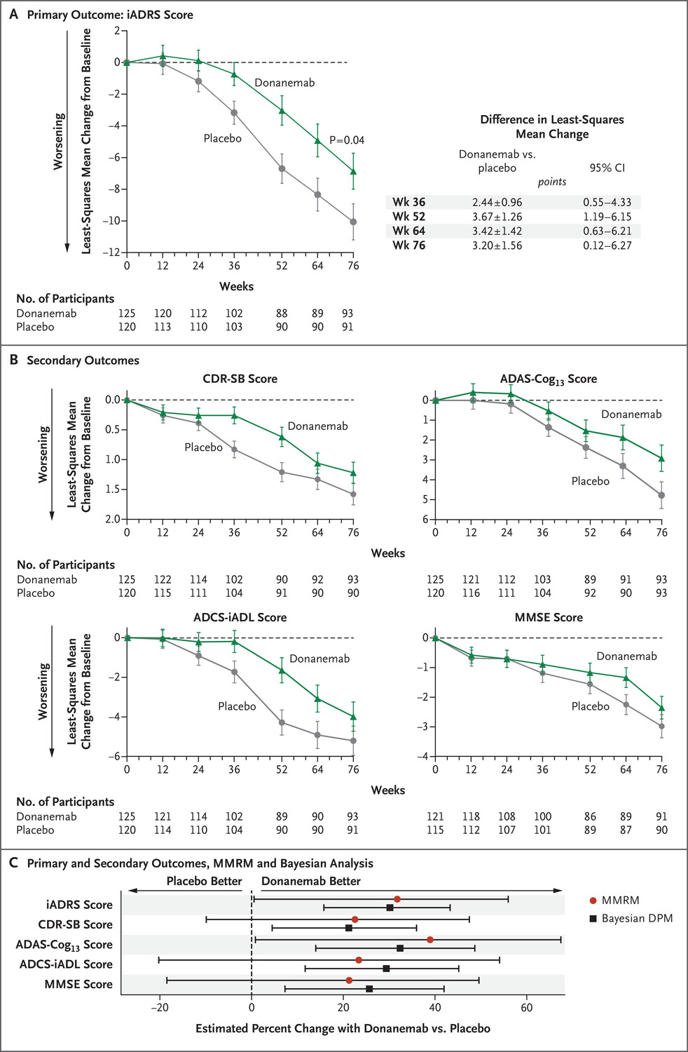
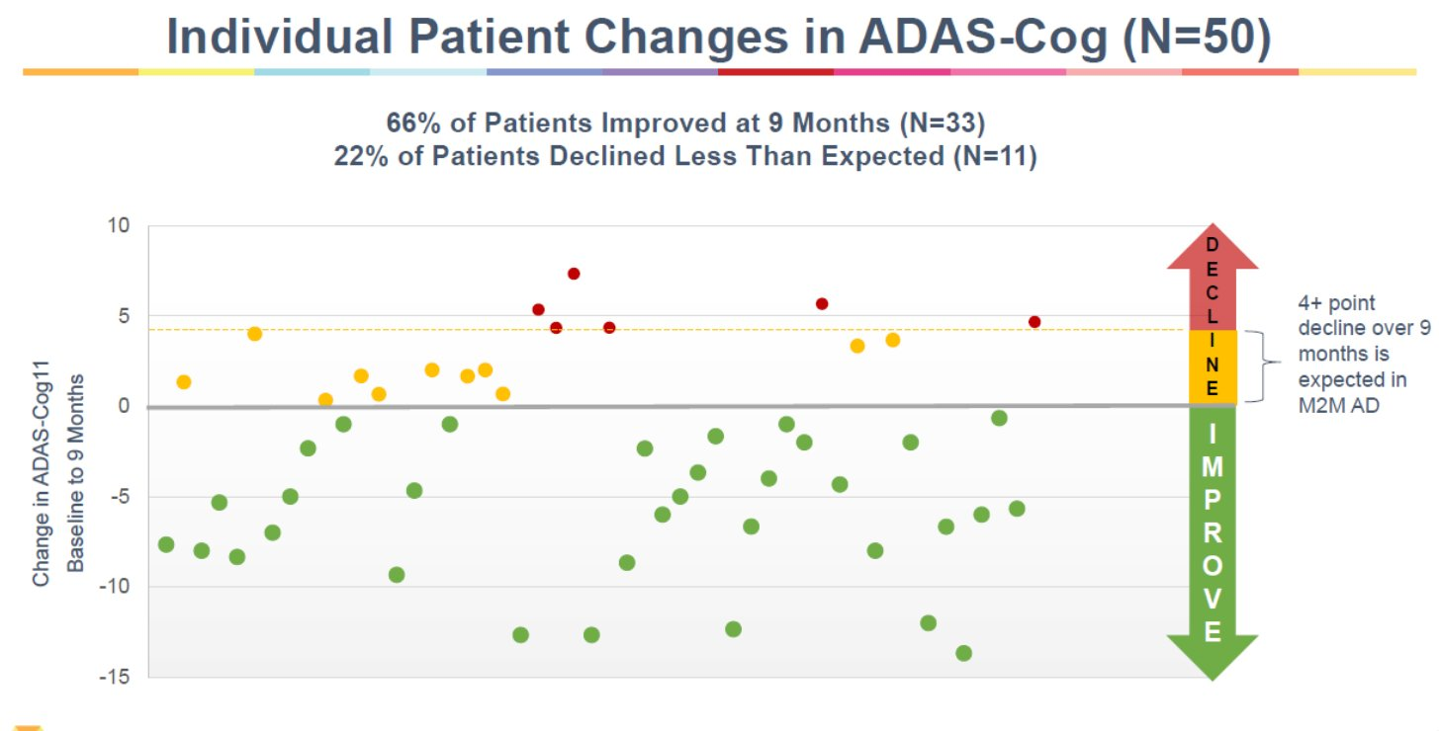

 |  | 2023 - Simufilam Reverses Aberrant Receptor Interactions of Filamin A in Alzheimer’s Disease
 |  | FRET study

 |  | 2012 - First preclinical paper - Reducing Amyloid-Related Alzheimer’s Disease Pathogenesis by a Small Molecule Targeting Filamin A - Hoau-Yan Wang et al.
 |  | https://www.ncbi.nlm.nih.gov/pmc/articles/PMC6621293/pdf/zns9773.pdf

 |  | Stossel T, Condeelis J, Cooley L, HartwigJ, NoegelA,SchleicherM,ShapiroS (2001) Filamins as integrators of cell mechanics and signalling. Nat Rev Mol Cell Biol 2:138–145

 |  | 2008 - High-Affinity Naloxone Binding to Filamin A Prevents Mu Opioid Receptor–Gs Coupling Underlying Opioid Tolerance and Dependence - Hoau-Yan Wang et al., retracted
 |  | Purports that naloxone binds filamin A with 200x affinity vs. MOR
 |  | https://www.ncbi.nlm.nih.gov/pmc/articles/PMC2212716/

 |  | 2010 - PTI-609: a novel analgesic that binds filamin A to control opioid signaling

 |  | https://clinicaltrials.gov/study/NCT03748706
 |  | https://reporter.nih.gov/search/CIo6aSQ6a0K-2obP5mPCyA/project-details/9828895
 |  | https://www.sec.gov/ix?doc=/Archives/edgar/data/1069530/000117184322005276/f8k_080222.htm
 |  | https://www.sec.gov/ix?doc=/Archives/edgar/data/1069530/000106953022000046/sava-20220922x8k.htm
 |  | PTI-125 binds and reverses an altered conformation of filamin A to reduce Alzheimer's disease pathogenesis
 |  | https://pubmed.ncbi.nlm.nih.gov/22815492/

 |  | Cortexzyme
 |  | Athira

AB
Main
 | Name | amyloid beta
 | Discovery | 1982 - Selkoe
 | Relevance | Highly implicated in Alzheimer's and Downs. Primary component of neuritic plaques.
 | Gene | APP (beta-amyloid precursor protein), chromosome 21
 |  | Mutations in APP can cause hereditary cerebral hemorrhage with amyloidosis
 |  | Presenilin (PS1, PS2) alter APP metabolism via gamma-secretase
 |  | Tau mutations cause FTD with parkinsonism (no amyloid)
 | Metabolism | APP cleaved by alpha-secretase, beta-secretase, gamma-secretase
 |  | PS1 metabolized by presenilinase
 |  | Epsilon secretase is apparently a thing.
 |  | transglutaminase TG2
 | Size | MW 4000
 | Preclinical | amyloid beta toxicity is tau dependent
 |  | apoE genetic findings are causal with amyloid
 | Chemistry | salt bridge from D23-K28
 | Clinical | Humans without AD can have cortical AB deposits.
 | Aggregation | monomers, oligomers, fibrils (insoluble), filaments, protofibrils
 | Molecules | bapineuzumab

 | https://pubmed.ncbi.nlm.nih.gov/38361142/
 | https://pubmed.ncbi.nlm.nih.gov/38937296/ |  | alpha7
 | https://pubmed.ncbi.nlm.nih.gov/38649596/ |  | CathD
 | https://pubmed.ncbi.nlm.nih.gov/38309203/ |  | copper
 | https://pubmed.ncbi.nlm.nih.gov/38540718/ |  | lipid bilayers
 | https://pubmed.ncbi.nlm.nih.gov/37105231/ |  | ABCA1
 | https://pubmed.ncbi.nlm.nih.gov/38076912/ |  | midkine, pleotrophin
 | https://pubmed.ncbi.nlm.nih.gov/37964757/ |  | alpha-synuclein
 | https://pubmed.ncbi.nlm.nih.gov/38010414/ |  | apoE
 |  |  | APOJ

 | PTI-125 binds and reverses an altered conformation of the scaffolding protein filamin A (FLNA) to prevent Aβ42's tight binding to and toxic signaling via the α7-nicotinic acetylcholine receptor (α7nAChR) as well as Aβ42's aberrant activation of toll-like receptor 4 (TLR4). Hence, by restoring FLNA's native shape and blocking these two toxic cascades, PTI-125 reduces both tau hyperphosphorylation and neuroinflammation. Downstream effects include reduced neurofibrillary lesions and amyloid deposits, suggesting disease modification, and improved synaptic plasticity and function of α7nAChR, NMDAR and insulin receptors, suggesting symptomatic improvement.

 | Papers | 3D structure of Alzheimer’s amyloid-Beta(1– 42) fibrils. Luhrs et al. PNAS 2005.
 |  | Fibrils are noncrystalline, insoluble and mesoscopically heterogeneous.
 |  | Fibrils form a cross-Beta structure that conaints parallel, in-register Beta sheets.
 |  | Amyloid beta forms beta strands (5-10 aa) which are perpendicular to the long axis of the fibril.
 |  | The strands are parallel to each other and in-register (adjacent strands are positioned opposite each other)
 |  | AB42 is the dominant species in AD.
 |  | AB42 is more likely to form fibrils in vitro than AB40.
 |  | H/D exchange experiment showed core is highly protected.
 |  | https://www.rcsb.org/structure/2BEG
 |  | 18-26 is Beta-strand one, 31-42 is Beta-strand two, both in core.
 |  | 1-17 is exposed.
 |  | DAEFRHDSGYEVHHQKLVFFAEDVGSNKGAIIGLMVGGVVIA
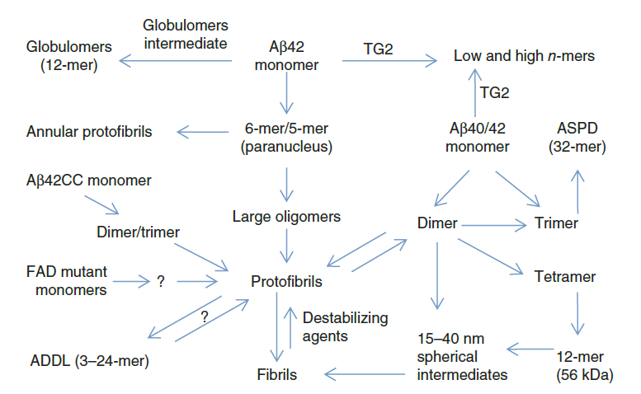
 |  | The toxic Aβ oligomer and Alzheimer’s disease: an emperor in need of clothes. Benilova et al. Nature Neurosci 2012.
 |  | Some amyloid beta is intracellular.
 |  | Neuronal tangles contain p-tau and amyloid plaques, they aggregate extracellularly, in cytoplasm, in the nucleus and at the cell membrane?
 |  | Is amyloid beta typically extracellular?
 |  | Insoluble, hydrophobic amyloid plaques may or may not be toxic while soluble oligomeric amyloid beta may be toxic.
 |  | There is no amyloid beta dementia--tau is required.
 |  | Is monomeric nontoxic? Monomeric is produced in neurons from APP by B- and gamma-secretase
 |  | Alpha secretase does not generate full length amyloid beta and creates non toxic products.
 |  | C-terminal is defined by gamma-secretase, creating AB43, AB42, AB40, AB38, AB37.
 |  | AB40 is continuously produced by healthy and AD brains.
 |  | Pyroglutamate AB is significant.
 |  | SDS can artificially induce AB oligos.
 |  | All amyloid beta species show synaptotoxicity, LTP/LTD alterations, neurotransmission and cognitive impacts in rodents.
 |  | Amylospheroids (10-15nm spherical)
 |  | J20 mouse model expresses human APP with two familial mutations.

FLNA
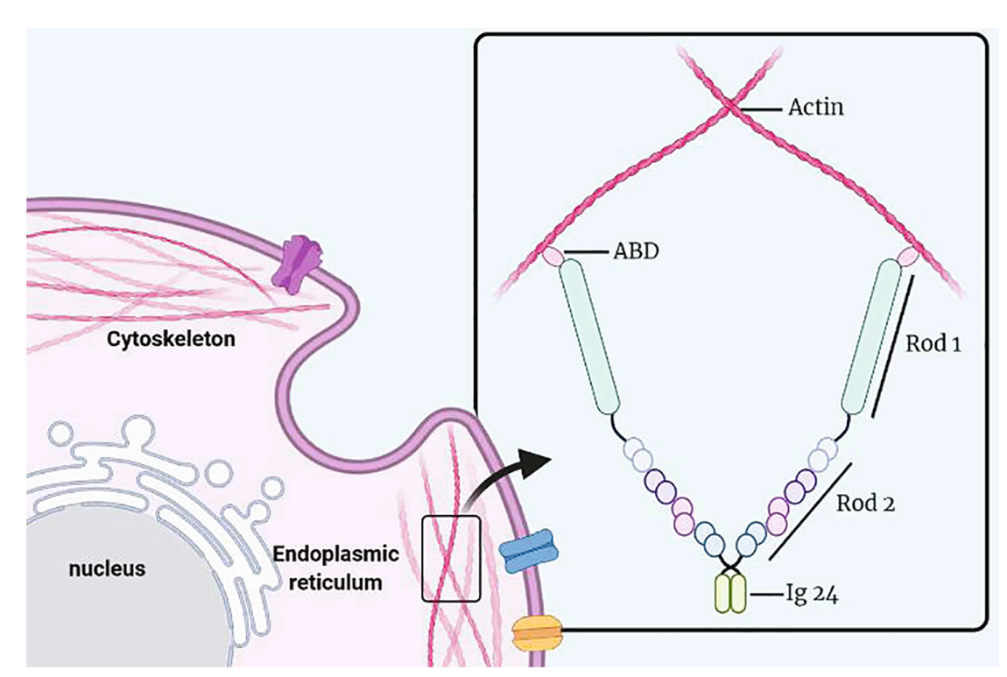
Main
 | Name | filamin A
 | Gene | Xq28, 47 exons, two transcripts
 |  | Sp1 promoter.
 |  | Expression for filamin A & B is wide, C is in skeletal & myocardial tissue
 | Protein | one actin-binding domain with 24 repeat Ig domains (96 AAs each)
 |  | F-actin binds at the N terminus and "promotes orthogonal branching of F-actin"
 |  | Tau also binds to F-actin.
 |  | Rod1, Rod2, Rep. 24,
 |  | Homologous to filamin B/C
 |  | Ser(2523) can be phosphorylated and result in decreased binding to F-actin.
 |  | Amyloid-beta alters protein conformation of FLNA (debunked?)
 | Function | determines shape and movement of cells by binding actin
 |  | It can act as a scaffold (???) for signaling molecules or as an adhesion protein???
 |  | Memantine reduced FLNA expression by nearly half in the hippocampus
 | Gene Dosage | periventricular nodular heterotopia (brain malformation due to cellular migration deficit). Males die after birth or soon after.
 |  | Heart valve, bone, GI, megakaryocyte
 |  | Cancer?
 | Weight | 280kda
 | Location | Cytoplasm
 | Mutations | p.Ala39Gly loses F-actin binding
 | Metabolism | calpain
 | Papers
 |  | https://pubmed.ncbi.nlm.nih.gov/33330477/
 |  | https://pubmed.ncbi.nlm.nih.gov/20460118/
 |  | https://pubmed.ncbi.nlm.nih.gov/36506473/
 |  | https://pubmed.ncbi.nlm.nih.gov/36399251/

 |  | The many faces of filamin: A versatile molecular scaffold for cell motility and signalling

 |  | The filamins: Organizers of cell structure and function

 |  | Actin-binding protein filamin-A drives tau aggregation and contributes to progressive supranuclear palsy pathology. Tsujikawa et al. Sci Adv 2022.
 |  | Nagoya University Graduate School of Medicine.
 |  | Filamin A promotes tau aggregation
 |  | Meanwhile, the findings of no increase in FLNA levels under massive tau induction in tau transgenic mice (fig. S3) suggest that the FLNA lies upstream to the tau pathology.
 |  | F-actin binds at the N terminus and "promotes orthogonal branching of F-actin"
 |  | Serine 2523 phosphorylation allows for tau solubility.

