Main
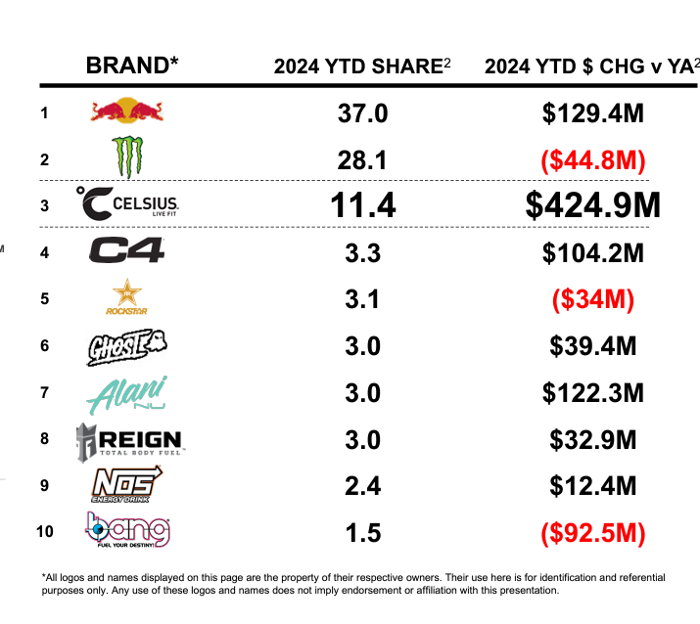
Price | 33.00
Shares | 233 | Q224
MC | 7,700
Cash | 903 | Q224
Debt | 0 | Q224
EV | 6,797

