Phase 2
Main
 |  | Placebo | 50mg | 100mg
 | Day 28 (BURNS' VERSION) | -1.5 | -5.7 | -4.5
 | Day 28 (REAL DATA) | -3.4 | -2.8 | -0.1

simufilam
Main
 | Brand | PTI-125
 | Generic | simufilam
 | Molecule | logP = 1.1
 | Indication | Alzheimer's
 | PK | T1/2=4 hours, Cmax 1100ng/mL, 0.6 CSF ratio
 |  | 10.31 | 100mL | 1031.25
 | IP | EP2488177A1, WO2010051476, US73231187 |  |  |  |  |  |  |  |  |  |  | 50 | mg
 | Clinical Trials |  |  |  |  |  |  |  | Mild |  | Moderate |  | 50000 | ug
 |  | Phase IIb n=60 mild-to-moderate |  |  |  |  |  |  | Placebo | Simufilam | Placebo | Simufilam | 50000000 | ng
 |  | 50mg bid, 100mg bid, placebo |  |  |  |  |  | CWS | 36 | 39 | 41 | 39 | 35% | plasma
 |  |  |  |  |  |  |  | ADAS-Cog11 Mean | 11 | 11.2 | 31.5 | 27.9 | 17500000 | unbound/free concentration
 |  |  |  |  |  |  |  | Range | 3-24 | 1-28 | 12-64 | 14-56 | 50% | brain concentration
 |  | Phase III "RETHINK-ALZ" - n=804 Alzheimer's 52 weeks - NCT04994483 |  |  |  |  |  | MMSE Mean | 25.1 | 25.3 | 14.4 | 15.2 | 8750000 | ng
 |  | 100mg BID vs placebo. data by YE24 |  |  |  |  |  | Range | 21-30 | 21-30 | 5-20 | 4-20 | 8750 | ug
 |  |  |  |  |  |  |  |  |  |  |  |  | 1250 | ml - volume of brain
 |  |  |  |  |  |  |  |  |  |  |  |  | 300 | ml - volume of brain vasculature
 |  | Phase III "REFOCUS-ALZ" n=1100 Alzheimer's 76 weeks - NCT05026177 |  |  |  |  |  |  |  |  |  |  | 0.01 | affinity nM
 |  | 50mg bid, 100mg bid, placebo |  |  |  |  |  |  |  |  |  |  | 259.35 | g/mol
 |  |  |  |  |  |  |  |  |  |  |  |  | 259350 | mg/mol
 |  |  |  |  |  |  |  | Pre-CWS | Mild | Moderate |  |  | 259350000 | ug/mol
 |  | Phase II n=220 - NCT04388254 |  |  |  |  |  | n | 133 | 83 |  |  | 0.000034 | umol simufilam
 |  | First posted: 5/11/2020 |  |  |  |  |  | ADAS-Cog11 Mean | 15 | 25.7 |  |  | 0.0000000337 | nmol simufilam
 |  | n=157? |  |  |  |  |  | ADAS-Cog11 Range | 3-33 | 5-52 |  |  | 33.74
 |  |  |  |  |  |  |  | MMSE Mean | 23.8 | 17.8 |  |  | 25.00 | T 1/2 = 4 hours
 |  | 6 month change ADAS-Cog |  |  |  |  |  | MMSE Range | 21-30 | 10-20
 |  | 100mg (n=78) -0.9 - NOT STATISTICALLY SIGNIFICANT |  |  |  | 0.6
 |  | placebo (n=77) -1.5 |  |  |  |  |  | Randomized | 157
 |  | Simufilam | 19.3 | 18.4 | -4.7% | 0.9 |  | Full Analysis Set | 155 | 12.449899598 | 9.785621084
 |  | Placebo | 21.9 | 20.4 | -6.8% | 1.5 |  | Completers | 133

 | CWS | MOD-SIMU | 3.0 | 5.5 | 2.5
 | CWS | MOD-PBO | 6.8 | 9.2 | 2.4 |  |  | 1.55 |  | 1.50
 | CWS | MILD-SIMU | -2.0 | -2.0 | 0.0
 | CWS | MILD-PBO | -1.5 | -0.2 | 1.3 | 1.5 |  |  |  | 4.8 | 1.7
 | CWS |  |  |  |  |  |  |  |  | 3.9 | 1.5
 | CWS | SIMU |  |  | 1.25 | WORSE OVER 6 MONTHS |  | 0.60 |  | 2.2 | 1.2 | -1.9
 | CWS | PBO |  |  | 1.85 | WORSE OVER 6 MONTHS |  |  |  | 2.1 | 1.2 | 0.4
 |  |  |  |  |  |  |  |  |  | 2 | 1 | 0.5
 | 1st 12MO | MOD-SIMU | 0.0 | 3.0 | 3.0 |  |  |  |  | 1.8 | 0.8 | 0.8
 |  | MOD-PBO | 0.0 | 6.8 | 6.8
 |  | MILD-SIMU | 0.0 | -2.0 | -2.0 | AVERAGE
 |  | MILD-PBO | 0.0 | -1.5 | -1.5 | 1.6 | 3.0

 |  | SIMU | 0.0 |  | 1.0
 |  | PBO | 0.0 |  | 5.3

 | Last 6MO | MOD-SIMU | 0 | 2 | 2.0 |  | 1.6
 |  | MOD-PBO | -0.1 | 1 | 1.1
 |  | MILD-SIMU | 5.5 | 11 | 5.5
 |  | MILD-PBO | 9.1 | 14.1 | 5.0 |  | 3.4

 |  | https://cdn.clinicaltrials.gov/large-docs/03/NCT04079803/Prot_000.pdf

 |  | TRAILBLAZR - donanemab
 |  | 27.6 mean combined cohort baseline
 |  | https://www.nejm.org/doi/full/10.1056/NEJMoa2100708

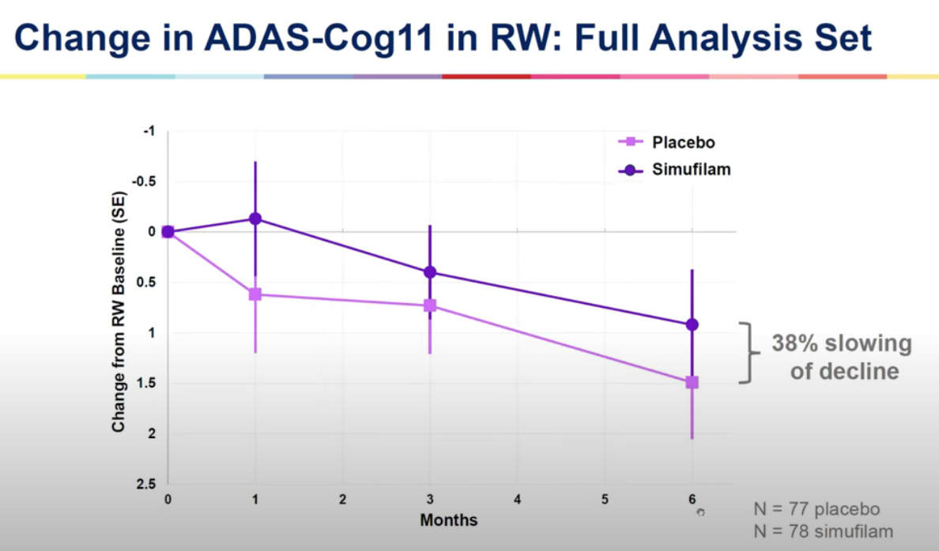
 |  | Dimebon Phase II n=183
 |  | https://www.thelancet.com/journals/lancet/article/PIIS0140-6736(08)61074-0/abstract
 |  | Treatment with dimebon resulted in significant benefits in ADAS-cog compared with placebo (ITT-LOCF) at week 26
 |  | (mean drug-placebo difference −4·0 [95% CI −5·73 to −2·28]; p<0·0001

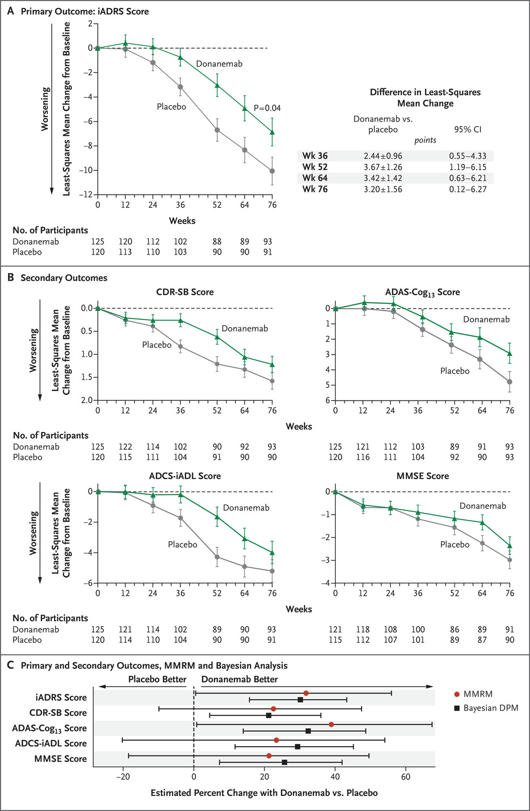
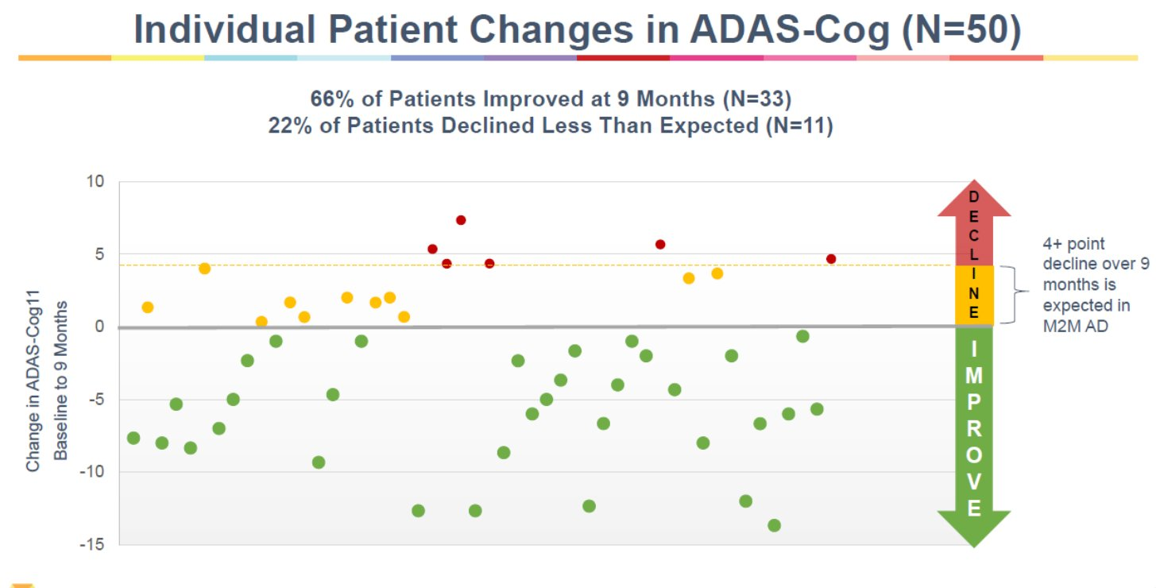
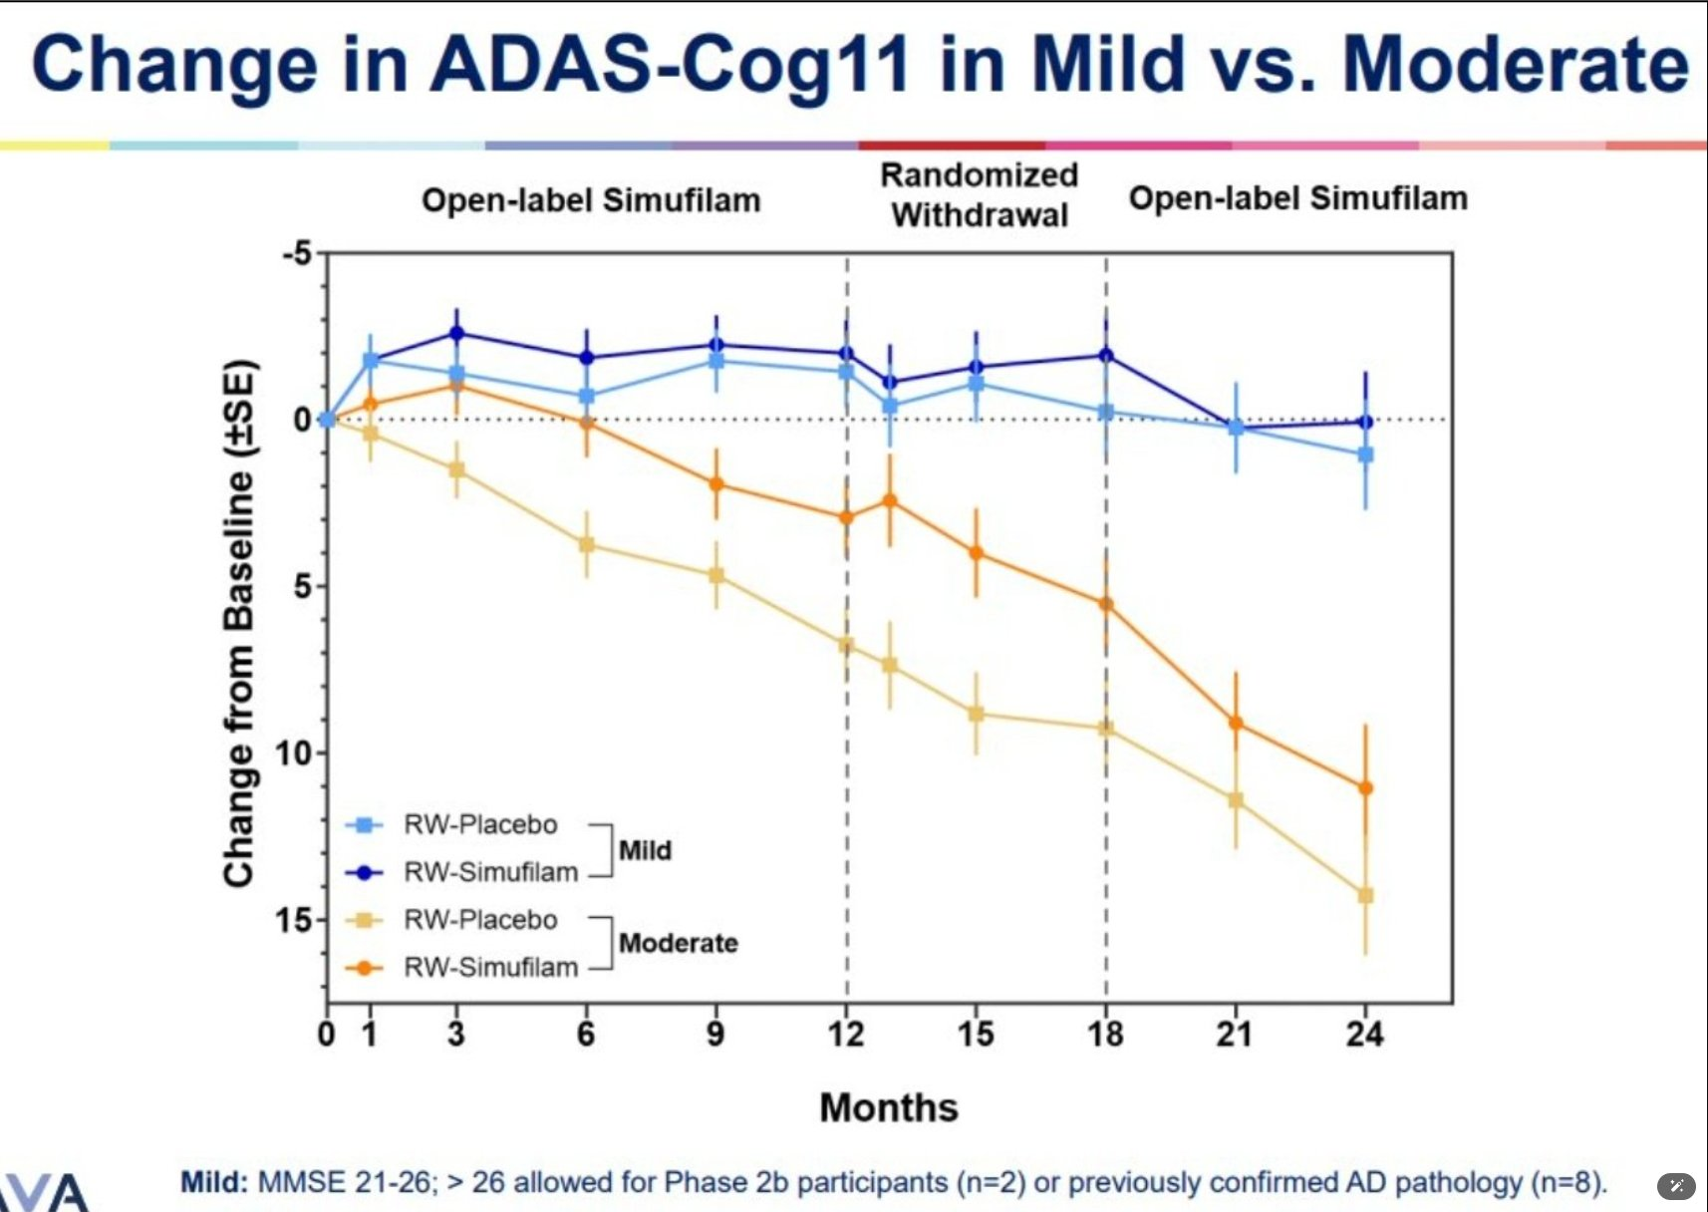

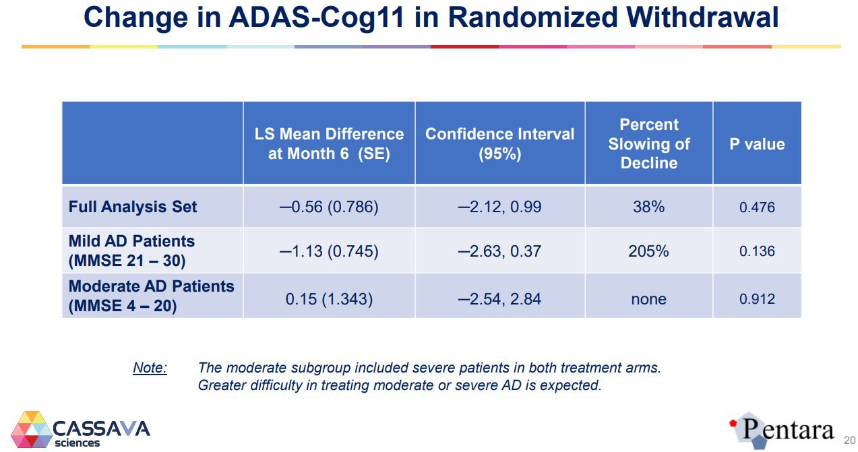
 |  | 2023 - Simufilam Reverses Aberrant Receptor Interactions of Filamin A in Alzheimer’s Disease
 |  | FRET study

 |  | 2012 - First preclinical paper - Reducing Amyloid-Related Alzheimer’s Disease Pathogenesis by a Small Molecule Targeting Filamin A - Hoau-Yan Wang et al.
 |  | https://www.ncbi.nlm.nih.gov/pmc/articles/PMC6621293/pdf/zns9773.pdf

 |  | Stossel T, Condeelis J, Cooley L, HartwigJ, NoegelA,SchleicherM,ShapiroS (2001) Filamins as integrators of cell mechanics and signalling. Nat Rev Mol Cell Biol 2:138–145

 |  | 2008 - High-Affinity Naloxone Binding to Filamin A Prevents Mu Opioid Receptor–Gs Coupling Underlying Opioid Tolerance and Dependence - Hoau-Yan Wang et al., retracted
 |  | Purports that naloxone binds filamin A with 200x affinity vs. MOR
 |  | https://www.ncbi.nlm.nih.gov/pmc/articles/PMC2212716/

 |  | 2010 - PTI-609: a novel analgesic that binds filamin A to control opioid signaling

 |  | https://clinicaltrials.gov/study/NCT03748706
 |  | https://reporter.nih.gov/search/CIo6aSQ6a0K-2obP5mPCyA/project-details/9828895
 |  | https://www.sec.gov/ix?doc=/Archives/edgar/data/1069530/000117184322005276/f8k_080222.htm
 |  | https://www.sec.gov/ix?doc=/Archives/edgar/data/1069530/000106953022000046/sava-20220922x8k.htm
 |  | PTI-125 binds and reverses an altered conformation of filamin A to reduce Alzheimer's disease pathogenesis
 |  | https://pubmed.ncbi.nlm.nih.gov/22815492/

 |  | Cortexzyme
 |  | Athira

AB
Main
 | Name | amyloid beta
 | Discovery | 1982 - Selkoe
 | Relevance | Highly implicated in Alzheimer's and Downs. Primary component of neuritic plaques.
 | Gene | APP (beta-amyloid precursor protein), chromosome 21
 |  | Mutations in APP can cause hereditary cerebral hemorrhage with amyloidosis
 |  | Presenilin (PS1, PS2) alter APP metabolism via gamma-secretase
 |  | Tau mutations cause FTD with parkinsonism (no amyloid)
 | Metabolism | APP cleaved by alpha-secretase, beta-secretase, gamma-secretase
 |  | PS1 metabolized by presenilinase
 |  | Epsilon secretase is apparently a thing.
 |  | transglutaminase TG2
 | Size | MW 4000
 | Preclinical | amyloid beta toxicity is tau dependent
 |  | apoE genetic findings are causal with amyloid
 | Chemistry | salt bridge from D23-K28
 | Clinical | Humans without AD can have cortical AB deposits.
 | Aggregation | monomers, oligomers, fibrils (insoluble), filaments, protofibrils
 | Molecules | bapineuzumab

 | https://pubmed.ncbi.nlm.nih.gov/38361142/
 | https://pubmed.ncbi.nlm.nih.gov/38937296/ |  | alpha7
 | https://pubmed.ncbi.nlm.nih.gov/38649596/ |  | CathD
 | https://pubmed.ncbi.nlm.nih.gov/38309203/ |  | copper
 | https://pubmed.ncbi.nlm.nih.gov/38540718/ |  | lipid bilayers
 | https://pubmed.ncbi.nlm.nih.gov/37105231/ |  | ABCA1
 | https://pubmed.ncbi.nlm.nih.gov/38076912/ |  | midkine, pleotrophin
 | https://pubmed.ncbi.nlm.nih.gov/37964757/ |  | alpha-synuclein
 | https://pubmed.ncbi.nlm.nih.gov/38010414/ |  | apoE
 |  |  | APOJ

 | PTI-125 binds and reverses an altered conformation of the scaffolding protein filamin A (FLNA) to prevent Aβ42's tight binding to and toxic signaling via the α7-nicotinic acetylcholine receptor (α7nAChR) as well as Aβ42's aberrant activation of toll-like receptor 4 (TLR4). Hence, by restoring FLNA's native shape and blocking these two toxic cascades, PTI-125 reduces both tau hyperphosphorylation and neuroinflammation. Downstream effects include reduced neurofibrillary lesions and amyloid deposits, suggesting disease modification, and improved synaptic plasticity and function of α7nAChR, NMDAR and insulin receptors, suggesting symptomatic improvement.

 | Papers | 3D structure of Alzheimer’s amyloid-Beta(1– 42) fibrils. Luhrs et al. PNAS 2005.
 |  | Fibrils are noncrystalline, insoluble and mesoscopically heterogeneous.
 |  | Fibrils form a cross-Beta structure that conaints parallel, in-register Beta sheets.
 |  | Amyloid beta forms beta strands (5-10 aa) which are perpendicular to the long axis of the fibril.
 |  | The strands are parallel to each other and in-register (adjacent strands are positioned opposite each other)
 |  | AB42 is the dominant species in AD.
 |  | AB42 is more likely to form fibrils in vitro than AB40.
 |  | H/D exchange experiment showed core is highly protected.
 |  | https://www.rcsb.org/structure/2BEG
 |  | 18-26 is Beta-strand one, 31-42 is Beta-strand two, both in core.
 |  | 1-17 is exposed.
 |  | DAEFRHDSGYEVHHQKLVFFAEDVGSNKGAIIGLMVGGVVIA
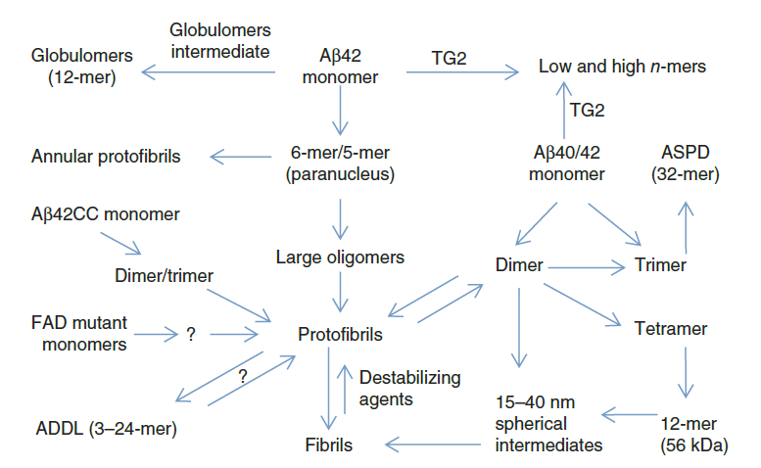
 |  | The toxic Aβ oligomer and Alzheimer’s disease: an emperor in need of clothes. Benilova et al. Nature Neurosci 2012.
 |  | Some amyloid beta is intracellular.
 |  | Neuronal tangles contain p-tau and amyloid plaques, they aggregate extracellularly, in cytoplasm, in the nucleus and at the cell membrane?
 |  | Is amyloid beta typically extracellular?
 |  | Insoluble, hydrophobic amyloid plaques may or may not be toxic while soluble oligomeric amyloid beta may be toxic.
 |  | There is no amyloid beta dementia--tau is required.
 |  | Is monomeric nontoxic? Monomeric is produced in neurons from APP by B- and gamma-secretase
 |  | Alpha secretase does not generate full length amyloid beta and creates non toxic products.
 |  | C-terminal is defined by gamma-secretase, creating AB43, AB42, AB40, AB38, AB37.
 |  | AB40 is continuously produced by healthy and AD brains.
 |  | Pyroglutamate AB is significant.
 |  | SDS can artificially induce AB oligos.
 |  | All amyloid beta species show synaptotoxicity, LTP/LTD alterations, neurotransmission and cognitive impacts in rodents.
 |  | Amylospheroids (10-15nm spherical)
 |  | J20 mouse model expresses human APP with two familial mutations.

FLNA
Main
 | Name | filamin A
 | Gene | Xq28, 47 exons, two transcripts
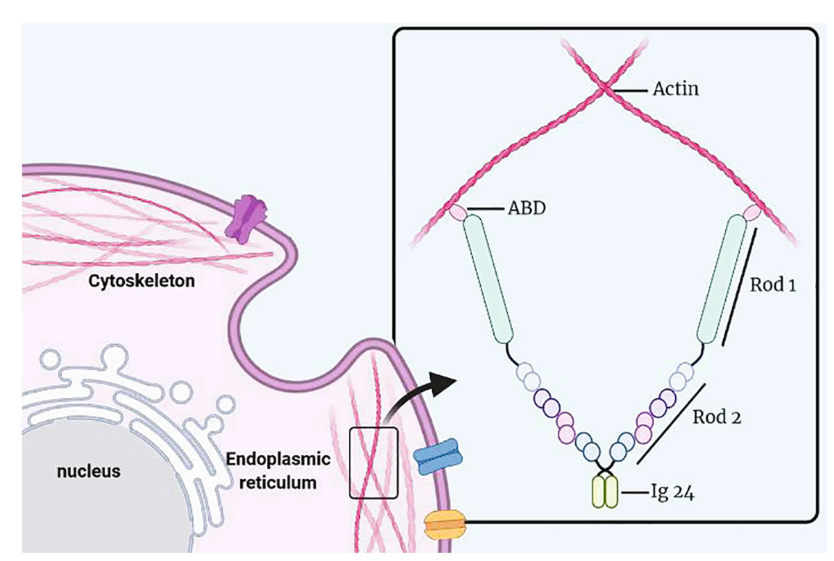
 |  | Sp1 promoter.
 |  | Expression for filamin A & B is wide, C is in skeletal & myocardial tissue
 | Protein | one actin-binding domain with 24 repeat Ig domains (96 AAs each)
 |  | F-actin binds at the N terminus and "promotes orthogonal branching of F-actin"
 |  | Tau also binds to F-actin.
 |  | Rod1, Rod2, Rep. 24,
 |  | Homologous to filamin B/C
 |  | Ser(2523) can be phosphorylated and result in decreased binding to F-actin.
 |  | Amyloid-beta alters protein conformation of FLNA (debunked?)
 | Function | determines shape and movement of cells by binding actin
 |  | It can act as a scaffold (???) for signaling molecules or as an adhesion protein???
 |  | Memantine reduced FLNA expression by nearly half in the hippocampus
 | Gene Dosage | periventricular nodular heterotopia (brain malformation due to cellular migration deficit). Males die after birth or soon after.
 |  | Heart valve, bone, GI, megakaryocyte
 |  | Cancer?
 | Weight | 280kda
 | Location | Cytoplasm
 | Mutations | p.Ala39Gly loses F-actin binding
 | Metabolism | calpain
 | Papers
 |  | https://pubmed.ncbi.nlm.nih.gov/33330477/
 |  | https://pubmed.ncbi.nlm.nih.gov/20460118/
 |  | https://pubmed.ncbi.nlm.nih.gov/36506473/
 |  | https://pubmed.ncbi.nlm.nih.gov/36399251/

 |  | The many faces of filamin: A versatile molecular scaffold for cell motility and signalling

 |  | The filamins: Organizers of cell structure and function

 |  | Actin-binding protein filamin-A drives tau aggregation and contributes to progressive supranuclear palsy pathology. Tsujikawa et al. Sci Adv 2022.
 |  | Nagoya University Graduate School of Medicine.
 |  | Filamin A promotes tau aggregation
 |  | Meanwhile, the findings of no increase in FLNA levels under massive tau induction in tau transgenic mice (fig. S3) suggest that the FLNA lies upstream to the tau pathology.
 |  | F-actin binds at the N terminus and "promotes orthogonal branching of F-actin"
 |  | Serine 2523 phosphorylation allows for tau solubility.

 | CASA - chaperone assisted autophagy

 | PMID | Title | Authors | Citation | First Author | Journal/Book | Publication Year | Create Date | PMCID | NIHMS ID | DOI
 | 39215616 | HSPB8-BAG3 chaperone complex modulates cell invasion in intrahepatic cholangiocarcinoma by regulating CASA-mediated Filamin A degradation | Shu B, Wen Y, Lin R, He C, Luo C, Li F. | Cancer Biol Ther. 2024 Dec 31;25(1):2396694. doi: 10.1080/15384047.2024.2396694. Epub 2024 Aug 31. | Shu B | Cancer Biol Ther | 2024 | 2024-08-31 | PMC11370900 |  | 10.1080/15384047.2024.2396694
 | 39215762 | The hinge-1 domain of Flna is not necessary for diverse physiological functions in mice | Wade EM, Goodin EA, Morgan T, Pereira S, Woolley AG, Jenkins ZA, Daniel PB, Robertson SP. | Eur J Clin Invest. 2024 Dec;54(12):e14308. doi: 10.1111/eci.14308. Epub 2024 Aug 31. | Wade EM | Eur J Clin Invest | 2024 | 2024-08-31 |  |  | 10.1111/eci.14308
 | 39528354 | Therapeutic potential of targeting the FLNA-regulated Wee1 kinase in adrenocortical carcinomas | Esposito E, Marra G, Catalano R, Maioli S, Nozza E, Barbieri AM, Hantel C, Di Dalmazi G, Sigala S, Geginat J, Cassinotti E, Baldari L, Palmieri S, Mangone A, Berruti A, Ferrante E, Mantovani G, Peverelli E. | Int J Cancer. 2024 Nov 11. doi: 10.1002/ijc.35239. Online ahead of print. | Esposito E | Int J Cancer | 2024 | 2024-11-11 |  |  | 10.1002/ijc.35239
 | 39510553 | Pulmonary hypertension in patients carrying FLNA loss-of-function variants | Stourm L, Grynblat J, Savale L, Lacoste-Palasset T, Jaïs X, Coulet F, Levy M, Meyrignac O, Ghigna MR, Cottin V, Sitbon O, Bonnet D, Goupil F, Humbert M, Gagnadoux F, Montani D; French PH Network PULMOTENSION Investigators. | Eur Respir J. 2024 Nov 7:2401132. doi: 10.1183/13993003.01132-2024. Online ahead of print. | Stourm L | Eur Respir J | 2024 | 2024-11-07 |  |  | 10.1183/13993003.01132-2024
 | 39285959 | A familial case of diffuse periventricular nodular heterotopia identified prenatally: Filamin A defect as the probable cause | Neves MT, Borges AL, Martins G, Sá G, Loureiro T, Moldovan O. | Radiol Case Rep. 2024 Aug 31;19(11):5393-5398. doi: 10.1016/j.radcr.2024.07.190. eCollection 2024 Nov. | Neves MT | Radiol Case Rep | 2024 | 2024-09-17 | PMC11402618 |  | 10.1016/j.radcr.2024.07.190
 | 39189664 | Filamin A regulates platelet shape change and contractile force generation via phosphorylation of the myosin light chain | Hong F, Mollica MY, Golla K, De Silva E, Sniadecki NJ, López JA, Kim H. | Biochem J. 2024 Oct 17;481(20):1395-1410. doi: 10.1042/BCJ20240114. | Hong F | Biochem J | 2024 | 2024-08-27 | PMC11555712 |  | 10.1042/BCJ20240114
 | 38853608 | Pathogenic FLNA variants affecting the hinge region of filamin A are associated with male survival | Wade EM, Morgan T, Gimenez G, Jenkins ZA, Titheradge H, O'Donnell M, Skidmore D, Suri M, Robertson SP. | Am J Med Genet A. 2024 Oct;194(10):e63779. doi: 10.1002/ajmg.a.63779. Epub 2024 Jun 10. | Wade EM | Am J Med Genet A | 2024 | 2024-06-10 |  |  | 10.1002/ajmg.a.63779
 | 39351381 | Secondary spontaneous pneumothorax as the presenting manifestation of filamin A-associated lung disease | Holden S, Barker AP, Babar J, Karia S, Gupta N, Sinharay R, Marciniak SJ. | ERJ Open Res. 2024 Sep 30;10(5):00011-2024. doi: 10.1183/23120541.00011-2024. eCollection 2024 Sep. | Holden S | ERJ Open Res | 2024 | 2024-10-01 | PMC11440369 |  | 10.1183/23120541.00011-2024
 | 39399465 | Unraveling the pathogenic mechanism of a novel filamin a frameshift variant in periventricular nodular heterotopia | Xue C, Wang Y, Peng J, Feng S, Guan Y, Hao Y. | Front Pharmacol. 2024 Sep 27;15:1429177. doi: 10.3389/fphar.2024.1429177. eCollection 2024. | Xue C | Front Pharmacol | 2024 | 2024-10-14 | PMC11466872 |  | 10.3389/fphar.2024.1429177
 | 39164108 | Reducing Filamin A Restores Cortical Synaptic Connectivity and Early Social Communication Following Cellular Mosaicism in Autism Spectrum Disorder Pathways | Binder MS, Escobar I, Xu Y, Sokolov AM, Zhang L, Bordey A. | J Neurosci. 2024 Sep 25;44(39):e1245232024. doi: 10.1523/JNEUROSCI.1245-23.2024. | Binder MS | J Neurosci | 2024 | 2024-08-20 | PMC11426378 |  | 10.1523/JNEUROSCI.1245-23.2024
 | 39359981 | Polyvalvular Dysplasia and Vascular Abnormalities in a Neonate With an FLNA Variant | Frenkel A, Frenkel M, Schulte JJ, Srinivasan S, Lamers L. | JACC Case Rep. 2024 Sep 18;29(18):102556. doi: 10.1016/j.jaccas.2024.102556. eCollection 2024 Sep 18. | Frenkel A | JACC Case Rep | 2024 | 2024-10-03 | PMC11442230 |  | 10.1016/j.jaccas.2024.102556
 | 38592439 | Curcumin suppresses the malignant phenotype of laryngeal squamous cell carcinoma through downregulating E2F1 to inhibit FLNA | Xie Y, Qi J, Liu J. | Naunyn Schmiedebergs Arch Pharmacol. 2024 Sep;397(9):6929-6939. doi: 10.1007/s00210-024-03059-x. Epub 2024 Apr 9. | Xie Y | Naunyn Schmiedebergs Arch Pharmacol | 2024 | 2024-04-09 |  |  | 10.1007/s00210-024-03059-x
 | 39273357 | Significance of Fibrillin-1, Filamin A, MMP2 and SOX9 in Mitral Valve Pathology | Opris CE, Suciu H, Jung I, Flamand S, Harpa MM, Opris CI, Popa C, Kovacs Z, Gurzu S. | Int J Mol Sci. 2024 Aug 29;25(17):9410. doi: 10.3390/ijms25179410. | Opris CE | Int J Mol Sci | 2024 | 2024-09-14 | PMC11394784 |  | 10.3390/ijms25179410
 | 39195282 | Targeting Cleavage of C-Terminal Fragment of Cytoskeletal Filamin A in Cancers | Cakici O, Bandaru S, Lee GY, Mustafa D, Akyürek LM. | Cells. 2024 Aug 21;13(16):1394. doi: 10.3390/cells13161394. | Cakici O | Cells | 2024 | 2024-08-28 | PMC11352274 |  | 10.3390/cells13161394
 | 39182401 | CircRNA ATF6 suppresses bladder cancer cell proliferation and migration via miR-146a-5p/FLNA axis | Lu B, Zhou Y, Ma Z, Wang Z. | Mutat Res. 2024 Jul 31;829:111876. doi: 10.1016/j.mrfmmm.2024.111876. Online ahead of print. | Lu B | Mutat Res | 2024 | 2024-08-25 |  |  | 10.1016/j.mrfmmm.2024.111876
 | 39082299 | Integrated Genome-Wide Analysis of DNA Methylation and Gene Expression in the Hippocampi of 5xFAD Alzheimer's Disease Mouse Model | Lee S, Lee HJ, Chun JM, Jung B, Kim J, Moon C, Kim C, Kim JS. | J Integr Neurosci. 2024 Jul 24;23(7):138. doi: 10.31083/j.jin2307138. | Lee S | J Integr Neurosci | 2024 | 2024-07-31 |  |  | 10.31083/j.jin2307138
 | 38958472 | Charting the importance of filamin A posttranslational modifications | Shead KD, Salyahetdinova V, Baillie GS. | Biochem J. 2024 Jul 3;481(13):865-881. doi: 10.1042/BCJ20240121. | Shead KD | Biochem J | 2024 | 2024-07-03 | PMC11346442 |  | 10.1042/BCJ20240121
 | 38614124 | FLNA overexpression promotes papillary thyroid cancer aggression via the FAK/AKT signaling pathway | Liang W, Zhang Y, Guo Y, Zhang P, Jin J, Guan H, Li Y. | Endocr Connect. 2024 May 7;13(6):e240034. doi: 10.1530/EC-24-0034. Print 2024 Jun 1. | Liang W | Endocr Connect | 2024 | 2024-04-13 | PMC11103747 |  | 10.1530/EC-24-0034
 | 38311094 | Filamin A in triple negative breast cancer | Giovannelli P, Di Donato M, Licitra F, Sabbatino E, Tutino V, Castoria G, Migliaccio A. | Steroids. 2024 May;205:109380. doi: 10.1016/j.steroids.2024.109380. Epub 2024 Feb 2. | Giovannelli P | Steroids | 2024 | 2024-02-04 |  |  | 10.1016/j.steroids.2024.109380
 | 38651904 | Erratum to "Filamin A protects cells against force-induced apoptosis by stabilizing talin- and vinculin-containing cell adhesions" |  | FASEB J. 2024 Apr 30;38(8):e23617. doi: 10.1096/fj.202400751. |  | FASEB J | 2024 | 2024-04-23 |  |  | 10.1096/fj.202400751
 | 38666944 | Role of Filamin A in Growth and Migration of Breast Cancer-Review | Zawadka P, Zielińska W, Gagat M, Izdebska M. | Curr Issues Mol Biol. 2024 Apr 17;46(4):3408-3423. doi: 10.3390/cimb46040214. | Zawadka P | Curr Issues Mol Biol | 2024 | 2024-04-26 | PMC11049233 |  | 10.3390/cimb46040214
 | 38148157 | Filamin A heart valve disease as a genetic cause of inherited bicuspid and tricuspid aortic valve disease | Delwarde C, Toquet C, Boureau AS, Le Ruz R, Le Scouarnec S, Mérot J, Kyndt F, Bernstein D, Bernstein JA, Aalberts JJJ, Le Marec H, Schott JJ, Roussel JC, Le Tourneau T, Capoulade R. | Heart. 2024 Apr 15;110(9):666-674. doi: 10.1136/heartjnl-2023-323491. | Delwarde C | Heart | 2024 | 2023-12-26 |  |  | 10.1136/heartjnl-2023-323491
 | 38330446 | Ganoderic acid A suppresses autophagy by regulating the circFLNA/miR-486-3p/CYP1A1/XRCC1 axis to strengthen the sensitivity of lung cancer cells to cisplatin | Gong E, Pan J, Ye Z, Cai X, Zheng H, Yin Z, Jiang Y, Wang X, Cao Z. | J Pharm Pharmacol. 2024 Apr 3;76(4):354-367. doi: 10.1093/jpp/rgad116. | Gong E | J Pharm Pharmacol | 2024 | 2024-02-08 |  |  | 10.1093/jpp/rgad116
 | 38148030 | Diffuse interstitial lung disease in a male fetus with periventricular nodular heterotopia and filamin A mosaic variant | Desnous B, Carles G, Riccardi F, Stremler N, Baravalle M, El-Louali F, Testud B, Milh M. | Prenat Diagn. 2024 Mar;44(3):364-368. doi: 10.1002/pd.6505. Epub 2023 Dec 26. | Desnous B | Prenat Diagn | 2024 | 2023-12-26 |  |  | 10.1002/pd.6505
 | 38131667 | Digenic FLNA and UCHL1 variants resulting in a complex phenotype | Pernice HF, O'Donnell LF, Rossor AM, Laura M, Record CJ, Skorupinska M, Blake J, Poh R, Polke J, Reilly MM. | J Peripher Nerv Syst. 2024 Mar;29(1):111-115. doi: 10.1111/jns.12611. Epub 2024 Jan 7. | Pernice HF | J Peripher Nerv Syst | 2024 | 2023-12-22 |  |  | 10.1111/jns.12611
 | 38398103 | Filamin A Is a Prognostic Serum Biomarker for Differentiating Benign Prostatic Hyperplasia from Prostate Cancer in Caucasian and African American Men | Mahaveer Chand N, Tekumalla PK, Rosenberg MT, Dobi A, Ali A, Miller GM, Aristizabal-Henao JJ, Granger E, Freedland SJ, Kellogg MD, Srivastava S, McLeod DG, Narain NR, Kiebish MA. | Cancers (Basel). 2024 Feb 8;16(4):712. doi: 10.3390/cancers16040712. | Mahaveer Chand N | Cancers (Basel) | 2024 | 2024-02-24 | PMC10887407 |  | 10.3390/cancers16040712
 | 38010911 | Filamin A is involved in human intrahepatic cholangiocarcinoma aggressiveness and progression | Vitali E, Franceschini B, Milana F, Soldani C, Polidoro MA, Carriero R, Kunderfranco P, Trivellin G, Costa G, Milardi G, Di Tommaso L, Torzilli G, Lleo A, Lania AG, Donadon M. | Liver Int. 2024 Feb;44(2):518-531. doi: 10.1111/liv.15800. Epub 2023 Nov 27. | Vitali E | Liver Int | 2024 | 2023-11-27 |  |  | 10.1111/liv.15800
 | 37922495 | GPIbα-filamin A interaction regulates megakaryocyte localization and budding during platelet biogenesis | Ellis ML, Terreaux A, Alwis I, Smythe R, Perdomo J, Eckly A, Cranmer SL, Passam FH, Maclean J, Schoenwaelder SM, Ruggeri ZM, Lanza F, Taoudi S, Yuan Y, Jackson SP. | Blood. 2024 Jan 25;143(4):342-356. doi: 10.1182/blood.2023021292. | Ellis ML | Blood | 2024 | 2023-11-03 |  |  | 10.1182/blood.2023021292
 | 38176754 | Filamin A gene mutation in an infant with progressive pulmonary emphysema, periventricular nodular heterotopia and congenital heart disease | Khera S, Jauhari S, Pattanayak S, Choubey M. | BMJ Case Rep. 2024 Jan 4;17(1):e257676. doi: 10.1136/bcr-2023-257676. | Khera S | BMJ Case Rep | 2024 | 2024-01-04 | PMC10773292 |  | 10.1136/bcr-2023-257676
 | 37955081 | Long-chain noncoding RNA LINC01569 upregulates filamin A-interacting protein 1-like to prevent metastasis of triple-negative breast cancer via sponging miR-300 | Jiang X, Lin J, Zhu Z. | Cancer Biomark. 2024;39(2):79-94. doi: 10.3233/CBM-230261. | Jiang X | Cancer Biomark | 2024 | 2023-11-13 | PMC11002719 |  | 10.3233/CBM-230261
 | 37855268 | FLNA expression modulates pathological markers of pituitary neuroendocrine tumours | Toledo J, Perez PA, Zanetti M, Díaz-Torga G, Mukdsi JH, Gutierrez S. | J Endocrinol. 2023 Nov 22;260(1):e230209. doi: 10.1530/JOE-23-0209. Print 2024 Jan 1. | Toledo J | J Endocrinol | 2023 | 2023-10-19 |  |  | 10.1530/JOE-23-0209
 | 38040692 | Filamin A cooperates with the androgen receptor in preventing skeletal muscle senescence | Di Donato M, Moretti A, Sorrentino C, Toro G, Gentile G, Iolascon G, Castoria G, Migliaccio A. | Cell Death Discov. 2023 Dec 2;9(1):437. doi: 10.1038/s41420-023-01737-y. | Di Donato M | Cell Death Discov | 2023 | 2023-12-01 | PMC10692324 |  | 10.1038/s41420-023-01737-y
 | 38068896 | High Filamin a Expression in Adrenocortical Carcinomas Is Associated with a Favourable Tumour Behaviour: A European Multicentric Study | Catalano R, Altieri B, Angelousi A, Arosio M, Bravi F, Canu L, Croci GA, Detomas M, Esposito E, Ferrante E, Ferrero S, Fuss CT, Kaltsas G, Kimpel O, Landwehr LS, Luconi M, Morelli V, Nesi G, Nozza E, Sbiera S, Serban AL, Ronchi CL, Mantovani G, Peverelli E. | Int J Mol Sci. 2023 Nov 21;24(23):16573. doi: 10.3390/ijms242316573. | Catalano R | Int J Mol Sci | 2023 | 2023-12-09 | PMC10706064 |  | 10.3390/ijms242316573
 | 37729778 | Hypomethylation of DRD2 promotes breast cancer through the FLNA-ERK pathway | Zhang S, Zhong M, Zhu H, You Q, Yuan H, Li Y. | Cancer Genet. 2023 Nov;278-279:71-78. doi: 10.1016/j.cancergen.2023.09.001. Epub 2023 Sep 9. | Zhang S | Cancer Genet | 2023 | 2023-09-20 |  |  | 10.1016/j.cancergen.2023.09.001
 | 37879916 | [Molecular dynamics simulation of force-regulated interaction between glycoprotein Ib α and filamin] | Tao R, Xie X, Wu J, Fang Y. | Sheng Wu Yi Xue Gong Cheng Xue Za Zhi. 2023 Oct 25;40(5):876-885. doi: 10.7507/1001-5515.202302043. | Tao R | Sheng Wu Yi Xue Gong Cheng Xue Za Zhi | 2023 | 2023-10-25 | PMC10600417 |  | 10.7507/1001-5515.202302043
 | 37851024 | Identification of A Novel Variant of Filamin A Destroying the Attraction Between Benzene Rings and Sulfhydryl in Developmental Dysplasia of the Hip | Lu YL, Wang Q, Wang M, Chang SH, He JQ, Xiang R, Tang JY, Jin JY. | DNA Cell Biol. 2023 Oct;42(10):638-644. doi: 10.1089/dna.2023.0159. | Lu YL | DNA Cell Biol | 2023 | 2023-10-18 |  |  | 10.1089/dna.2023.0159
 | 37740811 | Filamin A facilitates NLRP3 inflammasome activation during arsenic-induced nonalcoholic steatohepatitis | Shi Y, Qiu T, Wu C, Yuan W, Yao X, Jiang L, Wang N, Wang L, Han Q, Yang G, Liu X, Sun X. | Environ Sci Pollut Res Int. 2023 Oct;30(49):107703-107715. doi: 10.1007/s11356-023-29702-3. Epub 2023 Sep 23. | Shi Y | Environ Sci Pollut Res Int | 2023 | 2023-09-23 |  |  | 10.1007/s11356-023-29702-3
 | 37572267 | Environmentally relevant DEHP exposure during gestational and lactational period inhibits filamin a testicular expression | Pérez PA, Toledo J, Vitellini F, Cuello VN, Cantarelli V, Ponzio M, Mukdsi JH, Gutiérrez S. | J Mol Histol. 2023 Oct;54(5):509-520. doi: 10.1007/s10735-023-10144-7. Epub 2023 Aug 12. | Pérez PA | J Mol Histol | 2023 | 2023-08-12 |  |  | 10.1007/s10735-023-10144-7
 | 37881376 | Sinus of Valsalva Aneurysm: A Potential Case of Filamin A Mutation | Win S, Tucker E, Wallace K, Gower H, Kandasamy K. | Cureus. 2023 Sep 24;15(9):e45858. doi: 10.7759/cureus.45858. eCollection 2023 Sep. | Win S | Cureus | 2023 | 2023-10-26 | PMC10597397 |  | 10.7759/cureus.45858
 | 37762230 | Simufilam Reverses Aberrant Receptor Interactions of Filamin A in Alzheimer's Disease | Wang HY, Cecon E, Dam J, Pei Z, Jockers R, Burns LH. | Int J Mol Sci. 2023 Sep 11;24(18):13927. doi: 10.3390/ijms241813927. | Wang HY | Int J Mol Sci | 2023 | 2023-09-28 | PMC10531384 |  | 10.3390/ijms241813927
 | 37429070 | Generation of a FLNA knockout hESC line (WAe009-A-P) to model cardiac valvular dysplasia using CRISPR/Cas9 | Lu F, Gao Y, Li E. | Stem Cell Res. 2023 Sep;71:103162. doi: 10.1016/j.scr.2023.103162. Epub 2023 Jul 1. | Lu F | Stem Cell Res | 2023 | 2023-07-10 |  |  | 10.1016/j.scr.2023.103162
 | 37291958 | Targeting α7 nicotinic acetylcholine receptors and their protein interactions in Alzheimer's disease drug development | Burns LH, Pei Z, Wang HY. | Drug Dev Res. 2023 Sep;84(6):1085-1095. doi: 10.1002/ddr.22085. Epub 2023 Jun 8. | Burns LH | Drug Dev Res | 2023 | 2023-06-09 |  |  | 10.1002/ddr.22085
 | 37585478 | Contrasting effects of filamin A and B proteins in modulating filovirus entry | Shepley-McTaggart A, Liang J, Ding Y, Djurkovic MA, Kriachun V, Shtanko O, Sunyer O, Harty RN. | PLoS Pathog. 2023 Aug 16;19(8):e1011595. doi: 10.1371/journal.ppat.1011595. eCollection 2023 Aug. | Shepley-McTaggart A | PLoS Pathog | 2023 | 2023-08-16 | PMC10461817 |  | 10.1371/journal.ppat.1011595
 | 37576388 | Erratum: Zinc-α2-glycoprotein 1 promotes EMT in colorectal cancer by filamin A mediated focal adhesion pathway: Erratum | Ji M, Li W, He G, Zhu D, Lv S, Tang W, Jian M, Zheng P, Yang L, Qi Z, Mao Y, Ren L, Zhong Y, Tu Y, Wei Y, Xu J. | J Cancer. 2023 Jul 26;14(12):2359-2360. doi: 10.7150/jca.87171. eCollection 2023. | Ji M | J Cancer | 2023 | 2023-08-14 | PMC10414041 |  | 10.7150/jca.87171
 | 37178194 | Filamin-A-interacting protein 1 (FILIP1) is a dual compartment protein linking myofibrils and microtubules during myogenic differentiation and upon mechanical stress | Grande V, Schuld J, van der Ven PFM, Gruss OJ, Fürst DO. | Cell Tissue Res. 2023 Jul;393(1):133-147. doi: 10.1007/s00441-023-03776-4. Epub 2023 May 13. | Grande V | Cell Tissue Res | 2023 | 2023-05-13 | PMC10313560 |  | 10.1007/s00441-023-03776-4
 | 37457922 | Simufilam suppresses overactive mTOR and restores its sensitivity to insulin in Alzheimer's disease patient lymphocytes | Wang HY, Pei Z, Lee KC, Nikolov B, Doehner T, Puente J, Friedmann N, Burns LH. | Front Aging. 2023 Jun 29;4:1175601. doi: 10.3389/fragi.2023.1175601. eCollection 2023. | Wang HY | Front Aging | 2023 | 2023-07-17 | PMC10339288 |  | 10.3389/fragi.2023.1175601
 | 36867840 | A mechanism of platelet integrin αIIbβ3 outside-in signaling through a novel integrin αIIb subunit-filamin-actin linkage | Liu J, Lu F, Ithychanda SS, Apostol M, Das M, Deshpande G, Plow EF, Qin J. | Blood. 2023 May 25;141(21):2629-2641. doi: 10.1182/blood.2022018333. | Liu J | Blood | 2023 | 2023-03-03 | PMC10356577 |  | 10.1182/blood.2022018333
 | 36001550 | Multimodality imaging and transcriptomics to phenotype mitral valve dystrophy in a unique knock-in Filamin-A rat model | Delwarde C, Toquet C, Aumond P, Kayvanjoo AH, Foucal A, Le Vely B, Baudic M, Lauzier B, Blandin S, Véziers J, Paul-Gilloteaux P, Lecointe S, Baron E, Massaiu I, Poggio P, Rémy S, Anegon I, Le Marec H, Monassier L, Schott JJ, Mass E, Barc J, Le Tourneau T, Merot J, Capoulade R. | Cardiovasc Res. 2023 May 2;119(3):759-771. doi: 10.1093/cvr/cvac136. | Delwarde C | Cardiovasc Res | 2023 | 2022-08-24 |  |  | 10.1093/cvr/cvac136
 | 37538498 | A novel association between platelet filamin A and soluble N-ethylmaleimide sensitive factor attachment proteins regulates granule secretion | Golla K, Paul M, Lengyell TC, Simpson EM, Falet H, Kim H. | Res Pract Thromb Haemost. 2022 Dec 20;7(4):100019. doi: 10.1016/j.rpth.2022.100019. eCollection 2023 May. | Golla K | Res Pract Thromb Haemost | 2022 | 2023-08-04 | PMC10394388 |  | 10.1016/j.rpth.2022.100019
 | 36734119 | Mutation of FLNA attenuating the migration of abdominal muscles contributed to Melnick-Needles syndrome (MNS) in a family with recurrent miscarriage | Luo X, Yang Z, Zeng J, Chen J, Chen N, Jiang X, Wei Q, Yi P, Xu J. | Mol Genet Genomic Med. 2023 May;11(5):e2145. doi: 10.1002/mgg3.2145. Epub 2023 Feb 3. | Luo X | Mol Genet Genomic Med | 2023 | 2023-02-03 | PMC10178794 |  | 10.1002/mgg3.2145
 | 37169020 | Interaction of LARP4 to filamin A mechanosensing domain regulates cell migrations | Mao Z, Nakamura F. | Front Cell Dev Biol. 2023 Apr 24;11:1152109. doi: 10.3389/fcell.2023.1152109. eCollection 2023. | Mao Z | Front Cell Dev Biol | 2023 | 2023-05-11 | PMC10164935 |  | 10.3389/fcell.2023.1152109
 | 36863213 | Filamin A is overexpressed in non-alcoholic steatohepatitis and contributes to the progression of inflammation and fibrosis | Lu Y, Wang M, Zhao M, Zhang Q, Qian R, Hu Z, Ke Q, Yu L, Wang L, Lai Q, Liu Z, Jiang X, Zhang B, Yang J, Yao Y. | Biochem Biophys Res Commun. 2023 Apr 23;653:93-101. doi: 10.1016/j.bbrc.2023.02.048. Epub 2023 Feb 22. | Lu Y | Biochem Biophys Res Commun | 2023 | 2023-03-02 |  |  | 10.1016/j.bbrc.2023.02.048
 | 37056997 | Corrigendum: NudC L279P mutation destabilizes filamin a by inhibiting the Hsp90 chaperoning pathway and suppresses cell migration | Liu M, Xu Z, Zhang C, Yang C, Feng J, Lu Y, Zhang W, Chen W, Xu X, Sun X, Yang M, Liu W, Zhou T, Yang Y. | Front Cell Dev Biol. 2023 Mar 28;11:1163790. doi: 10.3389/fcell.2023.1163790. eCollection 2023. | Liu M | Front Cell Dev Biol | 2023 | 2023-04-14 | PMC10086320 |  | 10.3389/fcell.2023.1163790
 | 36857526 | Identification of Filamin A Mechanobinding Partner III: SAV1 Specifically Interacts with Filamin A Mechanosensitive Domain 21 | Zhang H, Mao Z, Yang Z, Nakamura F. | Biochemistry. 2023 Mar 21;62(6):1197-1208. doi: 10.1021/acs.biochem.2c00665. Epub 2023 Mar 1. | Zhang H | Biochemistry | 2023 | 2023-03-01 |  |  | 10.1021/acs.biochem.2c00665
 | 36806943 | The force-dependent filamin A-G3BP1 interaction regulates phase-separated stress granule formation | Feng Z, Mao Z, Yang Z, Liu X, Nakamura F. | J Cell Sci. 2023 Mar 15;136(6):jcs260684. doi: 10.1242/jcs.260684. Epub 2023 Mar 20. | Feng Z | J Cell Sci | 2023 | 2023-02-22 |  |  | 10.1242/jcs.260684
 | 36704846 | Deficiency of filamin A in smooth muscle cells protects against hypoxia‑mediated pulmonary hypertension in mice | Zheng Y, Ma H, Yan Y, Ye P, Yu W, Lin S, Chen SL. | Int J Mol Med. 2023 Mar;51(3):22. doi: 10.3892/ijmm.2023.5225. Epub 2023 Jan 27. | Zheng Y | Int J Mol Med | 2023 | 2023-01-27 | PMC9911089 |  | 10.3892/ijmm.2023.5225
 | 36399251 | Direct and Indirect Effects of Filamin A on Tau Pathology in Neuronal Cells | Levert S, Pilliod J, Aumont É, Armanville S, Tremblay C, Calon F, Leclerc N. | Mol Neurobiol. 2023 Feb;60(2):1021-1039. doi: 10.1007/s12035-022-03121-w. Epub 2022 Nov 18. | Levert S | Mol Neurobiol | 2023 | 2022-11-18 | PMC9849303 |  | 10.1007/s12035-022-03121-w
 | 36253584 | Albumin, filamin-A and cytokeratin 19 help distinguish intrahepatic cholangiocarcinoma from extrahepatic adenocarcinoma | Chung YS, Jeon Y, Yoo JE, Chung T, Ryu HJ, Kim H, Rhee H, Park YN. | Hepatol Int. 2023 Feb;17(1):77-85. doi: 10.1007/s12072-022-10428-2. Epub 2022 Oct 17. | Chung YS | Hepatol Int | 2023 | 2022-10-17 |  |  | 10.1007/s12072-022-10428-2
 | 36596803 | Filamin A organizes γ‑aminobutyric acid type B receptors at the plasma membrane | Jobin ML, Siddig S, Koszegi Z, Lanoiselée Y, Khayenko V, Sungkaworn T, Werner C, Seier K, Misigaiski C, Mantovani G, Sauer M, Maric HM, Calebiro D. | Nat Commun. 2023 Jan 3;14(1):34. doi: 10.1038/s41467-022-35708-1. | Jobin ML | Nat Commun | 2023 | 2023-01-03 | PMC9810740 |  | 10.1038/s41467-022-35708-1
 | 37720273 | Molecular docking analysis of protein filamin-A with thioazo compounds | Satish S, Rengasamy G, Sekaran S, Sankaran K, Veeraraghavan VP, Eswaramoorthy R. | Bioinformation. 2023 Jan 1;19(1):99-104. doi: 10.6026/97320630019099. eCollection 2023. | Satish S | Bioinformation | 2023 | 2023-09-18 | PMC10504497 |  | 10.6026/97320630019099
 | 37548015 | Importance of the filamin A-Sav1 interaction in organ size control: evidence from transgenic mice | Zhang H, Yang Z, Nakamura F. | Int J Dev Biol. 2023;67(2):27-37. doi: 10.1387/ijdb.230054fn. | Zhang H | Int J Dev Biol | 2023 | 2023-08-07 |  |  | 10.1387/ijdb.230054fn
 | 37040719 | LINC01002 Targets miR-650/FLNA Pathway to Suppress Prostate Cancer Progression | Qian L, Wang Y, Xiong Y, Ren H, Liu S, Chen D, Liu Y. | Urol Int. 2023;107(5):526-538. doi: 10.1159/000529947. Epub 2023 Apr 11. | Qian L | Urol Int | 2023 | 2023-04-11 |  |  | 10.1159/000529947
 | 36174535 | Case report: Filamin A mutation lung disease recognized in an 11-year-old child | West T, Williamson N, Akhter J. | Pediatr Pulmonol. 2023 Jan;58(1):61-65. doi: 10.1002/ppul.26156. Epub 2022 Nov 7. | West T | Pediatr Pulmonol | 2023 | 2022-09-29 |  |  | 10.1002/ppul.26156
 | 35981053 | The long Filamin-A isoform is required for intestinal development and motility: implications for chronic intestinal pseudo-obstruction | Zada A, Zhao Y, Halim D, Windster J, van der Linde HC, Glodener J, Overkleeft S, de Graaf BM, Verdijk RM, Brooks AS, Shepherd I, Gao Y, Burns AJ, Hofstra RMW, Alves MM. | Hum Mol Genet. 2023 Jan 1;32(1):151-160. doi: 10.1093/hmg/ddac199. | Zada A | Hum Mol Genet | 2023 | 2022-08-18 | PMC9838097 |  | 10.1093/hmg/ddac199
 | 36577757 | LPA receptor 1 (LPAR1) is a novel interaction partner of Filamin A that promotes Filamin A phosphorylation, MRTF-A transcriptional activity and oncogene-induced senescence | Konopa A, Meier MA, Franz MJ, Bernardinelli E, Voegele AL, Atreya R, Ribback S, Roessler S, Aigner A, Singer K, Singer S, Sarikas A, Muehlich S. | Oncogenesis. 2022 Dec 28;11(1):69. doi: 10.1038/s41389-022-00445-z. | Konopa A | Oncogenesis | 2022 | 2022-12-28 | PMC9797565 |  | 10.1038/s41389-022-00445-z
 | 36605989 | Filamin A in platelets: Bridging the (signaling) gap between the plasma membrane and the actin cytoskeleton | De Silva E, Hong F, Falet H, Kim H. | Front Mol Biosci. 2022 Dec 20;9:1060361. doi: 10.3389/fmolb.2022.1060361. eCollection 2022. | De Silva E | Front Mol Biosci | 2022 | 2023-01-06 | PMC9808056 |  | 10.3389/fmolb.2022.1060361
 | 36509760 | A novel FLNA variant in a fetus with skeletal dysplasia | Oshina K, Kamei Y, Hori A, Hasegawa F, Taniguchi K, Migita O, Itakura A, Hata K. | Hum Genome Var. 2022 Dec 13;9(1):45. doi: 10.1038/s41439-022-00224-7. | Oshina K | Hum Genome Var | 2022 | 2022-12-12 | PMC9744731 |  | 10.1038/s41439-022-00224-7
 | 36457700 | Filamin A pre-mRNA editing modulates vascularization and tumor growth | Jain M, Manjaly G, Maly K, de Vries MR, Janisiw M, König L, Nossent AY, Jantsch MF. | Mol Ther Nucleic Acids. 2022 Nov 9;30:522-534. doi: 10.1016/j.omtn.2022.11.004. eCollection 2022 Dec 13. | Jain M | Mol Ther Nucleic Acids | 2022 | 2022-12-02 | PMC9685389 |  | 10.1016/j.omtn.2022.11.004
 | 36477027 | Phosphoproteomic analysis of neoadjuvant breast cancer suggests that increased sensitivity to paclitaxel is driven by CDK4 and filamin A | Mouron S, Bueno MJ, Lluch A, Manso L, Calvo I, Cortes J, Garcia-Saenz JA, Gil-Gil M, Martinez-Janez N, Apala JV, Caleiras E, Ximénez-Embún P, Muñoz J, Gonzalez-Cortijo L, Murillo R, Sánchez-Bayona R, Cejalvo JM, Gómez-López G, Fustero-Torre C, Sabroso-Lasa S, Malats N, Martinez M, Moreno A, Megias D, Malumbres M, Colomer R, Quintela-Fandino M. | Nat Commun. 2022 Dec 7;13(1):7529. doi: 10.1038/s41467-022-35065-z. | Mouron S | Nat Commun | 2022 | 2022-12-08 | PMC9729295 |  | 10.1038/s41467-022-35065-z
 | 35767027 | Heterogenous Disease Course and Long-Term Outcome of Children's Interstitial Lung Disease Related to Filamin A Gene Variants | Carlens J, Johnson KT, Bush A, Renz D, Hehr U, Laenger F, Hogg C, Wetzke M, Schwerk N, Rayment JH. | Ann Am Thorac Soc. 2022 Dec;19(12):2021-2030. doi: 10.1513/AnnalsATS.202202-142OC. | Carlens J | Ann Am Thorac Soc | 2022 | 2022-06-29 |  |  | 10.1513/AnnalsATS.202202-142OC
 | 36239738 | Filamin A regulates caspase-3 cleavage in platelets in a protein kinase C (PKC)-dependent manner | De Silva E, Devine DV, Jan E, Roskelley CD, Kim H. | Biochem J. 2022 Nov 30;479(22):2351-2364. doi: 10.1042/BCJ20220177. | De Silva E | Biochem J | 2022 | 2022-10-14 |  |  | 10.1042/BCJ20220177
 | 36506473 | Evidence of Filamin A loss of solubility at the prodromal stage of neuropathologically-defined Alzheimer's disease | Aumont E, Tremblay C, Levert S, Bennett DA, Calon F, Leclerc N. | Front Aging Neurosci. 2022 Nov 24;14:1038343. doi: 10.3389/fnagi.2022.1038343. eCollection 2022. | Aumont E | Front Aging Neurosci | 2022 | 2022-12-12 | PMC9730531 |  | 10.3389/fnagi.2022.1038343
 | 36006037 | A gain-of-function filamin A mutation in mouse platelets induces thrombus instability | Adam F, Kauskot A, Lamrani L, Solarz J, Soukaseum C, Repérant C, Denis CV, Raslova H, Rosa JP, Bryckaert M. | J Thromb Haemost. 2022 Nov;20(11):2666-2678. doi: 10.1111/jth.15864. Epub 2022 Sep 23. | Adam F | J Thromb Haemost | 2022 | 2022-08-25 | PMC9826440 |  | 10.1111/jth.15864
 | 35585709 | Valve-Sparing Aortic Root Replacement in a Patient With an FLNA Variant | Lobbestael AJ, Bupp CP, Haw MP. | World J Pediatr Congenit Heart Surg. 2022 Nov;13(6):805-807. doi: 10.1177/21501351221099272. Epub 2022 May 18. | Lobbestael AJ | World J Pediatr Congenit Heart Surg | 2022 | 2022-05-19 |  |  | 10.1177/21501351221099272
 | 37435454 | Role of filamin A in the pathogenesis of neuroendocrine tumors and adrenal cancer | Treppiedi D, Catalano R, Mangili F, Mantovani G, Peverelli E. | Endocr Oncol. 2022 Oct 28;2(1):R143-R152. doi: 10.1530/EO-22-0055. eCollection 2022 Jan. | Treppiedi D | Endocr Oncol | 2022 | 2023-07-12 | PMC10259351 |  | 10.1530/EO-22-0055
 | 36268276 | TRIP13/FLNA Complex Promotes Tumor Progression and Is Associated with Unfavorable Outcomes in Melanoma | Lu W, Mengxuan Z, Ming R, Zixu G, Yong Z, Simin Z, Yang Y, Leqi Q, Kangjie S, Yanlin L, Jia F, Yiteng D, Chuanyuan W, Jianying G. | J Oncol. 2022 Oct 11;2022:1419179. doi: 10.1155/2022/1419179. eCollection 2022. | Lu W | J Oncol | 2022 | 2022-10-21 | PMC9578791 |  | 10.1155/2022/1419179
 | 36101542 | Filamin A Variant as a Possible Second-Hit Gene Promoting Moyamoya Disease-like Vascular Formation Associated With RNF213 p.R4810K Variant | Ikeuchi Y, Kitayama J, Sahara N, Okata T, Miyake N, Matsumoto N, Kitazono T, Ago T. | Neurol Genet. 2022 Sep 9;8(5):e200017. doi: 10.1212/NXG.0000000000200017. eCollection 2022 Oct. | Ikeuchi Y | Neurol Genet | 2022 | 2022-09-14 | PMC9465836 |  | 10.1212/NXG.0000000000200017
 | 35819109 | Asymmetrical aortic root aneurism in patient with Filamin A mutation | Martin-Suarez S, Gliozzi G, Pagano V, Leone O, Foà A, Ruggiero A, Snaidero S, Cerchierini E, Pacini D. | J Card Surg. 2022 Oct;37(10):3408-3412. doi: 10.1111/jocs.16765. Epub 2022 Jul 12. | Martin-Suarez S | J Card Surg | 2022 | 2022-07-12 |  |  | 10.1111/jocs.16765
 | 35992099 | Dimerization of GPCRs: Novel insight into the role of FLNA and SSAs regulating SST(2) and SST(5) homo- and hetero-dimer formation | Treppiedi D, Marra G, Di Muro G, Catalano R, Mangili F, Esposito E, Calebiro D, Arosio M, Peverelli E, Mantovani G. | Front Endocrinol (Lausanne). 2022 Aug 5;13:892668. doi: 10.3389/fendo.2022.892668. eCollection 2022. | Treppiedi D | Front Endocrinol (Lausanne) | 2022 | 2022-08-22 | PMC9389162 |  | 10.3389/fendo.2022.892668
 | 35703352 | [Retracted] Filamin A regulates EGFR/ERK/Akt signaling and affects colorectal cancer cell growth and migration | Wang K, Zhu TN, Zhao RJ. | Mol Med Rep. 2022 Aug;26(2):254. doi: 10.3892/mmr.2022.12770. Epub 2022 Jun 15. | Wang K | Mol Med Rep | 2022 | 2022-06-15 | PMC9218733 |  | 10.3892/mmr.2022.12770
 | 35191183 | The mechanosensor Filamin A/Cheerio promotes tumourigenesis via specific interactions with components of the cell cortex | Külshammer E, Kilinc M, Csordás G, Bresser T, Nolte H, Uhlirova M. | FEBS J. 2022 Aug;289(15):4497-4517. doi: 10.1111/febs.16408. Epub 2022 Mar 9. | Külshammer E | FEBS J | 2022 | 2022-02-22 |  |  | 10.1111/febs.16408
 | 35124883 | A-to-I RNA editing of Filamin A regulates cellular adhesion, migration and mechanical properties | Jain M, Weber A, Maly K, Manjaly G, Deek J, Tsvyetkova O, Stulić M, Toca-Herrera JL, Jantsch MF. | FEBS J. 2022 Aug;289(15):4580-4601. doi: 10.1111/febs.16391. Epub 2022 Mar 9. | Jain M | FEBS J | 2022 | 2022-02-06 | PMC9546289 |  | 10.1111/febs.16391
 | 35968360 | Cases report: MRI findings of asymptomatically familial subependymal heterotopia with filamin A gene abnormality | Lv B, Zhou Y, Zeng J, Wang L, Zhao F, Chen H, Li X, Song Y, Xiao M, Ding Z, Cheng B. | Front Neurosci. 2022 Jul 27;16:956545. doi: 10.3389/fnins.2022.956545. eCollection 2022. | Lv B | Front Neurosci | 2022 | 2022-08-15 | PMC9364927 |  | 10.3389/fnins.2022.956545
 | 35677349 | Mechanism Study on Radiosensitization Effect of Curcumin in Bladder Cancer Cells Regulated by Filamin A | Wang Z, He S, Jiang M, Li X, Chen N. | Dose Response. 2022 Jun 2;20(2):15593258221100997. doi: 10.1177/15593258221100997. eCollection 2022 Apr-Jun. | Wang Z | Dose Response | 2022 | 2022-06-09 | PMC9168873 |  | 10.1177/15593258221100997
 | 35660364 | The clinical and imaging features of FLNA positive and negative periventricular nodular heterotopia | Lu YT, Hsu CY, Liu YT, Chan CK, Chuang YC, Lin CH, Chang KP, Ho CJ, Ng CC, Lim KS, Tsai MH. | Biomed J. 2022 Jun;45(3):542-548. doi: 10.1016/j.bj.2021.05.003. Epub 2021 May 20. | Lu YT | Biomed J | 2022 | 2022-06-06 | PMC9421925 |  | 10.1016/j.bj.2021.05.003
 | 35156755 | Platelet function and filamin A expression in two families with novel FLNA gene mutations associated with periventricular nodular heterotopia and panlobular emphysema | Tanner LM, Kunishima S, Lehtinen E, Helin T, Volmonen K, Lassila R, Pöyhönen M. | Am J Med Genet A. 2022 Jun;188(6):1716-1722. doi: 10.1002/ajmg.a.62690. Epub 2022 Feb 14. | Tanner LM | Am J Med Genet A | 2022 | 2022-02-14 | PMC9303863 |  | 10.1002/ajmg.a.62690
 | 35613261 | Actin-binding protein filamin-A drives tau aggregation and contributes to progressive supranuclear palsy pathology | Tsujikawa K, Hamanaka K, Riku Y, Hattori Y, Hara N, Iguchi Y, Ishigaki S, Hashizume A, Miyatake S, Mitsuhashi S, Miyazaki Y, Kataoka M, Jiayi L, Yasui K, Kuru S, Koike H, Kobayashi K, Sahara N, Ozaki N, Yoshida M, Kakita A, Saito Y, Iwasaki Y, Miyashita A, Iwatsubo T; Japanese Alzheimer’s Disease Neuroimaging Initiative (J-ADNI); Ikeuchi T; Japanese Longitudinal Biomarker Study in PSP and CBD (JALPAC) Consortium; Miyata T, Sobue G, Matsumoto N, Sahashi K, Katsuno M. | Sci Adv. 2022 May 27;8(21):eabm5029. doi: 10.1126/sciadv.abm5029. Epub 2022 May 25. | Tsujikawa K | Sci Adv | 2022 | 2022-05-25 | PMC9132466 |  | 10.1126/sciadv.abm5029
 | 35613087 | Computational analysis of missense filamin-A variants, including the novel p.Arg484Gln variant of two brothers with periventricular nodular heterotopia | Gerlevik U, Saygı C, Cangül H, Kutlu A, Çaralan EF, Topçu Y, Özören N, Sezerman OU. | PLoS One. 2022 May 25;17(5):e0265400. doi: 10.1371/journal.pone.0265400. eCollection 2022. | Gerlevik U | PLoS One | 2022 | 2022-05-25 | PMC9132340 |  | 10.1371/journal.pone.0265400
 | 35629050 | The Impact of Lifestyle on Prostate Cancer: A Road to the Discovery of New Biomarkers | Leitão C, Matos B, Roque F, Herdeiro MT, Fardilha M. | J Clin Med. 2022 May 22;11(10):2925. doi: 10.3390/jcm11102925. | Leitão C | J Clin Med | 2022 | 2022-05-28 | PMC9148038 |  | 10.3390/jcm11102925
 | 35656405 | The Role of Transforming Growth Factor-β Signaling in Myxomatous Mitral Valve Degeneration | Tang Q, McNair AJ, Phadwal K, Macrae VE, Corcoran BM. | Front Cardiovasc Med. 2022 May 17;9:872288. doi: 10.3389/fcvm.2022.872288. eCollection 2022. | Tang Q | Front Cardiovasc Med | 2022 | 2022-06-03 | PMC9152029 |  | 10.3389/fcvm.2022.872288
 | 35633906 | Gut homeostasis, injury, and healing: New therapeutic targets | Oncel S, Basson MD. | World J Gastroenterol. 2022 May 7;28(17):1725-1750. doi: 10.3748/wjg.v28.i17.1725. | Oncel S | World J Gastroenterol | 2022 | 2022-05-31 | PMC9099196 |  | 10.3748/wjg.v28.i17.1725
 | 35032450 | Valve-sparing Aortic Root Replacement for a Patient With Filamin A Mutation | Yamazaki K, Minatoya K, Kumagai M, Handa T, Ohsumi A, Torishima M, Kawasaki H. | Ann Thorac Surg. 2022 May;113(5):e397. doi: 10.1016/j.athoracsur.2021.12.037. Epub 2022 Jan 13. | Yamazaki K | Ann Thorac Surg | 2022 | 2022-01-15 |  |  | 10.1016/j.athoracsur.2021.12.037
 | 35563324 | Early Growth Response 1 Strengthens Pol-III-Directed Transcription and Transformed Cell Proliferation by Controlling PTEN/AKT Signalling Activity | Wu Z, Huang L, Zhao S, Wang J, Zhang C, Song X, Chen Q, Du J, Yu D, Sun X, Zhang Y, Deng W, Zhang S, Deng H. | Int J Mol Sci. 2022 Apr 29;23(9):4930. doi: 10.3390/ijms23094930. | Wu Z | Int J Mol Sci | 2022 | 2022-05-14 | PMC9105817 |  | 10.3390/ijms23094930
 | 35414575 | Phenotypic manifestations in FLNA-related periventricular nodular heterotopia: a case report and review of the literature | Loft Nagel J, Jønch AE, Nguyen NTTN, Bygum A. | BMJ Case Rep. 2022 Apr 12;15(4):e247268. doi: 10.1136/bcr-2021-247268. | Loft Nagel J | BMJ Case Rep | 2022 | 2022-04-13 | PMC9006829 |  | 10.1136/bcr-2021-247268
 | 33979555 | Actin polymerization regulates glycoprotein Ibα shedding | Zhou K, Xia Y, Yang M, Xiao W, Zhao L, Hu R, Shoaib KM, Yan R, Dai K. | Platelets. 2022 Apr 3;33(3):381-389. doi: 10.1080/09537104.2021.1922882. Epub 2021 May 12. | Zhou K | Platelets | 2022 | 2021-05-12 |  |  | 10.1080/09537104.2021.1922882
 | 33852449 | Cardiovascular, Brain, and Lung Involvement in a Newborn With a Novel FLNA Mutation: A Case Report and Literature Review | Meliota G, Vairo U, Ficarella R, Milella L, Faienza MF, D'Amato G. | Adv Neonatal Care. 2022 Apr 1;22(2):125-131. doi: 10.1097/ANC.0000000000000878. Epub 2021 Apr 13. | Meliota G | Adv Neonatal Care | 2022 | 2021-04-14 |  |  | 10.1097/ANC.0000000000000878
 | 35353864 | Retraction: Naloxone's Pentapeptide Binding Site on Filamin A Blocks Mu Opioid Receptor-Gs Coupling and CREB Activation of Acute Morphine | PLOS ONE Editors. | PLoS One. 2022 Mar 30;17(3):e0266629. doi: 10.1371/journal.pone.0266629. eCollection 2022. | PLOS ONE Editors | PLoS One | 2022 | 2022-03-30 | PMC8967007 |  | 10.1371/journal.pone.0266629
 | 35353861 | Retraction: High-Affinity Naloxone Binding to Filamin A Prevents Mu Opioid Receptor-Gs Coupling Underlying Opioid Tolerance and Dependence | PLOS ONE Editors. | PLoS One. 2022 Mar 30;17(3):e0266627. doi: 10.1371/journal.pone.0266627. eCollection 2022. | PLOS ONE Editors | PLoS One | 2022 | 2022-03-30 | PMC8967022 |  | 10.1371/journal.pone.0266627
 | 37435448 | Molecular mechanisms involved in somatostatin receptor regulation in corticotroph tumors: the role of cytoskeleton and USP8 mutations | Peverelli E, Treppiedi D, Mantovani G. | Endocr Oncol. 2022 Mar 23;2(1):R24-R30. doi: 10.1530/EO-22-0042. eCollection 2022 Jan. | Peverelli E | Endocr Oncol | 2022 | 2023-07-12 | PMC10259348 |  | 10.1530/EO-22-0042
 | 35318456 | Pre-activation of autophagy impacts response to olaparib in prostate cancer cells | Cahuzac M, Langlois P, Péant B, Fleury H, Mes-Masson AM, Saad F. | Commun Biol. 2022 Mar 22;5(1):251. doi: 10.1038/s42003-022-03210-5. | Cahuzac M | Commun Biol | 2022 | 2022-03-23 | PMC8940895 |  | 10.1038/s42003-022-03210-5
 | 35316942 | New insights into regulation of αIIbβ3 integrin signaling by filamin A | Lamrani L, Adam F, Soukaseum C, Denis CV, Raslova H, Rosa JP, Bryckaert M. | Res Pract Thromb Haemost. 2022 Mar 16;6(2):e12672. doi: 10.1002/rth2.12672. eCollection 2022 Feb. | Lamrani L | Res Pract Thromb Haemost | 2022 | 2022-03-23 | PMC8924993 |  | 10.1002/rth2.12672
 | 35124461 | Filamin A forms a complex with EphA2 and regulates EphA2 serine 897 phosphorylation and glioblastoma cell proliferation | Tamura Y, Nakamizo Y, Watanabe Y, Kimura I, Katoh H. | Biochem Biophys Res Commun. 2022 Mar 15;597:64-70. doi: 10.1016/j.bbrc.2022.01.050. Epub 2022 Jan 31. | Tamura Y | Biochem Biophys Res Commun | 2022 | 2022-02-06 |  |  | 10.1016/j.bbrc.2022.01.050
 | 35359350 | Filamin A Is a Potential Driver of Breast Cancer Metastasis via Regulation of MMP-1 | Zhou J, Wu L, Xu P, Li Y, Ji Z, Kang X. | Front Oncol. 2022 Mar 11;12:836126. doi: 10.3389/fonc.2022.836126. eCollection 2022. | Zhou J | Front Oncol | 2022 | 2022-04-01 | PMC8962737 |  | 10.3389/fonc.2022.836126
 | 35060604 | Lipid-driven CFTR clustering is impaired in cystic fibrosis and restored by corrector drugs | Abu-Arish A, Pandžić E, Luo Y, Sato Y, Turner MJ, Wiseman PW, Hanrahan JW. | J Cell Sci. 2022 Mar 1;135(5):jcs259002. doi: 10.1242/jcs.259002. Epub 2022 Mar 7. | Abu-Arish A | J Cell Sci | 2022 | 2022-01-21 | PMC8976878 |  | 10.1242/jcs.259002
 | 35038452 | Transcription factor GATA4 drives RNA polymerase III-directed transcription and transformed cell proliferation through a filamin A/GATA4/SP1 pathway | Zhang C, Zhao H, Song X, Wang J, Zhao S, Deng H, He L, Zhou X, Yin X, Zhang K, Zhang Y, Wu Z, Chen Q, Du J, Yu D, Zhang S, Deng W. | J Biol Chem. 2022 Mar;298(3):101581. doi: 10.1016/j.jbc.2022.101581. Epub 2022 Jan 14. | Zhang C | J Biol Chem | 2022 | 2022-01-17 | PMC8857480 |  | 10.1016/j.jbc.2022.101581
 | 35441138 | Filamin A increases aggressiveness of human neuroblastoma | Bandaru S, Prajapati B, Juvvuna PK, Dosa S, Kogner P, Johnsen JI, Kanduri C, Akyürek LM. | Neurooncol Adv. 2022 Feb 28;4(1):vdac028. doi: 10.1093/noajnl/vdac028. eCollection 2022 Jan-Dec. | Bandaru S | Neurooncol Adv | 2022 | 2022-04-20 | PMC9012446 |  | 10.1093/noajnl/vdac028
 | 35268287 | Platelet-Derived Drug Targets and Biomarkers of Ischemic Stroke-The First Dynamic Human LC-MS Proteomic Study | Gawryś K, Turek-Jakubowska A, Gawryś J, Jakubowski M, Dębski J, Szahidewicz-Krupska E, Trocha M, Derkacz A, Doroszko A. | J Clin Med. 2022 Feb 23;11(5):1198. doi: 10.3390/jcm11051198. | Gawryś K | J Clin Med | 2022 | 2022-03-10 | PMC8911047 |  | 10.3390/jcm11051198
 | 34774991 | Targeting Filamin A alleviates ovariectomy-induced bone loss in mice via the WNT/β-catenin signaling pathway | Yang C, Yang P, Liu P, Wang H, Ke E, Li K, Yan H. | Cell Signal. 2022 Feb;90:110191. doi: 10.1016/j.cellsig.2021.110191. Epub 2021 Nov 12. | Yang C | Cell Signal | 2022 | 2021-11-14 |  |  | 10.1016/j.cellsig.2021.110191
 | 34677823 | Filamin-A expression in laryngeal squamous cell carcinoma and its clinical significance | Ouban A. | Histol Histopathol. 2022 Feb;37(2):125-136. doi: 10.14670/HH-18-383. Epub 2021 Oct 22. | Ouban A | Histol Histopathol | 2022 | 2021-10-22 |  |  | 10.14670/HH-18-383
 | 35014790 | Pralatrexate Sustainably Released from Polypeptide Thermogel Is Effective for Chondrogenic Differentiation of Mesenchymal Stem Cells | Woo Y, Patel M, Kim H, Park JK, Jung YJ, Cha SS, Jeong B. | ACS Appl Mater Interfaces. 2022 Jan 26;14(3):3773-3783. doi: 10.1021/acsami.1c20585. Epub 2022 Jan 11. | Woo Y | ACS Appl Mater Interfaces | 2022 | 2022-01-11 |  |  | 10.1021/acsami.1c20585
 | 35152673 | [Mechanism study of the protective effects of selective cyclooxygenase-2 enzyme inhibitors on the liver of rats with type 2 diabetes mellitus combined with nonalcoholic steatohepatitis via Rho/ROCK pathway] | Yuan L, Tian F. | Zhonghua Gan Zang Bing Za Zhi. 2022 Jan 20;30(1):74-80. doi: 10.3760/cma.j.cn501113-20200507-00234. | Yuan L | Zhonghua Gan Zang Bing Za Zhi | 2022 | 2022-02-14 |  |  | 10.3760/cma.j.cn501113-20200507-00234
 | 35152668 | [Effects of adenovirus-mediated shRNA down-regulates PTEN expression on fibril-binding proteins vinculin, filamin A and cortactin in activated hepatic stellate cells] | Hao LS, Song J, Zhang MT, Song XJ, Jiang MY, Ji JX, Mo YB, Wang J. | Zhonghua Gan Zang Bing Za Zhi. 2022 Jan 20;30(1):38-44. doi: 10.3760/cma.j.cn501113-20201230-00691. | Hao LS | Zhonghua Gan Zang Bing Za Zhi | 2022 | 2022-02-14 |  |  | 10.3760/cma.j.cn501113-20201230-00691
 | 34921050 | Expression of Concern: Wang et al., "Reducing Amyloid-Related Alzheimer's Disease Pathogenesis by a Small Molecule Targeting Filamin A" |  | J Neurosci. 2022 Jan 19;42(3):529. doi: 10.1523/JNEUROSCI.2306-21.2021. Epub 2021 Dec 17. |  | J Neurosci | 2022 | 2021-12-18 | PMC8802929 |  | 10.1523/JNEUROSCI.2306-21.2021
 | 35008419 | RhoGDI2-Mediated Rac1 Recruitment to Filamin A Enhances Rac1 Activity and Promotes Invasive Abilities of Gastric Cancer Cells | Kim HJ, Ryu KJ, Kim M, Kim T, Kim SH, Han H, Kim H, Hong KS, Song CY, Choi Y, Hwangbo C, Kim KD, Yoo J. | Cancers (Basel). 2022 Jan 5;14(1):255. doi: 10.3390/cancers14010255. | Kim HJ | Cancers (Basel) | 2022 | 2022-01-11 | PMC8750349 |  | 10.3390/cancers14010255
 | 35058930 | Filamin A Is Required for NK Cell Cytotoxicity at the Expense of Cytokine Production via Synaptic Filamentous Actin Modulation | Kim N, Yi E, Kwon SJ, Park HJ, Kwon HJ, Kim HS. | Front Immunol. 2022 Jan 4;12:792334. doi: 10.3389/fimmu.2021.792334. eCollection 2021. | Kim N | Front Immunol | 2022 | 2022-01-21 | PMC8764188 |  | 10.3389/fimmu.2021.792334
 | 34882997 | Application of lung volume reduction surgery for a child with filamin A (FLNA) mutations | Burrage LC, Heinle JS, Cerfolio RH, Guillerman RP, Patel KR, Santiago NC, Hoover WC, Mallory GB Jr. | Pediatr Pulmonol. 2022 Jan;57(1):224-230. doi: 10.1002/ppul.25681. Epub 2021 Oct 4. | Burrage LC | Pediatr Pulmonol | 2022 | 2021-12-09 |  |  | 10.1002/ppul.25681
 | 34735580 | Role of chaperone-assisted selective autophagy (CASA) in mechanical stress protection of periodontal ligament cells | Salim C, Muders H, Jäger A, Konermann A. | J Orofac Orthop. 2022 Jan;83(1):1-12. doi: 10.1007/s00056-021-00358-3. Epub 2021 Nov 4. | Salim C | J Orofac Orthop | 2022 | 2021-11-04 | PMC8766363 |  | 10.1007/s00056-021-00358-3
 | 34297413 | The role of Bag3 in cell signaling | Sherman MY, Gabai V. | J Cell Biochem. 2022 Jan;123(1):43-53. doi: 10.1002/jcb.30111. Epub 2021 Jul 23. | Sherman MY | J Cell Biochem | 2022 | 2021-07-23 |  |  | 10.1002/jcb.30111
 | 33524974 | Pituitary Tumors: Genetic and Molecular Factors Underlying Pathogenesis and Clinical Behavior | Spada A, Mantovani G, Lania AG, Treppiedi D, Mangili F, Catalano R, Carosi G, Sala E, Peverelli E. | Neuroendocrinology. 2022;112(1):15-33. doi: 10.1159/000514862. Epub 2021 Feb 1. | Spada A | Neuroendocrinology | 2022 | 2021-02-01 |  |  | 10.1159/000514862
 | 35011576 | A Small Peptide Targeting the Ligand-Induced Androgen Receptor/Filamin a Interaction Inhibits the Invasive Phenotype of Prostate Cancer Cells | Di Donato M, Giovannelli P, Barone MV, Auricchio F, Castoria G, Migliaccio A. | Cells. 2021 Dec 22;11(1):14. doi: 10.3390/cells11010014. | Di Donato M | Cells | 2021 | 2022-01-11 | PMC8750472 |  | 10.3390/cells11010014
 | 34806902 | Extracellular Matrix in Heart Failure: Role of ADAMTS5 in Proteoglycan Remodeling | Barallobre-Barreiro J, Radovits T, Fava M, Mayr U, Lin WY, Ermolaeva E, Martínez-López D, Lindberg EL, Duregotti E, Daróczi L, Hasman M, Schmidt LE, Singh B, Lu R, Baig F, Siedlar AM, Cuello F, Catibog N, Theofilatos K, Shah AM, Crespo-Leiro MG, Doménech N, Hübner N, Merkely B, Mayr M. | Circulation. 2021 Dec 21;144(25):2021-2034. doi: 10.1161/CIRCULATIONAHA.121.055732. Epub 2021 Nov 22. | Barallobre-Barreiro J | Circulation | 2021 | 2021-11-22 | PMC8687617 |  | 10.1161/CIRCULATIONAHA.121.055732
 | 34781738 | mDia1 Assembles a Linear F-Actin Coat at Membrane Invaginations To Drive Listeria monocytogenes Cell-to-Cell Spreading | Dhanda AS, Vogl AW, Ness F, Innocenti M, Guttman JA. | mBio. 2021 Dec 21;12(6):e0293921. doi: 10.1128/mBio.02939-21. Epub 2021 Nov 16. | Dhanda AS | mBio | 2021 | 2021-11-16 | PMC8593688 |  | 10.1128/mBio.02939-21
 | 34943250 | The Pharmacological Inhibition of CaMKII Regulates Sodium Chloride Cotransporter Activity in mDCT15 Cells | Gholam MF, Ko B, Ghazi ZM, Hoover RS, Alli AA. | Biology (Basel). 2021 Dec 16;10(12):1335. doi: 10.3390/biology10121335. | Gholam MF | Biology (Basel) | 2021 | 2021-12-24 | PMC8698651 |  | 10.3390/biology10121335
 | 34759033 | Erratum: Wang et al., "Reducing Amyloid-Related Alzheimer's Disease Pathogenesis by a Small Molecule Targeting Filamin A" |  | J Neurosci. 2021 Dec 15;41(50):10405. doi: 10.1523/JNEUROSCI.2154-21.2021. Epub 2021 Nov 10. |  | J Neurosci | 2021 | 2021-11-11 | PMC8672690 |  | 10.1523/JNEUROSCI.2154-21.2021
 | 34718101 | Weighted gene coexpression network analysis reveals ESR1, FLNA and Furin as hub genes for DEHP-induced prepubertal testicular injury | Chen J, Kang L, Wang J, Wu Y, Han L, Zheng X, Wei Y, Zhao T, Shen L, Long C, Wei G, Wu S. | Reprod Toxicol. 2021 Dec;106:115-125. doi: 10.1016/j.reprotox.2021.10.011. Epub 2021 Oct 28. | Chen J | Reprod Toxicol | 2021 | 2021-10-31 |  |  | 10.1016/j.reprotox.2021.10.011
 | 34509570 | Binary and ternary complexes of FLNa-Ig21 with cytosolic tails of αMß2 integrin reveal dual role of filamin mediated regulation | Zhiping LL, Ong LT, Chatterjee D, Tan SM, Bhattacharjya S. | Biochim Biophys Acta Gen Subj. 2021 Dec;1865(12):130005. doi: 10.1016/j.bbagen.2021.130005. Epub 2021 Sep 9. | Zhiping LL | Biochim Biophys Acta Gen Subj | 2021 | 2021-09-12 |  |  | 10.1016/j.bbagen.2021.130005
 | 37366380 | Interactome Analysis of the ER Stress Sensor Perk Uncovers Key Components of ER-Mitochondria Contact Sites and Ca(2+) Signalling | Sassano ML, Derua R, Waelkens E, Agostinis P, van Vliet AR. | Contact (Thousand Oaks). 2021 Nov 29;4:25152564211052392. doi: 10.1177/25152564211052392. eCollection 2021 Jan-Dec. | Sassano ML | Contact (Thousand Oaks) | 2021 | 2023-06-27 | PMC10243573 |  | 10.1177/25152564211052392
 | 34869388 | Two Complementary Signaling Pathways Depict Eukaryotic Chemotaxis: A Mechanochemical Coupling Model | Zhou L, Feng S, Li L, Lü S, Zhang Y, Long M. | Front Cell Dev Biol. 2021 Nov 17;9:786254. doi: 10.3389/fcell.2021.786254. eCollection 2021. | Zhou L | Front Cell Dev Biol | 2021 | 2021-12-06 | PMC8635958 |  | 10.3389/fcell.2021.786254
 | 34771736 | Screening for the Key Proteins Associated with Rete Testis Invasion in Clinical Stage I Seminoma via Label-Free Quantitative Mass Spectrometry | Borszéková Pulzová L, Roška J, Kalman M, Kliment J, Slávik P, Smolková B, Goffa E, Jurkovičová D, Kulcsár Ľ, Lešková K, Bujdák P, Mego M, Bhide MR, Plank L, Chovanec M. | Cancers (Basel). 2021 Nov 8;13(21):5573. doi: 10.3390/cancers13215573. | Borszéková Pulzová L | Cancers (Basel) | 2021 | 2021-11-13 | PMC8583098 |  | 10.3390/cancers13215573
 | 34498720 | circFLNA promotes glioblastoma proliferation and invasion by negatively regulating miR‑199‑3p expression | Sun Y, Ma G, Xiang H, Wang X, Wang H, Zhang Y, Qie F, Li C. | Mol Med Rep. 2021 Nov;24(5):786. doi: 10.3892/mmr.2021.12426. Epub 2021 Sep 9. | Sun Y | Mol Med Rep | 2021 | 2021-09-09 | PMC8441964 |  | 10.3892/mmr.2021.12426
 | 34417201 | FILIP1L Loss Is a Driver of Aggressive Mucinous Colorectal Adenocarcinoma and Mediates Cytokinesis Defects through PFDN1 | Kwon M, Rubio G, Nolan N, Auteri P, Volmar JA, Adem A, Javidian P, Zhou Z, Verzi MP, Pine SR, Libutti SK. | Cancer Res. 2021 Nov 1;81(21):5523-5539. doi: 10.1158/0008-5472.CAN-21-0897. Epub 2021 Aug 20. | Kwon M | Cancer Res | 2021 | 2021-08-21 | PMC8563430 | NIHMS1735936 | 10.1158/0008-5472.CAN-21-0897
 | 34183625 | Surgical Management of Craniomaxillofacial Features in the Otopalatodigital Spectrum Disorders | Roland-Billecart T, Schlund M, Lauwers L, Nicot R, Ferri J. | J Craniofac Surg. 2021 Nov-Dec 01;32(8):2823-2826. doi: 10.1097/SCS.0000000000007707. | Roland-Billecart T | J Craniofac Surg | 2021 | 2021-06-29 |  |  | 10.1097/SCS.0000000000007707
 | 34771537 | Tetraspanin 5 (TSPAN5), a Novel Gatekeeper of the Tumor Suppressor DLC1 and Myocardin-Related Transcription Factors (MRTFs), Controls HCC Growth and Senescence | Schreyer L, Mittermeier C, Franz MJ, Meier MA, Martin DE, Maier KC, Huebner K, Schneider-Stock R, Singer S, Holzer K, Fischer D, Ribback S, Liebl B, Gudermann T, Aigner A, Muehlich S. | Cancers (Basel). 2021 Oct 26;13(21):5373. doi: 10.3390/cancers13215373. | Schreyer L | Cancers (Basel) | 2021 | 2021-11-13 | PMC8582588 |  | 10.3390/cancers13215373
 | 34606470 | Filamin A and parafibromin expression in parathyroid carcinoma | Storvall S, Leijon H, Ryhänen EM, Vesterinen T, Heiskanen I, Schalin-Jäntti C, Arola J. | Eur J Endocrinol. 2021 Oct 25;185(6):803-812. doi: 10.1530/EJE-21-0668. | Storvall S | Eur J Endocrinol | 2021 | 2021-10-04 |  |  | 10.1530/EJE-21-0668
 | 34669321 | Association between β arrestin 2 and filamin A gene variations with medical treatment response in acromegaly patients | Akdemir AS, Metin Armagan D, Polat Korkmaz O, Ozkaya HM, Kadioglu P, Gazioglu N, Tanriover N, Dirican A, Ozturk M. | Minerva Endocrinol (Torino). 2021 Oct 20. doi: 10.23736/S2724-6507.21.03611-3. Online ahead of print. | Akdemir AS | Minerva Endocrinol (Torino) | 2021 | 2021-10-20 |  |  | 10.23736/S2724-6507.21.03611-3
 | 34629090 | Bipolar disorder with Melnick-Needles syndrome and periventricular nodular heterotopia: two case reports and a review of the literature | Riccio MP, D'Andrea G, Sarnataro E, Marino M, Bravaccio C, Albert U. | J Med Case Rep. 2021 Oct 11;15(1):495. doi: 10.1186/s13256-021-03064-1. | Riccio MP | J Med Case Rep | 2021 | 2021-10-11 | PMC8504088 |  | 10.1186/s13256-021-03064-1
 | 34018148 | Interaction of FLNA and ANXA2 promotes gefitinib resistance by activating the Wnt pathway in non-small-cell lung cancer | Cheng L, Tong Q. | Mol Cell Biochem. 2021 Oct;476(10):3563-3575. doi: 10.1007/s11010-021-04179-1. Epub 2021 May 20. | Cheng L | Mol Cell Biochem | 2021 | 2021-05-21 |  |  | 10.1007/s11010-021-04179-1
 | 20301392 | FLNA Deficiency | Chen MH, Walsh CA. | 2002 Oct 8 [updated 2021 Sep 30]. In: Adam MP, Feldman J, Mirzaa GM, Pagon RA, Wallace SE, Amemiya A, editors. GeneReviews(®) [Internet]. Seattle (WA): University of Washington, Seattle; 1993–2024. | Chen MH | GeneReviews(®) | 1993 | 2021-09-30
 | 34578226 | Proteomic Analysis of Leishmania donovani Membrane Components Reveals the Role of Activated Protein C Kinase in Host-Parasite Interaction | Verma S, Deep DK, Gautam P, Singh R, Salotra P. | Pathogens. 2021 Sep 15;10(9):1194. doi: 10.3390/pathogens10091194. | Verma S | Pathogens | 2021 | 2021-09-28 | PMC8465321 |  | 10.3390/pathogens10091194
 | 34174537 | Hydrostatic pressure promotes migration and filamin-A activation in fibroblasts with increased p38 phosphorylation and TGF-β production | Kao YC, Chen ZH, Wang WY, Lee CH, Kuo PL. | Biochem Biophys Res Commun. 2021 Sep 3;568:15-22. doi: 10.1016/j.bbrc.2021.06.055. Epub 2021 Jun 24. | Kao YC | Biochem Biophys Res Commun | 2021 | 2021-06-26 |  |  | 10.1016/j.bbrc.2021.06.055
 | 34210801 | UVB mutagenesis differs in Nras- and Braf-mutant mouse models of melanoma | Bowman RL, Hennessey RC, Weiss TJ, Tallman DA, Crawford ER, Murphy BM, Webb A, Zhang S, La Perle KM, Burd CJ, Levine RL, Shain AH, Burd CE. | Life Sci Alliance. 2021 Jul 1;4(9):e202101135. doi: 10.26508/lsa.202101135. Print 2021 Sep. | Bowman RL | Life Sci Alliance | 2021 | 2021-07-02 | PMC8321651 |  | 10.26508/lsa.202101135
 | 34260278 | Survey of cancer cell anatomy in nonadhesive confinement reveals a role for filamin-A and fascin-1 in leader bleb-based migration | Adams G Jr, López MP, Cartagena-Rivera AX, Waterman CM. | Mol Biol Cell. 2021 Aug 19;32(18):1772-1791. doi: 10.1091/mbc.E21-04-0174. Epub 2021 Jul 14. | Adams G Jr | Mol Biol Cell | 2021 | 2021-07-14 | PMC8684732 |  | 10.1091/mbc.E21-04-0174
 | 34485398 | Downregulation of Filamin a Expression in the Aorta Is Correlated With Aortic Dissection | Chen Y, Wei X, Zhang Z, He Y, Huo B, Guo X, Feng X, Fang ZM, Jiang DS, Zhu XH. | Front Cardiovasc Med. 2021 Aug 13;8:690846. doi: 10.3389/fcvm.2021.690846. eCollection 2021. | Chen Y | Front Cardiovasc Med | 2021 | 2021-09-06 | PMC8414519 |  | 10.3389/fcvm.2021.690846
 | 34279937 | SlyD Accelerates trans-to-cis Prolyl Isomerization in a Mechanosignaling Protein under Load | Sengupta A, Rognoni LE, Merkel U, Žoldák G, Rief M. | J Phys Chem B. 2021 Aug 12;125(31):8712-8721. doi: 10.1021/acs.jpcb.1c03648. Epub 2021 Jul 19. | Sengupta A | J Phys Chem B | 2021 | 2021-07-19 |  |  | 10.1021/acs.jpcb.1c03648
 | 33978285 | Chromium (VI) promotes EMT by regulating FLNA in BLCA | Sheng F, Chen KX, Liu J, Li JX, Liang GH, Xu Y, Du E, Zhang ZH. | Environ Toxicol. 2021 Aug;36(8):1694-1701. doi: 10.1002/tox.23165. Epub 2021 May 12. | Sheng F | Environ Toxicol | 2021 | 2021-05-12 |  |  | 10.1002/tox.23165
 | 33649519 | The variants at FLNA and FLNB contribute to the susceptibility of hypertension and stroke with differentially expressed mRNA | Liu C, Tang W, Zhao H, Yang S, Ren Z, Li J, Chen Y, Zhao X, Xu D, Zhao Y, Shen C. | Pharmacogenomics J. 2021 Aug;21(4):458-466. doi: 10.1038/s41397-021-00222-y. Epub 2021 Mar 1. | Liu C | Pharmacogenomics J | 2021 | 2021-03-02 |  |  | 10.1038/s41397-021-00222-y
...

