inaxaplin
Main
 | Brand | VX-147
 | Generic | inaxaplin
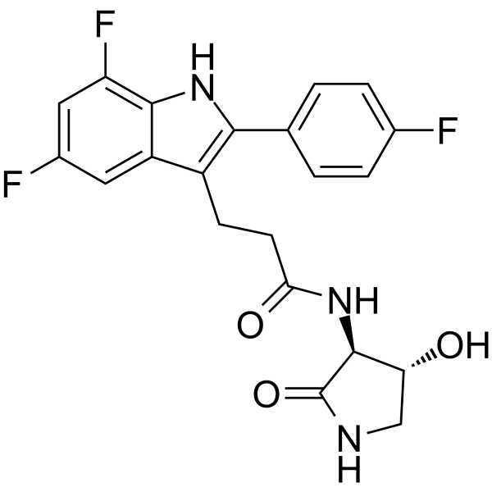
 | Indication | APOL1-mediated kidney disease, 100k patients US+EU
 | Clinical Trials
 |  | Phase II/III n=400

