Kalydeco
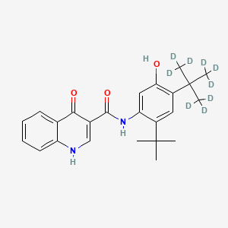
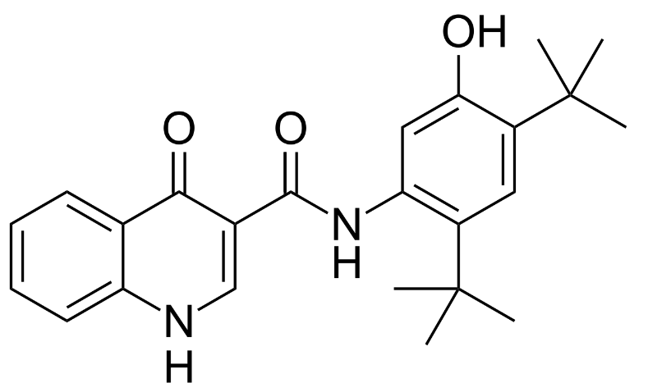
Main
 | Brand | Kalydeco
 | Generic
 | Indication | Cystic Fibrosis
 | Molecule | N-[2,4-bis(1,1-dimethylethyl)-5-hydroxyphenyl]-1,4-dihydro-4-oxoquinoline-3-carboxamide
 | IP

inaxaplin
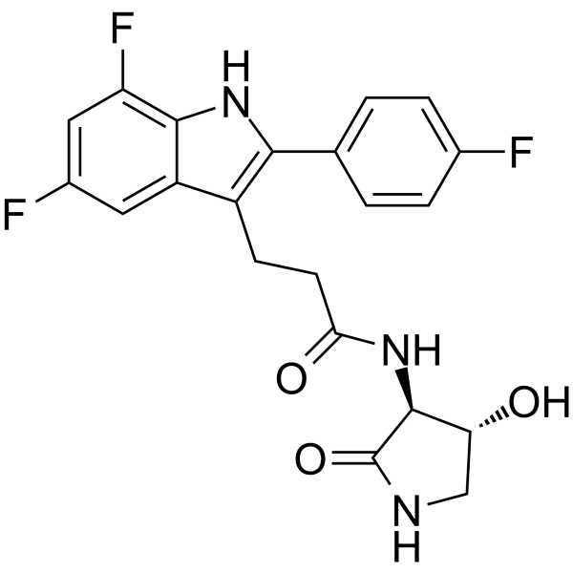
Main
 | Brand | VX-147
 | Generic | inaxaplin
 | Indication | APOL1-mediated kidney disease, 100k patients US+EU
 | MOA | APOL1 inhibitor
 | Clinical Trials
 |  | Phase II/III n=400 proteinuric kidney disease with two APOL1 mutations
 |  | PE of Phase III portion is 2 year eGFR slope
 |  | interim analysis at 1 year

