simufilam
Main
 | Brand | PTI-125
 | Generic | simufilam
 | Molecule | logP = 1.1
 | Indication | Alzheimer's
 | Clinical Trials
 |  | Phase IIb n=60 mild-to-moderate
 |  | 50mg bid, 100mg bid, placebo

 |  | Phase III "RETHINK-ALZ" - n=804 Alzheimer's 52 weeks - NCT04994483
 |  | data by YE24

 |  | Phase III "REFOCUS-ALZ" n=1100 Alzheimer's 76 weeks - NCT05026177
 |  | 50mg bid, 100mg bid, placebo

 |  | Phase II n=220 - NCT04388254
 |  | First posted: 5/11/2020
 |  | n=157?

 |  |  | 6 month change ADAS-Cog
 |  |  | 100mg (n=78) -0.9 - NOT STATISTICALLY SIGNIFICANT |  |  | 0.6
 |  |  | placebo (n=77) -1.5

 |  |  | 19.3 | 18.4 | -4.66%
 |  |  | 21.9 | 20.4 | -6.85%

 |  | TRAILBLAZR - donanemab
 |  | 27.6 mean combined cohort baseline
 |  | https://www.nejm.org/doi/full/10.1056/NEJMoa2100708

 |  | Dimebon Phase II n=183
 |  | https://www.thelancet.com/journals/lancet/article/PIIS0140-6736(08)61074-0/abstract
 |  | Treatment with dimebon resulted in significant benefits in ADAS-cog compared with placebo (ITT-LOCF) at week 26
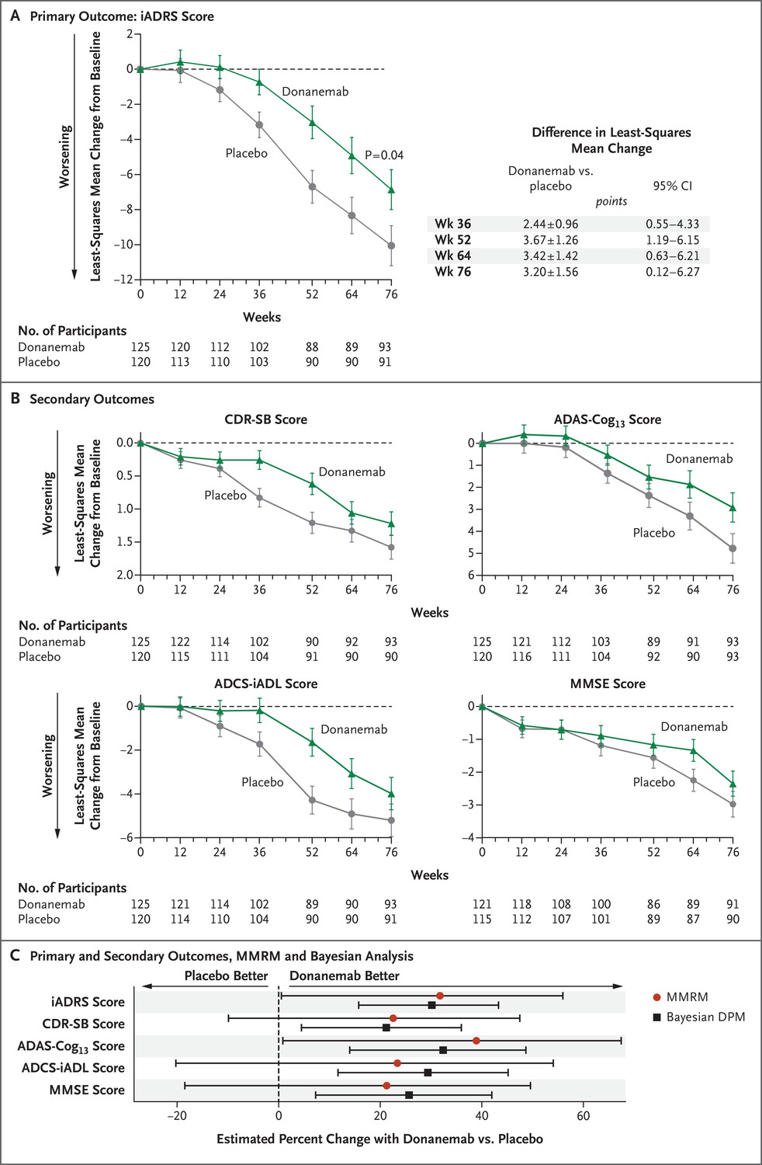
 |  | (mean drug-placebo difference −4·0 [95% CI −5·73 to −2·28]; p<0·0001

 |  | First preclinical paaper - 2012
 |  | https://www.ncbi.nlm.nih.gov/pmc/articles/PMC6621293/pdf/zns9773.pdf

