Auvelity
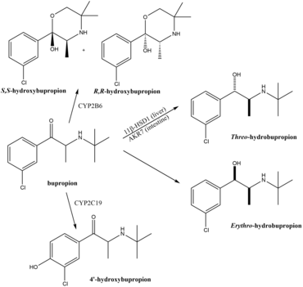
Main
 | Brand | Auvelity

