simufilam
Main
 | Brand | PTI-125
 | Generic | simufilam
 | Molecule | logP = 1.1
 | Indication | Alzheimer's
 | PK | T1/2=4 hours, Cmax 1100ng/mL, 0.6 CSF ratio
 |  | 10.31 | 100mL | 1031.25
 | IP | EP2488177A1, WO2010051476, US73231187
 | Clinical Trials
 |  | Phase IIb n=60 mild-to-moderate
 |  | 50mg bid, 100mg bid, placebo

 |  | Phase III "RETHINK-ALZ" - n=804 Alzheimer's 52 weeks - NCT04994483
 |  | data by YE24

 |  | Phase III "REFOCUS-ALZ" n=1100 Alzheimer's 76 weeks - NCT05026177
 |  | 50mg bid, 100mg bid, placebo

 |  | Phase II n=220 - NCT04388254
 |  | First posted: 5/11/2020
 |  | n=157?

 |  |  | 6 month change ADAS-Cog
 |  |  | 100mg (n=78) -0.9 - NOT STATISTICALLY SIGNIFICANT |  |  | 0.6
 |  |  | placebo (n=77) -1.5
 |  |  | 19.3 | 18.4 | -4.66%
 |  |  | 21.9 | 20.4 | -6.85%

 |  | https://cdn.clinicaltrials.gov/large-docs/03/NCT04079803/Prot_000.pdf

 |  | TRAILBLAZR - donanemab
 |  | 27.6 mean combined cohort baseline
 |  | https://www.nejm.org/doi/full/10.1056/NEJMoa2100708

 |  | Dimebon Phase II n=183
 |  | https://www.thelancet.com/journals/lancet/article/PIIS0140-6736(08)61074-0/abstract
 |  | Treatment with dimebon resulted in significant benefits in ADAS-cog compared with placebo (ITT-LOCF) at week 26
 |  | (mean drug-placebo difference −4·0 [95% CI −5·73 to −2·28]; p<0·0001

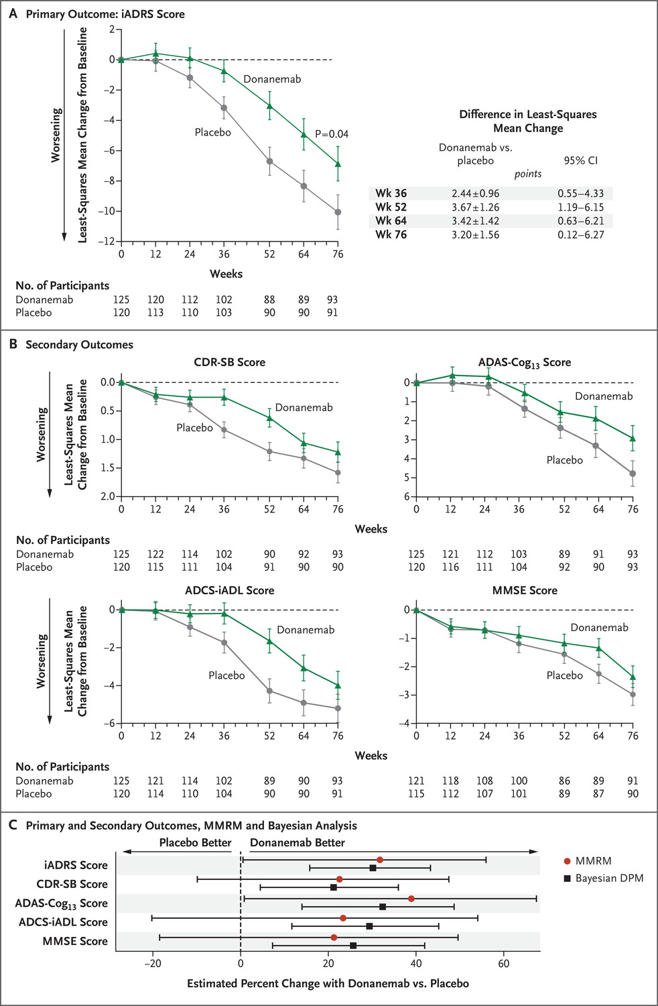

 |  | 2023 - Simufilam Reverses Aberrant Receptor Interactions of Filamin A in Alzheimer’s Disease
 |  | FRET study

 |  | 2012 - First preclinical paper - Reducing Amyloid-Related Alzheimer’s Disease Pathogenesis by a Small Molecule Targeting Filamin A - Hoau-Yan Wang et al.
 |  | https://www.ncbi.nlm.nih.gov/pmc/articles/PMC6621293/pdf/zns9773.pdf

 |  | Stossel T, Condeelis J, Cooley L, HartwigJ, NoegelA,SchleicherM,ShapiroS (2001) Filamins as integrators of cell mechanics and signalling. Nat Rev Mol Cell Biol 2:138–145

 |  | 2008 - High-Affinity Naloxone Binding to Filamin A Prevents Mu Opioid Receptor–Gs Coupling Underlying Opioid Tolerance and Dependence - Hoau-Yan Wang et al., retracted
 |  | Purports that naloxone binds filamin A with 200x affinity vs. MOR
 |  | https://www.ncbi.nlm.nih.gov/pmc/articles/PMC2212716/

 |  | 2010 - PTI-609: a novel analgesic that binds filamin A to control opioid signaling

 |  | https://clinicaltrials.gov/study/NCT03748706
 |  | https://reporter.nih.gov/search/CIo6aSQ6a0K-2obP5mPCyA/project-details/9828895
 |  | https://www.sec.gov/ix?doc=/Archives/edgar/data/1069530/000117184322005276/f8k_080222.htm
 |  | https://www.sec.gov/ix?doc=/Archives/edgar/data/1069530/000106953022000046/sava-20220922x8k.htm
 |  | PTI-125 binds and reverses an altered conformation of filamin A to reduce Alzheimer's disease pathogenesis
 |  | https://pubmed.ncbi.nlm.nih.gov/22815492/

 |  | Cortexzyme
 |  | Athira

