Tagrisso
Main
 | Brand | Tagrisso
 | Generic | osimertinib
 | Indication | EGFRm NSCLC
 | MOA | EGFR inhibitor
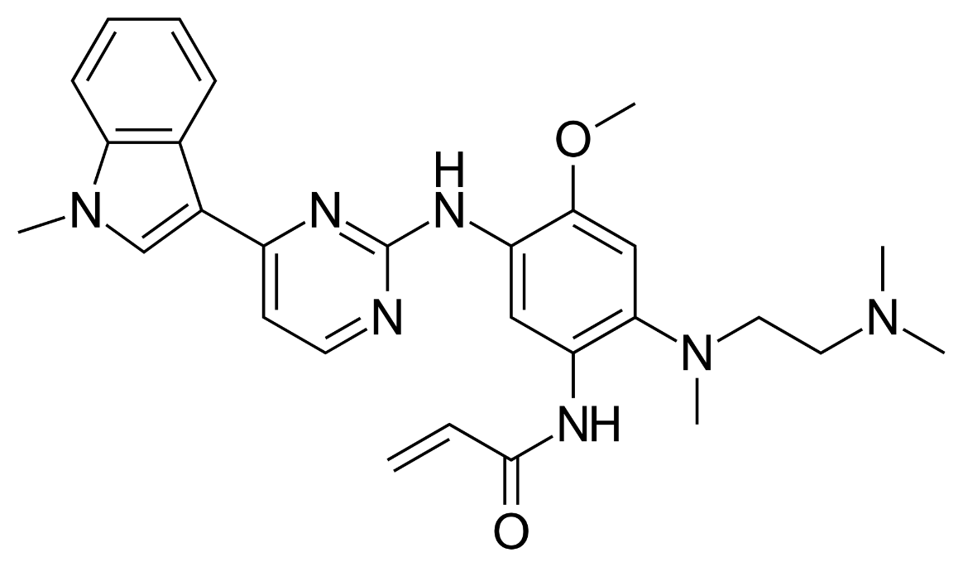
 | IP | 8946235 COM expires 2032

Farxiga
Main
 | Brand Name | Farxiga
 | Generic Name | dapagliflozin
 | Economics | Once part of BMY diabetes alliance
 | MOA | SGLT2 inhibitor
 | IP | 6515117 COM expires 2025
 |  | 10973836 MOU expires 2040!
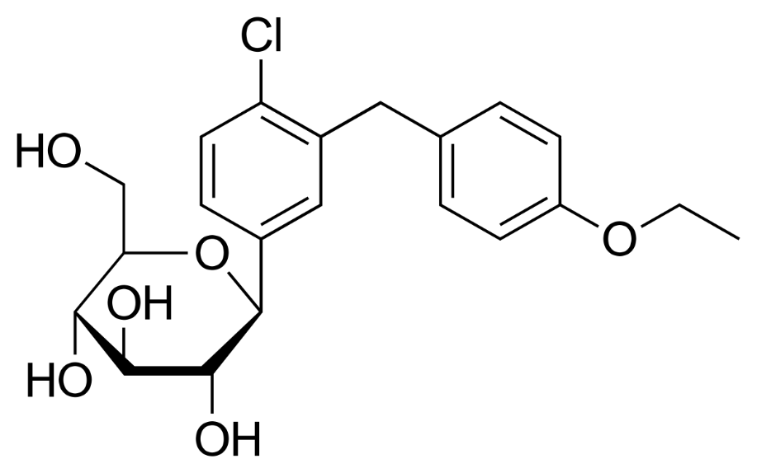
 | Clinical Trials
 |  | Phase IIB vs metformin and placebo - 12-week study - ADA 2008 presentation
 |  | A1C reductions similar to metformin.

Lynparza
Main
 | Brand | Lynparza, fka AZD2281
 | Generic | olaparib
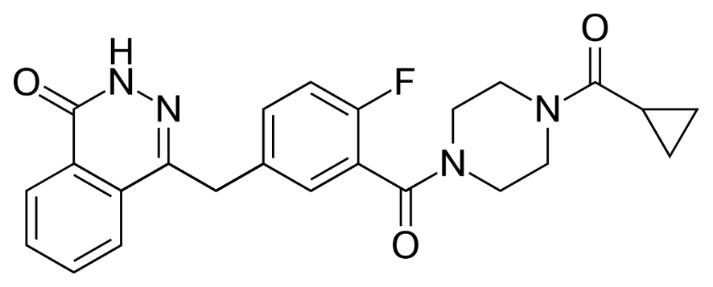
 | MOA | PARP1 inhibitor
 | Indication | aOC, mCRPC, pancreatic, mBC
 | Economics | MRK. Originally from KuDOS, acquired by AZN in 2006
 | PK | LogP=1.9, MW=434, HBD=1, HBA=5, RB=4, TPSA=82. Capsule discontinued, Tablet replaced
 | IP | 7151102 first patent doesn't correspond to structure, expired
 |  | 7449464 expires 2024
 |  | 8071579 expires 2027, MOU patent
 |  | 8143241 expires 2027, MOU patent
 |  | 8475842 expires 2029, formulation patent
 |  | 8859562 expires 2031, ridiculous claim

 | Clinical Trials
 |  | Phase III SOLO-2 - NCT01874353

 |  | Phase III POLO

 |  | Phase III "SOLO-1" n=391 1L aOC BRCA+ in PR/CR - NEJM 2018, NCT01844986
 |  | HR=0.30 TTP/OS

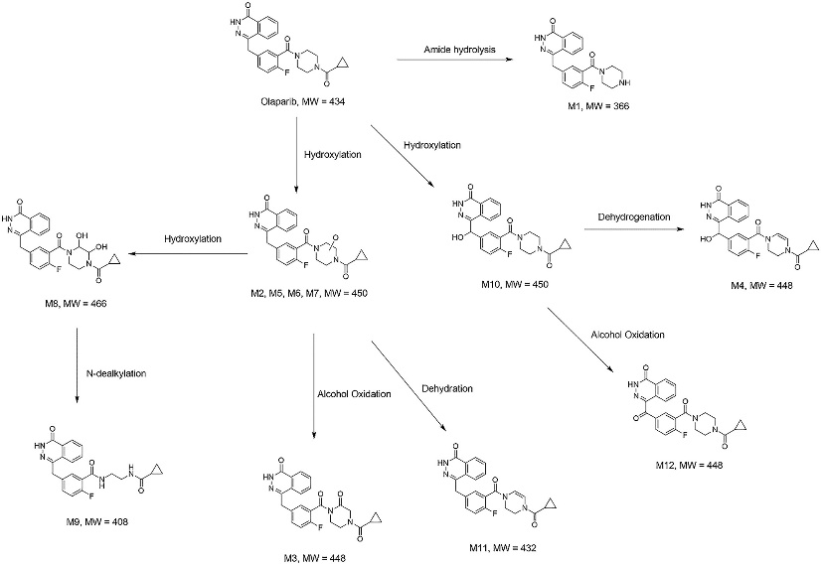
 |  | Phase III "PROpel" 1L CRPC abiraterone+-olaparib - NEJM 2022, NCT03732820
 |  | mibPFS HR=0.66, OS=0.86 (p=0.29 immature)
 |  | 24.8 months vs. 16.6 months mibPFS

