Farxiga
Main
 | Brand Name | Farxiga
 | Generic Name
 | Economics | In-licensed from BMY
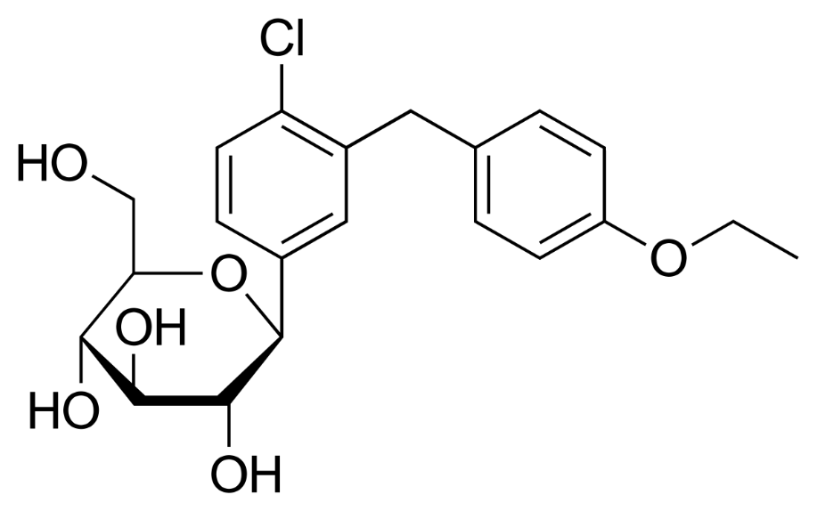
 | Clinical Trials
 |  | Phase IIB vs metformin and placebo - 12-week study - ADA 2008 presentation
 |  | A1C reductions similar to metformin.

