Transformer
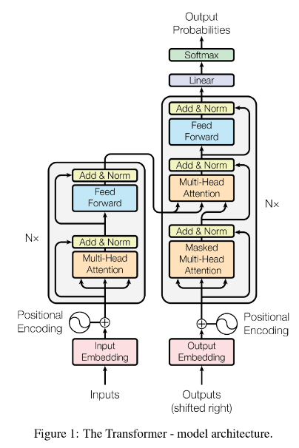
AI

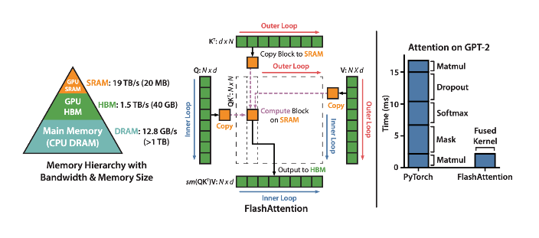
 | Encoder
 |  | n=6 identical layers

 | Decoder
 |  | n=6 identical layers

