Ponvory
Main
 | Brand | Ponvory
 | Generic | ponesimod
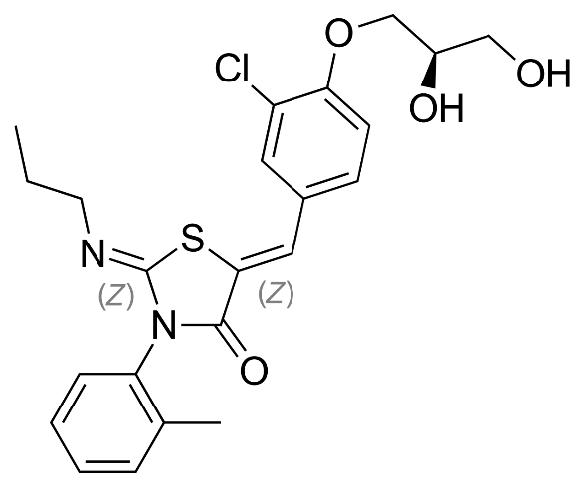
 | Indication | Relapsing Multiple Sclerosis. 2.3m WW, RMS is 85%
 | Economics | Idorsia
 | Clinical Trials
 |  | Phase III "OPTIMUM" n=1133 relapsing multiple sclerosis - ECTRIMS 2019
 |  | 20mg ponesimod vs. 14mg teriflunomide
 |  | ARR primary endpoint at week 108
 |  | ARR

