Phase 2
Main
 |  | Placebo | 50mg | 100mg
 | Day 28 (BURNS' VERSION) | -1.5 | -5.7 | -4.5
 | Day 28 (REAL DATA) | -3.4 | -2.8 | -0.1

simufilam
Main
 | Brand | PTI-125
 | Generic | simufilam
 | Molecule | logP = 1.1
 | Indication | Alzheimer's
 | PK | T1/2=4 hours, Cmax 1100ng/mL, 0.6 CSF ratio
 |  | 10.31 | 100mL | 1031.25
 | IP | EP2488177A1, WO2010051476, US73231187 |  |  |  |  |  |  |  |  |  |  | 50 | mg
 | Clinical Trials |  |  |  |  |  |  |  | Mild |  | Moderate |  | 50000 | ug
 |  | Phase IIb n=60 mild-to-moderate |  |  |  |  |  |  | Placebo | Simufilam | Placebo | Simufilam | 50000000 | ng
 |  | 50mg bid, 100mg bid, placebo |  |  |  |  |  | CWS | 36 | 39 | 41 | 39 | 35% | plasma
 |  |  |  |  |  |  |  | ADAS-Cog11 Mean | 11 | 11.2 | 31.5 | 27.9 | 17500000 | unbound/free concentration
 |  |  |  |  |  |  |  | Range | 3-24 | 1-28 | 12-64 | 14-56 | 50% | brain concentration
 |  | Phase III "RETHINK-ALZ" - n=804 Alzheimer's 52 weeks - NCT04994483 |  |  |  |  |  | MMSE Mean | 25.1 | 25.3 | 14.4 | 15.2 | 8750000 | ng
 |  | 100mg BID vs placebo. data by YE24 |  |  |  |  |  | Range | 21-30 | 21-30 | 5-20 | 4-20 | 8750 | ug
 |  |  |  |  |  |  |  |  |  |  |  |  | 1250 | ml - volume of brain
 |  |  |  |  |  |  |  |  |  |  |  |  | 300 | ml - volume of brain vasculature
 |  | Phase III "REFOCUS-ALZ" n=1100 Alzheimer's 76 weeks - NCT05026177 |  |  |  |  |  |  |  |  |  |  | 0.01 | affinity nM
 |  | 50mg bid, 100mg bid, placebo |  |  |  |  |  |  |  |  |  |  | 259.35 | g/mol
 |  |  |  |  |  |  |  |  |  |  |  |  | 259350 | mg/mol
 |  |  |  |  |  |  |  | Pre-CWS | Mild | Moderate |  |  | 259350000 | ug/mol
 |  | Phase II n=220 - NCT04388254 |  |  |  |  |  | n | 133 | 83 |  |  | 0.000034 | umol simufilam
 |  | First posted: 5/11/2020 |  |  |  |  |  | ADAS-Cog11 Mean | 15 | 25.7 |  |  | 0.0000000337 | nmol simufilam
 |  | n=157? |  |  |  |  |  | ADAS-Cog11 Range | 3-33 | 5-52 |  |  | 33.74
 |  |  |  |  |  |  |  | MMSE Mean | 23.8 | 17.8 |  |  | 25.00 | T 1/2 = 4 hours
 |  | 6 month change ADAS-Cog |  |  |  |  |  | MMSE Range | 21-30 | 10-20
 |  | 100mg (n=78) -0.9 - NOT STATISTICALLY SIGNIFICANT |  |  |  | 0.6
 |  | placebo (n=77) -1.5 |  |  |  |  |  | Randomized | 157
 |  | Simufilam | 19.3 | 18.4 | -4.7% | 0.9 |  | Full Analysis Set | 155 | 12.449899598 | 9.785621084
 |  | Placebo | 21.9 | 20.4 | -6.8% | 1.5 |  | Completers | 133

 | CWS | MOD-SIMU | 3.0 | 5.5 | 2.5
 | CWS | MOD-PBO | 6.8 | 9.2 | 2.4 |  |  | 1.55 |  | 1.50
 | CWS | MILD-SIMU | -2.0 | -2.0 | 0.0
 | CWS | MILD-PBO | -1.5 | -0.2 | 1.3 | 1.5 |  |  |  | 4.8 | 1.7
 | CWS |  |  |  |  |  |  |  |  | 3.9 | 1.5
 | CWS | SIMU |  |  | 1.25 | WORSE OVER 6 MONTHS |  | 0.60 |  | 2.2 | 1.2 | -1.9
 | CWS | PBO |  |  | 1.85 | WORSE OVER 6 MONTHS |  |  |  | 2.1 | 1.2 | 0.4
 |  |  |  |  |  |  |  |  |  | 2 | 1 | 0.5
 | 1st 12MO | MOD-SIMU | 0.0 | 3.0 | 3.0 |  |  |  |  | 1.8 | 0.8 | 0.8
 |  | MOD-PBO | 0.0 | 6.8 | 6.8
 |  | MILD-SIMU | 0.0 | -2.0 | -2.0 | AVERAGE
 |  | MILD-PBO | 0.0 | -1.5 | -1.5 | 1.6 | 3.0

 |  | SIMU | 0.0 |  | 1.0
 |  | PBO | 0.0 |  | 5.3

 | Last 6MO | MOD-SIMU | 0 | 2 | 2.0 |  | 1.6
 |  | MOD-PBO | -0.1 | 1 | 1.1
 |  | MILD-SIMU | 5.5 | 11 | 5.5
 |  | MILD-PBO | 9.1 | 14.1 | 5.0 |  | 3.4

 |  | https://cdn.clinicaltrials.gov/large-docs/03/NCT04079803/Prot_000.pdf

 |  | TRAILBLAZR - donanemab
 |  | 27.6 mean combined cohort baseline
 |  | https://www.nejm.org/doi/full/10.1056/NEJMoa2100708

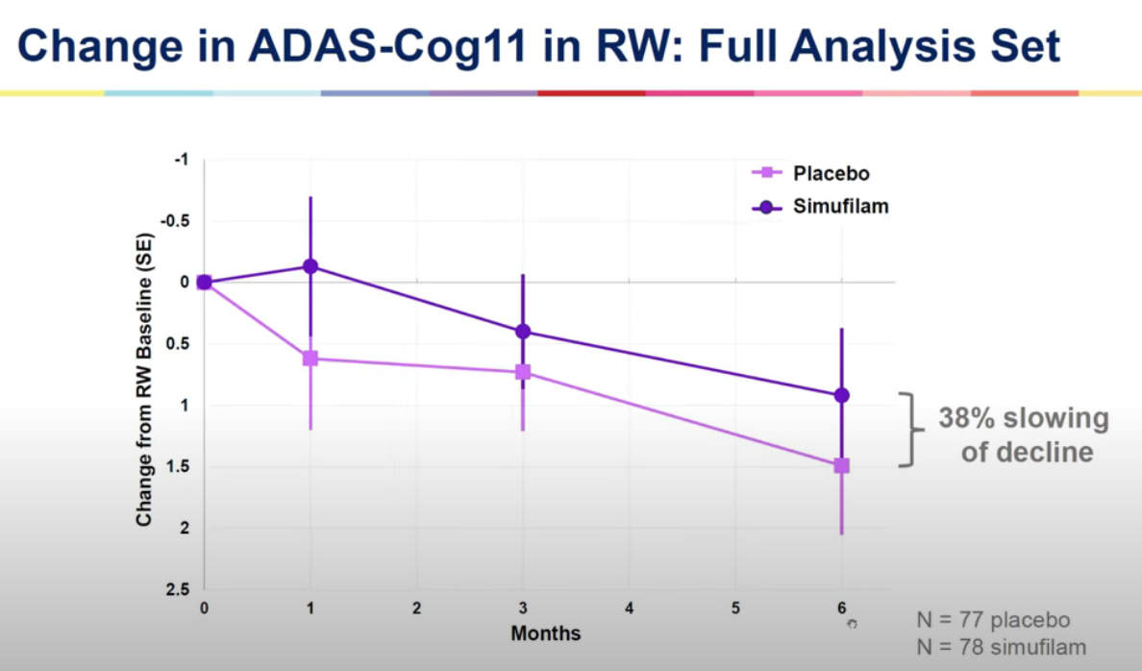
 |  | Dimebon Phase II n=183
 |  | https://www.thelancet.com/journals/lancet/article/PIIS0140-6736(08)61074-0/abstract
 |  | Treatment with dimebon resulted in significant benefits in ADAS-cog compared with placebo (ITT-LOCF) at week 26
 |  | (mean drug-placebo difference −4·0 [95% CI −5·73 to −2·28]; p<0·0001

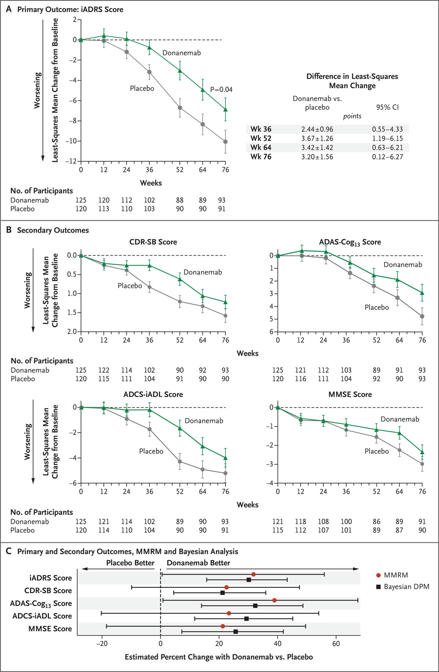
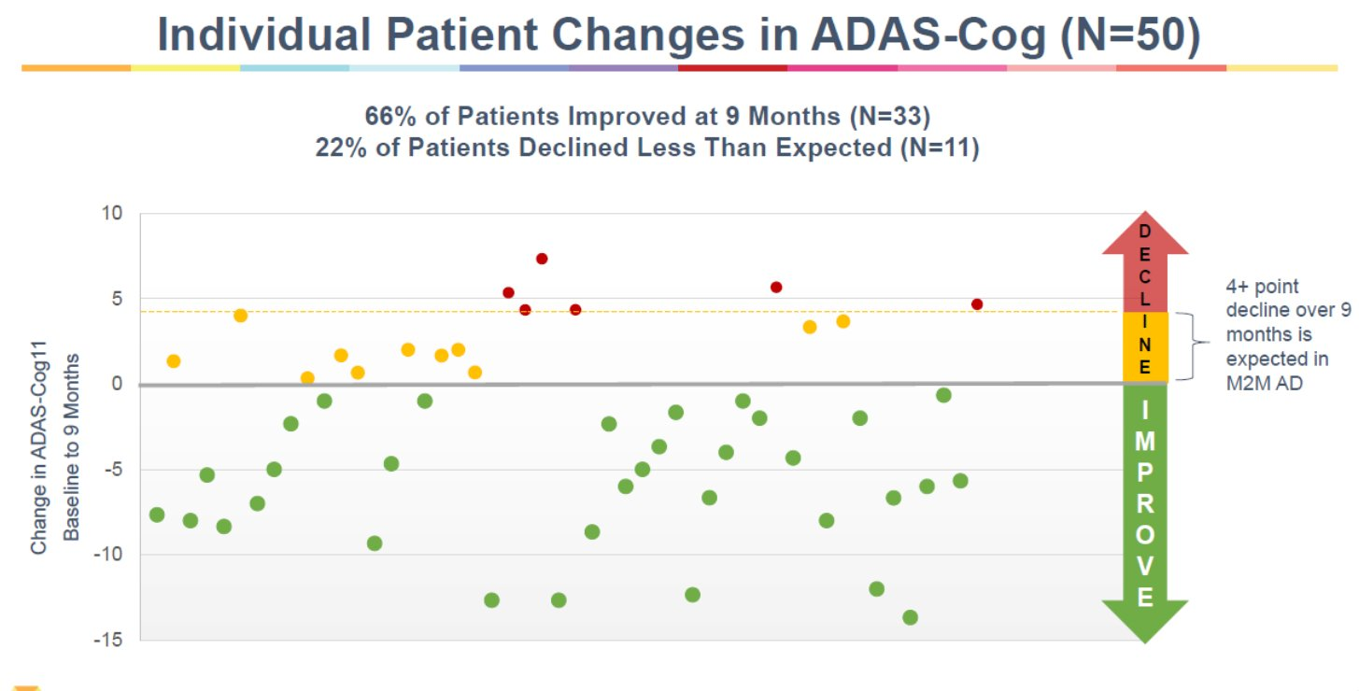
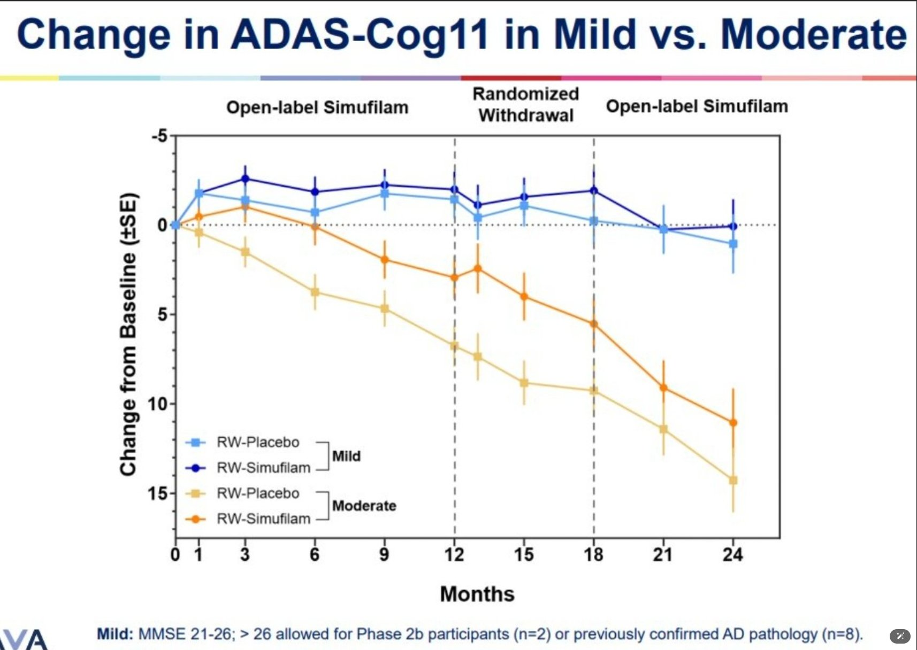

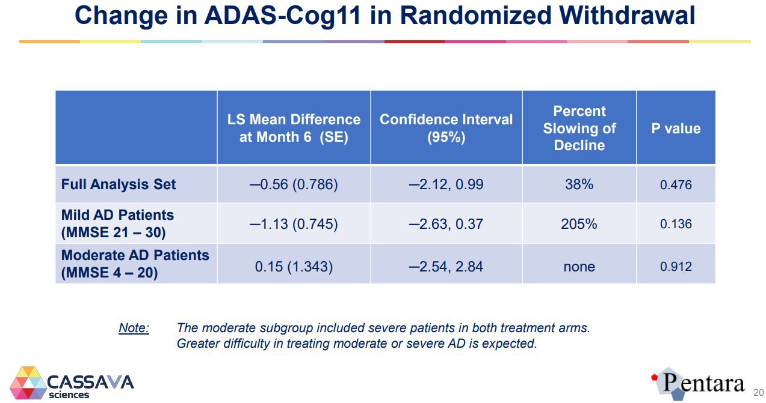
 |  | 2023 - Simufilam Reverses Aberrant Receptor Interactions of Filamin A in Alzheimer’s Disease
 |  | FRET study

 |  | 2012 - First preclinical paper - Reducing Amyloid-Related Alzheimer’s Disease Pathogenesis by a Small Molecule Targeting Filamin A - Hoau-Yan Wang et al.
 |  | https://www.ncbi.nlm.nih.gov/pmc/articles/PMC6621293/pdf/zns9773.pdf

 |  | Stossel T, Condeelis J, Cooley L, HartwigJ, NoegelA,SchleicherM,ShapiroS (2001) Filamins as integrators of cell mechanics and signalling. Nat Rev Mol Cell Biol 2:138–145

 |  | 2008 - High-Affinity Naloxone Binding to Filamin A Prevents Mu Opioid Receptor–Gs Coupling Underlying Opioid Tolerance and Dependence - Hoau-Yan Wang et al., retracted
 |  | Purports that naloxone binds filamin A with 200x affinity vs. MOR
 |  | https://www.ncbi.nlm.nih.gov/pmc/articles/PMC2212716/

 |  | 2010 - PTI-609: a novel analgesic that binds filamin A to control opioid signaling

 |  | https://clinicaltrials.gov/study/NCT03748706
 |  | https://reporter.nih.gov/search/CIo6aSQ6a0K-2obP5mPCyA/project-details/9828895
 |  | https://www.sec.gov/ix?doc=/Archives/edgar/data/1069530/000117184322005276/f8k_080222.htm
 |  | https://www.sec.gov/ix?doc=/Archives/edgar/data/1069530/000106953022000046/sava-20220922x8k.htm
 |  | PTI-125 binds and reverses an altered conformation of filamin A to reduce Alzheimer's disease pathogenesis
 |  | https://pubmed.ncbi.nlm.nih.gov/22815492/

 |  | Cortexzyme
 |  | Athira

AB
Main
 | Name | amyloid beta
 | Discovery | 1982 - Selkoe
 | Relevance | Highly implicated in Alzheimer's and Downs. Primary component of neuritic plaques.
 | Gene | APP (beta-amyloid precursor protein), chromosome 21
 |  | Mutations in APP can cause hereditary cerebral hemorrhage with amyloidosis
 |  | Presenilin (PS1, PS2) alter APP metabolism via gamma-secretase
 |  | Tau mutations cause FTD with parkinsonism (no amyloid)
 | Metabolism | APP cleaved by alpha-secretase, beta-secretase, gamma-secretase
 |  | PS1 metabolized by presenilinase
 |  | Epsilon secretase is apparently a thing.
 |  | transglutaminase TG2
 | Size | MW 4000
 | Preclinical | amyloid beta toxicity is tau dependent
 |  | apoE genetic findings are causal with amyloid
 | Chemistry | salt bridge from D23-K28
 | Clinical | Humans without AD can have cortical AB deposits.
 | Aggregation | monomers, oligomers, fibrils (insoluble), filaments, protofibrils
 | Molecules | bapineuzumab

 | https://pubmed.ncbi.nlm.nih.gov/38361142/
 | https://pubmed.ncbi.nlm.nih.gov/38937296/ |  | alpha7
 | https://pubmed.ncbi.nlm.nih.gov/38649596/ |  | CathD
 | https://pubmed.ncbi.nlm.nih.gov/38309203/ |  | copper
 | https://pubmed.ncbi.nlm.nih.gov/38540718/ |  | lipid bilayers
 | https://pubmed.ncbi.nlm.nih.gov/37105231/ |  | ABCA1
 | https://pubmed.ncbi.nlm.nih.gov/38076912/ |  | midkine, pleotrophin
 | https://pubmed.ncbi.nlm.nih.gov/37964757/ |  | alpha-synuclein
 | https://pubmed.ncbi.nlm.nih.gov/38010414/ |  | apoE
 |  |  | APOJ

 | PTI-125 binds and reverses an altered conformation of the scaffolding protein filamin A (FLNA) to prevent Aβ42's tight binding to and toxic signaling via the α7-nicotinic acetylcholine receptor (α7nAChR) as well as Aβ42's aberrant activation of toll-like receptor 4 (TLR4). Hence, by restoring FLNA's native shape and blocking these two toxic cascades, PTI-125 reduces both tau hyperphosphorylation and neuroinflammation. Downstream effects include reduced neurofibrillary lesions and amyloid deposits, suggesting disease modification, and improved synaptic plasticity and function of α7nAChR, NMDAR and insulin receptors, suggesting symptomatic improvement.

 | Papers | 3D structure of Alzheimer’s amyloid-Beta(1– 42) fibrils. Luhrs et al. PNAS 2005.
 |  | Fibrils are noncrystalline, insoluble and mesoscopically heterogeneous.
 |  | Fibrils form a cross-Beta structure that conaints parallel, in-register Beta sheets.
 |  | Amyloid beta forms beta strands (5-10 aa) which are perpendicular to the long axis of the fibril.
 |  | The strands are parallel to each other and in-register (adjacent strands are positioned opposite each other)
 |  | AB42 is the dominant species in AD.
 |  | AB42 is more likely to form fibrils in vitro than AB40.
 |  | H/D exchange experiment showed core is highly protected.
 |  | https://www.rcsb.org/structure/2BEG
 |  | 18-26 is Beta-strand one, 31-42 is Beta-strand two, both in core.
 |  | 1-17 is exposed.
 |  | DAEFRHDSGYEVHHQKLVFFAEDVGSNKGAIIGLMVGGVVIA
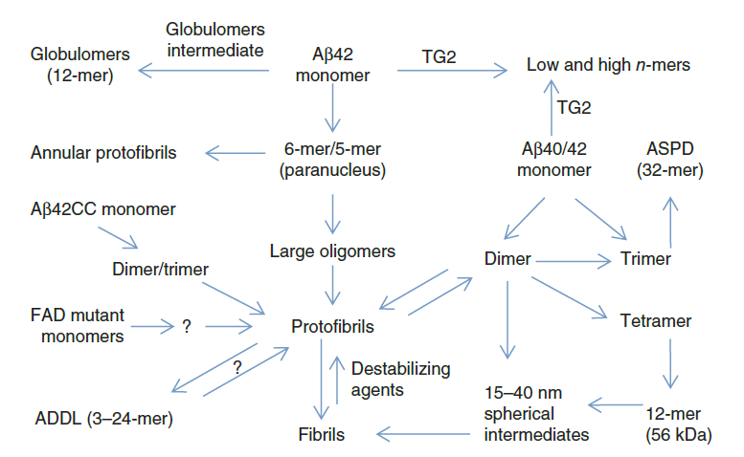
 |  | The toxic Aβ oligomer and Alzheimer’s disease: an emperor in need of clothes. Benilova et al. Nature Neurosci 2012.
 |  | Some amyloid beta is intracellular.
 |  | Neuronal tangles contain p-tau and amyloid plaques, they aggregate extracellularly, in cytoplasm, in the nucleus and at the cell membrane?
 |  | Is amyloid beta typically extracellular?
 |  | Insoluble, hydrophobic amyloid plaques may or may not be toxic while soluble oligomeric amyloid beta may be toxic.
 |  | There is no amyloid beta dementia--tau is required.
 |  | Is monomeric nontoxic? Monomeric is produced in neurons from APP by B- and gamma-secretase
 |  | Alpha secretase does not generate full length amyloid beta and creates non toxic products.
 |  | C-terminal is defined by gamma-secretase, creating AB43, AB42, AB40, AB38, AB37.
 |  | AB40 is continuously produced by healthy and AD brains.
 |  | Pyroglutamate AB is significant.
 |  | SDS can artificially induce AB oligos.
 |  | All amyloid beta species show synaptotoxicity, LTP/LTD alterations, neurotransmission and cognitive impacts in rodents.
 |  | Amylospheroids (10-15nm spherical)
 |  | J20 mouse model expresses human APP with two familial mutations.

FLNA
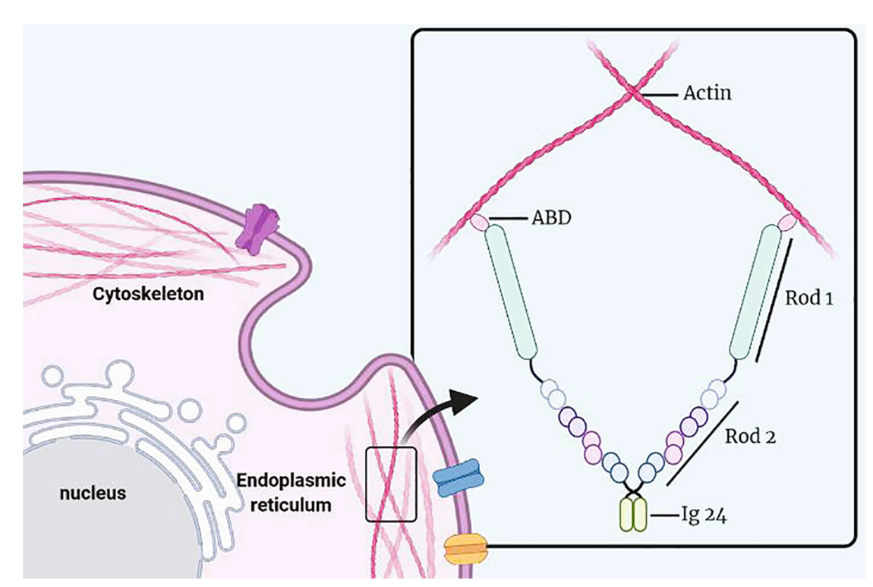
Main
 | Name | filamin A
 | Gene | Xq28, 47 exons, two transcripts
 |  | Sp1 promoter.
 |  | Expression for filamin A & B is wide, C is in skeletal & myocardial tissue
 | Protein | one actin-binding domain with 24 repeat Ig domains (96 AAs each)
 |  | F-actin binds at the N terminus and "promotes orthogonal branching of F-actin"
 |  | Tau also binds to F-actin.
 |  | Rod1, Rod2, Rep. 24,
 |  | Homologous to filamin B/C
 |  | Ser(2523) can be phosphorylated and result in decreased binding to F-actin.
 |  | Amyloid-beta alters protein conformation of FLNA (debunked?)
 | Function | determines shape and movement of cells by binding actin
 |  | It can act as a scaffold (???) for signaling molecules or as an adhesion protein???
 |  | Memantine reduced FLNA expression by nearly half in the hippocampus
 | Gene Dosage | periventricular nodular heterotopia (brain malformation due to cellular migration deficit). Males die after birth or soon after.
 |  | Heart valve, bone, GI, megakaryocyte
 |  | Cancer?
 | Weight | 280kda
 | Location | Cytoplasm
 | Mutations | p.Ala39Gly loses F-actin binding
 | Metabolism | calpain
 | Papers
 |  | https://pubmed.ncbi.nlm.nih.gov/33330477/
 |  | https://pubmed.ncbi.nlm.nih.gov/20460118/
 |  | https://pubmed.ncbi.nlm.nih.gov/36506473/
 |  | https://pubmed.ncbi.nlm.nih.gov/36399251/

 |  | The many faces of filamin: A versatile molecular scaffold for cell motility and signalling

 |  | The filamins: Organizers of cell structure and function

 |  | Actin-binding protein filamin-A drives tau aggregation and contributes to progressive supranuclear palsy pathology. Tsujikawa et al. Sci Adv 2022.
 |  | Nagoya University Graduate School of Medicine.
 |  | Filamin A promotes tau aggregation
 |  | Meanwhile, the findings of no increase in FLNA levels under massive tau induction in tau transgenic mice (fig. S3) suggest that the FLNA lies upstream to the tau pathology.
 |  | F-actin binds at the N terminus and "promotes orthogonal branching of F-actin"
 |  | Serine 2523 phosphorylation allows for tau solubility.

PMID | Title | Authors | Citation | First Author | Journal/Book | Publication Year | Create Date | PMCID | NIHMS ID | DOI
39215616 | HSPB8-BAG3 chaperone complex modulates cell invasion in intrahepatic cholangiocarcinoma by regulating CASA-mediated Filamin A degradation | Shu B, Wen Y, Lin R, He C, Luo C, Li F. | Cancer Biol Ther. 2024 Dec 31;25(1):2396694. doi: 10.1080/15384047.2024.2396694. Epub 2024 Aug 31. | Shu B | Cancer Biol Ther | 2024 | 2024-08-31 | PMC11370900 |  | 10.1080/15384047.2024.2396694
39215762 | The hinge-1 domain of Flna is not necessary for diverse physiological functions in mice | Wade EM, Goodin EA, Morgan T, Pereira S, Woolley AG, Jenkins ZA, Daniel PB, Robertson SP. | Eur J Clin Invest. 2024 Dec;54(12):e14308. doi: 10.1111/eci.14308. Epub 2024 Aug 31. | Wade EM | Eur J Clin Invest | 2024 | 2024-08-31 |  |  | 10.1111/eci.14308
38971342 | Exploring the immune landscape of disulfidptosis in ulcerative colitis and the role of modified gegen qinlian decoction in mediating disulfidptosis to alleviate colitis in mice | Huang J, Zhang J, Wang F, Tang X. | J Ethnopharmacol. 2024 Nov 15;334:118527. doi: 10.1016/j.jep.2024.118527. Epub 2024 Jul 5. | Huang J | J Ethnopharmacol | 2024 | 2024-07-06 |  |  | 10.1016/j.jep.2024.118527
39528354 | Therapeutic potential of targeting the FLNA-regulated Wee1 kinase in adrenocortical carcinomas | Esposito E, Marra G, Catalano R, Maioli S, Nozza E, Barbieri AM, Hantel C, Di Dalmazi G, Sigala S, Geginat J, Cassinotti E, Baldari L, Palmieri S, Mangone A, Berruti A, Ferrante E, Mantovani G, Peverelli E. | Int J Cancer. 2024 Nov 11. doi: 10.1002/ijc.35239. Online ahead of print. | Esposito E | Int J Cancer | 2024 | 2024-11-11 |  |  | 10.1002/ijc.35239
39510553 | Pulmonary hypertension in patients carrying FLNA loss-of-function variants | Stourm L, Grynblat J, Savale L, Lacoste-Palasset T, Jaïs X, Coulet F, Levy M, Meyrignac O, Ghigna MR, Cottin V, Sitbon O, Bonnet D, Goupil F, Humbert M, Gagnadoux F, Montani D; French PH Network PULMOTENSION Investigators. | Eur Respir J. 2024 Nov 7:2401132. doi: 10.1183/13993003.01132-2024. Online ahead of print. | Stourm L | Eur Respir J | 2024 | 2024-11-07 |  |  | 10.1183/13993003.01132-2024
39285959 | A familial case of diffuse periventricular nodular heterotopia identified prenatally: Filamin A defect as the probable cause | Neves MT, Borges AL, Martins G, Sá G, Loureiro T, Moldovan O. | Radiol Case Rep. 2024 Aug 31;19(11):5393-5398. doi: 10.1016/j.radcr.2024.07.190. eCollection 2024 Nov. | Neves MT | Radiol Case Rep | 2024 | 2024-09-17 | PMC11402618 |  | 10.1016/j.radcr.2024.07.190
39046849 | New insights of glycoprotein Ib-IX-V complex organization and glycoprotein Ibα in platelet biogenesis | Huang L, Shao B. | Curr Opin Hematol. 2024 Nov 1;31(6):294-301. doi: 10.1097/MOH.0000000000000832. Epub 2024 Jul 16. | Huang L | Curr Opin Hematol | 2024 | 2024-07-24 |  |  | 10.1097/MOH.0000000000000832
38461970 | N-terminal processing by dipeptidyl peptidase 9: Cut and Go! | Zolg S, Donzelli L, Geiss-Friedlander R. | Biochimie. 2024 Nov;226:180-192. doi: 10.1016/j.biochi.2024.03.002. Epub 2024 Mar 9. | Zolg S | Biochimie | 2024 | 2024-03-10 |  |  | 10.1016/j.biochi.2024.03.002
39484266 | Isolated prolapse of the posterior mitral valve leaflet: phenotypic refinement, heritability and genetic etiology | Rimbert A, Duval D, Trujillano D, Kyndt F, Jobbe-Duval A, Lindenbaum P, Tucker N, Lecointe S, Labbé P, Toquet C, Karakachoff M, Roussel JC, Baufreton C, Bruneval P, Cueff C, Donal E, Redon R, Olaso R, Boland A, Deleuze JF; FranceGenRef Consortium; Estivill X, Slaugenhaupt S, Markwald RR, Norris RA, Verhoye JP, Probst V, Hagège A, Levine R, Jeunemaitre X, Marec HL, Capoulade R, Bouatia-Naji N, Dina C, Milan D, Ossowski S, Schott JJ, Mérot J, Scouarnec SL, Tourneau TL. | medRxiv [Preprint]. 2024 Oct 17:2024.10.16.24315096. doi: 10.1101/2024.10.16.24315096. | Rimbert A | medRxiv | 2024 | 2024-11-01 | PMC11527059 |  | 10.1101/2024.10.16.24315096
39189664 | Filamin A regulates platelet shape change and contractile force generation via phosphorylation of the myosin light chain | Hong F, Mollica MY, Golla K, De Silva E, Sniadecki NJ, López JA, Kim H. | Biochem J. 2024 Oct 17;481(20):1395-1410. doi: 10.1042/BCJ20240114. | Hong F | Biochem J | 2024 | 2024-08-27 | PMC11555712 |  | 10.1042/BCJ20240114
39173431 | Congenital short bowel syndrome: Cases series in the same family and review of literature | Nhan VT, Hoang TV, Nhan PNH, Huynh QTV, Ban HT. | Int J Surg Case Rep. 2024 Oct;123:110135. doi: 10.1016/j.ijscr.2024.110135. Epub 2024 Aug 22. | Nhan VT | Int J Surg Case Rep | 2024 | 2024-08-22 | PMC11388007 |  | 10.1016/j.ijscr.2024.110135
38853608 | Pathogenic FLNA variants affecting the hinge region of filamin A are associated with male survival | Wade EM, Morgan T, Gimenez G, Jenkins ZA, Titheradge H, O'Donnell M, Skidmore D, Suri M, Robertson SP. | Am J Med Genet A. 2024 Oct;194(10):e63779. doi: 10.1002/ajmg.a.63779. Epub 2024 Jun 10. | Wade EM | Am J Med Genet A | 2024 | 2024-06-10 |  |  | 10.1002/ajmg.a.63779
39351381 | Secondary spontaneous pneumothorax as the presenting manifestation of filamin A-associated lung disease | Holden S, Barker AP, Babar J, Karia S, Gupta N, Sinharay R, Marciniak SJ. | ERJ Open Res. 2024 Sep 30;10(5):00011-2024. doi: 10.1183/23120541.00011-2024. eCollection 2024 Sep. | Holden S | ERJ Open Res | 2024 | 2024-10-01 | PMC11440369 |  | 10.1183/23120541.00011-2024
39399465 | Unraveling the pathogenic mechanism of a novel filamin a frameshift variant in periventricular nodular heterotopia | Xue C, Wang Y, Peng J, Feng S, Guan Y, Hao Y. | Front Pharmacol. 2024 Sep 27;15:1429177. doi: 10.3389/fphar.2024.1429177. eCollection 2024. | Xue C | Front Pharmacol | 2024 | 2024-10-14 | PMC11466872 |  | 10.3389/fphar.2024.1429177
39164108 | Reducing Filamin A Restores Cortical Synaptic Connectivity and Early Social Communication Following Cellular Mosaicism in Autism Spectrum Disorder Pathways | Binder MS, Escobar I, Xu Y, Sokolov AM, Zhang L, Bordey A. | J Neurosci. 2024 Sep 25;44(39):e1245232024. doi: 10.1523/JNEUROSCI.1245-23.2024. | Binder MS | J Neurosci | 2024 | 2024-08-20 | PMC11426378 |  | 10.1523/JNEUROSCI.1245-23.2024
39359981 | Polyvalvular Dysplasia and Vascular Abnormalities in a Neonate With an FLNA Variant | Frenkel A, Frenkel M, Schulte JJ, Srinivasan S, Lamers L. | JACC Case Rep. 2024 Sep 18;29(18):102556. doi: 10.1016/j.jaccas.2024.102556. eCollection 2024 Sep 18. | Frenkel A | JACC Case Rep | 2024 | 2024-10-03 | PMC11442230 |  | 10.1016/j.jaccas.2024.102556
38592439 | Curcumin suppresses the malignant phenotype of laryngeal squamous cell carcinoma through downregulating E2F1 to inhibit FLNA | Xie Y, Qi J, Liu J. | Naunyn Schmiedebergs Arch Pharmacol. 2024 Sep;397(9):6929-6939. doi: 10.1007/s00210-024-03059-x. Epub 2024 Apr 9. | Xie Y | Naunyn Schmiedebergs Arch Pharmacol | 2024 | 2024-04-09 |  |  | 10.1007/s00210-024-03059-x
39273357 | Significance of Fibrillin-1, Filamin A, MMP2 and SOX9 in Mitral Valve Pathology | Opris CE, Suciu H, Jung I, Flamand S, Harpa MM, Opris CI, Popa C, Kovacs Z, Gurzu S. | Int J Mol Sci. 2024 Aug 29;25(17):9410. doi: 10.3390/ijms25179410. | Opris CE | Int J Mol Sci | 2024 | 2024-09-14 | PMC11394784 |  | 10.3390/ijms25179410
39195282 | Targeting Cleavage of C-Terminal Fragment of Cytoskeletal Filamin A in Cancers | Cakici O, Bandaru S, Lee GY, Mustafa D, Akyürek LM. | Cells. 2024 Aug 21;13(16):1394. doi: 10.3390/cells13161394. | Cakici O | Cells | 2024 | 2024-08-28 | PMC11352274 |  | 10.3390/cells13161394
39135964 | Hippocampal adenosine-to-inosine RNA editing in sepsis: dynamic changes and influencing factors | Jin YY, Liang YP, Wei ZY, Sui WJ, Chen JH. | Brain Commun. 2024 Aug 8;6(4):fcae260. doi: 10.1093/braincomms/fcae260. eCollection 2024. | Jin YY | Brain Commun | 2024 | 2024-08-13 | PMC11317967 |  | 10.1093/braincomms/fcae260
38912837 | Identification of Regulatory RNA-Binding Proteins Associated with Immune Infiltration in Laryngeal Squamous Cell Carcinoma | Xu X, Yang X, Tang J, Wu X, He X. | J Immunol. 2024 Aug 1;213(3):394-402. doi: 10.4049/jimmunol.2300498. | Xu X | J Immunol | 2024 | 2024-06-24 |  |  | 10.4049/jimmunol.2300498
39182401 | CircRNA ATF6 suppresses bladder cancer cell proliferation and migration via miR-146a-5p/FLNA axis | Lu B, Zhou Y, Ma Z, Wang Z. | Mutat Res. 2024 Jul 31;829:111876. doi: 10.1016/j.mrfmmm.2024.111876. Online ahead of print. | Lu B | Mutat Res | 2024 | 2024-08-25 |  |  | 10.1016/j.mrfmmm.2024.111876
39082299 | Integrated Genome-Wide Analysis of DNA Methylation and Gene Expression in the Hippocampi of 5xFAD Alzheimer's Disease Mouse Model | Lee S, Lee HJ, Chun JM, Jung B, Kim J, Moon C, Kim C, Kim JS. | J Integr Neurosci. 2024 Jul 24;23(7):138. doi: 10.31083/j.jin2307138. | Lee S | J Integr Neurosci | 2024 | 2024-07-31 |  |  | 10.31083/j.jin2307138
38958128 | Contributions of Germline and Somatic Mosaic Genetics to Thoracic Aortic Aneurysms in Nonsyndromic Individuals | Chen MH, Deng ES, Yamada JM, Choudhury S, Scotellaro J, Kelley L, Isselbacher E, Lindsay ME, Walsh CA, Doan RN. | J Am Heart Assoc. 2024 Jul 16;13(14):e033232. doi: 10.1161/JAHA.123.033232. Epub 2024 Jul 3. | Chen MH | J Am Heart Assoc | 2024 | 2024-07-03 | PMC11292778 |  | 10.1161/JAHA.123.033232
39009944 | Short-term S100A8/A9 Blockade Promotes Cardiac Neovascularization after Myocardial Infarction | Mares RG, Suica VI, Uyy E, Boteanu RM, Ivan L, Cocuz IG, Sabau AH, Yadav V, Szabo IA, Cotoi OS, Tomut ME, Jakobsson G, Simionescu M, Antohe F, Schiopu A. | J Cardiovasc Transl Res. 2024 Jul 15. doi: 10.1007/s12265-024-10542-6. Online ahead of print. | Mares RG | J Cardiovasc Transl Res | 2024 | 2024-07-15 |  |  | 10.1007/s12265-024-10542-6
39055653 | Role of actin-binding proteins in prostate cancer | Fu F, Yu Y, Zou B, Long Y, Wu L, Yin J, Zhou Q. | Front Cell Dev Biol. 2024 Jul 11;12:1430386. doi: 10.3389/fcell.2024.1430386. eCollection 2024. | Fu F | Front Cell Dev Biol | 2024 | 2024-07-26 | PMC11269120 |  | 10.3389/fcell.2024.1430386
38958472 | Charting the importance of filamin A posttranslational modifications | Shead KD, Salyahetdinova V, Baillie GS. | Biochem J. 2024 Jul 3;481(13):865-881. doi: 10.1042/BCJ20240121. | Shead KD | Biochem J | 2024 | 2024-07-03 | PMC11346442 |  | 10.1042/BCJ20240121
38966751 | Endothelial-derived microvesicles promote pro-migratory cross-talk with smooth muscle cells by a mechanism requiring tissue factor and PAR2 activation | Featherby SJ, Ettelaie C. | Front Cardiovasc Med. 2024 Jun 20;11:1365008. doi: 10.3389/fcvm.2024.1365008. eCollection 2024. | Featherby SJ | Front Cardiovasc Med | 2024 | 2024-07-05 | PMC11222581 |  | 10.3389/fcvm.2024.1365008
38733546 | Label free quantitative proteomic profiling of serum samples of intellectually disabled young patients revealed dysregulation of complement coagulation and cholesterol cascade systems | Vankwani S, Mirza MR, Awan FR, Zafar M, Nawrocki A, Wasim M, Khan HN, Ayesha H, Larsen MR, Choudhary MI. | Metab Brain Dis. 2024 Jun;39(5):855-869. doi: 10.1007/s11011-024-01351-6. Epub 2024 May 11. | Vankwani S | Metab Brain Dis | 2024 | 2024-05-11 |  |  | 10.1007/s11011-024-01351-6
38614124 | FLNA overexpression promotes papillary thyroid cancer aggression via the FAK/AKT signaling pathway | Liang W, Zhang Y, Guo Y, Zhang P, Jin J, Guan H, Li Y. | Endocr Connect. 2024 May 7;13(6):e240034. doi: 10.1530/EC-24-0034. Print 2024 Jun 1. | Liang W | Endocr Connect | 2024 | 2024-04-13 | PMC11103747 |  | 10.1530/EC-24-0034
38311094 | Filamin A in triple negative breast cancer | Giovannelli P, Di Donato M, Licitra F, Sabbatino E, Tutino V, Castoria G, Migliaccio A. | Steroids. 2024 May;205:109380. doi: 10.1016/j.steroids.2024.109380. Epub 2024 Feb 2. | Giovannelli P | Steroids | 2024 | 2024-02-04 |  |  | 10.1016/j.steroids.2024.109380
38651904 | Erratum to "Filamin A protects cells against force-induced apoptosis by stabilizing talin- and vinculin-containing cell adhesions" |  | FASEB J. 2024 Apr 30;38(8):e23617. doi: 10.1096/fj.202400751. |  | FASEB J | 2024 | 2024-04-23 |  |  | 10.1096/fj.202400751
38325399 | Inflammasome-Independent Mechanism of NLRP3 Is Critical for Platelet GPIb-IX Function and Thrombosis | Chen X, Li J, Liu P, Zhou Y, Zhang T, Li L, Shi J, Deng X, Sheng Y, Chen W, Wang D, Hu H. | Thromb Haemost. 2024 Apr 23. doi: 10.1055/a-2263-8372. Online ahead of print. | Chen X | Thromb Haemost | 2024 | 2024-02-07 |  |  | 10.1055/a-2263-8372
38666944 | Role of Filamin A in Growth and Migration of Breast Cancer-Review | Zawadka P, Zielińska W, Gagat M, Izdebska M. | Curr Issues Mol Biol. 2024 Apr 17;46(4):3408-3423. doi: 10.3390/cimb46040214. | Zawadka P | Curr Issues Mol Biol | 2024 | 2024-04-26 | PMC11049233 |  | 10.3390/cimb46040214
38148157 | Filamin A heart valve disease as a genetic cause of inherited bicuspid and tricuspid aortic valve disease | Delwarde C, Toquet C, Boureau AS, Le Ruz R, Le Scouarnec S, Mérot J, Kyndt F, Bernstein D, Bernstein JA, Aalberts JJJ, Le Marec H, Schott JJ, Roussel JC, Le Tourneau T, Capoulade R. | Heart. 2024 Apr 15;110(9):666-674. doi: 10.1136/heartjnl-2023-323491. | Delwarde C | Heart | 2024 | 2023-12-26 |  |  | 10.1136/heartjnl-2023-323491
38330446 | Ganoderic acid A suppresses autophagy by regulating the circFLNA/miR-486-3p/CYP1A1/XRCC1 axis to strengthen the sensitivity of lung cancer cells to cisplatin | Gong E, Pan J, Ye Z, Cai X, Zheng H, Yin Z, Jiang Y, Wang X, Cao Z. | J Pharm Pharmacol. 2024 Apr 3;76(4):354-367. doi: 10.1093/jpp/rgad116. | Gong E | J Pharm Pharmacol | 2024 | 2024-02-08 |  |  | 10.1093/jpp/rgad116
38476605 | Exploring protein profiles and hub genes in ameloblastoma | Sanguansin S, Kengkarn S, Klongnoi B, Chujan S, Roytrakul S, Kitkumthorn N. | Biomed Rep. 2024 Feb 20;20(4):64. doi: 10.3892/br.2024.1752. eCollection 2024 Apr. | Sanguansin S | Biomed Rep | 2024 | 2024-03-13 | PMC10928474 |  | 10.3892/br.2024.1752
38311336 | D-pinitol alleviates diabetic cardiomyopathy by inhibiting the optineurin-mediated endoplasmic reticulum stress and glycophagy signaling pathway | Li X, Yu X, Yu F, Fu C, Zhao W, Liu X, Dai C, Gao H, Cheng M, Li B. | Phytother Res. 2024 Mar;38(3):1681-1694. doi: 10.1002/ptr.8134. Epub 2024 Feb 4. | Li X | Phytother Res | 2024 | 2024-02-04 |  |  | 10.1002/ptr.8134
38224333 | Somatostatin receptors and the associated intracellular machinery: the two sides of the coin | Campana C, Iyer AM, Ferone D, Gatto F, Hofland LJ. | J Endocrinol. 2024 Feb 7;260(3):e230298. doi: 10.1530/JOE-23-0298. Print 2024 Mar 1. | Campana C | J Endocrinol | 2024 | 2024-01-15 |  |  | 10.1530/JOE-23-0298
38148030 | Diffuse interstitial lung disease in a male fetus with periventricular nodular heterotopia and filamin A mosaic variant | Desnous B, Carles G, Riccardi F, Stremler N, Baravalle M, El-Louali F, Testud B, Milh M. | Prenat Diagn. 2024 Mar;44(3):364-368. doi: 10.1002/pd.6505. Epub 2023 Dec 26. | Desnous B | Prenat Diagn | 2024 | 2023-12-26 |  |  | 10.1002/pd.6505
38131667 | Digenic FLNA and UCHL1 variants resulting in a complex phenotype | Pernice HF, O'Donnell LF, Rossor AM, Laura M, Record CJ, Skorupinska M, Blake J, Poh R, Polke J, Reilly MM. | J Peripher Nerv Syst. 2024 Mar;29(1):111-115. doi: 10.1111/jns.12611. Epub 2024 Jan 7. | Pernice HF | J Peripher Nerv Syst | 2024 | 2023-12-22 |  |  | 10.1111/jns.12611
38360940 | Cell softness renders cytotoxic T lymphocytes and T leukemic cells resistant to perforin-mediated killing | Zhou Y, Wang D, Zhou L, Zhou N, Wang Z, Chen J, Pang R, Fu H, Huang Q, Dong F, Cheng H, Zhang H, Tang K, Ma J, Lv J, Cheng T, Fiskesund R, Zhang X, Huang B. | Nat Commun. 2024 Feb 15;15(1):1405. doi: 10.1038/s41467-024-45750-w. | Zhou Y | Nat Commun | 2024 | 2024-02-15 | PMC10869718 |  | 10.1038/s41467-024-45750-w
38396812 | The Role of Mechanotransduction in Contact Inhibition of Locomotion and Proliferation | Nakamura F. | Int J Mol Sci. 2024 Feb 10;25(4):2135. doi: 10.3390/ijms25042135. | Nakamura F | Int J Mol Sci | 2024 | 2024-02-24 | PMC10889191 |  | 10.3390/ijms25042135
38398103 | Filamin A Is a Prognostic Serum Biomarker for Differentiating Benign Prostatic Hyperplasia from Prostate Cancer in Caucasian and African American Men | Mahaveer Chand N, Tekumalla PK, Rosenberg MT, Dobi A, Ali A, Miller GM, Aristizabal-Henao JJ, Granger E, Freedland SJ, Kellogg MD, Srivastava S, McLeod DG, Narain NR, Kiebish MA. | Cancers (Basel). 2024 Feb 8;16(4):712. doi: 10.3390/cancers16040712. | Mahaveer Chand N | Cancers (Basel) | 2024 | 2024-02-24 | PMC10887407 |  | 10.3390/cancers16040712
38246726 | Supersulfide prevents cigarette smoke extract-induced mitochondria hyperfission and cardiomyocyte early senescence by inhibiting Drp1-filamin complex formation | Nishimura A, Zhou L, Kato Y, Mi X, Ito T, Ibuki Y, Kanda Y, Nishida M. | J Pharmacol Sci. 2024 Feb;154(2):127-135. doi: 10.1016/j.jphs.2023.12.008. Epub 2023 Dec 27. | Nishimura A | J Pharmacol Sci | 2024 | 2024-01-21 |  |  | 10.1016/j.jphs.2023.12.008
38010911 | Filamin A is involved in human intrahepatic cholangiocarcinoma aggressiveness and progression | Vitali E, Franceschini B, Milana F, Soldani C, Polidoro MA, Carriero R, Kunderfranco P, Trivellin G, Costa G, Milardi G, Di Tommaso L, Torzilli G, Lleo A, Lania AG, Donadon M. | Liver Int. 2024 Feb;44(2):518-531. doi: 10.1111/liv.15800. Epub 2023 Nov 27. | Vitali E | Liver Int | 2024 | 2023-11-27 |  |  | 10.1111/liv.15800
38287421 | Identification of a hub gene VCL for atherosclerotic plaques and discovery of potential therapeutic targets by molecular docking | Wu C, Li W, Li P, Niu X. | BMC Med Genomics. 2024 Jan 29;17(1):42. doi: 10.1186/s12920-024-01815-9. | Wu C | BMC Med Genomics | 2024 | 2024-01-30 | PMC10826019 |  | 10.1186/s12920-024-01815-9
37922495 | GPIbα-filamin A interaction regulates megakaryocyte localization and budding during platelet biogenesis | Ellis ML, Terreaux A, Alwis I, Smythe R, Perdomo J, Eckly A, Cranmer SL, Passam FH, Maclean J, Schoenwaelder SM, Ruggeri ZM, Lanza F, Taoudi S, Yuan Y, Jackson SP. | Blood. 2024 Jan 25;143(4):342-356. doi: 10.1182/blood.2023021292. | Ellis ML | Blood | 2024 | 2023-11-03 |  |  | 10.1182/blood.2023021292
38176754 | Filamin A gene mutation in an infant with progressive pulmonary emphysema, periventricular nodular heterotopia and congenital heart disease | Khera S, Jauhari S, Pattanayak S, Choubey M. | BMJ Case Rep. 2024 Jan 4;17(1):e257676. doi: 10.1136/bcr-2023-257676. | Khera S | BMJ Case Rep | 2024 | 2024-01-04 | PMC10773292 |  | 10.1136/bcr-2023-257676
39215655 | Short-term feed restriction induces inflammation and an antioxidant response via cystathionine-β-synthase and glutathione peroxidases in ruminal epithelium from Angus steers | Jiang Q, Galvão MC, Thanh LP, Aboragah AA, Mauck J, Gionbelli MP, Alhidary IA, McCann JC, Loor JJ. | J Anim Sci. 2024 Jan 3;102:skae257. doi: 10.1093/jas/skae257. | Jiang Q | J Anim Sci | 2024 | 2024-08-31 | PMC11465371 |  | 10.1093/jas/skae257
38874255 | Molecular Subgrouping Based on Immunohistochemistry in Medulloblastoma: A Single-Center Experience | Babaoglu B, Hanalioglu S, Varan A, Oguz KK, Bilginer B, Dolgun A, Soylemezoglu F. | Turk Neurosurg. 2024;34(6):999-1008. doi: 10.5137/1019-5149.JTN.45863-23.2. | Babaoglu B | Turk Neurosurg | 2024 | 2024-06-14 |  |  | 10.5137/1019-5149.JTN.45863-23.2
38028293 | Unveiling the intriguing puzzle: Nodular heterotopia and Mega Cisterna Magna in an adult female | Shrivastava P, Hatgaonkar A, Jobanputra M, Kashikar S, Parihar P. | Radiol Case Rep. 2023 Nov 3;19(1):281-284. doi: 10.1016/j.radcr.2023.09.099. eCollection 2024 Jan. | Shrivastava P | Radiol Case Rep | 2023 | 2023-11-29 | PMC10652119 |  | 10.1016/j.radcr.2023.09.099
37955081 | Long-chain noncoding RNA LINC01569 upregulates filamin A-interacting protein 1-like to prevent metastasis of triple-negative breast cancer via sponging miR-300 | Jiang X, Lin J, Zhu Z. | Cancer Biomark. 2024;39(2):79-94. doi: 10.3233/CBM-230261. | Jiang X | Cancer Biomark | 2024 | 2023-11-13 | PMC11002719 |  | 10.3233/CBM-230261
37855268 | FLNA expression modulates pathological markers of pituitary neuroendocrine tumours | Toledo J, Perez PA, Zanetti M, Díaz-Torga G, Mukdsi JH, Gutierrez S. | J Endocrinol. 2023 Nov 22;260(1):e230209. doi: 10.1530/JOE-23-0209. Print 2024 Jan 1. | Toledo J | J Endocrinol | 2023 | 2023-10-19 |  |  | 10.1530/JOE-23-0209
38040692 | Filamin A cooperates with the androgen receptor in preventing skeletal muscle senescence | Di Donato M, Moretti A, Sorrentino C, Toro G, Gentile G, Iolascon G, Castoria G, Migliaccio A. | Cell Death Discov. 2023 Dec 2;9(1):437. doi: 10.1038/s41420-023-01737-y. | Di Donato M | Cell Death Discov | 2023 | 2023-12-01 | PMC10692324 |  | 10.1038/s41420-023-01737-y
37886851 | Upregulated Cytoskeletal Proteins Promote Pathological Angiogenesis in Moyamoya Disease | He S, Zhang J, Liu Z, Wang Y, Hao X, Wang X, Zhou Z, Ye X, Zhao Y, Zhao Y, Wang R. | Stroke. 2023 Dec;54(12):3153-3164. doi: 10.1161/STROKEAHA.123.044476. Epub 2023 Oct 27. | He S | Stroke | 2023 | 2023-10-27 |  |  | 10.1161/STROKEAHA.123.044476
37678551 | PACSIN2 regulates platelet integrin β1 hemostatic function | Biswas R, Boyd EK, Eaton N, Steenackers A, Schulte ML, Reusswig F, Yu H, Drew C, Kahr WHA, Shi Q, Plomann M, Hoffmeister KM, Falet H. | J Thromb Haemost. 2023 Dec;21(12):3619-3632. doi: 10.1016/j.jtha.2023.08.026. Epub 2023 Sep 9. | Biswas R | J Thromb Haemost | 2023 | 2023-09-07 | PMC10841284 | NIHMS1930837 | 10.1016/j.jtha.2023.08.026
37198977 | Hyaline protoplasmic astrocytopathy in epilepsy | Magaki S, Haeri M, Szymanski LJ, Chen Z, Diaz R, Williams CK, Chang JW, Ao Y, Newell KL, Khanlou N, Yong WH, Fallah A, Salamon N, Daniel T, Cotter J, Hawes D, Sofroniew M, Vinters HV. | Neuropathology. 2023 Dec;43(6):441-456. doi: 10.1111/neup.12909. Epub 2023 May 17. | Magaki S | Neuropathology | 2023 | 2023-05-18 |  |  | 10.1111/neup.12909
38068501 | The Potential of Intertwining Gene Diagnostics and Surgery for Mitral Valve Prolapse | Iske J, Roesel MJ, Cesarovic N, Pitts L, Steiner A, Knoedler L, Nazari-Shafti TZ, Akansel S, Jacobs S, Falk V, Kempfert J, Kofler M. | J Clin Med. 2023 Nov 30;12(23):7441. doi: 10.3390/jcm12237441. | Iske J | J Clin Med | 2023 | 2023-12-09 | PMC10707074 |  | 10.3390/jcm12237441
38068896 | High Filamin a Expression in Adrenocortical Carcinomas Is Associated with a Favourable Tumour Behaviour: A European Multicentric Study | Catalano R, Altieri B, Angelousi A, Arosio M, Bravi F, Canu L, Croci GA, Detomas M, Esposito E, Ferrante E, Ferrero S, Fuss CT, Kaltsas G, Kimpel O, Landwehr LS, Luconi M, Morelli V, Nesi G, Nozza E, Sbiera S, Serban AL, Ronchi CL, Mantovani G, Peverelli E. | Int J Mol Sci. 2023 Nov 21;24(23):16573. doi: 10.3390/ijms242316573. | Catalano R | Int J Mol Sci | 2023 | 2023-12-09 | PMC10706064 |  | 10.3390/ijms242316573
37946221 | iTRAQ-based proteomics reveals potential markers and treatment pathways for acute Achilles tendon rupture | Qianman B, Wupuer A, Jiasharete T, Luo B, Nihemaiti M, Jielile J. | J Orthop Surg Res. 2023 Nov 9;18(1):852. doi: 10.1186/s13018-023-04346-8. | Qianman B | J Orthop Surg Res | 2023 | 2023-11-10 | PMC10636927 |  | 10.1186/s13018-023-04346-8
37729778 | Hypomethylation of DRD2 promotes breast cancer through the FLNA-ERK pathway | Zhang S, Zhong M, Zhu H, You Q, Yuan H, Li Y. | Cancer Genet. 2023 Nov;278-279:71-78. doi: 10.1016/j.cancergen.2023.09.001. Epub 2023 Sep 9. | Zhang S | Cancer Genet | 2023 | 2023-09-20 |  |  | 10.1016/j.cancergen.2023.09.001
37879916 | [Molecular dynamics simulation of force-regulated interaction between glycoprotein Ib α and filamin] | Tao R, Xie X, Wu J, Fang Y. | Sheng Wu Yi Xue Gong Cheng Xue Za Zhi. 2023 Oct 25;40(5):876-885. doi: 10.7507/1001-5515.202302043. | Tao R | Sheng Wu Yi Xue Gong Cheng Xue Za Zhi | 2023 | 2023-10-25 | PMC10600417 |  | 10.7507/1001-5515.202302043
37802982 | Distinct and targetable role of calcium-sensing receptor in leukaemia | Pereira RS, Kumar R, Cais A, Paulini L, Kahler A, Bravo J, Minciacchi VR, Krack T, Kowarz E, Zanetti C, Godavarthy PS, Hoeller F, Llavona P, Stark T, Tascher G, Nowak D, Meduri E, Huntly BJP, Münch C, Pampaloni F, Marschalek R, Krause DS. | Nat Commun. 2023 Oct 6;14(1):6242. doi: 10.1038/s41467-023-41770-0. | Pereira RS | Nat Commun | 2023 | 2023-10-06 | PMC10558580 |  | 10.1038/s41467-023-41770-0
37163662 | Bi-allelic variants of FILIP1 cause congenital myopathy, dysmorphism and neurological defects | Roos A, van der Ven PFM, Alrohaif H, Kölbel H, Heil L, Della Marina A, Weis J, Aßent M, Beck-Wödl S, Barresi R, Töpf A, O'Connor K, Sickmann A, Kohlschmidt N, El Gizouli M, Meyer N, Daya N, Grande V, Bois K, Kaiser FJ, Vorgerd M, Schröder C, Schara-Schmidt U, Gangfuss A, Evangelista T, Röbisch L, Hentschel A, Grüneboom A, Fuerst DO, Kuechler A, Tzschach A, Depienne C, Lochmüller H. | Brain. 2023 Oct 3;146(10):4200-4216. doi: 10.1093/brain/awad152. | Roos A | Brain | 2023 | 2023-05-10 | PMC10545528 |  | 10.1093/brain/awad152
37851024 | Identification of A Novel Variant of Filamin A Destroying the Attraction Between Benzene Rings and Sulfhydryl in Developmental Dysplasia of the Hip | Lu YL, Wang Q, Wang M, Chang SH, He JQ, Xiang R, Tang JY, Jin JY. | DNA Cell Biol. 2023 Oct;42(10):638-644. doi: 10.1089/dna.2023.0159. | Lu YL | DNA Cell Biol | 2023 | 2023-10-18 |  |  | 10.1089/dna.2023.0159
37740811 | Filamin A facilitates NLRP3 inflammasome activation during arsenic-induced nonalcoholic steatohepatitis | Shi Y, Qiu T, Wu C, Yuan W, Yao X, Jiang L, Wang N, Wang L, Han Q, Yang G, Liu X, Sun X. | Environ Sci Pollut Res Int. 2023 Oct;30(49):107703-107715. doi: 10.1007/s11356-023-29702-3. Epub 2023 Sep 23. | Shi Y | Environ Sci Pollut Res Int | 2023 | 2023-09-23 |  |  | 10.1007/s11356-023-29702-3
37572267 | Environmentally relevant DEHP exposure during gestational and lactational period inhibits filamin a testicular expression | Pérez PA, Toledo J, Vitellini F, Cuello VN, Cantarelli V, Ponzio M, Mukdsi JH, Gutiérrez S. | J Mol Histol. 2023 Oct;54(5):509-520. doi: 10.1007/s10735-023-10144-7. Epub 2023 Aug 12. | Pérez PA | J Mol Histol | 2023 | 2023-08-12 |  |  | 10.1007/s10735-023-10144-7
37881376 | Sinus of Valsalva Aneurysm: A Potential Case of Filamin A Mutation | Win S, Tucker E, Wallace K, Gower H, Kandasamy K. | Cureus. 2023 Sep 24;15(9):e45858. doi: 10.7759/cureus.45858. eCollection 2023 Sep. | Win S | Cureus | 2023 | 2023-10-26 | PMC10597397 |  | 10.7759/cureus.45858
37740172 | Analysis of differential membrane proteins related to matrix stiffness-mediated metformin resistance in hepatocellular carcinoma cells | Gao X, Qian J, Zhang Y, Wang H, Cui J, Yang Y. | Proteome Sci. 2023 Sep 22;21(1):14. doi: 10.1186/s12953-023-00216-7. | Gao X | Proteome Sci | 2023 | 2023-09-22 | PMC10517517 |  | 10.1186/s12953-023-00216-7
37762230 | Simufilam Reverses Aberrant Receptor Interactions of Filamin A in Alzheimer's Disease | Wang HY, Cecon E, Dam J, Pei Z, Jockers R, Burns LH. | Int J Mol Sci. 2023 Sep 11;24(18):13927. doi: 10.3390/ijms241813927. | Wang HY | Int J Mol Sci | 2023 | 2023-09-28 | PMC10531384 |  | 10.3390/ijms241813927
37591191 | A new case of Melnick-Needles syndrome with skeletal manifestations: A case report | Zargarbashi R, Pirasteh MN, Nami Damirchi A, Shahbazi P. | Int J Surg Case Rep. 2023 Sep;110:108658. doi: 10.1016/j.ijscr.2023.108658. Epub 2023 Aug 11. | Zargarbashi R | Int J Surg Case Rep | 2023 | 2023-08-17 | PMC10436170 |  | 10.1016/j.ijscr.2023.108658
37429070 | Generation of a FLNA knockout hESC line (WAe009-A-P) to model cardiac valvular dysplasia using CRISPR/Cas9 | Lu F, Gao Y, Li E. | Stem Cell Res. 2023 Sep;71:103162. doi: 10.1016/j.scr.2023.103162. Epub 2023 Jul 1. | Lu F | Stem Cell Res | 2023 | 2023-07-10 |  |  | 10.1016/j.scr.2023.103162
37304132 | Identification of potential biomarkers to predict organ morbidity in COVID-19: A repository based proteomics perspective | Bandyopadhyay S, Rajan MV, Kaur P, Hariprasad G. | Biochem Biophys Rep. 2023 Sep;35:101493. doi: 10.1016/j.bbrep.2023.101493. Epub 2023 Jun 2. | Bandyopadhyay S | Biochem Biophys Rep | 2023 | 2023-06-12 | PMC10235674 |  | 10.1016/j.bbrep.2023.101493
37291958 | Targeting α7 nicotinic acetylcholine receptors and their protein interactions in Alzheimer's disease drug development | Burns LH, Pei Z, Wang HY. | Drug Dev Res. 2023 Sep;84(6):1085-1095. doi: 10.1002/ddr.22085. Epub 2023 Jun 8. | Burns LH | Drug Dev Res | 2023 | 2023-06-09 |  |  | 10.1002/ddr.22085
37585478 | Contrasting effects of filamin A and B proteins in modulating filovirus entry | Shepley-McTaggart A, Liang J, Ding Y, Djurkovic MA, Kriachun V, Shtanko O, Sunyer O, Harty RN. | PLoS Pathog. 2023 Aug 16;19(8):e1011595. doi: 10.1371/journal.ppat.1011595. eCollection 2023 Aug. | Shepley-McTaggart A | PLoS Pathog | 2023 | 2023-08-16 | PMC10461817 |  | 10.1371/journal.ppat.1011595
37415307 | Over-expression of Dyrk1A affects bleeding by modulating plasma fibronectin and fibrinogen level in mice | Postic G, Solarz J, Loubière C, Kandiah J, Sawmynaden J, Adam F, Vilaire M, Léger T, Camadro JM, Victorino DB, Potier MC, Bun E, Moroy G, Kauskot A, Christophe O, Janel N. | J Cell Mol Med. 2023 Aug;27(15):2228-2238. doi: 10.1111/jcmm.17817. Epub 2023 Jul 6. | Postic G | J Cell Mol Med | 2023 | 2023-07-07 | PMC10399536 |  | 10.1111/jcmm.17817
37140101 | A proteomic signature and potential pharmacological opportunities in the adaptive resistance to MEK and PI3K kinase inhibition in pancreatic cancer cells | Aguilar-Valdés A, González-Vela F, Sánchez-Vidal H, Martínez-Aguilar J. | Proteomics. 2023 Aug;23(16):e2300041. doi: 10.1002/pmic.202300041. Epub 2023 May 4. | Aguilar-Valdés A | Proteomics | 2023 | 2023-05-04 |  |  | 10.1002/pmic.202300041
37576388 | Erratum: Zinc-α2-glycoprotein 1 promotes EMT in colorectal cancer by filamin A mediated focal adhesion pathway: Erratum | Ji M, Li W, He G, Zhu D, Lv S, Tang W, Jian M, Zheng P, Yang L, Qi Z, Mao Y, Ren L, Zhong Y, Tu Y, Wei Y, Xu J. | J Cancer. 2023 Jul 26;14(12):2359-2360. doi: 10.7150/jca.87171. eCollection 2023. | Ji M | J Cancer | 2023 | 2023-08-14 | PMC10414041 |  | 10.7150/jca.87171
37446373 | Proteome Profiling of the Dura Mater in Patients with Moyamoya Angiopathy | Carrozzini T, Pollaci G, Gorla G, Potenza A, Rifino N, Acerbi F, Vetrano IG, Ferroli P, Bersano A, Gianazza E, Banfi C, Gatti L. | Int J Mol Sci. 2023 Jul 7;24(13):11194. doi: 10.3390/ijms241311194. | Carrozzini T | Int J Mol Sci | 2023 | 2023-07-14 | PMC10342562 |  | 10.3390/ijms241311194
37251548 | Neighborhood socioeconomic deprivation and individual-level socioeconomic status are associated with dopamine-mediated changes to monocyte subset CCR2 expression via a cAMP-dependent pathway | Baumer Y, Pita MA, Turner BS, Baez AS, Ortiz-Whittingham LR, Gutierrez-Huerta CA, Neally SJ, Farmer N, Mitchell VM, Collins BS, Powell-Wiley TM. | Brain Behav Immun Health. 2023 May 14;30:100640. doi: 10.1016/j.bbih.2023.100640. eCollection 2023 Jul. | Baumer Y | Brain Behav Immun Health | 2023 | 2023-05-30 | PMC10220312 |  | 10.1016/j.bbih.2023.100640
37178194 | Filamin-A-interacting protein 1 (FILIP1) is a dual compartment protein linking myofibrils and microtubules during myogenic differentiation and upon mechanical stress | Grande V, Schuld J, van der Ven PFM, Gruss OJ, Fürst DO. | Cell Tissue Res. 2023 Jul;393(1):133-147. doi: 10.1007/s00441-023-03776-4. Epub 2023 May 13. | Grande V | Cell Tissue Res | 2023 | 2023-05-13 | PMC10313560 |  | 10.1007/s00441-023-03776-4
37457922 | Simufilam suppresses overactive mTOR and restores its sensitivity to insulin in Alzheimer's disease patient lymphocytes | Wang HY, Pei Z, Lee KC, Nikolov B, Doehner T, Puente J, Friedmann N, Burns LH. | Front Aging. 2023 Jun 29;4:1175601. doi: 10.3389/fragi.2023.1175601. eCollection 2023. | Wang HY | Front Aging | 2023 | 2023-07-17 | PMC10339288 |  | 10.3389/fragi.2023.1175601
37443780 | Tight Regulation of Mechanotransducer Proteins Distinguishes the Response of Adult Multipotent Mesenchymal Cells on PBCE-Derivative Polymer Films with Different Hydrophilicity and Stiffness | Argentati C, Morena F, Guidotti G, Soccio M, Lotti N, Martino S. | Cells. 2023 Jun 29;12(13):1746. doi: 10.3390/cells12131746. | Argentati C | Cells | 2023 | 2023-07-14 | PMC10341130 |  | 10.3390/cells12131746
37264422 | Quantification of host proteomic responses to genotype 4 hepatitis E virus replication facilitated by pregnancy serum | Qian Z, Cong C, Li Y, Bi Y, He Q, Li T, Xia Y, Xu L, Mickael HK, Yu W, Liu J, Wei D, Huang F. | Virol J. 2023 Jun 1;20(1):111. doi: 10.1186/s12985-023-02080-5. | Qian Z | Virol J | 2023 | 2023-06-01 | PMC10233519 |  | 10.1186/s12985-023-02080-5
36867840 | A mechanism of platelet integrin αIIbβ3 outside-in signaling through a novel integrin αIIb subunit-filamin-actin linkage | Liu J, Lu F, Ithychanda SS, Apostol M, Das M, Deshpande G, Plow EF, Qin J. | Blood. 2023 May 25;141(21):2629-2641. doi: 10.1182/blood.2022018333. | Liu J | Blood | 2023 | 2023-03-03 | PMC10356577 |  | 10.1182/blood.2022018333
35686504 | TCN1 Deficiency Inhibits the Malignancy of Colorectal Cancer Cells by Regulating the ITGB4 Pathway | Zhu X, Jiang X, Zhang Q, Huang H, Shi X, Hou D, Xing C. | Gut Liver. 2023 May 15;17(3):412-429. doi: 10.5009/gnl210494. Epub 2022 Jun 10. | Zhu X | Gut Liver | 2023 | 2022-06-10 | PMC10191790 |  | 10.5009/gnl210494
20301299 | Heritable Thoracic Aortic Disease Overview | Milewicz DM, Cecchi AC. | 2003 Feb 13 [updated 2023 May 4]. In: Adam MP, Feldman J, Mirzaa GM, Pagon RA, Wallace SE, Amemiya A, editors. GeneReviews(®) [Internet]. Seattle (WA): University of Washington, Seattle; 1993–2024. | Milewicz DM | GeneReviews(®) | 1993 | 2023-05-04
36001550 | Multimodality imaging and transcriptomics to phenotype mitral valve dystrophy in a unique knock-in Filamin-A rat model | Delwarde C, Toquet C, Aumond P, Kayvanjoo AH, Foucal A, Le Vely B, Baudic M, Lauzier B, Blandin S, Véziers J, Paul-Gilloteaux P, Lecointe S, Baron E, Massaiu I, Poggio P, Rémy S, Anegon I, Le Marec H, Monassier L, Schott JJ, Mass E, Barc J, Le Tourneau T, Merot J, Capoulade R. | Cardiovasc Res. 2023 May 2;119(3):759-771. doi: 10.1093/cvr/cvac136. | Delwarde C | Cardiovasc Res | 2023 | 2022-08-24 |  |  | 10.1093/cvr/cvac136
37538498 | A novel association between platelet filamin A and soluble N-ethylmaleimide sensitive factor attachment proteins regulates granule secretion | Golla K, Paul M, Lengyell TC, Simpson EM, Falet H, Kim H. | Res Pract Thromb Haemost. 2022 Dec 20;7(4):100019. doi: 10.1016/j.rpth.2022.100019. eCollection 2023 May. | Golla K | Res Pract Thromb Haemost | 2022 | 2023-08-04 | PMC10394388 |  | 10.1016/j.rpth.2022.100019
36734119 | Mutation of FLNA attenuating the migration of abdominal muscles contributed to Melnick-Needles syndrome (MNS) in a family with recurrent miscarriage | Luo X, Yang Z, Zeng J, Chen J, Chen N, Jiang X, Wei Q, Yi P, Xu J. | Mol Genet Genomic Med. 2023 May;11(5):e2145. doi: 10.1002/mgg3.2145. Epub 2023 Feb 3. | Luo X | Mol Genet Genomic Med | 2023 | 2023-02-03 | PMC10178794 |  | 10.1002/mgg3.2145
37169020 | Interaction of LARP4 to filamin A mechanosensing domain regulates cell migrations | Mao Z, Nakamura F. | Front Cell Dev Biol. 2023 Apr 24;11:1152109. doi: 10.3389/fcell.2023.1152109. eCollection 2023. | Mao Z | Front Cell Dev Biol | 2023 | 2023-05-11 | PMC10164935 |  | 10.3389/fcell.2023.1152109
36863213 | Filamin A is overexpressed in non-alcoholic steatohepatitis and contributes to the progression of inflammation and fibrosis | Lu Y, Wang M, Zhao M, Zhang Q, Qian R, Hu Z, Ke Q, Yu L, Wang L, Lai Q, Liu Z, Jiang X, Zhang B, Yang J, Yao Y. | Biochem Biophys Res Commun. 2023 Apr 23;653:93-101. doi: 10.1016/j.bbrc.2023.02.048. Epub 2023 Feb 22. | Lu Y | Biochem Biophys Res Commun | 2023 | 2023-03-02 |  |  | 10.1016/j.bbrc.2023.02.048
37056997 | Corrigendum: NudC L279P mutation destabilizes filamin a by inhibiting the Hsp90 chaperoning pathway and suppresses cell migration | Liu M, Xu Z, Zhang C, Yang C, Feng J, Lu Y, Zhang W, Chen W, Xu X, Sun X, Yang M, Liu W, Zhou T, Yang Y. | Front Cell Dev Biol. 2023 Mar 28;11:1163790. doi: 10.3389/fcell.2023.1163790. eCollection 2023. | Liu M | Front Cell Dev Biol | 2023 | 2023-04-14 | PMC10086320 |  | 10.3389/fcell.2023.1163790
36857526 | Identification of Filamin A Mechanobinding Partner III: SAV1 Specifically Interacts with Filamin A Mechanosensitive Domain 21 | Zhang H, Mao Z, Yang Z, Nakamura F. | Biochemistry. 2023 Mar 21;62(6):1197-1208. doi: 10.1021/acs.biochem.2c00665. Epub 2023 Mar 1. | Zhang H | Biochemistry | 2023 | 2023-03-01 |  |  | 10.1021/acs.biochem.2c00665
36982793 | The IgSF Cell Adhesion Protein CLMP and Congenital Short Bowel Syndrome (CSBS) | Rathjen FG, Jüttner R. | Int J Mol Sci. 2023 Mar 16;24(6):5719. doi: 10.3390/ijms24065719. | Rathjen FG | Int J Mol Sci | 2023 | 2023-03-29 | PMC10056934 |  | 10.3390/ijms24065719
36806943 | The force-dependent filamin A-G3BP1 interaction regulates phase-separated stress granule formation | Feng Z, Mao Z, Yang Z, Liu X, Nakamura F. | J Cell Sci. 2023 Mar 15;136(6):jcs260684. doi: 10.1242/jcs.260684. Epub 2023 Mar 20. | Feng Z | J Cell Sci | 2023 | 2023-02-22 |  |  | 10.1242/jcs.260684
36707053 | Transcription factor AP-2α activates RNA polymerase III-directed transcription and tumor cell proliferation by controlling expression of c-MYC and p53 | Wang J, Chen Q, Peng F, Zhao S, Zhang C, Song X, Yu D, Wu Z, Du J, Ni H, Deng H, Deng W. | J Biol Chem. 2023 Mar;299(3):102945. doi: 10.1016/j.jbc.2023.102945. Epub 2023 Jan 25. | Wang J | J Biol Chem | 2023 | 2023-01-27 | PMC9999235 |  | 10.1016/j.jbc.2023.102945
36704846 | Deficiency of filamin A in smooth muscle cells protects against hypoxia‑mediated pulmonary hypertension in mice | Zheng Y, Ma H, Yan Y, Ye P, Yu W, Lin S, Chen SL. | Int J Mol Med. 2023 Mar;51(3):22. doi: 10.3892/ijmm.2023.5225. Epub 2023 Jan 27. | Zheng Y | Int J Mol Med | 2023 | 2023-01-27 | PMC9911089 |  | 10.3892/ijmm.2023.5225
36873395 | Genetics and pathophysiology of mitral valve prolapse | Delwarde C, Capoulade R, Mérot J, Le Scouarnec S, Bouatia-Naji N, Yu M, Huttin O, Selton-Suty C, Sellal JM, Piriou N, Schott JJ, Dina C, Le Tourneau T. | Front Cardiovasc Med. 2023 Feb 16;10:1077788. doi: 10.3389/fcvm.2023.1077788. eCollection 2023. | Delwarde C | Front Cardiovasc Med | 2023 | 2023-03-06 | PMC9978496 |  | 10.3389/fcvm.2023.1077788
36831080 | In Vitro Exposure to Glucose Alters the Expression of Phosphorylated Proteins in Platelets | Suzuki M, Takeshita K, Kitamura Y, Kuribayashi M, Huang Z, Ichihara G, Oikawa S, Ichihara S. | Biomedicines. 2023 Feb 13;11(2):543. doi: 10.3390/biomedicines11020543. | Suzuki M | Biomedicines | 2023 | 2023-02-25 | PMC9953272 |  | 10.3390/biomedicines11020543
36445258 | Roles of the cumulus-oocyte transzonal network and the Fragile X protein family in oocyte competence | Karen Nenonene E, Trottier-Lavoie M, Marchais M, Bastien A, Gilbert I, Macaulay AD, Khandjian EW, Maria Luciano A, Lodde V, Viger RS, Robert C. | Reproduction. 2023 Jan 4;165(2):209-219. doi: 10.1530/REP-22-0165. Print 2023 Feb 1. | Karen Nenonene E | Reproduction | 2023 | 2022-11-29 |  |  | 10.1530/REP-22-0165
36399251 | Direct and Indirect Effects of Filamin A on Tau Pathology in Neuronal Cells | Levert S, Pilliod J, Aumont É, Armanville S, Tremblay C, Calon F, Leclerc N. | Mol Neurobiol. 2023 Feb;60(2):1021-1039. doi: 10.1007/s12035-022-03121-w. Epub 2022 Nov 18. | Levert S | Mol Neurobiol | 2023 | 2022-11-18 | PMC9849303 |  | 10.1007/s12035-022-03121-w
36253584 | Albumin, filamin-A and cytokeratin 19 help distinguish intrahepatic cholangiocarcinoma from extrahepatic adenocarcinoma | Chung YS, Jeon Y, Yoo JE, Chung T, Ryu HJ, Kim H, Rhee H, Park YN. | Hepatol Int. 2023 Feb;17(1):77-85. doi: 10.1007/s12072-022-10428-2. Epub 2022 Oct 17. | Chung YS | Hepatol Int | 2023 | 2022-10-17 |  |  | 10.1007/s12072-022-10428-2
36395340 | Novel variants in GALE cause syndromic macrothrombocytopenia by disrupting glycosylation and thrombopoiesis | Marín-Quílez A, Di Buduo CA, Díaz-Ajenjo L, Abbonante V, Vuelta E, Soprano PM, Miguel-García C, Santos-Mínguez S, Serramito-Gómez I, Ruiz-Sala P, Peñarrubia MJ, Pardal E, Hernández-Rivas JM, González-Porras JR, García-Tuñón I, Benito R, Rivera J, Balduini A, Bastida JM. | Blood. 2023 Jan 26;141(4):406-421. doi: 10.1182/blood.2022016995. | Marín-Quílez A | Blood | 2023 | 2022-11-17 | PMC10644051 |  | 10.1182/blood.2022016995
36685450 | Comparative transcriptome, digital gene expression and proteome profiling analyses provide insights into the brachyurization from the megalopa to the first juvenile in Eriocheir sinensis | Yang Y, Jin F, Liu W, Huo G, Zhou F, Yan J, Zhou K, Li P. | Heliyon. 2023 Jan 7;9(1):e12736. doi: 10.1016/j.heliyon.2022.e12736. eCollection 2023 Jan. | Yang Y | Heliyon | 2023 | 2023-01-23 | PMC9853305 |  | 10.1016/j.heliyon.2022.e12736
36596803 | Filamin A organizes γ‑aminobutyric acid type B receptors at the plasma membrane | Jobin ML, Siddig S, Koszegi Z, Lanoiselée Y, Khayenko V, Sungkaworn T, Werner C, Seier K, Misigaiski C, Mantovani G, Sauer M, Maric HM, Calebiro D. | Nat Commun. 2023 Jan 3;14(1):34. doi: 10.1038/s41467-022-35708-1. | Jobin ML | Nat Commun | 2023 | 2023-01-03 | PMC9810740 |  | 10.1038/s41467-022-35708-1
37720273 | Molecular docking analysis of protein filamin-A with thioazo compounds | Satish S, Rengasamy G, Sekaran S, Sankaran K, Veeraraghavan VP, Eswaramoorthy R. | Bioinformation. 2023 Jan 1;19(1):99-104. doi: 10.6026/97320630019099. eCollection 2023. | Satish S | Bioinformation | 2023 | 2023-09-18 | PMC10504497 |  | 10.6026/97320630019099
37548015 | Importance of the filamin A-Sav1 interaction in organ size control: evidence from transgenic mice | Zhang H, Yang Z, Nakamura F. | Int J Dev Biol. 2023;67(2):27-37. doi: 10.1387/ijdb.230054fn. | Zhang H | Int J Dev Biol | 2023 | 2023-08-07 |  |  | 10.1387/ijdb.230054fn
37128788 | Immunohistochemical evaluation of biomarkers with predictive role in acromegaly: a literature review | Gliga MC, Tătăranu LG, Popescu M, Chinezu L, Paşcanu MI. | Rom J Morphol Embryol. 2023 Jan-Mar;64(1):25-33. doi: 10.47162/RJME.64.1.03. | Gliga MC | Rom J Morphol Embryol | 2023 | 2023-05-02 | PMC10257778 |  | 10.47162/RJME.64.1.03
37092838 | Identification of biomarkers, pathways, and potential therapeutic targets for heart failure using next-generation sequencing data and bioinformatics analysis | Ganekal P, Vastrad B, Vastrad C, Kotrashetti S. | Ther Adv Cardiovasc Dis. 2023 Jan-Dec;17:17539447231168471. doi: 10.1177/17539447231168471. | Ganekal P | Ther Adv Cardiovasc Dis | 2023 | 2023-04-24 | PMC10134165 |  | 10.1177/17539447231168471
37040719 | LINC01002 Targets miR-650/FLNA Pathway to Suppress Prostate Cancer Progression | Qian L, Wang Y, Xiong Y, Ren H, Liu S, Chen D, Liu Y. | Urol Int. 2023;107(5):526-538. doi: 10.1159/000529947. Epub 2023 Apr 11. | Qian L | Urol Int | 2023 | 2023-04-11 |  |  | 10.1159/000529947
36174535 | Case report: Filamin A mutation lung disease recognized in an 11-year-old child | West T, Williamson N, Akhter J. | Pediatr Pulmonol. 2023 Jan;58(1):61-65. doi: 10.1002/ppul.26156. Epub 2022 Nov 7. | West T | Pediatr Pulmonol | 2023 | 2022-09-29 |  |  | 10.1002/ppul.26156
35981053 | The long Filamin-A isoform is required for intestinal development and motility: implications for chronic intestinal pseudo-obstruction | Zada A, Zhao Y, Halim D, Windster J, van der Linde HC, Glodener J, Overkleeft S, de Graaf BM, Verdijk RM, Brooks AS, Shepherd I, Gao Y, Burns AJ, Hofstra RMW, Alves MM. | Hum Mol Genet. 2023 Jan 1;32(1):151-160. doi: 10.1093/hmg/ddac199. | Zada A | Hum Mol Genet | 2023 | 2022-08-18 | PMC9838097 |  | 10.1093/hmg/ddac199
36577757 | LPA receptor 1 (LPAR1) is a novel interaction partner of Filamin A that promotes Filamin A phosphorylation, MRTF-A transcriptional activity and oncogene-induced senescence | Konopa A, Meier MA, Franz MJ, Bernardinelli E, Voegele AL, Atreya R, Ribback S, Roessler S, Aigner A, Singer K, Singer S, Sarikas A, Muehlich S. | Oncogenesis. 2022 Dec 28;11(1):69. doi: 10.1038/s41389-022-00445-z. | Konopa A | Oncogenesis | 2022 | 2022-12-28 | PMC9797565 |  | 10.1038/s41389-022-00445-z
36605989 | Filamin A in platelets: Bridging the (signaling) gap between the plasma membrane and the actin cytoskeleton | De Silva E, Hong F, Falet H, Kim H. | Front Mol Biosci. 2022 Dec 20;9:1060361. doi: 10.3389/fmolb.2022.1060361. eCollection 2022. | De Silva E | Front Mol Biosci | 2022 | 2023-01-06 | PMC9808056 |  | 10.3389/fmolb.2022.1060361
36509760 | A novel FLNA variant in a fetus with skeletal dysplasia | Oshina K, Kamei Y, Hori A, Hasegawa F, Taniguchi K, Migita O, Itakura A, Hata K. | Hum Genome Var. 2022 Dec 13;9(1):45. doi: 10.1038/s41439-022-00224-7. | Oshina K | Hum Genome Var | 2022 | 2022-12-12 | PMC9744731 |  | 10.1038/s41439-022-00224-7
36457700 | Filamin A pre-mRNA editing modulates vascularization and tumor growth | Jain M, Manjaly G, Maly K, de Vries MR, Janisiw M, König L, Nossent AY, Jantsch MF. | Mol Ther Nucleic Acids. 2022 Nov 9;30:522-534. doi: 10.1016/j.omtn.2022.11.004. eCollection 2022 Dec 13. | Jain M | Mol Ther Nucleic Acids | 2022 | 2022-12-02 | PMC9685389 |  | 10.1016/j.omtn.2022.11.004
36477027 | Phosphoproteomic analysis of neoadjuvant breast cancer suggests that increased sensitivity to paclitaxel is driven by CDK4 and filamin A | Mouron S, Bueno MJ, Lluch A, Manso L, Calvo I, Cortes J, Garcia-Saenz JA, Gil-Gil M, Martinez-Janez N, Apala JV, Caleiras E, Ximénez-Embún P, Muñoz J, Gonzalez-Cortijo L, Murillo R, Sánchez-Bayona R, Cejalvo JM, Gómez-López G, Fustero-Torre C, Sabroso-Lasa S, Malats N, Martinez M, Moreno A, Megias D, Malumbres M, Colomer R, Quintela-Fandino M. | Nat Commun. 2022 Dec 7;13(1):7529. doi: 10.1038/s41467-022-35065-z. | Mouron S | Nat Commun | 2022 | 2022-12-08 | PMC9729295 |  | 10.1038/s41467-022-35065-z
36270577 | Multiple Cervical Root Resorption Involving 22 Teeth: A Case with Potential Genetic Predisposition | Qin W, Gao J, Ma S, Wang Y, Li DM, Jiang WK, Chen F, Tay F, Niu LN. | J Endod. 2022 Dec;48(12):1526-1532. doi: 10.1016/j.joen.2022.10.006. Epub 2022 Oct 19. | Qin W | J Endod | 2022 | 2022-10-21 |  |  | 10.1016/j.joen.2022.10.006
35767027 | Heterogenous Disease Course and Long-Term Outcome of Children's Interstitial Lung Disease Related to Filamin A Gene Variants | Carlens J, Johnson KT, Bush A, Renz D, Hehr U, Laenger F, Hogg C, Wetzke M, Schwerk N, Rayment JH. | Ann Am Thorac Soc. 2022 Dec;19(12):2021-2030. doi: 10.1513/AnnalsATS.202202-142OC. | Carlens J | Ann Am Thorac Soc | 2022 | 2022-06-29 |  |  | 10.1513/AnnalsATS.202202-142OC
35618217 | Peptide location fingerprinting identifies species- and tissue-conserved structural remodelling of proteins as a consequence of ageing and disease | Eckersley A, Ozols M, Chen P, Tam V, Ward LJ, Hoyland JA, Trafford A, Yuan XM, Schiller HB, Chan D, Sherratt MJ. | Matrix Biol. 2022 Dec;114:108-137. doi: 10.1016/j.matbio.2022.05.007. Epub 2022 May 23. | Eckersley A | Matrix Biol | 2022 | 2022-05-26 |  |  | 10.1016/j.matbio.2022.05.007
36372407 | Sinus of Valsalva Aneurysm in Females | Wang Y, Wu B, Li J, Shu X. | Int Heart J. 2022 Nov 30;63(6):1201-1204. doi: 10.1536/ihj.22-156. Epub 2022 Nov 12. | Wang Y | Int Heart J | 2022 | 2022-11-13 |  |  | 10.1536/ihj.22-156
36239738 | Filamin A regulates caspase-3 cleavage in platelets in a protein kinase C (PKC)-dependent manner | De Silva E, Devine DV, Jan E, Roskelley CD, Kim H. | Biochem J. 2022 Nov 30;479(22):2351-2364. doi: 10.1042/BCJ20220177. | De Silva E | Biochem J | 2022 | 2022-10-14 |  |  | 10.1042/BCJ20220177
36506473 | Evidence of Filamin A loss of solubility at the prodromal stage of neuropathologically-defined Alzheimer's disease | Aumont E, Tremblay C, Levert S, Bennett DA, Calon F, Leclerc N. | Front Aging Neurosci. 2022 Nov 24;14:1038343. doi: 10.3389/fnagi.2022.1038343. eCollection 2022. | Aumont E | Front Aging Neurosci | 2022 | 2022-12-12 | PMC9730531 |  | 10.3389/fnagi.2022.1038343
36006037 | A gain-of-function filamin A mutation in mouse platelets induces thrombus instability | Adam F, Kauskot A, Lamrani L, Solarz J, Soukaseum C, Repérant C, Denis CV, Raslova H, Rosa JP, Bryckaert M. | J Thromb Haemost. 2022 Nov;20(11):2666-2678. doi: 10.1111/jth.15864. Epub 2022 Sep 23. | Adam F | J Thromb Haemost | 2022 | 2022-08-25 | PMC9826440 |  | 10.1111/jth.15864
35585709 | Valve-Sparing Aortic Root Replacement in a Patient With an FLNA Variant | Lobbestael AJ, Bupp CP, Haw MP. | World J Pediatr Congenit Heart Surg. 2022 Nov;13(6):805-807. doi: 10.1177/21501351221099272. Epub 2022 May 18. | Lobbestael AJ | World J Pediatr Congenit Heart Surg | 2022 | 2022-05-19 |  |  | 10.1177/21501351221099272
37435454 | Role of filamin A in the pathogenesis of neuroendocrine tumors and adrenal cancer | Treppiedi D, Catalano R, Mangili F, Mantovani G, Peverelli E. | Endocr Oncol. 2022 Oct 28;2(1):R143-R152. doi: 10.1530/EO-22-0055. eCollection 2022 Jan. | Treppiedi D | Endocr Oncol | 2022 | 2023-07-12 | PMC10259351 |  | 10.1530/EO-22-0055
36860703 | Smoking-associated Downregulation of FILIP1L Enhances Lung Adenocarcinoma Progression Through Mucin Production, Inflammation, and Fibrosis | Kwon M, Rubio G, Wang H, Riedlinger G, Adem A, Zhong H, Slegowski D, Post-Zwicker L, Chidananda A, Schrump DS, Pine SR, Libutti SK. | Cancer Res Commun. 2022 Oct 18;2(10):1197-1213. doi: 10.1158/2767-9764.CRC-22-0233. eCollection 2022 Oct. | Kwon M | Cancer Res Commun | 2022 | 2023-03-02 | PMC9973389 |  | 10.1158/2767-9764.CRC-22-0233
36268276 | TRIP13/FLNA Complex Promotes Tumor Progression and Is Associated with Unfavorable Outcomes in Melanoma | Lu W, Mengxuan Z, Ming R, Zixu G, Yong Z, Simin Z, Yang Y, Leqi Q, Kangjie S, Yanlin L, Jia F, Yiteng D, Chuanyuan W, Jianying G. | J Oncol. 2022 Oct 11;2022:1419179. doi: 10.1155/2022/1419179. eCollection 2022. | Lu W | J Oncol | 2022 | 2022-10-21 | PMC9578791 |  | 10.1155/2022/1419179
36101542 | Filamin A Variant as a Possible Second-Hit Gene Promoting Moyamoya Disease-like Vascular Formation Associated With RNF213 p.R4810K Variant | Ikeuchi Y, Kitayama J, Sahara N, Okata T, Miyake N, Matsumoto N, Kitazono T, Ago T. | Neurol Genet. 2022 Sep 9;8(5):e200017. doi: 10.1212/NXG.0000000000200017. eCollection 2022 Oct. | Ikeuchi Y | Neurol Genet | 2022 | 2022-09-14 | PMC9465836 |  | 10.1212/NXG.0000000000200017
35819109 | Asymmetrical aortic root aneurism in patient with Filamin A mutation | Martin-Suarez S, Gliozzi G, Pagano V, Leone O, Foà A, Ruggiero A, Snaidero S, Cerchierini E, Pacini D. | J Card Surg. 2022 Oct;37(10):3408-3412. doi: 10.1111/jocs.16765. Epub 2022 Jul 12. | Martin-Suarez S | J Card Surg | 2022 | 2022-07-12 |  |  | 10.1111/jocs.16765
34915807 | Developmental differences of in vitro cultured murine bone marrow- and fetal liver-derived megakaryocytes | Bertović I, Bura A, Jurak Begonja A. | Platelets. 2022 Aug 18;33(6):887-899. doi: 10.1080/09537104.2021.2007869. Epub 2021 Dec 16. | Bertović I | Platelets | 2022 | 2021-12-17 |  |  | 10.1080/09537104.2021.2007869
35992099 | Dimerization of GPCRs: Novel insight into the role of FLNA and SSAs regulating SST(2) and SST(5) homo- and hetero-dimer formation | Treppiedi D, Marra G, Di Muro G, Catalano R, Mangili F, Esposito E, Calebiro D, Arosio M, Peverelli E, Mantovani G. | Front Endocrinol (Lausanne). 2022 Aug 5;13:892668. doi: 10.3389/fendo.2022.892668. eCollection 2022. | Treppiedi D | Front Endocrinol (Lausanne) | 2022 | 2022-08-22 | PMC9389162 |  | 10.3389/fendo.2022.892668
35703352 | [Retracted] Filamin A regulates EGFR/ERK/Akt signaling and affects colorectal cancer cell growth and migration | Wang K, Zhu TN, Zhao RJ. | Mol Med Rep. 2022 Aug;26(2):254. doi: 10.3892/mmr.2022.12770. Epub 2022 Jun 15. | Wang K | Mol Med Rep | 2022 | 2022-06-15 | PMC9218733 |  | 10.3892/mmr.2022.12770
35688384 | In-depth Profiling and Quantification of the Lysine Acetylome in Hepatocellular Carcinoma with a Trapped Ion Mobility Mass Spectrometer | Xu J, Guan X, Jia X, Li H, Chen R, Lu Y. | Mol Cell Proteomics. 2022 Aug;21(8):100255. doi: 10.1016/j.mcpro.2022.100255. Epub 2022 Jun 8. | Xu J | Mol Cell Proteomics | 2022 | 2022-06-10 | PMC9294201 |  | 10.1016/j.mcpro.2022.100255
35475568 | Silencing of YAP attenuates pericyte-myofibroblast transition and subretinal fibrosis in experimental model of choroidal neovascularization | Xu YH, Feng YF, Zou R, Yuan F, Yuan YZ. | Cell Biol Int. 2022 Aug;46(8):1249-1263. doi: 10.1002/cbin.11809. Epub 2022 Apr 27. | Xu YH | Cell Biol Int | 2022 | 2022-04-27 |  |  | 10.1002/cbin.11809
35191183 | The mechanosensor Filamin A/Cheerio promotes tumourigenesis via specific interactions with components of the cell cortex | Külshammer E, Kilinc M, Csordás G, Bresser T, Nolte H, Uhlirova M. | FEBS J. 2022 Aug;289(15):4497-4517. doi: 10.1111/febs.16408. Epub 2022 Mar 9. | Külshammer E | FEBS J | 2022 | 2022-02-22 |  |  | 10.1111/febs.16408
35124883 | A-to-I RNA editing of Filamin A regulates cellular adhesion, migration and mechanical properties | Jain M, Weber A, Maly K, Manjaly G, Deek J, Tsvyetkova O, Stulić M, Toca-Herrera JL, Jantsch MF. | FEBS J. 2022 Aug;289(15):4580-4601. doi: 10.1111/febs.16391. Epub 2022 Mar 9. | Jain M | FEBS J | 2022 | 2022-02-06 | PMC9546289 |  | 10.1111/febs.16391
35968360 | Cases report: MRI findings of asymptomatically familial subependymal heterotopia with filamin A gene abnormality | Lv B, Zhou Y, Zeng J, Wang L, Zhao F, Chen H, Li X, Song Y, Xiao M, Ding Z, Cheng B. | Front Neurosci. 2022 Jul 27;16:956545. doi: 10.3389/fnins.2022.956545. eCollection 2022. | Lv B | Front Neurosci | 2022 | 2022-08-15 | PMC9364927 |  | 10.3389/fnins.2022.956545
35795651 | Regulation of HCN Channels by Protein Interactions | Peters CH, Singh RK, Bankston JR, Proenza C. | Front Physiol. 2022 Jun 20;13:928507. doi: 10.3389/fphys.2022.928507. eCollection 2022. | Peters CH | Front Physiol | 2022 | 2022-07-07 | PMC9251338 |  | 10.3389/fphys.2022.928507
35742966 | The Unfolded Protein Response Sensor PERK Mediates Stiffness-Dependent Adaptation in Glioblastoma Cells | Khoonkari M, Liang D, Lima MT, van der Land T, Liang Y, Sun J, Dolga A, Kamperman M, van Rijn P, Kruyt FAE. | Int J Mol Sci. 2022 Jun 10;23(12):6520. doi: 10.3390/ijms23126520. | Khoonkari M | Int J Mol Sci | 2022 | 2022-06-24 | PMC9223606 |  | 10.3390/ijms23126520
35677349 | Mechanism Study on Radiosensitization Effect of Curcumin in Bladder Cancer Cells Regulated by Filamin A | Wang Z, He S, Jiang M, Li X, Chen N. | Dose Response. 2022 Jun 2;20(2):15593258221100997. doi: 10.1177/15593258221100997. eCollection 2022 Apr-Jun. | Wang Z | Dose Response | 2022 | 2022-06-09 | PMC9168873 |  | 10.1177/15593258221100997
35697204 | A finger in every pie - The versatility of chemokines | Kattner AA. | Biomed J. 2022 Jun;45(3):427-431. doi: 10.1016/j.bj.2022.06.001. Epub 2022 Jun 10. | Kattner AA | Biomed J | 2022 | 2022-06-13 | PMC9422062 |  | 10.1016/j.bj.2022.06.001
35660364 | The clinical and imaging features of FLNA positive and negative periventricular nodular heterotopia | Lu YT, Hsu CY, Liu YT, Chan CK, Chuang YC, Lin CH, Chang KP, Ho CJ, Ng CC, Lim KS, Tsai MH. | Biomed J. 2022 Jun;45(3):542-548. doi: 10.1016/j.bj.2021.05.003. Epub 2021 May 20. | Lu YT | Biomed J | 2022 | 2022-06-06 | PMC9421925 |  | 10.1016/j.bj.2021.05.003
...

