Drugs
Main
 | Brand | Generic | Indication | MOA | Approved | Economics
 | Aricept | donepezil |  |  |  | 4523, PFE
 |  | rivastigmine
 |  | memantine
 | Aduhelm, fka BIIB037 | aducanumab |  | polymeric abeta ab |  | BIIB/4523/Neurimmune |  | no | N-terminal
 |  | galantamine
 | Brand | Generic | Indication | MOA | Phase | Economics | Last Trial Date | Monomer? | Epitope
 | LY3002813 | donanemab |  | N3pG abeta ab | III ongoing | LLY
 | BAN2401 | lecanemab | CDR=0.5-1.0, MMSE>=22 | amyloid beta antibody | III completed | BIIB, 4523, BioArctic | 2019-03-25 | no
 | AAB-001 | bapineuzumab |  | N-terminal abeta ab | III completed | ELN, PFE/WYE, JNJ | 2007-12-17 | yes | N-terminal
 | LY2062430 | solanezumab |  | soluble abeta ab |  | LLY |  | yes | 16-26
 | RG7412, MABT5102A | crenezumab |  | abeta ab |  | ROG |  |  | 13-24
 | RO4909832 | gantenerumab |  | abeta ab |  | ROG |  |  | 3-11, 18-27
 | SAR228810 |  |  | polymer abeta ab |  | SNY
 |  | ponezumab |  |  |  | Pfizer (Rinat) |  |  | 30-40
 | LY3372993 | remternetug |  | N3pG abeta ab? |  | LLY
 | LY3372689 |  |  | O-GlcNAcase inhibitor |  | LLY
 | LY3303560 | zagotenemab |  | tau mab |  | LLY
 | LY3154207 | mevidalen |  | D1 pam |  | LLY
 | RVT-001 | intepirdine |  | 5HT-6 antagonist |  | Axovant
 | Dimebon | latrepirdine |  |  |  | MDVN
 |  | azeliragon
 | Lu AE58054 | idalopirdine |  |  |  |  |  |  |  | verubecestat
 | IGIV
 | CNP520 | umibecestat |  | BACE1 inhibitor |  | NVS, AMGN
 | LY3202626 |  |  | BACE inhibitor |  | LLY
 | LY3314814 | lanabecestat |  | BACE inhibitor |  | LLY
 | E2609 | elenbecestat |  | BACE inhibitor |  | 4523 JP
 |  | atabecestat |  | BACE inhibitor |  | JNJ
 | MK-8931 | verubecestat |  | BACE1 inhibitor |  | MRK
 | LY405139 | semagacestat |  | gamma secretase |  | LLY

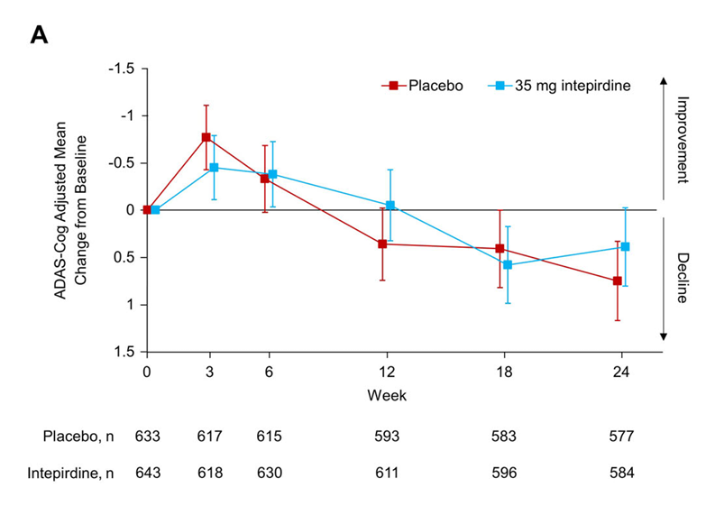
 | ANAVEX2-73
 |  | simufilam
 | UCB0107 | bepranemab
 |  | semorinemab
 | BIIB080
 | E2814
 | IONIS-MAPTRx
 | RO7126209
 | JNJ-63733657
 | JNJ-54861911 |  |  | Tau | II
 | ABBV-8E12
 | ABBV-916
 | AL002
 | ACI-35.030
 | JACI-35.054
 | metrifonate
 | ACI-24.060
 | BI 425809
 | BI 409306
 | CAD106

 | Dimebon Phase II --> Phase III
 | 4.0 --> 0.1 (failure)

 | SB-742457 Phase II --> Phase III
 | 1.3 (p=0.135) --> 0.4 (failure)

 | Simufilam
 | 0.6 (p=NS) --> ?

 | Bapineuzumab
 | 2.3 (p=0.078) --> 0.3

 | lecanemab
 | --> 1.5 at 18 months (p<0.001)

 | donanemab
 | 1.8 --> 1.3 at 18 months (p<0.001)

verubecestat
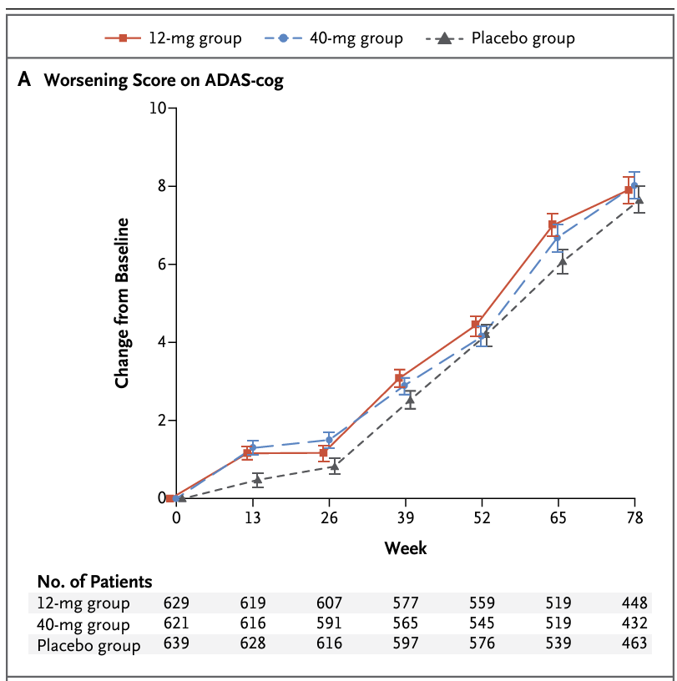
Main
 | Brand
 | Generic

