Drugs
Main
 | Brand | Generic | Indication | MOA | Approved | Economics
 | Aricept | donepezil |  |  |  | 4523, PFE
 |  | rivastigmine
 |  | memantine
 | Aduhelm, fka BIIB037 | aducanumab |  | polymeric abeta ab |  | BIIB/4523/Neurimmune |  | no | N-terminal
 |  | galantamine
 | Brand | Generic | Indication | MOA | Phase | Economics | Last Trial Date | Monomer? | Epitope
 | LY3002813 | donanemab |  | N3pG abeta ab | III ongoing | LLY
 | BAN2401 | lecanemab | CDR=0.5-1.0, MMSE>=22 | amyloid beta antibody | III completed | BIIB, 4523, BioArctic | 2019-03-25 | no
 | AAB-001 | bapineuzumab |  | N-terminal abeta ab | III completed | ELN, PFE/WYE, JNJ | 2007-12-17 | yes | N-terminal
 | LY2062430 | solanezumab |  | soluble abeta ab |  | LLY |  | yes | 16-26
 | RG7412, MABT5102A | crenezumab |  | abeta ab |  | ROG |  |  | 13-24
 | RO4909832 | gantenerumab |  | abeta ab |  | ROG |  |  | 3-11, 18-27
 | SAR228810 |  |  | polymer abeta ab |  | SNY
 |  | ponezumab |  |  |  | Pfizer (Rinat) |  |  | 30-40
 | LY3372993 | remternetug |  | N3pG abeta ab? |  | LLY
 | LY3372689 |  |  | O-GlcNAcase inhibitor |  | LLY
 | LY3303560 | zagotenemab |  | tau mab |  | LLY
 | LY3154207 | mevidalen |  | D1 pam |  | LLY
 | RVT-001 | intepirdine |  | 5HT-6 antagonist |  | Axovant
 | Dimebon | latrepirdine |  |  |  | MDVN
 |  | azeliragon
 | Lu AE58054 | idalopirdine |  |  |  |  |  |  |  | verubecestat
 | IGIV
 | CNP520 | umibecestat |  | BACE1 inhibitor |  | NVS, AMGN
 | LY3202626 |  |  | BACE inhibitor |  | LLY
 | LY3314814 | lanabecestat |  | BACE inhibitor |  | LLY
 | E2609 | elenbecestat |  | BACE inhibitor |  | 4523 JP
 |  | atabecestat |  | BACE inhibitor |  | JNJ
 | MK-8931 | verubecestat |  | BACE1 inhibitor |  | MRK
 | LY405139 | semagacestat |  | gamma secretase |  | LLY

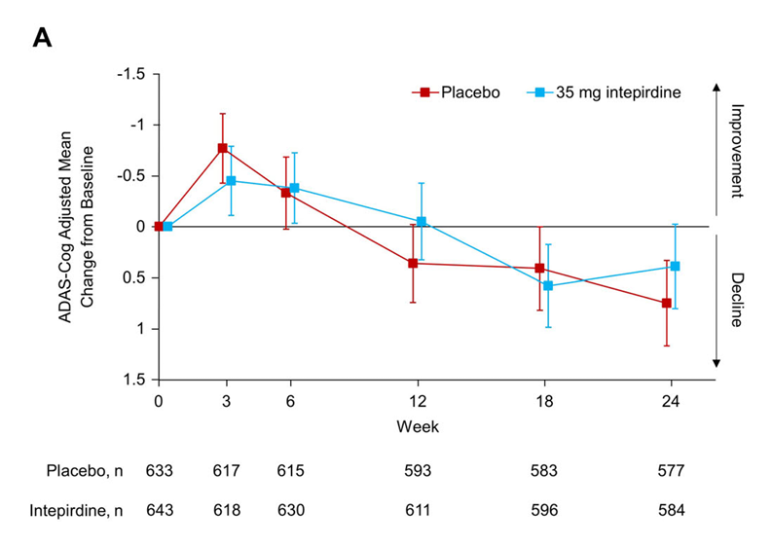
 | ANAVEX2-73
 |  | simufilam
 | UCB0107 | bepranemab
 |  | semorinemab
 | BIIB080
 | E2814
 | IONIS-MAPTRx
 | RO7126209
 | JNJ-63733657
 | JNJ-54861911 |  |  | Tau | II
 | ABBV-8E12
 | ABBV-916
 | AL002
 | ACI-35.030
 | JACI-35.054
 | metrifonate
 | ACI-24.060
 | BI 425809
 | BI 409306
 | CAD106

 | Dimebon Phase II --> Phase III
 | 4.0 --> 0.1 (failure)

 | SB-742457 Phase II --> Phase III
 | 1.3 (p=0.135) --> 0.4 (failure)

 | Simufilam
 | 0.6 (p=NS) --> ?

 | Bapineuzumab
 | 2.3 (p=0.078) --> 0.3

 | lecanemab
 | --> 1.5 at 18 months (p<0.001)

 | donanemab
 | 1.8 --> 1.3 at 18 months (p<0.001)

verubecestat
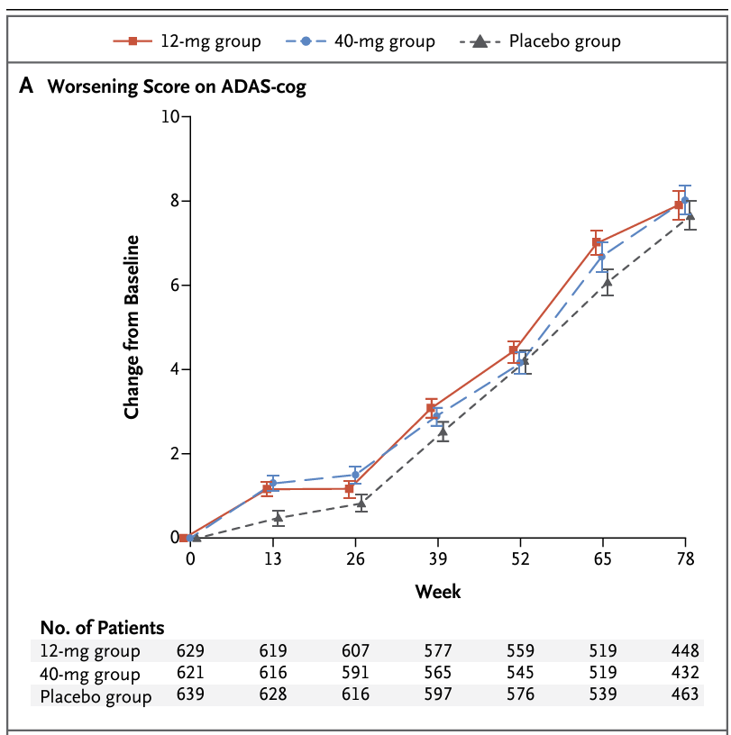
Main
 | Brand
 | Generic

lecanemab
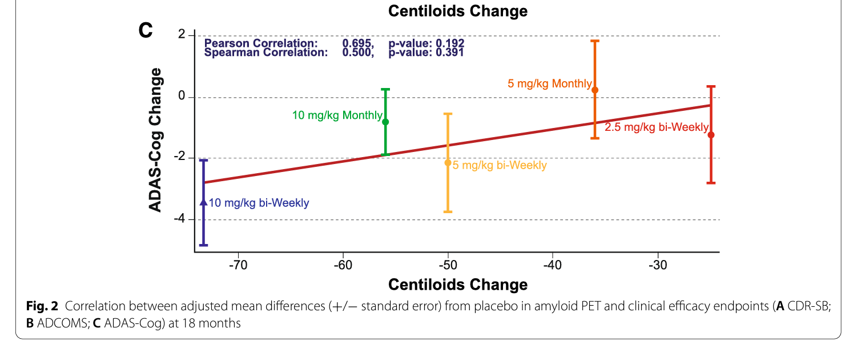
Main
 | Brand | Leqembi, BAN2401
 | Generic | lecanemab
 | Economics | Biogen, Eisai,
 | MOA | anti-AB protofibril antibody. Protofibrils are 28-500mers which are still soluble.
 | Clinical Trials
 |  | Phase III "CLARITY" n=1906 early Alzheimer's - NCT03887455, full results at CTAD 11/29/22
 |  | PE: CDR-SB at 18 months
 |  | 10mg/kg q2w, 720mg subcutaneous qw | 1.67 | 1.22 | at 18 weeks - but what was baseline? 3.5 (donanemab) or 6.7 (donepezil)
 |  | File for approval by 3/31/23. |  |  | 1.42/year in Aricept
 |  | -0.45 p=0.00005 at 18 months ("Lecanemab treatment met the primary endpoint and reduced clinical decline on the global cognitive and functional scale, CDR-SB, compared with placebo at 18 months by 27%, which represents a treatment difference in the score change of -0.45 (p=0.00005) in the analysis of Intent-to-treat (ITT) population.")

 |  | Phase III "AHEAD 3-45" n=1400 - NCT04468659
 |  | PACC5 PE at 4 years(!!)
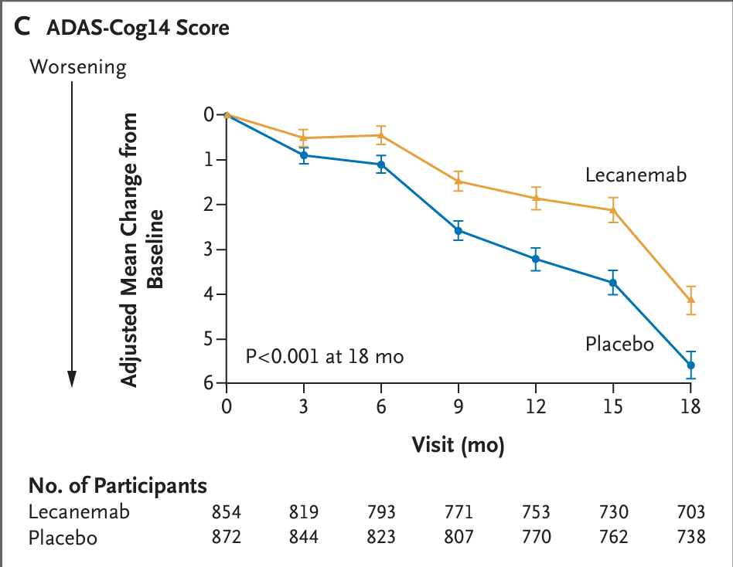

 |  | Phase II "Study 201" n=856
 |  | Lecanemab in patients with early Alzheimer's disease: detailed results on biomarker, cognitive, and clinical effects from the randomized and open-label extension of the phase 2 proof-of-concept study
 |  | A randomized, double-blind, phase 2b proof-of-concept clinical trial in early Alzheimer's disease with lecanemab, an anti-Aβ protofibril antibody

 |  | ADAS-cog14 baseline
 |  | n=238 placebo 22.6+-7.7
 |  | n=52 2.5mg/kg q2w 22.7+-8.1
 |  | n=48 5.0mg/kg qm 22.9+-7.7
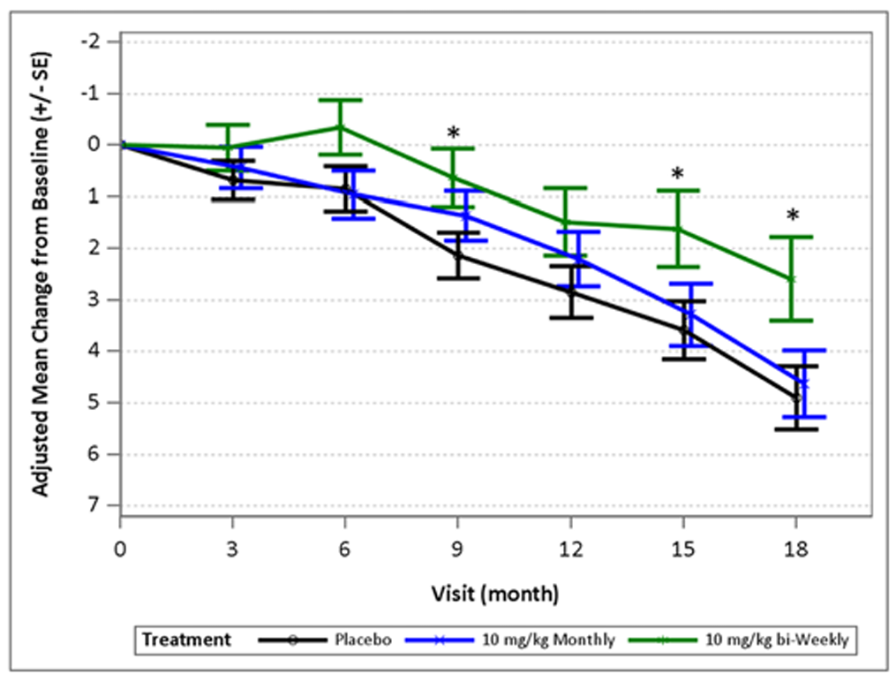
 |  | n=89 5.0mg/kg q2w 22.8+-6.7
 |  | n=246 10mg/kg qm 21.9+-7.3
 |  | n=246 10mg/kg q2w 22.1+-7.7

