1117568
Main
 | Brand | NBI-1117568
 | Generic
 | Indication | Schizophrenia
 | MOA | M4 agonist
 | Clinical Trials
 |  | Phase II "SCZ2028"
 |  | Week 6 PANSS 7.5point (18.2 from baseline) vs placebo, p=0.011
 |  | placebo -10.7 from baseline
 |  | Cobenfy separation ~11.3 points in EMERGENT-3, 8.4 in EMERGENT-2
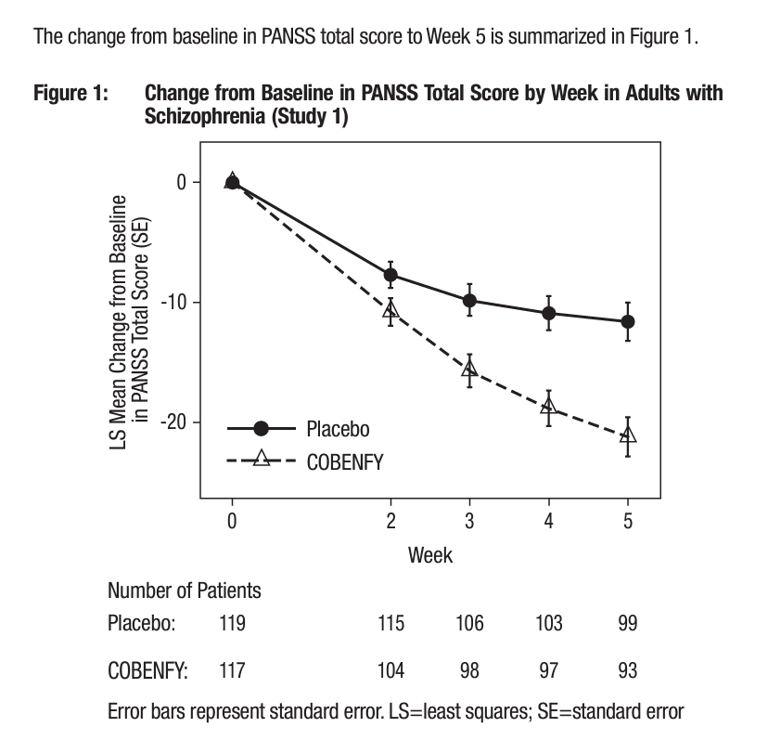

 |  | Phase III - initiate early 2025

