Sheet1
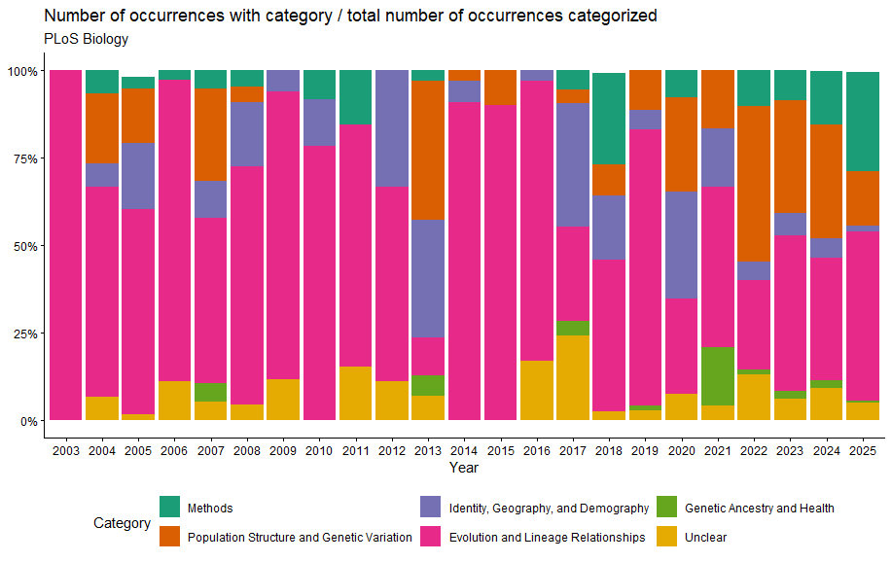
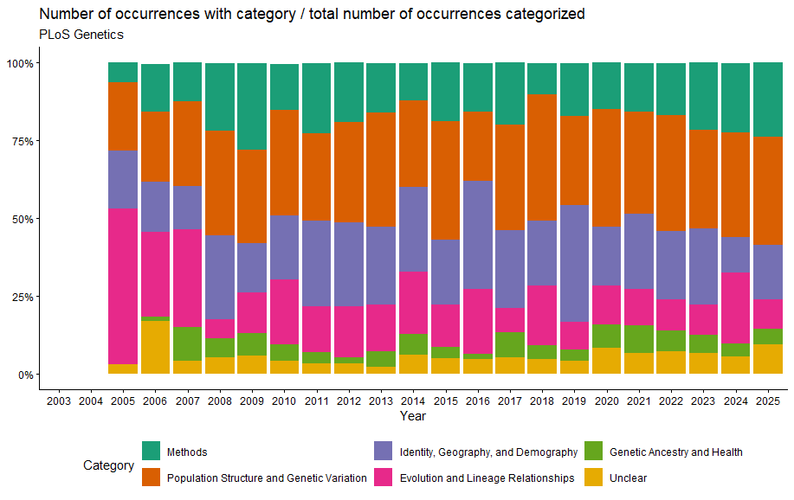
Relative distribution of ancestry-related definitional categories over time in PLOS Genetics and PLOS Biology.
Stacked bars show, for each year, the number of occurrences assigned to each category divided by the total number of categorized ancestry-related occurrences in that journal for the same year. Because the denominator is restricted to categorized occurrences, the categories together sum to 100% for each year. The figure therefore shows the relative composition of ancestry-related meanings, rather than their prevalence within the journal as a whole. This normalization makes it possible to compare the prominence of categories across years and between journals independently of annual differences in the total number of categorized occurrences.
Categories include Methods; Population Structure and Genetic Variation; Identity, Geography, and Demography; Evolution and Lineage Relationships; Genetic Ancestry and Health; and Unclear.

